Sub Assmbly Index
Sub-Assembly Index
Index | Operation | Part Name | Part No. | Rev. | Assembly Pic | Remarks
1 | OP-10 A | SUB-ASSY -92187146-1 -Door WA,LH,952NX, Rev-C | 92187146-1 | C | 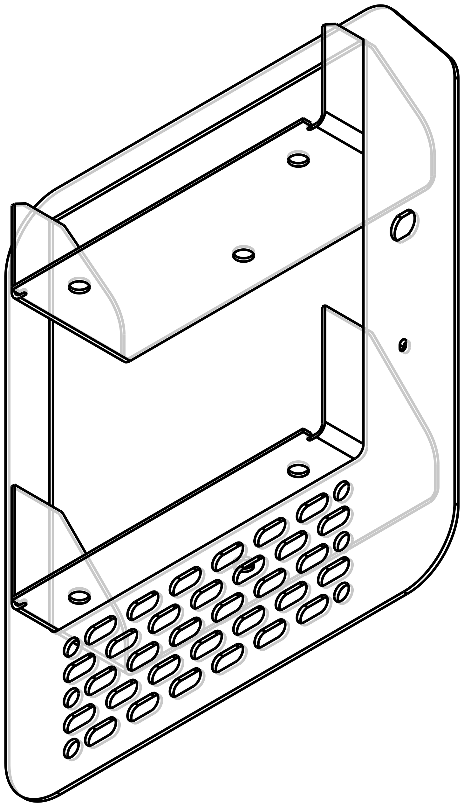
2 | OP-10 B | SUB-ASSY -92187146-2 -Door WA,LH,952NX, Rev-C | 92187146-2 | C | 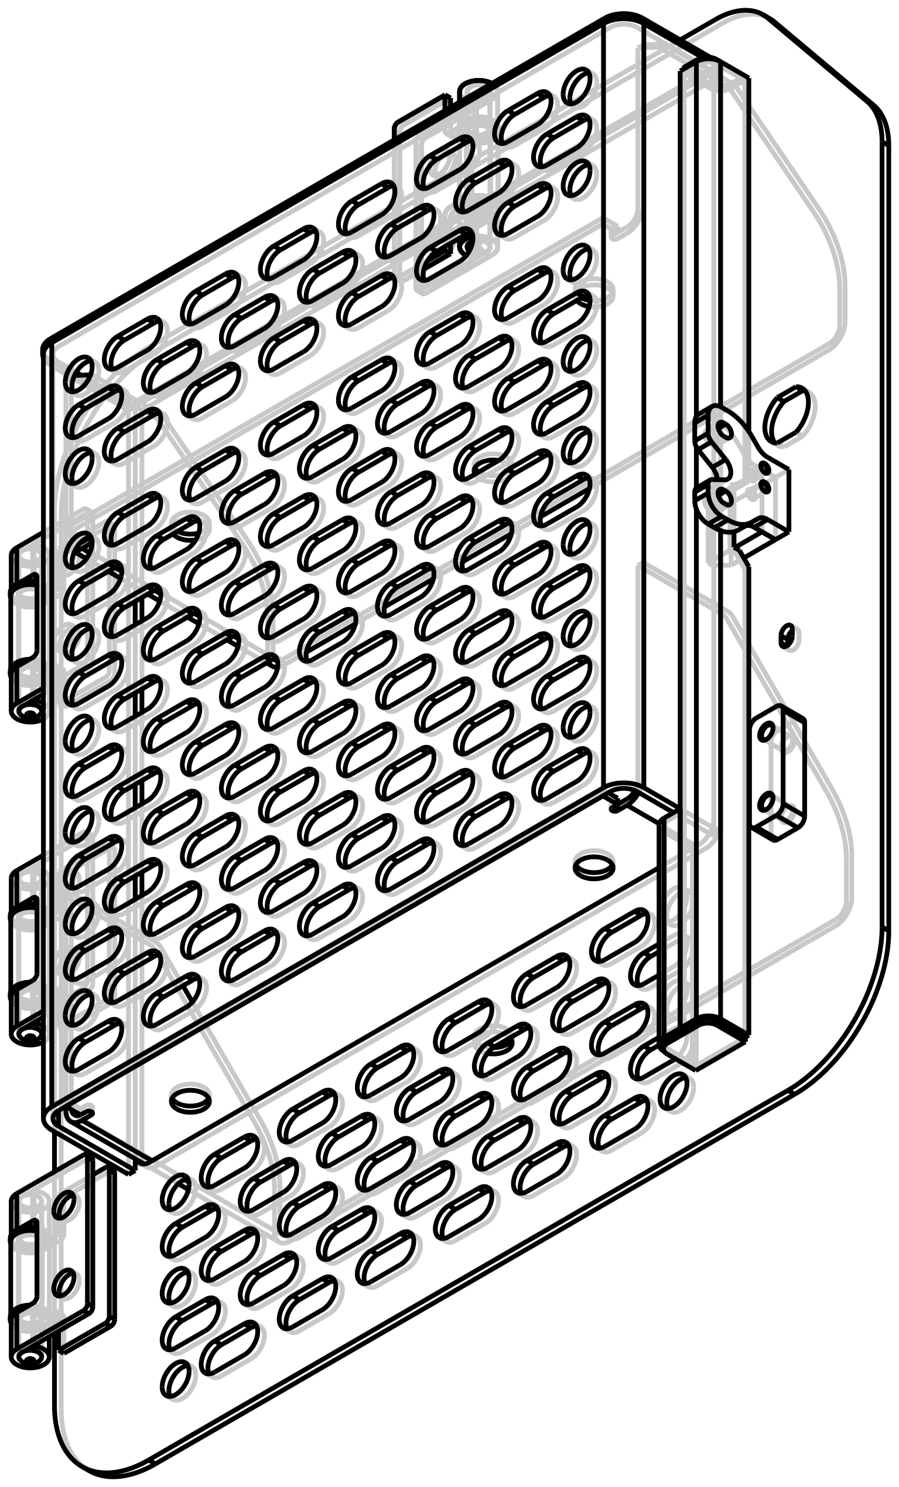
3 | OP-20 | Full Welding -92187146-Door WA,LH,952NX, Rev-C | 92187146 | C
4 | OP-30 | Painting (DOOR, ASSY, LH, 952NX-92244728) (Power Tan -Std-86628042) | 92244728
5 | OP-40 | FINAL ASSEMBLY (92187158-DOOR, ASSY, LH, 952NX) Rev-C | 92187158 | C
6 | OP-50 | FINAL INSPECTION (92187158-DOOR, ASSY, LH, 952NX) Rev-C | 92187158 | C

