92187158-C
 |  | METALMAN AUTO PVT LTD Plot No.116,sector 3, Pithampur ( Dist-Dhar), M.P.- 454775 |  |  |  |  |  | FORMAT NO-F/FMNT/05
 |  |  |  |  |  |  |  | Rev.no.
 |  |  |  |  |  |  |  | REVISON DATE:-
 |  | Fixture Master List
Model No :92187158
LINE : DOOR, ASSY, LH, 952NX-Receiving Gauge
Sr.No. | Part Name | Fixture No. | Operation No. | Cell No. | Fixture Name | Photo | Welding Source |  | Make | Qty
1 | DOOR, ASSY, LH, 952NX | WF No. : MAPL-92187146-1-OP-10A) | OP-10 A | 1 | SUB-ASSY -92187146-1 -Door WA,LH,952NX, Rev-C | 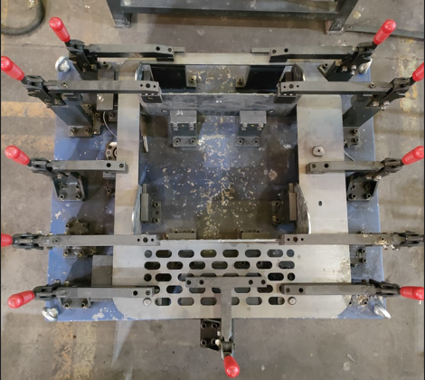 | Manual |  | DE | 1
2 | DOOR, ASSY, LH, 952NX | WF No. : MAPL-92187146-2-OP-10B) | OP-10 B | 1 | SUB-ASSY -92187146-2 -Door WA,LH,952NX, Rev-C | 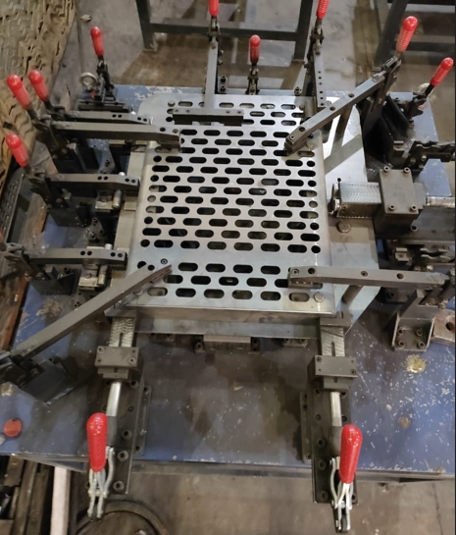 | Manual |  | DE | 1
3 | DOOR, ASSY, LH&RH, 952NX | Welding Fixture (WF No. : MAPL-92187146-3 -OP-20) | OP-20 | 1 | Full Welding -92187146-Door WA,LH,952NX, Rev-C | 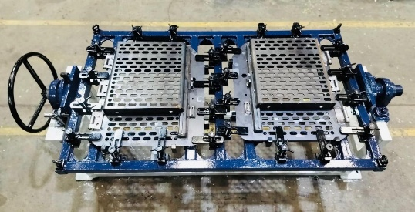 | Manual |  | MAPL | 1
4 | DOOR, ASSY, LH, 952NX-Receiving Gauge | RG No. : MAPL-92187158-OP-40) | OP-40 | 1 | FINAL ASSEMBLY (92187158-DOOR, ASSY, LH, 952NX) Rev-C | 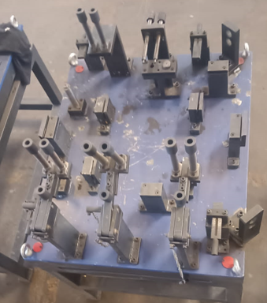 | Manual |  | DE | 1

