Graficos
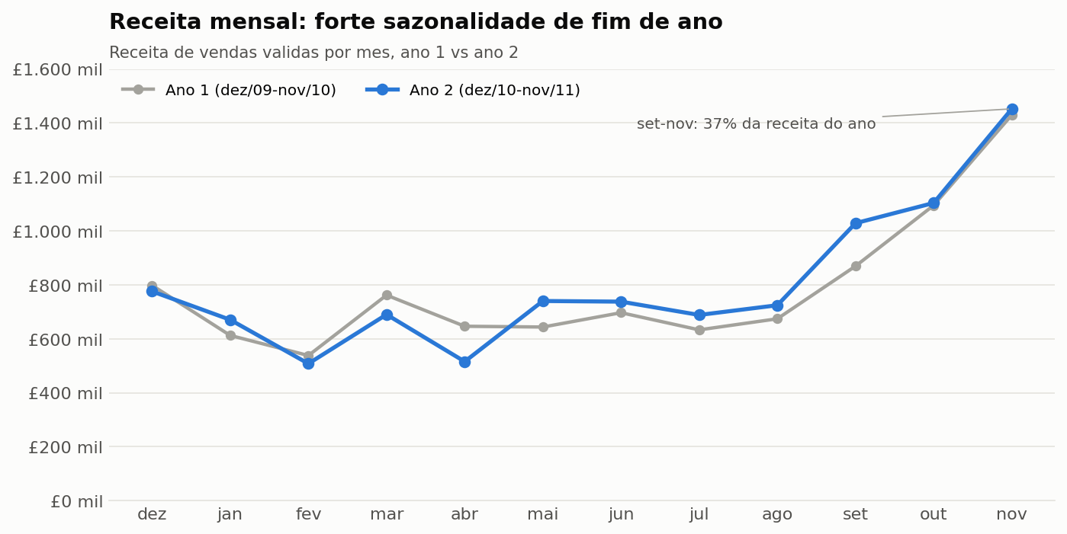
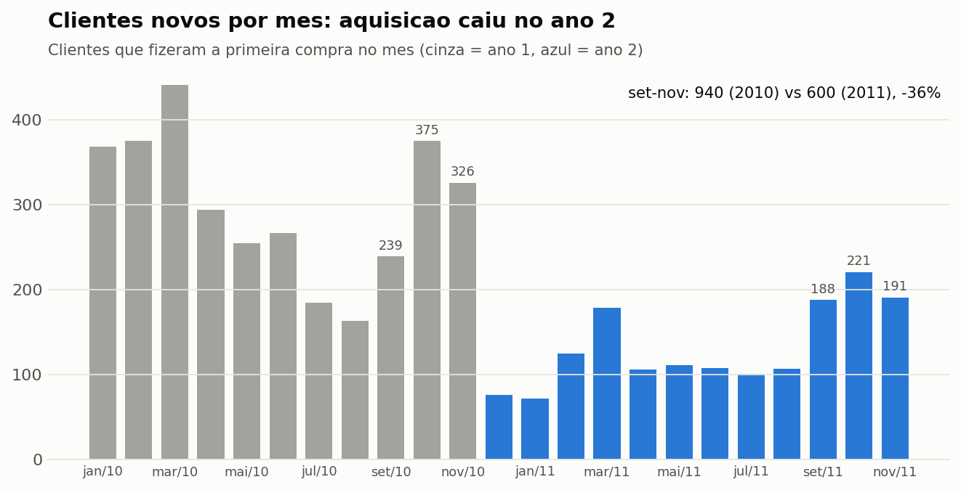
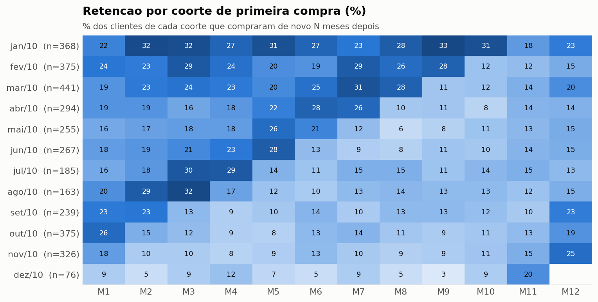
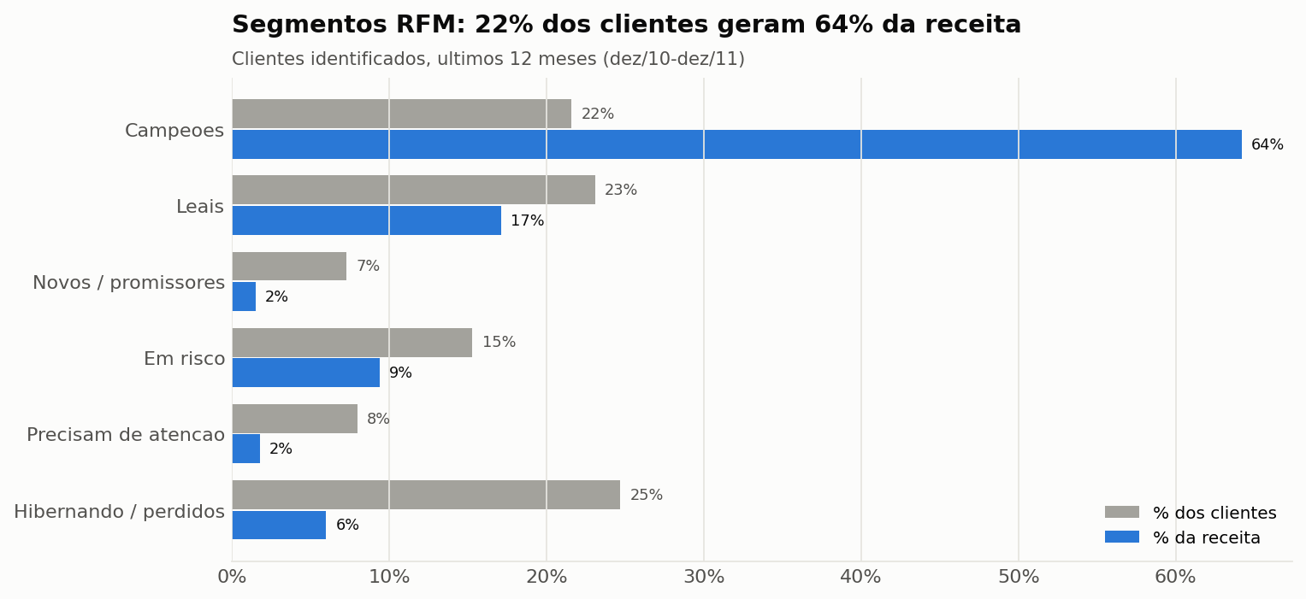
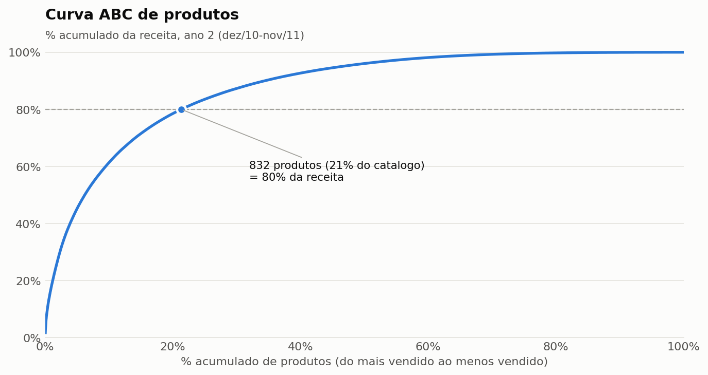
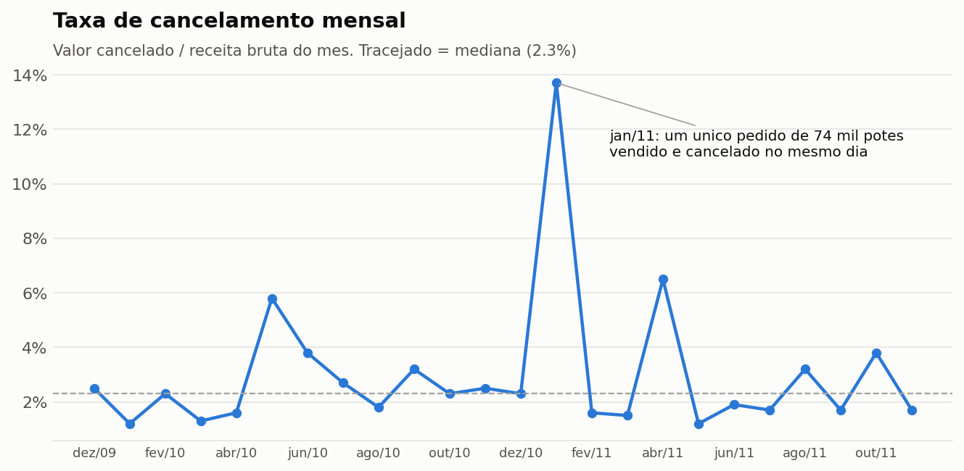
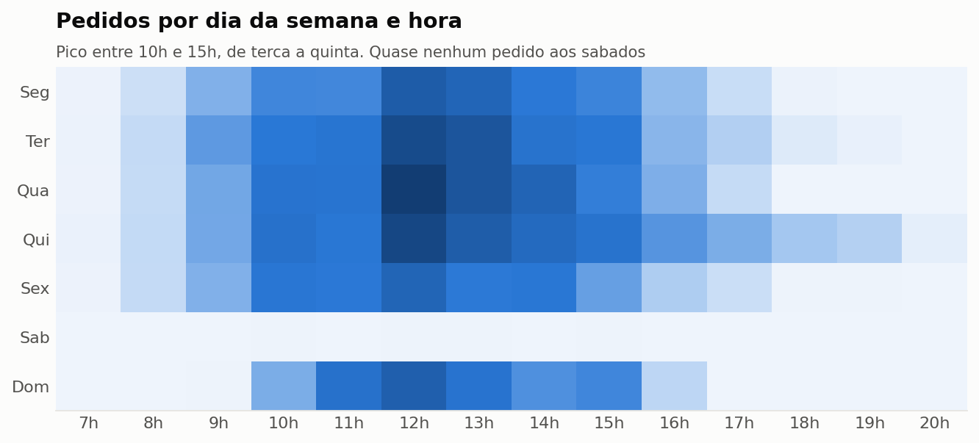
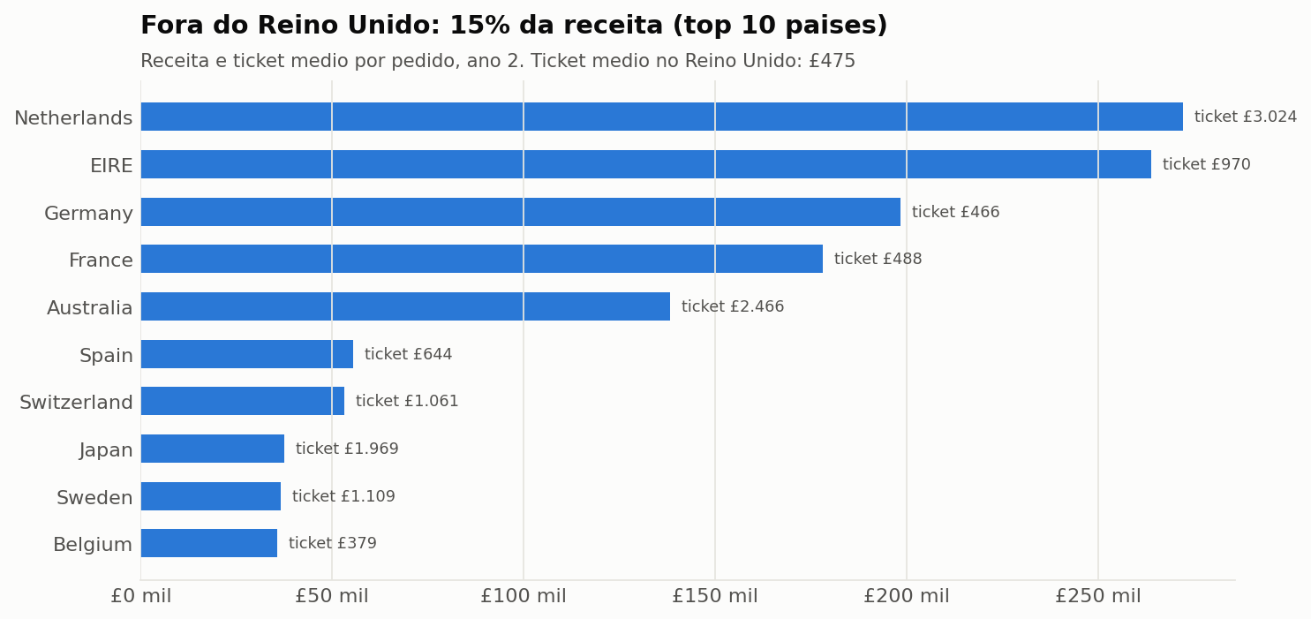
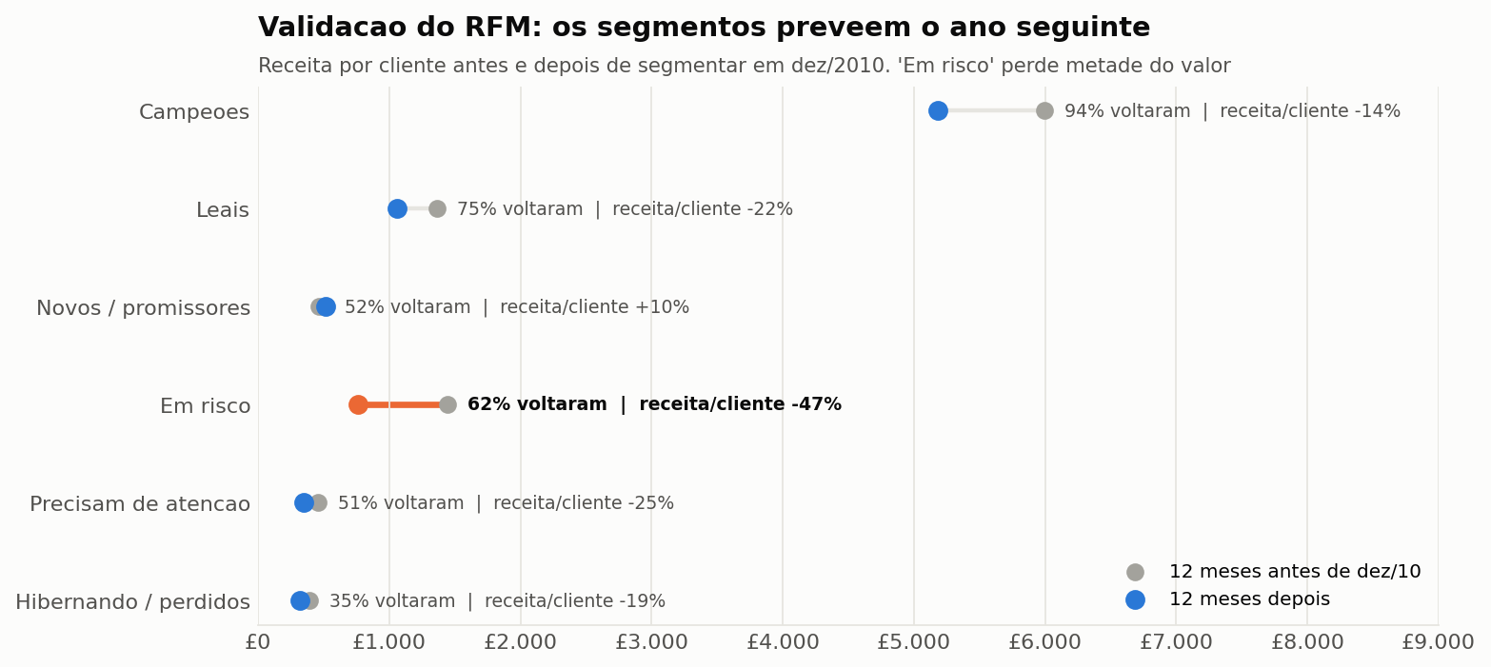
Graficos

Receita mensal
Receita mensal, media movel de 3 meses e variacao anual

Receita mensal (£)
mes | receita | pedidos | clientes | media_movel_3m | receita_ano_anterior | var_anual_pct | pct_do_ano
2009-12 | 797,901 | 1,666 | 951 | 797,901 |  |  | 8.5%
2010-01 | 612,297 | 1,049 | 701 | 705,099 |  |  | 6.5%
2010-02 | 537,910 | 1,189 | 771 | 649,369 |  |  | 5.7%
2010-03 | 761,706 | 1,647 | 1,051 | 637,304 |  |  | 8.1%
2010-04 | 646,341 | 1,435 | 939 | 648,652 |  |  | 6.9%
2010-05 | 643,492 | 1,484 | 965 | 683,846 |  |  | 6.8%
2010-06 | 696,583 | 1,612 | 1,034 | 662,139 |  |  | 7.4%
2010-07 | 632,994 | 1,507 | 924 | 657,690 |  |  | 6.7%
2010-08 | 674,038 | 1,402 | 910 | 667,872 |  |  | 7.2%
2010-09 | 869,243 | 1,789 | 1,136 | 725,425 |  |  | 9.3%
2010-10 | 1,094,436 | 2,244 | 1,492 | 879,239 |  |  | 11.6%
2010-11 | 1,429,701 | 2,719 | 1,606 | 1,131,127 |  |  | 15.2%
2010-12 | 775,638 | 1,550 | 884 | 1,099,925 | 797,901 | -2.8% | 8.1%
2011-01 | 670,380 | 1,081 | 739 | 958,573 | 612,297 | 9.5% | 7.0%
2011-02 | 507,800 | 1,093 | 757 | 651,273 | 537,910 | -5.6% | 5.3%
2011-03 | 689,834 | 1,440 | 973 | 622,671 | 761,706 | -9.4% | 7.2%
2011-04 | 515,378 | 1,235 | 853 | 571,004 | 646,341 | -20.3% | 5.4%
2011-05 | 739,953 | 1,668 | 1,054 | 648,388 | 643,492 | 15.0% | 7.7%
2011-06 | 737,559 | 1,525 | 990 | 664,297 | 696,583 | 5.9% | 7.7%
2011-07 | 688,219 | 1,452 | 946 | 721,910 | 632,994 | 8.7% | 7.1%
2011-08 | 724,217 | 1,339 | 933 | 716,665 | 674,038 | 7.4% | 7.5%
2011-09 | 1,028,320 | 1,818 | 1,259 | 813,585 | 869,243 | 18.3% | 10.7%
2011-10 | 1,103,314 | 2,005 | 1,361 | 951,950 | 1,094,436 | 0.8% | 11.5%
2011-11 | 1,452,116 | 2,751 | 1,660 | 1,194,584 | 1,429,701 | 1.6% | 15.1%

RFM
Segmentacao RFM (ultimos 12 meses)

RFM: % clientes vs % receita
segmento | clientes | pct_clientes | receita | pct_receita | recencia_media_dias | frequencia_media | valor_medio_cliente
1. Campeoes | 919 | 21.6% | 5,410,082 | 64.2% | 13 | 11 | 5,887.00
2. Leais | 985 | 23.1% | 1,440,623 | 17.1% | 33 | 4 | 1,463.00
3. Novos / promissores | 312 | 7.3% | 126,275 | 1.5% | 18 | 1 | 405.00
4. Em risco | 652 | 15.3% | 794,673 | 9.4% | 143 | 3 | 1,219.00
5. Precisam de atencao | 340 | 8.0% | 154,663 | 1.8% | 52 | 1 | 455.00
6. Hibernando / perdidos | 1,053 | 24.7% | 502,609 | 6.0% | 206 | 1 | 477.00

