b1
 |  |  |  |  |  |  |  |  |  |  |  | 参考）https://qiita.com/yuu-eguci/items/9e85df49d8c27bb4b7f6
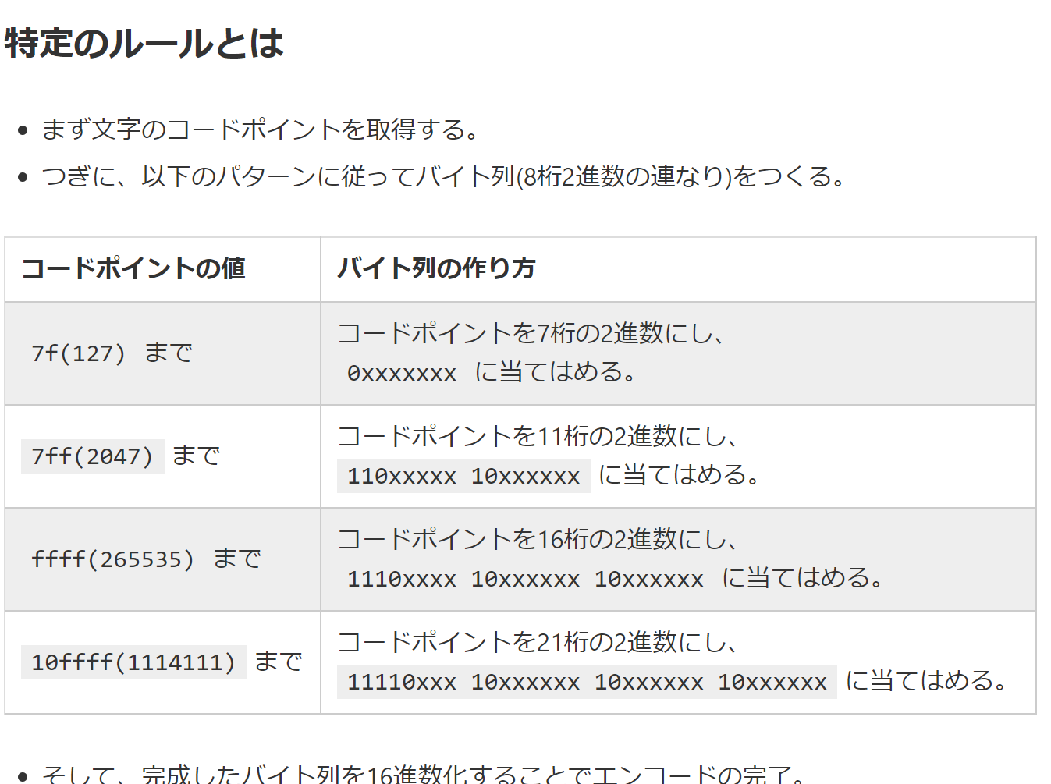
 | 12ア |  |  | byte | 1 |  |  |  | 2 | 3 | 4
1 | 1 | 49 | 00110001 | 1 | 00110001 | 31 | 00110001 | 00110001 | 11100011 | 10000100 | 10110001
2 | 2 | 50 | 00110010 | 1 | 00110010 | 32 | 00110010 | 00110010 | 11100011 | 10001000 | 10110010
3 | ア | 12,450 | 111000111000001010100010 | 3 |  | 30A2 | 00110000 | 10100010 | 11100011 | 10000010 | 10100010
4 |  | 0 |  | 0 | 00000000 | 0 | 00000000 | 00000000 | 11100000 | 10000000 | 10000000
5 |  | 0 |  | 0 | 00000000 | 0 | 00000000 | 00000000 | 11100000 | 10000000 | 10000000
6 |  | 0 |  | 0 | 00000000 | 0 | 00000000 | 00000000 | 11100000 | 10000000 | 10000000
7 |  | 0 |  | 0 | 00000000 | 0 | 00000000 | 00000000 | 11100000 | 10000000 | 10000000

 |  |  |  | 5

 |  |  |  |  |  |  |  | 1 | E3 | 84 | B1
 |  |  |  |  |  |  |  | 2 | E3 | 88 | B2
 |  |  |  |  |  |  |  | 3 | E3 | 82 | A2
 |  |  |  |  |  |  |  | 4 | E0 | 80 | 80
 |  |  |  |  |  |  |  | 5 | E0 | 80 | 80
 |  |  |  |  |  |  |  | 6 | E0 | 80 | 80
 |  |  |  |  |  |  |  | 7 | E0 | 80 | 80

 | 0100 | 8bit byteモード

 | 5
 | 00000101 | 文字数（バイト数）

1 | 0100 | 0100
2 | 00000101 | 010000000101
3 | 00110001 | 01000000010100110001
4 | 00110010 | 0100000001010011000100110010
5 | 111000111000001010100010 | 0100000001010011000100110010111000111000001010100010
6 |  | 0100000001010011000100110010111000111000001010100010
7 |  | 0100000001010011000100110010111000111000001010100010
8 |  | 0100000001010011000100110010111000111000001010100010
9 |  | 0100000001010011000100110010111000111000001010100010
 | 00001110110000010001111011000001000111101100000100011110110000010001 | 010000000101001100010011001011100011100000101010001000001110110000010001111011000001000111101100000100011110110000010001

 |  |  |  | 1 | 1 | 01000000 | 64
 |  |  |  | 2 | 9 | 01010011 | 83
 |  |  |  | 3 | 17 | 00010011 | 19
 |  |  |  | 4 | 25 | 00101110 | 46
 |  |  |  | 5 | 33 | 00111000 | 56
 |  |  |  | 6 | 41 | 00101010 | 42
 |  |  |  | 7 | 49 | 00100000 | 32
 |  |  |  | 8 | 57 | 11101100 | 236
 |  |  |  | 9 | 65 | 00010001 | 17

