Multiple Linear Regression
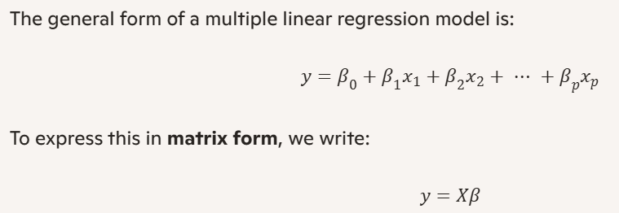

x₀ (Intercept) | x₁ | x₂ | y |  | x1 and x2 are independent Variables
1 | 1 | 2 | 6
1 | 2 | 1 | 8
1 | 3 | 4 | 14

 |  | 6 | 3X1
Y | = | 8
 |  | 14

X | = | 1 | 1 | 2 |  | 3X3
 |  | 1 | 2 | 1
 |  | 1 | 3 | 4

Step 1: Compute |  | 1 | 1 | 1 | 1 | 1 | 2 |  | 3 | 6 | 7
 |  | 1 | 2 | 3 | 1 | 2 | 1 | = | 6 | 14 | 16
 |  | 2 | 1 | 4 | 1 | 3 | 4 |  | 7 | 16 | 21

Step 2: Compute
 |  |  | X Transpose |  | Y
 |  |  |  |  |  |  |  |  | 3 X 3 | 3 X 1 | 3 X 1
 |  | 1 | 1 | 1 | 6 |  | 28
 |  | 1 | 2 | 3 | 8 | = | 64
 |  | 2 | 1 | 4 | 14 |  | 76

Step 3: Compute
 |  |  |  | 3 | 6 | 7
 |  |  | A = | 6 | 14 | 16
 |  |  |  | 7 | 16 | 21

Find the determinant of A

det(A)=3(14X21−16X16)−6(6X21−16X7)+7(6X16−14X7)

 |  | det (A) | = | 16

 |  | Cofactors | C11= | det | 14 | 16 | 38 |  | C21= | det | 6 | 7 | 14 | C31= | det | 6 | 7 | -2
 |  |  |  |  | 16 | 21 |  |  |  |  | 16 | 21 |  |  |  | 14 | 16

 |  |  | C12= | det | 6 | 16 | 14 |  | C22= | det | 3 | 7 | 14 | C32= | det | 3 | 7 | 6
 |  |  |  |  | 7 | 21 |  |  |  |  | 7 | 21 |  |  |  | 6 | 16

 |  |  | C13= | det | 6 | 14 | -2 |  | C23= | det | 3 | 6 | 6 | C33= | det | 3 | 6 | 6
 |  |  |  |  | 7 | 16 |  |  |  |  | 7 | 16 |  |  |  | 6 | 14
 |  |  |  |  |  |  | Reference
 |  | Cofactor C = |  | 38 | 14 | -2 | C11 | C12 | C13
 |  |  |  | 14 | 14 | 6 | C21 | C22 | C23
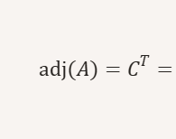
 |  |  |  | -2 | 6 | 6 | C31 | C32 | C33

 |  |  |  | 38 | -14 | -2
 |  |  |  | -14 | 14 | -6
 |  |  |  | -2 | -6 | 6

 |  | The adjugate matrix is the transpose of C. Since C is symmetric, C^T = C

 |  |  | A inverse | = | 1/det(A) | (adj(a))

 |  |  |  |  |  | 38/16 | -14/16 | -2/16
 |  |  |  | = |  | -14/16 | 14/16 | -6/16
 |  |  |  |  |  | -2/16 | -6/16 | 6/16

 |  |  |  |  | = | 28
 |  |  |  |  |  | 64
 |  |  |  |  |  | 76

 |  |  |  |  |  | 38/16 | -14/16 | -2/16 | 28
 |  |  |  |  | = | -14/16 | 14/16 | -6/16 | 64
 |  |  |  |  |  | -2/16 | -6/16 | 6/16 | 76

 |  |  |  |  |  | 1
 |  |  |  |  |  | 3
 |  |  |  |  |  | 1

 |  |  |  |  |  |  |  |  | 1 | 2

 |  |  |  |  |  | y = 1 + 3 * 1 + 2
 | Output Verification |  |  | x1 | x2 | y
 |  |  |  | 1 | 2 | 6 |  |  |  | zzzzzzzzzzzzzzzzzd
 |  |  |  | 3 | 4 | 14

