Fuentes
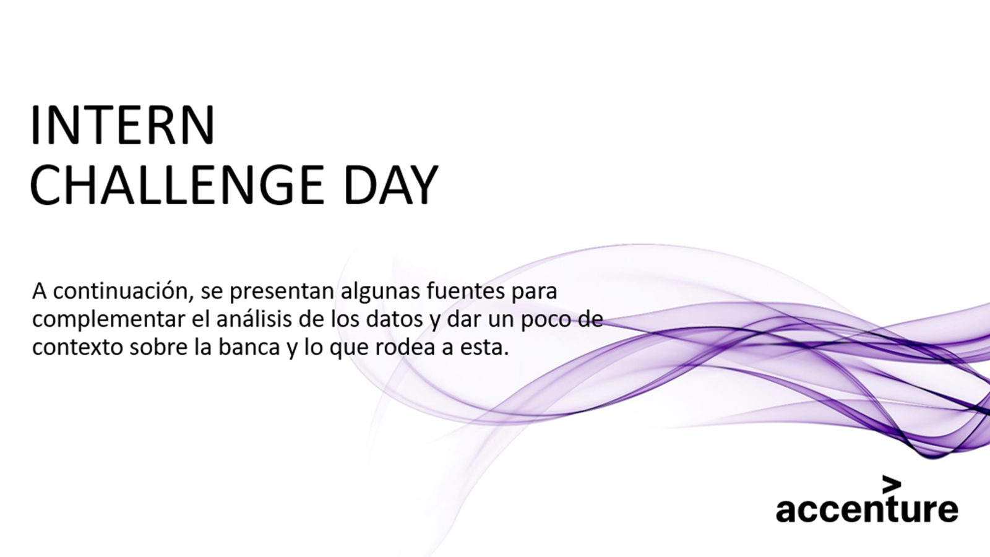

Contexto de la banca
Top 10 Banking Trends for 2023 | Accenture
Rising to the Challenge of Net Zero Banking | Accenture
Banking Consumer Study Uncovers Hidden Value | Accenture

"Ha llegado el momento de la banca contextual" | BBVA
Banking on sustainability - what’s next? | World Economic Forum (weforum.org)
(PDF) Banking 4.0: -The Influence of Artificial Intelligence on the Banking Industry & How AI is Changing the Face of Modern Day Banks‖ (researchgate.net)

NPS
NPS Financial Services / 27 Banking NPS Scores 2023 (customergauge.com)
2020 Banking Consumer Study (accenture.com)
Estudio Del Consumidor Bancario: Hacia Una Digitalización Más Humana | Accenture​
Digital banking for tomorrow’s customer | Accenture Banking Blog

AI
https://medium.com/analytics-vidhya/natural-language-processing-nlp-introduction-fe48e9b7ec8d

