DF-01
Title | Register User: The additional information and email fields do not exist

Description / Overview | Two minor fields in the register form do not exist

Reproduction Steps | 1- Open the application page: http://127.0.0.1:5000
 | 2- Click Sign In
 | 3- Click Register here

Expected Behavior | A page showing the register form is displayed and there is no additional information or email field

Actual Behavior | The Page shows the register form, but no Additional information/email field
 | 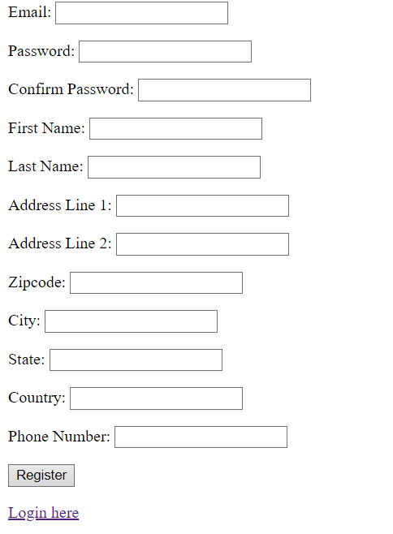
Incidence / Severity / Probability of reproduction | Minor severity - There is no additional information/email field
 | 100% reproduction rate

Story and Acceptance Criteria affected | Affected User Story: US-2

Browsers tested | Google Chrome, v107

Environment | QA environment, http://127.0.0.1:5000

Notes | TC-1601 covers this scenario

