Table 1
Round: 0 Dec. 31, 2021 |  |  |  |  |  |  | C131925
Andrews |  | Baldwin |  |  |  | Chester
Sornnarin Bangkedph |  | Wisit Wirojrungson |  |  |  | Marko Heinelo
Sutthipong Kultungk |  | Rachaneewan Leekanc |  |  |  | Pasan Opaschaitat
Thitiwat Pakaphongp |  | Santi Mualkijnitaya |  |  |  | Kanlaya Rattanyu
Pathumma Sitthikorn |  | Vikorn Phongsathorn |  |  |  | Santi Tangsakul
Sophak Srilam |  | Ponglar Porntheeran |  |  |  | Sunee Techakulung
Wararee Toah-ngern |  | Banphot Wongvisavak |  |  |  | Thongchai Theantong
Digby |  | Erie |  |  |  | Ferris
Sakarin Yuktanonda |  | Phungjai Tinnasulan |  |  |  | Apiram Udomrattanac
Supanee Armstrong |  | Wongkanok Kanoktana
Chayapol Boonlert |  | Fa-um Phengsri
Surachet Chaipet |  | Thanapol Ratanaboon
Akawut Chuenchom |  | Niti Saengchomphu
Noppakao Loykhwamsu |  | Norraron Treecheewa
Selected Financial Statistics
 | Andrews | Baldwin | Chester | Digby |  |  | Erie | Ferris
ROS | 4.1% | 4.1% | 4.1% | 4.1% |  |  | 4.1% | 4.1%
Asset Turnover | 1.05 | 1.05 | 1.05 | 1.05 |  |  | 1.05 | 1.05
ROA | 4.4% | 4.4% | 4.4% | 4.4% |  |  | 4.4% | 4.4%
Leverage | 2.0 | 2.0 | 2.0 | 2.0 |  |  | 2.0 | 2.0
ROE | 8.7% | 8.7% | 8.7% | 8.7% |  |  | 8.7% | 8.7%
Emergency Loan | $0 | $0 | $0 | $0 |  |  | $0 | $0
Sales | $101,073,437 | $101,073,437 | $101,073,437 | $101,073,437 |  |  | $101,073,437 | $101,073,437
EBIT | $11,996,365 | $11,996,365 | $11,996,365 | $11,996,365 |  |  | $11,996,365 | $11,996,365
Profits | $4,188,507 | $4,188,507 | $4,188,507 | $4,188,507 |  |  | $4,188,507 | $4,188,507
Cumulative Profit | $4,188,507 | $4,188,507 | $4,188,507 | $4,188,507 |  |  | $4,188,507 | $4,188,507
SG&A / Sales | 8.9% | 8.9% | 8.9% | 8.9% |  |  | 8.9% | 8.9%
Contrib. Margin % | 28.3% | 28.3% | 28.3% | 28.3% |  |  | 28.3% | 28.3%
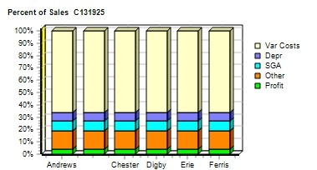 |  |  |  |  | 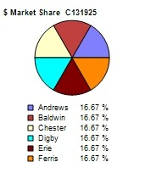
CAPSTONE ® COURIER |  |  |  |  |  |  | Page 1

Table 2
Stock & Bonds C131925 Round: 0 Dec. 31, 2021
Stock Market Summary
Company | Close Change | Shares MarketCap Book Value ($M) Per Share |  | EPS Dividend |  | Yield | P/E
Andrews | $34.25 $0.00 | 2,000,000 $69 $23.97 |  | $2.09 $2.00 |  | 5.8% | 16.4
Baldwin | $34.25 $0.00 | 2,000,000 $69 $23.97 |  | $2.09 $2.00 |  | 5.8% | 16.4
Chester | $34.25 $0.00 | 2,000,000 $69 $23.97 |  | $2.09 $2.00 |  | 5.8% | 16.4
Digby | $34.25 $0.00 | 2,000,000 $69 $23.97 |  | $2.09 $2.00 |  | 5.8% | 16.4
Erie | $34.25 $0.00 | 2,000,000 $69 $23.97 |  | $2.09 $2.00 |  | 5.8% | 16.4
Ferris | $34.25 $0.00 | 2,000,000 $69 $23.97 |  | $2.09 $2.00 |  | 5.8% | 16.4
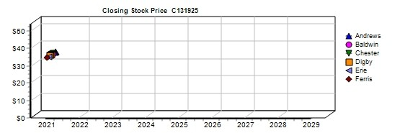
Bond Market Summary
Company | Series# Face | Yield Close$ S&P | Company Series# | Face | Yield | Close$ | S&P
Andrews |  |  | Digby
 | 11.0S2023 $6,950,000 | 11.1% 99.49 B | 11.0S2023 | $6,950,000 | 11.1% | 99.49 | B
 | 12.5S2025 $13,900,000 | 12.1% 103.70 B | 12.5S2025 | $13,900,000 | 12.1% | 103.70 | B
 | 14.0S2027 $20,850,000 | 12.6% 111.32 B | 14.0S2027 | $20,850,000 | 12.6% | 111.32 | B
Baldwin |  |  | Erie
 | 11.0S2023 $6,950,000 | 11.1% 99.49 B | 11.0S2023 | $6,950,000 | 11.1% | 99.49 | B
 | 12.5S2025 $13,900,000 | 12.1% 103.70 B | 12.5S2025 | $13,900,000 | 12.1% | 103.70 | B
 | 14.0S2027 $20,850,000 | 12.6% 111.32 B | 14.0S2027 | $20,850,000 | 12.6% | 111.32 | B
Chester |  |  | Ferris
 | 11.0S2023 $6,950,000 | 11.1% 99.49 B | 11.0S2023 | $6,950,000 | 11.1% | 99.49 | B
 | 12.5S2025 $13,900,000 | 12.1% 103.70 B | 12.5S2025 | $13,900,000 | 12.1% | 103.70 | B
 | 14.0S2027 $20,850,000 | 12.6% 111.32 B | 14.0S2027 | $20,850,000 | 12.6% | 111.32 | B
Next Year's Prime Rate7.00%
CAPSTONE ® COURIER Page 2

Table 4
Production Analysis C131925 Round: 0 Dec. 31, 2021
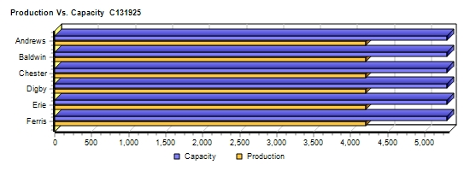
 |  |  |  |  |  |  |  |  |  |  |  | 2nd
 |  |  |  |  |  |  |  |  |  |  |  | Shift | Auto
 |  | Unit |  |  |  |  |  |  |  |  |  | & | mation | Capacity
Primary | Units | Inven | Revision | Age |  | Pfmn | Size |  | Material | Labor | Contr. | Over- | Next | Next | Plant
Name Segment | Sold | tory | Date | Dec.31 | MTBF | Coord | Coord | Price | C□ost | □Cost | Marg. | time | Round | Round | Utiliz.
Able Trad | 999 | 189 | 2018-11-21 | 3.1 | 17500 | 5.5 | 14.5 | $28.00 | $11.59 | $7.49 | 29% | 0% | 4.0 | 1,800 | 66%
Acre Low | 1,763 | 39 | 2017-05-25 | 4.6 | 14000 | 3.0 | 17.0 | $21.00 | $7.81 | $7.12 | 27% | 30% | 5.0 | 1,400 | 129%
Adam High | 366 | 40 | 2020-04-18 | 1.7 | 23000 | 8.0 | 12.0 | $38.00 | $15.98 | $8.57 | 33% | 0% | 3.0 | 900 | 45%
Aft Pfmn | 358 | 78 | 2019-06-30 | 2.5 | 25000 | 9.4 | 15.5 | $33.00 | $15.87 | $8.57 | 23% | 0% | 3.0 | 600 | 73%
Agape Size | 314 | 62 | 2019-05-25 | 2.6 | 19000 | 4.0 | 11.0 | $33.00 | $13.62 | $8.57 | 30% | 0% | 3.0 | 600 | 63%
Baker Trad | 999 | 189 | 2018-11-21 | 3.1 | 17500 | 5.5 | 14.5 | $28.00 | $11.59 | $7.49 | 29% | 0% | 4.0 | 1,800 | 66%
Bead Low | 1,763 | 39 | 2017-05-25 | 4.6 | 14000 | 3.0 | 17.0 | $21.00 | $7.81 | $7.12 | 27% | 30% | 5.0 | 1,400 | 129%
Bid High | 366 | 40 | 2020-04-18 | 1.7 | 23000 | 8.0 | 12.0 | $38.00 | $15.98 | $8.57 | 33% | 0% | 3.0 | 900 | 45%
Bold Pfmn | 358 | 78 | 2019-06-30 | 2.5 | 25000 | 9.4 | 15.5 | $33.00 | $15.87 | $8.57 | 23% | 0% | 3.0 | 600 | 73%
Buddy Size | 314 | 62 | 2019-05-25 | 2.6 | 19000 | 4.0 | 11.0 | $33.00 | $13.62 | $8.57 | 30% | 0% | 3.0 | 600 | 63%
Cake Trad | 999 | 189 | 2018-11-21 | 3.1 | 17500 | 5.5 | 14.5 | $28.00 | $11.59 | $7.49 | 29% | 0% | 4.0 | 1,800 | 66%
Cedar Low | 1,763 | 39 | 2017-05-25 | 4.6 | 14000 | 3.0 | 17.0 | $21.00 | $7.81 | $7.12 | 27% | 30% | 5.0 | 1,400 | 129%
Cid High | 366 | 40 | 2020-04-18 | 1.7 | 23000 | 8.0 | 12.0 | $38.00 | $15.98 | $8.57 | 33% | 0% | 3.0 | 900 | 45%
Coat Pfmn | 358 | 78 | 2019-06-30 | 2.5 | 25000 | 9.4 | 15.5 | $33.00 | $15.87 | $8.57 | 23% | 0% | 3.0 | 600 | 73%
Cure Size | 314 | 62 | 2019-05-25 | 2.6 | 19000 | 4.0 | 11.0 | $33.00 | $13.62 | $8.57 | 30% | 0% | 3.0 | 600 | 63%
Daze Trad | 999 | 189 | 2018-11-21 | 3.1 | 17500 | 5.5 | 14.5 | $28.00 | $11.59 | $7.49 | 29% | 0% | 4.0 | 1,800 | 66%
Dell Low | 1,763 | 39 | 2017-05-25 | 4.6 | 14000 | 3.0 | 17.0 | $21.00 | $7.81 | $7.12 | 27% | 30% | 5.0 | 1,400 | 129%
Duck High | 366 | 40 | 2020-04-18 | 1.7 | 23000 | 8.0 | 12.0 | $38.00 | $15.98 | $8.57 | 33% | 0% | 3.0 | 900 | 45%
Dot Pfmn | 358 | 78 | 2019-06-30 | 2.5 | 25000 | 9.4 | 15.5 | $33.00 | $15.87 | $8.57 | 23% | 0% | 3.0 | 600 | 73%
Dune Size | 314 | 62 | 2019-05-25 | 2.6 | 19000 | 4.0 | 11.0 | $33.00 | $13.62 | $8.57 | 30% | 0% | 3.0 | 600 | 63%
Eat Trad | 999 | 189 | 2018-11-21 | 3.1 | 17500 | 5.5 | 14.5 | $28.00 | $11.59 | $7.49 | 29% | 0% | 4.0 | 1,800 | 66%
Ebb Low | 1,763 | 39 | 2017-05-25 | 4.6 | 14000 | 3.0 | 17.0 | $21.00 | $7.81 | $7.12 | 27% | 30% | 5.0 | 1,400 | 129%
Echo High | 366 | 40 | 2020-04-18 | 1.7 | 23000 | 8.0 | 12.0 | $38.00 | $15.98 | $8.57 | 33% | 0% | 3.0 | 900 | 45%
Edge Pfmn | 358 | 78 | 2019-06-30 | 2.5 | 25000 | 9.4 | 15.5 | $33.00 | $15.87 | $8.57 | 23% | 0% | 3.0 | 600 | 73%
Egg Size | 314 | 62 | 2019-05-25 | 2.6 | 19000 | 4.0 | 11.0 | $33.00 | $13.62 | $8.57 | 30% | 0% | 3.0 | 600 | 63%
Fast Trad | 999 | 189 | 2018-11-21 | 3.1 | 17500 | 5.5 | 14.5 | $28.00 | $11.59 | $7.49 | 29% | 0% | 4.0 | 1,800 | 66%
Feat Low | 1,763 | 39 | 2017-05-25 | 4.6 | 14000 | 3.0 | 17.0 | $21.00 | $7.81 | $7.12 | 27% | 30% | 5.0 | 1,400 | 129%
Fist High | 366 | 40 | 2020-04-18 | 1.7 | 23000 | 8.0 | 12.0 | $38.00 | $15.98 | $8.57 | 33% | 0% | 3.0 | 900 | 45%
Foam Pfmn | 358 | 78 | 2019-06-30 | 2.5 | 25000 | 9.4 | 15.5 | $33.00 | $15.87 | $8.57 | 23% | 0% | 3.0 | 600 | 73%
Fume Size | 314 | 62 | 2019-05-25 | 2.6 | 19000 | 4.0 | 11.0 | $33.00 | $13.62 | $8.57 | 30% | 0% | 3.0 | 600 | 63%
CAPSTONE ® COURIER |  |  |  |  |  |  |  |  |  |  |  |  |  |  | Page 4

Table 5
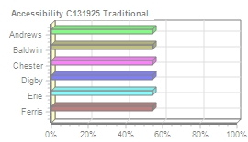
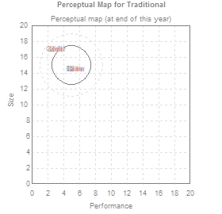
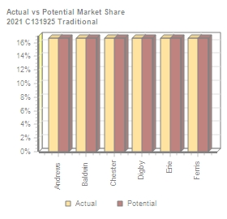
Traditional Segment Analysis C131925 Round: 0 Dec. 31, 2021
Traditional Statistics Total Industry Unit Demand 7,387 Actual Industry Unit Sales |7,387 Segment % of Total Industry |32.4% Next Year's Segment Growth Rate |9.2% Traditional Customer Buying Criteria Expectations Importance 1. Age Ideal Age = 2.0 47% 2. Price $20.00 - 30.00 23% 3. Ideal Position Pfmn 5.0 Size 15.0 21% 4. Reliability MTBF 14000-19000 9%

Top Products in Traditional Segment
Name Able Baker Cake Daze Eat Fast Acre Bead Cedar Dell Ebb Feat | Market Share 13% 13% 13% 13% 13% 13% 4% 4% 4% 4% 4% 4% | Units Sold to Seg 961 961 961 961 961 961 270 270 270 270 270 270 | Revision Date 11/21/2018 11/21/2018 11/21/2018 11/21/2018 11/21/2018 11/21/2018 5/25/2017 5/25/2017 5/25/2017 5/25/2017 5/25/2017 5/25/2017 | Stock Out | Pfmn Coord 5.5 5.5 5.5 5.5 5.5 5.5 3.0 3.0 3.0 3.0 3.0 3.0 | Size Coord 14.5 14.5 14.5 14.5 14.5 14.5 17.0 17.0 17.0 17.0 17.0 17.0 | List Price $28.00 $28.00 $28.00 $28.00 $28.00 $28.00 $21.00 $21.00 $21.00 $21.00 $21.00 $21.00 | MTBF 17500 17500 17500 17500 17500 17500 14000 14000 14000 14000 14000 14000 | Age Dec.31 3.10 3.10 3.10 3.10 3.10 3.10 4.60 4.60 4.60 4.60 4.60 4.60 | Promo Budget $1,000 $1,000 $1,000 $1,000 $1,000 $1,000 $900 $900 $900 $900 $900 $900 | Cust. □Aware- n□ess 55% 55% 55% 55% 55% 55% 52% 52% 52% 52% 52% 52% | Sales Budget $1,000 $1,000 $1,000 $1,000 $1,000 $1,000 $900 $900 $900 $900 $900 $900 | Cust. A□ccess- ibility 54% 54% 54% 54% 54% 54% 54% 54% 54% 54% 54% 54% | Dec. □Cust □Survey 18 18 18 18 18 18 4 4 4 4 4 4
CAPSTONE ® COURIER Page 5

Table 6
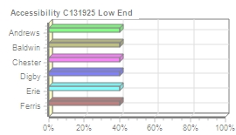
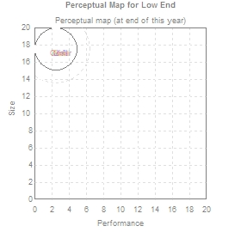

Low End Segment Analysis C131925 Round: 0 Dec. 31, 2021
Low End Statistics Total Industry Unit Demand 8,960 Actual Industry Unit Sales |8,960 Segment % of Total Industry |39.3% Next Year's Segment Growth Rate |11.7% Low End Customer Buying Criteria Expectations Importance 1. Price $15.00 - 25.00 53% 2. Age Ideal Age = 7.0 24% 3. Ideal Position Pfmn 1.7 Size 18.3 16% 4. Reliability MTBF 12000-17000 7%

Top Products in Low End Segment
Name Acre Bead Cedar Dell Ebb Feat | Market Share 17% 17% 17% 17% 17% 17% | Units Sold to Seg 1,493 1,493 1,493 1,493 1,493 1,493 | Revision Date 5/25/2017 5/25/2017 5/25/2017 5/25/2017 5/25/2017 5/25/2017 | Stock Out | Pfmn Coord 3.0 3.0 3.0 3.0 3.0 3.0 | Size Coord 17.0 17.0 17.0 17.0 17.0 17.0 | List Age Price MTBF Dec.31 $21.00 14000 4.60 $21.00 14000 4.60 $21.00 14000 4.60 $21.00 14000 4.60 $21.00 14000 4.60 $21.00 14000 4.60 | Promo Budget $900 $900 $900 $900 $900 $900 | Cust. A□ware- n□ess 52% 52% 52% 52% 52% 52% | Sales Budget $900 $900 $900 $900 $900 $900 | Cust. A□ccess- ibility 40% 40% 40% 40% 40% 40% | Dec. □Cust S□urvey 12 12 12 12 12 12
CAPSTONE ® COURIER Page 6

Table 7
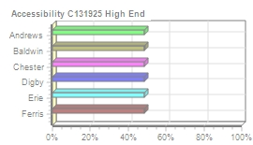
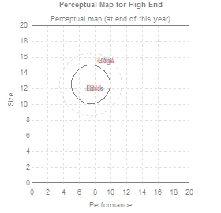

High End Segment Analysis C131925 Round: 0 Dec. 31, 2021
High End Statistics Total Industry Unit Demand 2,554 Actual Industry Unit Sales |2,554 Segment % of Total Industry |11.2% Next Year's Segment Growth Rate |16.2% High End Customer Buying Criteria Expectations Importance 1. Ideal Position Pfmn 8.9 Size 11.1 43% 2. Age Ideal Age = 0.0 29% 3. Reliability MTBF 20000-25000 19% 4. Price $30.00 - 40.00 9%

Top Products in High End Segment
Name Adam Bid Cid Duck Echo Fist Aft Bold Coat Dot Edge Foam | Market Share 14% 14% 14% 14% 14% 14% 2% 2% 2% 2% 2% 2% | Units Sold to Seg 366 366 366 366 366 366 41 41 41 41 41 41 | Revision Date 4/18/2020 4/18/2020 4/18/2020 4/18/2020 4/18/2020 4/18/2020 6/30/2019 6/30/2019 6/30/2019 6/30/2019 6/30/2019 6/30/2019 | Stock Out | Pfmn Coord 8.0 8.0 8.0 8.0 8.0 8.0 9.4 9.4 9.4 9.4 9.4 9.4 | Size Coord 12.0 12.0 12.0 12.0 12.0 12.0 15.5 15.5 15.5 15.5 15.5 15.5 | List Price $38.00 $38.00 $38.00 $38.00 $38.00 $38.00 $33.00 $33.00 $33.00 $33.00 $33.00 $33.00 | MTBF 23000 23000 23000 23000 23000 23000 25000 25000 25000 25000 25000 25000 | Age Dec.31 1.70 1.70 1.70 1.70 1.70 1.70 2.50 2.50 2.50 2.50 2.50 2.50 | Promo Budget $800 $800 $800 $800 $800 $800 $700 $700 $700 $700 $700 $700 | Cust. A□ware- n□ess 49% 49% 49% 49% 49% 49% 46% 46% 46% 46% 46% 46% | Sales Budget $800 $800 $800 $800 $800 $800 $700 $700 $700 $700 $700 $700 | Cust. □Access- ibility 48% 48% 48% 48% 48% 48% 48% 48% 48% 48% 48% 48% | Dec. C□ust □Survey 21 21 21 21 21 21 2 2 2 2 2 2
CAPSTONE ® COURIER Page 7

Table 8
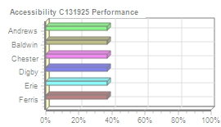
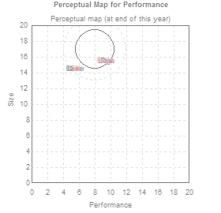

Performance Segment Analysi C131925 Round: 0 Dec. 31, 2021
Performance Statistics Total Industry Unit Demand 1,915 Actual Industry Unit Sales |1,915 Segment % of Total Industry |8.4% Next Year's Segment Growth Rate |19.8% Performance Customer Buying Criteria Expectations Importance 1. Reliability MTBF 22000-27000 43% 2. Ideal Position Pfmn 9.4 Size 16.0 29% 3. Price $25.00 - 35.00 19% 4. Age Ideal Age = 1.0 9%

Top Products in Performance Segment
Name Aft Bold Coat Dot Edge Foam Able Baker Cake Daze Eat Fast | Market Share 17% 17% 17% 17% 17% 17% 0% 0% 0% 0% 0% 0% | Units Sold to Seg 317 317 317 317 317 317 2 2 2 2 2 2 | Revision Date 6/30/2019 6/30/2019 6/30/2019 6/30/2019 6/30/2019 6/30/2019 11/21/2018 11/21/2018 11/21/2018 11/21/2018 11/21/2018 11/21/2018 | Stock Out | Pfmn Coord 9.4 9.4 9.4 9.4 9.4 9.4 5.5 5.5 5.5 5.5 5.5 5.5 | Size Coord 15.5 15.5 15.5 15.5 15.5 15.5 14.5 14.5 14.5 14.5 14.5 14.5 | List Price $33.00 $33.00 $33.00 $33.00 $33.00 $33.00 $28.00 $28.00 $28.00 $28.00 $28.00 $28.00 | MTBF 25000 25000 25000 25000 25000 25000 17500 17500 17500 17500 17500 17500 | Age Dec.31 2.50 2.50 2.50 2.50 2.50 2.50 3.10 3.10 3.10 3.10 3.10 3.10 | Promo Budget $700 $700 $700 $700 $700 $700 $1,000 $1,000 $1,000 $1,000 $1,000 $1,000 | Cust. □Aware- n□ess 46% 46% 46% 46% 46% 46% 55% 55% 55% 55% 55% 55% | Sales Budget $700 $700 $700 $700 $700 $700 $1,000 $1,000 $1,000 $1,000 $1,000 $1,000 | Cust. A□ccess- ibility 37% 37% 37% 37% 37% 37% 37% 37% 37% 37% 37% 37% | Dec. □Cust □Survey 20 20 20 20 20 20 0 0 0 0 0 0
CAPSTONE ® COURIER Page 8

Table 9
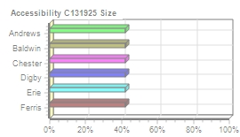
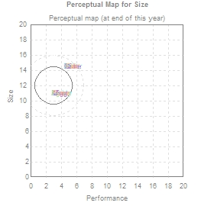
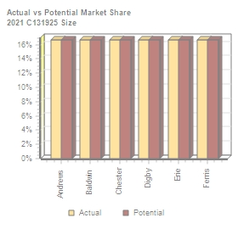
Size Segment Analysis C131925 Round: 0 Dec. 31, 2021
Size Statistics Total Industry Unit Demand 1,984 Actual Industry Unit Sales |1,984 Segment % of Total Industry |8.7% Next Year's Segment Growth Rate |18.3% Size Customer Buying Criteria Expectations Importance 1. Ideal Position Pfmn 4.0 Size 10.6 43% 2. Age Ideal Age = 1.5 29% 3. Reliability MTBF 16000-21000 19% 4. Price $25.00 - 35.00 9%

Top Products in Size Segment
Name Agape Buddy Cure Dune Egg Fume Able Baker Cake Daze Eat Fast | Market Share 15% 15% 15% 15% 15% 15% 1% 1% 1% 1% 1% 1% | Units Sold to Seg 307 307 307 307 307 307 24 24 24 24 24 24 | Revision Date 5/25/2019 5/25/2019 5/25/2019 5/25/2019 5/25/2019 5/25/2019 11/21/2018 11/21/2018 11/21/2018 11/21/2018 11/21/2018 11/21/2018 | Stock Out | Pfmn Coord 4.0 4.0 4.0 4.0 4.0 4.0 5.5 5.5 5.5 5.5 5.5 5.5 | Size Coord 11.0 11.0 11.0 11.0 11.0 11.0 14.5 14.5 14.5 14.5 14.5 14.5 | List Price $33.00 $33.00 $33.00 $33.00 $33.00 $33.00 $28.00 $28.00 $28.00 $28.00 $28.00 $28.00 | MTBF 19000 19000 19000 19000 19000 19000 17500 17500 17500 17500 17500 17500 | Age Dec.31 2.60 2.60 2.60 2.60 2.60 2.60 3.10 3.10 3.10 3.10 3.10 3.10 | Promo Budget $700 $700 $700 $700 $700 $700 $1,000 $1,000 $1,000 $1,000 $1,000 $1,000 | Cust. □Aware- n□ess 46% 46% 46% 46% 46% 46% 55% 55% 55% 55% 55% 55% | Sales Budget $700 $700 $700 $700 $700 $700 $1,000 $1,000 $1,000 $1,000 $1,000 $1,000 | Cust. A□ccess- ibility 42% 42% 42% 42% 42% 42% 42% 42% 42% 42% 42% 42% | Dec. □Cust □Survey 27 27 27 27 27 27 2 2 2 2 2 2
CAPSTONE ® COURIER Page 9

Table 10
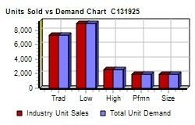
Market Share |  |  |  |  |  |  | C131925 Round: 0 Dec. 31, 2021
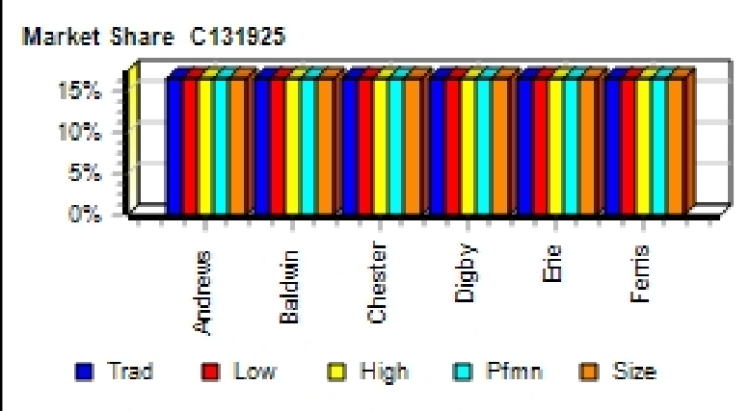
Actual Market Share in Units |  |  |  |  |  |  | Potential Market Share in Units
 | Trad | Low | High | Pfmn | Size | Total |  | Trad | Low | High | Pfmn | Size | Total
Industry Unit Sales | 7,387 | 8,960 | 2,554 | 1,915 | 1,984 | 22,800 | Units Demanded | 7,387 | 8,960 | 2,554 | 1,915 | 1,984 | 22,800
% of Market | 32.4% | 39.3% | 11.2% | 8.4% | 8.7% | 100.0% | % of Market | 32.4% | 39.3% | 11.2% | 8.4% | 8.7% | 100.0%
Able | 13.0% |  | 0.4% | 0.1% | 1.2% | 4.4% | Able | 13.0% |  | 0.5% |  | 1.2% | 4.4%
Acre | 3.6% | 16.7% |  |  |  | 7.7% | Acre | 3.7% | 16.7% |  |  |  | 7.7%
Adam |  |  | 14.3% |  |  | 1.6% | Adam |  |  | 14.3% |  |  | 1.6%
Aft |  |  | 1.6% | 16.5% |  | 1.6% | Aft |  |  | 1.6% | 16.5% |  | 1.6%
Agape |  |  | 0.3% |  | 15.5% | 1.4% | Agape |  |  | 0.3% |  | 15.5% | 1.4%
Total | 16.7% | 16.7% | 16.7% | 16.7% | 16.7% | 16.7% | Total | 16.7% | 16.7% | 16.7% | 16.7% | 16.7% | 16.7%
Baker | 13.0% |  | 0.4% | 0.1% | 1.2% | 4.4% | Baker | 13.0% |  | 0.5% |  | 1.2% | 4.4%
Bead | 3.6% | 16.7% |  |  |  | 7.7% | Bead | 3.7% | 16.7% |  |  |  | 7.7%
Bid |  |  | 14.3% |  |  | 1.6% | Bid |  |  | 14.3% |  |  | 1.6%
Bold |  |  | 1.6% | 16.5% |  | 1.6% | Bold |  |  | 1.6% | 16.5% |  | 1.6%
Buddy |  |  | 0.3% |  | 15.5% | 1.4% | Buddy |  |  | 0.3% |  | 15.5% | 1.4%
Total | 16.7% | 16.7% | 16.7% | 16.7% | 16.7% | 16.7% | Total | 16.7% | 16.7% | 16.7% | 16.7% | 16.7% | 16.7%
Cake | 13.0% |  | 0.4% | 0.1% | 1.2% | 4.4% | Cake | 13.0% |  | 0.5% |  | 1.2% | 4.4%
Cedar | 3.6% | 16.7% |  |  |  | 7.7% | Cedar | 3.7% | 16.7% |  |  |  | 7.7%
Cid |  |  | 14.3% |  |  | 1.6% | Cid |  |  | 14.3% |  |  | 1.6%
Coat |  |  | 1.6% | 16.5% |  | 1.6% | Coat |  |  | 1.6% | 16.5% |  | 1.6%
Cure |  |  | 0.3% |  | 15.5% | 1.4% | Cure |  |  | 0.3% |  | 15.5% | 1.4%
Total | 16.7% | 16.7% | 16.7% | 16.7% | 16.7% | 16.7% | Total | 16.7% | 16.7% | 16.7% | 16.7% | 16.7% | 16.7%
Daze | 13.0% |  | 0.4% | 0.1% | 1.2% | 4.4% | Daze | 13.0% |  | 0.5% |  | 1.2% | 4.4%
Dell | 3.6% | 16.7% |  |  |  | 7.7% | Dell | 3.7% | 16.7% |  |  |  | 7.7%
Duck |  |  | 14.3% |  |  | 1.6% | Duck |  |  | 14.3% |  |  | 1.6%
Dot |  |  | 1.6% | 16.5% |  | 1.6% | Dot |  |  | 1.6% | 16.5% |  | 1.6%
Dune |  |  | 0.3% |  | 15.5% | 1.4% | Dune |  |  | 0.3% |  | 15.5% | 1.4%
Total | 16.7% | 16.7% | 16.7% | 16.7% | 16.7% | 16.7% | Total | 16.7% | 16.7% | 16.7% | 16.7% | 16.7% | 16.7%
Eat | 13.0% |  | 0.4% | 0.1% | 1.2% | 4.4% | Eat | 13.0% |  | 0.5% |  | 1.2% | 4.4%
Ebb | 3.6% | 16.7% |  |  |  | 7.7% | Ebb | 3.7% | 16.7% |  |  |  | 7.7%
Echo |  |  | 14.3% |  |  | 1.6% | Echo |  |  | 14.3% |  |  | 1.6%
Edge |  |  | 1.6% | 16.5% |  | 1.6% | Edge |  |  | 1.6% | 16.5% |  | 1.6%
Egg |  |  | 0.3% |  | 15.5% | 1.4% | Egg |  |  | 0.3% |  | 15.5% | 1.4%
Total | 16.7% | 16.7% | 16.7% | 16.7% | 16.7% | 16.7% | Total | 16.7% | 16.7% | 16.7% | 16.7% | 16.7% | 16.7%
Fast | 13.0% |  | 0.4% | 0.1% | 1.2% | 4.4% | Fast | 13.0% |  | 0.5% |  | 1.2% | 4.4%
Feat | 3.6% | 16.7% |  |  |  | 7.7% | Feat | 3.7% | 16.7% |  |  |  | 7.7%
Fist |  |  | 14.3% |  |  | 1.6% | Fist |  |  | 14.3% |  |  | 1.6%
Foam |  |  | 1.6% | 16.5% |  | 1.6% | Foam |  |  | 1.6% | 16.5% |  | 1.6%
Fume |  |  | 0.3% |  | 15.5% | 1.4% | Fume |  |  | 0.3% |  | 15.5% | 1.4%
Total | 16.7% | 16.7% | 16.7% | 16.7% | 16.7% | 16.7% | Total | 16.7% | 16.7% | 16.7% | 16.7% | 16.7% | 16.7%
CAPSTONE ® COURIER |  |  |  |  |  |  |  |  |  |  |  |  | Page 10

Table 11
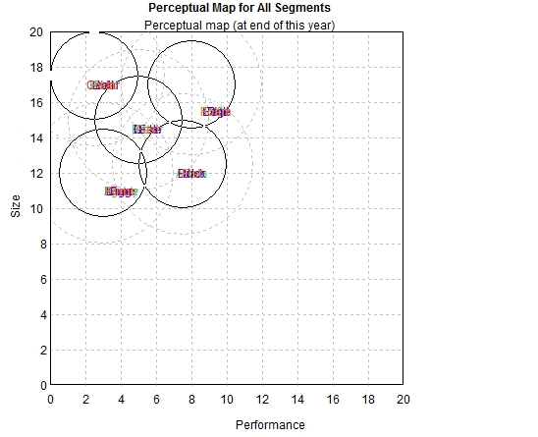
Perceptual Map |  |  |  |  |  |  |  | C131925 Round: 0 Dec. 31, 2021

Andrews |  |  |  |  | Baldwin |  |  | Chester
Name | Pfmn | Size | Revised | Name | Pfmn | Size | Revised | Name | Pfmn | Size | Revised
Able | 5.5 | 14.5 | 2018-11-21 | Baker | 5.5 | 14.5 | 2018-11-21 | Cake | 5.5 | 14.5 | 2018-11-21
Acre | 3.0 | 17.0 | 2017-05-25 | Bead | 3.0 | 17.0 | 2017-05-25 | Cedar | 3.0 | 17.0 | 2017-05-25
Adam | 8.0 | 12.0 | 2020-04-18 | Bid | 8.0 | 12.0 | 2020-04-18 | Cid | 8.0 | 12.0 | 2020-04-18
Aft | 9.4 | 15.5 | 2019-06-30 | Bold | 9.4 | 15.5 | 2019-06-30 | Coat | 9.4 | 15.5 | 2019-06-30
Agape | 4.0 | 11.0 | 2019-05-25 | Buddy | 4.0 | 11.0 | 2019-05-25 | Cure | 4.0 | 11.0 | 2019-05-25
Digby |  |  |  |  | Erie |  |  | Ferris
Name | Pfmn | Size | Revised | Name | Pfmn | Size | Revised | Name | Pfmn | Size | Revised
Daze | 5.5 | 14.5 | 2018-11-21 | Eat | 5.5 | 14.5 | 2018-11-21 | Fast | 5.5 | 14.5 | 2018-11-21
Dell | 3.0 | 17.0 | 2017-05-25 | Ebb | 3.0 | 17.0 | 2017-05-25 | Feat | 3.0 | 17.0 | 2017-05-25
Duck | 8.0 | 12.0 | 2020-04-18 | Echo | 8.0 | 12.0 | 2020-04-18 | Fist | 8.0 | 12.0 | 2020-04-18
Dot | 9.4 | 15.5 | 2019-06-30 | Edge | 9.4 | 15.5 | 2019-06-30 | Foam | 9.4 | 15.5 | 2019-06-30
Dune | 4.0 | 11.0 | 2019-05-25 | Egg | 4.0 | 11.0 | 2019-05-25 | Fume | 4.0 | 11.0 | 2019-05-25
CAPSTONE ® COURIER |  |  |  |  |  |  |  | Page 11

Table 14
Annual Report
Annual Report | Chester | C131925 | Round: 0 Dec. 31, 2021
Balance Sheet
DEFINITIONS: Common Size: The common size column | ASSETS Cash Account Receivable Inventory Total Current Assets Plant & Equipment Accumulated Depreciation Total Fixed Assets Total Assets LIABILITIES & OWNERS □EQUITY Accounts Payable Current Debt Long Term Debt Total Liabilities Common Stock Retained Earnings Total Equity Total Liab. & O. Equity |  | $3,434 $8,307 $8,617 $113,800 ($37,933) $6,583 $0 $41,700 $18,360 $29,582 | $20,358 $75,867 $96,225 $48,283 $47,942 $96,225
simply represents each item as a percentage of total
assets for that year. Cash: Your end-of-year cash
position. Accounts Receivable: Reflects the lag between
delivery and payment of your products. Inventories: The
current value of your inventory across all products. A zero
indicates your company stocked out. Unmet demand
would, of course, fall to your competitors. Plant &
Equipment: The current value of your plant. Accum
Deprec: The total accumulated depreciation from your
plant. Accts Payable: What the company currently owes
suppliers for materials and services. Current Debt: The
debt the company is obligated to pay during the next year
of operations. It includes emergency loans used to keep
your company solvent should you run out of cash during
the year. Long Term Debt: The companys long term debt
is in the form of bonds, and this represents the total value
of your bonds. Common Stock: The amount of capital
invested by shareholders in the company. Retained
Earnings: The profits that the company chose to keep
instead of paying to shareholders as dividends.
Cash Flow Statement
The Cash Flow Statement examines what happened in the Cash Account |  | Cash Flows from Operating Activities Net Income(Loss) Depreciation Extraordinary gains/losses/writeoffs Accounts Payable Inventory Accounts Receivable Net cash from operation Cash Flows from Investing Activities | 2021 $4,189 $7,587 $0 $3,583 ($8,617) ($307) $6,434
during the year. Cash injections appear as positive numbers and cash
withdrawals as negative numbers. The Cash Flow Statement is an excellent
tool for diagnosing emergency loans. When negative cash flows exceed
positives, you are forced to seek emergency funding. For example, if sales
are bad and you find yourself carrying an abundance of excess inventory,
the report would show the increase in inventory as a huge negative cash
flow. Too much unexpected inventory could outstrip your inflows, exhaust
your starting cash and force you to beg for money to keep your company
afloat.
 |  | Plant Improvements | $0
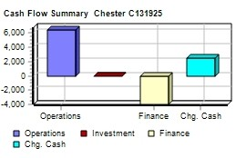
 |  | Cash Flows from Financing Activities
 |  | Dividends paid | ($4,000)
 |  | Sales of common stock | $0
 |  | Purchase of common stock | $0
 |  | Cash from long term debt | $0
 |  | Retirement of long term debt | $0
 |  | Change in current debt(net) | $0
 |  | Net cash from financing activities | ($4,000)
 |  | Net change in cash position | $2,434
 |  | Closing cash position | $3,434
Annual Report |  |  | Page 14

Table 15
Annual Report Chester C131925 Dec. Round: 0 31, 2021
2021 Income Statement
(Product Name) | Cake | Cedar | Cid | Coat | Cure |  |  |  | 2021 Total | Common □Size
Sales | $27,979 | $37,027 | $13,894 | $11,817 | $10,356 | $0 | $0 | $0 | $101,073 | 100.0%
Variable Costs:
Direct Labor | $7,489 | $12,557 | $3,132 | $3,067 | $2,688 | $0 | $0 | $0 | $28,932 | 28.6%
Direct Material | $11,967 | $14,348 | $6,001 | $5,829 | $4,401 | $0 | $0 | $0 | $42,546 | 42.1%
Inventory Carry | $441 | $71 | $121 | $231 | $169 | $0 | $0 | $0 | $1,034 | 1.0%
Total Variable | $19,897 | $26,977 | $9,254 | $9,127 | $7,258 | $0 | $0 | $0 | $72,513 | 71.7%
Contribution Margin | $8,082 | $10,051 | $4,640 | $2,689 | $3,099 | $0 | $0 | $0 | $28,561 | 28.3%
Period Costs:
Depreciation | $2,640 | $2,427 | $1,080 | $720 | $720 | $0 | $0 | $0 | $7,587 | 7.5%
SG&A: R&D | $0 | $0 | $0 | $0 | $0 | $0 | $0 | $0 | $0 | 0.0%
Promotions | $1,000 | $900 | $800 | $700 | $700 | $0 | $0 | $0 | $4,100 | 4.1%
Sales | $1,000 | $900 | $800 | $700 | $700 | $0 | $0 | $0 | $4,100 | 4.1%
Admin | $215 | $285 | $107 | $91 | $80 | $0 | $0 | $0 | $778 | 0.8%
Total Period | $4,855 | $4,512 | $2,787 | $2,211 | $2,200 | $0 | $0 | $0 | $16,564 | 16.4%
Net Margin | $3,227 | $5,539 | $1,853 | $478 | $899 | $0 | $0 | $0 | $11,996 | 11.9%
Definitions: Sales: Unit Sales times list price. Direct Labor: Labor costs incurred to produce the product |  |  |  |  |  | Other |  |  | $0 | 0.0%
that was sold. Inventory Carry Cost: the cost unsold goods in inventory. Depreciation: Calculated on |  |  |  |  |  | EBIT |  |  | $11,996 | 11.9%
straight-line. 15-year depreciation of plant value. R&D Costs: R&D department expenditures for each |  |  |  |  |  | Short Term Interest |  |  | $0 | 0.0%
product. Admin: Administration overhead is estimated at 1.5% of sales. Promotions: The promotion budget |  |  |  |  |  | Long Term Interest |  |  | $5,421 | 5.4%
for each product. Sales: The sales force budget for each product. Other: Chargs not included in other |  |  |  |  |  | Taxes |  |  | $2,301 | 2.3%
categories such as Fees, Write offs, and TQM. The fees include money paid to investment bankers and |  |  |  |  |  | Profit Sharing |  |  | $85 | 0.1%
brokerage firms to issue new stocks or bonds plus consulting fees your instructor might assess. Write-offs |  |  |  |  |  | Net Profit |  |  | $4,189 | 4.1%
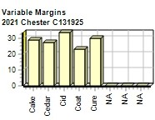
include the loss you might experience when you sell capacity or liquidate inventory as the result of
eliminating a production line. If the amount appears as a negative amount, then you actually made money
on the liquidation of capacity or inventory. EBIT: Earnings Before Interest and Taxes. Short Term Interest:
Interest expense based on last years current debt, including short term debt, long term notes that have
become due, and emergency loans, Long Term Interest: Interest paid on outstanding bonds. Taxes:
Income tax based upon a 35% tax rate. Profit Sharing: Profits shared with employees under the labor
contract. Net Profit: EBIT minus interest, taxes, and profit sharing.

Annual Report |  |  |  |  |  |  |  |  |  | Page 15

