Table 1
Round: 1 Dec. 31, 2022 |  |  |  |  |  |  | C131925
Andrews |  | Baldwin |  |  |  | Chester
Sornnarin Bangkedph |  | Wisit Wirojrungson |  |  |  | Marko Heinelo
Sutthipong Kultungk |  | Rachaneewan Leekanc |  |  |  | Pasan Opaschaitat
Thitiwat Pakaphongp |  | Santi Mualkijnitaya |  |  |  | Kanlaya Rattanyu
Pathumma Sitthikorn |  | Vikorn Phongsathorn |  |  |  | Santi Tangsakul
Sophak Srilam |  | Ponglar Porntheeran |  |  |  | Sunee Techakulung
Wararee Toah-ngern |  | Banphot Wongvisavak |  |  |  | Thongchai Theantong
Digby |  | Erie |  |  |  | Ferris
Sakarin Yuktanonda |  | Phungjai Tinnasulan |  |  |  | Apiram Udomrattanac
Supanee Armstrong |  | Wongkanok Kanoktana
Chayapol Boonlert |  | Fa-um Phengsri
Surachet Chaipet |  | Thanapol Ratanaboon
Akawut Chuenchom |  | Niti Saengchomphu
Noppakao Loykhwamsu |  | Norraron Treecheewa
Selected Financial Statistics
 | Andrews | Baldwin | Chester | Digby |  |  | Erie | Ferris
ROS | 0.8% | 4.4% | 1.0% | 4.4% |  |  | 2.6% | 4.9%
Asset Turnover | 0.91 | 0.96 | 0.85 | 0.90 |  |  | 1.07 | 0.96
ROA | 0.7% | 4.2% | 0.8% | 3.9% |  |  | 2.8% | 4.8%
Leverage | 2.4 | 2.1 | 2.4 | 3.1 |  |  | 2.3 | 2.0
ROE | 1.8% | 8.8% | 2.0% | 12.3% |  |  | 6.4% | 9.3%
Emergency Loan | $21,526,182 | $0 | $4,696,899 | $55,007,912 |  |  | $17,376,074 | $0
Sales | $105,066,052 | $126,506,412 | $119,261,107 | $153,505,999 |  |  | $127,008,017 | $90,654,756
EBIT | $9,794,349 | $16,277,659 | $10,227,799 | $25,266,563 |  |  | $13,298,953 | $12,224,276
Profits | $849,259 | $5,565,252 | $1,154,056 | $6,721,119 |  |  | $3,284,494 | $4,484,834
Cumulative Profit | $5,037,767 | $9,753,759 | $5,342,564 | $10,909,626 |  |  | $7,473,001 | $8,673,341
SG&A / Sales | 12.1% | 12.3% | 13.2% | 4.5% |  |  | 11.7% | 10.7%
Contrib. Margin % | 29.6% | 32.9% | 31.3% | 26.9% |  |  | 28.9% | 32.4%
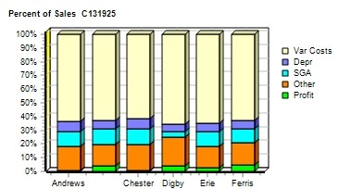 |  |  |  |  | 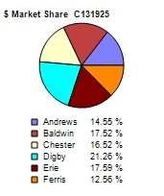
CAPSTONE ® COURIER |  |  |  |  |  |  | Page 1

Table 2
Stock & Bonds C131925 Round: 1 Dec. 31, 2022
Stock Market Summary
Company | Close Change | Shares MarketCap Book Value ($M) Per Share |  | EPS Dividend |  | Yield | P/E
Andrews | $21.09 ($13.16) | 2,000,000 $42 $24.15 |  | $0.42 $0.25 |  | 1.2% | 49.6
Baldwin | $41.18 $6.93 | 2,291,939 $94 $27.71 |  | $2.43 $0.00 |  | 0.0% | 16.9
Chester | $30.13 ($4.12) | 2,291,939 $69 $25.78 |  | $0.50 $0.00 |  | 0.0% | 59.7
Digby | $16.10 ($18.16) | 2,000,000 $32 $27.33 |  | $3.36 $0.00 |  | 0.0% | 4.8
Erie | $28.04 ($6.21) | 2,000,000 $56 $25.61 |  | $1.64 $0.00 |  | 0.0% | 17.1
Ferris | $39.13 $4.88 | 2,000,000 $78 $24.03 |  | $2.24 $2.18 |  | 5.6% | 17.4
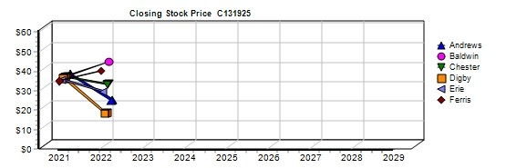
Bond Market Summary
Company | Series# Face | Yield Close$ S&P | Company Series# | Face | Yield | Close$ | S&P
Andrews |  |  | Digby
 | 11.0S2023 $3,934,570 | 11.2% 98.58 CC | 11.0S2023 | $6,950,000 | 11.2% | 97.97 | C
 | 12.5S2025 $13,900,000 | 12.5% 99.76 CC | 12.5S2025 | $13,900,000 | 12.7% | 98.12 | C
 | 14.0S2027 $20,850,000 | 13.3% 104.97 CC | 14.0S2027 | $20,850,000 | 13.7% | 102.44 | C
Baldwin |  |  | 11.3S2032 | $6,000,000 | 12.7% | 89.28 | C
 | 11.0S2023 $6,950,000 | 11.1% 99.11 CCC | Erie
 | 12.5S2025 $13,900,000 | 12.4% 101.20 CCC | 11.0S2023 | $6,950,000 | 11.1% | 98.67 | CC
 | 14.0S2027 $20,850,000 | 13.1% 107.21 CCC | 12.5S2025 | $13,900,000 | 12.5% | 100.00 | CC
 | 11.3S2032 $10,000,000 | 11.8% 96.05 CCC | 14.0S2027 | $20,850,000 | 13.3% | 105.34 | CC
Chester |  |  | Ferris
 | 12.5S2025 $9,044,067 | 12.5% 99.76 CC | 12.5S2025 | $9,121,700 | 12.2% | 102.18 | B
 | 14.0S2027 $20,850,000 | 13.3% 104.97 CC | 14.0S2027 | $20,850,000 | 12.9% | 108.74 | B
 | 11.3S2032 $18,990,000 | 12.2% 92.83 CC
Next Year's Prime Rate7.50%
CAPSTONE ® COURIER Page 2

Table 4
Production Analysis C131925 Round: 1 Dec. 31, 2022
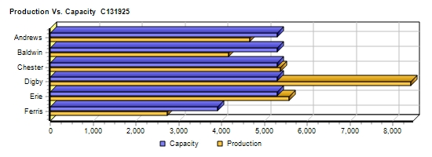
 |  |  |  |  |  |  |  |  |  |  |  | 2nd
 |  |  |  |  |  |  |  |  |  |  |  | Shift | Auto
 |  | Unit |  |  |  |  |  |  |  |  |  | & | mation | Capacity
Primary | Units | Inven | Revision | Age |  | Pfmn | Size |  | Material | Labor | Contr. | Over- | Next | Next | Plant
Name Segment | Sold | tory | Date | Dec.31 | MTBF | Coord | Coord | Price | C□ost | □Cost | Marg. | time | Round | Round | Utiliz.
Able Trad | 1,319 | 652 | 11/21/2018 | 4.1 | 17500 | 5.5 | 14.5 | $28.00 | $10.65 | $7.85 | 28% | 0% | 4.5 | 1,800 | 99%
Acre Low | 1,425 | 0 | 5/25/2017 | 5.6 | 14000 | 3.0 | 17.0 | $21.00 | $7.05 | $6.73 | 33% | 0% | 6.0 | 1,400 | 99%
Adam High | 433 | 310 | 5/6/2023 | 2.7 | 23000 | 8.0 | 12.0 | $38.00 | $14.84 | $8.97 | 31% | 0% | 3.0 | 900 | 78%
Aft Pfmn | 393 | 51 | 6/30/2019 | 3.5 | 25000 | 9.4 | 15.5 | $33.00 | $14.81 | $8.97 | 25% | 0% | 4.0 | 600 | 61%
Agape Size | 266 | 212 | 5/25/2019 | 3.6 | 19000 | 4.0 | 11.0 | $33.00 | $12.60 | $8.97 | 27% | 0% | 4.0 | 600 | 69%
Baker Trad | 1,377 | 0 | 3/17/2022 | 2.4 | 17500 | 5.7 | 14.3 | $29.50 | $10.85 | $7.85 | 35% | 0% | 4.0 | 1,800 | 66%
Bead Low | 1,722 | 0 | 5/25/2017 | 5.6 | 14000 | 3.0 | 17.0 | $20.50 | $7.05 | $7.29 | 29% | 21% | 7.0 | 1,600 | 120%
Bid High | 466 | 69 | 1/31/2024 | 2.7 | 23000 | 8.0 | 12.0 | $39.50 | $14.84 | $8.97 | 38% | 0% | 3.0 | 900 | 55%
Bold Pfmn | 474 | 0 | 9/1/2022 | 1.9 | 27000 | 10.4 | 15.9 | $34.50 | $15.96 | $8.97 | 29% | 0% | 3.0 | 600 | 66%
Buddy Size | 458 | 0 | 6/11/2022 | 2.1 | 20000 | 4.5 | 10.4 | $34.50 | $13.44 | $8.97 | 35% | 0% | 3.0 | 600 | 66%
Cake Trad | 1,282 | 647 | 5/5/2022 | 2.4 | 14000 | 5.7 | 14.3 | $29.50 | $9.80 | $8.04 | 33% | 0% | 6.0 | 1,800 | 97%
Cedar Low | 1,731 | 0 | 5/25/2017 | 5.6 | 14000 | 3.0 | 17.0 | $22.00 | $7.05 | $7.54 | 32% | 25% | 7.0 | 1,400 | 121%
Cid High | 521 | 293 | 4/18/2020 | 2.7 | 23000 | 8.0 | 12.0 | $39.50 | $14.84 | $9.19 | 34% | 0% | 3.0 | 900 | 86%
Coat Pfmn | 380 | 278 | 4/8/2023 | 3.5 | 25000 | 9.4 | 15.5 | $34.40 | $14.81 | $9.19 | 23% | 0% | 5.0 | 600 | 97%
Cure Size | 283 | 360 | 5/25/2019 | 3.6 | 19000 | 4.0 | 11.0 | $34.40 | $12.60 | $9.19 | 26% | 0% | 3.0 | 600 | 97%
Daze Trad | 1,520 | 2,234 | 3/17/2022 | 2.4 | 17500 | 5.7 | 14.3 | $28.00 | $10.85 | $9.70 | 13% | 100% | 5.0 | 1,800 | 198%
Dell Low | 2,811 | 0 | 1/29/2022 | 5.6 | 12000 | 3.0 | 17.0 | $24.00 | $6.45 | $8.32 | 37% | 100% | 6.0 | 1,600 | 198%
Duck High | 306 | 626 | 4/18/2020 | 2.7 | 23000 | 8.0 | 12.0 | $40.00 | $14.84 | $8.97 | 25% | 0% | 3.0 | 900 | 99%
Dot Pfmn | 499 | 173 | 5/3/2022 | 2.1 | 27000 | 9.9 | 15.5 | $33.00 | $15.74 | $8.97 | 22% | 0% | 3.0 | 600 | 99%
Dune Size | 449 | 208 | 5/12/2022 | 2.1 | 19000 | 4.5 | 10.5 | $33.00 | $13.08 | $8.97 | 29% | 0% | 3.0 | 600 | 99%
DeeNee | 0 | 0 | 7/12/2023 | 0.0 | 0 | 0.0 | 0.0 | $0.00 | $0.00 | $0.00 | 0% | 0% | 1.0 | 200 | 0%
Eat Trad | 1,479 | 492 | 5/22/2022 | 2.4 | 17500 | 6.0 | 14.0 | $29.00 | $11.16 | $7.85 | 31% | 0% | 5.0 | 1,800 | 99%
Ebb Low | 2,019 | 0 | 5/25/2017 | 5.6 | 14000 | 3.0 | 17.0 | $21.00 | $7.05 | $7.68 | 28% | 43% | 5.0 | 1,400 | 141%
Echo High | 462 | 470 | 7/31/2023 | 2.7 | 23000 | 8.0 | 12.0 | $38.00 | $14.84 | $8.97 | 28% | 0% | 4.0 | 900 | 99%
Edge Pfmn | 369 | 28 | 6/30/2019 | 3.5 | 25000 | 9.4 | 15.5 | $33.00 | $14.81 | $8.97 | 26% | 0% | 3.0 | 600 | 53%
Egg Size | 364 | 293 | 11/18/2022 | 1.9 | 19000 | 4.7 | 9.6 | $33.00 | $13.73 | $8.97 | 26% | 0% | 4.0 | 600 | 99%
Fast Trad | 1,625 | 0 | 3/26/2022 | 2.4 | 19000 | 5.4 | 14.6 | $28.00 | $11.00 | $7.85 | 32% | 0% | 5.0 | 1,800 | 80%
Fist High | 514 | 121 | 10/28/2022 | 1.4 | 24000 | 9.0 | 11.0 | $39.00 | $16.16 | $8.97 | 36% | 0% | 4.0 | 900 | 66%
Foam Pfmn | 324 | 50 | 5/11/2022 | 2.1 | 24000 | 9.0 | 16.0 | $34.00 | $14.10 | $8.97 | 28% | 0% | 4.0 | 600 | 50%
Fume Size | 415 | 44 | 7/29/2022 | 2.0 | 18000 | 4.2 | 10.0 | $34.00 | $13.02 | $8.97 | 34% | 0% | 4.0 | 600 | 66%
CAPSTONE ® COURIER |  |  |  |  |  |  |  |  |  |  |  |  |  |  | Page 4

Table 5
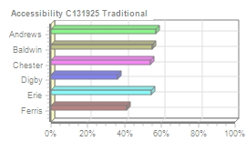
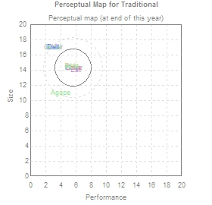
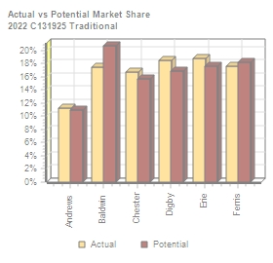
Traditional Segment Analysis C131925 Round: 1 Dec. 31, 2022
Traditional Statistics Total Industry Unit Demand 8,067 Actual Industry Unit Sales |8,067 Segment % of Total Industry |31.4% Next Year's Segment Growth Rate |9.2% Traditional Customer Buying Criteria Expectations Importance 1. Age Ideal Age = 2.0 47% 2. Price $19.50 - 29.50 23% 3. Ideal Position Pfmn 5.7 Size 14.3 21% 4. Reliability MTBF 14000-19000 9%

Top Products in Traditional Segment
Name Daze Eat Fast Baker Cake Able Ebb Cedar Bead Acre Dell Agape | Market Share 18% 17% 17% 16% 16% 10% 1% 1% 1% 1% 0% 0% | Units Sold to Seg 1,453 1,411 1,406 1,320 1,261 821 96 87 83 74 32 8 | Revision Date 3/17/2022 5/22/2022 3/26/2022 3/17/2022 5/5/2022 11/21/2018 5/25/2017 5/25/2017 5/25/2017 5/25/2017 1/29/2022 5/25/2019 | Stock Out YES YES YES YES YES YES YES | Pfmn Coord 5.7 6.0 5.4 5.7 5.7 5.5 3.0 3.0 3.0 3.0 3.0 4.0 | Size Coord 14.3 14.0 14.6 14.3 14.3 14.5 17.0 17.0 17.0 17.0 17.0 11.0 | List Price $28.00 $29.00 $28.00 $29.50 $29.50 $28.00 $21.00 $22.00 $20.50 $21.00 $24.00 $33.00 | MTBF 17500 17500 19000 17500 14000 17500 14000 14000 14000 14000 12000 19000 | Age Dec.31 2.44 2.35 2.43 2.44 2.38 4.10 5.60 5.60 5.60 5.60 5.60 3.60 | Promo Budget $1,000 $1,000 $750 $1,000 $1,000 $1,500 $1,500 $2,000 $1,000 $800 $0 $900 | Cust. □Aware- n□ess 58% 58% 50% 58% 58% 73% 71% 80% 56% 50% 35% 49% | Sales Budget $0 $1,000 $750 $1,200 $1,000 $1,500 $1,500 $1,500 $1,200 $800 $0 $900 | Cust. A□ccess- ibility 36% 54% 41% 55% 54% 57% 54% 54% 55% 57% 36% 57% | Dec. C□ust □Survey 28 33 30 33 27 11 1 1 1 1 0 0
CAPSTONE ® COURIER Page 5

Table 6
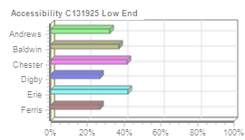
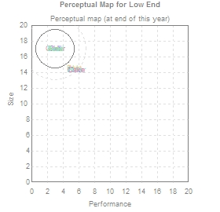
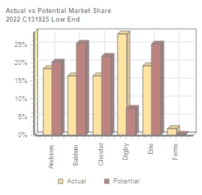
Low End Segment Analysis C131925 Round: 1 Dec. 31, 2022
Low End Statistics Total Industry Unit Demand 10,009 Actual Industry Unit Sales |10,009 Segment % of Total Industry |39.0% Next Year's Segment Growth Rate |11.7% Low End Customer Buying Criteria Expectations Importance 1. Price $14.50 - 24.50 53% 2. Age Ideal Age = 7.0 24% 3. Ideal Position Pfmn 2.2 Size 17.8 16% 4. Reliability MTBF 12000-17000 7%

Top Products in Low End Segment
Name Dell Ebb Cedar Bead Acre Able Fast Daze | Market Share 28% 19% 16% 16% 14% 5% 2% 0% | Units Sold to Seg 2,779 1,924 1,644 1,639 1,351 477 176 18 | Revision Date 1/29/2022 5/25/2017 5/25/2017 5/25/2017 5/25/2017 11/21/2018 3/26/2022 3/17/2022 | Stock Out YES YES YES YES YES YES | Pfmn Coord 3.0 3.0 3.0 3.0 3.0 5.5 5.4 5.7 | Size Coord 17.0 17.0 17.0 17.0 17.0 14.5 14.6 14.3 | List Age Price MTBF Dec.31 $24.00 12000 5.60 $21.00 14000 5.60 $22.00 14000 5.60 $20.50 14000 5.60 $21.00 14000 5.60 $28.00 17500 4.10 $28.00 19000 2.43 $28.00 17500 2.44 | Promo Budget $0 $1,500 $2,000 $1,000 $800 $1,500 $750 $1,000 | Cust. A□ware- n□ess 35% 71% 80% 56% 50% 73% 50% 58% | Sales Budget $0 $1,500 $1,500 $1,200 $800 $1,500 $750 $0 | Cust. □Access- ibility 27% 42% 42% 37% 32% 32% 27% 27% | Dec. C□ust □Survey 6 19 16 18 15 0 0 0
CAPSTONE ® COURIER Page 6

Table 7
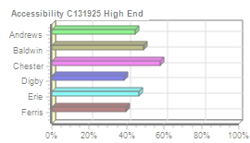
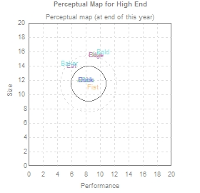
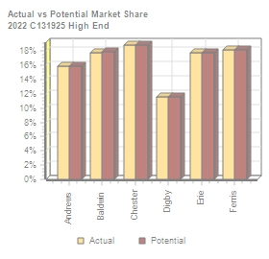
High End Segment Analysis C131925 Round: 1 Dec. 31, 2022
High End Statistics Total Industry Unit Demand 2,967 Actual Industry Unit Sales |2,967 Segment % of Total Industry |11.6% Next Year's Segment Growth Rate |16.2% High End Customer Buying Criteria Expectations Importance 1. Ideal Position Pfmn 9.8 Size 10.2 43% 2. Age Ideal Age = 0.0 29% 3. Reliability MTBF 20000-25000 19% 4. Price $29.50 - 39.50 9%

Top Products in High End Segment
Name Cid Fist Bid Echo Adam Duck Eat Coat Aft Edge Bold Baker | Market Share 18% 17% 16% 16% 15% 10% 1% 1% 1% 1% 1% 1% | Units Sold to Seg 521 514 466 462 433 306 37 31 29 28 28 28 | Revision Date 4/18/2020 10/28/2022 1/31/2024 7/31/2023 5/6/2023 4/18/2020 5/22/2022 4/8/2023 6/30/2019 6/30/2019 9/1/2022 3/17/2022 | Stock Out YES YES | Pfmn Coord 8.0 9.0 8.0 8.0 8.0 8.0 6.0 9.4 9.4 9.4 10.4 5.7 | Size Coord 12.0 11.0 12.0 12.0 12.0 12.0 14.0 15.5 15.5 15.5 15.9 14.3 | List Price $39.50 $39.00 $39.50 $38.00 $38.00 $40.00 $29.00 $34.40 $33.00 $33.00 $34.50 $29.50 | MTBF 23000 24000 23000 23000 23000 23000 17500 25000 25000 25000 27000 17500 | Age Dec.31 2.70 1.43 2.70 2.70 2.70 2.70 2.35 3.50 3.50 3.50 1.91 2.44 | Promo Budget $1,600 $750 $1,200 $1,200 $1,000 $0 $1,000 $1,000 $700 $500 $1,000 $1,000 | Cust. A□ware- n□ess 71% 46% 60% 60% 54% 33% 58% 52% 42% 37% 52% 58% | Sales Budget $2,000 $750 $1,200 $1,200 $1,000 $1,000 $1,000 $500 $700 $500 $1,200 $1,200 | Cust. A□ccess- ibility 58% 40% 49% 47% 45% 39% 47% 58% 45% 47% 49% 49% | Dec. □Cust □Survey 9 24 8 8 8 5 1 0 0 0 0 0
CAPSTONE ® COURIER Page 7

Table 8
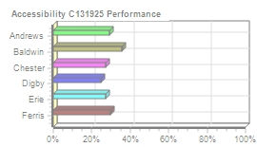
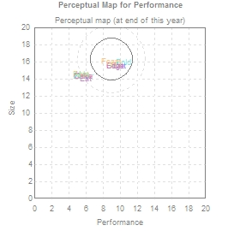
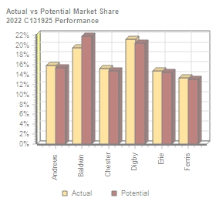
Performance Segment Analysi C131925 Round: 1 Dec. 31, 2022
Performance Statistics Total Industry Unit Demand 2,294 Actual Industry Unit Sales |2,294 Segment % of Total Industry |8.9% Next Year's Segment Growth Rate |19.8% Performance Customer Buying Criteria Expectations Importance 1. Reliability MTBF 22000-27000 43% 2. Ideal Position Pfmn 10.4 Size 15.3 29% 3. Price $24.50 - 34.50 19% 4. Age Ideal Age = 1.0 9%

Top Products in Performance Segment
Name Dot Bold Aft Coat Edge Foam Fast Daze Eat Baker Able | Market Share 21% 19% 16% 15% 15% 13% 0% 0% 0% 0% 0% | Units Sold to Seg 485 446 363 348 340 304 4 1 1 1 1 | Revision Date 5/3/2022 9/1/2022 6/30/2019 4/8/2023 6/30/2019 5/11/2022 3/26/2022 3/17/2022 5/22/2022 3/17/2022 11/21/2018 | Stock Out YES YES YES | Pfmn Coord 9.9 10.4 9.4 9.4 9.4 9.0 5.4 5.7 6.0 5.7 5.5 | Size Coord 15.5 15.9 15.5 15.5 15.5 16.0 14.6 14.3 14.0 14.3 14.5 | List Price $33.00 $34.50 $33.00 $34.40 $33.00 $34.00 $28.00 $28.00 $29.00 $29.50 $28.00 | MTBF 27000 27000 25000 25000 25000 24000 19000 17500 17500 17500 17500 | Age Dec.31 2.08 1.91 3.50 3.50 3.50 2.07 2.43 2.44 2.35 2.44 4.10 | Promo Budget $0 $1,000 $700 $1,000 $500 $750 $750 $1,000 $1,000 $1,000 $1,500 | Cust. □Aware- n□ess 30% 52% 42% 52% 37% 44% 50% 58% 58% 58% 73% | Sales Budget $0 $1,200 $700 $500 $500 $750 $750 $0 $1,000 $1,200 $1,500 | Cust. □Access- ibility 25% 36% 29% 27% 27% 30% 30% 25% 27% 36% 29% | Dec. C□ust □Survey 25 33 15 14 14 11 0 0 0 0 0
CAPSTONE ® COURIER Page 8

Table 9
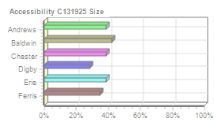
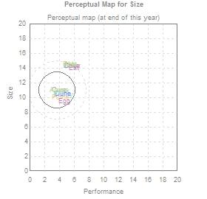
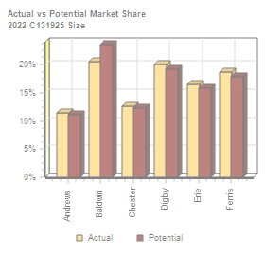
Size Segment Analysis C131925 Round: 1 Dec. 31, 2022
Size Statistics Total Industry Unit Demand 2,347 Actual Industry Unit Sales |2,347 Segment % of Total Industry |9.1% Next Year's Segment Growth Rate |18.3% Size Customer Buying Criteria Expectations Importance 1. Ideal Position Pfmn 4.7 Size 9.6 43% 2. Age Ideal Age = 1.5 29% 3. Reliability MTBF 16000-21000 19% 4. Price $24.50 - 34.50 9%

Top Products in Size Segment
Name Buddy Dune Fume Egg Cure Agape Eat Daze Baker Fast Cake Able | Market Share 19% 19% 18% 15% 12% 11% 1% 1% 1% 1% 1% 1% | Units Sold to Seg 454 442 414 358 282 258 29 29 28 26 15 12 | Revision Date 6/11/2022 5/12/2022 7/29/2022 11/18/2022 5/25/2019 5/25/2019 5/22/2022 3/17/2022 3/17/2022 3/26/2022 5/5/2022 11/21/2018 | Stock Out YES YES YES | Pfmn Coord 4.5 4.5 4.2 4.7 4.0 4.0 6.0 5.7 5.7 5.4 5.7 5.5 | Size Coord 10.4 10.5 10.0 9.6 11.0 11.0 14.0 14.3 14.3 14.6 14.3 14.5 | List Price $34.50 $33.00 $34.00 $33.00 $34.40 $33.00 $29.00 $28.00 $29.50 $28.00 $29.50 $28.00 | MTBF 20000 19000 18000 19000 19000 19000 17500 17500 17500 19000 14000 17500 | Age Dec.31 2.08 2.12 2.01 1.85 3.60 3.60 2.35 2.44 2.44 2.43 2.38 4.10 | Promo Budget $1,000 $1,000 $750 $1,000 $1,600 $900 $1,000 $1,000 $1,000 $750 $1,000 $1,500 | Cust. □Aware- □ness 52% 52% 44% 52% 69% 49% 58% 58% 58% 50% 58% 73% | Sales Budget $1,200 $0 $750 $1,000 $1,000 $900 $1,000 $0 $1,200 $750 $1,000 $1,500 | Cust. A□ccess- ibility 42% 28% 34% 39% 39% 39% 39% 28% 42% 34% 39% 39% | Dec. C□ust S□urvey 31 22 24 37 7 7 1 1 1 0 0 0
CAPSTONE ® COURIER Page 9

Table 10
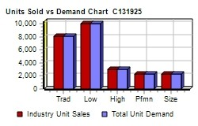
Market Share |  |  |  |  |  |  | C131925 Round: 1 Dec. 31, 2022
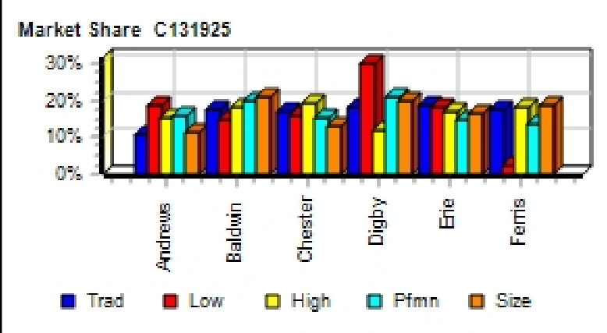
Actual Market Share in Units |  |  |  |  |  |  | Potential Market Share in Units
 | Trad | Low | High | Pfmn | Size | Total |  | Trad | Low | High | Pfmn | Size | Total
Industry Unit Sales | 8,067 | 10,009 | 2,967 | 2,294 | 2,347 | 25,684 | Units Demanded | 8,067 | 10,009 | 2,967 | 2,294 | 2,347 | 25,684
% of Market | 31.4% | 39.0% | 11.6% | 8.9% | 9.1% | 100.0% | % of Market | 31.4% | 39.0% | 11.6% | 8.9% | 9.1% | 100.0%
Able | 10.2% | 4.8% | 0.3% |  | 0.5% | 5.1% | Able | 9.5% | 0.2% | 0.3% |  | 0.5% | 3.1%
Acre | 0.9% | 13.5% |  |  |  | 5.5% | Acre | 1.4% | 20.0% |  |  |  | 8.2%
Adam |  |  | 14.6% |  |  | 1.7% | Adam |  |  | 14.6% |  |  | 1.7%
Aft |  |  | 1.0% | 15.8% |  | 1.5% | Aft |  |  | 1.0% | 15.4% |  | 1.5%
Agape |  |  |  |  | 11.0% | 1.0% | Agape |  |  |  |  | 10.7% | 1.0%
Total | 11.2% | 18.3% | 15.9% | 15.9% | 11.5% | 14.9% | Total | 10.9% | 20.2% | 15.8% | 15.4% | 11.2% | 15.5%
Baker | 16.4% |  | 0.9% |  | 1.2% | 5.4% | Baker | 19.1% |  | 1.1% |  | 1.4% | 6.3%
Bead | 1.0% | 16.4% |  |  |  | 6.7% | Bead | 1.6% | 25.3% |  |  |  | 10.4%
Bid |  |  | 15.7% |  |  | 1.8% | Bid |  |  | 15.7% |  |  | 1.8%
Bold |  |  | 0.9% | 19.4% |  | 1.8% | Bold |  |  | 0.9% | 21.7% |  | 2.1%
Buddy |  |  | 0.2% |  | 19.3% | 1.8% | Buddy |  |  | 0.2% |  | 22.2% | 2.1%
Total | 17.4% | 16.4% | 17.7% | 19.5% | 20.5% | 17.5% | Total | 20.7% | 25.3% | 17.9% | 21.8% | 23.6% | 22.5%
Cake | 15.6% |  | 0.2% |  | 0.6% | 5.0% | Cake | 14.3% |  | 0.2% |  | 0.6% | 4.6%
Cedar | 1.1% | 16.4% |  |  |  | 6.7% | Cedar | 1.4% | 21.8% |  |  |  | 8.9%
Cid |  |  | 17.5% |  |  | 2.0% | Cid |  |  | 17.5% |  |  | 2.0%
Coat |  |  | 1.1% | 15.2% |  | 1.5% | Coat |  |  | 1.1% | 14.8% |  | 1.4%
Cure |  |  |  |  | 12.0% | 1.1% | Cure |  |  |  |  | 11.7% | 1.1%
Total | 16.7% | 16.4% | 18.8% | 15.2% | 12.6% | 16.3% | Total | 15.7% | 21.8% | 18.8% | 14.8% | 12.3% | 18.0%
Daze | 18.0% | 0.2% | 0.6% |  | 1.2% | 5.9% | Daze | 16.5% |  | 0.6% |  | 1.2% | 5.4%
Dell | 0.4% | 27.8% |  |  |  | 10.9% | Dell | 0.4% | 7.4% |  |  |  | 3.0%
Duck |  |  | 10.3% |  |  | 1.2% | Duck |  |  | 10.3% |  |  | 1.2%
Dot |  |  | 0.5% | 21.1% |  | 1.9% | Dot |  |  | 0.5% | 20.4% |  | 1.9%
Dune |  |  | 0.2% |  | 18.8% | 1.8% | Dune |  |  | 0.2% |  | 18.0% | 1.7%
Total | 18.4% | 27.9% | 11.6% | 21.2% | 20.1% | 21.7% | Total | 16.9% | 7.4% | 11.6% | 20.5% | 19.2% | 13.1%
Eat | 17.5% |  | 1.3% |  | 1.3% | 5.8% | Eat | 15.9% |  | 1.2% |  | 1.2% | 5.3%
Ebb | 1.2% | 19.2% |  |  |  | 7.9% | Ebb | 1.6% | 25.2% |  |  |  | 10.3%
Echo |  |  | 15.6% |  |  | 1.8% | Echo |  |  | 15.5% |  |  | 1.8%
Edge |  |  | 0.9% | 14.8% |  | 1.4% | Edge |  |  | 0.9% | 14.4% |  | 1.4%
Egg |  |  |  |  | 15.2% | 1.4% | Egg |  |  |  |  | 14.6% | 1.4%
Total | 18.8% | 19.2% | 17.8% | 14.9% | 16.5% | 18.3% | Total | 17.6% | 25.2% | 17.7% | 14.5% | 15.8% | 20.2%
Fast | 17.4% | 1.8% | 0.4% | 0.2% | 1.1% | 6.3% | Fast | 18.1% | 0.2% | 0.4% | 0.2% | 1.2% | 5.9%
Fist |  |  | 17.3% |  |  | 2.0% | Fist |  |  | 17.3% |  |  | 2.0%
Foam |  |  | 0.4% | 13.2% |  | 1.3% | Foam |  |  | 0.4% | 12.9% |  | 1.2%
Fume |  |  |  |  | 17.6% | 1.6% | Fume |  |  |  |  | 16.7% | 1.5%
Total | 17.5% | 1.8% | 18.2% | 13.4% | 18.8% | 11.2% | Total | 18.2% | 0.1% | 18.2% | 13.1% | 17.9% | 10.7%
CAPSTONE ® COURIER |  |  |  |  |  |  |  |  |  |  |  |  | Page 10

Table 11
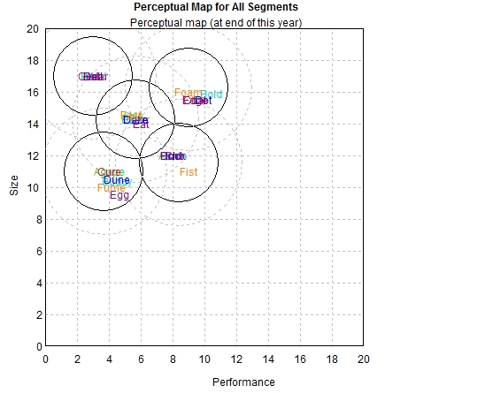
Perceptual Map |  |  |  |  |  |  |  | C131925 Round: 1 Dec. 31, 2022

Andrews |  |  |  |  | Baldwin |  |  | Chester
Name | Pfmn | Size | Revised | Name | Pfmn | Size | Revised | Name | Pfmn | Size | Revised
Able | 5.5 | 14.5 | 11/21/2018 | Baker | 5.7 | 14.3 | 3/17/2022 | Cake | 5.7 | 14.3 | 5/5/2022
Acre | 3.0 | 17.0 | 5/25/2017 | Bead | 3.0 | 17.0 | 5/25/2017 | Cedar | 3.0 | 17.0 | 5/25/2017
Adam | 8.0 | 12.0 | 5/6/2023 | Bid | 8.0 | 12.0 | 1/31/2024 | Cid | 8.0 | 12.0 | 4/18/2020
Aft | 9.4 | 15.5 | 6/30/2019 | Bold | 10.4 | 15.9 | 9/1/2022 | Coat | 9.4 | 15.5 | 4/8/2023
Agape | 4.0 | 11.0 | 5/25/2019 | Buddy | 4.5 | 10.4 | 6/11/2022 | Cure | 4.0 | 11.0 | 5/25/2019
Digby |  |  |  |  | Erie |  |  | Ferris
Name | Pfmn | Size | Revised | Name | Pfmn | Size | Revised | Name | Pfmn | Size | Revised
Daze | 5.7 | 14.3 | 3/17/2022 | Eat | 6.0 | 14.0 | 5/22/2022 | Fast | 5.4 | 14.6 | 3/26/2022
Dell | 3.0 | 17.0 | 1/29/2022 | Ebb | 3.0 | 17.0 | 5/25/2017 | Fist | 9.0 | 11.0 | 10/28/2022
Duck | 8.0 | 12.0 | 4/18/2020 | Echo | 8.0 | 12.0 | 7/31/2023 | Foam | 9.0 | 16.0 | 5/11/2022
Dot | 9.9 | 15.5 | 5/3/2022 | Edge | 9.4 | 15.5 | 6/30/2019 | Fume | 4.2 | 10.0 | 7/29/2022
Dune | 4.5 | 10.5 | 5/12/2022 | Egg | 4.7 | 9.6 | 11/18/2022
CAPSTONE ® COURIER |  |  |  |  |  |  |  | Page 11

Table 14
Annual Report
Annual Report | Chester |  | C131925 | Round: 1 Dec. 31, 2022
Balance Sheet
DEFINITIONS: Common Size: The common size column | ASSETS Cash Account Receivable Inventory Total Current Assets Plant & Equipment Accumulated Depreciation Total Fixed Assets Total Assets LIABILITIES & OWNERS □EQUITY Accounts Payable Current Debt Long Term Debt Total Liabilities Common Stock Retained Earnings Total Equity Total Liab. & O. Equity |  | $0 $9,802 $33,943 $43,745 $144,200 ($47,547) $96,653 $140,398 $12,721 $19,697 $48,884 $81,302 $28,360 $30,736 $59,096 $140,398 | 2022 Common □Size 0.0% 7.0% 24.2% 31.2% 103.0% -33.9% 68.8% 100.0% 9.1% 14.0% 34.8% 57.9% 20.2% 21.9% 42.1% 100.0% | 2021 $3,434 $8,307 $8,617 $20,358 $113,800 ($37,933) $75,867 $96,225 $6,583 $0 $41,700 $48,283 $18,360 $29,582 $47,942 $96,225
simply represents each item as a percentage of total
assets for that year. Cash: Your end-of-year cash
position. Accounts Receivable: Reflects the lag between
delivery and payment of your products. Inventories: The
current value of your inventory across all products. A zero
indicates your company stocked out. Unmet demand
would, of course, fall to your competitors. Plant &
Equipment: The current value of your plant. Accum
Deprec: The total accumulated depreciation from your
plant. Accts Payable: What the company currently owes
suppliers for materials and services. Current Debt: The
debt the company is obligated to pay during the next year
of operations. It includes emergency loans used to keep
your company solvent should you run out of cash during
the year. Long Term Debt: The companys long term debt
is in the form of bonds, and this represents the total value
of your bonds. Common Stock: The amount of capital
invested by shareholders in the company. Retained
Earnings: The profits that the company chose to keep
instead of paying to shareholders as dividends.
Cash Flow Statement
The Cash Flow Statement examines what happened in the Cash Account |  | Cash Flows from Operating Activities Net Income(Loss) Depreciation Extraordinary gains/losses/writeoffs Accounts Payable Inventory Accounts Receivable Net cash from operation Cash Flows from Investing Activities |  | 2022 $1,154 $9,613 $144 $6,138 ($25,325) ($1,495) ($9,771) | 2021 $4,189 $7,587 $0 $3,583 ($8,617) ($307) $6,434
during the year. Cash injections appear as positive numbers and cash
withdrawals as negative numbers. The Cash Flow Statement is an excellent
tool for diagnosing emergency loans. When negative cash flows exceed
positives, you are forced to seek emergency funding. For example, if sales
are bad and you find yourself carrying an abundance of excess inventory,
the report would show the increase in inventory as a huge negative cash
flow. Too much unexpected inventory could outstrip your inflows, exhaust
your starting cash and force you to beg for money to keep your company
afloat.
 |  | Plant Improvements |  | ($30,400) | $0
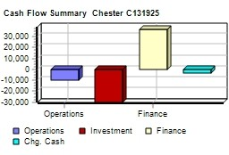
 |  | Cash Flows from Financing Activities
 |  | Dividends paid |  | $0 | ($4,000)
 |  | Sales of common stock |  | $10,000 | $0
 |  | Purchase of common stock |  | $0 | $0
 |  | Cash from long term debt |  | $18,990 | $0
 |  | Retirement of long term debt |  | ($11,950) | $0
 |  | Change in current debt(net) |  | $19,697 | $0
 |  | Net cash from financing activities |  | $36,737 | ($4,000)
 |  | Net change in cash position |  | ($3,434) | $2,434
 |  | Closing cash position |  | $0 | $3,434
Annual Report |  |  |  | Page 14

Table 15
Annual Report Chester C131925 Dec. Round: 1 31, 2022
2022 Income Statement
(Product Name) | Cake | Cedar | Cid | Coat | Cure |  |  |  | 2022 Total | Common □Size
Sales | $37,820 | $38,077 | $20,571 | $13,058 | $9,735 | $0 | $0 | $0 | $119,261 | 100.0%
Variable Costs:
Direct Labor | $10,237 | $13,036 | $4,768 | $3,459 | $2,583 | $0 | $0 | $0 | $34,084 | 28.6%
Direct Material | $13,562 | $12,743 | $7,964 | $5,810 | $3,696 | $0 | $0 | $0 | $43,775 | 36.7%
Inventory Carry | $1,442 | $0 | $860 | $815 | $957 | $0 | $0 | $0 | $4,073 | 3.4%
Total Variable | $25,241 | $25,780 | $13,592 | $10,085 | $7,236 | $0 | $0 | $0 | $81,933 | 68.7%
Contribution Margin | $12,580 | $12,297 | $6,979 | $2,973 | $2,499 | $0 | $0 | $0 | $37,329 | 31.3%
Period Costs:
Depreciation | $3,600 | $3,173 | $1,080 | $1,040 | $720 | $0 | $0 | $0 | $9,613 | 8.1%
SG&A: R&D | $346 | $0 | $0 | $1,000 | $0 | $0 | $0 | $0 | $1,346 | 1.1%
Promotions | $1,000 | $2,000 | $1,600 | $1,000 | $1,600 | $0 | $0 | $0 | $7,200 | 6.0%
Sales | $1,000 | $1,500 | $2,000 | $500 | $1,000 | $0 | $0 | $0 | $6,000 | 5.0%
Admin | $371 | $373 | $202 | $128 | $95 | $0 | $0 | $0 | $1,169 | 1.0%
Total Period | $6,316 | $7,047 | $4,882 | $3,668 | $3,415 | $0 | $0 | $0 | $25,328 | 21.2%
Net Margin | $6,263 | $5,251 | $2,098 | ($695) | ($916) | $0 | $0 | $0 | $12,001 | 10.1%
Definitions: Sales: Unit Sales times list price. Direct Labor: Labor costs incurred to produce the product |  |  |  |  |  | Other |  |  | $1,773 | 1.5%
that was sold. Inventory Carry Cost: the cost unsold goods in inventory. Depreciation: Calculated on |  |  |  |  |  | EBIT |  |  | $10,228 | 8.6%
straight-line. 15-year depreciation of plant value. R&D Costs: R&D department expenditures for each |  |  |  |  |  | Short Term Interest |  |  | $2,221 | 1.9%
product. Admin: Administration overhead is estimated at 1.5% of sales. Promotions: The promotion budget |  |  |  |  |  | Long Term Interest |  |  | $6,195 | 5.2%
for each product. Sales: The sales force budget for each product. Other: Chargs not included in other |  |  |  |  |  | Taxes |  |  | $634 | 0.5%
categories such as Fees, Write offs, and TQM. The fees include money paid to investment bankers and |  |  |  |  |  | Profit Sharing |  |  | $24 | 0.0%
brokerage firms to issue new stocks or bonds plus consulting fees your instructor might assess. Write-offs |  |  |  |  |  | Net Profit |  |  | $1,154 | 1.0%
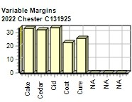
include the loss you might experience when you sell capacity or liquidate inventory as the result of
eliminating a production line. If the amount appears as a negative amount, then you actually made money
on the liquidation of capacity or inventory. EBIT: Earnings Before Interest and Taxes. Short Term Interest:
Interest expense based on last years current debt, including short term debt, long term notes that have
become due, and emergency loans, Long Term Interest: Interest paid on outstanding bonds. Taxes:
Income tax based upon a 35% tax rate. Profit Sharing: Profits shared with employees under the labor
contract. Net Profit: EBIT minus interest, taxes, and profit sharing.

Annual Report |  |  |  |  |  |  |  |  |  | Page 15

