Table 1
Round: 3 Dec. 31, 2024 |  |  |  |  |  |  | C131925
Andrews |  | Baldwin |  |  |  | Chester
Sornnarin Bangkedph |  | Wisit Wirojrungson |  |  |  | Marko Heinelo
Sutthipong Kultungk |  | Rachaneewan Leekanc |  |  |  | Pasan Opaschaitat
Thitiwat Pakaphongp |  | Santi Mualkijnitaya |  |  |  | Kanlaya Rattanyu
Pathumma Sitthikorn |  | Vikorn Phongsathorn |  |  |  | Santi Tangsakul
Sophak Srilam |  | Ponglar Porntheeran |  |  |  | Sunee Techakulung
Wararee Toah-ngern |  | Banphot Wongvisavak |  |  |  | Thongchai Theantong
Digby |  | Erie |  |  |  | Ferris
Sakarin Yuktanonda |  | Phungjai Tinnasulan |  |  |  | Apiram Udomrattanac
Supanee Armstrong |  | Wongkanok Kanoktana
Chayapol Boonlert |  | Fa-um Phengsri
Surachet Chaipet |  | Thanapol Ratanaboon
Akawut Chuenchom |  | Niti Saengchomphu
Noppakao Loykhwamsu |  | Norraron Treecheewa
Selected Financial Statistics
 | Andrews | Baldwin | Chester | Digby |  |  | Erie | Ferris
ROS | 2.9% | 5.6% | 3.9% | 0.0% |  |  | 3.7% | 4.6%
Asset Turnover | 1.06 | 0.93 | 1.09 | 1.09 |  |  | 1.07 | 0.99
ROA | 3.0% | 5.2% | 4.3% | -0.1% |  |  | 3.9% | 4.5%
Leverage | 2.0 | 2.1 | 2.2 | 3.0 |  |  | 2.2 | 2.1
ROE | 6.2% | 11.2% | 9.4% | -0.2% |  |  | 8.7% | 9.7%
Emergency Loan | $20,524,689 | $0 | $0 | $21,429,122 |  |  | $22,804,676 | $0
Sales | $132,363,577 | $189,405,232 | $178,842,668 | $160,112,987 |  |  | $154,114,279 | $65,667,050
EBIT | $13,935,075 | $29,215,052 | $20,933,823 | $12,761,265 |  |  | $18,507,062 | $8,715,848
Profits | $3,799,171 | $10,652,902 | $7,034,037 | ($74,964) |  |  | $5,628,822 | $2,992,470
Cumulative Profit | $18,165,138 | $26,552,226 | $20,955,191 | $4,497,871 |  |  | $24,660,598 | $22,126,688
SG&A / Sales | 10.3% | 11.9% | 10.5% | 7.8% |  |  | 10.9% | 14.8%
Contrib. Margin % | 31.2% | 39.1% | 32.7% | 23.2% |  |  | 32.6% | 35.3%
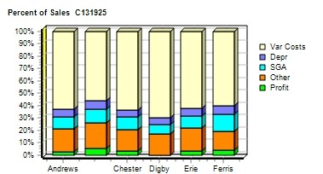 |  |  |  |  | 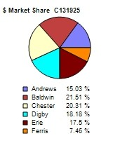
CAPSTONE ® COURIER |  |  |  |  |  |  | Page 1

Table 2
Stock & Bonds C131925 Round: 3 Dec. 31, 2024
Stock Market Summary
Company | Close | Change | Shares MarketCap Book Value EPS Dividend ($M) Per Share |  |  | Yield | P/E
Andrews | $35.47 | ($4.04) | 2,000,000 $71 $30.71 $1.90 $0.00 |  |  | 0.0% | 18.7
Baldwin | $53.23 | $9.80 | 2,643,613 $141 $36.05 $4.03 $0.00 |  |  | 0.0% | 13.2
Chester | $49.29 | $7.53 | 2,291,939 $113 $32.60 $3.07 $0.00 |  |  | 0.0% | 16.1
Digby | $6.96 | $4.26 | 2,000,000 $14 $24.13 ($0.04) $0.00 |  |  | 0.0% | -190.8
Erie | $42.81 | ($9.21) | 2,000,000 $86 $32.31 $2.81 $1.90 |  |  | 4.4% | 15.2
Ferris | $37.14 | ($12.15) | 2,000,000 $74 $15.46 $1.50 $7.74 |  |  | 20.8% | 24.8
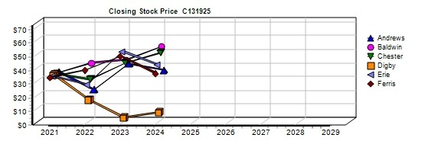
Bond Market Summary
Company | Series# | Face | Yield Close$ S&P | Company Series# Face | Yield | Close$ | S&P
Andrews |  |  |  | Digby
 | 12.5S2025 | $13,900,000 | 12.5% 99.65 B | 12.5S2025 $13,900,000 | 12.7% | 98.51 | C
 | 14.0S2027 | $20,850,000 | 13.6% 102.60 B | 14.0S2027 $20,850,000 | 14.1% | 99.54 | C
Baldwin |  |  |  | 11.3S2032 $6,000,000 | 13.0% | 86.64 | C
 | 12.5S2025 | $13,900,000 | 12.6% 99.47 CCC | 13.3S2033 $28,000,000 | 13.9% | 95.58 | C
 | 14.0S2027 | $20,850,000 | 13.7% 102.12 CCC | Erie
 | 11.3S2032 | $10,000,000 | 12.4% 91.39 CCC | 12.5S2025 $13,900,000 | 12.6% | 99.29 | CCC
 | 12.0S2033 | $20,000,000 | 12.7% 94.38 CCC | 14.0S2027 $20,850,000 | 13.8% | 101.64 | CCC
 | 12.9S2034 | $20,000,000 | 13.0% 98.92 CCC | 12.4S2034 $10,000,000 | 13.0% | 95.17 | CCC
Chester |  |  |  | Ferris
 | 12.5S2025 | $9,044,067 | 12.6% 99.38 CCC | 14.0S2027 $16,399,945 | 13.7% | 102.12 | CCC
 | 14.0S2027 | $20,850,000 | 13.7% 101.88 CCC
 | 11.3S2032 | $18,990,000 | 12.4% 90.94 CCC
 | 12.6S2033 | $10,000,000 | 13.0% 96.94 CCC
Next Year's Prime Rate8.50%
CAPSTONE ® COURIER |  |  |  |  |  | Page 2

Table 4
Production Analysis C131925 Round: 3 Dec. 31, 2024
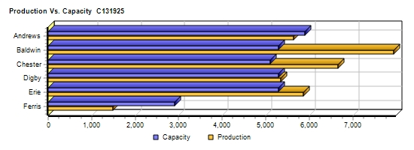
 |  |  |  |  |  |  |  |  |  |  |  | 2nd
 |  |  |  |  |  |  |  |  |  |  |  | Shift | Auto
 |  | Unit |  |  |  |  |  |  |  |  |  | & | mation | Capacity
Primary | Units | Inven | Revision | Age |  | Pfmn | Size |  | Material | Labor | Contr. | Over- | Next | Next | Plant
Name Segment | Sold | tory | Date | Dec.31 | MTBF | Coord | Coord | Price | C□ost | C□ost | Marg. | time | Round | Round | Utiliz.
Able Trad | 1,461 | 179 | 6/23/2024 | 2.2 | 17500 | 6.5 | 13.0 | $27.99 | $10.17 | $8.01 | 34% | 0% | 4.5 | 1,800 | 72%
Acre Low | 1,579 | 996 | 5/25/2017 | 7.6 | 14000 | 3.0 | 17.0 | $20.49 | $5.79 | $7.51 | 29% | 86% | 6.0 | 1,400 | 184%
Adam High | 652 | 239 | 5/6/2023 | 3.2 | 23000 | 9.5 | 10.0 | $37.99 | $14.47 | $9.85 | 32% | 0% | 3.0 | 900 | 99%
Aft Pfmn | 449 | 121 | 4/4/2025 | 5.5 | 27000 | 9.4 | 15.5 | $32.99 | $13.63 | $8.62 | 29% | 0% | 4.0 | 600 | 83%
Agape Size | 134 | 172 | 5/25/2019 | 5.6 | 19000 | 4.0 | 11.0 | $31.99 | $10.88 | $8.62 | 24% | 0% | 4.0 | 600 | 0%
ANew1 High | 396 | 0 | 1/3/2024 | 1.0 | 24000 | 11.0 | 8.0 | $38.49 | $16.32 | $9.85 | 31% | 0% | 3.0 | 600 | 66%
ANew2 | 0 | 0 | 8/9/2025 | 0.0 | 0 | 0.0 | 0.0 | $0.00 | $0.00 | $0.00 | 0% | 0% | 3.0 | 600 | 0%
Baker Trad | 1,957 | 465 | 8/16/2024 | 1.6 | 17500 | 7.1 | 12.9 | $29.00 | $10.05 | $7.33 | 39% | 33% | 9.0 | 1,800 | 132%
Bead Low | 3,228 | 988 | 5/25/2017 | 7.6 | 14000 | 3.0 | 17.0 | $19.50 | $5.56 | $3.99 | 48% | 85% | 9.0 | 2,400 | 183%
Bid High | 270 | 0 | 1/31/2024 | 2.8 | 23000 | 10.7 | 9.3 | $37.00 | $0.00 | $0.00 | 36% | 0% | 3.0 | 1 | 0%
Bold Pfmn | 782 | 0 | 1/3/2024 | 2.5 | 27000 | 11.4 | 14.6 | $33.50 | $14.40 | $8.74 | 28% | 0% | 3.0 | 600 | 92%
Buddy Size | 1,002 | 0 | 1/9/2024 | 2.5 | 20000 | 5.4 | 9.0 | $33.50 | $12.16 | $9.78 | 33% | 33% | 3.0 | 600 | 132%
Bid2 | 0 | 0 | 6/30/2024 | 0.5 | 23000 | 12.5 | 7.5 | $20.00 | $0.00 | $0.00 | 0% | 0% | 3.0 | 400 | 0%
Baker2 | 0 | 0 | 4/29/2025 | 0.0 | 0 | 0.0 | 0.0 | $0.00 | $0.00 | $0.00 | 0% | 0% | 3.0 | 450 | 0%
Cake Trad | 911 | 0 | 5/5/2022 | 4.4 | 14000 | 5.7 | 14.3 | $22.00 | $8.15 | $3.62 | 40% | 0% | 8.0 | 1,200 | 58%
Cedar Low | 2,772 | 0 | 5/25/2017 | 7.6 | 14000 | 3.0 | 17.0 | $19.70 | $5.77 | $4.48 | 47% | 100% | 8.0 | 1,400 | 198%
Cid Trad | 1,846 | 5 | 1/18/2024 | 2.8 | 19000 | 6.8 | 13.0 | $28.30 | $10.70 | $11.95 | 19% | 100% | 7.0 | 900 | 198%
Coat Pfmn | 1,238 | 0 | 8/8/2024 | 2.0 | 27000 | 12.4 | 13.9 | $33.50 | $15.69 | $8.81 | 28% | 83% | 5.0 | 600 | 182%
Cure Size | 317 | 0 | 12/23/2024 | 1.9 | 19000 | 6.1 | 11.0 | $33.00 | $11.42 | $9.66 | 35% | 0% | 3.0 | 600 | 53%
C_PI | 0 | 0 | 7/15/2024 | 0.5 | 27000 | 13.4 | 13.2 | $33.30 | $0.00 | $0.00 | 0% | 0% | 5.0 | 400 | 0%
Daze Trad | 1,570 | 921 | 8/29/2024 | 1.7 | 17500 | 6.8 | 13.0 | $25.00 | $10.27 | $7.38 | 21% | 0% | 5.0 | 1,800 | 99%
Dell Low | 2,114 | 1,408 | 1/29/2022 | 7.6 | 12000 | 3.0 | 17.0 | $17.00 | $5.18 | $4.92 | 24% | 0% | 7.0 | 1,600 | 99%
Duck Trad | 371 | 324 | 4/18/2020 | 4.7 | 23000 | 8.0 | 12.0 | $25.00 | $0.00 | $0.00 | -6% | 0% | 3.0 | 300 | 0%
Dot Pfmn | 585 | 263 | 8/16/2025 | 2.8 | 27000 | 10.5 | 15.0 | $32.00 | $14.35 | $9.84 | 19% | 0% | 3.0 | 600 | 99%
Dune Size | 813 | 0 | 10/17/2024 | 1.5 | 19000 | 5.7 | 8.1 | $32.00 | $12.93 | $9.84 | 30% | 0% | 3.0 | 600 | 99%
DeeNee High | 792 | 0 | 9/6/2024 | 0.9 | 22000 | 11.0 | 9.0 | $39.00 | $15.24 | $12.17 | 30% | 100% | 5.0 | 700 | 198%
Eat Trad | 1,756 | 1,065 | 2/12/2025 | 3.0 | 17500 | 6.4 | 13.6 | $28.50 | $9.84 | $6.55 | 37% | 56% | 7.5 | 1,800 | 152%
Ebb Low | 2,116 | 107 | 5/25/2017 | 7.6 | 14000 | 3.0 | 17.0 | $21.00 | $5.79 | $7.47 | 32% | 0% | 6.0 | 1,400 | 98%
Echo | 0 | 0 | 7/31/2023 | 3.1 | 24000 | 9.8 | 10.0 | $39.00 | $0.00 | $0.00 | 0% | 0% | 4.0 | 900 | 0%
Egg Size | 427 | 361 | 12/24/2024 | 1.9 | 19000 | 6.8 | 6.6 | $34.00 | $14.09 | $8.72 | 31% | 0% | 4.0 | 600 | 98%
Elite High | 1,172 | 0 | 2/27/2024 | 1.1 | 25000 | 11.6 | 9.0 | $38.50 | $16.43 | $10.78 | 29% | 100% | 5.0 | 600 | 195%
Elon | 0 | 0 | 6/27/2025 | 0.0 | 0 | 0.0 | 0.0 | $0.00 | $0.00 | $0.00 | 0% | 0% | 3.0 | 600 | 0%
Fast Trad | 492 | 98 | 1/29/2024 | 4.4 | 17000 | 5.4 | 14.6 | $24.00 | $8.82 | $7.38 | 23% | 0% | 5.0 | 800 | 25%
Fist High | 644 | 0 | 9/25/2024 | 1.4 | 24000 | 10.5 | 9.4 | $39.00 | $15.47 | $8.61 | 39% | 0% | 4.0 | 950 | 72%
Foam Pfmn | 242 | 0 | 10/26/2024 | 1.4 | 24000 | 11.0 | 14.4 | $34.00 | $13.92 | $8.61 | 35% | 0% | 4.0 | 600 | 25%
Fume Size | 604 | 0 | 8/1/2024 | 1.6 | 18000 | 4.7 | 8.4 | $34.00 | $12.26 | $8.61 | 39% | 0% | 4.0 | 700 | 83%
CAPSTONE ® COURIER |  |  |  |  |  |  |  |  |  |  |  |  |  |  | Page 4

Table 5
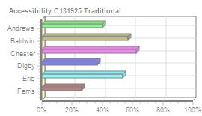
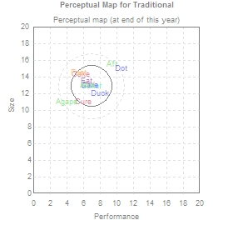
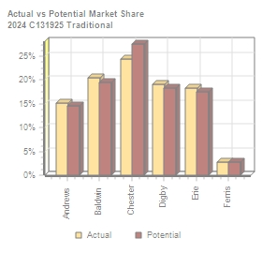
Traditional Segment Analysis C131925 Round: 3 Dec. 31, 2024
Traditional Statistics Total Industry Unit Demand 9,619 Actual Industry Unit Sales |9,619 Segment % of Total Industry |29.4% Next Year's Segment Growth Rate |9.2% Traditional Customer Buying Criteria Expectations Importance 1. Age Ideal Age = 2.0 47% 2. Price $18.50 - 28.50 23% 3. Ideal Position Pfmn 7.1 Size 12.9 21% 4. Reliability MTBF 14000-19000 9%

Top Products in Traditional Segment
Name Baker Cid Eat Daze Able Cake Duck Fast Cure Agape Aft | Market Share 20% 19% 18% 16% 15% 5% 3% 3% 0% 0% 0% | Units Sold to Seg 1,956 1,827 1,756 1,536 1,450 495 301 267 20 8 3 | Revision Date 8/16/2024 1/18/2024 2/12/2025 8/29/2024 6/23/2024 5/5/2022 4/18/2020 1/29/2024 12/23/2024 5/25/2019 4/4/2025 | Stock Out YES YES | Pfmn Coord 7.1 6.8 6.4 6.8 6.5 5.7 8.0 5.4 6.1 4.0 9.4 | Size Coord 12.9 13.0 13.6 13.0 13.0 14.3 12.0 14.6 11.0 11.0 15.5 | List Price $29.00 $28.30 $28.50 $25.00 $27.99 $22.00 $25.00 $24.00 $33.00 $31.99 $32.99 | MTBF 17500 19000 17500 17500 17500 14000 23000 17000 19000 19000 27000 | Age Dec.31 1.65 2.83 2.99 1.69 2.18 4.38 4.70 4.43 1.85 5.60 5.50 | Promo Budget $1,500 $1,600 $2,000 $1,000 $1,000 $1,300 $500 $300 $500 $500 $500 | Cust. A□ware- □ness 86% 70% 85% 48% 69% 81% 36% 34% 52% 36% 40% | Sales Budget $2,000 $1,500 $2,000 $1,000 $1,000 $1,000 $500 $750 $1,500 $500 $500 | Cust. A□ccess- ibility 57% 63% 54% 37% 40% 63% 37% 26% 63% 40% 40% | Dec. C□ust S□urvey 38 31 21 33 34 7 6 3 3 0 0
CAPSTONE ® COURIER Page 5

Table 6
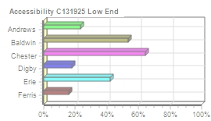
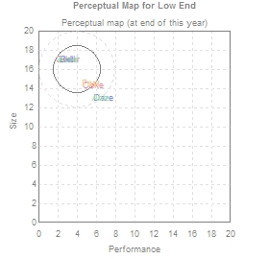
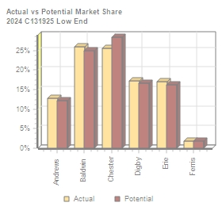
Low End Segment Analysis C131925 Round: 3 Dec. 31, 2024
Low End Statistics Total Industry Unit Demand 12,488 Actual Industry Unit Sales |12,488 Segment % of Total Industry |38.2% Next Year's Segment Growth Rate |11.7% Low End Customer Buying Criteria Expectations Importance 1. Price $13.50 - 23.50 53% 2. Age Ideal Age = 7.0 24% 3. Ideal Position Pfmn 3.2 Size 16.8 16% 4. Reliability MTBF 12000-17000 7%

Top Products in Low End Segment
Name Bead Cedar Ebb Dell Acre Cake Fast Daze Able | Market Share 26% 22% 17% 17% 13% 3% 2% 0% 0% | Units Sold to Seg 3,228 2,772 2,116 2,114 1,579 416 225 34 5 | Revision Date 5/25/2017 5/25/2017 5/25/2017 1/29/2022 5/25/2017 5/5/2022 1/29/2024 8/29/2024 6/23/2024 | Stock Out YES YES | Pfmn Coord 3.0 3.0 3.0 3.0 3.0 5.7 5.4 6.8 6.5 | Size Coord 17.0 17.0 17.0 17.0 17.0 14.3 14.6 13.0 13.0 | List Age Price MTBF Dec.31 $19.50 14000 7.60 $19.70 14000 7.60 $21.00 14000 7.60 $17.00 12000 7.60 $20.49 14000 7.60 $22.00 14000 4.38 $24.00 17000 4.43 $25.00 17500 1.69 $27.99 17500 2.18 | Promo Budget $1,500 $1,000 $1,500 $1,000 $500 $1,300 $300 $1,000 $1,000 | Cust. A□ware- n□ess 85% 72% 72% 37% 43% 81% 34% 48% 69% | Sales Budget $2,000 $2,000 $2,000 $500 $500 $1,000 $750 $1,000 $1,000 | Cust. □Access- ibility 54% 64% 42% 18% 23% 64% 16% 18% 23% | Dec. C□ust □Survey 34 33 22 22 17 8 3 0 0
CAPSTONE ® COURIER Page 6

Table 7
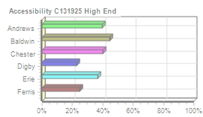
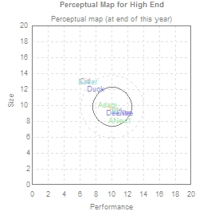
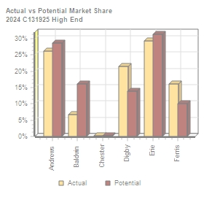
High End Segment Analysis C131925 Round: 3 Dec. 31, 2024
High End Statistics Total Industry Unit Demand 4,007 Actual Industry Unit Sales |4,007 Segment % of Total Industry |12.3% Next Year's Segment Growth Rate |16.2% High End Customer Buying Criteria Expectations Importance 1. Ideal Position Pfmn 11.6 Size 8.4 43% 2. Age Ideal Age = 0.0 29% 3. Reliability MTBF 20000-25000 19% 4. Price $28.50 - 38.50 9%

Top Products in High End Segment
Name Elite DeeNee Adam Fist ANew1 Bid Duck Cid | Market Share 29% 20% 16% 16% 10% 7% 2% 0% | Units Sold to Seg 1,172 792 652 644 396 270 69 10 | Revision Date 2/27/2024 9/6/2024 5/6/2023 9/25/2024 1/3/2024 1/31/2024 4/18/2020 1/18/2024 | Stock Out YES YES YES YES YES | Pfmn Coord 11.6 11.0 9.5 10.5 11.0 10.7 8.0 6.8 | Size Coord 9.0 9.0 10.0 9.4 8.0 9.3 12.0 13.0 | List Age Price MTBF Dec.31 $38.50 25000 1.09 $39.00 22000 0.89 $37.99 23000 3.18 $39.00 24000 1.36 $38.49 24000 0.99 $37.00 23000 2.81 $25.00 23000 4.70 $28.30 19000 2.83 | Promo Budget $1,000 $750 $500 $750 $1,000 $1,000 $500 $1,600 | Cust. A□ware- n□ess 38% 45% 45% 43% 46% 73% 36% 70% | Sales Budget $1,200 $750 $500 $750 $1,000 $1,000 $500 $1,500 | Cust. □Access- ibility 37% 23% 39% 25% 39% 45% 23% 40% | Dec. C□ust □Survey 31 20 6 17 32 18 1 0
CAPSTONE ® COURIER Page 7

Table 8
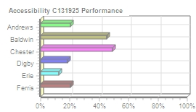
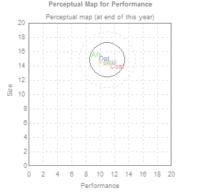
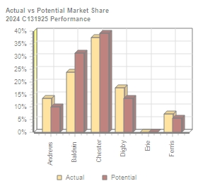
Performance Segment Analysi C131925 Round: 3 Dec. 31, 2024
Performance Statistics Total Industry Unit Demand 3,293 Actual Industry Unit Sales |3,293 Segment % of Total Industry |10.1% Next Year's Segment Growth Rate |19.8% Performance Customer Buying Criteria Expectations Importance 1. Reliability MTBF 22000-27000 43% 2. Ideal Position Pfmn 12.4 Size 13.9 29% 3. Price $23.50 - 33.50 19% 4. Age Ideal Age = 1.0 9%

Top Products in Performance Segment
Name Coat Bold Dot Aft Foam | Market Share 38% 24% 18% 14% 7% | Units Sold to Seg 1,238 782 585 446 242 | Revision Date 8/8/2024 1/3/2024 8/16/2025 4/4/2025 10/26/2024 | Stock Out YES YES YES | Pfmn Coord 12.4 11.4 10.5 9.4 11.0 | Size Coord 13.9 14.6 15.0 15.5 14.4 | List Age Price MTBF Dec.31 $33.50 27000 2.00 $33.50 27000 2.45 $32.00 27000 2.84 $32.99 27000 5.50 $34.00 24000 1.44 | Promo Budget $1,500 $1,500 $500 $500 $750 | Cust. □Aware- n□ess 83% 74% 20% 40% 42% | Sales Budget $2,000 $2,000 $500 $500 $750 | Cust. A□ccess- ibility 49% 45% 18% 20% 20% | Dec. C□ust □Survey 48 35 14 12 10
CAPSTONE ® COURIER Page 8

Table 9
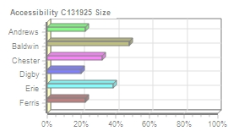
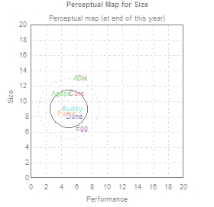
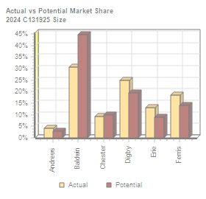
Size Segment Analysis C131925 Round: 3 Dec. 31, 2024
Size Statistics Total Industry Unit Demand 3,284 Actual Industry Unit Sales |3,284 Segment % of Total Industry |10.1% Next Year's Segment Growth Rate |18.3% Size Customer Buying Criteria Expectations Importance 1. Ideal Position Pfmn 6.1 Size 7.6 43% 2. Age Ideal Age = 1.5 29% 3. Reliability MTBF 16000-21000 19% 4. Price $23.50 - 33.50 9%

Top Products in Size Segment
Name Buddy Dune Fume Egg Cure Agape Cid Able | Market Share 31% 25% 18% 13% 9% 4% 0% 0% | Units Sold to Seg 1,002 813 604 427 297 126 8 7 | Revision Date 1/9/2024 10/17/2024 8/1/2024 12/24/2024 12/23/2024 5/25/2019 1/18/2024 6/23/2024 | Stock Out YES YES YES YES | Pfmn Coord 5.4 5.7 4.7 6.8 6.1 4.0 6.8 6.5 | Size Coord 9.0 8.1 8.4 6.6 11.0 11.0 13.0 13.0 | List Age Price MTBF Dec.31 $33.50 20000 2.53 $32.00 19000 1.48 $34.00 18000 1.62 $34.00 19000 1.93 $33.00 19000 1.85 $31.99 19000 5.60 $28.30 19000 2.83 $27.99 17500 2.18 | Promo Budget $1,500 $500 $750 $1,000 $500 $500 $1,600 $1,000 | Cust. A□ware- n□ess 74% 30% 42% 59% 52% 36% 70% 69% | Sales Budget $2,000 $500 $750 $1,500 $1,500 $500 $1,500 $1,000 | Cust. □Access- ibility 48% 20% 22% 39% 32% 22% 32% 22% | Dec. C□ust □Survey 19 23 11 14 11 2 0 0
CAPSTONE ® COURIER Page 9

Table 10
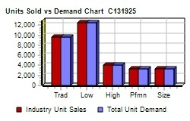
Market Share |  |  |  |  |  |  | C131925 Round: 3 Dec. 31, 2024
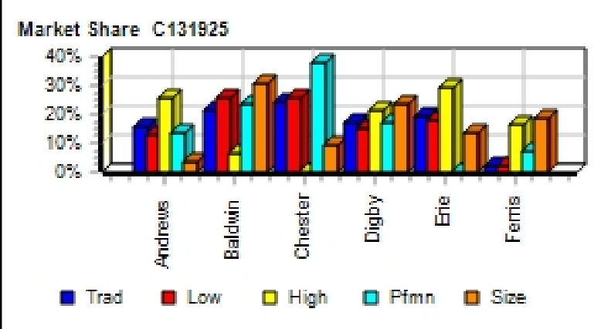
Actual Market Share in Units |  |  |  |  |  |  | Potential Market Share in Units
 | Trad | Low | High | Pfmn | Size | Total |  | Trad | Low | High | Pfmn | Size | Total
Industry Unit Sales | 9,619 | 12,488 | 4,007 | 3,293 | 3,284 | 32,691 | Units Demanded | 9,619 | 12,488 | 4,007 | 3,293 | 3,284 | 32,691
% of Market | 29.4% | 38.2% | 12.3% | 10.1% | 10.1% | 100.0% | % of Market | 29.4% | 38.2% | 12.3% | 10.1% | 10.1% | 100.0%
Able | 15.1% |  |  |  | 0.2% | 4.5% | Able | 14.4% |  |  |  |  | 4.3%
Acre |  | 12.6% |  |  |  | 4.8% | Acre |  | 12.2% |  |  |  | 4.6%
Adam |  |  | 16.3% |  |  | 2.0% | Adam |  |  | 6.8% |  |  | 0.8%
Aft |  |  |  | 13.5% |  | 1.4% | Aft |  |  |  | 10.1% |  | 1.0%
Agape |  |  |  |  | 3.9% | 0.4% | Agape |  |  |  |  | 2.7% | 0.3%
ANew1 |  |  | 9.9% |  |  | 1.2% | ANew1 |  |  | 21.8% |  |  | 2.7%
Total | 15.2% | 12.7% | 26.2% | 13.5% | 4.0% | 14.3% | Total | 14.5% | 12.2% | 28.6% | 10.1% | 2.8% | 13.7%
Baker | 20.3% |  |  |  |  | 6.0% | Baker | 19.5% |  |  |  |  | 5.7%
Bead |  | 25.9% |  |  |  | 9.9% | Bead |  | 24.9% |  |  |  | 9.5%
Bid |  |  | 6.7% |  |  | 0.8% | Bid |  |  | 16.1% |  |  | 2.0%
Bold |  |  |  | 23.7% |  | 2.4% | Bold |  |  |  | 31.6% |  | 3.2%
Buddy |  |  |  |  | 30.5% | 3.1% | Buddy |  |  |  |  | 44.6% | 4.5%
Total | 20.3% | 25.9% | 6.8% | 23.7% | 30.5% | 22.1% | Total | 19.5% | 24.9% | 16.1% | 31.6% | 44.6% | 24.9%
Cake | 5.1% | 3.3% |  |  |  | 2.8% | Cake | 5.9% | 4.2% |  |  |  | 3.3%
Cedar |  | 22.2% |  |  |  | 8.5% | Cedar |  | 24.2% |  |  |  | 9.2%
Cid | 19.0% |  | 0.3% |  | 0.2% | 5.7% | Cid | 21.3% |  | 0.2% |  | 0.3% | 6.3%
Coat |  |  |  | 37.6% |  | 3.8% | Coat |  |  |  | 34.3% |  | 3.5%
Cure | 0.2% |  |  |  | 9.0% | 1.0% | Cure | 0.3% |  |  |  | 9.7% | 1.1%
Total | 24.4% | 25.5% | 0.3% | 37.6% | 9.3% | 21.7% | Total | 27.5% | 28.4% | 0.2% | 39.3% | 10.0% | 23.9%
Daze | 16.0% | 0.3% |  |  |  | 4.8% | Daze | 15.3% | 0.3% |  |  |  | 4.6%
Dell |  | 16.9% |  |  |  | 6.5% | Dell |  | 16.3% |  |  |  | 6.2%
Duck | 3.1% |  | 1.7% |  |  | 1.1% | Duck | 3.0% |  | 0.7% |  |  | 1.0%
Dot |  |  |  | 17.8% |  | 1.8% | Dot |  |  |  | 13.4% |  | 1.3%
Dune |  |  |  |  | 24.8% | 2.5% | Dune |  |  |  |  | 19.6% | 2.0%
DeeNee |  |  | 19.8% |  |  | 2.4% | DeeNee |  |  | 13.2% |  |  | 1.6%
Total | 19.1% | 17.2% | 21.5% | 17.8% | 24.8% | 19.1% | Total | 18.3% | 16.5% | 13.9% | 13.4% | 19.6% | 16.7%
Eat | 18.3% |  |  |  |  | 5.4% | Eat | 17.5% |  |  |  |  | 5.1%
Ebb |  | 16.9% |  |  |  | 6.5% | Ebb |  | 16.3% |  |  |  | 6.2%
Egg |  |  |  |  | 13.0% | 1.3% | Egg |  |  |  |  | 9.0% | 0.9%
Elite |  |  | 29.3% |  |  | 3.6% | Elite |  |  | 24.1% |  |  | 3.0%
Total | 18.3% | 16.9% | 29.3% |  | 13.0% | 16.7% | Total | 17.5% | 16.3% | 31.3% |  | 9.0% | 16.1%
Fast | 2.8% | 1.8% |  |  |  | 1.5% | Fast | 2.7% | 1.7% |  |  |  | 1.4%
Fist |  |  | 16.1% |  |  | 2.0% | Fist |  |  | 9.9% |  |  | 1.2%
Foam |  |  |  | 7.3% |  | 0.7% | Foam |  |  |  | 5.7% |  | 0.6%
Fume |  |  |  |  | 18.4% | 1.8% | Fume |  |  |  |  | 14.0% | 1.4%
Total | 2.8% | 1.8% | 16.1% | 7.3% | 18.4% | 6.1% | Total | 2.7% | 1.7% | 10.0% | 5.7% | 14.1% | 4.7%
CAPSTONE ® COURIER |  |  |  |  |  |  |  |  |  |  |  |  | Page 10

Table 11
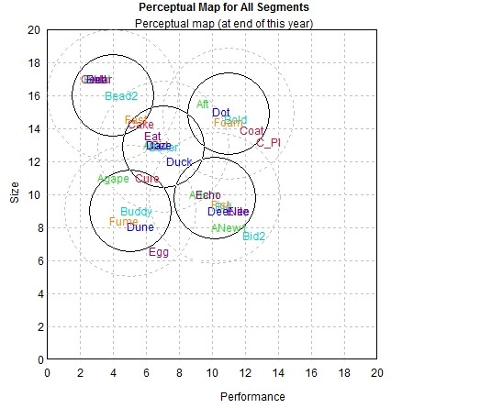
Perceptual Map |  |  |  |  |  |  |  | C131925 Round: 3 Dec. 31, 2024

Andrews |  |  |  |  | Baldwin |  |  | Chester
Name | Pfmn | Size | Revised | Name | Pfmn | Size | Revised | Name | Pfmn | Size | Revised
Able | 6.5 | 13.0 | 6/23/2024 | Baker | 7.1 | 12.9 | 8/16/2024 | Cake | 5.7 | 14.3 | 5/5/2022
Acre | 3.0 | 17.0 | 5/25/2017 | Bead | 3.0 | 17.0 | 5/25/2017 | Cedar | 3.0 | 17.0 | 5/25/2017
Adam | 9.5 | 10.0 | 5/6/2023 | Bid | 10.7 | 9.3 | 1/31/2024 | Cid | 6.8 | 13.0 | 1/18/2024
Aft | 9.4 | 15.5 | 4/4/2025 | Bold | 11.4 | 14.6 | 1/3/2024 | Coat | 12.4 | 13.9 | 8/8/2024
Agape | 4.0 | 11.0 | 5/25/2019 | Buddy | 5.4 | 9.0 | 1/9/2024 | Cure | 6.1 | 11.0 | 12/23/2024
ANew1 | 11.0 | 8.0 | 1/3/2024 | Bead2 | 4.5 | 16.0 | 3/7/2023 | C_PI | 13.4 | 13.2 | 7/15/2024
 |  |  |  | Bid2 | 12.5 | 7.5 | 6/30/2024
Digby |  |  |  |  | Erie |  |  | Ferris
Name | Pfmn | Size | Revised | Name | Pfmn | Size | Revised | Name | Pfmn | Size | Revised
Daze | 6.8 | 13.0 | 8/29/2024 | Eat | 6.4 | 13.6 | 2/12/2025 | Fast | 5.4 | 14.6 | 1/29/2024
Dell | 3.0 | 17.0 | 1/29/2022 | Ebb | 3.0 | 17.0 | 5/25/2017 | Fist | 10.5 | 9.4 | 9/25/2024
Duck | 8.0 | 12.0 | 4/18/2020 | Echo | 9.8 | 10.0 | 7/31/2023 | Foam | 11.0 | 14.4 | 10/26/2024
Dot | 10.5 | 15.0 | 8/16/2025 | Egg | 6.8 | 6.6 | 12/24/2024 | Fume | 4.7 | 8.4 | 8/1/2024
Dune | 5.7 | 8.1 | 10/17/2024 | Elite | 11.6 | 9.0 | 2/27/2024
DeeNee | 11.0 | 9.0 | 9/6/2024
CAPSTONE ® COURIER |  |  |  |  |  |  |  | Page 11

Table 14
Annual Report
Annual Report | Chester |  | C131925 | Round: 3 Dec. 31, 2024
Balance Sheet
DEFINITIONS: Common Size: The common size column | ASSETS Cash Account Receivable Inventory Total Current Assets Plant & Equipment Accumulated Depreciation Total Fixed Assets Total Assets LIABILITIES & OWNERS □EQUITY Accounts Payable Current Debt Long Term Debt Total Liabilities Common Stock Retained Earnings Total Equity Total Liab. & O. Equity |  | $37,858 $22,049 $115 $60,022 $166,200 ($62,453) $103,747 $163,769 $9,176 $21,000 $58,884 $89,060 $28,360 $46,349 $74,709 $163,769 | 2024 Common □Size 23.1% 13.5% 0.1% 36.7% 101.0% -38.1% 63.3% 100.0% 5.6% 12.8% 36.0% 54.4% 17.3% 28.3% 45.6% 100.0% | 2023 $26,867 $11,265 $8,830 $46,962 $168,200 ($58,493) $109,707 $156,669 $7,311 $22,800 $58,884 $88,995 $28,360 $39,315 $67,675 $156,669
simply represents each item as a percentage of total
assets for that year. Cash: Your end-of-year cash
position. Accounts Receivable: Reflects the lag between
delivery and payment of your products. Inventories: The
current value of your inventory across all products. A zero
indicates your company stocked out. Unmet demand
would, of course, fall to your competitors. Plant &
Equipment: The current value of your plant. Accum
Deprec: The total accumulated depreciation from your
plant. Accts Payable: What the company currently owes
suppliers for materials and services. Current Debt: The
debt the company is obligated to pay during the next year
of operations. It includes emergency loans used to keep
your company solvent should you run out of cash during
the year. Long Term Debt: The companys long term debt
is in the form of bonds, and this represents the total value
of your bonds. Common Stock: The amount of capital
invested by shareholders in the company. Retained
Earnings: The profits that the company chose to keep
instead of paying to shareholders as dividends.
Cash Flow Statement
The Cash Flow Statement examines what happened in the Cash Account |  | Cash Flows from Operating Activities Net Income(Loss) Depreciation Extraordinary gains/losses/writeoffs Accounts Payable Inventory Accounts Receivable Net cash from operation Cash Flows from Investing Activities |  | 2024 $7,034 $11,080 $860 $1,865 $8,716 ($10,784) $18,771 | 2023 $8,579 $10,947 $0 ($5,411) $25,112 ($1,463) $37,764
during the year. Cash injections appear as positive numbers and cash
withdrawals as negative numbers. The Cash Flow Statement is an excellent
tool for diagnosing emergency loans. When negative cash flows exceed
positives, you are forced to seek emergency funding. For example, if sales
are bad and you find yourself carrying an abundance of excess inventory,
the report would show the increase in inventory as a huge negative cash
flow. Too much unexpected inventory could outstrip your inflows, exhaust
your starting cash and force you to beg for money to keep your company
afloat.
 |  | Plant Improvements |  | ($5,980) | ($24,000)
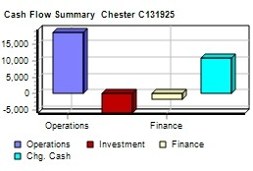
 |  | Cash Flows from Financing Activities
 |  | Dividends paid |  | $0 | $0
 |  | Sales of common stock |  | $0 | $0
 |  | Purchase of common stock |  | $0 | $0
 |  | Cash from long term debt |  | $0 | $10,000
 |  | Retirement of long term debt |  | $0 | $0
 |  | Change in current debt(net) |  | ($1,800) | $3,103
 |  | Net cash from financing activities |  | ($1,800) | $13,103
 |  | Net change in cash position |  | $10,991 | $26,867
 |  | Closing cash position |  | $37,858 | $26,867
Annual Report |  |  |  | Page 14

Table 15
Annual Report Chester C131925 Dec. Round: 3 31, 2024
2024 Income Statement
(Product Name) | Cake | Cedar | Cid | Coat | Cure | C_PI |  |  | 2024 Total | Common □Size
Sales | $20,045 | $54,617 | $52,232 | $41,474 | $10,474 | $0 $0 |  | $0 | $178,843 | 100.0%
Variable Costs:
Direct Labor | $4,019 | $12,424 | $21,865 | $10,758 | $3,067 | $0 $0 |  | $0 | $52,133 | 29.2%
Direct Material | $7,988 | $16,646 | $20,587 | $19,278 | $3,726 | $0 $0 |  | $0 | $68,225 | 38.1%
Inventory Carry | $0 | $0 | $14 | $0 | $0 | $0 $0 |  | $0 | $14 | 0.0%
Total Variable | $12,007 | $29,070 | $42,466 | $30,036 | $6,792 | $0 $0 |  | $0 | $120,372 | 67.3%
Contribution Margin | $8,037 | $25,547 | $9,766 | $11,438 | $3,682 | $0 $0 |  | $0 | $58,471 | 32.7%
Period Costs:
Depreciation | $3,040 | $3,547 | $2,040 | $1,040 | $720 | $693 $0 |  | $0 | $11,080 | 6.2%
SG&A: R&D | $0 | $0 | $50 | $612 | $993 | $545 $0 |  | $0 | $2,200 | 1.2%
Promotions | $1,300 | $1,000 | $1,600 | $1,500 | $500 | $0 $0 |  | $0 | $5,900 | 3.3%
Sales | $1,000 | $2,000 | $1,500 | $2,000 | $1,500 | $0 $0 |  | $0 | $8,000 | 4.5%
Admin | $291 | $793 | $759 | $602 | $152 | $0 $0 |  | $0 | $2,598 | 1.5%
Total Period | $5,631 | $7,340 | $5,948 | $5,754 | $3,865 | $1,238 $0 |  | $0 | $29,777 | 16.7%
Net Margin | $2,406 | $18,207 | $3,818 | $5,684 | ($183) | ($1,238) $0 |  | $0 | $28,694 | 16.0%
Definitions: Sales: Unit Sales times list price. Direct Labor: Labor costs incurred to produce the product |  |  |  |  |  |  | Other |  | $7,760 | 4.3%
that was sold. Inventory Carry Cost: the cost unsold goods in inventory. Depreciation: Calculated on |  |  |  |  |  |  | EBIT |  | $20,934 | 11.7%
straight-line. 15-year depreciation of plant value. R&D Costs: R&D department expenditures for each |  |  |  |  |  |  | Short Term Interest |  | $2,436 | 1.4%
product. Admin: Administration overhead is estimated at 1.5% of sales. Promotions: The promotion budget |  |  |  |  |  |  | Long Term Interest |  | $7,455 | 4.2%
for each product. Sales: The sales force budget for each product. Other: Chargs not included in other |  |  |  |  |  |  | Taxes |  | $3,865 | 2.2%
categories such as Fees, Write offs, and TQM. The fees include money paid to investment bankers and |  |  |  |  |  |  | Profit Sharing |  | $144 | 0.1%
brokerage firms to issue new stocks or bonds plus consulting fees your instructor might assess. Write-offs |  |  |  |  |  |  | Net Profit |  | $7,034 | 3.9%
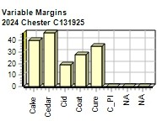
include the loss you might experience when you sell capacity or liquidate inventory as the result of
eliminating a production line. If the amount appears as a negative amount, then you actually made money
on the liquidation of capacity or inventory. EBIT: Earnings Before Interest and Taxes. Short Term Interest:
Interest expense based on last years current debt, including short term debt, long term notes that have
become due, and emergency loans, Long Term Interest: Interest paid on outstanding bonds. Taxes:
Income tax based upon a 35% tax rate. Profit Sharing: Profits shared with employees under the labor
contract. Net Profit: EBIT minus interest, taxes, and profit sharing.

Annual Report |  |  |  |  |  |  |  |  |  | Page 15

