Table 1
Round: 4 Dec. 31, 2025 |  |  |  |  |  |  | C131925
Andrews |  | Baldwin |  |  |  | Chester
Sornnarin Bangkedph |  | Wisit Wirojrungson |  |  |  | Marko Heinelo
Sutthipong Kultungk |  | Rachaneewan Leekanc |  |  |  | Pasan Opaschaitat
Thitiwat Pakaphongp |  | Santi Mualkijnitaya |  |  |  | Kanlaya Rattanyu
Pathumma Sitthikorn |  | Vikorn Phongsathorn |  |  |  | Santi Tangsakul
Sophak Srilam |  | Ponglar Porntheeran |  |  |  | Sunee Techakulung
Wararee Toah-ngern |  | Banphot Wongvisavak |  |  |  | Thongchai Theantong
Digby |  | Erie |  |  |  | Ferris
Sakarin Yuktanonda |  | Phungjai Tinnasulan |  |  |  | Apiram Udomrattanac
Supanee Armstrong |  | Wongkanok Kanoktana
Chayapol Boonlert |  | Fa-um Phengsri
Surachet Chaipet |  | Thanapol Ratanaboon
Akawut Chuenchom |  | Niti Saengchomphu
Noppakao Loykhwamsu |  | Norraron Treecheewa
Selected Financial Statistics
 | Andrews | Baldwin | Chester | Digby |  |  | Erie | Ferris
ROS | 2.1% | 3.8% | 4.8% | 1.0% |  |  | 5.3% | 2.2%
Asset Turnover | 1.17 | 0.76 | 1.04 | 1.40 |  |  | 1.09 | 1.06
ROA | 2.5% | 2.9% | 5.0% | 1.3% |  |  | 5.7% | 2.3%
Leverage | 1.7 | 2.5 | 2.5 | 2.5 |  |  | 1.9 | 2.1
ROE | 4.2% | 7.3% | 12.3% | 3.4% |  |  | 11.2% | 4.8%
Emergency Loan | $3,101,975 | $13,842,918 | $0 | $0 |  |  | $0 | $0
Sales | $127,120,730 | $218,097,071 | $216,773,232 | $178,393,552 |  |  | $178,070,797 | $63,749,549
EBIT | $9,310,052 | $33,931,305 | $30,360,912 | $11,790,160 |  |  | $23,494,629 | $5,627,743
Profits | $2,717,957 | $8,266,225 | $10,502,107 | $1,713,505 |  |  | $9,399,272 | $1,370,919
Cumulative Profit | $20,883,095 | $34,818,451 | $31,457,297 | $6,211,375 |  |  | $34,059,870 | $23,497,608
SG&A / Sales | 15.6% | 13.2% | 11.8% | 12.0% |  |  | 9.6% | 13.9%
Contrib. Margin % | 32.0% | 45.5% | 38.8% | 30.1% |  |  | 34.7% | 30.2%
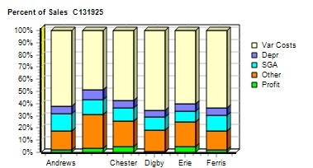 |  |  |  |  | 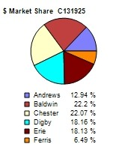
CAPSTONE ® COURIER |  |  |  |  |  |  | Page 1

Table 2
Stock & Bonds C131925 Round: 4 Dec. 31, 2025
Stock Market Summary
Company | Close Change | Shares MarketCap Book Value ($M) Per Share |  | EPS Dividend |  | Yield | P/E
Andrews | $35.95 $0.48 | 2,000,000 $72 $32.07 |  | $1.36 $0.00 |  | 0.0% | 26.4
Baldwin | $51.24 ($2.00) | 2,831,465 $145 $40.11 |  | $2.92 $0.00 |  | 0.0% | 17.5
Chester | $57.06 $7.77 | 2,291,939 $131 $37.18 |  | $4.58 $0.00 |  | 0.0% | 12.4
Digby | $27.48 $20.52 | 2,000,000 $55 $24.98 |  | $0.86 $0.00 |  | 0.0% | 32.0
Erie | $57.77 $14.96 | 2,233,609 $129 $37.61 |  | $4.21 $0.00 |  | 0.0% | 13.7
Ferris | $21.47 ($15.66) | 2,000,000 $43 $14.24 |  | $0.69 $1.90 |  | 8.9% | 31.3
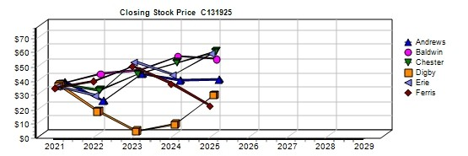
Bond Market Summary
Company | Series# Face | Yield Close$ S&P | Company Series# | Face | Yield | Close$ | S&P
Andrews |  |  | Digby
 | 14.0S2027 $20,850,000 | 13.6% 102.86 BBB | 14.0S2027 | $20,850,000 | 14.1% | 99.51 | CC
Baldwin |  |  | 11.3S2032 | $6,000,000 | 13.0% | 87.25 | CC
 | 14.0S2027 $20,850,000 | 14.1% 99.51 CC | 13.3S2033 | $28,000,000 | 13.9% | 95.41 | CC
 | 11.3S2032 $10,000,000 | 13.0% 87.25 CC | Erie
 | 12.0S2033 $20,000,000 | 13.4% 89.44 CC | 14.0S2027 | $20,850,000 | 13.8% | 101.50 | B
 | 12.9S2034 $20,000,000 | 13.8% 93.15 CC | 12.4S2034 | $10,000,000 | 12.9% | 96.42 | B
 | 13.1S2035 $40,000,000 | 14.0% 93.81 CC | 13.3S2035 | $22,000,000 | 13.2% | 101.08 | B
Chester |  |  | Ferris
 | 14.0S2027 $20,850,000 | 14.0% 99.67 CC | 14.0S2027 | $14,403,178 | 13.9% | 100.83 | CCC
 | 11.3S2032 $18,990,000 | 12.9% 87.64 CC
 | 12.6S2033 $10,000,000 | 13.6% 92.63 CC
 | 13.2S2035 $12,000,000 | 13.9% 94.82 CC
Next Year's Prime Rate9.00%
CAPSTONE ® COURIER Page 2

Table 4
Production Analysis C131925 Round: 4 Dec. 31, 2025
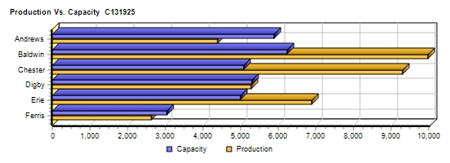
 |  |  |  |  |  |  |  |  |  |  |  | 2nd
 |  |  |  |  |  |  |  |  |  |  |  | Shift | Auto
 |  | Unit |  |  |  |  |  |  |  |  |  | & | mation | Capacity
Primary | Units | Inven | Revision | Age |  | Pfmn | Size |  | Material | Labor | Contr. | Over- | Next | Next | Plant
Name Segment | Sold | tory | Date | Dec.31 | MTBF | Coord | Coord | Price | C□ost | □Cost | Marg. | time | Round | Round | Utiliz.
Able Trad | 1,636 | 127 | 7/22/2025 | 1.8 | 17500 | 7.8 | 12.2 | $28.00 | $10.23 | $7.93 | 35% | 0% | 4.5 | 1,800 | 88%
Acre Low | 1,209 | 826 | 5/25/2017 | 8.6 | 14000 | 3.0 | 17.0 | $20.49 | $5.25 | $6.10 | 34% | 0% | 6.0 | 1,400 | 74%
Adam High | 199 | 436 | 5/6/2023 | 4.2 | 23000 | 9.5 | 10.0 | $37.00 | $13.48 | $9.76 | 18% | 0% | 3.0 | 900 | 44%
Aft Pfmn | 507 | 188 | 4/4/2025 | 3.6 | 27000 | 12.0 | 14.0 | $33.00 | $14.54 | $8.54 | 28% | 0% | 4.0 | 600 | 96%
Agape Size | 86 | 88 | 5/25/2019 | 6.6 | 19000 | 4.0 | 11.0 | $30.00 | $10.12 | $8.54 | 21% | 0% | 4.0 | 1 | 99%
ANew1 High | 594 | 0 | 7/16/2025 | 1.2 | 24000 | 12.5 | 7.5 | $38.50 | $16.03 | $9.76 | 33% | 0% | 3.0 | 600 | 99%
ANew2 Size | 208 | 0 | 8/9/2025 | 0.4 | 19000 | 7.0 | 6.0 | $33.50 | $13.45 | $9.76 | 30% | 0% | 3.0 | 600 | 35%
Baker Trad | 2,481 | 836 | 3/26/2026 | 2.6 | 17500 | 7.1 | 12.9 | $27.70 | $8.63 | $2.36 | 55% | 60% | 10.0 | 1,900 | 158%
Bead Low | 3,196 | 1,159 | 2/10/2026 | 8.6 | 14000 | 3.0 | 17.0 | $18.60 | $4.69 | $2.29 | 56% | 42% | 10.0 | 2,650 | 140%
Bold Pfmn | 774 | 414 | 5/11/2026 | 3.5 | 27000 | 11.4 | 14.6 | $33.00 | $12.59 | $9.93 | 27% | 100% | 5.0 | 850 | 198%
Buddy Size | 763 | 426 | 6/6/2026 | 3.5 | 20000 | 5.4 | 9.0 | $33.00 | $10.53 | $9.93 | 33% | 100% | 5.0 | 900 | 198%
Bead2 | 0 | 0 | 1/20/2027 | 2.8 | 14000 | 4.5 | 16.0 | $20.00 | $0.00 | $0.00 | 0% | 0% | 5.0 | 400 | 0%
Bid2 High | 792 | 0 | 6/30/2024 | 1.5 | 23000 | 12.5 | 7.5 | $38.50 | $14.06 | $9.93 | 37% | 100% | 3.0 | 400 | 198%
Baker2 High | 227 | 372 | 4/29/2025 | 0.7 | 25000 | 13.4 | 6.6 | $38.50 | $15.25 | $9.93 | 21% | 100% | 3.0 | 850 | 133%
Cake Low | 1,584 | 0 | 5/5/2022 | 5.4 | 14000 | 5.7 | 14.3 | $19.20 | $6.96 | $3.82 | 43% | 33% | 8.0 | 1,200 | 132%
Cedar Low | 2,738 | 34 | 5/25/2017 | 8.6 | 14000 | 3.0 | 17.0 | $19.50 | $4.89 | $4.23 | 52% | 100% | 9.0 | 1,400 | 198%
Cid Trad | 1,309 | 478 | 12/17/2025 | 1.9 | 19000 | 8.5 | 11.6 | $27.90 | $10.45 | $5.64 | 43% | 100% | 7.0 | 900 | 198%
Coat Pfmn | 1,091 | 97 | 11/28/2025 | 1.5 | 27000 | 14.4 | 12.5 | $33.20 | $15.07 | $8.46 | 31% | 100% | 7.0 | 1,200 | 198%
Cure Trad | 1,188 | 0 | 9/23/2025 | 1.6 | 19000 | 7.8 | 12.2 | $28.40 | $9.95 | $11.27 | 25% | 100% | 7.0 | 600 | 198%
C_PI Pfmn | 792 | 0 | 7/15/2024 | 1.5 | 27000 | 13.4 | 13.2 | $33.40 | $14.42 | $8.46 | 31% | 100% | 7.0 | 400 | 198%
Daze Trad | 1,622 | 91 | 9/8/2025 | 1.5 | 17500 | 7.8 | 12.0 | $25.01 | $10.02 | $7.73 | 28% | 0% | 5.0 | 1,800 | 44%
Dell Low | 2,357 | 635 | 2/1/2025 | 8.6 | 15000 | 3.0 | 17.0 | $18.00 | $5.39 | $5.15 | 35% | 0% | 7.0 | 1,600 | 99%
Dot Pfmn | 589 | 308 | 8/16/2025 | 2.1 | 27000 | 13.4 | 13.2 | $32.00 | $15.03 | $10.61 | 18% | 7% | 3.0 | 600 | 106%
Dune Size | 901 | 0 | 9/9/2025 | 1.4 | 19000 | 6.8 | 7.0 | $31.99 | $12.50 | $11.97 | 24% | 52% | 3.0 | 600 | 150%
DeeNee High | 1,260 | 127 | 8/27/2025 | 1.1 | 22000 | 11.9 | 8.0 | $37.89 | $14.55 | $9.56 | 36% | 100% | 6.0 | 1,000 | 198%
DeeKwa | 0 | 0 | 12/3/2026 | 0.0 | 0 | 0.0 | 0.0 | $0.00 | $0.00 | $0.00 | 0% | 0% | 10.0 | 100 | 0%
Eat Trad | 2,098 | 724 | 2/12/2025 | 2.4 | 17500 | 7.8 | 12.2 | $28.00 | $9.73 | $4.17 | 44% | 0% | 9.5 | 1,800 | 98%
Ebb Low | 2,759 | 83 | 5/25/2017 | 8.6 | 14000 | 3.0 | 17.0 | $18.00 | $4.99 | $7.37 | 30% | 100% | 9.0 | 1,400 | 195%
Egg Size | 1,022 | 510 | 6/29/2025 | 1.7 | 21000 | 7.5 | 5.6 | $33.00 | $13.66 | $10.32 | 26% | 100% | 4.0 | 600 | 195%
Elite High | 783 | 145 | 2/27/2024 | 2.1 | 25000 | 11.6 | 9.0 | $38.00 | $14.59 | $8.40 | 37% | 58% | 5.0 | 600 | 155%
Elon High | 163 | 130 | 6/27/2025 | 0.5 | 25000 | 13.4 | 6.6 | $38.00 | $16.22 | $9.53 | 25% | 0% | 5.0 | 600 | 49%
Fast Low | 519 | 74 | 1/29/2024 | 5.4 | 17000 | 5.4 | 14.6 | $22.00 | $8.15 | $7.73 | 24% | 0% | 5.0 | 800 | 62%
Fist High | 629 | 311 | 9/4/2025 | 1.3 | 24000 | 11.5 | 8.7 | $38.00 | $15.20 | $9.02 | 33% | 0% | 4.0 | 950 | 99%
Foam Pfmn | 193 | 153 | 11/6/2025 | 1.3 | 24000 | 12.2 | 13.5 | $33.00 | $13.94 | $9.02 | 25% | 0% | 4.0 | 600 | 58%
Fume Size | 668 | 174 | 8/23/2025 | 1.5 | 18000 | 5.3 | 7.4 | $33.00 | $12.10 | $9.78 | 32% | 21% | 4.0 | 700 | 120%
CAPSTONE ® COURIER |  |  |  |  |  |  |  |  |  |  |  |  |  |  | Page 4

Table 5
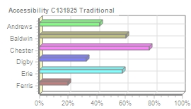
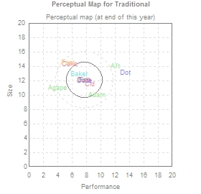
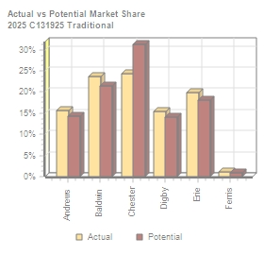
Traditional Segment Analysis C131925 Round: 4 Dec. 31, 2025
Traditional Statistics Total Industry Unit Demand 10,504 Actual Industry Unit Sales |10,504 Segment % of Total Industry |28.4% Next Year's Segment Growth Rate |9.2% Traditional Customer Buying Criteria Expectations Importance 1. Age Ideal Age = 2.0 47% 2. Price $18.00 - 28.00 23% 3. Ideal Position Pfmn 7.8 Size 12.2 21% 4. Reliability MTBF 14000-19000 9%

Top Products in Traditional Segment
Name Baker Eat Able Daze Cid Cure Cake Fast Agape Dot | Market Share 24% 20% 16% 15% 12% 9% 3% 1% 0% 0% | Units Sold to Seg 2,480 2,091 1,636 1,614 1,306 945 314 111 6 2 | Revision Date 3/26/2026 2/12/2025 7/22/2025 9/8/2025 12/17/2025 9/23/2025 5/5/2022 1/29/2024 5/25/2019 8/16/2025 | Stock Out YES YES | Pfmn Coord 7.1 7.8 7.8 7.8 8.5 7.8 5.7 5.4 4.0 13.4 | Size Coord 12.9 12.2 12.2 12.0 11.6 12.2 14.3 14.6 11.0 13.2 | List Price $27.70 $28.00 $28.00 $25.01 $27.90 $28.40 $19.20 $22.00 $30.00 $32.00 | Age MTBF Dec.31 17500 2.65 17500 2.43 17500 1.81 17500 1.50 19000 1.93 19000 1.56 14000 5.38 17000 5.43 19000 6.60 27000 2.10 | Promo Budget $1,500 $1,500 $1,500 $1,000 $2,000 $2,000 $1,200 $300 $0 $1,500 | Cust. A□ware- n□ess 94% 93% 82% 53% 92% 80% 82% 25% 24% 49% | Sales Budget $2,000 $2,000 $1,500 $1,000 $1,500 $1,500 $1,500 $750 $0 $2,000 | Cust. A□ccess- ibility 60% 58% 42% 33% 77% 77% 77% 20% 42% 33% | Dec. C□ust S□urvey 37 42 38 32 56 47 6 1 0 0
CAPSTONE ® COURIER Page 5

Table 6
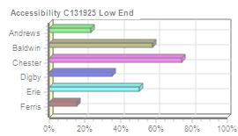
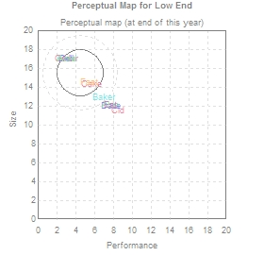
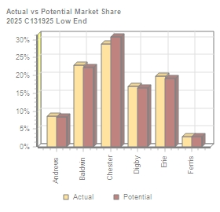
Low End Segment Analysis C131925 Round: 4 Dec. 31, 2025
Low End Statistics Total Industry Unit Demand 13,949 Actual Industry Unit Sales |13,949 Segment % of Total Industry |37.8% Next Year's Segment Growth Rate |11.7% Low End Customer Buying Criteria Expectations Importance 1. Price $13.00 - 23.00 53% 2. Age Ideal Age = 7.0 24% 3. Ideal Position Pfmn 3.7 Size 16.3 16% 4. Reliability MTBF 12000-17000 7%

Top Products in Low End Segment
Name Bead Ebb Cedar Dell Cake Acre Fast Daze Cid Baker | Market Share 23% 20% 20% 17% 9% 9% 3% 0% 0% 0% | Units Sold to Seg 3,196 2,759 2,738 2,357 1,270 1,209 408 8 2 1 | Revision Date 2/10/2026 5/25/2017 5/25/2017 2/1/2025 5/5/2022 5/25/2017 1/29/2024 9/8/2025 12/17/2025 3/26/2026 | Stock Out YES | Pfmn Coord 3.0 3.0 3.0 3.0 5.7 3.0 5.4 7.8 8.5 7.1 | Size Coord 17.0 17.0 17.0 17.0 14.3 17.0 14.6 12.0 11.6 12.9 | List Price $18.60 $18.00 $19.50 $18.00 $19.20 $20.49 $22.00 $25.01 $27.90 $27.70 | Age MTBF Dec.31 14000 8.60 14000 8.60 14000 8.60 15000 8.60 14000 5.38 14000 8.60 17000 5.43 17500 1.50 19000 1.93 17500 2.65 | Promo Budget $1,500 $1,500 $1,300 $1,500 $1,200 $1,000 $300 $1,000 $2,000 $1,500 | Cust. □Aware- □ness 93% 84% 79% 61% 82% 50% 25% 53% 92% 94% | Sales Budget $2,000 $2,000 $1,500 $2,000 $1,500 $1,000 $750 $1,000 $1,500 $2,000 | Cust. A□ccess- ibility 58% 50% 74% 35% 74% 23% 15% 35% 74% 58% | Dec. □Cust □Survey 33 29 28 25 22 12 6 0 0 0
CAPSTONE ® COURIER Page 6

Table 7
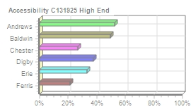
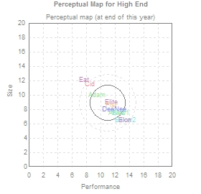
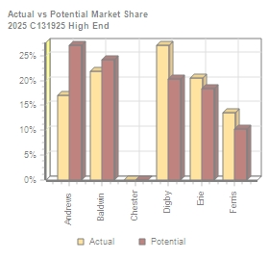
High End Segment Analysis C131925 Round: 4 Dec. 31, 2025
High End Statistics Total Industry Unit Demand 4,656 Actual Industry Unit Sales |4,656 Segment % of Total Industry |12.6% Next Year's Segment Growth Rate |16.2% High End Customer Buying Criteria Expectations Importance 1. Ideal Position Pfmn 12.5 Size 7.5 43% 2. Age Ideal Age = 0.0 29% 3. Reliability MTBF 20000-25000 19% 4. Price $28.00 - 38.00 9%

Top Products in High End Segment
Name DeeNee Bid2 Elite Fist ANew1 Baker2 Adam Elon Eat Cid | Market Share 27% 17% 17% 14% 13% 5% 4% 3% 0% 0% | Units Sold to Seg 1,260 792 783 629 594 227 199 163 7 2 | Revision Date 8/27/2025 6/30/2024 2/27/2024 9/4/2025 7/16/2025 4/29/2025 5/6/2023 6/27/2025 2/12/2025 12/17/2025 | Stock Out YES YES | Pfmn Coord 11.9 12.5 11.6 11.5 12.5 13.4 9.5 13.4 7.8 8.5 | Size Coord 8.0 7.5 9.0 8.7 7.5 6.6 10.0 6.6 12.2 11.6 | List Price $37.89 $38.50 $38.00 $38.00 $38.50 $38.50 $37.00 $38.00 $28.00 $27.90 | Age MTBF Dec.31 22000 1.11 23000 1.49 25000 2.09 24000 1.34 24000 1.22 25000 0.67 23000 4.18 25000 0.51 17500 2.43 19000 1.93 | Promo Budget $2,000 $1,500 $700 $900 $1,500 $1,500 $1,000 $700 $1,500 $2,000 | Cust. □Aware- □ness 75% 53% 38% 47% 67% 61% 52% 37% 93% 92% | Sales Budget $2,000 $2,000 $1,000 $750 $1,500 $2,000 $1,000 $1,000 $2,000 $1,500 | Cust. A□ccess- ibility 37% 49% 33% 21% 53% 49% 53% 33% 33% 27% | Dec. □Cust □Survey 32 32 15 18 37 20 3 15 0 1
CAPSTONE ® COURIER Page 7

Table 8
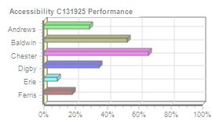
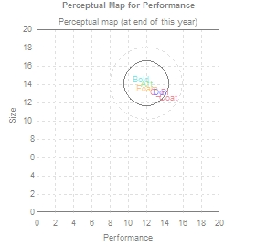
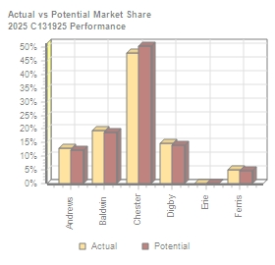
Performance Segment Analysi C131925 Round: 4 Dec. 31, 2025
Performance Statistics Total Industry Unit Demand 3,945 Actual Industry Unit Sales |3,945 Segment % of Total Industry |10.7% Next Year's Segment Growth Rate |19.8% Performance Customer Buying Criteria Expectations Importance 1. Reliability MTBF 22000-27000 43% 2. Ideal Position Pfmn 13.4 Size 13.2 29% 3. Price $23.00 - 33.00 19% 4. Age Ideal Age = 1.0 9%

Top Products in Performance Segment
Name Coat C_PI Bold Dot Aft Foam | Market Share 28% 20% 20% 15% 13% 5% | Units Sold to Seg 1,091 792 774 587 507 193 | Revision Date 11/28/2025 7/15/2024 5/11/2026 8/16/2025 4/4/2025 11/6/2025 | Stock Out YES | Pfmn Coord 14.4 13.4 11.4 13.4 12.0 12.2 | Size Coord 12.5 13.2 14.6 13.2 14.0 13.5 | List Age Price MTBF Dec.31 $33.20 27000 1.54 $33.40 27000 1.46 $33.00 27000 3.45 $32.00 27000 2.10 $33.00 27000 3.62 $33.00 24000 1.29 | Promo Budget $1,500 $2,000 $1,500 $1,500 $1,500 $900 | Cust. A□ware- n□ess 92% 62% 85% 49% 63% 47% | Sales Budget $2,000 $1,500 $2,000 $2,000 $1,500 $750 | Cust. □Access- ibility 66% 66% 52% 34% 29% 18% | Dec. C□ust S□urvey 37 48 29 37 23 12
CAPSTONE ® COURIER Page 8

Table 9
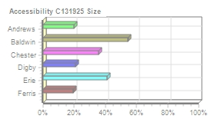
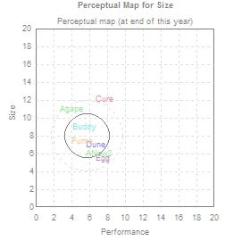
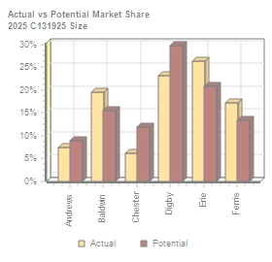
Size Segment Analysis C131925 Round: 4 Dec. 31, 2025
Size Statistics Total Industry Unit Demand 3,885 Actual Industry Unit Sales |3,885 Segment % of Total Industry |10.5% Next Year's Segment Growth Rate |18.3% Size Customer Buying Criteria Expectations Importance 1. Ideal Position Pfmn 6.8 Size 6.6 43% 2. Age Ideal Age = 1.5 29% 3. Reliability MTBF 16000-21000 19% 4. Price $23.00 - 33.00 9%

Top Products in Size Segment
Name Egg Dune Buddy Fume Cure ANew2 Agape | Market Share 26% 23% 20% 17% 6% 5% 2% | Units Sold to Seg 1,022 901 763 668 243 208 80 | Revision Date 6/29/2025 9/9/2025 6/6/2026 8/23/2025 9/23/2025 8/9/2025 5/25/2019 | Stock Out YES YES YES | Pfmn Coord 7.5 6.8 5.4 5.3 7.8 7.0 4.0 | Size Coord 5.6 7.0 9.0 7.4 12.2 6.0 11.0 | List Age Price MTBF Dec.31 $33.00 21000 1.72 $31.99 19000 1.39 $33.00 20000 3.53 $33.00 18000 1.48 $28.40 19000 1.56 $33.50 19000 0.39 $30.00 19000 6.60 | Promo Budget $1,000 $1,000 $1,500 $900 $2,000 $1,000 $0 | Cust. □Aware- □ness 61% 41% 85% 47% 80% 46% 24% | Sales Budget $1,500 $1,000 $2,000 $750 $1,500 $1,100 $0 | Cust. A□ccess- ibility 41% 21% 54% 20% 35% 20% 20% | Dec. C□ust S□urvey 21 31 7 12 0 18 1
CAPSTONE ® COURIER Page 9

Table 10
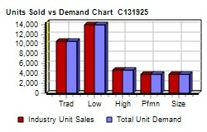
Market Share |  |  |  |  |  |  | C131925 Round: 4 Dec. 31, 2025
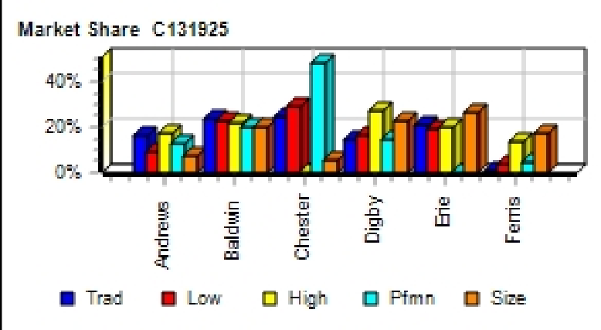
Actual Market Share in Units |  |  |  |  |  |  | Potential Market Share in Units
 | Trad | Low | High | Pfmn | Size | Total |  | Trad | Low | High | Pfmn | Size | Total
Industry Unit Sales | 10,504 | 13,949 | 4,656 | 3,945 | 3,885 | 36,939 | Units Demanded | 10,504 | 13,949 | 4,656 | 3,945 | 3,885 | 36,939
% of Market | 28.4% | 37.8% | 12.6% | 10.7% | 10.5% | 100.0% | % of Market | 28.4% | 37.8% | 12.6% | 10.7% | 10.5% | 100.0%
Able | 15.6% |  |  |  |  | 4.4% | Able | 14.2% |  |  |  |  | 4.0%
Acre |  | 8.7% |  |  |  | 3.3% | Acre |  | 8.4% |  |  |  | 3.2%
Adam |  |  | 4.3% |  |  | 0.5% | Adam |  |  | 3.1% |  |  | 0.4%
Aft |  |  |  | 12.9% |  | 1.4% | Aft |  |  |  | 12.2% |  | 1.3%
Agape |  |  |  |  | 2.1% | 0.2% | Agape |  |  |  |  | 1.6% | 0.2%
ANew1 |  |  | 12.8% |  |  | 1.6% | ANew1 |  |  | 23.9% |  |  | 3.0%
ANew2 |  |  |  |  | 5.3% | 0.6% | ANew2 |  |  |  |  | 7.2% | 0.8%
Total | 15.6% | 8.7% | 17.0% | 12.9% | 7.4% | 12.0% | Total | 14.2% | 8.4% | 27.1% | 12.2% | 8.8% | 12.9%
Baker | 23.6% |  |  |  |  | 6.7% | Baker | 21.5% |  |  |  |  | 6.1%
Bead |  | 22.9% |  |  |  | 8.6% | Bead |  | 22.3% |  |  |  | 8.4%
Bold |  |  |  | 19.6% |  | 2.1% | Bold |  |  |  | 18.6% |  | 2.0%
Buddy |  |  |  |  | 19.6% | 2.1% | Buddy |  |  |  |  | 15.5% | 1.6%
Bid2 |  |  | 17.0% |  |  | 2.1% | Bid2 |  |  | 20.3% |  |  | 2.6%
Baker2 |  |  | 4.9% |  |  | 0.6% | Baker2 |  |  | 3.9% |  |  | 0.5%
Total | 23.6% | 22.9% | 21.9% | 19.6% | 19.6% | 22.3% | Total | 21.5% | 22.3% | 24.2% | 18.6% | 15.5% | 21.2%
Cake | 3.0% | 9.1% |  |  |  | 4.3% | Cake | 3.7% | 11.6% |  |  |  | 5.4%
Cedar |  | 19.6% |  |  |  | 7.4% | Cedar |  | 19.2% |  |  |  | 7.2%
Cid | 12.4% |  |  |  |  | 3.5% | Cid | 11.4% |  |  |  |  | 3.2%
Coat |  |  |  | 27.7% |  | 2.9% | Coat |  |  |  | 26.9% |  | 2.9%
Cure | 9.0% |  |  |  | 6.3% | 3.2% | Cure | 16.2% |  |  |  | 11.8% | 5.8%
C_PI |  |  |  | 20.1% |  | 2.1% | C_PI |  |  |  | 23.5% |  | 2.5%
Total | 24.4% | 28.7% |  | 47.7% | 6.3% | 23.6% | Total | 31.3% | 30.8% |  | 50.4% | 11.8% | 27.1%
Daze | 15.4% |  |  |  |  | 4.4% | Daze | 14.0% |  |  |  |  | 4.0%
Dell |  | 16.9% |  |  |  | 6.4% | Dell |  | 16.4% |  |  |  | 6.2%
Dot |  |  |  | 14.9% |  | 1.6% | Dot |  |  |  | 14.1% |  | 1.5%
Dune |  |  |  |  | 23.2% | 2.4% | Dune |  |  |  |  | 29.7% | 3.1%
DeeNee |  |  | 27.1% |  |  | 3.4% | DeeNee |  |  | 20.3% |  |  | 2.6%
Total | 15.4% | 17.0% | 27.1% | 14.9% | 23.2% | 18.2% | Total | 14.0% | 16.5% | 20.3% | 14.1% | 29.8% | 17.4%
Eat | 19.9% |  | 0.2% |  |  | 5.7% | Eat | 18.1% |  |  |  |  | 5.2%
Ebb |  | 19.8% |  |  |  | 7.5% | Ebb |  | 19.2% |  |  |  | 7.3%
Egg |  |  |  |  | 26.3% | 2.8% | Egg |  |  |  |  | 20.8% | 2.2%
Elite |  |  | 16.8% |  |  | 2.1% | Elite |  |  | 15.4% |  |  | 1.9%
Elon |  |  | 3.5% |  |  | 0.4% | Elon |  |  | 2.8% |  |  | 0.4%
Total | 19.9% | 19.8% | 20.5% |  | 26.3% | 18.5% | Total | 18.1% | 19.2% | 18.3% |  | 20.8% | 16.9%
Fast | 1.1% | 2.9% |  |  |  | 1.4% | Fast | 1.0% | 2.8% |  |  |  | 1.3%
Fist |  |  | 13.5% |  |  | 1.7% | Fist |  |  | 10.2% |  |  | 1.3%
Foam |  |  |  | 4.9% |  | 0.5% | Foam |  |  |  | 4.7% |  | 0.5%
Fume |  |  |  |  | 17.2% | 1.8% | Fume |  |  |  |  | 13.3% | 1.4%
Total | 1.1% | 2.9% | 13.5% | 4.9% | 17.2% | 5.4% | Total | 1.0% | 2.8% | 10.2% | 4.7% | 13.3% | 4.5%
CAPSTONE ® COURIER |  |  |  |  |  |  |  |  |  |  |  |  | Page 10

Table 11
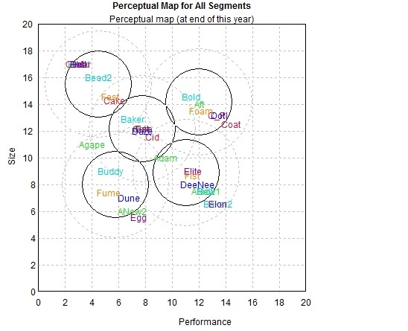
Perceptual Map |  |  |  |  |  |  |  | C131925 Round: 4 Dec. 31, 2025

Andrews |  |  |  |  | Baldwin |  |  | Chester
Name | Pfmn | Size | Revised | Name | Pfmn | Size | Revised | Name | Pfmn | Size | Revised
Able | 7.8 | 12.2 | 7/22/2025 | Baker | 7.1 | 12.9 | 3/26/2026 | Cake | 5.7 | 14.3 | 5/5/2022
Acre | 3.0 | 17.0 | 5/25/2017 | Bead | 3.0 | 17.0 | 2/10/2026 | Cedar | 3.0 | 17.0 | 5/25/2017
Adam | 9.5 | 10.0 | 5/6/2023 | Bold | 11.4 | 14.6 | 5/11/2026 | Cid | 8.5 | 11.6 | 12/17/2025
Aft | 12.0 | 14.0 | 4/4/2025 | Buddy | 5.4 | 9.0 | 6/6/2026 | Coat | 14.4 | 12.5 | 11/28/2025
Agape | 4.0 | 11.0 | 5/25/2019 | Bead2 | 4.5 | 16.0 | 1/20/2027 | Cure | 7.8 | 12.2 | 9/23/2025
ANew1 | 12.5 | 7.5 | 7/16/2025 | Bid2 | 12.5 | 7.5 | 6/30/2024 | C_PI | 13.4 | 13.2 | 7/15/2024
ANew2 | 7.0 | 6.0 | 8/9/2025 | Baker2 | 13.4 | 6.6 | 4/29/2025
Digby |  |  |  |  | Erie |  |  | Ferris
Name | Pfmn | Size | Revised | Name | Pfmn | Size | Revised | Name | Pfmn | Size | Revised
Daze | 7.8 | 12.0 | 9/8/2025 | Eat | 7.8 | 12.2 | 2/12/2025 | Fast | 5.4 | 14.6 | 1/29/2024
Dell | 3.0 | 17.0 | 2/1/2025 | Ebb | 3.0 | 17.0 | 5/25/2017 | Fist | 11.5 | 8.7 | 9/4/2025
Dot | 13.4 | 13.2 | 8/16/2025 | Egg | 7.5 | 5.6 | 6/29/2025 | Foam | 12.2 | 13.5 | 11/6/2025
Dune | 6.8 | 7.0 | 9/9/2025 | Elite | 11.6 | 9.0 | 2/27/2024 | Fume | 5.3 | 7.4 | 8/23/2025
DeeNee | 11.9 | 8.0 | 8/27/2025 | Elon | 13.4 | 6.6 | 6/27/2025
CAPSTONE ® COURIER |  |  |  |  |  |  |  | Page 11

Table 14
Annual Report
Annual Report | Chester |  | C131925 | Round: 4 Dec. 31, 2025
Balance Sheet
DEFINITIONS: Common Size: The common size column | ASSETS Cash Account Receivable Inventory Total Current Assets Plant & Equipment Accumulated Depreciation Total Fixed Assets Total Assets LIABILITIES & OWNERS □EQUITY Accounts Payable Current Debt Long Term Debt Total Liabilities Common Stock Retained Earnings Total Equity Total Liab. & O. Equity |  | $39,308 $26,725 $9,809 $75,842 $209,800 ($76,440) $133,360 $209,202 $11,599 $50,553 $61,840 $123,992 $28,360 $56,851 $85,211 $209,202 | 2025 Common □Size 18.8% 12.8% 4.7% 36.3% 100.0% -36.5% 63.7% 100.0% 5.5% 24.2% 29.6% 59.3% 13.6% 27.2% 40.7% 100.0% | 2024 $37,858 $22,049 $115 $60,022 $166,200 ($62,453) $103,747 $163,769 $9,176 $21,000 $58,884 $89,060 $28,360 $46,349 $74,709 $163,769
simply represents each item as a percentage of total
assets for that year. Cash: Your end-of-year cash
position. Accounts Receivable: Reflects the lag between
delivery and payment of your products. Inventories: The
current value of your inventory across all products. A zero
indicates your company stocked out. Unmet demand
would, of course, fall to your competitors. Plant &
Equipment: The current value of your plant. Accum
Deprec: The total accumulated depreciation from your
plant. Accts Payable: What the company currently owes
suppliers for materials and services. Current Debt: The
debt the company is obligated to pay during the next year
of operations. It includes emergency loans used to keep
your company solvent should you run out of cash during
the year. Long Term Debt: The companys long term debt
is in the form of bonds, and this represents the total value
of your bonds. Common Stock: The amount of capital
invested by shareholders in the company. Retained
Earnings: The profits that the company chose to keep
instead of paying to shareholders as dividends.
Cash Flow Statement
The Cash Flow Statement examines what happened in the Cash Account |  | Cash Flows from Operating Activities Net Income(Loss) Depreciation Extraordinary gains/losses/writeoffs Accounts Payable Inventory Accounts Receivable Net cash from operation Cash Flows from Investing Activities |  | 2025 $10,502 $13,987 $0 $2,423 ($9,695) ($4,676) $12,541 | 2024 $7,034 $11,080 $860 $1,865 $8,716 ($10,784) $18,771
during the year. Cash injections appear as positive numbers and cash
withdrawals as negative numbers. The Cash Flow Statement is an excellent
tool for diagnosing emergency loans. When negative cash flows exceed
positives, you are forced to seek emergency funding. For example, if sales
are bad and you find yourself carrying an abundance of excess inventory,
the report would show the increase in inventory as a huge negative cash
flow. Too much unexpected inventory could outstrip your inflows, exhaust
your starting cash and force you to beg for money to keep your company
afloat.
 |  | Plant Improvements |  | ($43,600) | ($5,980)
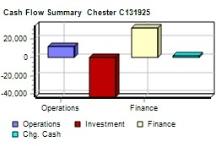
 |  | Cash Flows from Financing Activities
 |  | Dividends paid |  | $0 | $0
 |  | Sales of common stock |  | $0 | $0
 |  | Purchase of common stock |  | $0 | $0
 |  | Cash from long term debt |  | $12,000 | $0
 |  | Retirement of long term debt |  | ($9,044) | $0
 |  | Change in current debt(net) |  | $29,553 | ($1,800)
 |  | Net cash from financing activities |  | $32,509 | ($1,800)
 |  | Net change in cash position |  | $1,449 | $10,991
 |  | Closing cash position |  | $39,308 | $37,858
Annual Report |  |  |  | Page 14

Table 15
Annual Report Chester C131925 Dec. Round: 4 31, 2025
2025 Income Statement
(Product Name) | Cake | Cedar | Cid | Coat | Cure | C_PI C_P2 |  |  | 2025 Total | Common S□ize
Sales | $30,418 | $53,398 | $36,526 | $36,230 | $33,745 | $26,457 $0 |  | $0 | $216,773 | 100.0%
Variable Costs:
Direct Labor | $6,055 | $11,578 | $7,403 | $9,228 | $13,397 | $6,698 $0 |  | $0 | $54,359 | 25.1%
Direct Material | $11,385 | $13,927 | $12,587 | $15,442 | $12,082 | $11,645 $0 |  | $0 | $77,068 | 35.6%
Inventory Carry | $0 | $38 | $876 | $263 | $0 | $0 $0 |  | $0 | $1,177 | 0.5%
Total Variable | $17,440 | $25,543 | $20,866 | $24,933 | $25,479 | $18,343 $0 |  | $0 | $132,604 | 61.2%
Contribution Margin | $12,978 | $27,855 | $15,659 | $11,297 | $8,266 | $8,114 $0 |  | $0 | $84,169 | 38.8%
Period Costs:
Depreciation | $3,040 | $3,920 | $2,040 | $2,720 | $1,360 | $907 $0 |  | $0 | $13,987 | 6.5%
SG&A: R&D | $0 | $0 | $973 | $922 | $738 | $0 $1,000 |  | $0 | $3,633 | 1.7%
Promotions | $1,200 | $1,300 | $2,000 | $1,500 | $2,000 | $2,000 $0 |  | $0 | $10,000 | 4.6%
Sales | $1,500 | $1,500 | $1,500 | $2,000 | $1,500 | $1,500 $0 |  | $0 | $9,500 | 4.4%
Admin | $349 | $613 | $419 | $416 | $387 | $304 $0 |  | $0 | $2,488 | 1.1%
Total Period | $6,089 | $7,333 | $6,933 | $7,558 | $5,985 | $4,710 $1,000 |  | $0 | $39,608 | 18.3%
Net Margin | $6,889 | $20,522 | $8,727 | $3,740 | $2,280 | $3,404 ($1,000) |  | $0 | $44,561 | 20.6%
Definitions: Sales: Unit Sales times list price. Direct Labor: Labor costs incurred to produce the product |  |  |  |  |  |  | Other |  | $14,200 | 6.6%
that was sold. Inventory Carry Cost: the cost unsold goods in inventory. Depreciation: Calculated on |  |  |  |  |  |  | EBIT |  | $30,361 | 14.0%
straight-line. 15-year depreciation of plant value. R&D Costs: R&D department expenditures for each |  |  |  |  |  |  | Short Term Interest |  | $5,965 | 2.8%
product. Admin: Administration overhead is estimated at 1.5% of sales. Promotions: The promotion budget |  |  |  |  |  |  | Long Term Interest |  | $7,909 | 3.6%
for each product. Sales: The sales force budget for each product. Other: Chargs not included in other |  |  |  |  |  |  | Taxes |  | $5,770 | 2.7%
categories such as Fees, Write offs, and TQM. The fees include money paid to investment bankers and |  |  |  |  |  |  | Profit Sharing |  | $214 | 0.1%
brokerage firms to issue new stocks or bonds plus consulting fees your instructor might assess. Write-offs |  |  |  |  |  |  | Net Profit |  | $10,502 | 4.8%
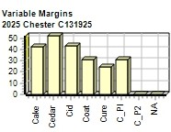
include the loss you might experience when you sell capacity or liquidate inventory as the result of
eliminating a production line. If the amount appears as a negative amount, then you actually made money
on the liquidation of capacity or inventory. EBIT: Earnings Before Interest and Taxes. Short Term Interest:
Interest expense based on last years current debt, including short term debt, long term notes that have
become due, and emergency loans, Long Term Interest: Interest paid on outstanding bonds. Taxes:
Income tax based upon a 35% tax rate. Profit Sharing: Profits shared with employees under the labor
contract. Net Profit: EBIT minus interest, taxes, and profit sharing.

Annual Report |  |  |  |  |  |  |  |  |  | Page 15

