Table 1
Round: 8 Dec. 31, 2029 |  |  |  |  |  |  | C131925
Andrews |  | Baldwin |  |  |  | Chester
Sornnarin Bangkedph |  | Wisit Wirojrungson |  |  |  | Marko Heinelo
Sutthipong Kultungk |  | Rachaneewan Leekanc |  |  |  | Pasan Opaschaitat
Thitiwat Pakaphongp |  | Santi Mualkijnitaya |  |  |  | Kanlaya Rattanyu
Pathumma Sitthikorn |  | Vikorn Phongsathorn |  |  |  | Santi Tangsakul
Sophak Srilam |  | Ponglar Porntheeran |  |  |  | Sunee Techakulung
Wararee Toah-ngern |  | Banphot Wongvisavak |  |  |  | Thongchai Theantong
Digby |  | Erie |  |  |  | Ferris
Sakarin Yuktanonda |  | Phungjai Tinnasulan |  |  |  | Apiram Udomrattanac
Supanee Armstrong |  | Wongkanok Kanoktana
Chayapol Boonlert |  | Fa-um Phengsri
Surachet Chaipet |  | Thanapol Ratanaboon
Akawut Chuenchom |  | Niti Saengchomphu
Noppakao Loykhwamsu |  | Norraron Treecheewa
Selected Financial Statistics
 | Andrews | Baldwin | Chester | Digby |  |  | Erie | Ferris
ROS | -4.7% | 17.2% | 22.4% | 5.3% |  |  | 17.5% | -1.2%
Asset Turnover | 1.22 | 1.08 | 0.99 | 1.53 |  |  | 0.98 | 2.01
ROA | -5.8% | 18.6% | 22.2% | 8.1% |  |  | 17.1% | -2.4%
Leverage | 3.6 | 1.4 | 1.2 | 2.5 |  |  | 1.9 | 2.1
ROE | -20.9% | 26.3% | 27.4% | 19.9% |  |  | 32.1% | -5.0%
Emergency Loan | $95,738,332 | $0 | $0 | $0 |  |  | $0 | $0
Sales | $191,031,797 | $360,518,856 | $358,889,376 | $253,052,485 |  |  | $232,453,982 | $63,662,637
EBIT | $5,980,127 | $108,472,959 | $134,134,416 | $33,883,361 |  |  | $77,398,526 | $677,565
Profits | ($9,037,576) | $62,050,030 | $80,401,014 | $13,365,127 |  |  | $40,620,042 | ($760,202)
Cumulative Profit | ($544,459) | $246,543,827 | $228,780,973 | $23,406,151 |  |  | $122,857,695 | $13,553,591
SG&A / Sales | 10.6% | 8.9% | 7.0% | 11.8% |  |  | 8.2% | 18.3%
Contrib. Margin % | 21.3% | 46.1% | 51.0% | 36.7% |  |  | 49.9% | 26.6%
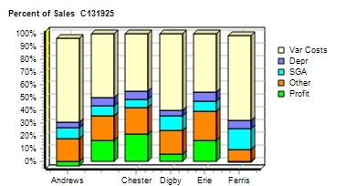 |  |  |  |  | 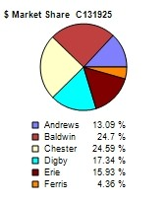
CAPSTONE ® COURIER |  |  |  |  |  |  | Page 1

Table 2
Stock & Bonds |  | C131925 |  | Round: 8 Dec. 31, 2029
Stock Market Summary
Company | Close Change | Shares MarketCap Book Value EPS Dividend ($M) Per Share |  |  | Yield | P/E
Andrews | $1.00 $0.00 | 2,013,908 $2 $21.46 ($4.49) $0.00 |  |  | 0.0% | -0.2
Baldwin | $205.12 $20.69 | 2,907,693 $596 $81.28 $21.34 $9.00 |  |  | 4.4% | 9.6
Chester | $239.88 $72.33 | 2,730,051 $655 $107.65 $29.45 $4.00 |  |  | 1.7% | 8.1
Digby | $61.53 $32.63 | 2,000,000 $123 $33.58 $6.68 $0.00 |  |  | 0.0% | 9.2
Erie | $144.90 $57.47 | 2,024,524 $293 $62.52 $20.06 $5.00 |  |  | 3.5% | 7.2
Ferris | $2.07 $1.07 | 2,793,717 $6 $5.49 ($0.27) $0.00 |  |  | 0.0% | -7.7
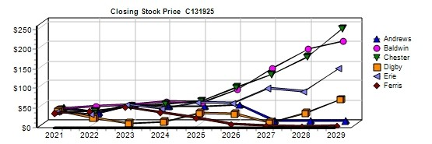
Bond Market Summary
Company | Series# Face | Yield Close$ S&P | Company Series# Face | Yield | Close$ | S&P
Andrews |  |  | Digby
 | 12.3S2036 $8,177,470 | 15.1% 81.56 DDD | 11.3S2032 $6,000,000 | 12.7% | 89.03 | CC
Baldwin |  |  | 13.3S2033 $28,000,000 | 14.5% | 91.92 | CC
 | 13.1S2035 $23,123,507 | 13.1% 100.00 AA | 15.0S2037 $30,000,000 | 15.8% | 94.82 | CC
 | 14.3S2036 $48,000,000 | 13.6% 105.29 AA | 16.0S2038 $25,000,000 | 16.1% | 99.08 | CC
Chester |  |  | Erie
 | 13.2S2035 $5,827,157 | 12.9% 102.42 AAA | 13.3S2035 $20,983,454 | 14.2% | 93.93 | B
 | 13.4S2037 $35,000,000 | 12.9% 103.89 AAA | 13.1S2036 $15,000,000 | 14.2% | 92.49 | B
 |  |  | 13.6S2037 $30,000,000 | 14.4% | 94.15 | B
 |  |  | 14.9S2039 $5,000,000 | 14.9% | 100.00 | B
 |  |  | Ferris
 |  |  | 14.1S2037 $6,435,046 | 15.0% | 94.24 | CCC
Next Year's Prime Rate11.00%
CAPSTONE ® COURIER |  |  |  |  | Page 2

Table 4
Production Analysis C131925 Round: 8 Dec. 31, 2029
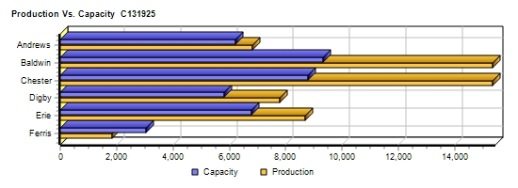
 |  |  |  |  |  |  |  |  |  |  |  | 2nd
 |  |  |  |  |  |  |  |  |  |  |  | Shift | Auto
 |  | Unit |  |  |  |  |  |  |  |  |  | & | mation | Capacity
Primary | Units | Inven | Revision | Age |  | Pfmn | Size |  | Material | Labor | Contr. | Over- | Next | Next | Plant
Name Segment | Sold | tory | Date | Dec.31 | MTBF | Coord | Coord | Price | C□ost | □Cost | Marg. | time | Round | Round | Utiliz.
Able Trad | 1,780 | 864 | 5/20/2028 | 2.9 | 17500 | 9.0 | 10.0 | $25.00 | $8.29 | $7.86 | 25% | 0% | 4.5 | 1,800 | 77%
Acre Low | 2,772 | 0 | 4/10/2027 | 7.7 | 14000 | 5.7 | 14.3 | $16.25 | $5.09 | $7.50 | 22% | 100% | 6.0 | 1,400 | 198%
Adam Trad | 54 | 47 | 5/6/2023 | 8.2 | 23000 | 9.5 | 10.0 | $30.00 | $9.97 | $9.67 | 12% | 0% | 3.0 | 1 | 99%
Aft Pfmn | 758 | 352 | 3/23/2027 | 5.2 | 27000 | 15.4 | 11.8 | $30.00 | $12.73 | $8.46 | 15% | 0% | 4.0 | 600 | 50%
Agape Low | 12 | 0 | 5/25/2019 | 10.6 | 19000 | 4.0 | 11.0 | $22.00 | $7.51 | $8.46 | 6% | 0% | 4.0 | 1 | 99%
ANew1 High | 1,134 | 1,119 | 6/3/2028 | 2.5 | 24000 | 15.2 | 4.8 | $35.00 | $13.42 | $8.46 | 25% | 0% | 4.0 | 1,200 | 99%
ANew2 Size | 1,219 | 1,625 | 1/26/2028 | 3.2 | 19000 | 8.9 | 3.6 | $30.50 | $10.98 | $8.46 | 18% | 0% | 4.0 | 1,200 | 99%
Baker Trad | 2,231 | 907 | 8/29/2029 | 1.9 | 17500 | 9.7 | 10.4 | $24.24 | $7.90 | $1.31 | 60% | 94% | 10.0 | 1,630 | 193%
Bead Low | 4,313 | 1,017 | 2/10/2026 | 8.2 | 14000 | 4.2 | 15.8 | $11.24 | $3.98 | $1.29 | 50% | 80% | 10.0 | 2,950 | 178%
Bee High | 720 | 0 | 8/7/2028 | 2.1 | 25000 | 15.3 | 4.7 | $36.00 | $12.99 | $5.31 | 47% | 0% | 6.0 | 800 | 62%
Bold Pfmn | 1,618 | 0 | 4/1/2029 | 1.7 | 27000 | 17.4 | 10.4 | $30.69 | $12.94 | $7.79 | 32% | 87% | 5.0 | 930 | 185%
Buddy Size | 1,372 | 0 | 6/4/2029 | 2.2 | 20000 | 9.6 | 2.6 | $30.74 | $11.09 | $7.55 | 39% | 62% | 5.0 | 770 | 161%
Bead2 Trad | 2,202 | 0 | 11/29/2028 | 3.0 | 17500 | 9.9 | 10.1 | $24.49 | $8.04 | $1.11 | 61% | 10% | 10.0 | 1,150 | 109%
Bid2 Size | 1,386 | 0 | 9/24/2028 | 2.6 | 20000 | 9.3 | 3.1 | $30.64 | $10.87 | $7.90 | 38% | 100% | 5.0 | 700 | 198%
Baker2 Pfmn | 1,436 | 0 | 6/24/2029 | 1.6 | 27000 | 17.4 | 10.4 | $30.49 | $12.94 | $6.58 | 36% | 100% | 6.0 | 725 | 198%
Cake Low | 4,395 | 0 | 5/5/2022 | 9.4 | 14000 | 5.7 | 14.3 | $14.75 | $4.80 | $1.38 | 57% | 100% | 10.0 | 2,200 | 200%
Cedar Low | 2,797 | 0 | 4/4/2027 | 7.7 | 14000 | 4.7 | 15.3 | $16.00 | $4.25 | $1.38 | 64% | 100% | 10.0 | 1,400 | 200%
Cid Trad | 1,838 | 0 | 8/27/2029 | 2.1 | 19000 | 10.0 | 10.1 | $25.50 | $8.47 | $1.23 | 61% | 29% | 10.0 | 1,400 | 128%
Coat Pfmn | 1,479 | 1,281 | 9/11/2029 | 2.0 | 27000 | 17.4 | 10.4 | $30.25 | $12.95 | $3.34 | 36% | 0% | 8.0 | 1,200 | 100%
Cure Trad | 2,464 | 0 | 2/19/2029 | 2.6 | 19000 | 10.6 | 9.4 | $25.80 | $8.82 | $1.38 | 60% | 100% | 10.0 | 1,200 | 200%
C_PI Pfmn | 1,431 | 80 | 1/26/2029 | 2.6 | 27000 | 17.4 | 10.4 | $30.60 | $12.95 | $4.15 | 43% | 100% | 8.0 | 680 | 200%
C_P2 High | 1,398 | 0 | 6/6/2029 | 1.4 | 25000 | 16.1 | 3.9 | $36.00 | $13.44 | $11.05 | 32% | 100% | 3.0 | 700 | 200%
Daze Trad | 1,828 | 85 | 3/20/2029 | 2.4 | 17500 | 9.5 | 10.9 | $24.50 | $7.71 | $7.14 | 38% | 0% | 5.0 | 1,800 | 99%
Dell Low | 3,169 | 0 | 5/2/2027 | 7.6 | 14000 | 5.2 | 14.8 | $13.49 | $4.53 | $5.90 | 22% | 100% | 7.0 | 1,600 | 198%
Dot Pfmn | 993 | 0 | 3/21/2029 | 1.8 | 27000 | 16.5 | 11.0 | $29.99 | $12.53 | $9.94 | 22% | 10% | 3.0 | 600 | 109%
Dune Size | 1,271 | 0 | 5/15/2029 | 1.6 | 19000 | 9.0 | 3.0 | $30.39 | $10.59 | $11.81 | 26% | 100% | 3.0 | 600 | 198%
DeeNee High | 1,270 | 72 | 3/26/2029 | 1.6 | 22000 | 15.0 | 5.0 | $34.49 | $12.03 | $5.95 | 46% | 0% | 6.0 | 500 | 99%
DeeKwa High | 1,217 | 34 | 8/27/2029 | 1.7 | 25000 | 15.6 | 5.5 | $34.00 | $12.86 | $1.19 | 56% | 0% | 10.0 | 500 | 20%
Dcuk Size | 396 | 0 | 6/26/2027 | 2.5 | 21000 | 8.9 | 3.6 | $30.01 | $10.89 | $1.48 | 58% | 100% | 10.0 | 200 | 198%
Eat Trad | 2,539 | 1,158 | 1/8/2029 | 2.8 | 17500 | 10.0 | 9.8 | $24.00 | $8.15 | $1.15 | 57% | 0% | 10.0 | 1,800 | 98%
Ebb Low | 3,688 | 1,519 | 3/23/2029 | 4.3 | 14000 | 5.4 | 14.5 | $14.50 | $4.67 | $1.41 | 56% | 87% | 10.0 | 2,400 | 183%
Egg Size | 1,561 | 0 | 7/5/2029 | 1.6 | 21000 | 9.6 | 2.6 | $30.50 | $11.36 | $5.77 | 42% | 0% | 8.0 | 1,000 | 98%
Elite High | 1,040 | 0 | 1/11/2029 | 2.7 | 25000 | 16.1 | 3.9 | $35.50 | $13.43 | $5.77 | 45% | 0% | 6.0 | 1,000 | 98%
Elon High | 964 | 0 | 1/11/2028 | 3.2 | 25000 | 15.2 | 4.8 | $34.75 | $12.94 | $5.77 | 43% | 0% | 6.0 | 600 | 98%
Fast Low | 569 | 74 | 1/29/2024 | 9.4 | 17000 | 5.4 | 14.6 | $20.50 | $6.16 | $9.32 | 23% | 0% | 5.0 | 800 | 80%
Fist High | 743 | 6 | 8/15/2029 | 1.3 | 24750 | 15.0 | 4.7 | $36.00 | $14.56 | $10.87 | 30% | 0% | 4.0 | 950 | 63%
Foam Pfmn | 410 | 22 | 7/18/2029 | 1.3 | 24000 | 16.3 | 10.4 | $31.00 | $13.33 | $10.87 | 22% | 0% | 4.0 | 600 | 58%
Fume Size | 404 | 0 | 10/2/2029 | 1.3 | 18000 | 8.5 | 3.0 | $31.00 | $11.63 | $10.87 | 28% | 0% | 4.0 | 700 | 35%
CAPSTONE ® COURIER |  |  |  |  |  |  |  |  |  |  |  |  |  |  | Page 4

Table 5
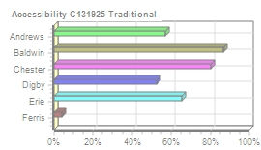
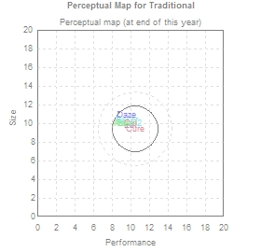
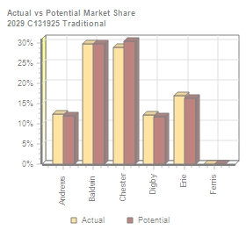
Traditional Segment Analysis C131925 Round: 8 Dec. 31, 2029
Traditional Statistics Total Industry Unit Demand 14,937 Actual Industry Unit Sales |14,937 Segment % of Total Industry |24.5% Next Year's Segment Growth Rate |9.2% Traditional Customer Buying Criteria Expectations Importance 1. Age Ideal Age = 2.0 47% 2. Price $16.00 - 26.00 23% 3. Ideal Position Pfmn 10.6 Size 9.4 21% 4. Reliability MTBF 14000-19000 9%

Top Products in Traditional Segment
Name Eat Cure Baker Bead2 Cid Daze Able Adam | Market Share 17% 17% 15% 15% 12% 12% 12% 0% | Units Sold to Seg 2,539 2,464 2,231 2,202 1,838 1,828 1,780 54 | Revision Date 1/8/2029 2/19/2029 8/29/2029 11/29/2028 8/27/2029 3/20/2029 5/20/2028 5/6/2023 | Stock Out YES YES YES | Pfmn Coord 10.0 10.6 9.7 9.9 10.0 9.5 9.0 9.5 | Size Coord 9.8 9.4 10.4 10.1 10.1 10.9 10.0 10.0 | List Age Price MTBF Dec.31 $24.00 17500 2.81 $25.80 19000 2.60 $24.24 17500 1.93 $24.49 17500 2.98 $25.50 19000 2.15 $24.50 17500 2.36 $25.00 17500 2.88 $30.00 23000 8.18 | Promo Budget $1,500 $1,400 $1,400 $1,500 $1,400 $1,750 $1,500 $0 | Cust. A□ware- n□ess 100% 99% 100% 85% 98% 99% 100% 27% | Sales Budget $2,000 $1,300 $2,000 $2,000 $1,300 $2,000 $1,500 $0 | Cust. □Access- ibility 65% 80% 86% 86% 80% 53% 57% 57% | Dec. C□ust □Survey 40 55 60 34 61 37 24 1
CAPSTONE ® COURIER Page 5

Table 6
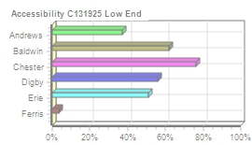
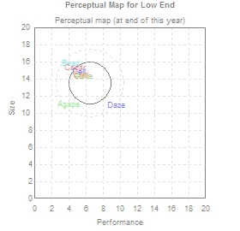
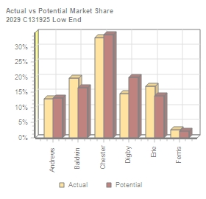
Low End Segment Analysis C131925 Round: 8 Dec. 31, 2029
Low End Statistics Total Industry Unit Demand 21,715 Actual Industry Unit Sales |21,715 Segment % of Total Industry |35.7% Next Year's Segment Growth Rate |11.7% Low End Customer Buying Criteria Expectations Importance 1. Price $11.00 - 21.00 53% 2. Age Ideal Age = 7.0 24% 3. Ideal Position Pfmn 5.7 Size 14.3 16% 4. Reliability MTBF 12000-17000 7%

Top Products in Low End Segment
Name Cake Bead Ebb Dell Cedar Acre Fast Agape | Market Share 20% 20% 17% 15% 13% 13% 3% 0% | Units Sold to Seg 4,395 4,313 3,688 3,169 2,797 2,772 569 12 | Revision Date 5/5/2022 2/10/2026 3/23/2029 5/2/2027 4/4/2027 4/10/2027 1/29/2024 5/25/2019 | Stock Out YES YES YES YES YES | Pfmn Coord 5.7 4.2 5.4 5.2 4.7 5.7 5.4 4.0 | Size Coord 14.3 15.8 14.5 14.8 15.3 14.3 14.6 11.0 | List Age Price MTBF Dec.31 $14.75 14000 9.38 $11.24 14000 8.24 $14.50 14000 4.28 $13.49 14000 7.63 $16.00 14000 7.67 $16.25 14000 7.66 $20.50 17000 9.43 $22.00 19000 10.60 | Promo Budget $1,400 $1,400 $1,500 $1,000 $1,400 $1,500 $300 $0 | Cust. A□ware- n□ess 98% 100% 100% 85% 99% 97% 11% 5% | Sales Budget $1,200 $2,000 $2,000 $2,000 $1,200 $1,500 $0 $0 | Cust. □Access- ibility 76% 62% 51% 56% 76% 37% 4% 37% | Dec. C□ust □Survey 52 31 42 55 40 38 6 1
CAPSTONE ® COURIER Page 6

Table 7
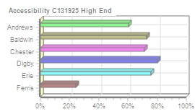
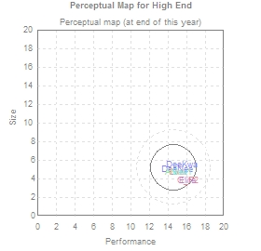
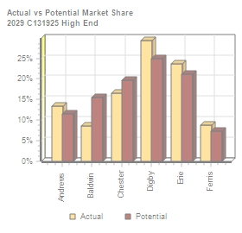
High End Segment Analysis C131925 Round: 8 Dec. 31, 2029
High End Statistics Total Industry Unit Demand 8,488 Actual Industry Unit Sales |8,488 Segment % of Total Industry |13.9% Next Year's Segment Growth Rate |16.2% High End Customer Buying Criteria Expectations Importance 1. Ideal Position Pfmn 16.1 Size 3.9 43% 2. Age Ideal Age = 0.0 29% 3. Reliability MTBF 20000-25000 19% 4. Price $26.00 - 36.00 9%

Top Products in High End Segment
Name C_P2 DeeNee DeeKwa ANew1 Elite Elon Fist Bee | Market Share 16% 15% 14% 13% 12% 11% 9% 8% | Units Sold to Seg 1,398 1,270 1,217 1,134 1,040 964 743 720 | Revision Date 6/6/2029 3/26/2029 8/27/2029 6/3/2028 1/11/2029 1/11/2028 8/15/2029 8/7/2028 | Stock Out YES YES YES YES | Pfmn Coord 16.1 15.0 15.6 15.2 16.1 15.2 15.0 15.3 | Size Coord 3.9 5.0 5.5 4.8 3.9 4.8 4.7 4.7 | List Age Price MTBF Dec.31 $36.00 25000 1.43 $34.49 22000 1.61 $34.00 25000 1.70 $35.00 24000 2.53 $35.50 25000 2.68 $34.75 25000 3.24 $36.00 24750 1.31 $36.00 25000 2.09 | Promo Budget $1,700 $2,000 $2,000 $1,500 $1,500 $1,000 $1,700 $1,500 | Cust. □Aware- □ness 98% 100% 86% 100% 78% 71% 86% 87% | Sales Budget $3,000 $2,000 $2,000 $1,500 $2,000 $1,500 $1,200 $2,000 | Cust. A□ccess- ibility 71% 80% 80% 60% 76% 76% 24% 73% | Dec. C□ust □Survey 71 33 40 31 44 29 28 42
CAPSTONE ® COURIER Page 7

Table 8
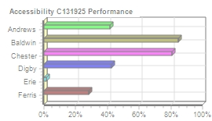
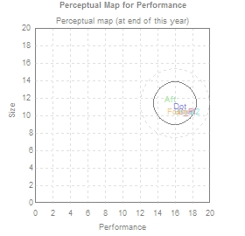
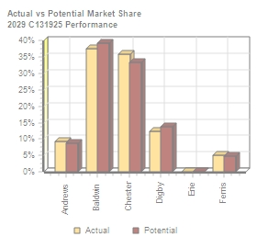
Performance Segment Analysi C131925 Round: 8 Dec. 31, 2029
Performance Statistics Total Industry Unit Demand 8,126 Actual Industry Unit Sales |8,126 Segment % of Total Industry |13.4% Next Year's Segment Growth Rate |19.8% Performance Customer Buying Criteria Expectations Importance 1. Reliability MTBF 22000-27000 43% 2. Ideal Position Pfmn 17.4 Size 10.4 29% 3. Price $21.00 - 31.00 19% 4. Age Ideal Age = 1.0 9%

Top Products in Performance Segment
Name Bold Coat Baker2 C_PI Dot Aft Foam | Market Share 20% 18% 18% 18% 12% 9% 5% | Units Sold to Seg 1,618 1,479 1,436 1,431 993 758 410 | Revision Date 4/1/2029 9/11/2029 6/24/2029 1/26/2029 3/21/2029 3/23/2027 7/18/2029 | Stock Out YES YES YES | Pfmn Coord 17.4 17.4 17.4 17.4 16.5 15.4 16.3 | Size Coord 10.4 10.4 10.4 10.4 11.0 11.8 10.4 | List Age Price MTBF Dec.31 $30.69 27000 1.70 $30.25 27000 2.02 $30.49 27000 1.58 $30.60 27000 2.57 $29.99 27000 1.75 $30.00 27000 5.20 $31.00 24000 1.34 | Promo Budget $1,400 $1,350 $1,500 $1,400 $2,000 $1,500 $1,800 | Cust. □Aware- □ness 100% 98% 99% 98% 89% 100% 92% | Sales Budget $2,000 $1,200 $2,000 $1,200 $2,000 $1,500 $1,400 | Cust. A□ccess- ibility 85% 81% 85% 81% 43% 41% 28% | Dec. C□ust S□urvey 76 71 77 66 48 29 18
CAPSTONE ® COURIER Page 8

Table 9
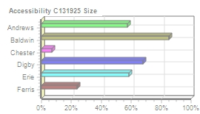
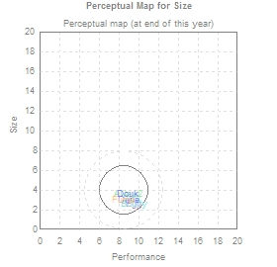
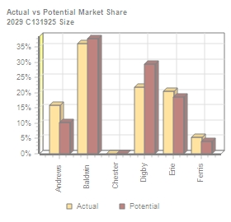
Size Segment Analysis C131925 Round: 8 Dec. 31, 2029
Size Statistics Total Industry Unit Demand 7,609 Actual Industry Unit Sales |7,609 Segment % of Total Industry |12.5% Next Year's Segment Growth Rate |18.3% Size Customer Buying Criteria Expectations Importance 1. Ideal Position Pfmn 9.6 Size 2.6 43% 2. Age Ideal Age = 1.5 29% 3. Reliability MTBF 16000-21000 19% 4. Price $21.00 - 31.00 9%

Top Products in Size Segment
Name Egg Bid2 Buddy Dune ANew2 Fume Dcuk | Market Share 21% 18% 18% 17% 16% 5% 5% | Units Sold to Seg 1,561 1,386 1,372 1,271 1,219 404 396 | Revision Date 7/5/2029 9/24/2028 6/4/2029 5/15/2029 1/26/2028 10/2/2029 6/26/2027 | Stock Out YES YES YES YES YES YES | Pfmn Coord 9.6 9.3 9.6 9.0 8.9 8.5 8.9 | Size Coord 2.6 3.1 2.6 3.0 3.6 3.0 3.6 | List Age Price MTBF Dec.31 $30.50 21000 1.63 $30.64 20000 2.57 $30.74 20000 2.17 $30.39 19000 1.63 $30.50 19000 3.16 $31.00 18000 1.25 $30.01 21000 2.51 | Promo Budget $1,500 $1,500 $1,400 $2,000 $2,000 $1,600 $1,500 | Cust. A□ware- □ness 100% 98% 100% 100% 100% 82% 71% | Sales Budget $2,000 $2,000 $2,000 $2,000 $2,000 $1,200 $1,500 | Cust. A□ccess- ibility 58% 85% 85% 68% 57% 24% 68% | Dec. □Cust □Survey 79 60 81 58 21 21 33
CAPSTONE ® COURIER Page 9

Table 10
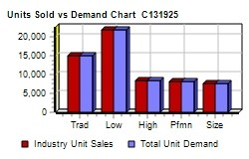
Market Share |  |  |  |  |  |  | C131925 Round: 8 Dec. 31, 2029
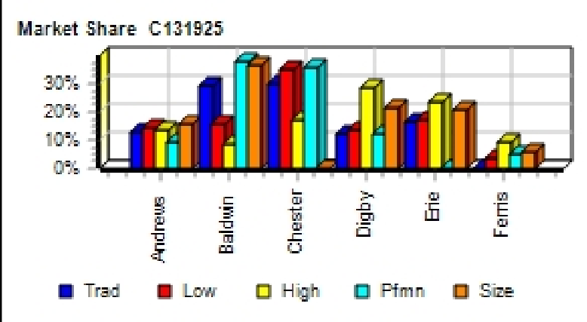
Actual Market Share in Units |  |  |  |  |  |  | Potential Market Share in Units
 | Trad | Low | High | Pfmn | Size | Total |  | Trad | Low | High | Pfmn | Size | Total
Industry Unit Sales | 14,937 | 21,715 | 8,488 | 8,126 | 7,609 | 60,874 | Units Demanded | 14,937 | 21,715 | 8,488 | 8,126 | 7,609 | 60,874
% of Market | 24.5% | 35.7% | 13.9% | 13.4% | 12.5% | 100.0% | % of Market | 24.5% | 35.7% | 13.9% | 13.4% | 12.5% | 100.0%
Able | 11.9% |  |  |  |  | 2.9% | Able | 11.5% |  |  |  |  | 2.8%
Acre |  | 12.8% |  |  |  | 4.5% | Acre |  | 13.0% |  |  |  | 4.6%
Adam | 0.4% |  |  |  |  |  | Adam | 0.3%
Aft |  |  |  | 9.3% |  | 1.3% | Aft |  |  |  | 8.8% |  | 1.2%
Agape |  |  |  |  |  |  | Agape |  | 0.2%
ANew1 |  |  | 13.4% |  |  | 1.9% | ANew1 |  |  | 11.4% |  |  | 1.6%
ANew2 |  |  |  |  | 16.0% | 2.0% | ANew2 |  |  |  |  | 10.2% | 1.3%
Total | 12.3% | 12.8% | 13.4% | 9.3% | 16.0% | 12.7% | Total | 11.9% | 13.2% | 11.4% | 8.8% | 10.2% | 11.7%
Baker | 14.9% |  |  |  |  | 3.7% | Baker | 14.1% |  |  |  |  | 3.5%
Bead |  | 19.9% |  |  |  | 7.1% | Bead |  | 16.6% |  |  |  | 5.9%
Bee |  |  | 8.5% |  |  | 1.2% | Bee |  |  | 15.5% |  |  | 2.2%
Bold |  |  |  | 19.9% |  | 2.7% | Bold |  |  |  | 19.5% |  | 2.6%
Buddy |  |  |  |  | 18.0% | 2.3% | Buddy |  |  |  |  | 18.3% | 2.3%
Bead2 | 14.7% |  |  |  |  | 3.6% | Bead2 | 15.7% |  |  |  |  | 3.8%
Bid2 |  |  |  |  | 18.2% | 2.3% | Bid2 |  |  |  |  | 19.4% | 2.4%
Baker2 |  |  |  | 17.7% |  | 2.4% | Baker2 |  |  |  | 19.8% |  | 2.6%
Total | 29.7% | 19.9% | 8.5% | 37.6% | 36.3% | 25.1% | Total | 29.8% | 16.6% | 15.5% | 39.3% | 37.8% | 25.3%
Cake |  | 20.2% |  |  |  | 7.2% | Cake |  | 18.6% |  |  |  | 6.6%
Cedar |  | 12.9% |  |  |  | 4.6% | Cedar |  | 15.5% |  |  |  | 5.5%
Cid | 12.3% |  |  |  |  | 3.0% | Cid | 13.0% |  |  |  |  | 3.2%
Coat |  |  |  | 18.2% |  | 2.4% | Coat |  |  |  | 17.0% |  | 2.3%
Cure | 16.5% |  |  |  |  | 4.0% | Cure | 17.3% |  |  |  |  | 4.2%
C_PI |  |  |  | 17.6% |  | 2.4% | C_PI |  |  |  | 16.5% |  | 2.2%
C_P2 |  |  | 16.5% |  |  | 2.3% | C_P2 |  |  | 19.6% |  |  | 2.7%
Total | 28.8% | 33.1% | 16.5% | 35.8% |  | 26.0% | Total | 30.4% | 34.1% | 19.6% | 33.5% |  | 26.8%
Daze | 12.2% |  |  |  |  | 3.0% | Daze | 11.7% |  |  |  |  | 2.9%
Dell |  | 14.6% |  |  |  | 5.2% | Dell |  | 19.9% |  |  |  | 7.1%
Dot |  |  |  | 12.2% |  | 1.6% | Dot |  |  |  | 13.7% |  | 1.8%
Dune |  |  |  |  | 16.7% | 2.1% | Dune |  |  |  |  | 15.6% | 1.9%
DeeNee |  |  | 15.0% |  |  | 2.1% | DeeNee |  |  | 12.7% |  |  | 1.8%
DeeKwa |  |  | 14.3% |  |  | 2.0% | DeeKwa |  |  | 12.2% |  |  | 1.7%
Dcuk |  |  |  |  | 5.2% | 0.7% | Dcuk |  |  |  |  | 13.7% | 1.7%
Total | 12.2% | 14.6% | 29.3% | 12.2% | 21.9% | 16.7% | Total | 11.7% | 19.9% | 24.9% | 13.7% | 29.3% | 18.9%
Eat | 17.0% |  |  |  |  | 4.2% | Eat | 16.4% |  |  |  |  | 4.0%
Ebb |  | 17.0% |  |  |  | 6.1% | Ebb |  | 13.9% |  |  |  | 5.0%
Egg |  |  |  |  | 20.5% | 2.6% | Egg |  |  |  |  | 18.6% | 2.3%
Elite |  |  | 12.3% |  |  | 1.7% | Elite |  |  | 10.8% |  |  | 1.5%
Elon |  |  | 11.4% |  |  | 1.6% | Elon |  |  | 10.3% |  |  | 1.4%
Total | 17.0% | 17.0% | 23.6% |  | 20.5% | 16.1% | Total | 16.4% | 14.0% | 21.1% |  | 18.6% | 14.3%
Fast |  | 2.6% |  |  |  | 0.9% | Fast |  | 2.2% |  |  |  | 0.8%
Fist |  |  | 8.8% |  |  | 1.2% | Fist |  |  | 7.4% |  |  | 1.0%
Foam |  |  |  | 5.1% |  | 0.7% | Foam |  |  |  | 4.7% |  | 0.6%
Fume |  |  |  |  | 5.3% | 0.7% | Fume |  |  |  |  | 4.2% | 0.5%
Total |  | 2.6% | 8.8% | 5.1% | 5.3% | 3.5% | Total |  | 2.2% | 7.4% | 4.7% | 4.2% | 3.0%
CAPSTONE ® COURIER |  |  |  |  |  |  |  |  |  |  |  |  | Page 10

Table 11
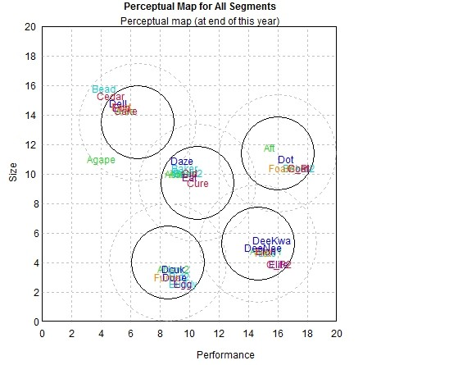
Perceptual Map C131925 Round: 8 Dec. 31, 2029

Andrews |  |  | Baldwin |  |  | Chester
Name Pfmn Size | Revised | Name | Pfmn Size | Revised | Name | Pfmn Size | Revised
Able 9.0 10.0 | 5/20/2028 | Baker | 9.7 10.4 | 8/29/2029 | Cake | 5.7 14.3 | 5/5/2022
Acre 5.7 14.3 | 4/10/2027 | Bead | 4.2 15.8 | 2/10/2026 | Cedar | 4.7 15.3 | 4/4/2027
Adam 9.5 10.0 | 5/6/2023 | Bee | 15.3 4.7 | 8/7/2028 | Cid | 10.0 10.1 | 8/27/2029
Aft 15.4 11.8 | 3/23/2027 | Bold | 17.4 10.4 | 4/1/2029 | Coat | 17.4 10.4 | 9/11/2029
Agape 4.0 11.0 | 5/25/2019 | Buddy | 9.6 2.6 | 6/4/2029 | Cure | 10.6 9.4 | 2/19/2029
ANew1 15.2 4.8 | 6/3/2028 | Bead2 | 9.9 10.1 | 11/29/2028 | C_PI | 17.4 10.4 | 1/26/2029
ANew2 8.9 3.6 | 1/26/2028 | Bid2 | 9.3 3.1 | 9/24/2028 | C_P2 | 16.1 3.9 | 6/6/2029
 |  | Baker2 | 17.4 10.4 | 6/24/2029
Digby |  |  | Erie |  |  | Ferris
Name Pfmn Size | Revised | Name | Pfmn Size | Revised | Name | Pfmn Size | Revised
Daze 9.5 10.9 | 3/20/2029 | Eat | 10.0 9.8 | 1/8/2029 | Fast | 5.4 14.6 | 1/29/2024
Dell 5.2 14.8 | 5/2/2027 | Ebb | 5.4 14.5 | 3/23/2029 | Fist | 15.0 4.7 | 8/15/2029
Dot 16.5 11.0 | 3/21/2029 | Egg | 9.6 2.6 | 7/5/2029 | Foam | 16.3 10.4 | 7/18/2029
Dune 9.0 3.0 | 5/15/2029 | Elite | 16.1 3.9 | 1/11/2029 | Fume | 8.5 3.0 | 10/2/2029
DeeNee 15.0 5.0 | 3/26/2029 | Elon | 15.2 4.8 | 1/11/2028
DeeKwa 15.6 5.5 | 8/27/2029
Dcuk 8.9 3.6 | 6/26/2027
CAPSTONE ® COURIER |  |  |  |  |  |  | Page 11

Table 14
Annual Report
Annual Report | Chester |  | C131925 | Round: 8 Dec. 31, 2029
Balance Sheet
DEFINITIONS: Common Size: The common size column | ASSETS Cash Account Receivable Inventory Total Current Assets Plant & Equipment Accumulated Depreciation Total Fixed Assets Total Assets LIABILITIES & OWNERS □EQUITY Accounts Payable Current Debt |  | $82,746 $54,079 $23,990 $160,815 $369,240 ($167,621) $201,619 $362,434 $6,723 $21,000 | 2029 Common □Size 22.8% 14.9% 6.6% 44.4% 102.0% -46.2% 55.6% 100.0% 1.9% 5.8% | 2028 $43,674 $38,281 $33,351 $115,306 $369,240 ($143,005) $226,235 $341,541 $13,148 $28,000
simply represents each item as a percentage of total
assets for that year. Cash: Your end-of-year cash
position. Accounts Receivable: Reflects the lag between
delivery and payment of your products. Inventories: The
current value of your inventory across all products. A zero
indicates your company stocked out. Unmet demand
would, of course, fall to your competitors. Plant &
Equipment: The current value of your plant. Accum
Deprec: The total accumulated depreciation from your
plant. Accts Payable: What the company currently owes
suppliers for materials and services. Current Debt: The
debt the company is obligated to pay during the next year
of operations. It includes emergency loans used to keep
your company solvent should you run out of cash during
the year. Long Term Debt: The companys long term debt
is in the form of bonds, and this represents the total value
of your bonds. Common Stock: The amount of capital
invested by shareholders in the company. Retained
Earnings: The profits that the company chose to keep
instead of paying to shareholders as dividends.
 | Long Term Debt |  | $40,827 | 11.3% | $75,990
 | Total Liabilities |  | $68,550 | 18.9% | $117,138
 | Common Stock |  | $53,360 | 14.7% | $53,360
 | Retained Earnings |  | $240,524 | 66.4% | $171,044
 | Total Equity |  | $293,884 | 81.1% | $224,404
 | Total Liab. & O. Equity |  | $362,434 | 100.0% | $341,541
Cash Flow Statement
The Cash Flow Statement examines what happened in the Cash Account |  | Cash Flows from Operating Activities Net Income(Loss) Depreciation Extraordinary gains/losses/writeoffs Accounts Payable Inventory Accounts Receivable Net cash from operation Cash Flows from Investing Activities |  | 2029 $80,401 $24,616 ($1,163) ($6,425) $9,361 ($15,798) $90,992 | 2028 $53,075 $24,616 $0 $758 ($3,479) ($4,153) $70,817
during the year. Cash injections appear as positive numbers and cash
withdrawals as negative numbers. The Cash Flow Statement is an excellent
tool for diagnosing emergency loans. When negative cash flows exceed
positives, you are forced to seek emergency funding. For example, if sales
are bad and you find yourself carrying an abundance of excess inventory,
the report would show the increase in inventory as a huge negative cash
flow. Too much unexpected inventory could outstrip your inflows, exhaust
your starting cash and force you to beg for money to keep your company
afloat.
 |  | Plant Improvements |  | $0 | ($17,920)
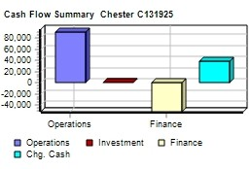
 |  | Cash Flows from Financing Activities
 |  | Dividends paid |  | ($10,920) | ($2,730)
 |  | Sales of common stock |  | $0 | $0
 |  | Purchase of common stock |  | $0 | $0
 |  | Cash from long term debt |  | $0 | $0
 |  | Retirement of long term debt |  | ($34,000) | $0
 |  | Change in current debt(net) |  | ($7,000) | ($44,892)
 |  | Net cash from financing activities |  | ($51,920) | ($47,622)
 |  | Net change in cash position |  | $39,072 | $5,275
 |  | Closing cash position |  | $82,746 | $43,674
Annual Report |  |  |  | Page 14

Table 15
Annual Report Chester C131925 Dec. Round: 8 31, 2029
2029 Income Statement
(Product Name) | Cake | Cedar | Cid | Coat | Cure | C_PI C_P2 |  |  | 2029 Total | Common S□ize
Sales | $64,820 | $44,745 | $46,872 | $44,734 | $63,582 | $43,798 $50,338 |  | $0 | $358,889 | 100.0%
Variable Costs:
Direct Labor | $6,072 | $3,864 | $2,335 | $6,639 | $3,486 | $6,134 $15,456 |  | $0 | $43,985 | 12.3%
Direct Material | $21,752 | $12,281 | $15,879 | $19,443 | $22,022 | $18,780 $18,811 |  | $0 | $128,968 | 35.9%
Inventory Carry | $0 | $0 | $0 | $2,712 | $0 | $167 $0 |  | $0 | $2,879 | 0.8%
Total Variable | $27,823 | $16,145 | $18,214 | $28,793 | $25,509 | $25,081 $34,266 |  | $0 | $175,832 | 49.0%
Contribution Margin | $36,997 | $28,600 | $28,658 | $15,941 | $38,074 | $18,717 $16,072 |  | $0 | $183,057 | 51.0%
Period Costs:
Depreciation | $6,747 | $4,293 | $4,293 | $3,040 | $3,680 | $1,723 $840 |  | $0 | $24,616 | 6.9%
SG&A: R&D | $0 | $0 | $664 | $705 | $137 | $71 $435 |  | $0 | $2,011 | 0.6%
Promotions | $1,400 | $1,400 | $1,400 | $1,350 | $1,400 | $1,400 $1,700 |  | $0 | $10,050 | 2.8%
Sales | $1,200 | $1,200 | $1,300 | $1,200 | $1,300 | $1,200 $3,000 |  | $0 | $10,400 | 2.9%
Admin | $451 | $311 | $326 | $311 | $443 | $305 $350 |  | $0 | $2,498 | 0.7%
Total Period | $9,798 | $7,205 | $7,983 | $6,607 | $6,959 | $4,698 $6,326 |  | $0 | $49,576 | 13.8%
Net Margin | $27,199 | $21,395 | $20,675 | $9,334 | $31,114 | $14,019 $9,746 |  | $0 | $133,482 | 37.2%
Definitions: Sales: Unit Sales times list price. Direct Labor: Labor costs incurred to produce the product |  |  |  |  |  |  | Other |  | ($653) | -0.2%
that was sold. Inventory Carry Cost: the cost unsold goods in inventory. Depreciation: Calculated on |  |  |  |  |  |  | EBIT |  | $134,134 | 37.4%
straight-line. 15-year depreciation of plant value. R&D Costs: R&D department expenditures for each |  |  |  |  |  |  | Short Term Interest |  | $2,457 | 0.7%
product. Admin: Administration overhead is estimated at 1.5% of sales. Promotions: The promotion budget |  |  |  |  |  |  | Long Term Interest |  | $5,459 | 1.5%
for each product. Sales: The sales force budget for each product. Other: Chargs not included in other |  |  |  |  |  |  | Taxes |  | $44,176 | 12.3%
categories such as Fees, Write offs, and TQM. The fees include money paid to investment bankers and |  |  |  |  |  |  | Profit Sharing |  | $1,641 | 0.5%
brokerage firms to issue new stocks or bonds plus consulting fees your instructor might assess. Write-offs |  |  |  |  |  |  | Net Profit |  | $80,401 | 22.4%
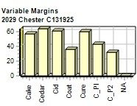
include the loss you might experience when you sell capacity or liquidate inventory as the result of
eliminating a production line. If the amount appears as a negative amount, then you actually made money
on the liquidation of capacity or inventory. EBIT: Earnings Before Interest and Taxes. Short Term Interest:
Interest expense based on last years current debt, including short term debt, long term notes that have
become due, and emergency loans, Long Term Interest: Interest paid on outstanding bonds. Taxes:
Income tax based upon a 35% tax rate. Profit Sharing: Profits shared with employees under the labor
contract. Net Profit: EBIT minus interest, taxes, and profit sharing.

Annual Report |  |  |  |  |  |  |  |  |  | Page 15

