Table 1
Round: 6 Dec. 31, 2027 |  |  |  |  |  |  | C131925
Andrews |  | Baldwin |  |  |  | Chester
Sornnarin Bangkedph |  | Wisit Wirojrungson |  |  |  | Marko Heinelo
Sutthipong Kultungk |  | Rachaneewan Leekanc |  |  |  | Pasan Opaschaitat
Thitiwat Pakaphongp |  | Santi Mualkijnitaya |  |  |  | Kanlaya Rattanyu
Pathumma Sitthikorn |  | Vikorn Phongsathorn |  |  |  | Santi Tangsakul
Sophak Srilam |  | Ponglar Porntheeran |  |  |  | Sunee Techakulung
Wararee Toah-ngern |  | Banphot Wongvisavak |  |  |  | Thongchai Theantong
Digby |  | Erie |  |  |  | Ferris
Sakarin Yuktanonda |  | Phungjai Tinnasulan |  |  |  | Apiram Udomrattanac
Supanee Armstrong |  | Wongkanok Kanoktana
Chayapol Boonlert |  | Fa-um Phengsri
Surachet Chaipet |  | Thanapol Ratanaboon
Akawut Chuenchom |  | Niti Saengchomphu
Noppakao Loykhwamsu |  | Norraron Treecheewa
Selected Financial Statistics
 | Andrews | Baldwin | Chester | Digby |  |  | Erie | Ferris
ROS | -5.0% | 17.0% | 12.8% | -3.1% |  |  | 12.4% | -5.0%
Asset Turnover | 1.19 | 0.89 | 0.83 | 1.05 |  |  | 0.91 | 0.98
ROA | -5.9% | 15.0% | 10.6% | -3.3% |  |  | 11.3% | -4.9%
Leverage | 2.8 | 1.8 | 1.9 | 3.6 |  |  | 2.0 | 2.9
ROE | -16.6% | 26.6% | 20.4% | -11.7% |  |  | 22.4% | -14.1%
Emergency Loan | $46,959,115 | $0 | $0 | $22,534,079 |  |  | $0 | $0
Sales | $192,181,818 | $325,239,909 | $276,815,740 | $171,287,194 |  |  | $197,848,190 | $51,073,425
EBIT | ($1,851,973) | $106,184,702 | $74,202,947 | $7,677,065 |  |  | $51,147,140 | $197,635
Profits | ($9,560,990) | $55,152,414 | $35,529,309 | ($5,357,150) |  |  | $24,455,984 | ($2,564,383)
Cumulative Profit | $13,969,135 | $118,204,312 | $95,304,482 | $2,141,685 |  |  | $68,046,205 | $17,432,983
SG&A / Sales | 14.8% | 10.6% | 9.3% | 13.1% |  |  | 9.6% | 17.6%
Contrib. Margin % | 23.6% | 51.6% | 45.7% | 35.3% |  |  | 52.0% | 28.2%
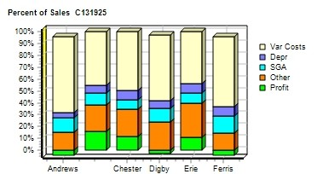 |  |  |  |  | 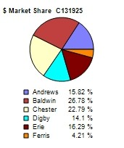
CAPSTONE ® COURIER |  |  |  |  |  |  | Page 1

Table 2
Stock & Bonds C131925 Round: 6 Dec. 31, 2027
Stock Market Summary
Company | Close Change | Shares MarketCap Book Value EPS Dividend ($M) Per Share |  |  | Yield | P/E
Andrews | $1.00 ($39.07) | 2,013,908 $2 $28.66 ($4.75) $0.00 |  |  | 0.0% | -0.2
Baldwin | $136.22 $53.87 | 3,221,820 $439 $64.34 $17.12 $3.00 |  |  | 2.2% | 8.0
Chester | $123.54 $32.52 | 2,730,051 $337 $63.76 $13.01 $0.00 |  |  | 0.0% | 9.5
Digby | $4.93 ($21.41) | 2,000,000 $10 $22.95 ($2.68) $0.00 |  |  | 0.0% | -1.8
Erie | $94.21 $37.42 | 2,233,609 $210 $48.83 $10.95 $2.00 |  |  | 2.1% | 8.6
Ferris | $1.72 ($5.15) | 2,000,000 $3 $9.07 ($1.28) $0.48 |  |  | 27.7% | -1.3
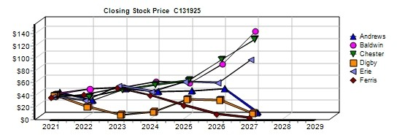
Bond Market Summary
Company | Series# Face | Yield Close$ S&P | Company Series# Face | Yield | Close$ | S&P
Andrews |  |  | Digby
 | 12.3S2036 $20,000,000 | 14.5% 84.58 C | 11.3S2032 $6,000,000 | 13.4% | 84.61 | DDD
Baldwin |  |  | 13.3S2033 $28,000,000 | 14.8% | 90.05 | DDD
 | 12.0S2033 $19,660,043 | 12.8% 94.09 BB | 15.0S2037 $30,000,000 | 15.8% | 95.17 | DDD
 | 12.9S2034 $20,000,000 | 13.2% 97.39 BB | Erie
 | 13.1S2035 $40,000,000 | 13.4% 98.11 BB | 12.4S2034 $10,000,000 | 13.4% | 92.33 | B
 | 14.3S2036 $48,000,000 | 13.7% 104.03 BB | 13.3S2035 $22,000,000 | 13.9% | 95.85 | B
Chester |  |  | 13.1S2036 $15,000,000 | 13.8% | 94.60 | B
 | 11.3S2032 $18,990,000 | 12.5% 90.41 B | 13.6S2037 $30,000,000 | 14.0% | 96.89 | B
 | 12.6S2033 $10,000,000 | 13.4% 94.18 B | Ferris
 | 13.2S2035 $12,000,000 | 13.8% 95.84 B | 14.1S2037 $10,671,289 | 15.2% | 92.64 | C
 | 13.4S2037 $35,000,000 | 13.9% 96.36 B
Next Year's Prime Rate10.00%
CAPSTONE ® COURIER Page 2

Table 4
Production Analysis C131925 Round: 6 Dec. 31, 2027
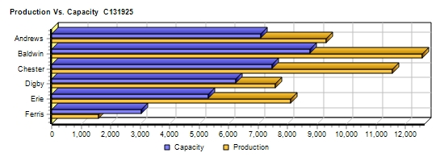
 |  |  |  |  |  |  |  |  |  |  |  | 2nd
 |  |  |  |  |  |  |  |  |  |  |  | Shift | Auto
 |  | Unit |  |  |  |  |  |  |  |  |  | & | mation | Capacity
Primary | Units | Inven | Revision | Age |  | Pfmn | Size |  | Material | Labor | Contr. | Over- | Next | Next | Plant
Name Segment | Sold | tory | Date | Dec.31 | MTBF | Coord | Coord | Price | C□ost | □Cost | Marg. | time | Round | Round | Utiliz.
Able Trad | 1,782 | 0 | 7/7/2027 | 2.1 | 17500 | 8.5 | 11.0 | $26.49 | $9.47 | $7.79 | 35% | 0% | 4.5 | 1,800 | 99%
Acre Low | 1,712 | 1,060 | 4/10/2027 | 5.7 | 14000 | 5.7 | 14.3 | $16.75 | $6.27 | $7.43 | 14% | 100% | 6.0 | 1,400 | 198%
Adam Trad | 150 | 212 | 5/6/2023 | 6.2 | 23000 | 9.5 | 10.0 | $30.00 | $11.81 | $9.59 | 7% | 0% | 3.0 | 900 | 0%
Aft Pfmn | 934 | 465 | 3/23/2027 | 3.2 | 27000 | 15.4 | 11.8 | $32.00 | $14.92 | $10.40 | 18% | 100% | 4.0 | 600 | 198%
Agape Low | 17 | 68 | 5/25/2019 | 8.6 | 19000 | 4.0 | 11.0 | $22.00 | $8.85 | $8.39 | -42% | 0% | 4.0 | 1 | 99%
ANew1 High | 1,367 | 1,009 | 6/6/2027 | 1.5 | 24000 | 14.3 | 5.7 | $37.00 | $15.32 | $11.88 | 20% | 100% | 4.0 | 1,200 | 198%
ANew2 Size | 968 | 311 | 1/26/2028 | 2.4 | 19000 | 7.0 | 6.0 | $32.00 | $11.68 | $9.59 | 29% | 0% | 4.0 | 1,200 | 99%
Baker Trad | 2,204 | 325 | 2/21/2028 | 3.2 | 17500 | 8.5 | 11.5 | $25.99 | $8.30 | $1.12 | 62% | 29% | 10.0 | 1,700 | 128%
Bead Low | 4,293 | 64 | 2/10/2026 | 6.2 | 14000 | 4.2 | 15.8 | $16.25 | $4.65 | $1.20 | 63% | 66% | 10.0 | 2,650 | 164%
Bee High | 941 | 0 | 3/17/2027 | 0.8 | 25000 | 14.4 | 5.7 | $37.00 | $13.99 | $7.37 | 42% | 85% | 6.0 | 800 | 145%
Bold Pfmn | 1,364 | 0 | 6/30/2027 | 2.0 | 27000 | 15.5 | 11.8 | $31.80 | $13.38 | $7.04 | 36% | 53% | 5.0 | 850 | 151%
Buddy Size | 1,272 | 97 | 1/2/2028 | 3.5 | 20000 | 7.5 | 5.5 | $31.75 | $10.99 | $6.67 | 43% | 28% | 5.0 | 900 | 127%
Bead2 Trad | 1,824 | 57 | 1/20/2027 | 2.9 | 17500 | 9.2 | 10.8 | $26.49 | $8.74 | $1.25 | 61% | 100% | 10.0 | 1,100 | 198%
Bid2 High | 399 | 0 | 9/15/2027 | 1.9 | 20000 | 8.2 | 4.5 | $32.00 | $11.53 | $8.06 | 36% | 0% | 5.0 | 550 | 94%
Baker2 High | 501 | 135 | 9/14/2027 | 1.5 | 27000 | 16.3 | 11.2 | $37.00 | $13.81 | $8.06 | 37% | 0% | 6.0 | 650 | 62%
Cake Low | 2,523 | 646 | 5/5/2022 | 7.4 | 14000 | 5.7 | 14.3 | $18.40 | $5.61 | $2.56 | 53% | 45% | 10.0 | 2,200 | 144%
Cedar Low | 2,696 | 20 | 4/4/2027 | 5.7 | 14000 | 4.7 | 15.3 | $18.00 | $4.97 | $2.61 | 59% | 57% | 10.0 | 1,400 | 156%
Cid Trad | 1,211 | 571 | 1/3/2028 | 3.9 | 19000 | 8.5 | 11.6 | $26.50 | $8.67 | $4.14 | 48% | 100% | 9.0 | 1,400 | 198%
Coat Pfmn | 1,412 | 604 | 1/15/2028 | 3.5 | 27000 | 14.4 | 12.5 | $31.80 | $12.82 | $4.45 | 39% | 0% | 7.0 | 1,200 | 74%
Cure Trad | 1,188 | 0 | 11/14/2026 | 2.3 | 19000 | 9.2 | 10.8 | $26.80 | $9.15 | $4.14 | 50% | 100% | 9.0 | 1,200 | 198%
C_PI Pfmn | 951 | 0 | 1/15/2027 | 2.2 | 27000 | 15.4 | 11.8 | $31.60 | $13.35 | $5.52 | 40% | 100% | 7.0 | 680 | 198%
C_P2 High | 1,162 | 225 | 12/21/2026 | 1.0 | 25000 | 14.3 | 5.7 | $37.00 | $13.97 | $11.03 | 30% | 100% | 3.0 | 700 | 198%
Daze Trad | 1,653 | 191 | 8/15/2027 | 1.9 | 17500 | 9.0 | 11.0 | $25.05 | $8.62 | $6.95 | 38% | 0% | 5.0 | 1,800 | 99%
Dell Low | 1,874 | 742 | 5/2/2027 | 5.6 | 14000 | 5.2 | 14.8 | $17.77 | $5.29 | $5.24 | 39% | 37% | 7.0 | 1,600 | 136%
Dot Pfmn | 709 | 0 | 5/21/2027 | 1.7 | 27000 | 15.2 | 12.0 | $32.08 | $13.22 | $9.27 | 29% | 0% | 3.0 | 600 | 99%
Dune Size | 1,310 | 0 | 7/26/2027 | 1.5 | 19000 | 8.2 | 4.6 | $31.49 | $11.22 | $11.48 | 28% | 100% | 3.0 | 600 | 198%
DeeNee High | 693 | 931 | 11/5/2027 | 1.2 | 22000 | 14.3 | 5.7 | $37.49 | $13.16 | $6.25 | 41% | 20% | 6.0 | 1,000 | 119%
DeeKwa High | 129 | 478 | 12/3/2026 | 1.1 | 22000 | 15.5 | 5.5 | $38.00 | $13.61 | $1.16 | 43% | 0% | 10.0 | 1,000 | 99%
Dcuk Size | 50 | 0 | 6/26/2027 | 0.5 | 21000 | 8.9 | 3.6 | $34.00 | $12.29 | $1.43 | 59% | 95% | 10.0 | 200 | 99%
Eat Trad | 2,541 | 922 | 3/1/2027 | 2.6 | 17500 | 9.2 | 10.8 | $26.50 | $8.74 | $1.28 | 58% | 39% | 10.0 | 1,800 | 136%
Ebb Low | 3,667 | 26 | 1/14/2027 | 5.8 | 14000 | 4.6 | 16.1 | $16.00 | $4.71 | $1.40 | 60% | 100% | 10.0 | 2,400 | 195%
Egg Size | 1,304 | 0 | 7/9/2027 | 2.1 | 21000 | 8.2 | 4.6 | $32.50 | $11.75 | $6.99 | 41% | 100% | 6.0 | 1,000 | 195%
Elite High | 510 | 712 | 4/18/2027 | 2.4 | 25000 | 14.3 | 5.7 | $38.00 | $13.96 | $6.99 | 36% | 100% | 6.0 | 600 | 195%
Elon High | 266 | 0 | 1/11/2028 | 2.5 | 25000 | 13.4 | 6.6 | $38.00 | $0.00 | $0.00 | 40% | 0% | 6.0 | 600 | 0%
Fast Low | 613 | 184 | 1/29/2024 | 7.4 | 17000 | 5.4 | 14.6 | $21.00 | $7.04 | $8.49 | 22% | 0% | 5.0 | 800 | 99%
Fist High | 427 | 110 | 10/17/2027 | 1.2 | 24000 | 13.5 | 6.5 | $37.00 | $14.95 | $9.90 | 32% | 0% | 4.0 | 950 | 26%
Foam Pfmn | 292 | 80 | 10/24/2027 | 1.2 | 24000 | 14.6 | 12.0 | $32.00 | $13.81 | $9.90 | 25% | 0% | 4.0 | 600 | 58%
Fume Size | 408 | 70 | 10/12/2027 | 1.3 | 18000 | 7.2 | 5.2 | $32.00 | $11.95 | $9.90 | 32% | 0% | 4.0 | 700 | 28%
CAPSTONE ® COURIER |  |  |  |  |  |  |  |  |  |  |  |  |  |  | Page 4

Table 5
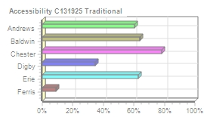
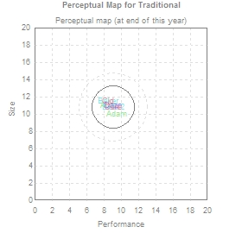
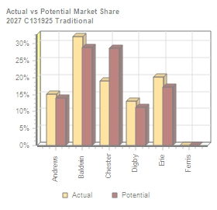
Traditional Segment Analysis C131925 Round: 6 Dec. 31, 2027
Traditional Statistics Total Industry Unit Demand 12,526 Actual Industry Unit Sales |12,526 Segment % of Total Industry |26.5% Next Year's Segment Growth Rate |9.2% Traditional Customer Buying Criteria Expectations Importance 1. Age Ideal Age = 2.0 47% 2. Price $17.00 - 27.00 23% 3. Ideal Position Pfmn 9.2 Size 10.8 21% 4. Reliability MTBF 14000-19000 9%

Top Products in Traditional Segment
Name Eat Baker Bead2 Able Daze Cid Cure Adam | Market Share 20% 18% 15% 14% 13% 10% 9% 1% | Units Sold to Seg 2,540 2,204 1,824 1,779 1,647 1,211 1,188 132 | Revision Date 3/1/2027 2/21/2028 1/20/2027 7/7/2027 8/15/2027 1/3/2028 11/14/2026 5/6/2023 | Stock Out YES YES | Pfmn Coord 9.2 8.5 9.2 8.5 9.0 8.5 9.2 9.5 | Size Coord 10.8 11.5 10.8 11.0 11.0 11.6 10.8 10.0 | List Age Price MTBF Dec.31 $26.50 17500 2.63 $25.99 17500 3.21 $26.49 17500 2.88 $26.49 17500 2.14 $25.05 17500 1.93 $26.50 19000 3.93 $26.80 19000 2.34 $30.00 23000 6.18 | Promo Budget $1,500 $1,500 $1,500 $1,500 $1,500 $1,400 $1,400 $1,000 | Cust. A□ware- n□ess 100% 100% 55% 97% 74% 93% 92% 59% | Sales Budget $2,000 $2,000 $2,000 $2,000 $1,500 $1,100 $1,100 $1,000 | Cust. □Access- ibility 63% 64% 64% 60% 35% 78% 78% 60% | Dec. C□ust □Survey 45 24 30 51 43 14 59 3
CAPSTONE ® COURIER Page 5

Table 6
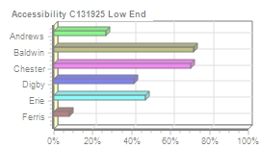
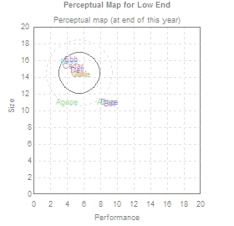
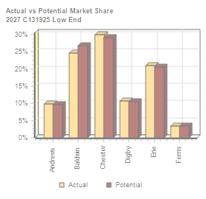
Low End Segment Analysis C131925 Round: 6 Dec. 31, 2027
Low End Statistics Total Industry Unit Demand 17,404 Actual Industry Unit Sales |17,404 Segment % of Total Industry |36.8% Next Year's Segment Growth Rate |11.7% Low End Customer Buying Criteria Expectations Importance 1. Price $12.00 - 22.00 53% 2. Age Ideal Age = 7.0 24% 3. Ideal Position Pfmn 4.7 Size 15.3 16% 4. Reliability MTBF 12000-17000 7%

Top Products in Low End Segment
Name Bead Ebb Cedar Cake Dell Acre Fast Agape Daze Able | Market Share 25% 21% 15% 14% 11% 10% 4% 0% 0% 0% | Units Sold to Seg 4,293 3,667 2,696 2,523 1,874 1,712 613 17 6 3 | Revision Date 2/10/2026 1/14/2027 4/4/2027 5/5/2022 5/2/2027 4/10/2027 1/29/2024 5/25/2019 8/15/2027 7/7/2027 | Stock Out YES | Pfmn Coord 4.2 4.6 4.7 5.7 5.2 5.7 5.4 4.0 9.0 8.5 | Size Coord 15.8 16.1 15.3 14.3 14.8 14.3 14.6 11.0 11.0 11.0 | List Price $16.25 $16.00 $18.00 $18.40 $17.77 $16.75 $21.00 $22.00 $25.05 $26.49 | Age MTBF Dec.31 14000 6.24 14000 5.78 14000 5.67 14000 7.38 14000 5.63 14000 5.66 17000 7.43 19000 8.60 17500 1.93 17500 2.14 | Promo Budget $1,500 $1,500 $1,500 $1,500 $1,500 $1,500 $300 $0 $1,500 $1,500 | Cust. □Aware- □ness 100% 98% 92% 91% 87% 83% 15% 11% 74% 97% | Sales Budget $2,000 $2,000 $1,300 $1,300 $2,000 $1,500 $300 $0 $1,500 $2,000 | Cust. A□ccess- ibility 72% 47% 70% 70% 41% 27% 8% 27% 41% 27% | Dec. □Cust □Survey 54 43 41 31 30 25 8 1 0 0
CAPSTONE ® COURIER Page 6

Table 7
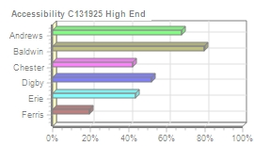
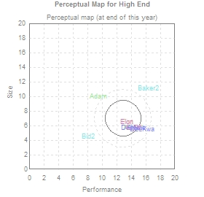
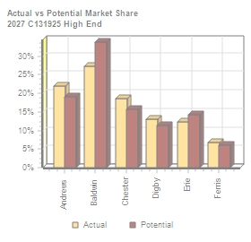
High End Segment Analysis C131925 Round: 6 Dec. 31, 2027
High End Statistics Total Industry Unit Demand 6,286 Actual Industry Unit Sales |6,286 Segment % of Total Industry |13.3% Next Year's Segment Growth Rate |16.2% High End Customer Buying Criteria Expectations Importance 1. Ideal Position Pfmn 14.3 Size 5.7 43% 2. Age Ideal Age = 0.0 29% 3. Reliability MTBF 20000-25000 19% 4. Price $27.00 - 37.00 9%

Top Products in High End Segment
Name ANew1 C_P2 Bee DeeNee Elite Baker2 Fist Bid2 Elon DeeKwa Adam | Market Share 22% 18% 15% 11% 8% 8% 7% 4% 4% 2% 0% | Units Sold to Seg 1,367 1,162 941 693 510 501 427 273 266 129 18 | Revision Date 6/6/2027 12/21/2026 3/17/2027 11/5/2027 4/18/2027 9/14/2027 10/17/2027 9/15/2027 1/11/2028 12/3/2026 5/6/2023 | Stock Out YES YES YES | Pfmn Coord 14.3 14.3 14.4 14.3 14.3 16.3 13.5 8.2 13.4 15.5 9.5 | Size Coord 5.7 5.7 5.7 5.7 5.7 11.2 6.5 4.5 6.6 5.5 10.0 | List Price $37.00 $37.00 $37.00 $37.49 $38.00 $37.00 $37.00 $32.00 $38.00 $38.00 $30.00 | MTBF 24000 25000 25000 22000 25000 27000 24000 20000 25000 22000 23000 | Age Dec.31 1.49 1.01 0.79 1.20 2.39 1.48 1.21 1.89 2.51 1.07 6.18 | Promo Budget $2,000 $2,000 $1,500 $2,000 $1,500 $1,500 $1,000 $1,500 $700 $1,000 $1,000 | Cust. A□ware- n□ess 100% 62% 61% 100% 61% 87% 57% 84% 43% 38% 59% | Sales Budget $2,000 $3,000 $2,000 $2,000 $1,500 $2,000 $850 $2,000 $700 $1,000 $1,000 | Cust. □Access- ibility 68% 42% 80% 52% 43% 80% 19% 80% 43% 52% 68% | Dec. C□ust □Survey 57 53 68 42 26 0 23 0 17 13 0
CAPSTONE ® COURIER Page 7

Table 8
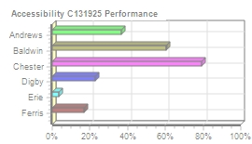
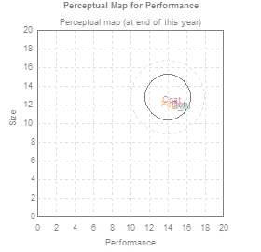
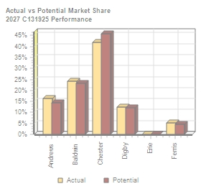
Performance Segment Analysi C131925 Round: 6 Dec. 31, 2027
Performance Statistics Total Industry Unit Demand 5,662 Actual Industry Unit Sales |5,662 Segment % of Total Industry |12.0% Next Year's Segment Growth Rate |19.8% Performance Customer Buying Criteria Expectations Importance 1. Reliability MTBF 22000-27000 43% 2. Ideal Position Pfmn 15.4 Size 11.8 29% 3. Price $22.00 - 32.00 19% 4. Age Ideal Age = 1.0 9%

Top Products in Performance Segment
Name Coat Bold C_PI Aft Dot Foam | Market Share 25% 24% 17% 16% 13% 5% | Units Sold to Seg 1,412 1,364 951 934 709 292 | Revision Date 1/15/2028 6/30/2027 1/15/2027 3/23/2027 5/21/2027 10/24/2027 | Stock Out YES YES YES | Pfmn Coord 14.4 15.5 15.4 15.4 15.2 14.6 | Size Coord 12.5 11.8 11.8 11.8 12.0 12.0 | List Age Price MTBF Dec.31 $31.80 27000 3.54 $31.80 27000 2.02 $31.60 27000 2.21 $32.00 27000 3.20 $32.08 27000 1.74 $32.00 24000 1.21 | Promo Budget $1,500 $1,500 $1,400 $1,500 $750 $1,000 | Cust. A□ware- n□ess 96% 98% 91% 88% 45% 57% | Sales Budget $1,400 $2,000 $1,200 $1,500 $750 $850 | Cust. A□ccess- ibility 79% 60% 79% 36% 23% 17% | Dec. C□ust S□urvey 51 63 65 42 32 14
CAPSTONE ® COURIER Page 8

Table 9
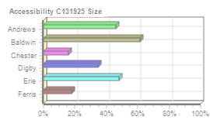
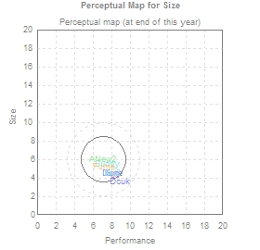
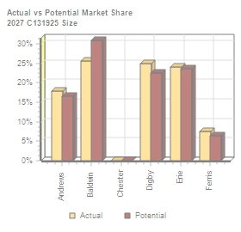
Size Segment Analysis C131925 Round: 6 Dec. 31, 2027
Size Statistics Total Industry Unit Demand 5,437 Actual Industry Unit Sales |5,437 Segment % of Total Industry |11.5% Next Year's Segment Growth Rate |18.3% Size Customer Buying Criteria Expectations Importance 1. Ideal Position Pfmn 8.2 Size 4.6 43% 2. Age Ideal Age = 1.5 29% 3. Reliability MTBF 16000-21000 19% 4. Price $22.00 - 32.00 9%

Top Products in Size Segment
Name Dune Egg Buddy ANew2 Fume Bid2 Dcuk | Market Share 24% 24% 23% 18% 8% 2% 1% | Units Sold to Seg 1,310 1,304 1,272 968 408 125 50 | Revision Date 7/26/2027 7/9/2027 1/2/2028 1/26/2028 10/12/2027 9/15/2027 6/26/2027 | Stock Out YES YES YES YES | Pfmn Coord 8.2 8.2 7.5 7.0 7.2 8.2 8.9 | Size Coord 4.6 4.6 5.5 6.0 5.2 4.5 3.6 | List Age Price MTBF Dec.31 $31.49 19000 1.45 $32.50 21000 2.09 $31.75 20000 3.55 $32.00 19000 2.39 $32.00 18000 1.25 $32.00 20000 1.89 $34.00 21000 0.51 | Promo Budget $1,500 $2,000 $1,500 $2,000 $1,000 $1,500 $0 | Cust. □Aware- □ness 79% 87% 98% 96% 57% 84% 25% | Sales Budget $1,500 $2,000 $2,000 $2,000 $850 $2,000 $0 | Cust. A□ccess- ibility 35% 48% 61% 46% 18% 61% 35% | Dec. C□ust S□urvey 50 57 23 18 17 68 8
CAPSTONE ® COURIER Page 9

Table 10
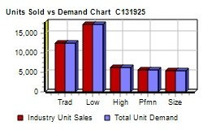
Market Share |  |  |  |  |  |  | C131925 Round: 6 Dec. 31, 2027
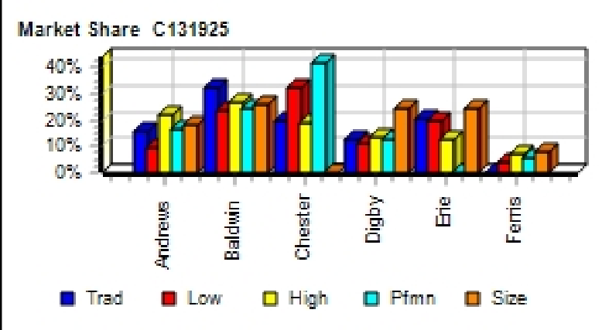
Actual Market Share in Units |  |  |  |  |  |  | Potential Market Share in Units
 | Trad | Low | High | Pfmn | Size | Total |  | Trad | Low | High | Pfmn | Size | Total
Industry Unit Sales | 12,526 | 17,404 | 6,286 | 5,662 | 5,437 | 47,315 | Units Demanded | 12,526 | 17,404 | 6,286 | 5,662 | 5,437 | 47,315
% of Market | 26.5% | 36.8% | 13.3% | 12.0% | 11.5% | 100.0% | % of Market | 26.5% | 36.8% | 13.3% | 12.0% | 11.5% | 100.0%
Able | 14.2% |  |  |  |  | 3.8% | Able | 13.1% |  |  |  |  | 3.5%
Acre |  | 9.8% |  |  |  | 3.6% | Acre |  | 9.6% |  |  |  | 3.5%
Adam | 1.1% |  | 0.3% |  |  | 0.3% | Adam | 0.9% |  | 0.3% |  |  | 0.3%
Aft |  |  |  | 16.5% |  | 2.0% | Aft |  |  |  | 14.5% |  | 1.7%
Agape |  |  |  |  |  |  | Agape
ANew1 |  |  | 21.8% |  |  | 2.9% | ANew1 |  |  | 18.7% |  |  | 2.5%
ANew2 |  |  |  |  | 17.8% | 2.0% | ANew2 |  |  |  |  | 16.5% | 1.9%
Total | 15.3% | 10.0% | 22.0% | 16.5% | 17.8% | 14.6% | Total | 14.0% | 9.7% | 19.0% | 14.5% | 16.5% | 13.4%
Baker | 17.6% |  |  |  |  | 4.7% | Baker | 15.0% |  |  |  |  | 4.0%
Bead |  | 24.7% |  |  |  | 9.1% | Bead |  | 26.8% |  |  |  | 9.9%
Bee |  |  | 15.0% |  |  | 2.0% | Bee |  |  | 16.7% |  |  | 2.2%
Bold |  |  |  | 24.1% |  | 2.9% | Bold |  |  |  | 23.1% |  | 2.8%
Buddy |  |  |  |  | 23.4% | 2.7% | Buddy |  |  |  |  | 21.7% | 2.5%
Bead2 | 14.6% |  |  |  |  | 3.9% | Bead2 | 13.8% |  |  |  |  | 3.7%
Bid2 |  |  | 4.3% |  | 2.3% | 0.8% | Bid2 |  |  | 5.5% |  | 9.2% | 1.8%
Baker2 |  |  | 8.0% |  |  | 1.1% | Baker2 |  |  | 11.6% |  |  | 1.5%
Total | 32.2% | 24.7% | 27.3% | 24.1% | 25.7% | 27.1% | Total | 28.8% | 26.8% | 33.8% | 23.1% | 30.9% | 28.3%
Cake |  | 14.5% |  |  |  | 5.3% | Cake |  | 14.0% |  |  |  | 5.1%
Cedar |  | 15.5% |  |  |  | 5.7% | Cedar |  | 15.1% |  |  |  | 5.6%
Cid | 9.7% |  |  |  |  | 2.6% | Cid | 8.4% |  |  |  |  | 2.2%
Coat |  |  |  | 24.9% |  | 3.0% | Coat |  |  |  | 22.2% |  | 2.7%
Cure | 9.5% |  |  |  |  | 2.5% | Cure | 20.4% |  |  |  |  | 5.4%
C_PI |  |  |  | 16.8% |  | 2.0% | C_PI |  |  |  | 23.6% |  | 2.8%
C_P2 |  |  | 18.5% |  |  | 2.5% | C_P2 |  |  | 15.8% |  |  | 2.1%
Total | 19.1% | 30.0% | 18.5% | 41.7% |  | 23.5% | Total | 28.8% | 29.1% | 15.8% | 45.8% |  | 25.9%
Daze | 13.2% |  |  |  |  | 3.5% | Daze | 11.2% |  |  |  |  | 3.0%
Dell |  | 10.8% |  |  |  | 4.0% | Dell |  | 10.5% |  |  |  | 3.9%
Dot |  |  |  | 12.5% |  | 1.5% | Dot |  |  |  | 12.1% |  | 1.4%
Dune |  |  |  |  | 24.1% | 2.8% | Dune |  |  |  |  | 21.4% | 2.5%
DeeNee |  |  | 11.0% |  |  | 1.5% | DeeNee |  |  | 9.6% |  |  | 1.3%
DeeKwa |  |  | 2.1% |  |  | 0.3% | DeeKwa |  |  | 1.7% |  |  | 0.2%
Dcuk |  |  |  |  | 0.9% |  | Dcuk |  |  |  |  | 1.1%
Total | 13.2% | 10.8% | 13.1% | 12.5% | 25.0% | 13.6% | Total | 11.2% | 10.5% | 11.4% | 12.1% | 22.5% | 12.4%
Eat | 20.3% |  |  |  |  | 5.4% | Eat | 17.2% |  |  |  |  | 4.6%
Ebb |  | 21.1% |  |  |  | 7.8% | Ebb |  | 20.5% |  |  |  | 7.5%
Egg |  |  |  |  | 24.0% | 2.8% | Egg |  |  |  |  | 23.6% | 2.7%
Elite |  |  | 8.1% |  |  | 1.1% | Elite |  |  | 6.8% |  |  | 0.9%
Elon |  |  | 4.2% |  |  | 0.6% | Elon |  |  | 7.4% |  |  | 1.0%
Total | 20.3% | 21.1% | 12.3% |  | 24.0% | 17.5% | Total | 17.2% | 20.5% | 14.2% |  | 23.6% | 16.7%
Fast |  | 3.5% |  |  |  | 1.3% | Fast |  | 3.4% |  |  |  | 1.2%
Fist |  |  | 6.8% |  |  | 0.9% | Fist |  |  | 5.9% |  |  | 0.8%
Foam |  |  |  | 5.2% |  | 0.6% | Foam |  |  |  | 4.5% |  | 0.5%
Fume |  |  |  |  | 7.5% | 0.9% | Fume |  |  |  |  | 6.5% | 0.7%
Total |  | 3.5% | 6.8% | 5.2% | 7.5% | 3.7% | Total |  | 3.4% | 5.9% | 4.5% | 6.5% | 3.3%
CAPSTONE ® COURIER |  |  |  |  |  |  |  |  |  |  |  |  | Page 10

Table 11
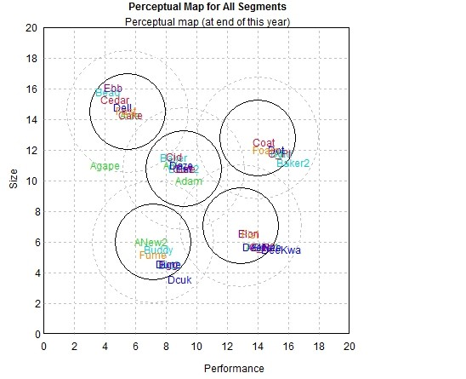
Perceptual Map C131925 Round: 6 Dec. 31, 2027

Andrews |  |  | Baldwin |  |  | Chester
Name Pfmn Size | Revised | Name | Pfmn Size | Revised | Name | Pfmn Size | Revised
Able 8.5 11.0 | 7/7/2027 | Baker | 8.5 11.5 | 2/21/2028 | Cake | 5.7 14.3 | 5/5/2022
Acre 5.7 14.3 | 4/10/2027 | Bead | 4.2 15.8 | 2/10/2026 | Cedar | 4.7 15.3 | 4/4/2027
Adam 9.5 10.0 | 5/6/2023 | Bee | 14.4 5.7 | 3/17/2027 | Cid | 8.5 11.6 | 1/3/2028
Aft 15.4 11.8 | 3/23/2027 | Bold | 15.5 11.8 | 6/30/2027 | Coat | 14.4 12.5 | 1/15/2028
Agape 4.0 11.0 | 5/25/2019 | Buddy | 7.5 5.5 | 1/2/2028 | Cure | 9.2 10.8 | 11/14/2026
ANew1 14.3 5.7 | 6/6/2027 | Bead2 | 9.2 10.8 | 1/20/2027 | C_PI | 15.4 11.8 | 1/15/2027
ANew2 7.0 6.0 | 1/26/2028 | Bid2 | 8.2 4.5 | 9/15/2027 | C_P2 | 14.3 5.7 | 12/21/2026
 |  | Baker2 | 16.3 11.2 | 9/14/2027
Digby |  |  | Erie |  |  | Ferris
Name Pfmn Size | Revised | Name | Pfmn Size | Revised | Name | Pfmn Size | Revised
Daze 9.0 11.0 | 8/15/2027 | Eat | 9.2 10.8 | 3/1/2027 | Fast | 5.4 14.6 | 1/29/2024
Dell 5.2 14.8 | 5/2/2027 | Ebb | 4.6 16.1 | 1/14/2027 | Fist | 13.5 6.5 | 10/17/2027
Dot 15.2 12.0 | 5/21/2027 | Egg | 8.2 4.6 | 7/9/2027 | Foam | 14.6 12.0 | 10/24/2027
Dune 8.2 4.6 | 7/26/2027 | Elite | 14.3 5.7 | 4/18/2027 | Fume | 7.2 5.2 | 10/12/2027
DeeNee 14.3 5.7 | 11/5/2027 | Elon | 13.4 6.6 | 1/11/2028
DeeKwa 15.5 5.5 | 12/3/2026
Dcuk 8.9 3.6 | 6/26/2027
CAPSTONE ® COURIER |  |  |  |  |  |  | Page 11

Table 14
Annual Report
Annual Report | Chester |  | C131925 | Round: 6 Dec. 31, 2027
Balance Sheet
DEFINITIONS: Common Size: The common size column | ASSETS Cash Account Receivable Inventory Total Current Assets Plant & Equipment Accumulated Depreciation Total Fixed Assets Total Assets LIABILITIES & OWNERS □EQUITY Accounts Payable Current Debt |  | $38,400 $34,128 $29,872 $102,400 $351,320 ($118,389) $232,931 $335,330 $12,390 $72,892 | 2027 Common □Size 11.5% 10.2% 8.9% 30.5% 105.0% -35.3% 69.5% 100.0% 3.7% 21.7% | 2026 $20,622 $31,050 $25,769 $77,441 $277,920 ($94,968) $182,952 $260,393 $12,315 $47,709
simply represents each item as a percentage of total
assets for that year. Cash: Your end-of-year cash
position. Accounts Receivable: Reflects the lag between
delivery and payment of your products. Inventories: The
current value of your inventory across all products. A zero
indicates your company stocked out. Unmet demand
would, of course, fall to your competitors. Plant &
Equipment: The current value of your plant. Accum
Deprec: The total accumulated depreciation from your
plant. Accts Payable: What the company currently owes
suppliers for materials and services. Current Debt: The
debt the company is obligated to pay during the next year
of operations. It includes emergency loans used to keep
your company solvent should you run out of cash during
the year. Long Term Debt: The companys long term debt
is in the form of bonds, and this represents the total value
of your bonds. Common Stock: The amount of capital
invested by shareholders in the company. Retained
Earnings: The profits that the company chose to keep
instead of paying to shareholders as dividends.
 | Long Term Debt |  | $75,990 | 22.7% | $61,840
 | Total Liabilities |  | $161,272 | 48.1% | $121,864
 | Common Stock |  | $53,360 | 15.9% | $53,360
 | Retained Earnings |  | $120,698 | 36.0% | $85,169
 | Total Equity |  | $174,058 | 51.9% | $138,529
 | Total Liab. & O. Equity |  | $335,330 | 100.0% | $260,393
Cash Flow Statement
The Cash Flow Statement examines what happened in the Cash Account |  | Cash Flows from Operating Activities Net Income(Loss) Depreciation Extraordinary gains/losses/writeoffs Accounts Payable Inventory Accounts Receivable Net cash from operation Cash Flows from Investing Activities |  | 2027 $35,529 $23,421 $0 $74 ($4,103) ($3,078) $51,844 | 2026 $28,318 $18,528 $0 $716 ($15,960) ($4,324) $27,278
during the year. Cash injections appear as positive numbers and cash
withdrawals as negative numbers. The Cash Flow Statement is an excellent
tool for diagnosing emergency loans. When negative cash flows exceed
positives, you are forced to seek emergency funding. For example, if sales
are bad and you find yourself carrying an abundance of excess inventory,
the report would show the increase in inventory as a huge negative cash
flow. Too much unexpected inventory could outstrip your inflows, exhaust
your starting cash and force you to beg for money to keep your company
afloat.
 |  | Plant Improvements |  | ($73,400) | ($68,120)
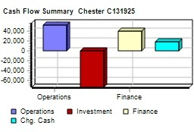
 |  | Cash Flows from Financing Activities
 |  | Dividends paid |  | $0 | $0
 |  | Sales of common stock |  | $0 | $25,000
 |  | Purchase of common stock |  | $0 | $0
 |  | Cash from long term debt |  | $35,000 | $0
 |  | Retirement of long term debt |  | ($20,850) | $0
 |  | Change in current debt(net) |  | $25,183 | ($2,844)
 |  | Net cash from financing activities |  | $39,333 | $22,156
 |  | Net change in cash position |  | $17,778 | ($18,686)
 |  | Closing cash position |  | $38,400 | $20,622
Annual Report |  |  |  | Page 14

Table 15
Annual Report Chester C131925 Dec. Round: 6 31, 2027
2027 Income Statement
(Product Name) | Cake | Cedar | Cid | Coat | Cure | C_PI C_P2 |  |  | 2027 Total | Common S□ize
Sales | $46,416 | $48,530 | $32,096 | $44,910 | $31,844 | $30,038 $42,983 |  | $0 | $276,816 | 100.0%
Variable Costs:
Direct Labor | $6,455 | $7,135 | $5,010 | $7,227 | $4,915 | $5,243 $12,815 |  | $0 | $48,800 | 17.6%
Direct Material | $14,597 | $12,887 | $10,755 | $19,028 | $11,124 | $12,914 $16,534 |  | $0 | $97,839 | 35.3%
Inventory Carry | $647 | $17 | $892 | $1,348 | $0 | $0 $681 |  | $0 | $3,585 | 1.3%
Total Variable | $21,699 | $20,040 | $16,657 | $27,603 | $16,040 | $18,156 $30,030 |  | $0 | $150,224 | 54.3%
Contribution Margin | $24,718 | $28,490 | $15,438 | $17,307 | $15,804 | $11,881 $12,953 |  | $0 | $126,591 | 45.7%
Period Costs:
Depreciation | $6,747 | $4,293 | $3,920 | $2,720 | $3,360 | $1,541 $840 |  | $0 | $23,421 | 8.5%
SG&A: R&D | $0 | $259 | $1,000 | $1,000 | $0 | $40 $0 |  | $0 | $2,299 | 0.8%
Promotions | $1,500 | $1,500 | $1,400 | $1,500 | $1,400 | $1,400 $2,000 |  | $0 | $10,700 | 3.9%
Sales | $1,300 | $1,300 | $1,100 | $1,400 | $1,100 | $1,200 $3,000 |  | $0 | $10,400 | 3.8%
Admin | $389 | $406 | $269 | $376 | $267 | $252 $360 |  | $0 | $2,318 | 0.8%
Total Period | $9,935 | $7,759 | $7,689 | $6,996 | $6,127 | $4,433 $6,200 |  | $0 | $49,139 | 17.8%
Net Margin | $14,782 | $20,731 | $7,749 | $10,311 | $9,677 | $7,448 $6,753 |  | $0 | $77,453 | 28.0%
Definitions: Sales: Unit Sales times list price. Direct Labor: Labor costs incurred to produce the product |  |  |  |  |  |  | Other |  | $3,250 | 1.2%
that was sold. Inventory Carry Cost: the cost unsold goods in inventory. Depreciation: Calculated on |  |  |  |  |  |  | EBIT |  | $74,203 | 26.8%
straight-line. 15-year depreciation of plant value. R&D Costs: R&D department expenditures for each |  |  |  |  |  |  | Short Term Interest |  | $8,747 | 3.2%
product. Admin: Administration overhead is estimated at 1.5% of sales. Promotions: The promotion budget |  |  |  |  |  |  | Long Term Interest |  | $9,680 | 3.5%
for each product. Sales: The sales force budget for each product. Other: Chargs not included in other |  |  |  |  |  |  | Taxes |  | $19,522 | 7.1%
categories such as Fees, Write offs, and TQM. The fees include money paid to investment bankers and |  |  |  |  |  |  | Profit Sharing |  | $725 | 0.3%
brokerage firms to issue new stocks or bonds plus consulting fees your instructor might assess. Write-offs |  |  |  |  |  |  | Net Profit |  | $35,529 | 12.8%
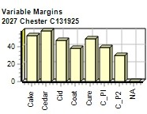
include the loss you might experience when you sell capacity or liquidate inventory as the result of
eliminating a production line. If the amount appears as a negative amount, then you actually made money
on the liquidation of capacity or inventory. EBIT: Earnings Before Interest and Taxes. Short Term Interest:
Interest expense based on last years current debt, including short term debt, long term notes that have
become due, and emergency loans, Long Term Interest: Interest paid on outstanding bonds. Taxes:
Income tax based upon a 35% tax rate. Profit Sharing: Profits shared with employees under the labor
contract. Net Profit: EBIT minus interest, taxes, and profit sharing.

Annual Report |  |  |  |  |  |  |  |  |  | Page 15

