Screen Flow
Phase |  | Project Name |  |  |  | Page | 3/9
Block Name |  |  | Function Name |  | Created | By
Document Name |  |  | Title | Screen Flow Diagram | Updated | By

2. Screen Flow

 | Screen Flow for Order Monitoring

Action Input modal
→ Workflow button
← Submit OK / Cancel

[TBD]
Order Monitoring screen
→ Detail
← Close (x)
Order Detail modal

File Preview modal
View

Surat Jalan ELIPS
Surat Jalan modal
PDF
Print / PDF

 | Order Status Transition

START

DTP Check & Submit

Planning Order

Assign Truck (IP) /
Order Release (LP)

Order Release

Start Order (Driver) /
Pickup (LP)

Start Daily Order

Finish Order

Finish Daily Order

Process to SA OK

SA Approved

Process to PAS + PO
No.

SA Approved with PO Number

END

 | Cycle Status Transition

START

DTP created (Cycle 1)

DTP Creation Release

Start Order

Start Cycle

Pickup + Container No.

Pickup Container

Yes: Start Next Cycle

Finish Cycle
Finish Cycle

Next cycle? (max 5)

No

Finish Order

 | Screen Flow for Workflow Action [Submit]

START

On Click of Submit button

Mandatory filled?

Yes

Role & status allowed?

Yes
No (msg 6)

Field validation OK?

No (msg 7, 8)
Yes
No (msg 11-23)
Update order / cycle
status
Daily Order (TBD) / Daily
Order Cycle (TBD)
Show error message

Insert status history
Daily Order Status History
(TBD)

Refresh Order Detail &
List

 | Screen Flow for Process to SA

START

On Click of Process to SA

All cycles finished with
Container No.?

Yes

Send order to SA

SA success?
No (msg 24)

Yes

No (msg 25)
Set SA Approved +
timestamp
Log failure, status
unchanged

END

 | Screen Flow for Process to PAS

START

On Click of Process to PAS

Send order to PAS

PO Number returned and
valid?

Yes

No (msg 26, 27)
Set SA Approved with PO
Number
Log failure, status stays
SA Approved

END

Screen Layout
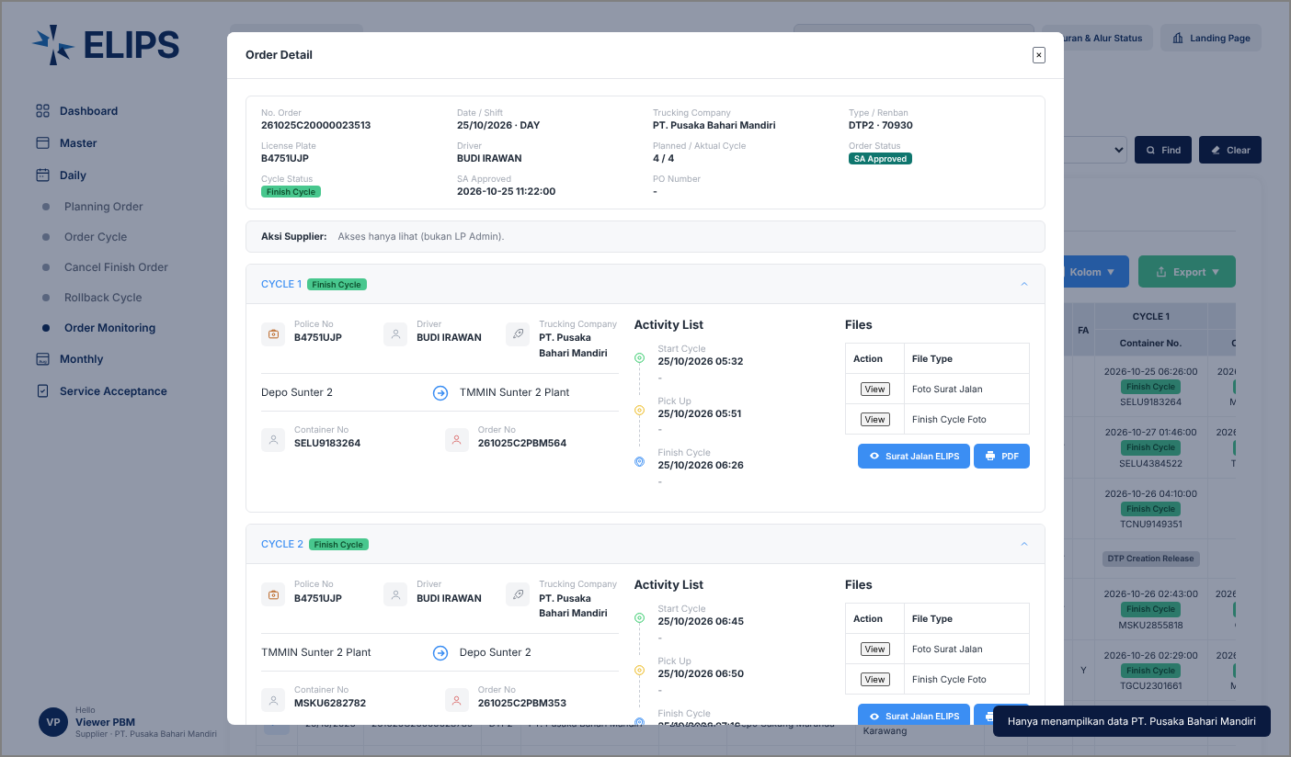
Phase |  | Project Name |  |  |  | Page | 4/9
Block Name |  |  | Function Name |  | Created | By
Document Name |  |  | Title | Screen Layout | Updated | By

3. Screen Layout

 | 1. On Load / Search Result (screenshot from user)
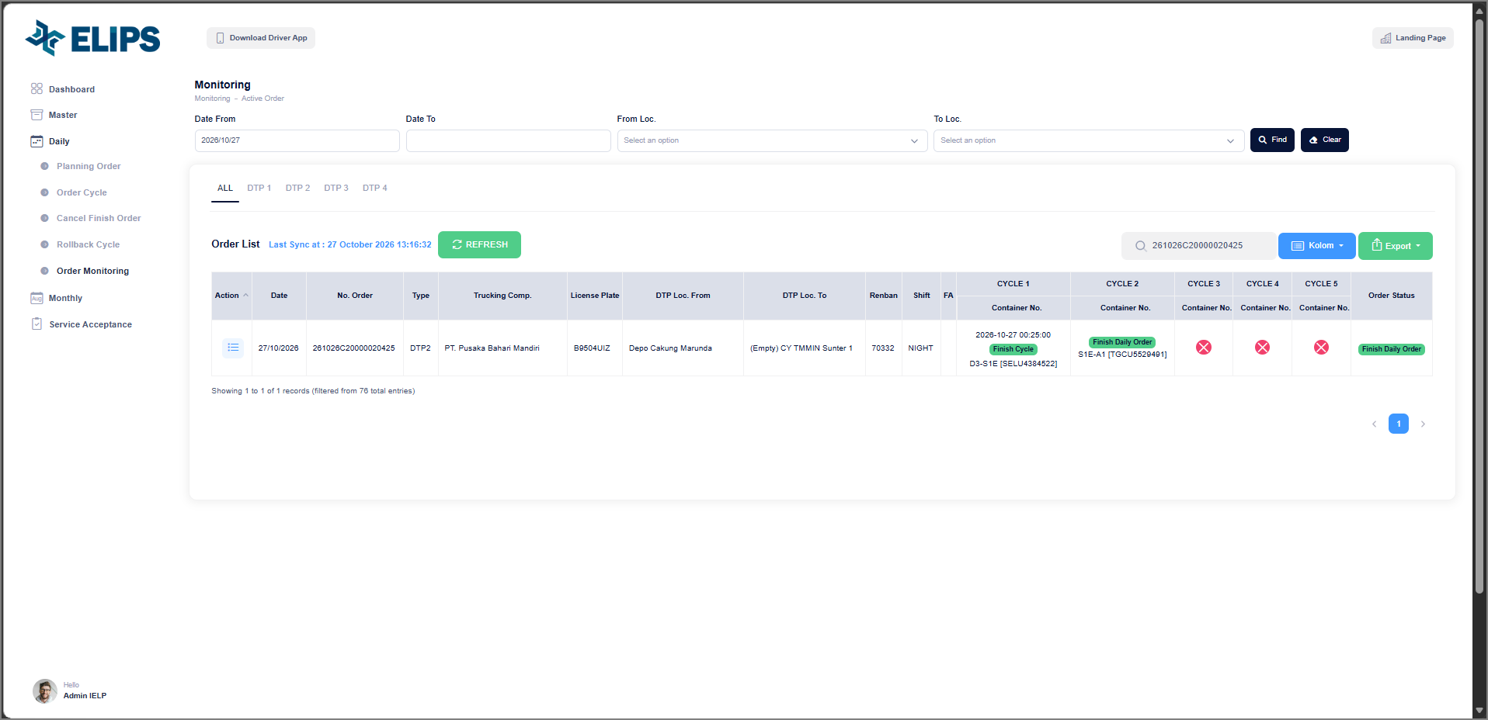

 | 2. Order Detail modal (screenshot from user)
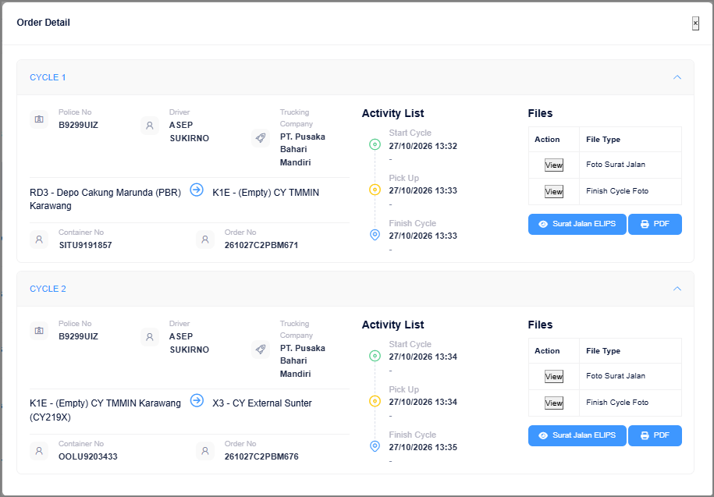

 | 3. Search Result with Cycle Status and Order Status (HTML mock-up)
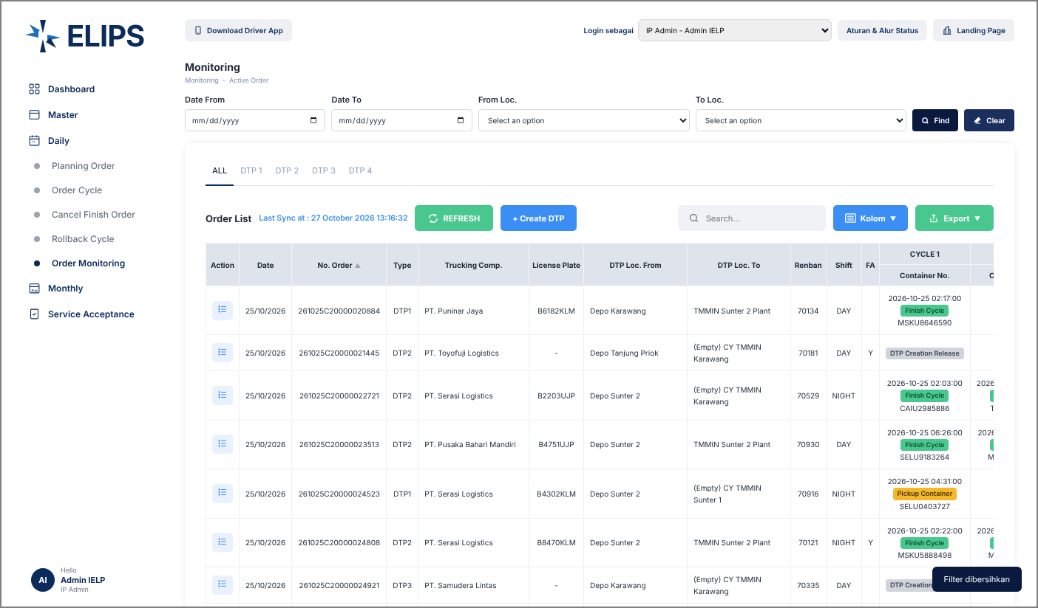

 | Mock-up only: 'Login sebagai' combo box simulates the login role; it is not part of the real screen.

 | 4. Order Detail - IP Admin, order in Planning Order (HTML mock-up)
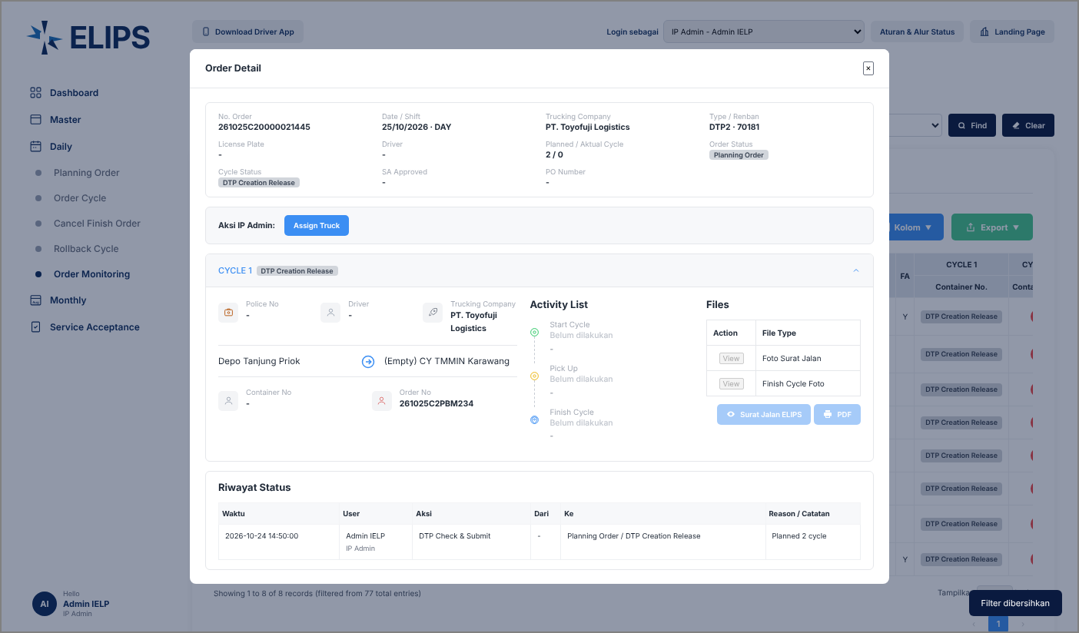

 | Order summary, action section, cycle section and status history ('Riwayat Status').

 | 5. Action Input - Assign Truck, mandatory error (HTML mock-up)
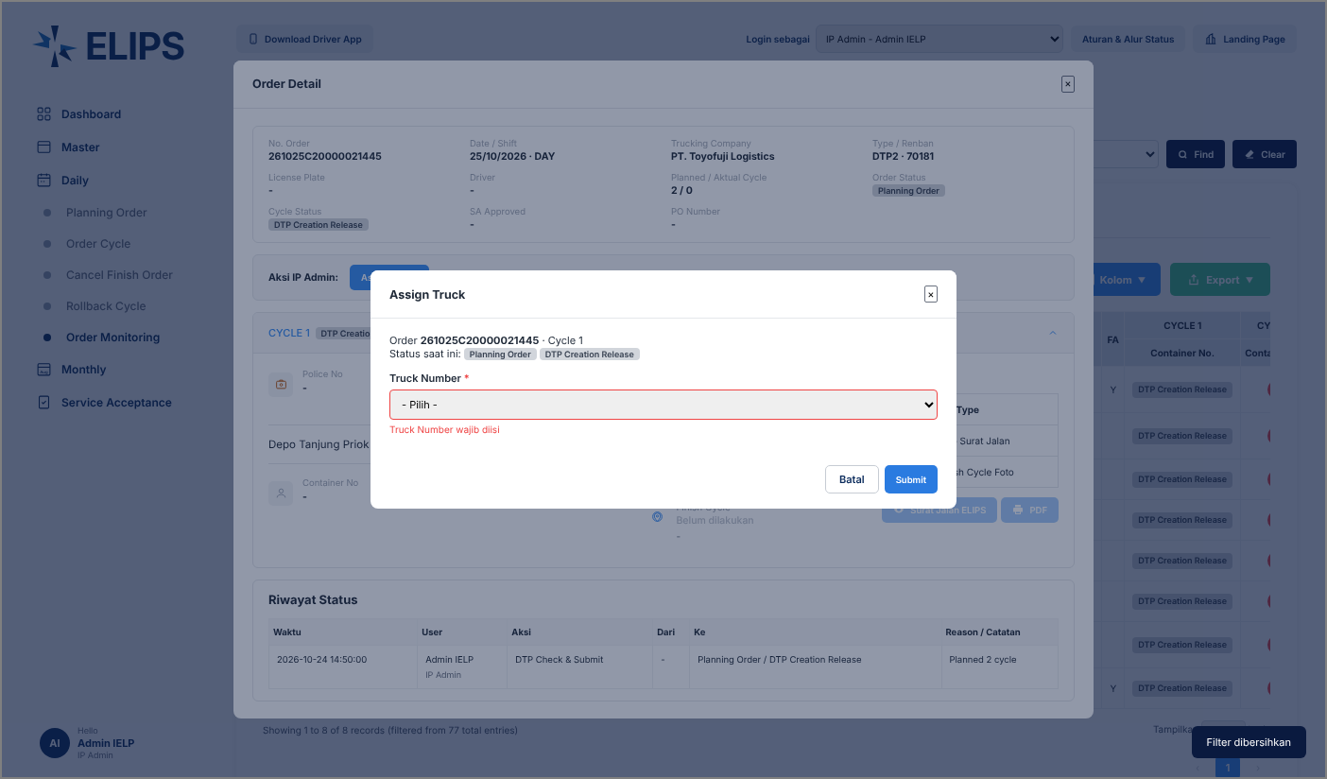

 | 6. Order Detail - Status History with SA / PO (HTML mock-up)
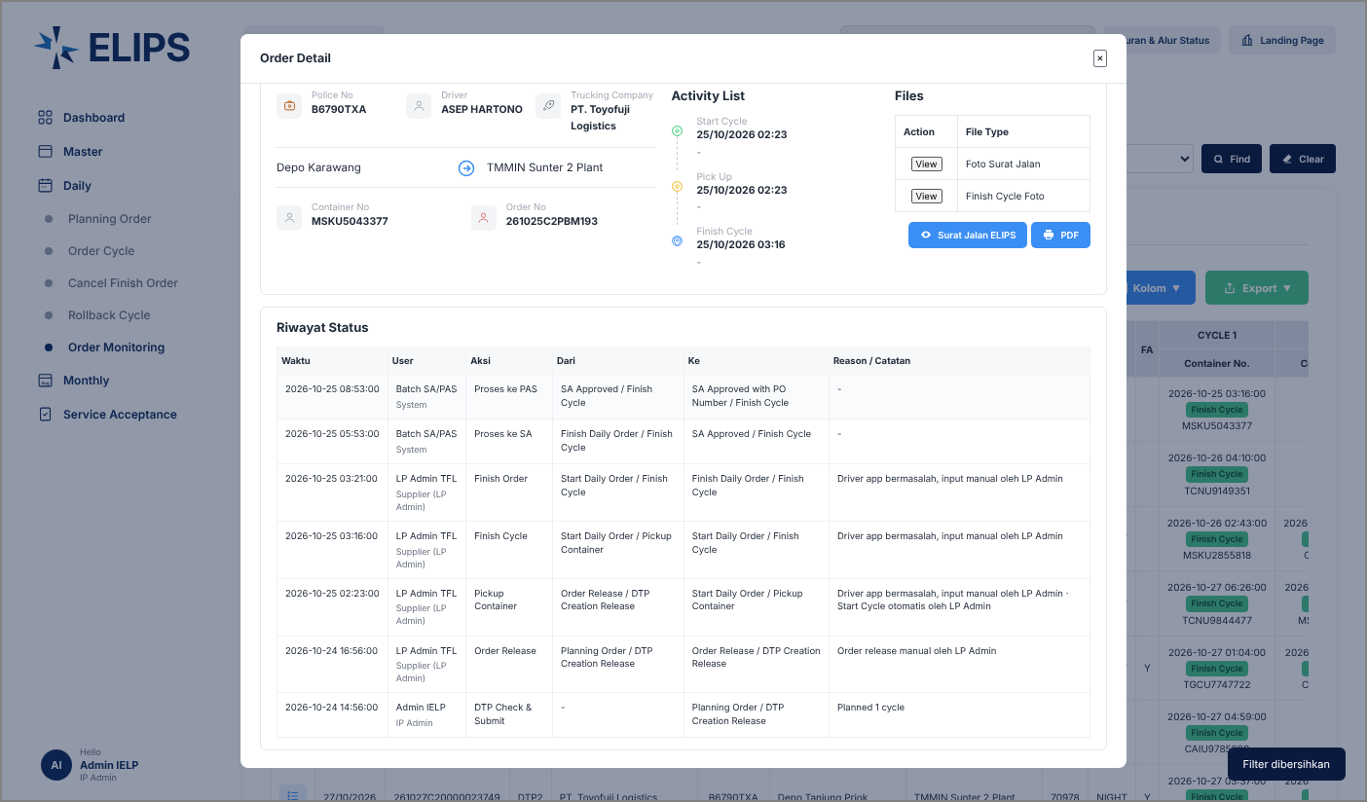

 | 7. Action Input - LP Admin Order Release, Reason and Driver mandatory (HTML mock-up)
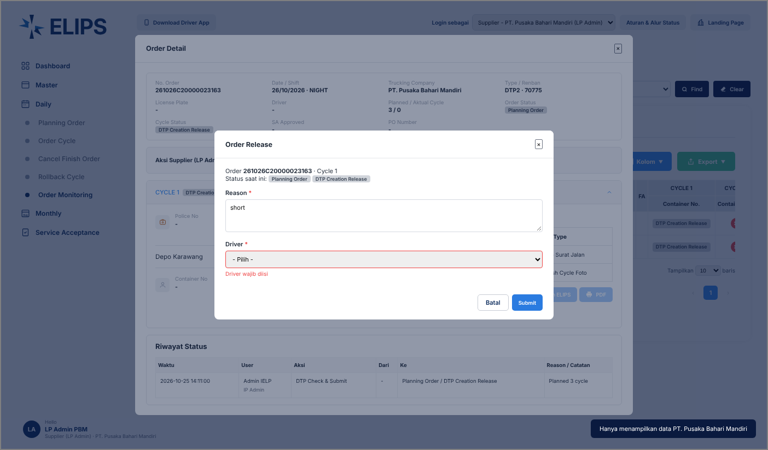

 | 8. Action Input - LP Admin Pickup Container, invalid check digit (HTML mock-up)
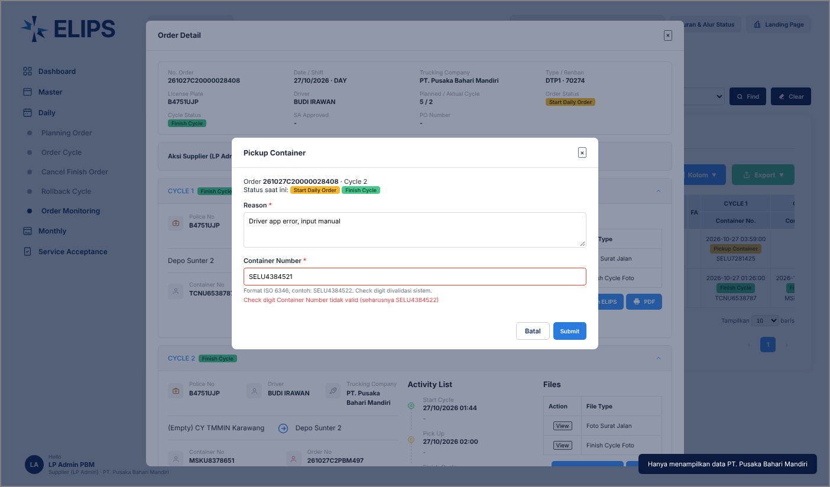

 | 9. Order Detail - Supplier Viewer, read only (HTML mock-up)

