Screen Flow
Phase |  | Project Name |  |  |  | Page | 3/9
Block Name |  |  | Function Name |  | Created | By
Document Name |  |  | Title | Screen Flow Diagram | Updated | By

2. Screen Flow

 | Screen Flow for Master Location

View Location modal
→ Opsi > View
← Close (x)

[TBD]
Master Location screen
Confirmation modal
→ Opsi > Deactivate /
Delete
← Confirm / Batal

Export .xls
Excel file

 | Screen Flow for Save (Add / Edit)

START

On Click of Save button

Mandatory filled?
No
Show message no. 1

Yes

Format, range, Sub Area
OK?
No
Show message no. 2-7

Yes

Alias unique / edit
allowed?
No
Show message no. 3 / 8 / 9

Yes

Insert or update location
Location Master (TBD)

Reset to Add Mode, msg 10

 | Screen Flow for Map Point Selection

START

Pick suggestion / click
map / drag marker

Set Latitude / Longitude
(7 decimals)

Move marker, draw radius
circle

Address from suggestion?
(Yes: use it)

No

Reverse geocode to address
Google Maps API (TBD)

Fill Location Address
Google Map

END

 | Screen Flow for Deactivate / Delete

START

On Click of Opsi >
Deactivate / Delete

Location used in delivery?

Yes
No

Confirm msg 13
Confirm msg 14

Deactivate
Delete

Set Status = INACTIVE
Delete location

Location Master (TBD)
Refresh list, msg 16

 | Geofence Check on Driver Closing (Driver App, uses this master)

START

Driver closes delivery
(scan)

Get driver GPS
Location Master (TBD)

Distance to destination
(Haversine)

Distance <= Radius?

No
Yes
OUTSIDE GEOFENCE: warning
msg 18, log event
INSIDE GEOFENCE

Finish mechanism =
MANUAL/SCAN

END

 | Auto Finish (system, uses this master)

START

Delivery event to
destination

Destination Auto Finish =
Yes?
Driver closes by scan
(MANUAL/SCAN)
No

No

Yes
TC-PBR trigger met? (TBD)

Yes

Finish delivery: mechanism
AUTO, time, destination,
lat/lng, SYSTEM
Delivery Finish History
(TBD)

END

Screen Layout
Phase |  | Project Name |  |  |  | Page | 4/9
Block Name |  |  | Function Name |  | Created | By
Document Name |  |  | Title | Screen Layout | Updated | By

3. Screen Layout

 | 1. Master Location - Add Mode with map and Location Registrations (screenshot from user)
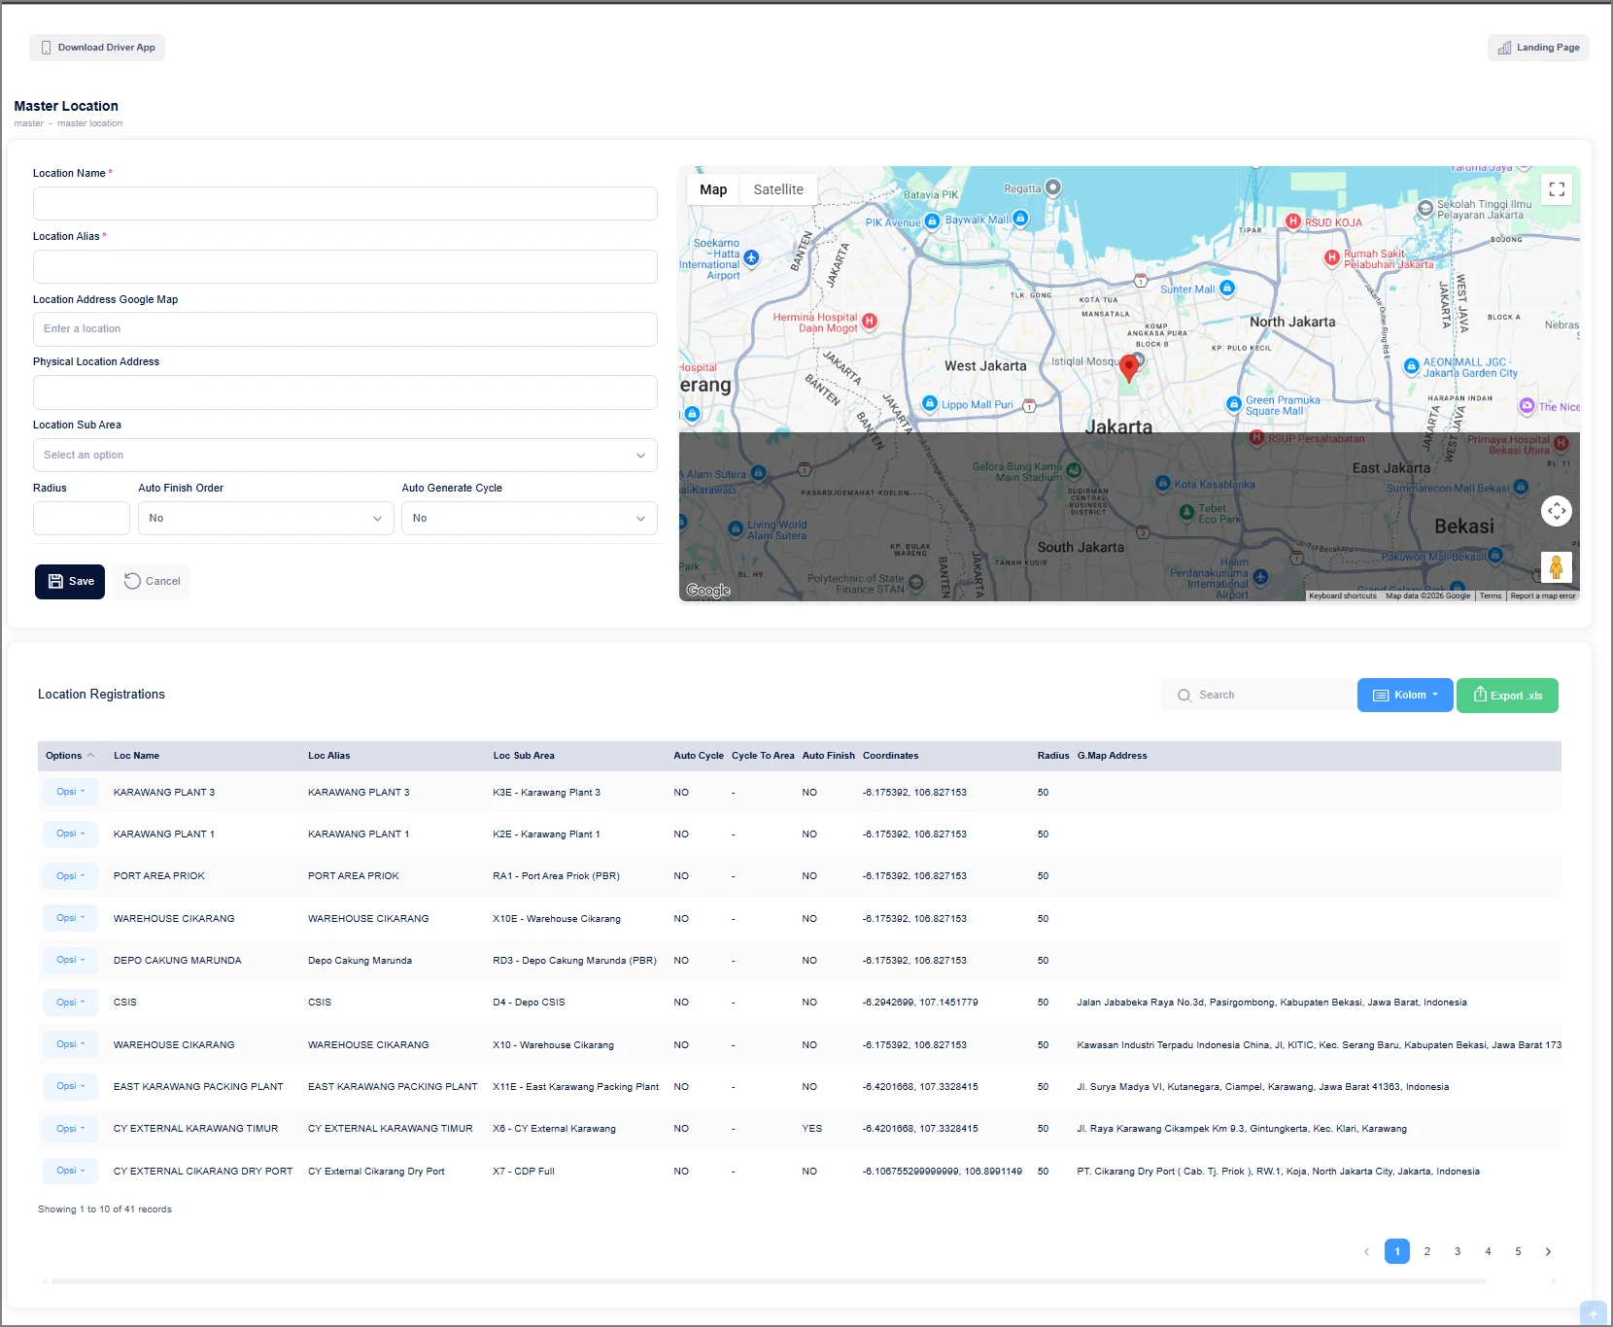

 | 2. Add Mode - mandatory validation (HTML mock-up)
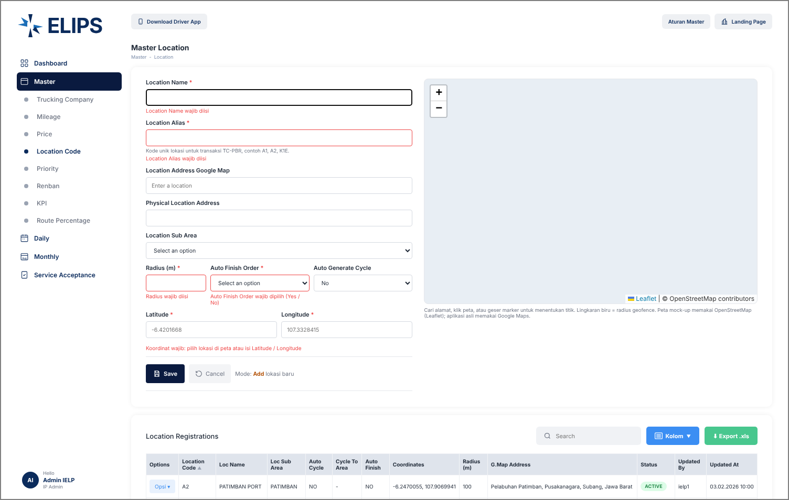

 | Mock-up map uses Leaflet / OpenStreetMap (tiles not loaded in the capture environment); real screen uses the existing Google Maps.

 | 3. Options menu per row (HTML mock-up)
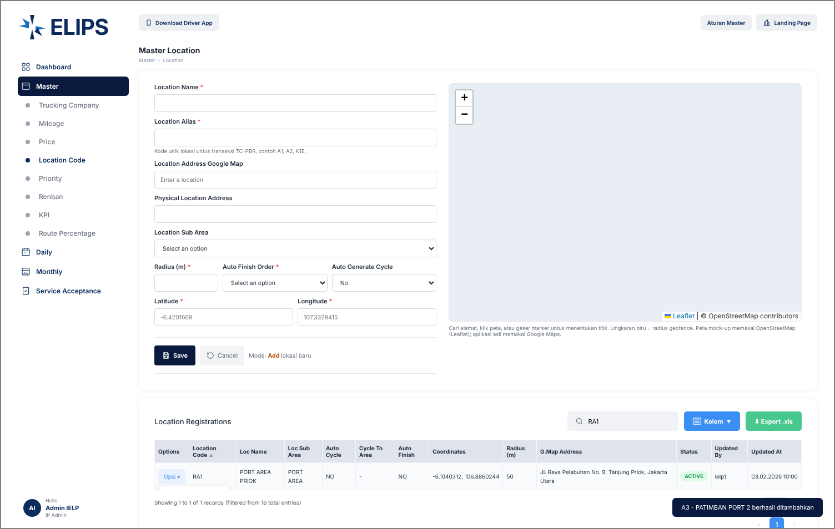

 | 4. Edit Mode - stored point loaded (HTML mock-up)
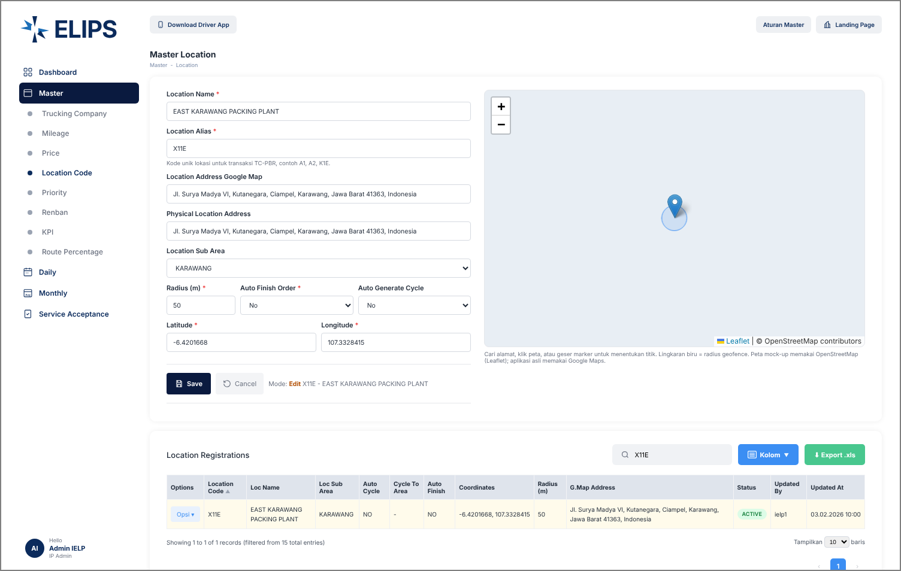

 | 5. Deactivate confirmation (HTML mock-up)
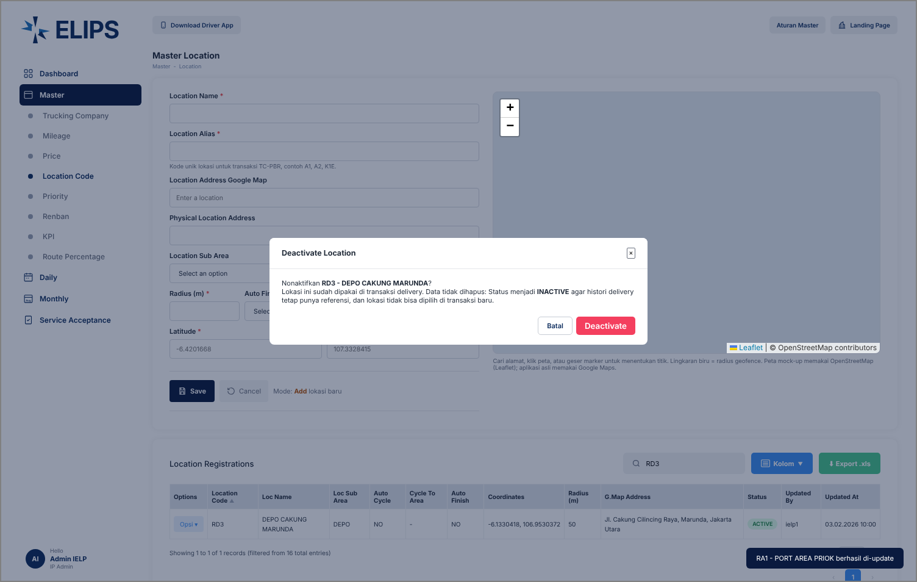

 | 6. View Location modal (HTML mock-up)
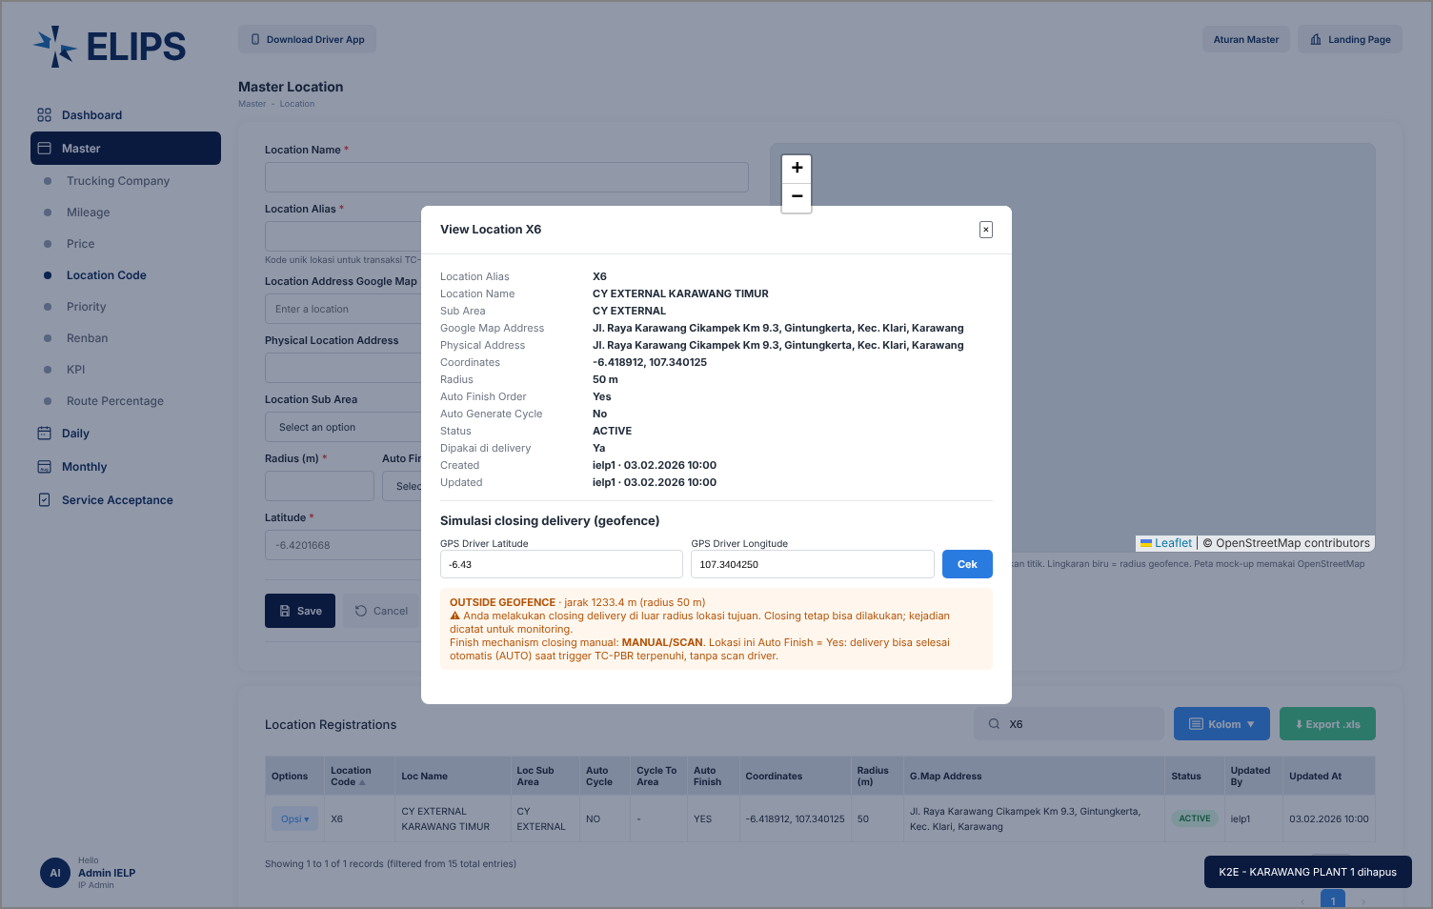

 | The geofence simulation block in the mock-up is for demonstration only; it is not part of the real screen.

