Screen Flow
Phase |  | Project Name |  |  |  | Page | 3/9
Block Name |  |  | Function Name |  | Created | By
Document Name |  |  | Title | Screen Flow Diagram | Updated | By

2. Screen Flow

 | Screen Flow for Route Mileage

Excel file
Export .xls
Active locations (From
/ To list)
Master Location screen
[TBD]
Route Mileage screen

TC-PBR cost calculation
Active mileage

 | Screen Flow for Save - Validation (steps 1-3)

START

On Click of Save button

From, To, Mileage filled?
No
Show message no. 1 / 2 / 3

Yes

From <> To?
No
Show message no. 4

Yes

Mileage numeric > 0?
Show message no. 5
No

Yes

Continue to step 4

 | Screen Flow for Save - Check and Store (steps 4-5)

From step 3

Locations active in Master
Location? (Add)
Show message no. 6
No

Yes

From + To already exists?
(Add)
Yes
Show message no. 7

No

Insert (Add) / update
Mileage (Edit) + audit
Route Mileage Master (TBD)

Reset form, refresh list,
msg 9 / 10

 | Screen Flow for Edit

START

On Click of a list row

Load From, To, Mileage;
lock From / To

User changes Mileage

Save clicked? (Cancel:
reset)

Yes

Validate steps 1-3 +
version check

Update Mileage, Updated By
/ Change Date
Route Mileage Master (TBD)

Reset to Add Mode

 | TC-PBR Variable Cost (uses this master)

START

Delivery From / To to be
costed

Get ACTIVE mileage for
From + To
Route Mileage Master (TBD)

Mileage found?
No
Flag missing mileage, msg
13; no cost

Yes

Get Price per KM
Price Master (TBD)

Variable Cost = Mileage x
Price per KM

END

Screen Layout
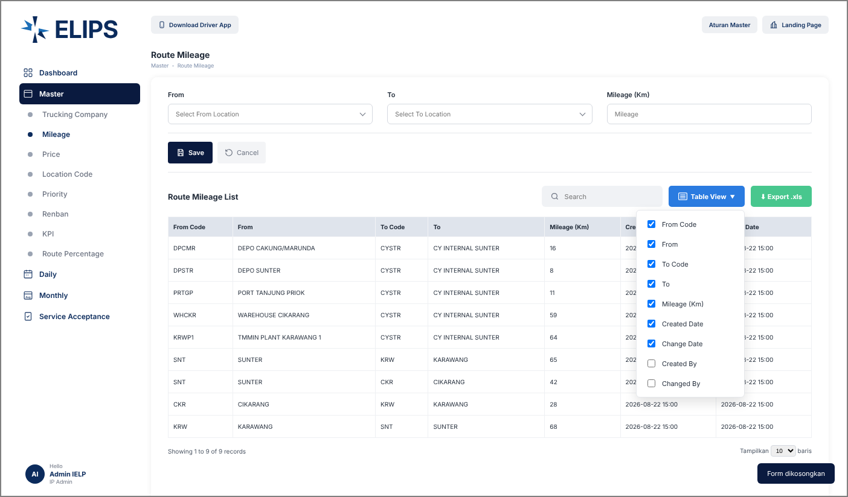
Phase |  | Project Name |  |  |  | Page | 4/9
Block Name |  |  | Function Name |  | Created | By
Document Name |  |  | Title | Screen Layout | Updated | By

3. Screen Layout

 | 1. Route Mileage - existing screen (reference from user)
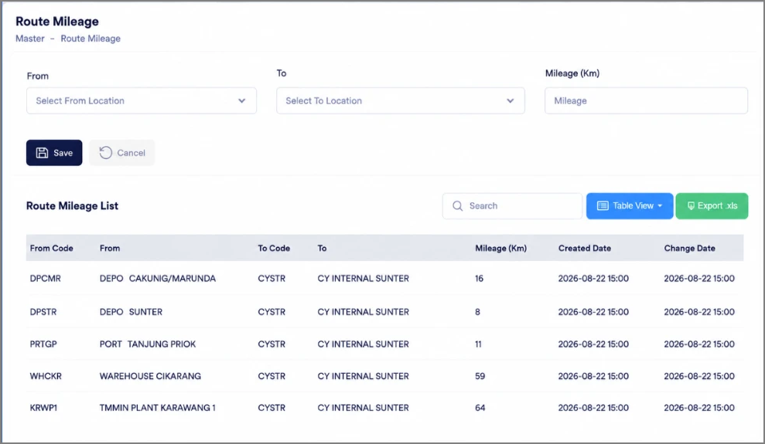

 | 2. Add Mode - initial display (HTML mock-up)
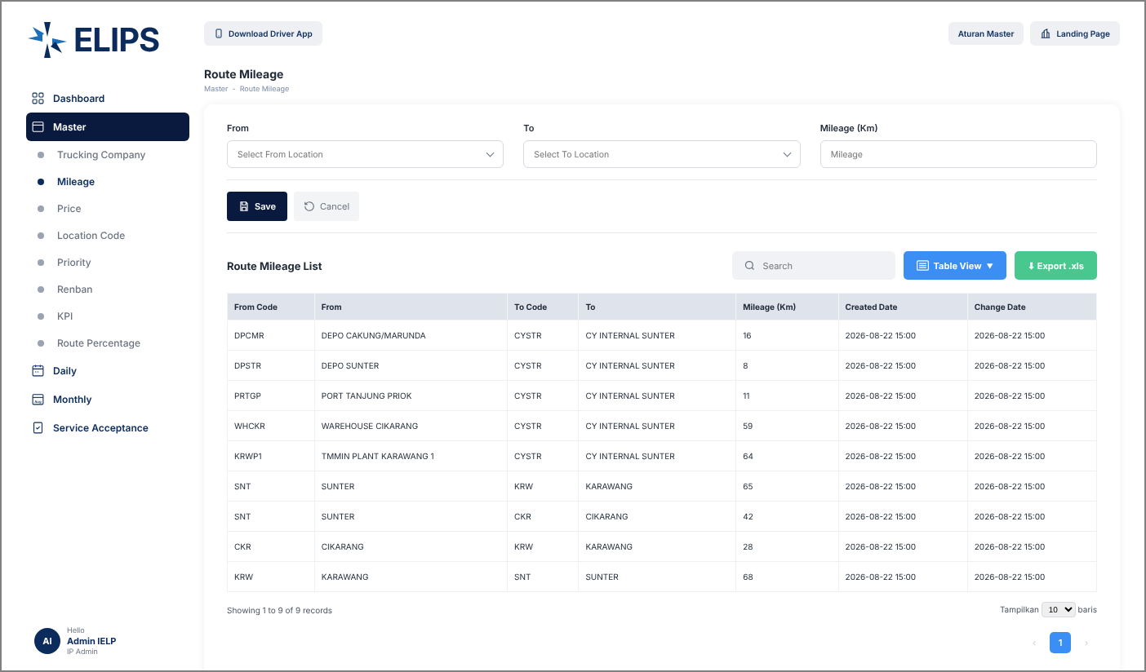

 | 3. Validation 1 - mandatory fields (HTML mock-up)
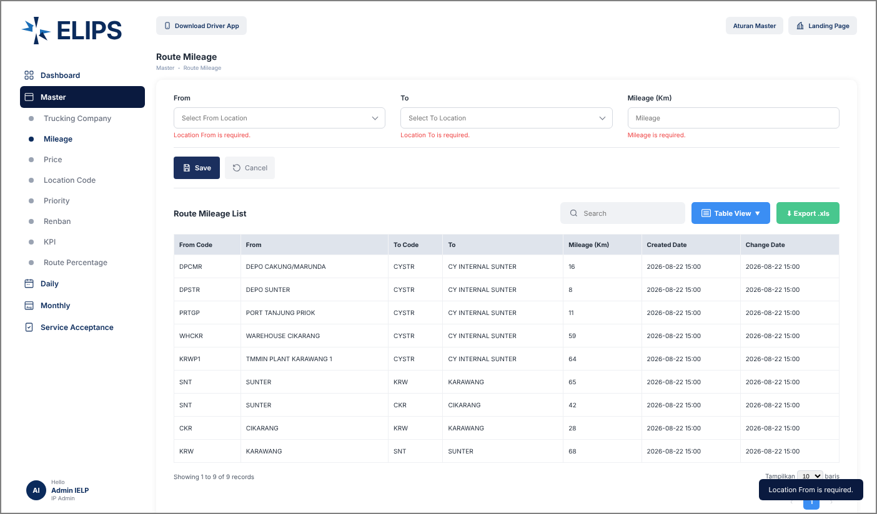

 | 4. From drop-down - search by code / name, active locations only (HTML mock-up)
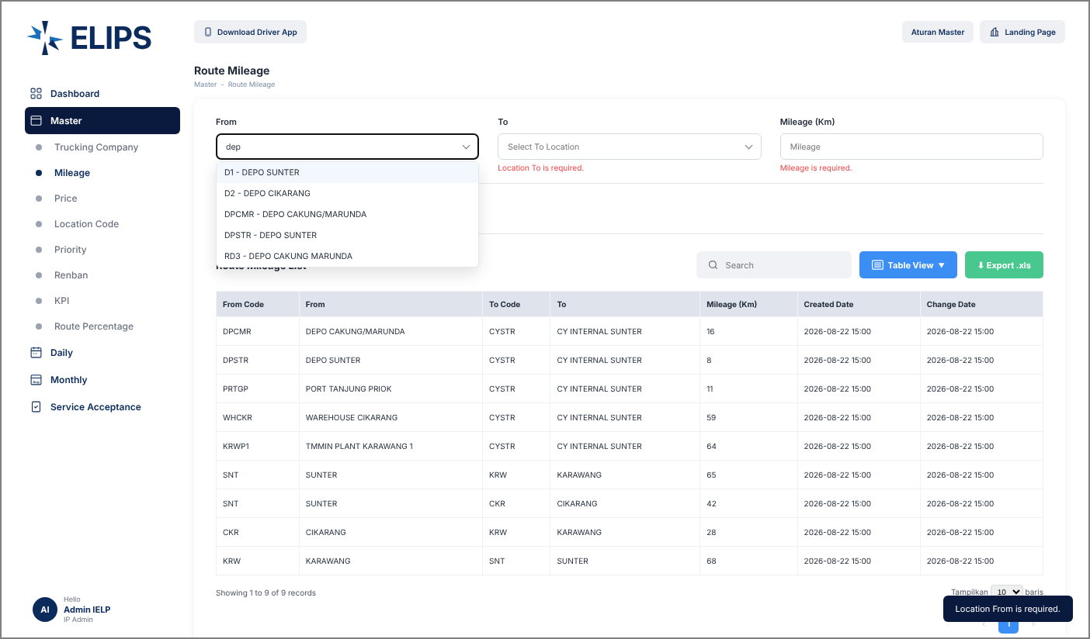

 | 5. Validation 3 - Mileage must be greater than 0 KM (HTML mock-up)
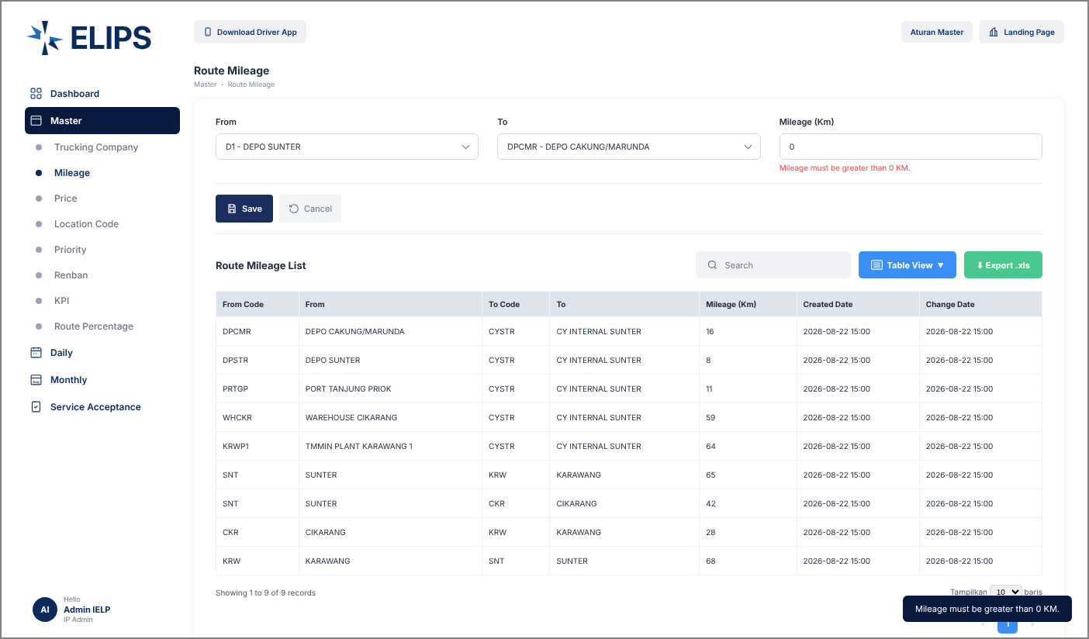

 | 6. Validation 4 - duplicate route (HTML mock-up)
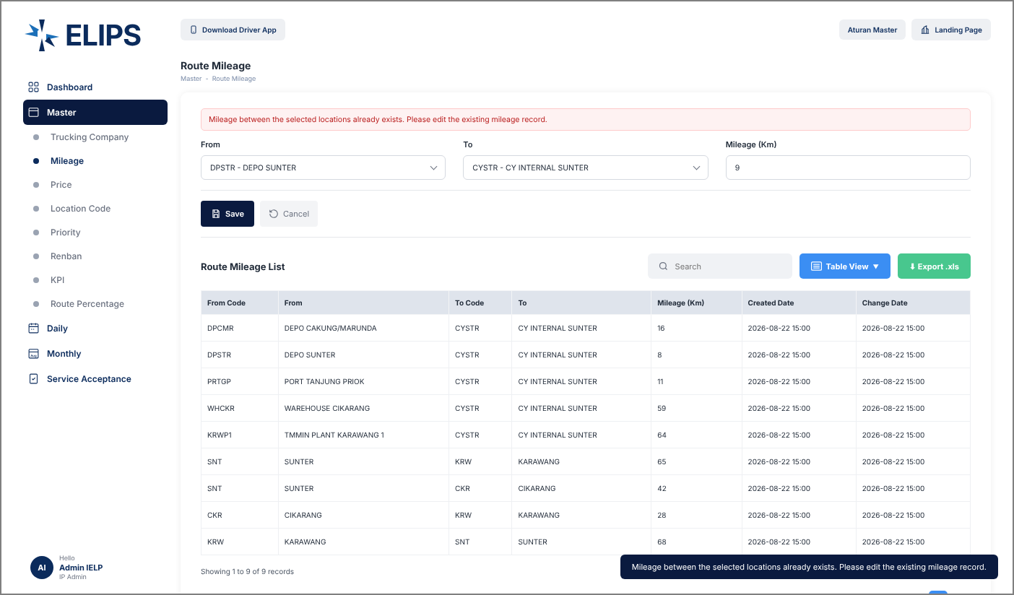

 | 7. Edit Mode - row clicked, From / To locked (HTML mock-up)
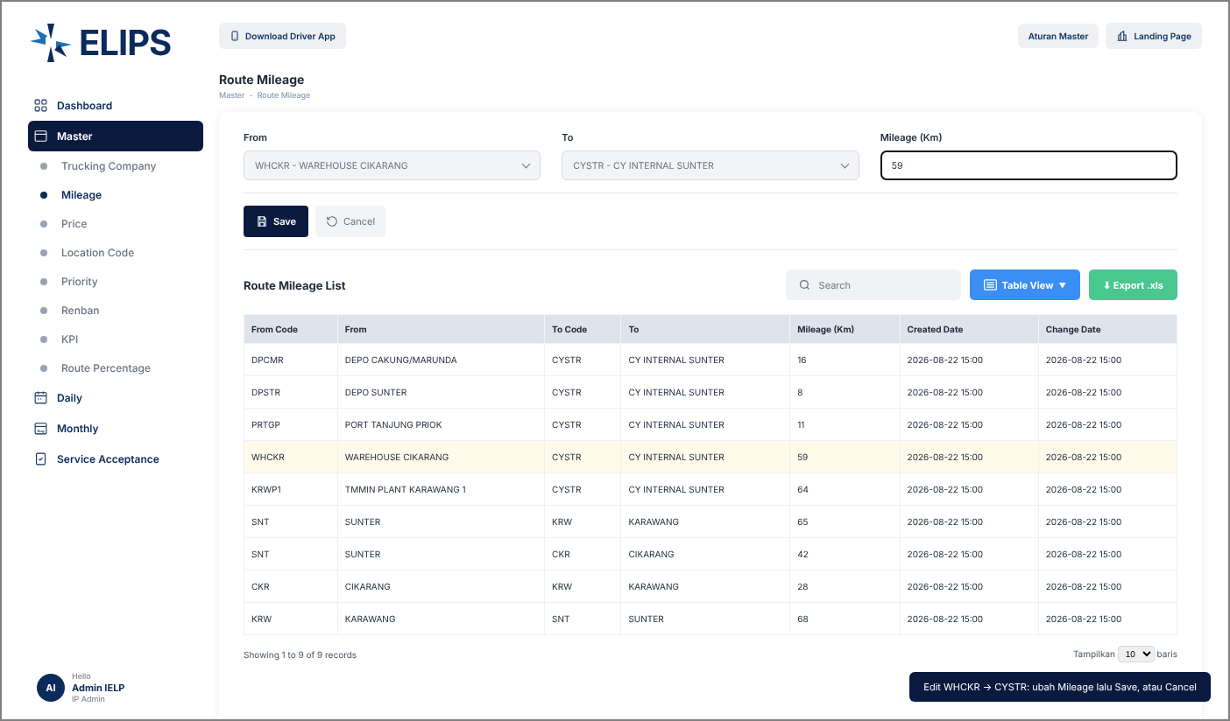

 | 8. Search without result (HTML mock-up)
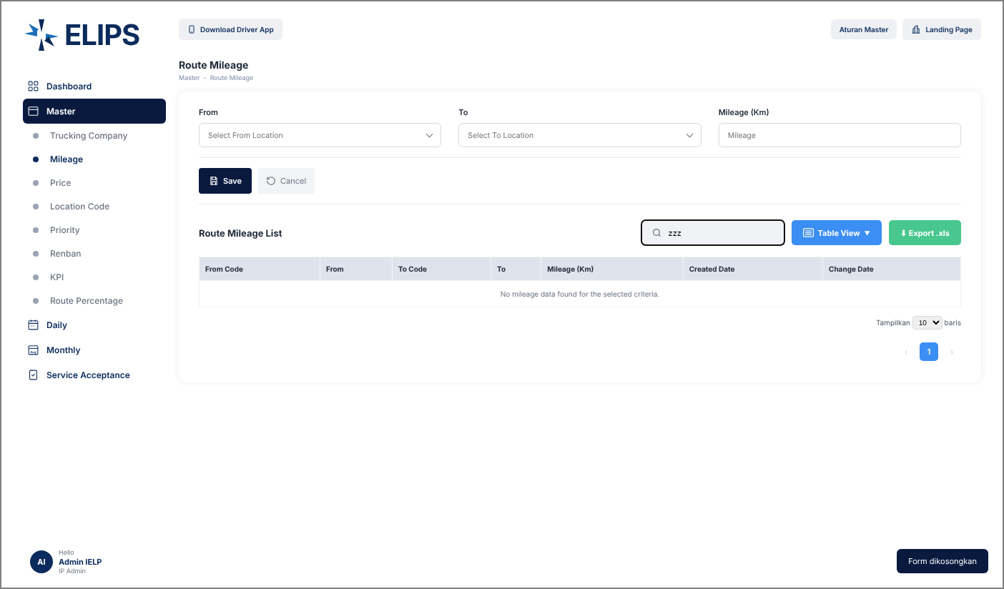

 | 9. Table View column selection (HTML mock-up)

