Screen Flow
Phase |  | Project Name |  |  |  | Page | 3/9
Block Name |  |  | Function Name |  | Created | By
Document Name |  |  | Title | Screen Flow Diagram | Updated | By

2. Screen Flow

 | Screen Flow for Master Priority

Master Location (active
locations)
Excel file
Export XLS

[TBD]
Master Priority screen

Master Mileage (route
mileage)
Trucking Payment by
Resource
Route priority

 | Screen Flow for Save - Validation

START

On Click of Save button

From, To filled, different
and active?
No
Show message no. 1 / 2 / 3
/ 4

Yes

Route already has a
priority?
Yes
Show message no. 5

No

Route in Master Mileage?
No
Show message no. 6

Yes

Priority blank or in
range?
No
Show message no. 7

Yes

Continue to Store

 | Screen Flow for Save - Store and Renumber

From validation

Add Mode?

Yes
No

Priority p = input, or n+1
if blank
Version check; p = input,
or current if blank
Changed
Show message no. 8

Insert / update route at
p; routes from p shift by
one; numbers 1..n
Route Priority Master
(TBD)

Reset form, refresh list,
msg 9 / 10

 | Screen Flow for Up / Down and Delete

START

On Click of Up / Down /
Delete

Which button?

Up / Down

Delete
Swap priority with the
route above / below
Route Priority Master
(TBD)
Confirmation message no.
12

Refresh list, msg 11
Delete clicked?
No
Close dialog, no change
(Batal)

Yes

Delete route; routes below
move up by one
Route Priority Master
(TBD)

Refresh list, msg 13

Screen Layout
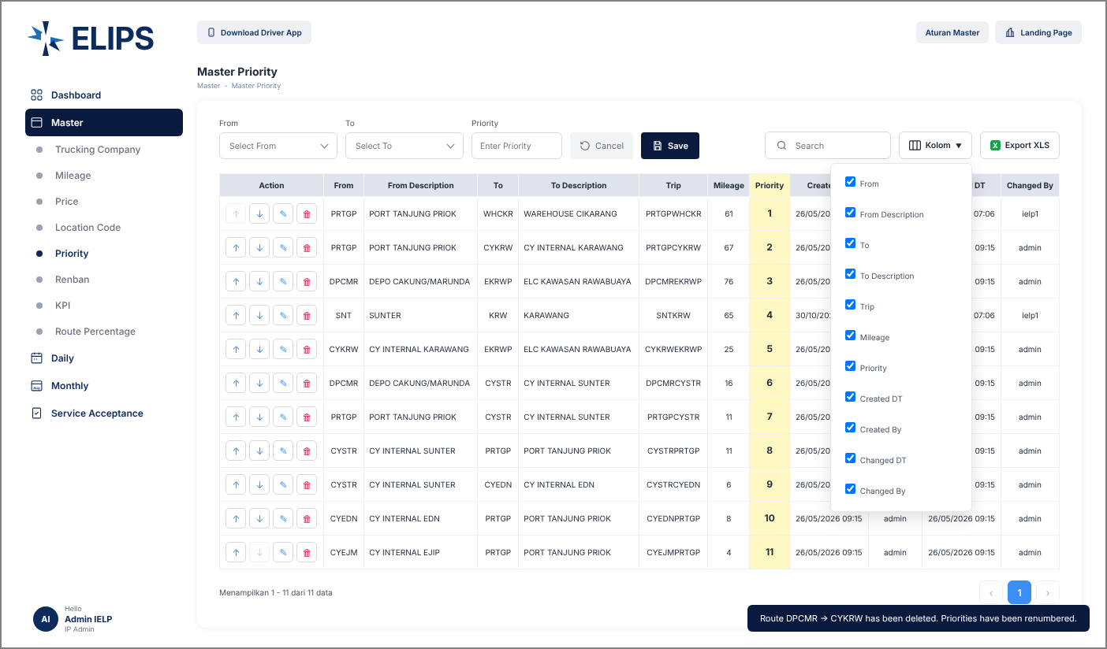
Phase |  | Project Name |  |  |  | Page | 4/9
Block Name |  |  | Function Name |  | Created | By
Document Name |  |  | Title | Screen Layout | Updated | By

3. Screen Layout

 | 1. Master Priority - reference screen (from user)
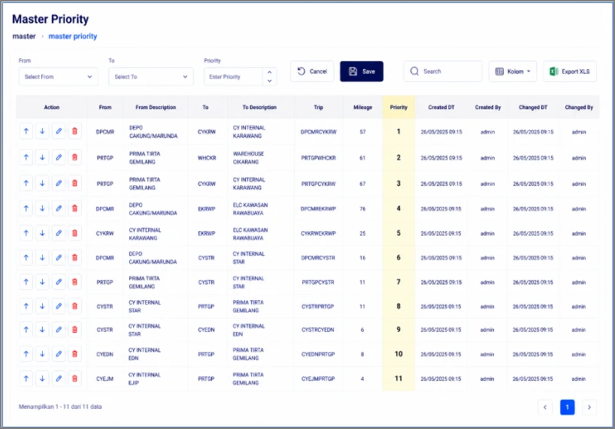

 | 2. Add Mode - initial display (HTML mock-up)
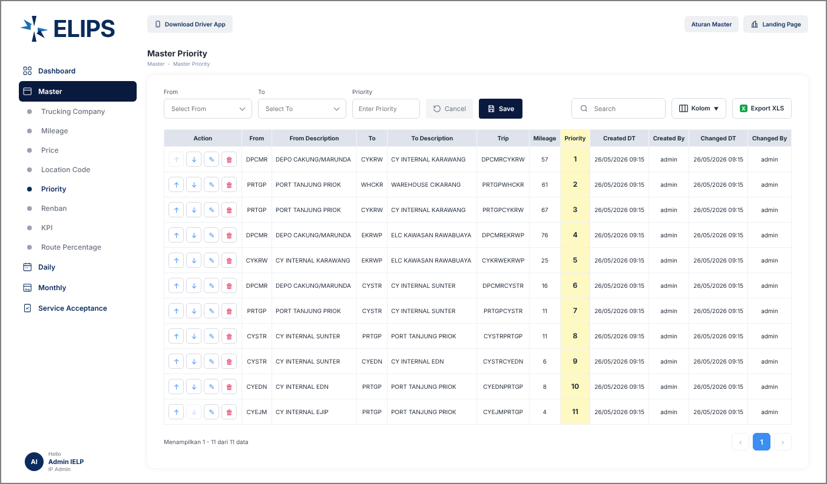

 | 3. Validation - mandatory From / To (HTML mock-up)
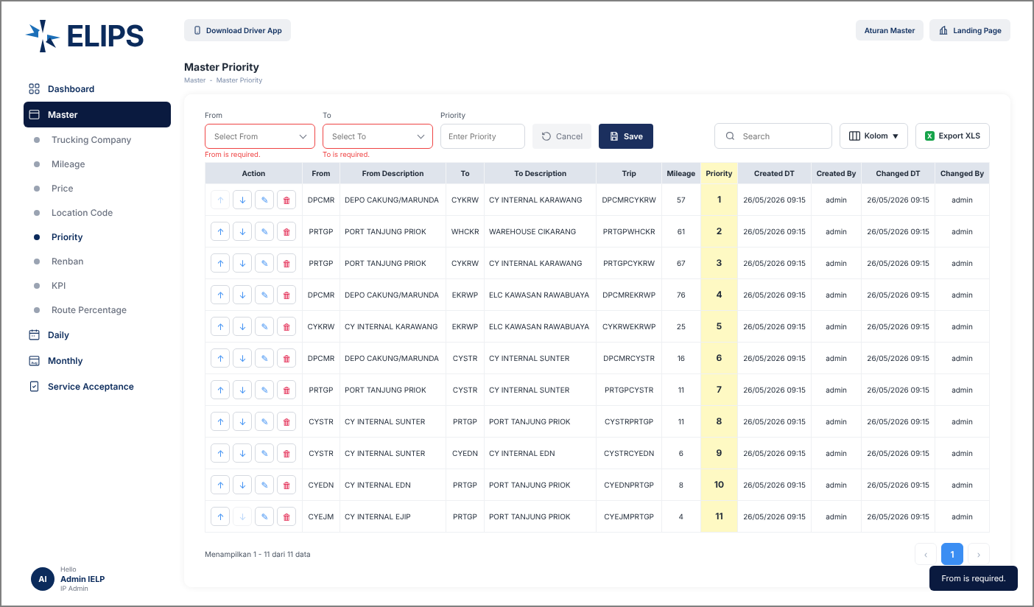

 | 4. Validation - route not in Master Mileage (HTML mock-up)
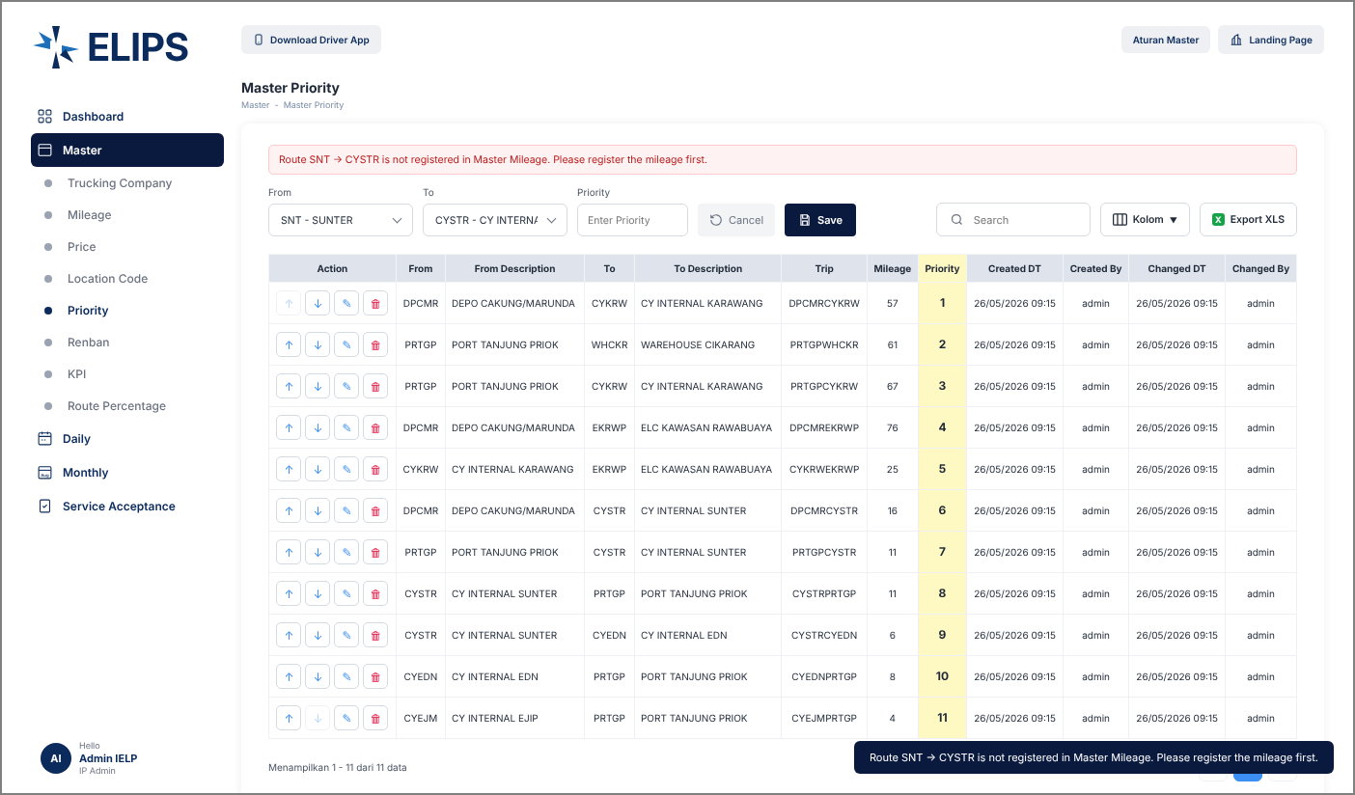

 | 5. Validation - route already has a priority (HTML mock-up)
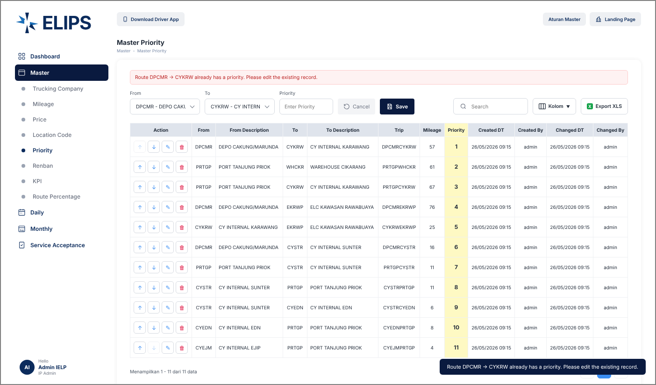

 | 6. Add SNT -> KRW at priority 3, routes below shifted (HTML mock-up)
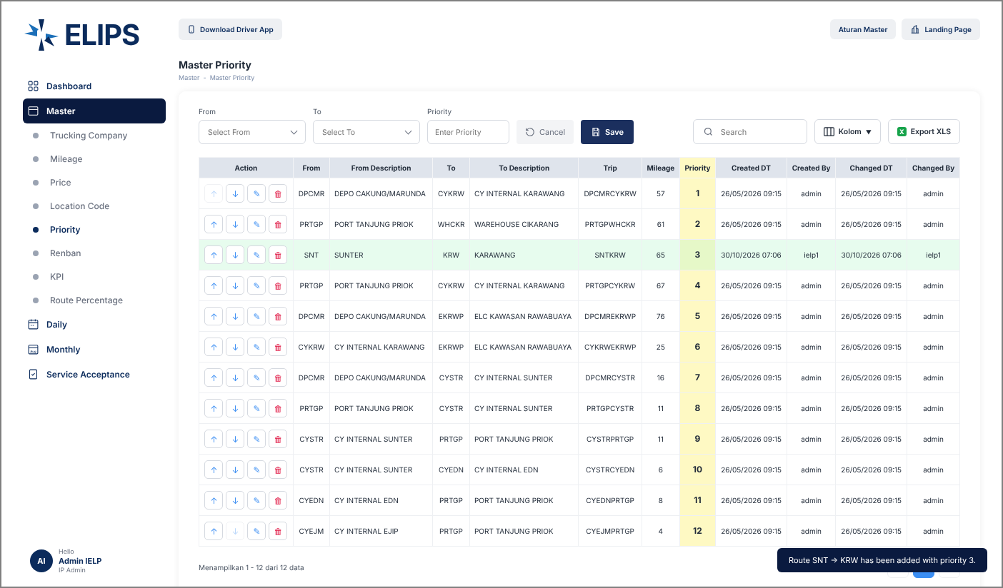

 | 7. Validation - priority out of range (HTML mock-up)
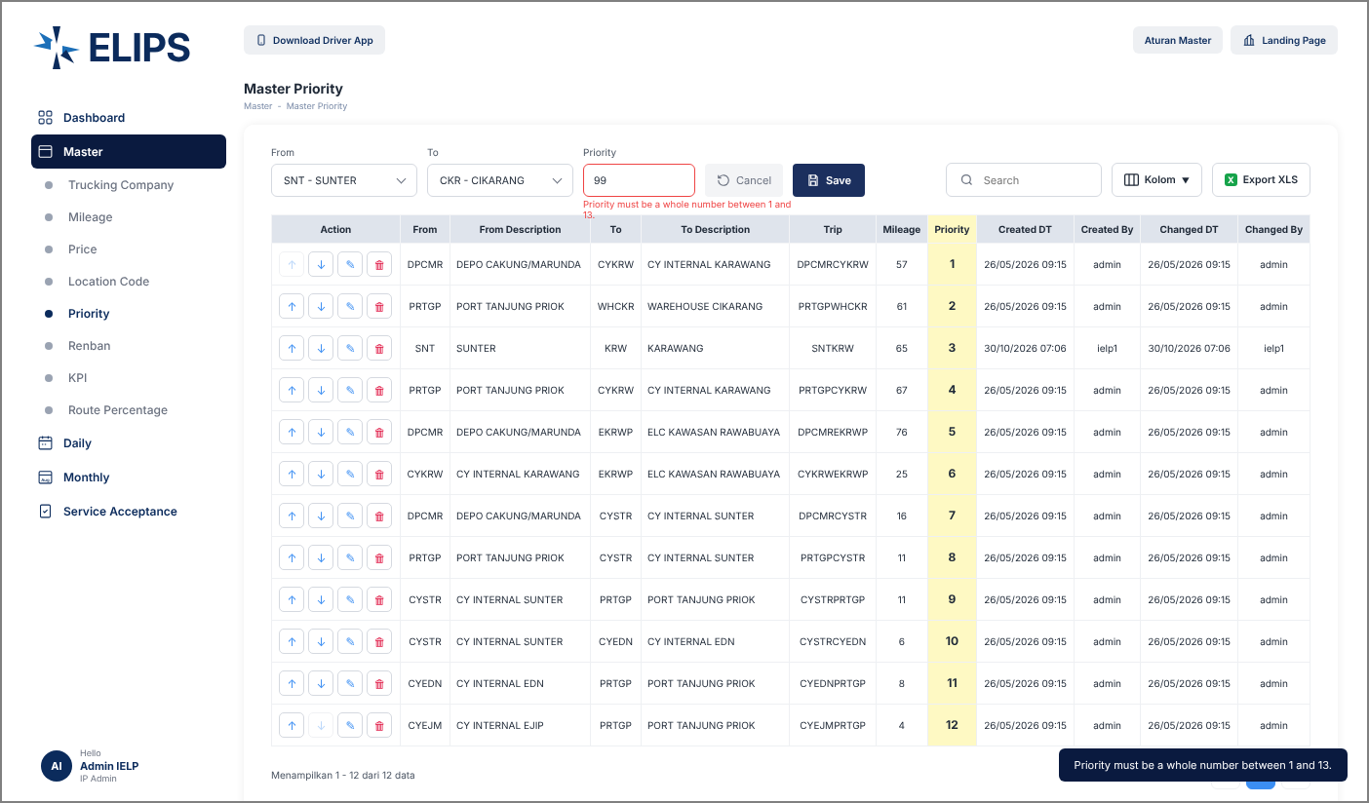

 | 8. Up - SNT -> KRW moved to priority 2 (HTML mock-up)
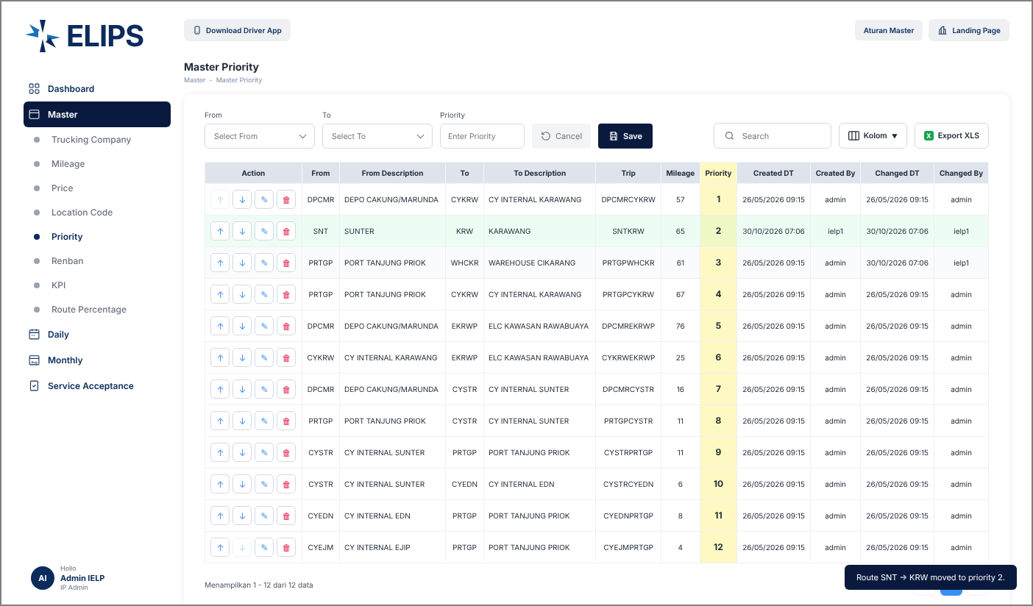

 | 9. Edit Mode - row loaded into the form (HTML mock-up)
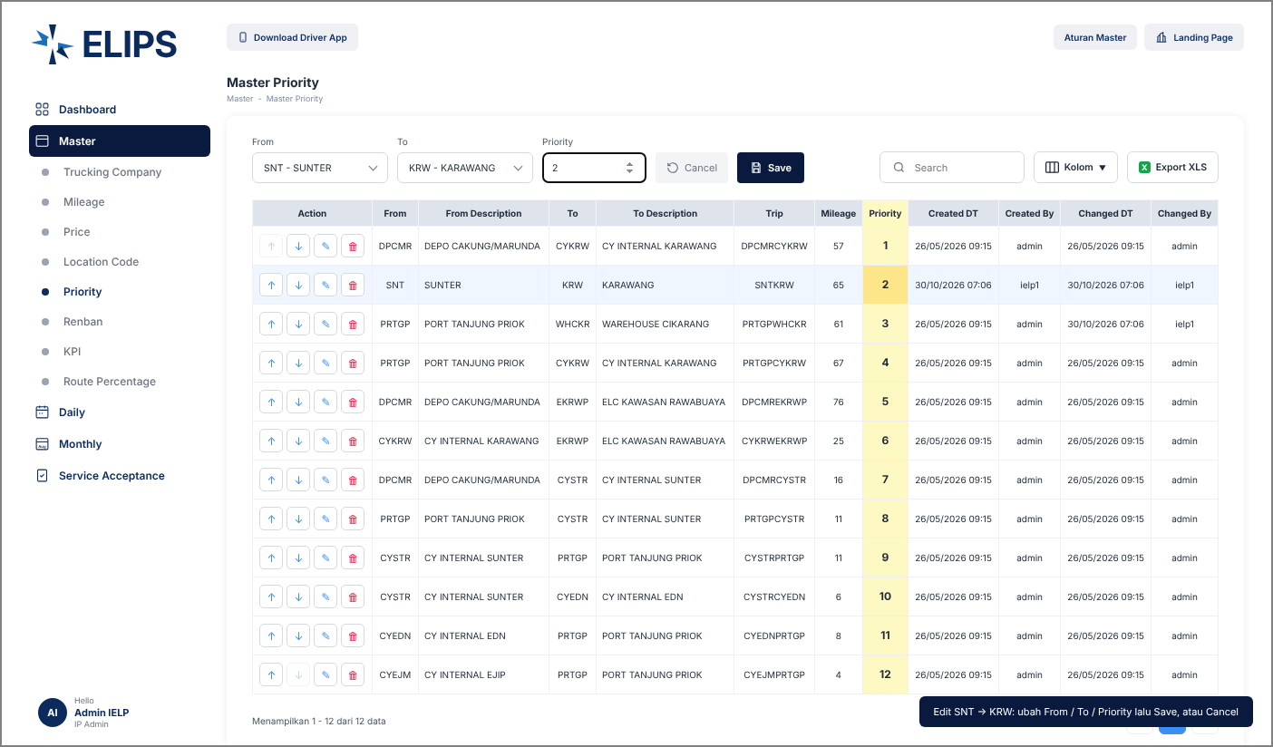

 | 10. Delete confirmation (HTML mock-up)
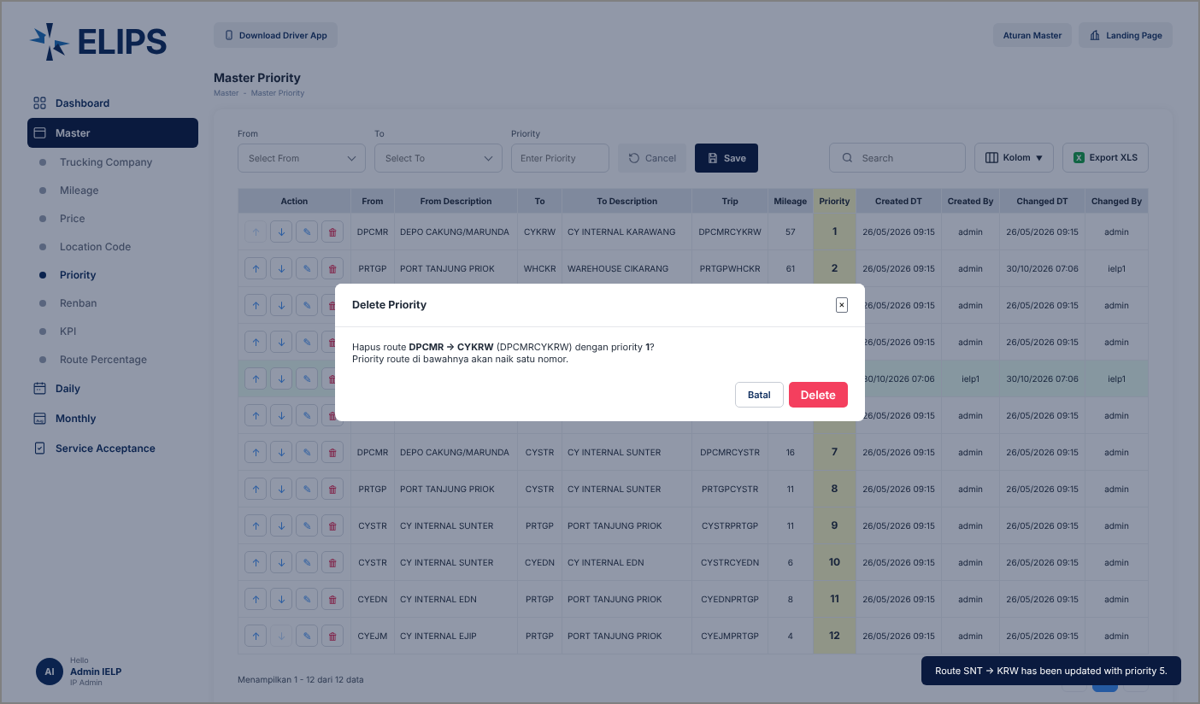

 | 11. Search without result (HTML mock-up)
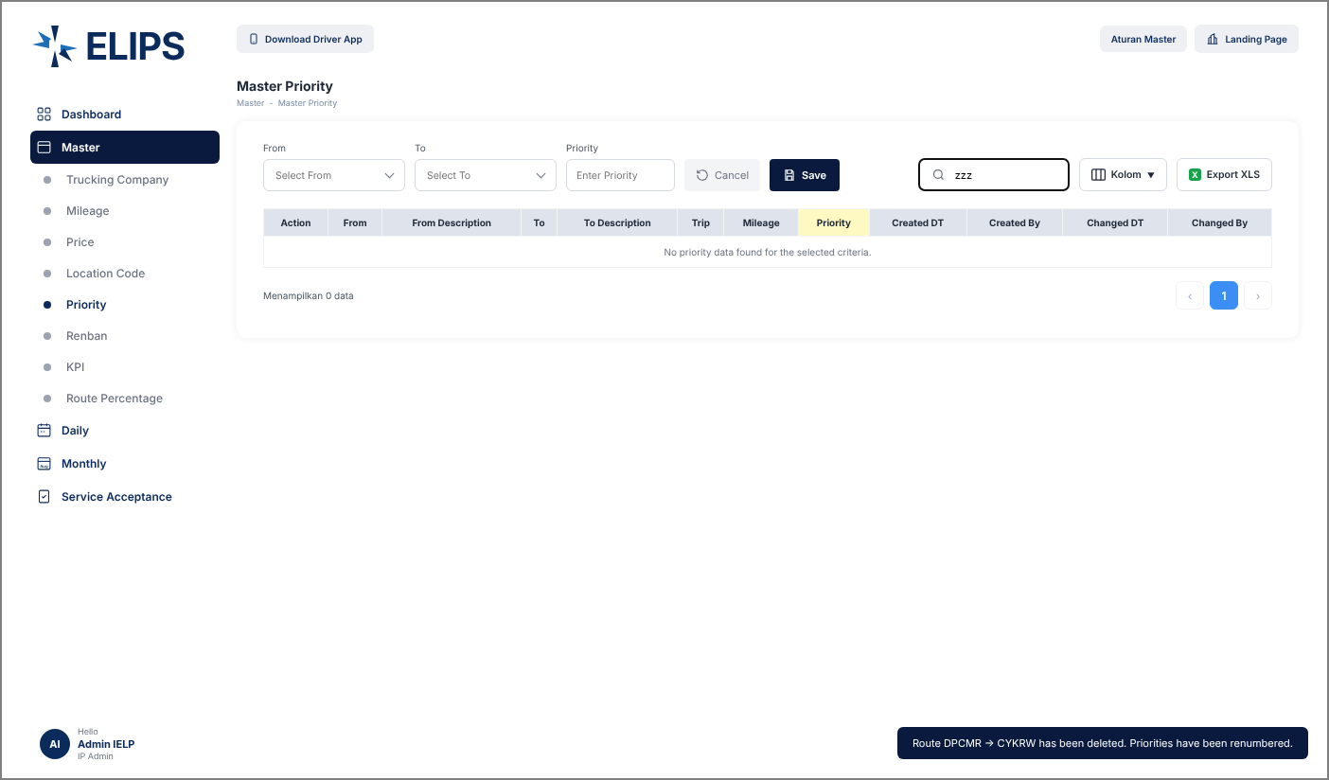

 | 12. Kolom - column selection (HTML mock-up)

