Screen Flow
Phase |  | Project Name |  |  |  | Page | 3/9
Block Name |  |  | Function Name |  | Created | By
Document Name |  |  | Title | Screen Flow Diagram | Updated | By

2. Screen Flow

 | Screen Flow for PO Approval

Detail PO modal
→ PO Number
← Close (x)

CSV file
[TBD]
PO Approval screen
Download

Modal Approve / Reject

→ Approve / Reject
← Submit / Batal
Confirmation modal

 | Screen Flow for Search

START

On Click of Search button

From <= To?
No
Show message no. 1

Yes

Retrieve POs within user
scope
PO Header (TBD)

Data found?
No
Show No Data Found (msg 2)

Yes

Display list (page 1)

END

 | Screen Flow for Approve / Reject PO

START

On Click of Approve /
Reject (submit)

General Affair user?
No
Show message no. 7

Yes

PO Pending and before
deadline?
No
Show message no. 8 / 9

Yes

Reject?

No

Yes (Reason >= 10)
Set PO Approved
Set PO Rejected; PR
Returned

Refresh list, msg 11

 | Screen Flow for Auto Approve Job

START

Scheduler / Run Auto
Approve

Get Pending POs
PO Header (TBD)

Now >= PO date + Day + 1?
No
Keep Pending

Yes

Set Auto Approved by
SYSTEM
Approval History (TBD)

END

 | PO Status Transition

START

PR approved by DH

Pending

GA approve
Day + 1 passed
GA reject + Reason
Approved (GA)
Auto Approved (SYSTEM)
Rejected (PR Returned)

Screen Layout
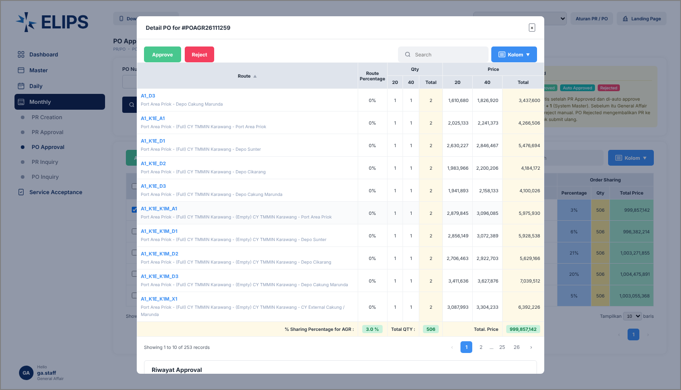
Phase |  | Project Name |  |  |  | Page | 4/9
Block Name |  |  | Function Name |  | Created | By
Document Name |  |  | Title | Screen Layout | Updated | By

3. Screen Layout

 | 1. IP Admin - buttons disabled, Run Auto Approve (HTML mock-up)
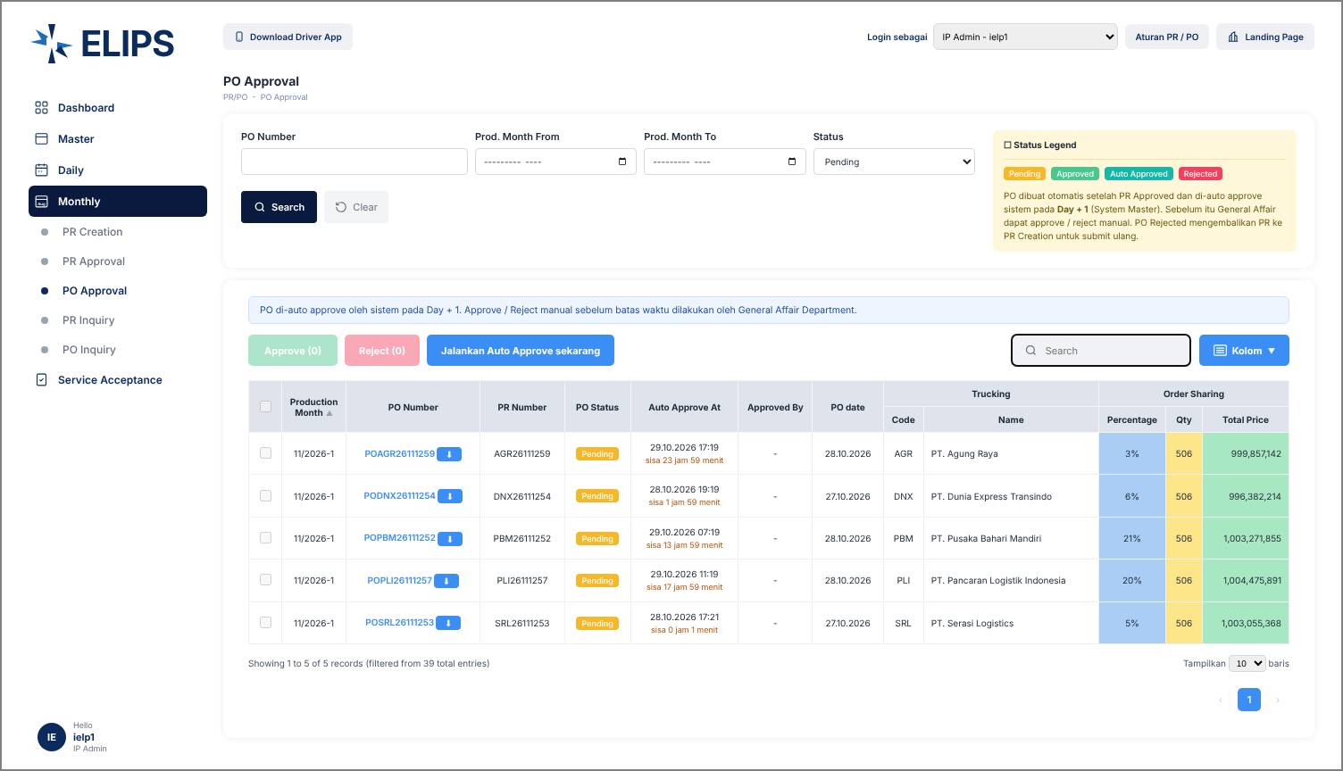

 | Mock-up only: 'Login sebagai' combo box simulates the login role; not part of the real screen.

 | 2. General Affair - Pending POs with deadline (HTML mock-up)
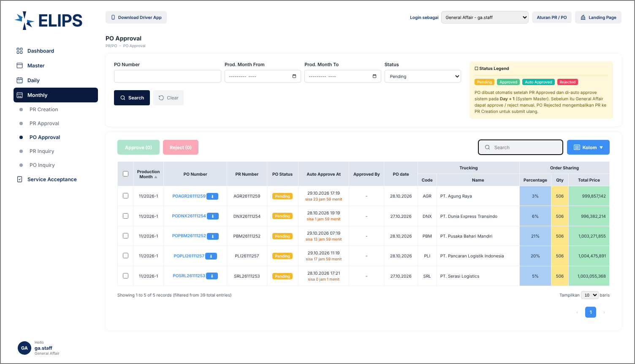

 | 3. Reject confirmation with Reason (HTML mock-up)
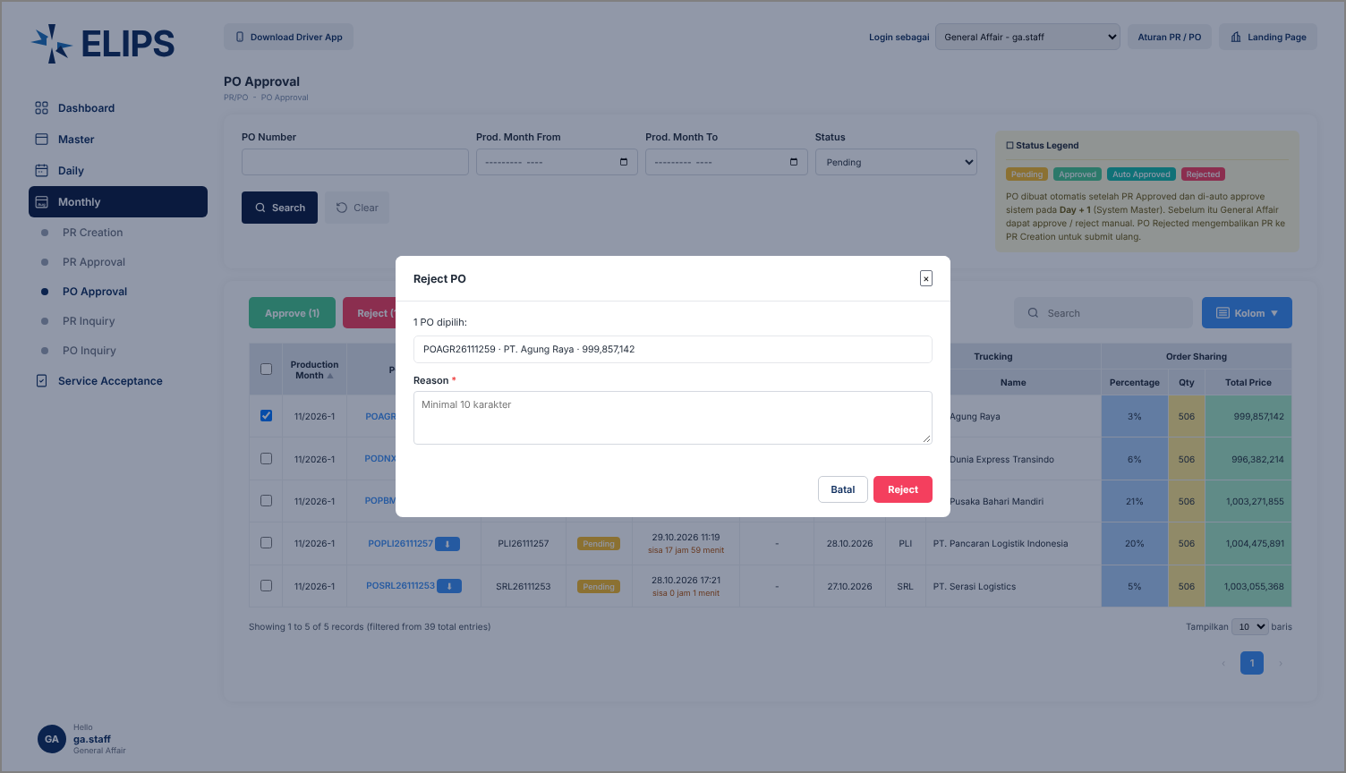

 | 4. Detail PO modal with Approve / Reject (HTML mock-up)

