Screen Flow
Phase |  | Project Name |  |  |  | Page | 3/9
Block Name |  |  | Function Name |  | Created | By
Document Name |  |  | Title | Screen Flow Diagram | Updated | By

2. Screen Flow

 | Screen Flow for PO Inquiry

→ PO Number
← Close (x)
Detail PO modal

[TBD]
PO Inquiry screen

Download
CSV file

 | Screen Flow for Search

START

On Click of Search button

From <= To?
No
Show message no. 1

Yes

Retrieve POs within user
scope
PO Header (TBD)

Data found?
No
Show No Data Found (msg 2)

Yes

Display list (page 1)

END

Screen Layout
Phase |  | Project Name |  |  |  | Page | 4/9
Block Name |  |  | Function Name |  | Created | By
Document Name |  |  | Title | Screen Layout | Updated | By

3. Screen Layout

 | 1. PO Inquiry - Search Result (HTML mock-up)
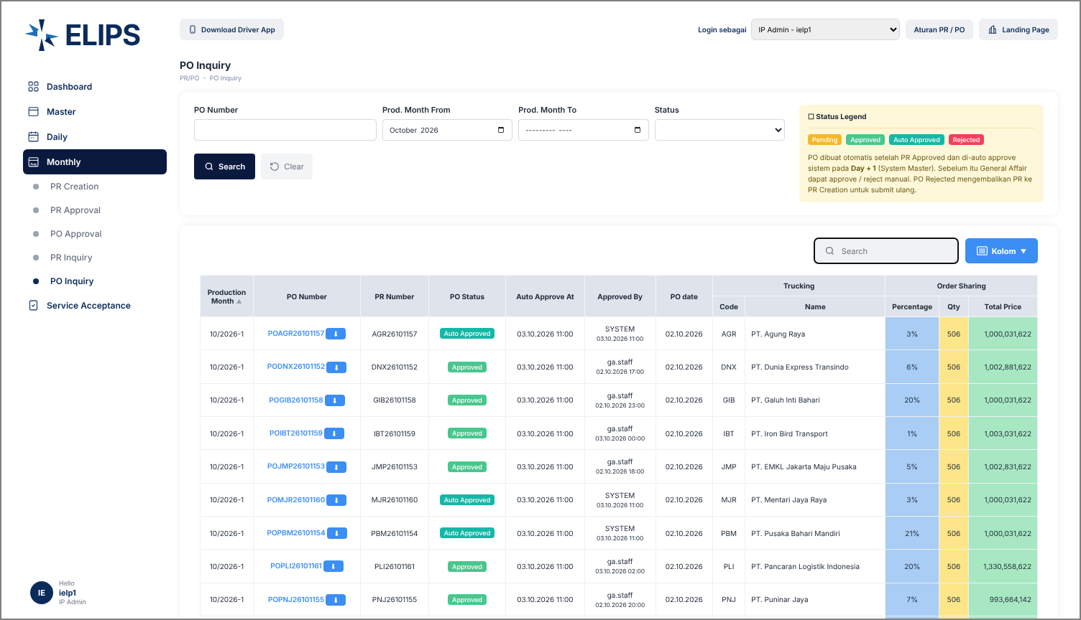

 | Mock-up only: 'Login sebagai' combo box simulates the login role; not part of the real screen.

 | 2. Detail PO modal (HTML mock-up)
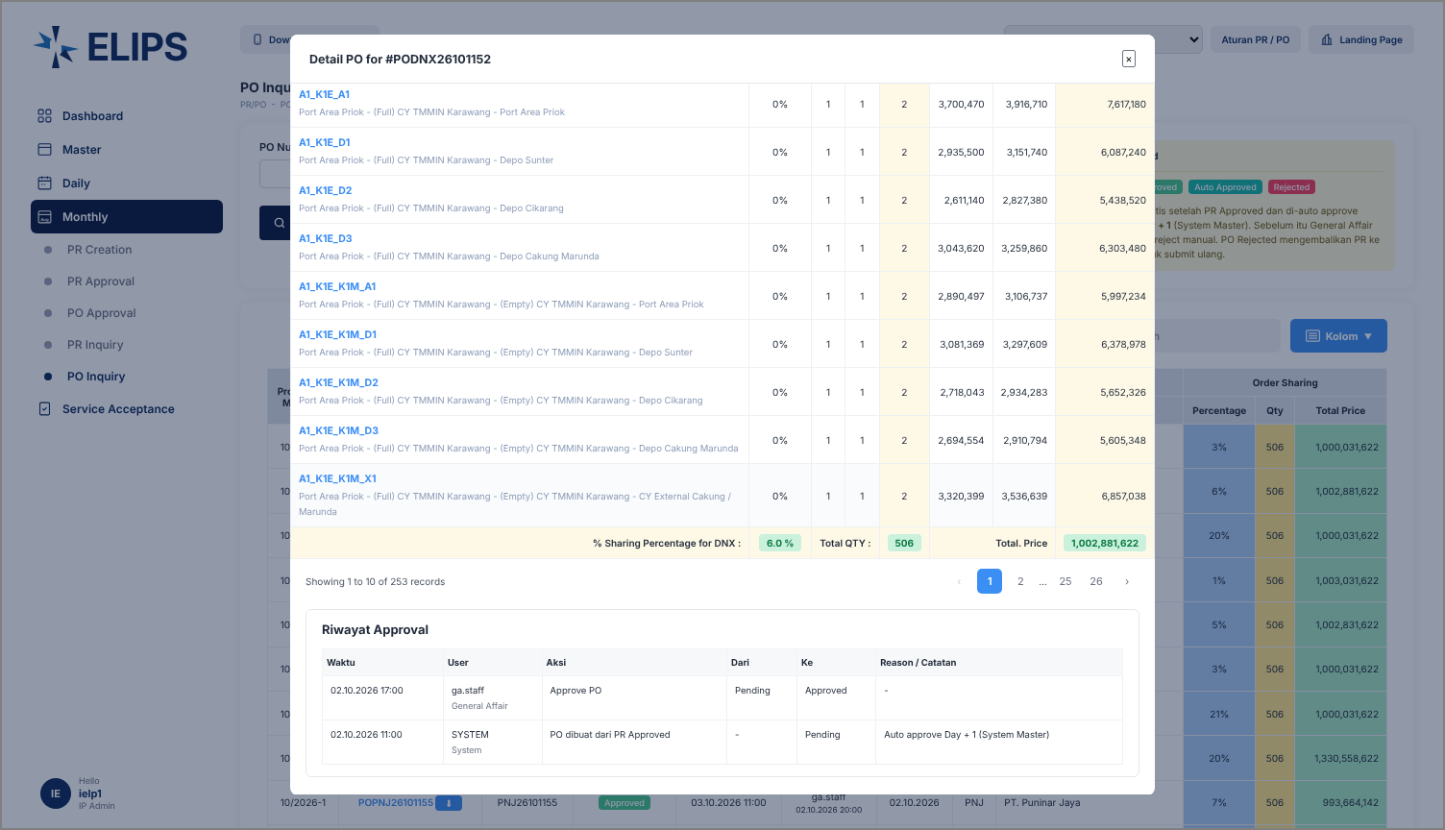

 | 3. Detail PO modal - Approval History (HTML mock-up)

