Screen Flow
Phase |  | Project Name |  |  |  | Page | 3/9
Block Name |  |  | Function Name |  | Created | By
Document Name |  |  | Title | Screen Flow Diagram | Updated | By

2. Screen Flow

 | Screen Flow for PR Approval

Detail PR modal
→ PR Number
← Close (x)

CSV file
[TBD]
PR Approval screen
Download

Modal Approve / Reject

→ Approve / Reject
← Submit / Batal
Confirmation modal

 | Screen Flow for Search

START

On Click of Search button

From <= To?
No
Show message no. 1

Yes

Retrieve PRs within user
scope
PR Header (TBD)

Data found?
No
Show No Data Found (msg 2)

Yes

Display list (page 1)

END

 | Screen Flow for Approve PR

START

On Click of Approve
(submit)

Approver and own level
Pending?
No
Show message no. 7 / 8

Yes

Set own level Approved

Lower Pending levels ->
Skip

Level is DH? (No: refresh
list)

Yes

Create PO (Pending, Day +
1)
PR Approval (TBD) / PO
Header (TBD) / Approval
History (TBD)

Refresh list, msg 10

 | Screen Flow for Reject PR

START

On Click of Reject
(submit)

Reason filled, >= 10
chars?
Show message no. 5 / 6
No

Yes

Approver and own level
Pending?
No
Show message no. 7 / 8

Yes

Own level Rejected; lower
Pending -> Skip; higher ->
-
PR Approval (TBD) /
Approval History (TBD)

Refresh list, msg 10

 | PR Status Transition

START

PR submitted

Waiting SH

SH approve

Waiting DpH

DpH approve

Waiting DH
Reject
Rejected

DH approve

Approved (PO created)
PO rejected by GA
Returned (resubmit)

Screen Layout
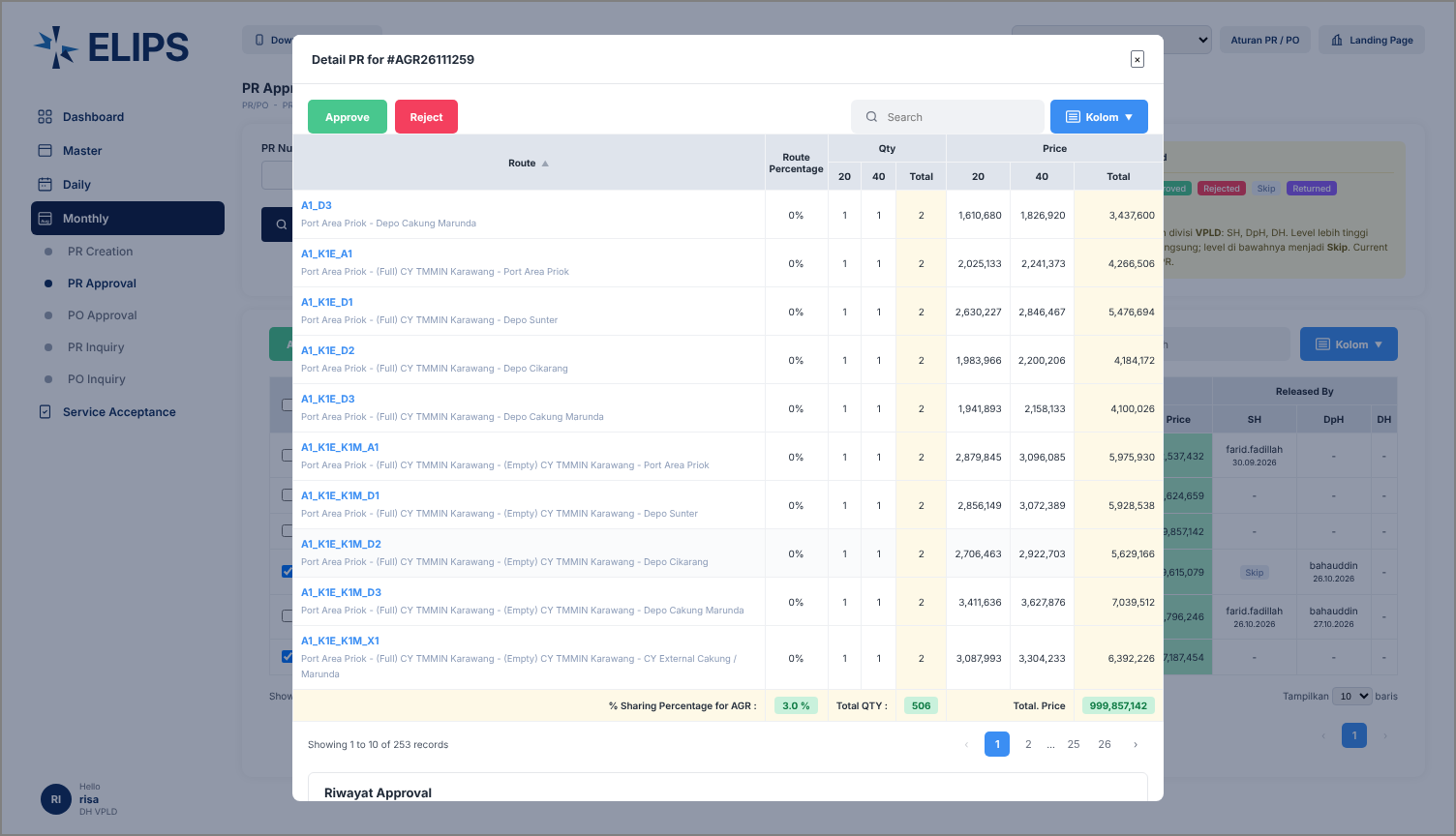
Phase |  | Project Name |  |  |  | Page | 4/9
Block Name |  |  | Function Name |  | Created | By
Document Name |  |  | Title | Screen Layout | Updated | By

3. Screen Layout

 | 1. Initial - role without approval right (buttons disabled, HTML mock-up)
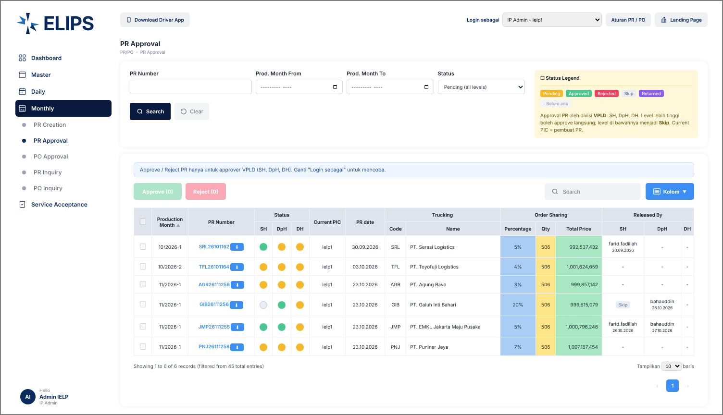

 | Mock-up only: 'Login sebagai' combo box simulates the login role; not part of the real screen.

 | 2. Initial - DH VPLD, 'Perlu approval saya' (HTML mock-up)
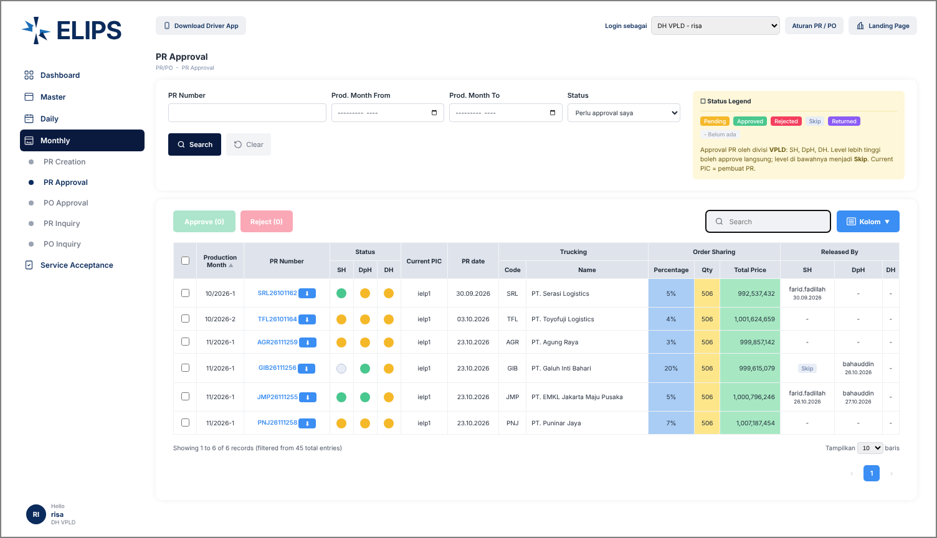

 | 3. Rows selected (HTML mock-up)
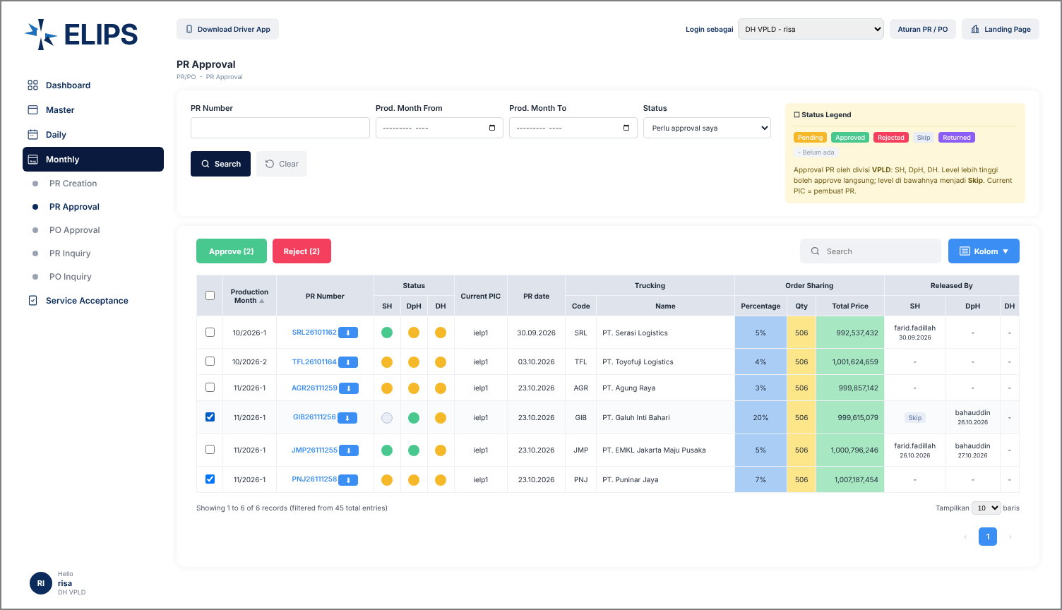

 | 4. Approve confirmation with Skip notice (HTML mock-up)
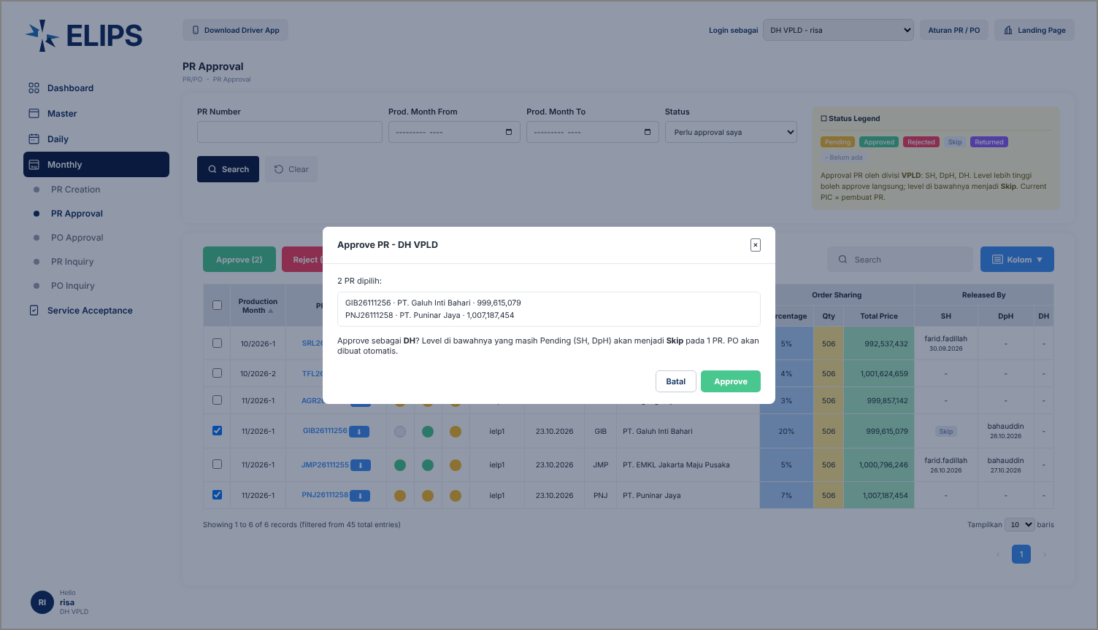

 | 5. Reject confirmation - Reason validation (HTML mock-up)
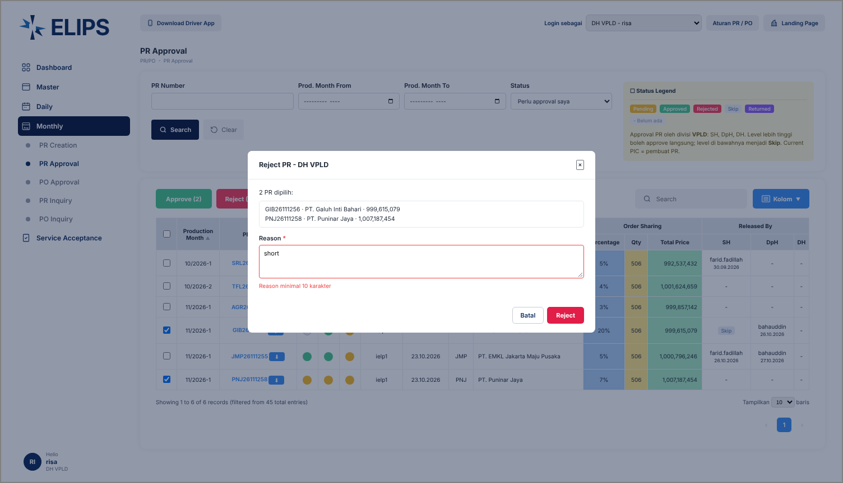

 | 6. Detail PR modal with Approve / Reject (HTML mock-up)

