Screen Flow
Phase |  | Project Name |  |  |  | Page | 3/9
Block Name |  |  | Function Name |  | Created | By
Document Name |  |  | Title | Screen Flow Diagram | Updated | By

2. Screen Flow

 | Screen Flow for PR Inquiry

→ PR Number
← Close (x)
Detail PR modal

[TBD]
PR Inquiry screen

Download
CSV file

 | Screen Flow for Search

START

On Click of Search button

From <= To?
No
Show message no. 1

Yes

Retrieve PRs within user
scope
PR Header (TBD)

Data found?
No
Show No Data Found (msg 2)

Yes

Display list (page 1)

END

Screen Layout
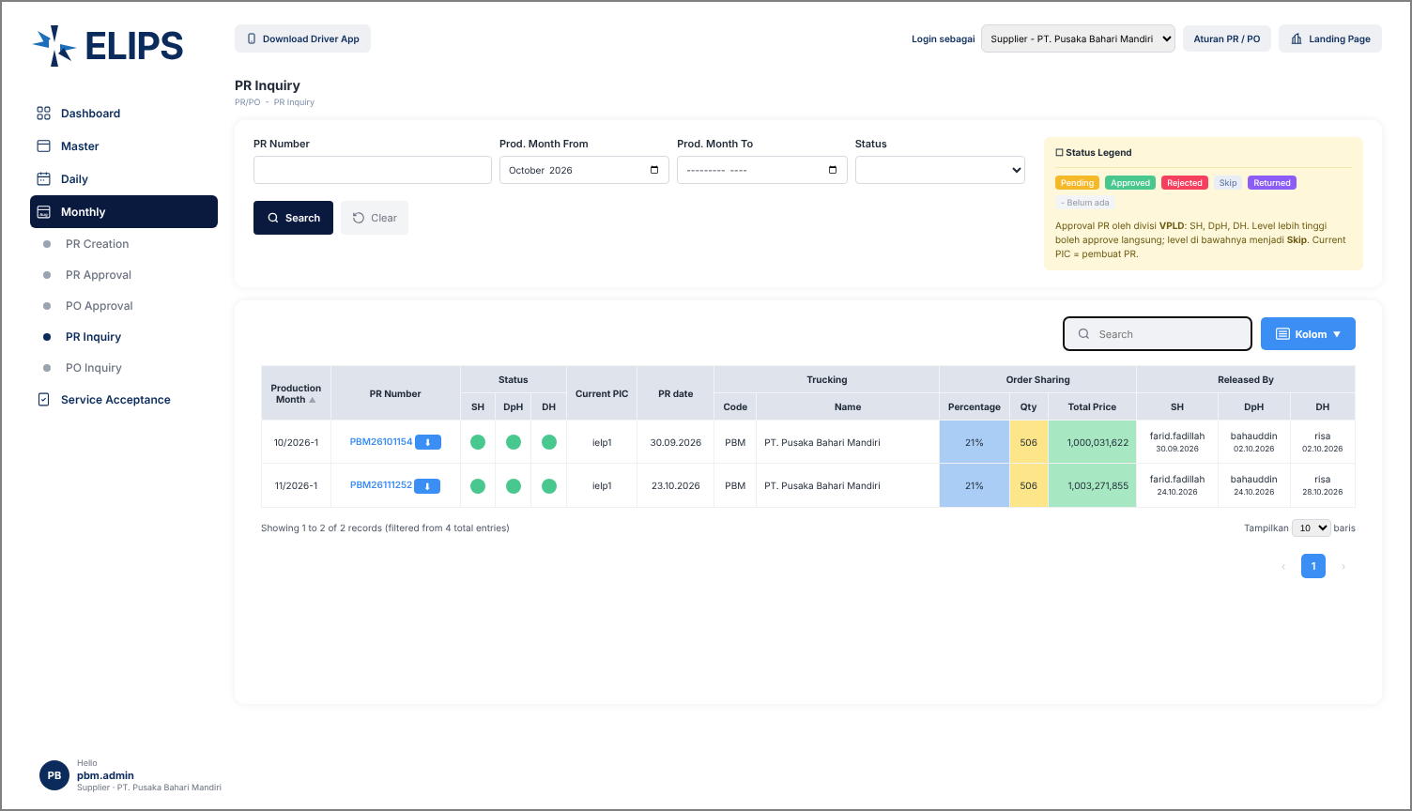
Phase |  | Project Name |  |  |  | Page | 4/9
Block Name |  |  | Function Name |  | Created | By
Document Name |  |  | Title | Screen Layout | Updated | By

3. Screen Layout

 | 1. PR Inquiry - Search Result (screenshot from user)
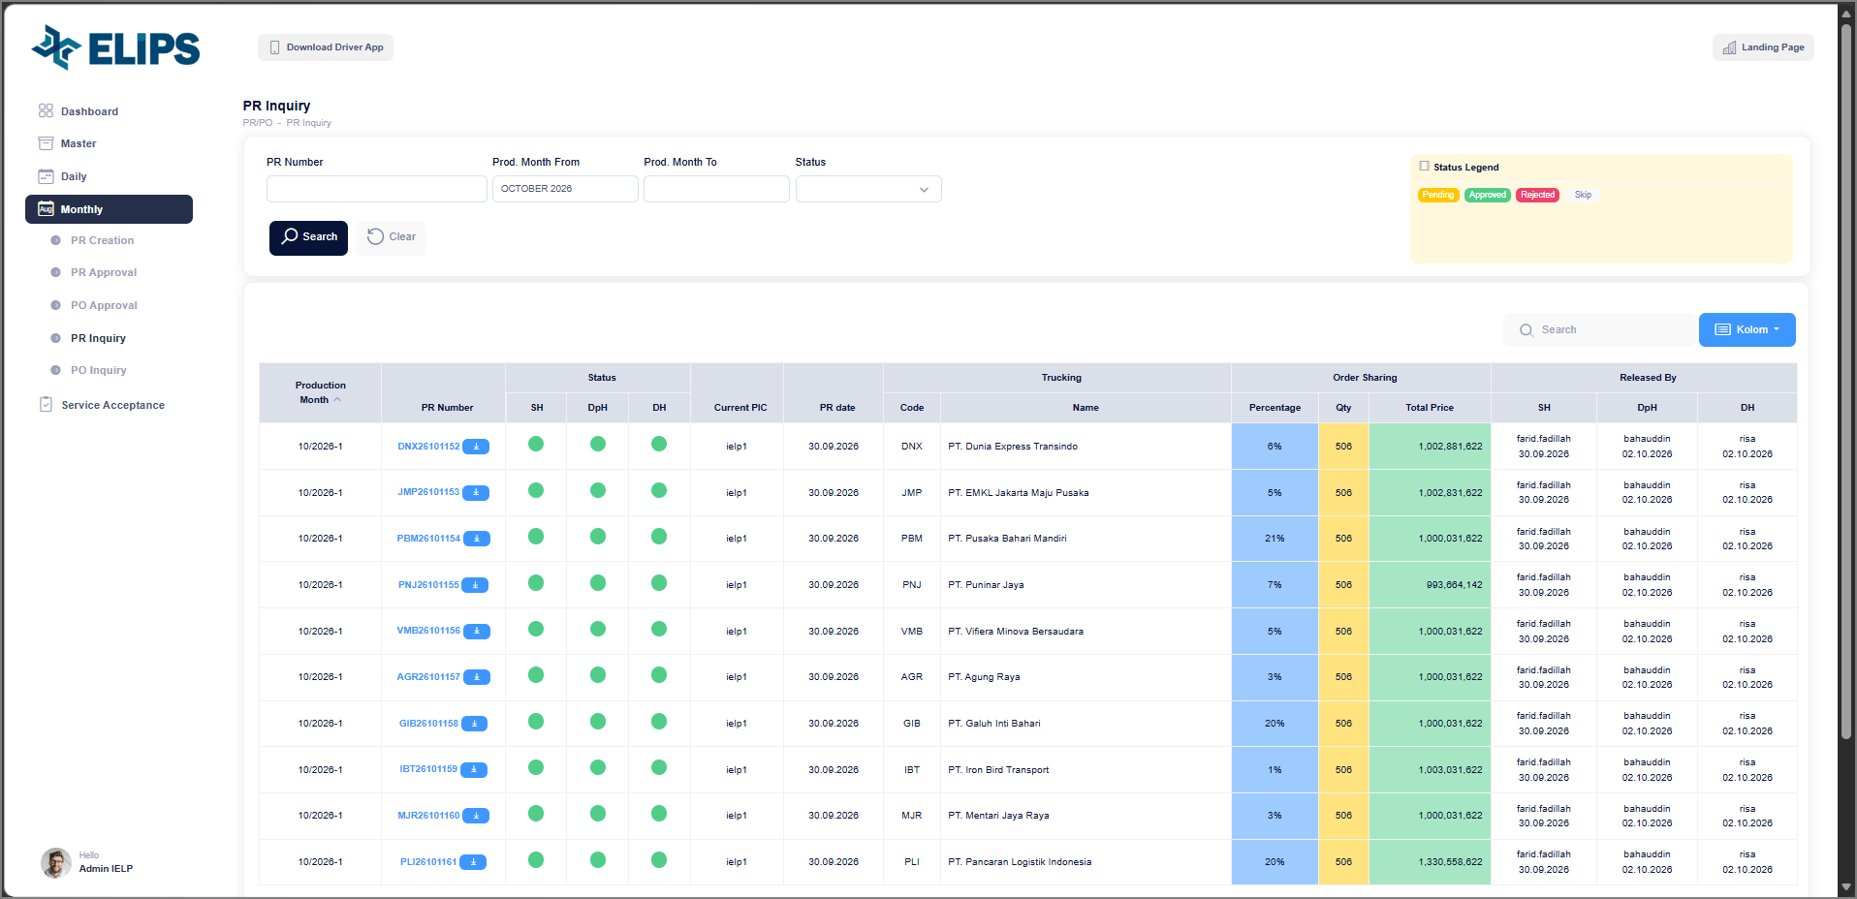

 | 2. Detail PR modal (screenshot from user)
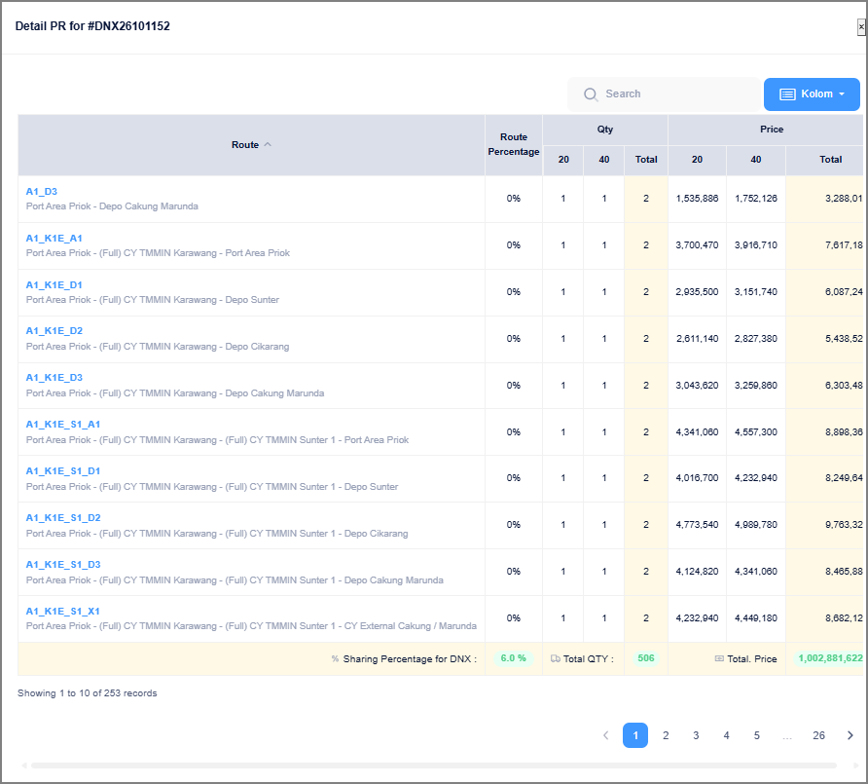

 | 3. Search Result with all status types (HTML mock-up)
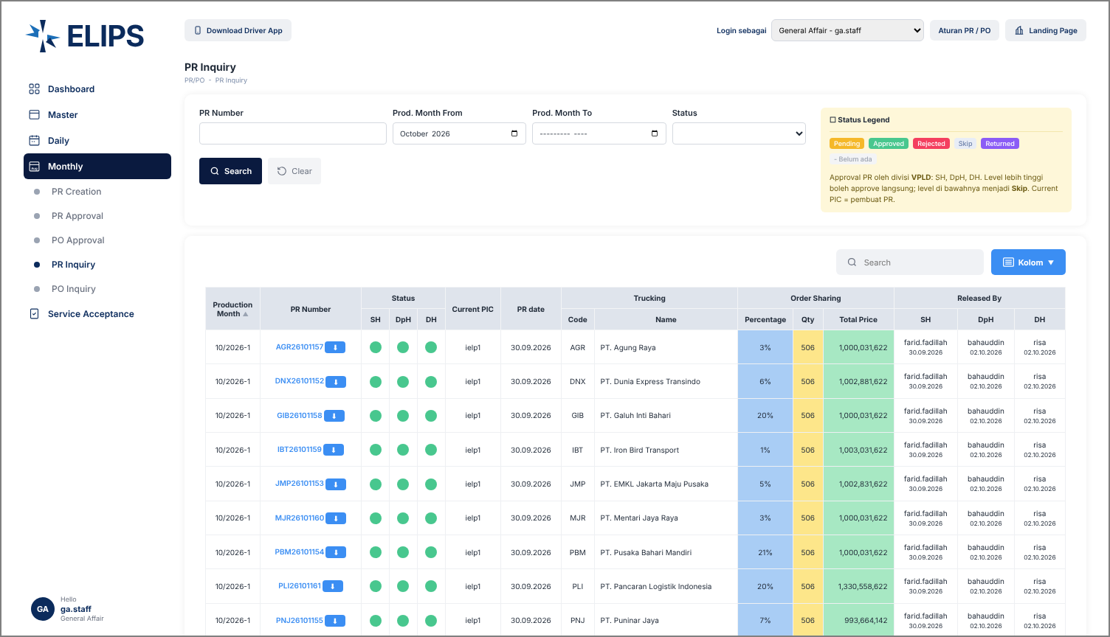

 | Mock-up only: 'Login sebagai' combo box simulates the login role; not part of the real screen.

 | 4. Detail PR modal - Approval History (HTML mock-up)
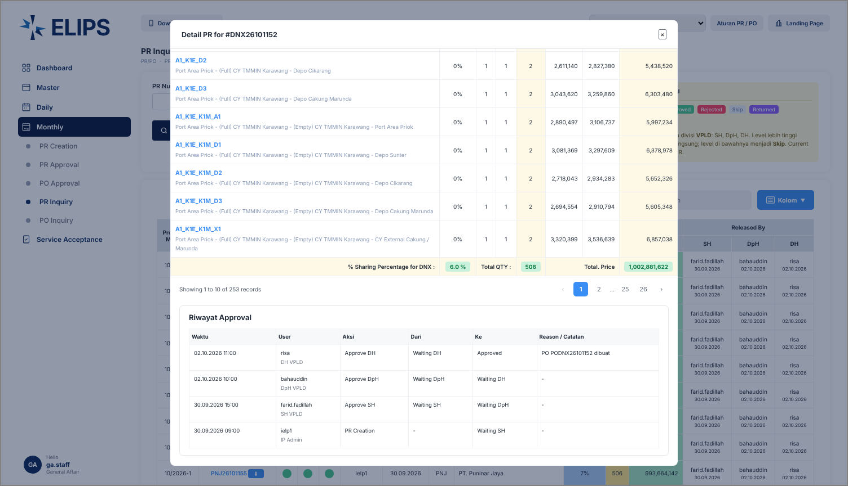

 | 5. Supplier login - own data only (HTML mock-up)

