Screen Flow
Phase |  | Project Name |  |  |  | Page | 3/9
Block Name |  |  | Function Name |  | Created | By
Document Name |  |  | Title | Screen Flow Diagram | Updated | By

2. Screen Flow

 | Screen Flow for Route Percentage

Master Location (active
stops)

[TBD]
Route Percentage screen
PR creation: quantity
split by route percentage

Master Mileage (leg
distance)

 | Screen Flow for Building the Route

START

On Select of Location Pick

Active, not the last stop,
max 10?
No
Show message no. 1 / 2 / 3

Yes

Add as last stop (END);
previous END becomes VIA

Rebuild Route Code,
Description, Distance

Optional: move / remove
stops (rebuild again)

Ready to Save

 | Screen Flow for Save

START

On Click of Save button

>= 2 stops, none twice in
a row, all active?
No
Show message no. 4 / 5 / 1

Yes

Route Code used by an
active route?
Yes
Show message no. 6

No

Percentage valid and total
<= 100%?
No
Show message no. 7 / 8 / 9

Yes

Insert / update route,
stops, distance (Edit:
version check)
Route Percentage Master
(TBD)

Clear entry, refresh list,
msg 11 / 12

 | Screen Flow for Distance Calculation

For each leg From -> To

Active in Master Mileage?
Route Mileage Master (TBD)

Yes
No

Use Master Mileage KM
Straight-line distance
from Master Location
coordinates (estimate)

Distance = sum of legs;
mark est. if any estimate

Screen Layout
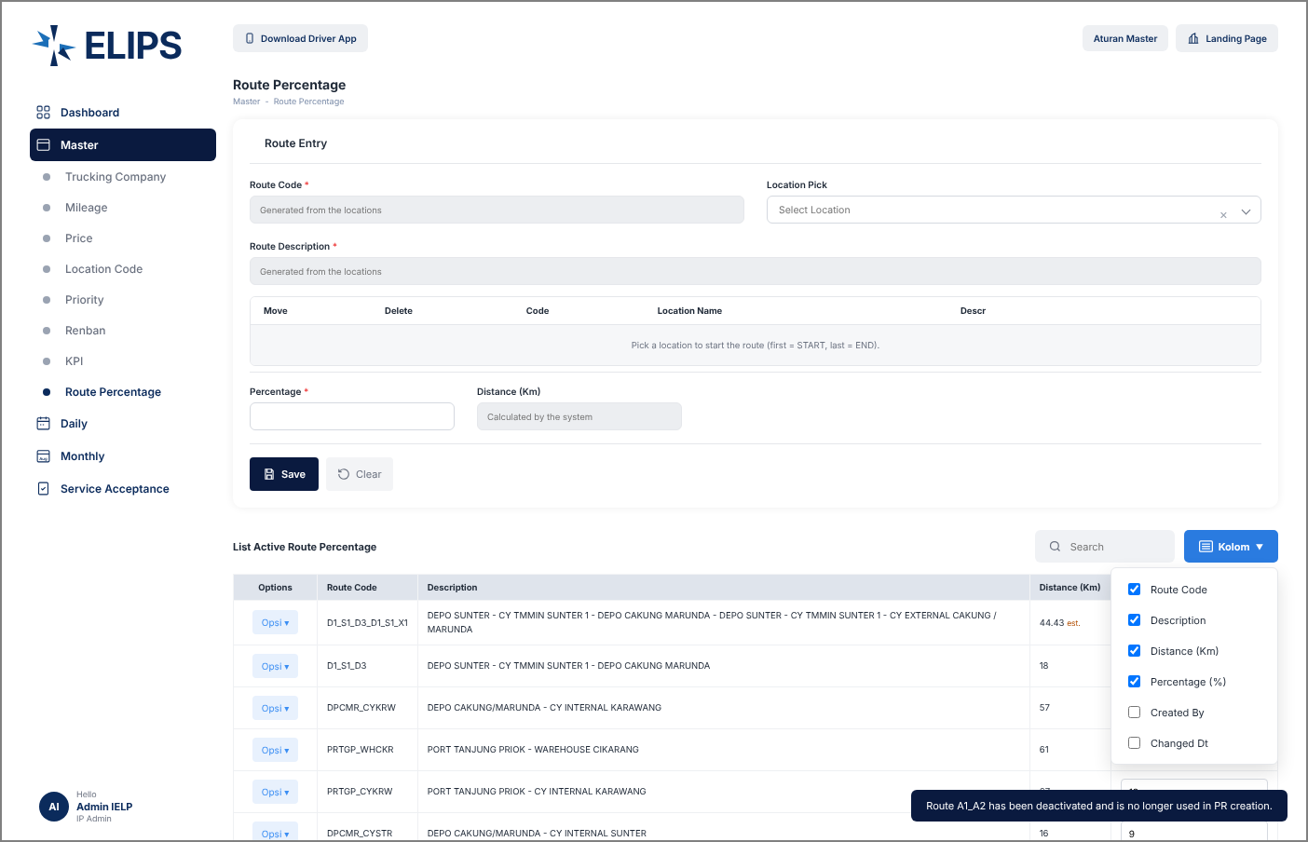
Phase |  | Project Name |  |  |  | Page | 4/9
Block Name |  |  | Function Name |  | Created | By
Document Name |  |  | Title | Screen Layout | Updated | By

3. Screen Layout

 | 1. Route Entry / List Active Route Percentage - reference screen (from user)
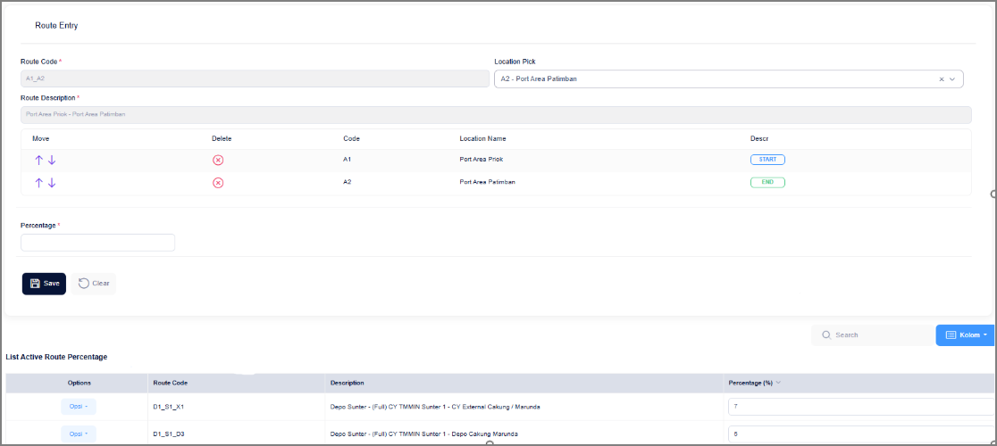

 | 2. Add Mode - initial display (HTML mock-up)
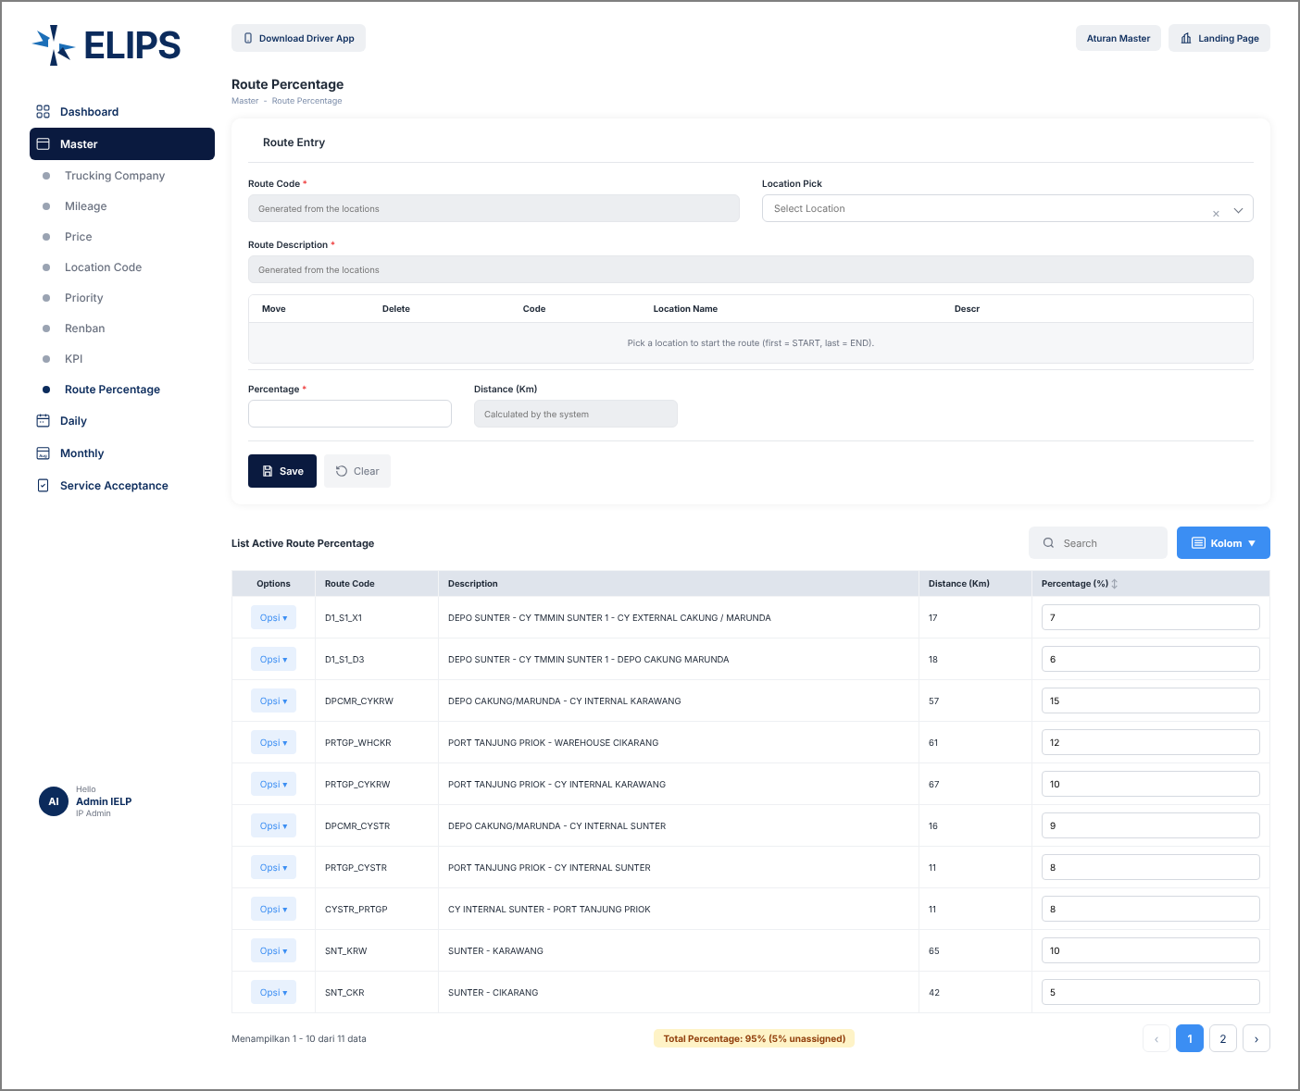

 | 3. Save without stops / percentage (HTML mock-up)
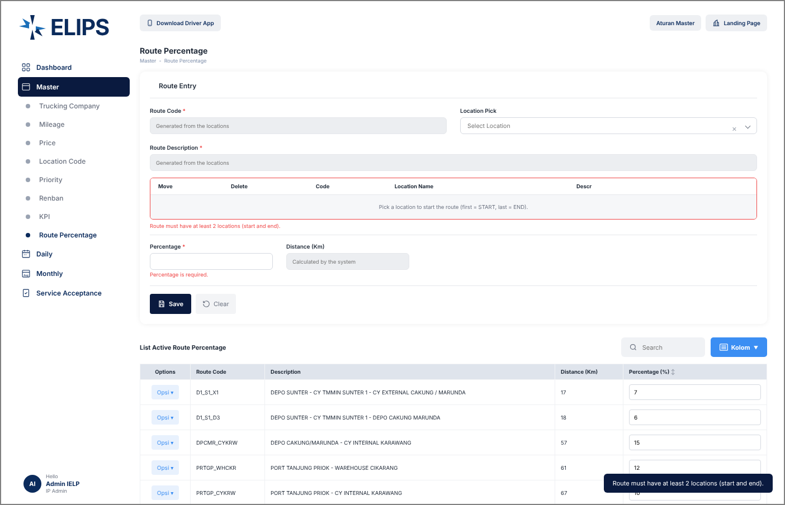

 | 4. Route A1 -> A2 built; code, description, distance generated (HTML mock-up)
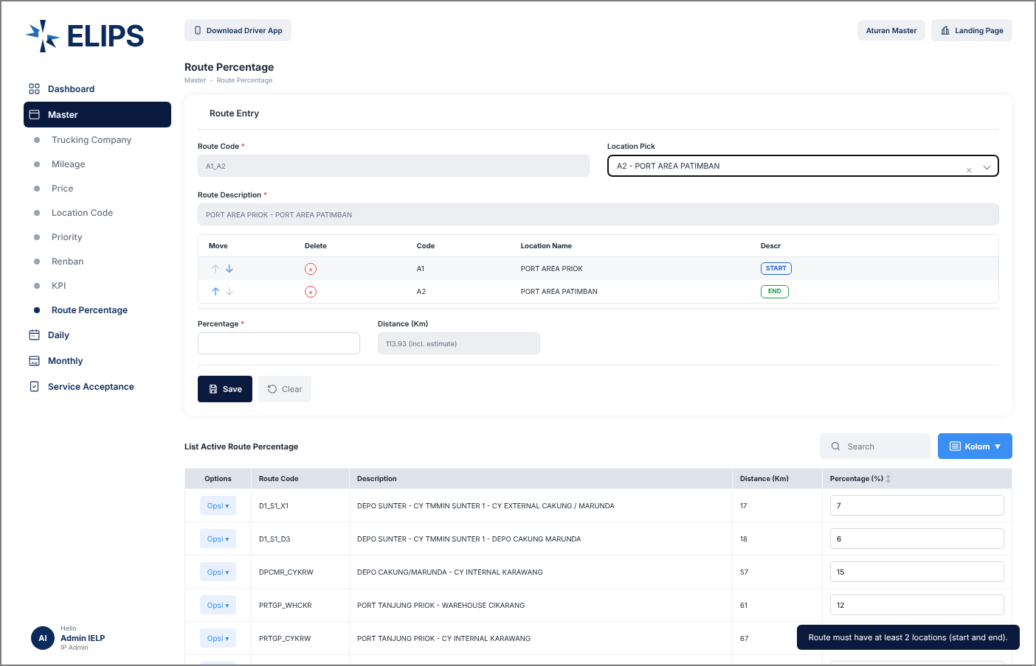

 | 5. Three stops START / VIA / END, reordered (HTML mock-up)
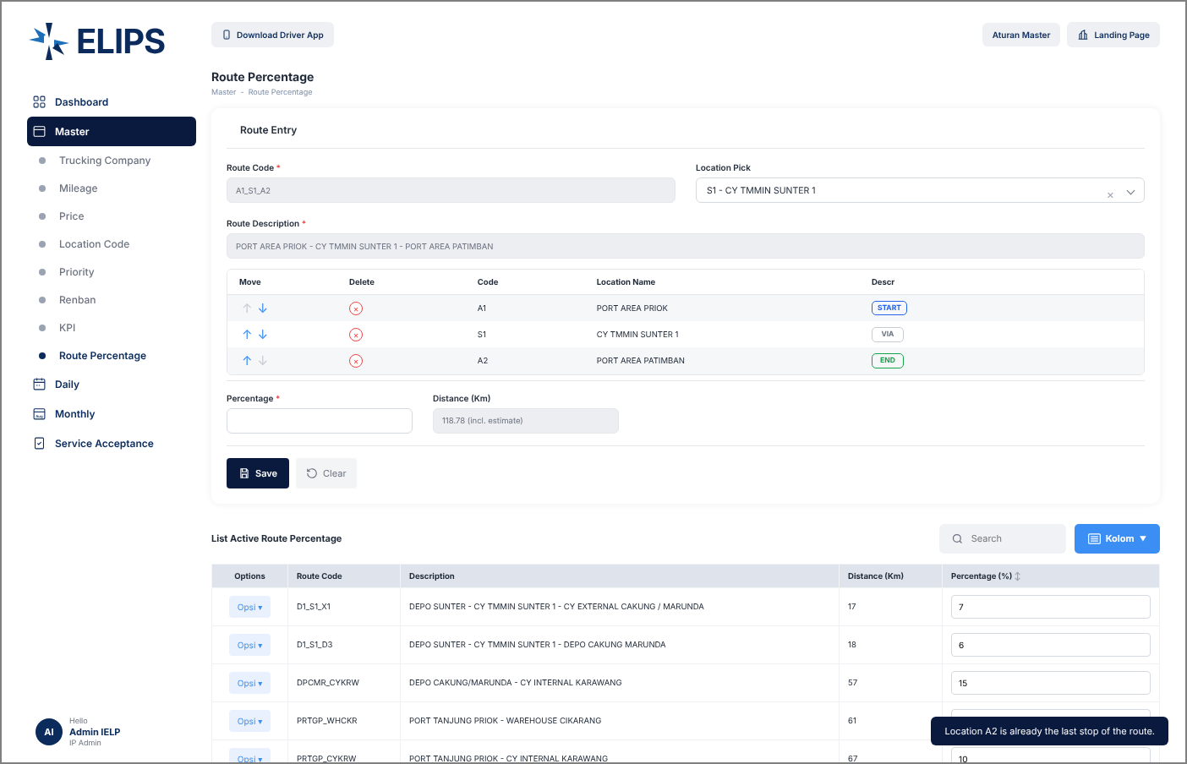

 | 6. Total percentage above 100% (HTML mock-up)
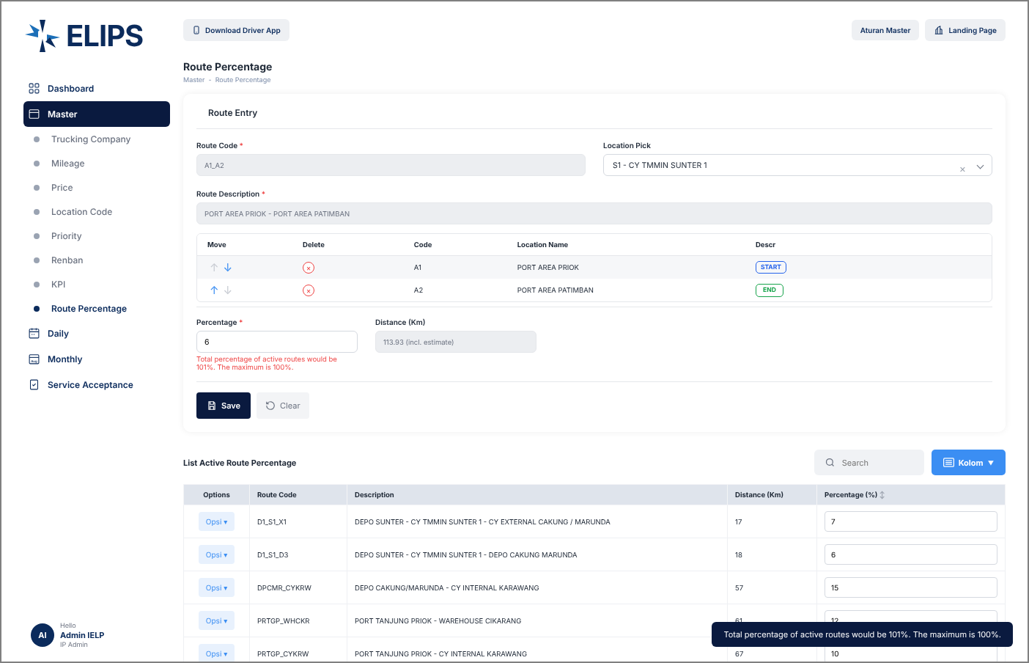

 | 7. Route saved, Total Percentage 100% (HTML mock-up)
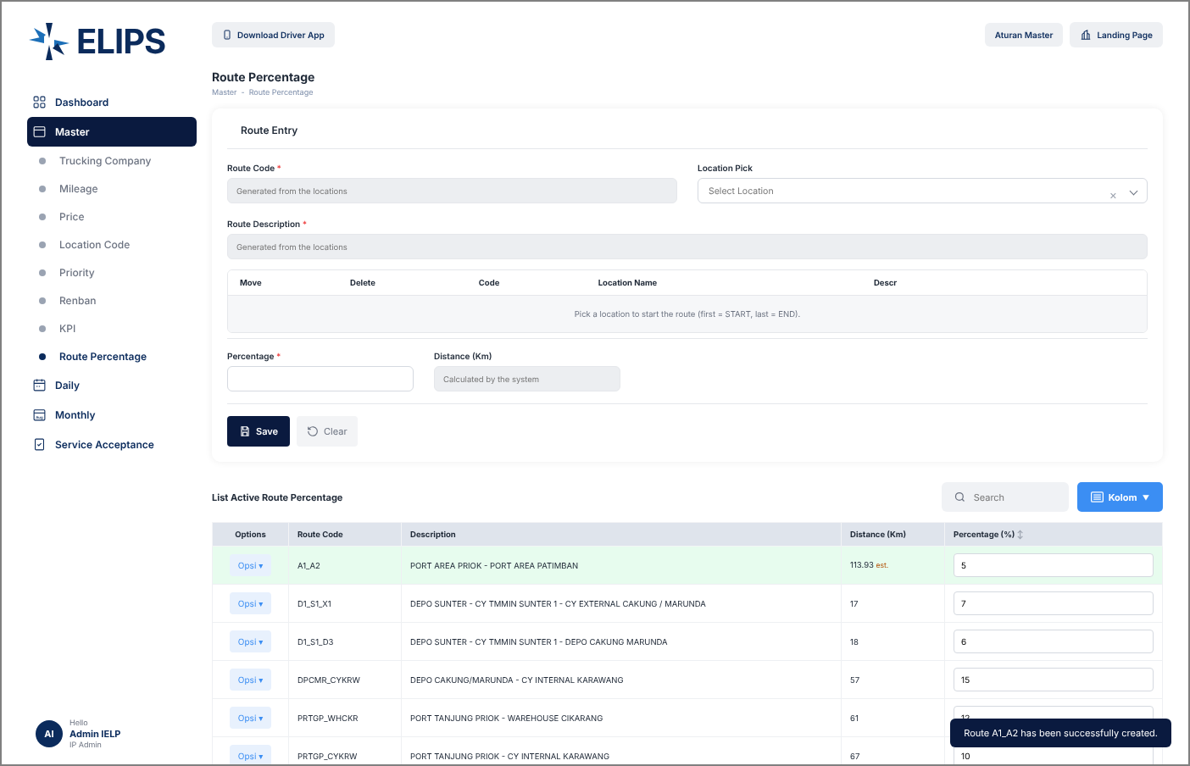

 | 8. List sorted by percentage (HTML mock-up)
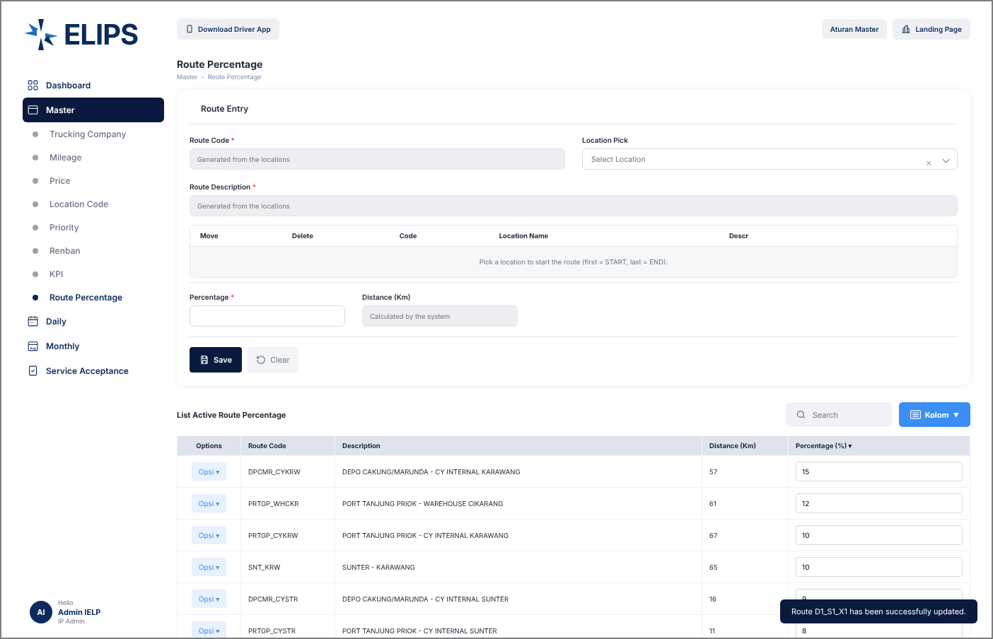

 | 9. Opsi menu (HTML mock-up)
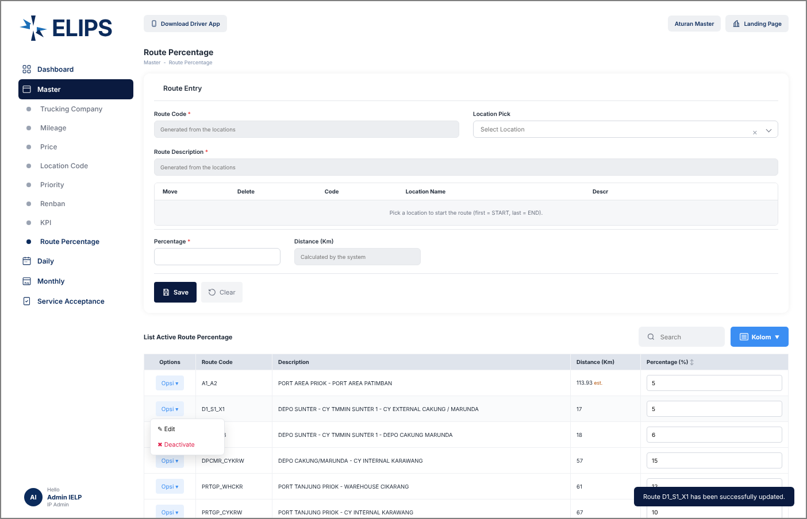

 | 10. Edit Mode - route loaded into Route Entry (HTML mock-up)
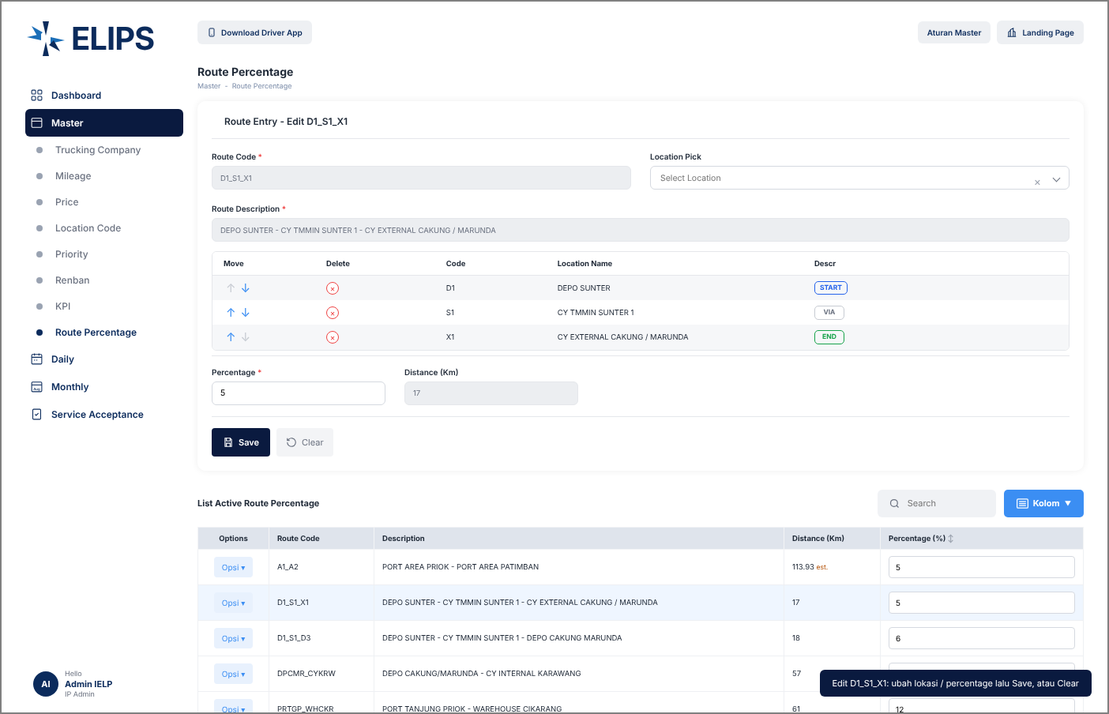

 | 11. Deactivate confirmation (HTML mock-up)
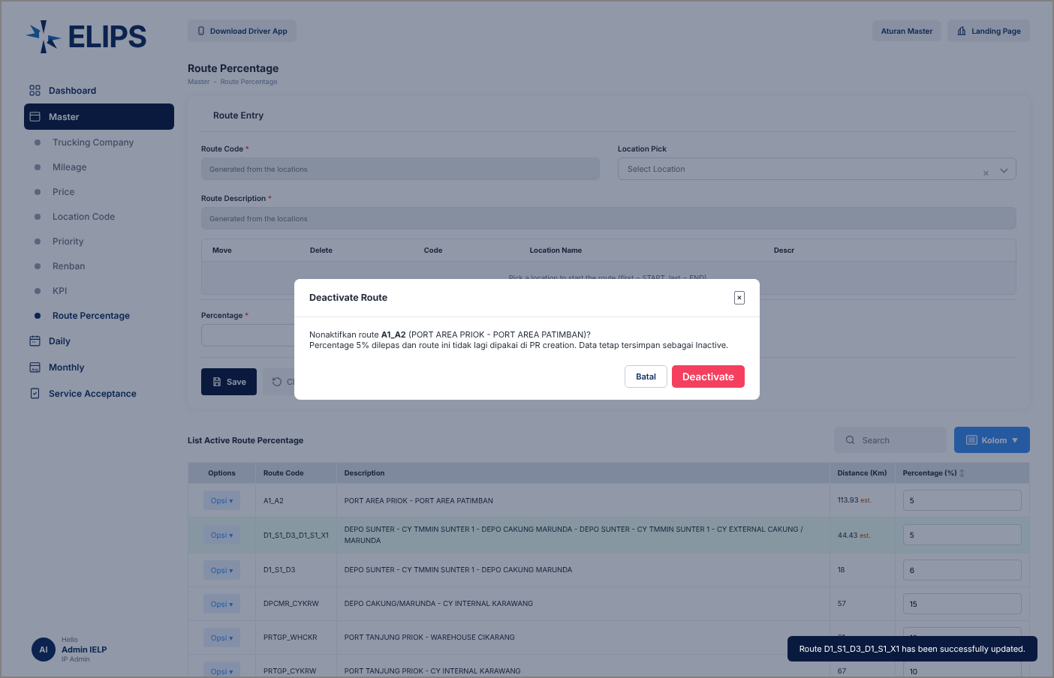

 | 12. Search without result (HTML mock-up)
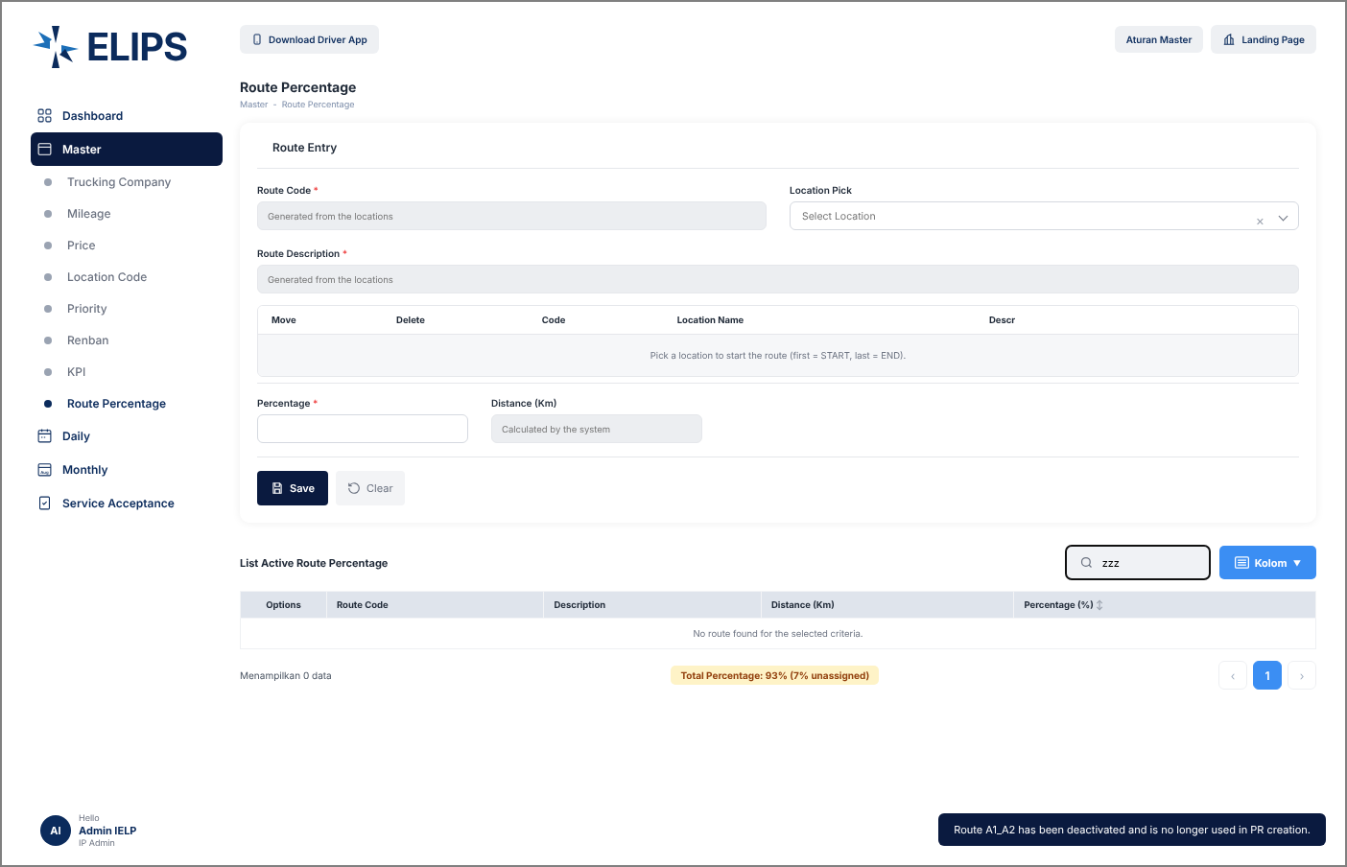

 | 13. Kolom - column selection (HTML mock-up)

