Screen Flow
Phase |  | Project Name |  |  |  | Page | 3/9
Block Name |  |  | Function Name |  | Created | By
Document Name |  |  | Title | Screen Flow Diagram | Updated | By

2. Screen Flow

 | Screen Flow for Master KPI

Excel file

Export XLS

Daily order assignment
(VPLD planner) by Order
Sharing
Master Trucking Company
(active companies)
[TBD]
Master KPI screen

PR creation: daily QTY =
Order Sharing

 | Screen Flow for Add KPI Item / Add Company

START

On Click of Add New / +
Add Company

Which button?

Add New

Add Company
Name filled, max 15,
unique?
No
Show message no. 1 / 2 / 3
Company active and not yet
listed?
No
Show message no. 7 / 8 / 9

Yes
Yes

Add column; value 0 for
every company
Add row (By Resources,
Truck, values 0)
KPI Master (TBD)

Refresh grid, msg 4
Open the new row in Edit
Mode

 | Screen Flow for Grid Edit

START

On Click of Edit or a
number cell

Another row in Edit Mode?
Yes
Show message no. 11

No

Row to input boxes; Total
/ Grade live

Save (✓ / Enter)?
No
Discard changes (✕ / Esc)

Yes

Whole numbers in range?
version unchanged?
No
Mark cells red, message
no. 12 / 13

Yes

Update Score, KPI values,
Order Sharing, Changed Dt
/ By
KPI Value (TBD)

Refresh grid and Total By
Resource, msg 14

 | Order Sharing in Daily Order Assignment (uses this master)

START

Orders of the day to
assign (n)

Get rows 'By Resources'
with Order Sharing > 0
KPI Master (TBD)

Qty = n x Order Sharing /
Total By Resource (rounded
down)

Remaining orders: largest
remainder, then higher
Total, then code

Assignment per trucking
company

Screen Layout
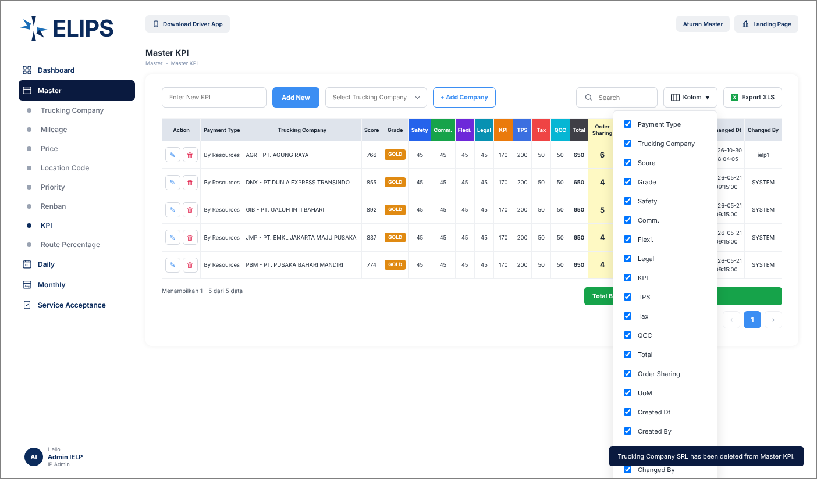
Phase |  | Project Name |  |  |  | Page | 4/9
Block Name |  |  | Function Name |  | Created | By
Document Name |  |  | Title | Screen Layout | Updated | By

3. Screen Layout

 | 1. Master KPI - reference screen (from user)
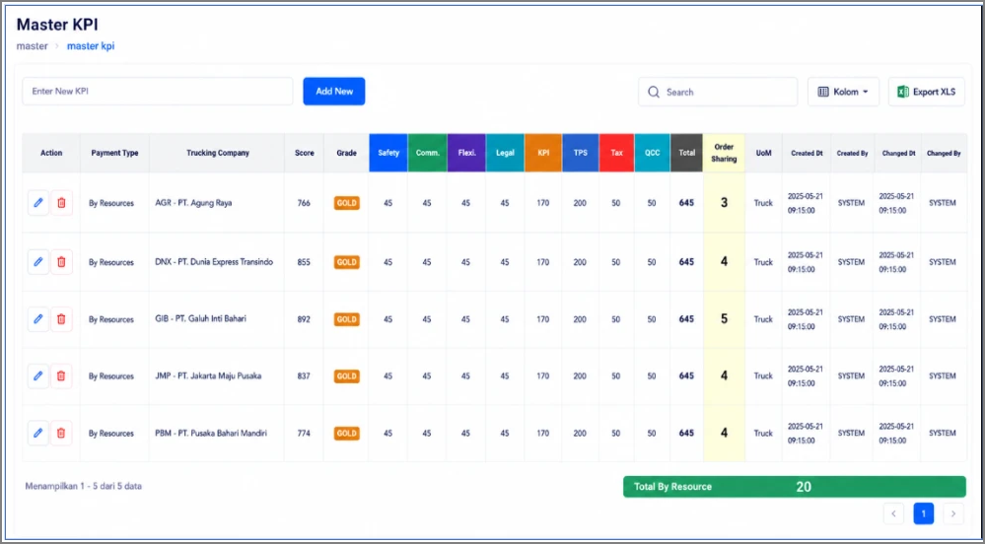

 | 2. View Mode - initial display (HTML mock-up)
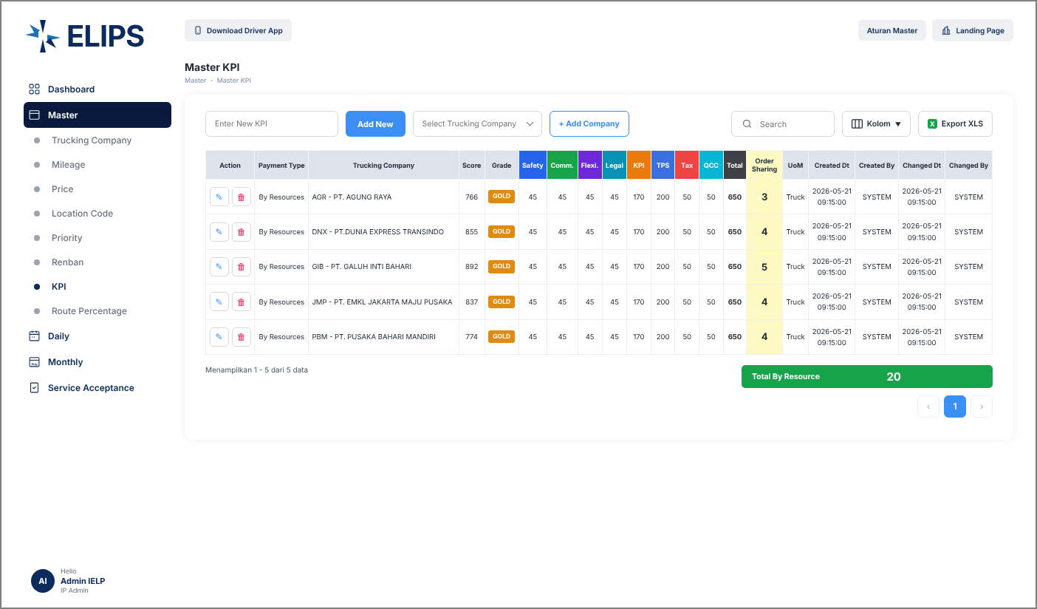

 | 3. Add New KPI - name already exists (HTML mock-up)
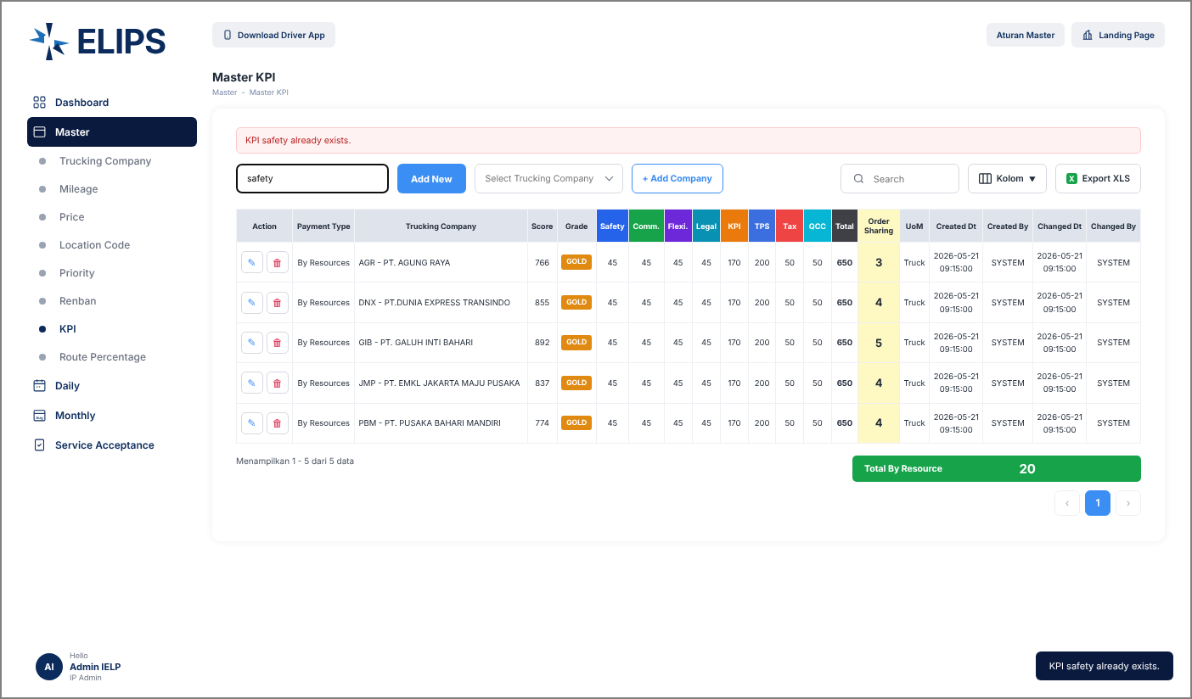

 | 4. KPI item 'On Time' added as a new column (HTML mock-up)
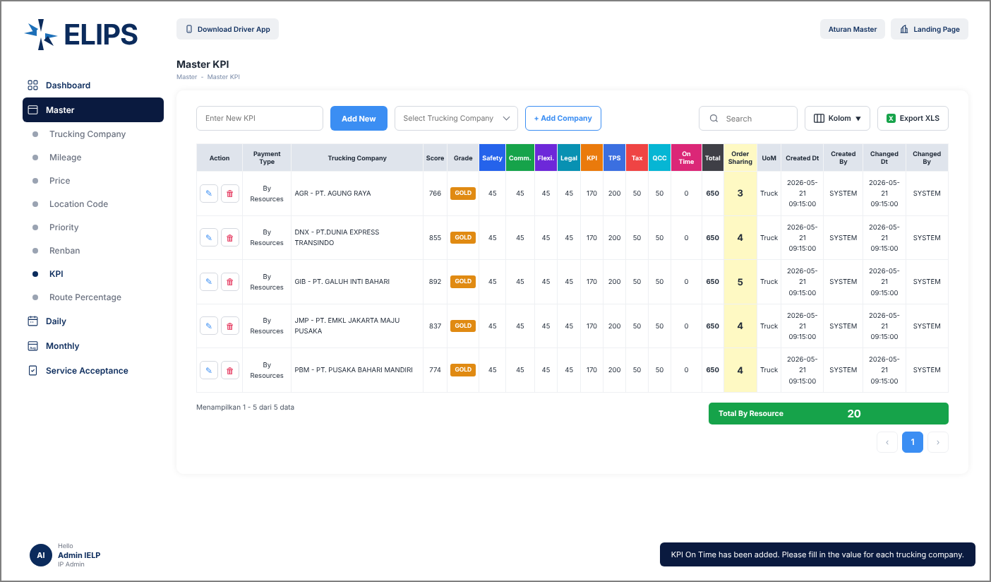

 | 5. Edit Mode - values edited in the grid, Total live (HTML mock-up)
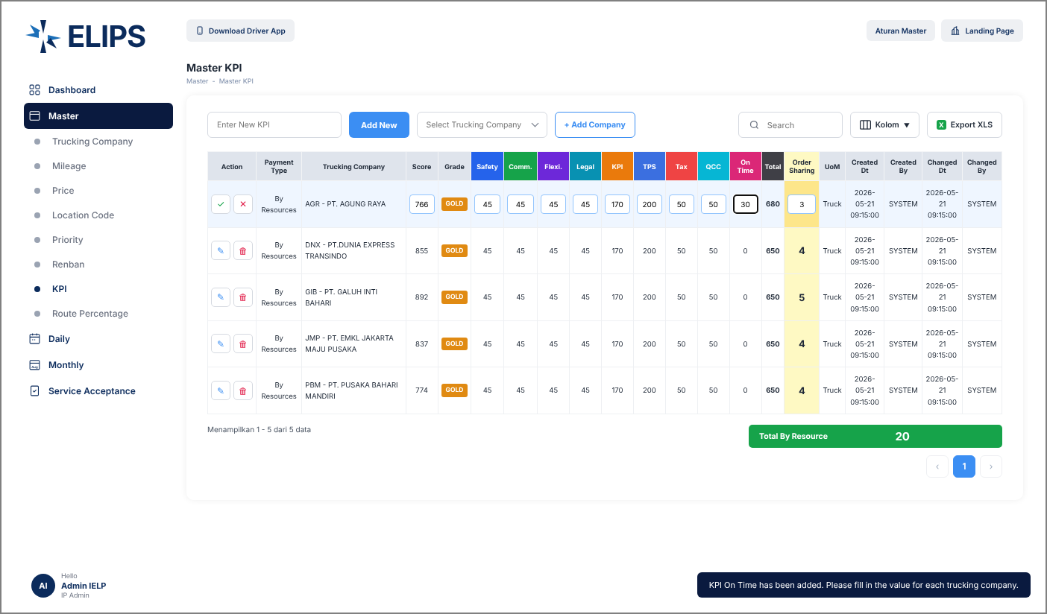

 | 6. Edit Mode - invalid value (HTML mock-up)
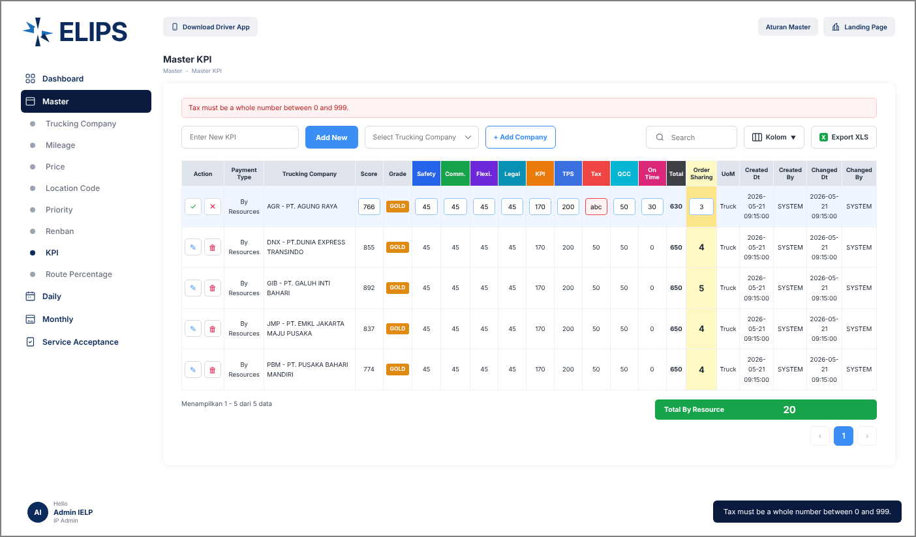

 | 7. Select Trucking Company (HTML mock-up)
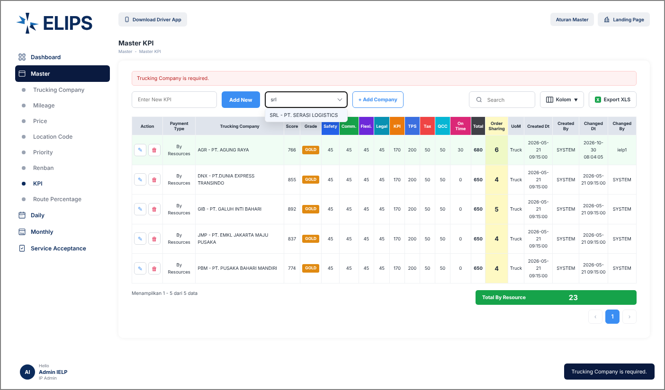

 | 8. Company SRL added and opened for edit (HTML mock-up)
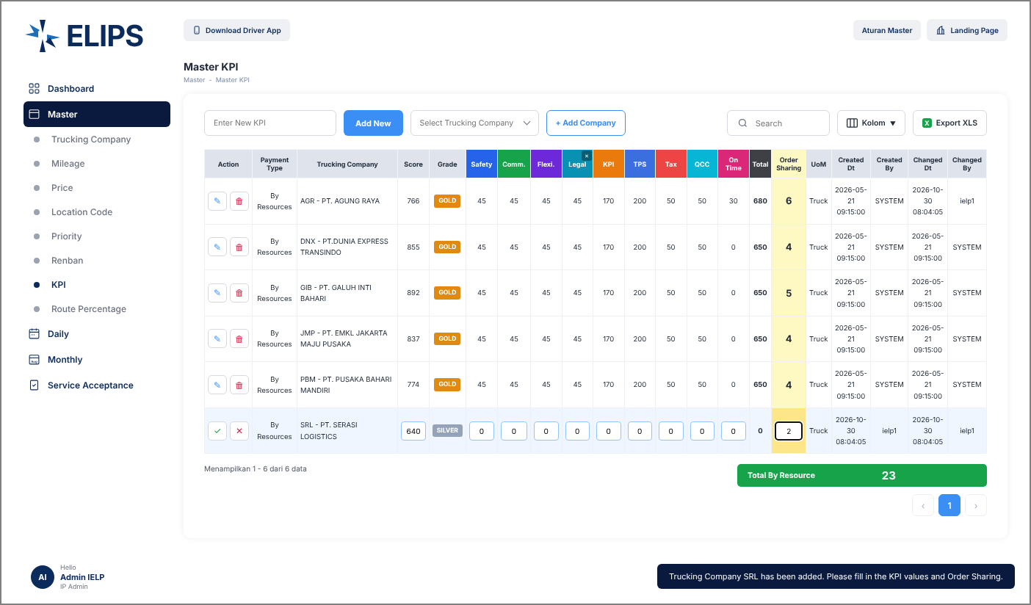

 | 9. Delete KPI item confirmation (HTML mock-up)
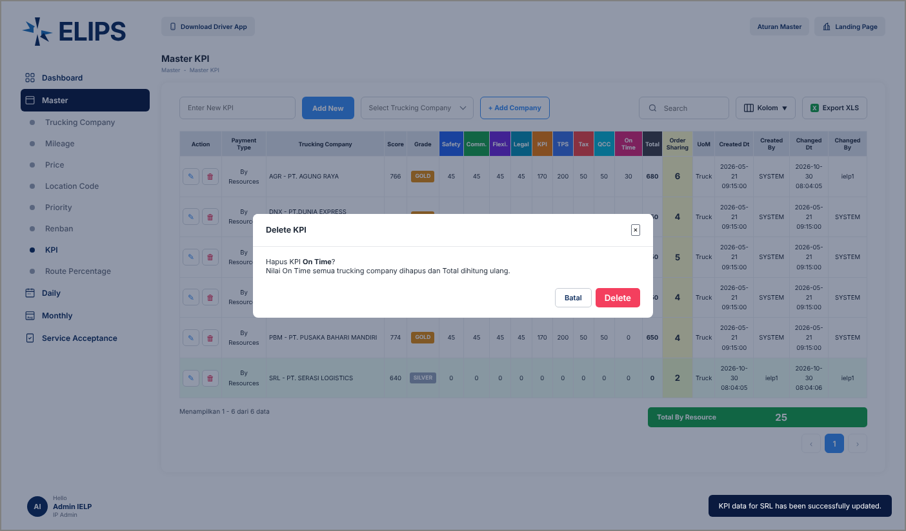

 | 10. Delete trucking company confirmation (HTML mock-up)
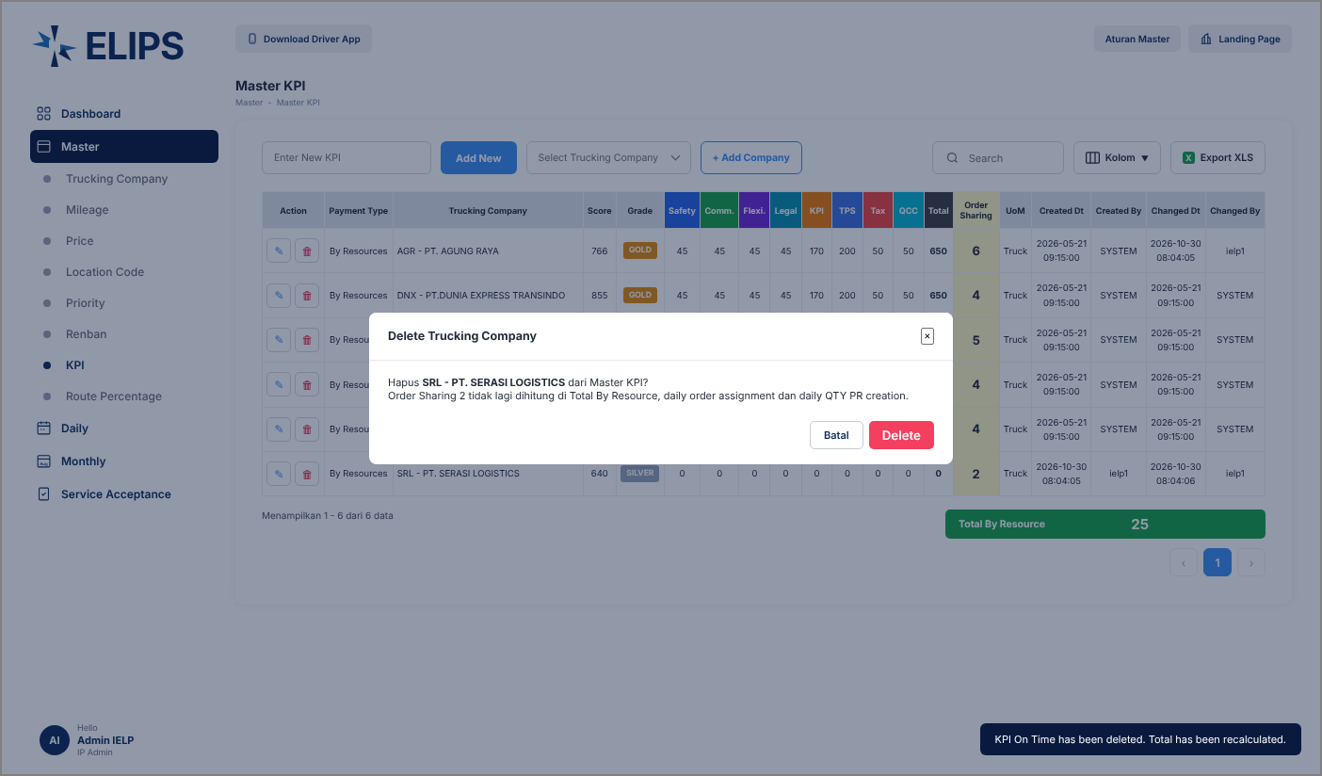

 | 11. Search without result (HTML mock-up)
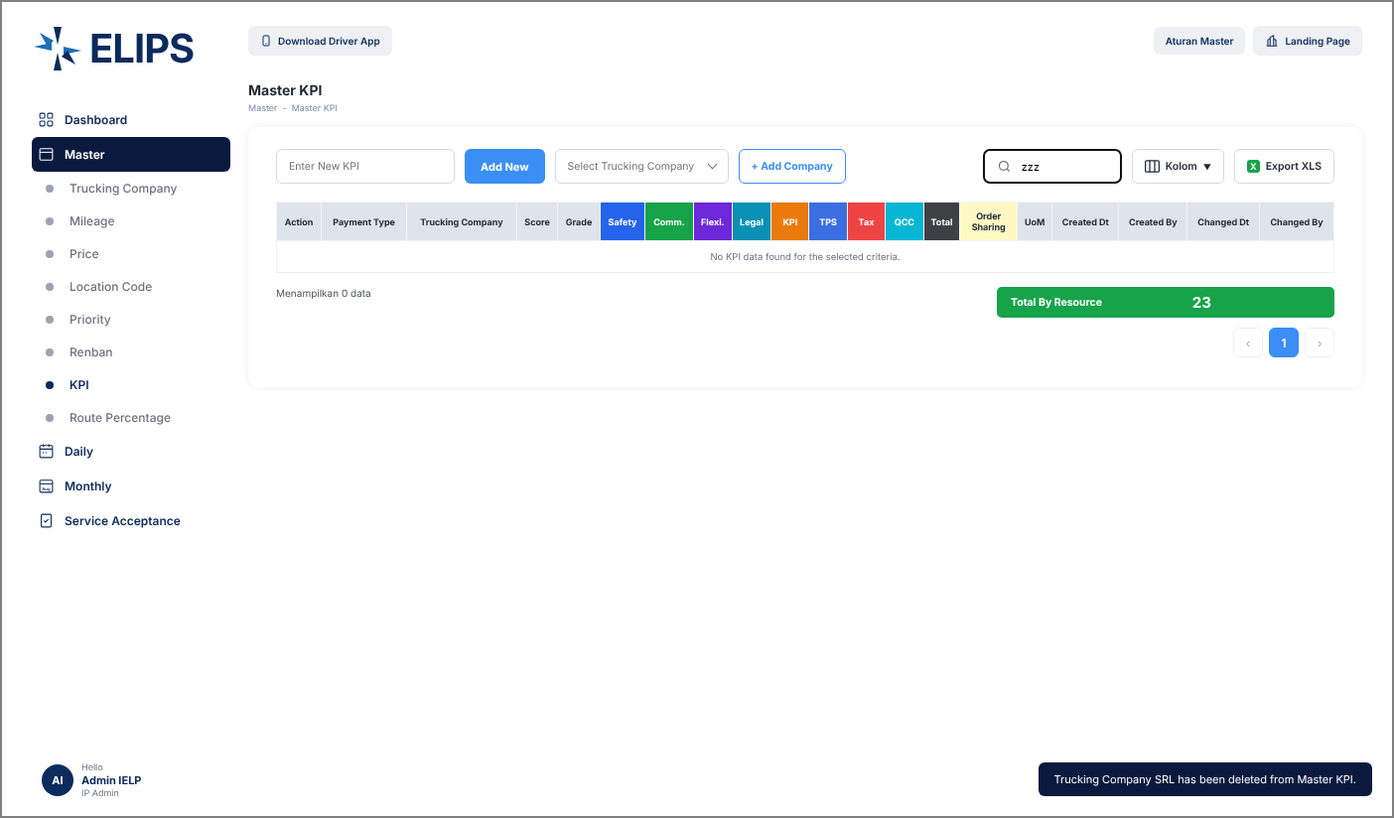

 | 12. Kolom - column selection (HTML mock-up)

