Screen Flow
Phase |  | Project Name |  |  |  | Page | 3/9
Block Name |  |  | Function Name |  | Created | By
Document Name |  |  | Title | Screen Flow Diagram | Updated | By

2. Screen Flow

 | Screen Flow for Pricing Data

eCatalogue (SPK GAD)
Interface (UISS-Batch
TBD)
PR Monthly generation
Price Master (TBD)
Price lookup

[TBD]
Pricing Data screen (read
only)
Excel file
Master Trucking Company
(Trucking Company list)
Export .xls

 | Screen Flow for Search

START

On Click of Search button

Read Periode, Trucking
Company, Component, Status

Select prices matching
criteria (5.3)
Price Master (TBD)

Calculate Status per row
(5.4) and apply Status
filter

Data found?
No
Show message no. 2

Yes

Sort, show page 1 and
paging info

 | Status Determination

START

Effective Start > today?
Yes
'Future / Not Yet Active'

No

Effective End < today?
Yes
'Expired'

No

'Active'

 | PR Monthly Price Lookup (uses this master)

START

Generate PR Monthly:
partner, component, period

Get prices covering the
whole month
Price Master (TBD)

Price found?
No
Show message no. 7

Yes

Not expired price exists?
No
Show message no. 8

Yes

Exactly one price?
No
Show message no. 9

Yes

Use the price in PR
Monthly

Screen Layout
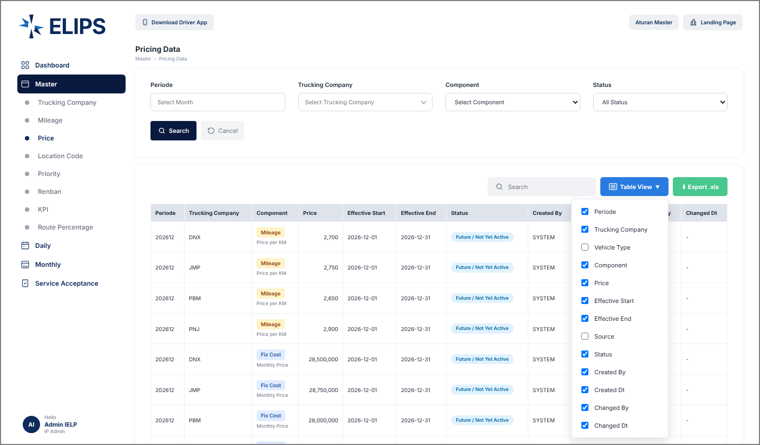
Phase |  | Project Name |  |  |  | Page | 4/9
Block Name |  |  | Function Name |  | Created | By
Document Name |  |  | Title | Screen Layout | Updated | By

3. Screen Layout

 | 1. Pricing Data - reference screen (from user)
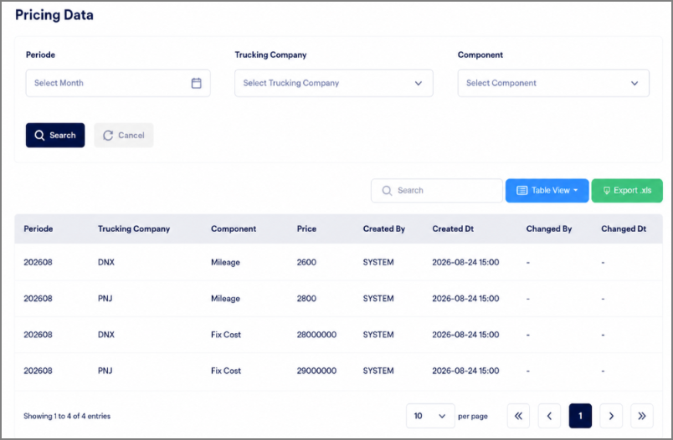

 | 2. Initial Mode - all price data (HTML mock-up)
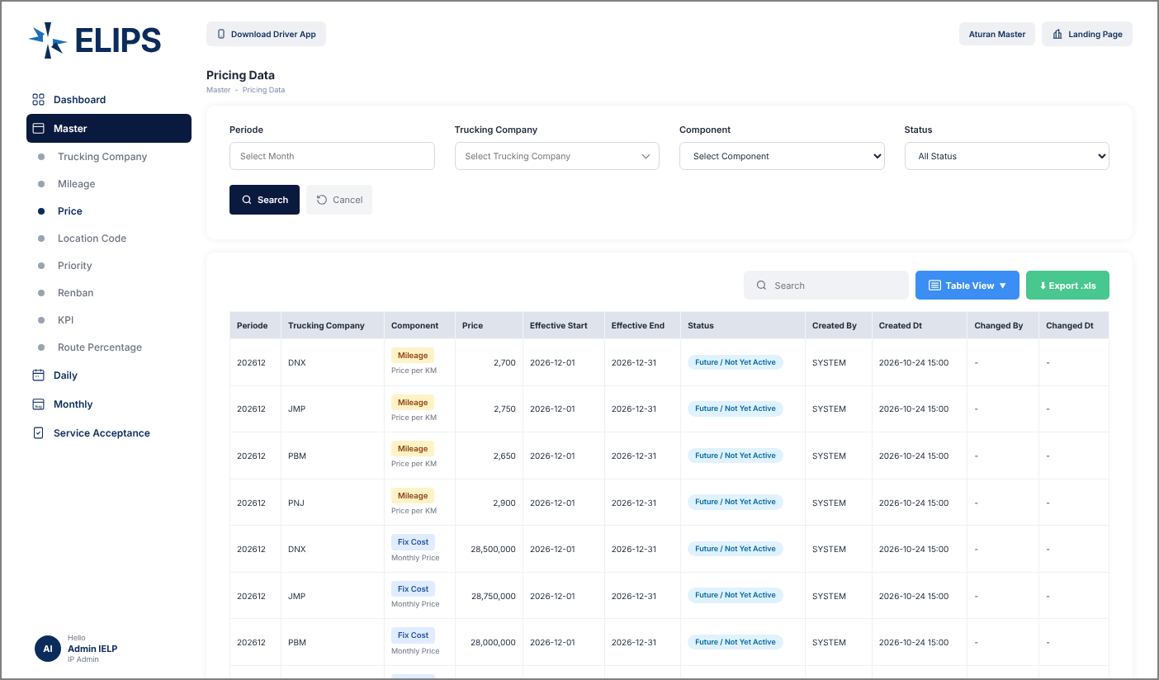

 | 3. Trucking Company drop-down - search by code / name (HTML mock-up)
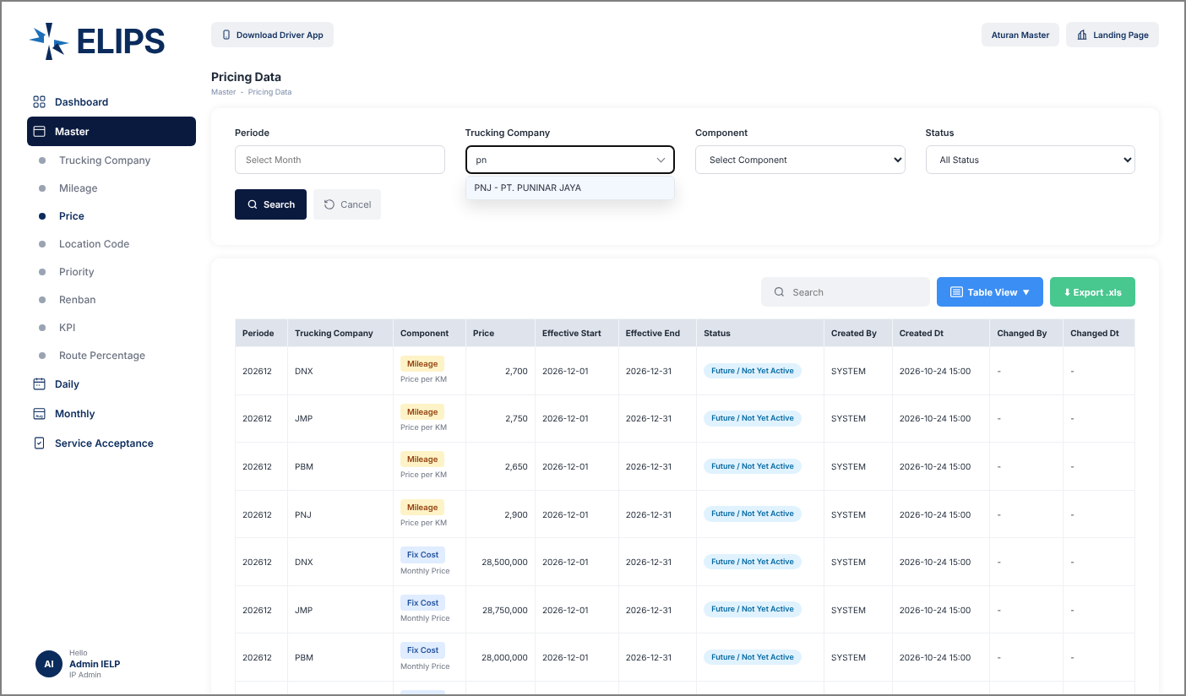

 | 4. Result Mode - Periode 202608 + PNJ (HTML mock-up)
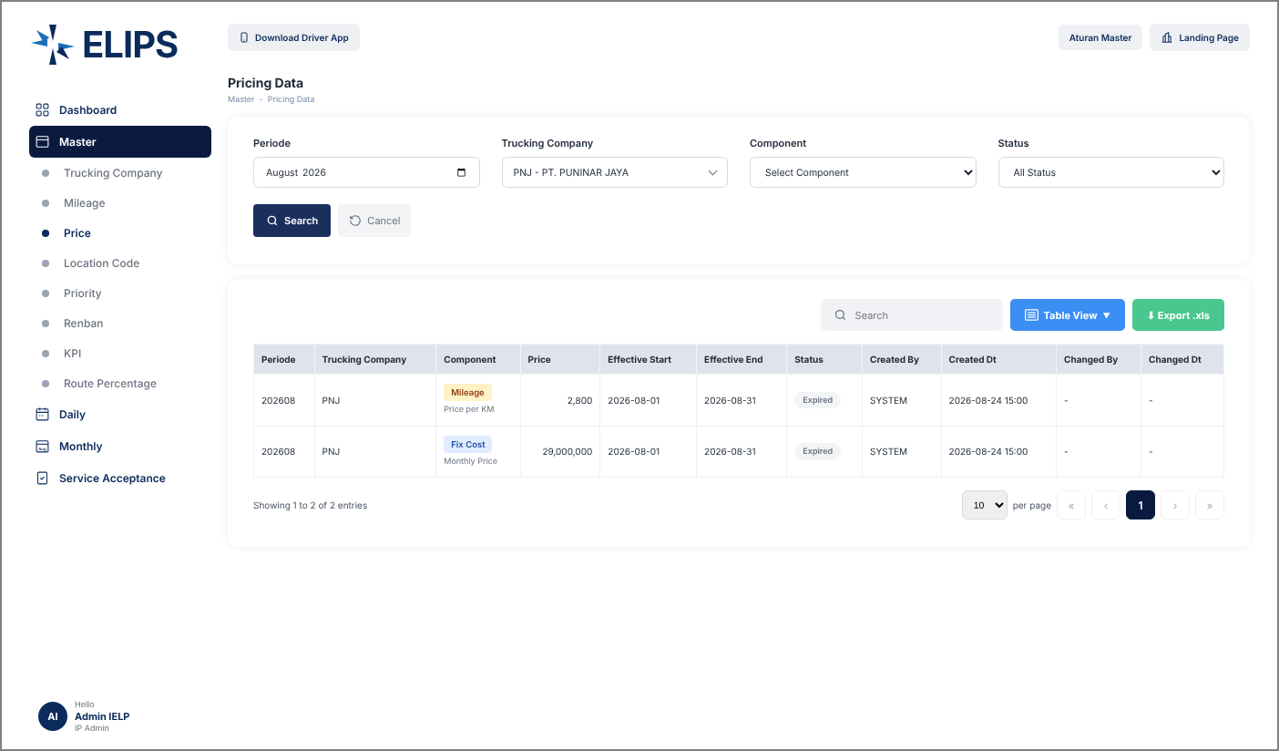

 | 5. Result Mode - Component Mileage, Status Future (HTML mock-up)


 | 6. Result Mode - Status Expired (HTML mock-up)
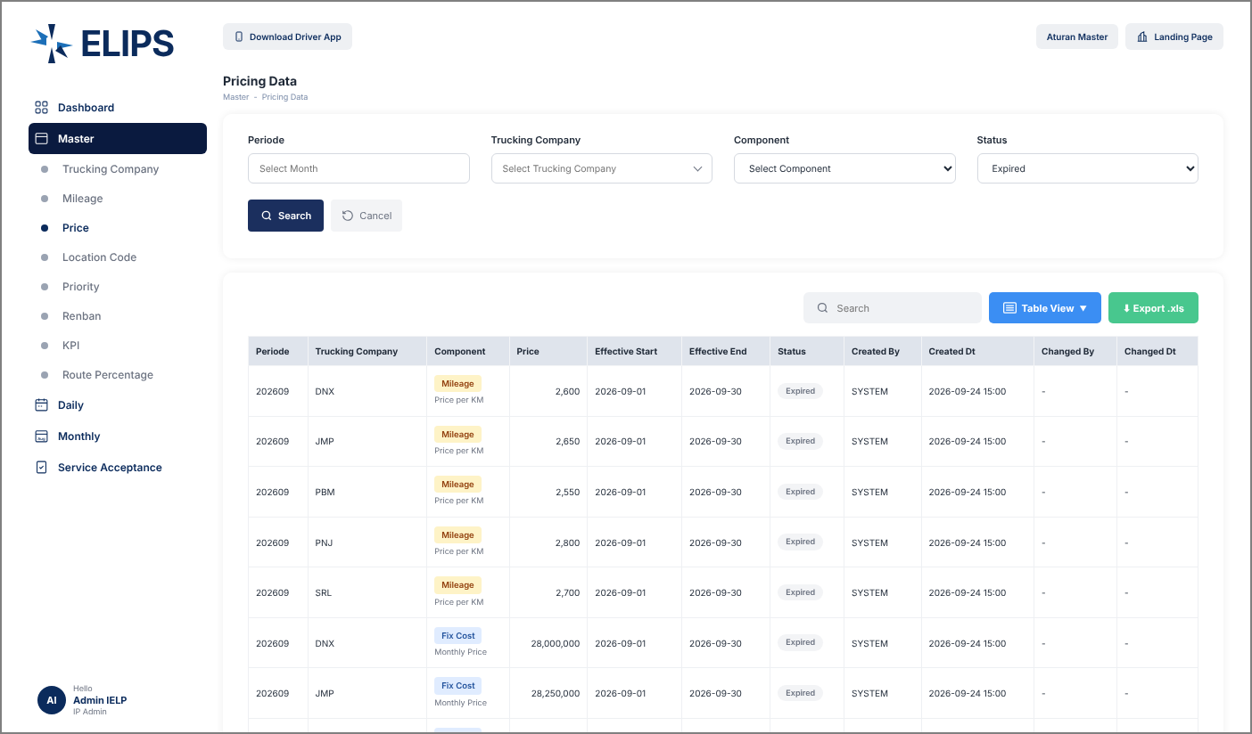

 | 7. Search keyword without result (HTML mock-up)
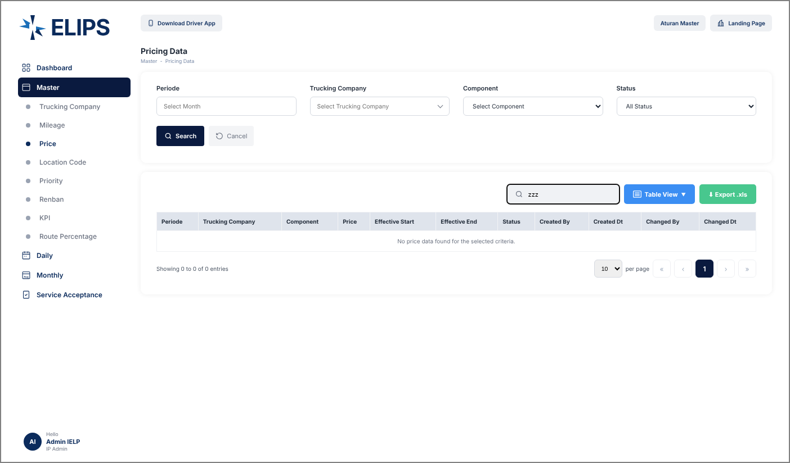

 | 8. Table View column selection (HTML mock-up)

