2.ECB-Instant Payment Regulatio
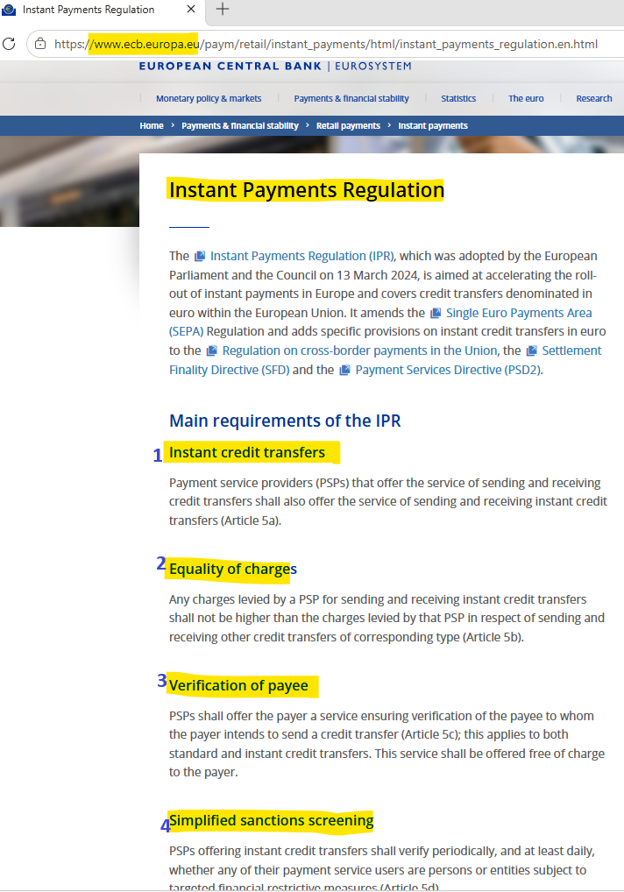
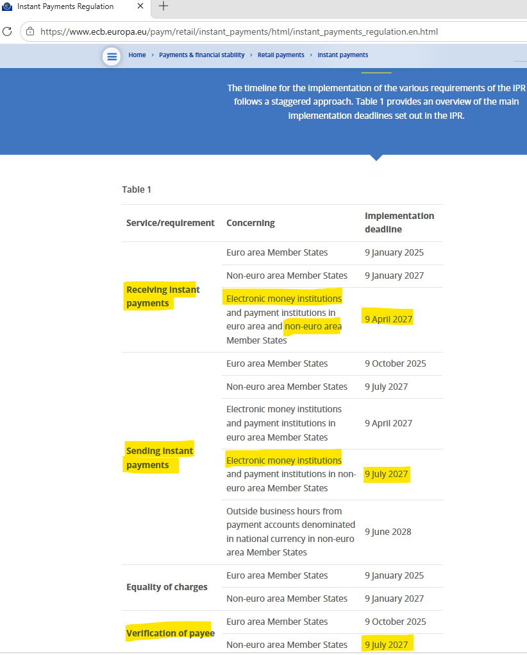
Regulation | Main Requireemnts of IPR | ECB IPR Location
European Central Bank (ECB) - IPR (Instant Payment Regulation) | There are mainly four | https://www.ecb.europa.eu/paym/retail/instant_payments/html/instant_payments_regulation.en.html

3.EPC Rulebook
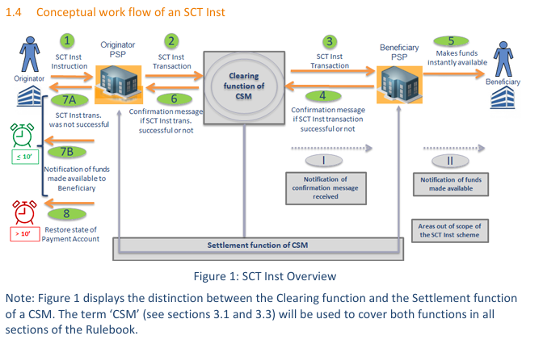
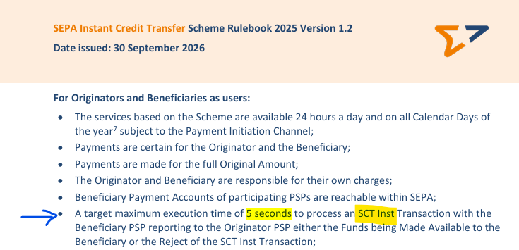
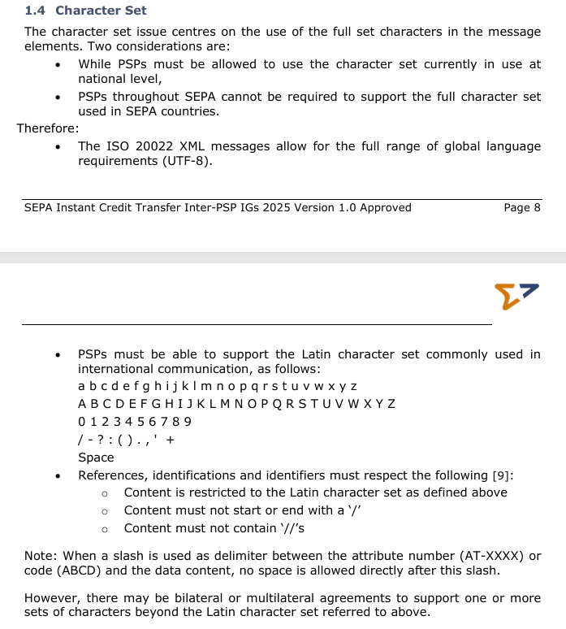
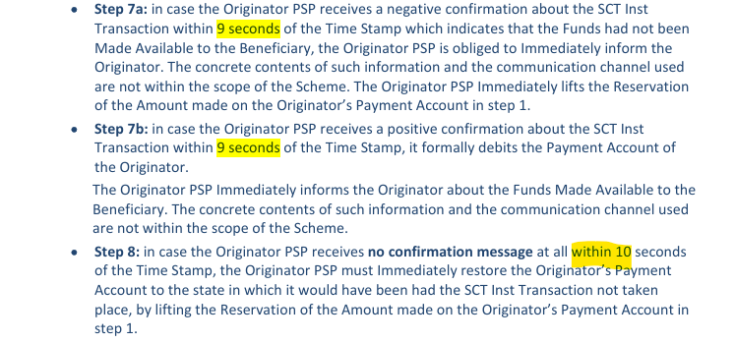
SEPA Scheme | EPC Rulebook Version | Date Effective | EPC Rulebook - download location | EPC Rulebook - attachment
SCT Inst | 2025 SEPA Instant Credit Transfer rulebook version 1.2. EPC004-16 2025 SCT Instant Rulebook v1.2 | 30 September 2026 | https://www.europeanpaymentscouncil.eu/search?kb%5B0%5D=tags%3A171

4.EPC Implementation Guidelines
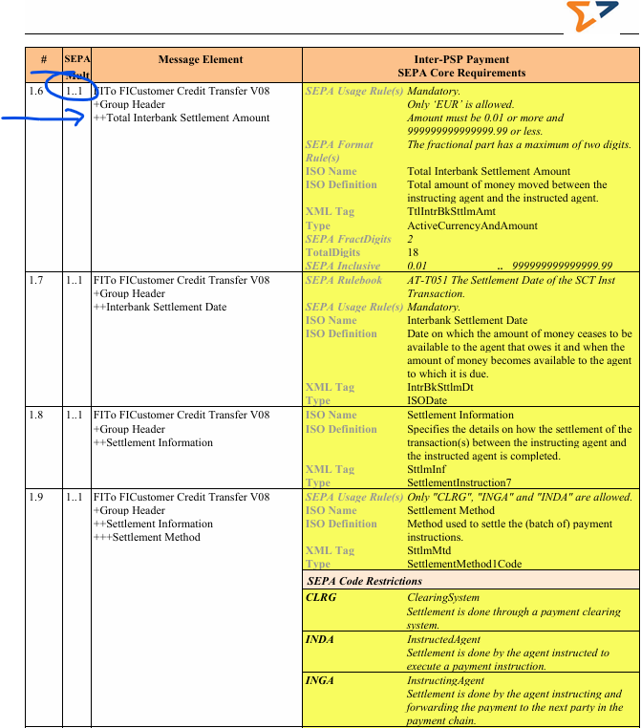
SEPA Scheme | EPC IG Version | Date Effective | EPC IG - download location | EPC IG - attachment
SCT Inst | SEPA Instant Credit Transfer Inter-PSP Implementation Guidelines 2025 version 1.0 EPC122-16 | 5 October 2025 | https://www.europeanpaymentscouncil.eu/search?kb%5B0%5D=tags%3A171&kb%5B1%5D=type%3A86

5.ISO Codes
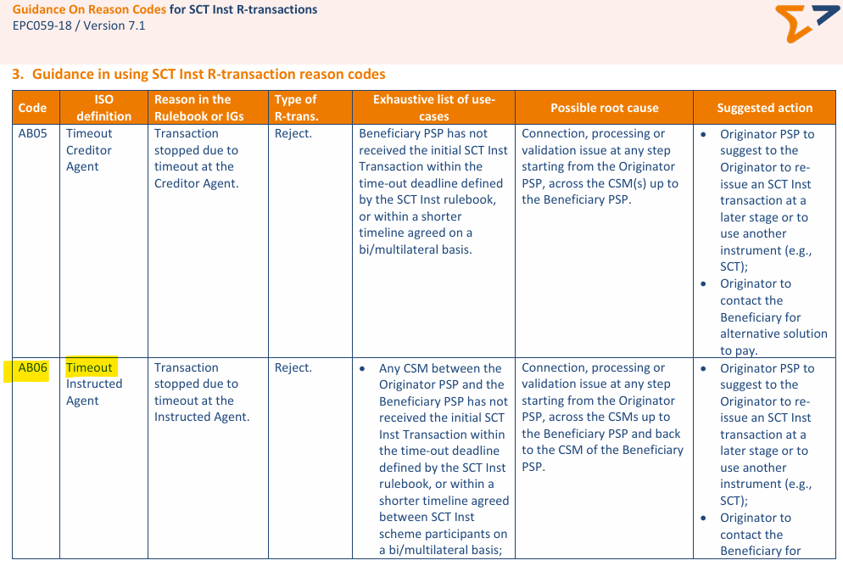
ISO 20022 - External Codes Set - Download location: https://www.iso20022.org/catalogue/additional-content-messages/external-code-sets
Code Set | Code Value | Code Name | Code Definition
ExternalPaymentTransactionStatus1Code | ACSC | AcceptedSettlementCompletedDebitorAccount | Settlement completed. Usage : this can be used by a Market Infrastructure reporting to Infrastructure Participant or an Account Servicer to Account Owner to report that the transaction account entry has been completed. Warning : this status is provided for transaction status reasons, not for financial information. It can only be used after bilateral agreement
ExternalPaymentTransactionStatus1Code | RJCT | Rejected | Payment instruction has been rejected.
ExternalStatusReason1Code | AB06 | TimeoutInstructedAgent | Transaction stopped due to timeout at the Instructed Agent.
ExternalStatusReason1Code | AM02 | NotAllowedAmount | Specific transaction/message amount is greater than allowed maximum
ExternalStatusReason1Code | AM05 | Duplication | Duplication
ExternalStatusReason1Code | FF01 | InvalidFileFormat | File Format incomplete or invalid
ExternalStatusReason1Code | RC01 | BankIdentifierIncorrect | Bank identifier code specified in the message has an incorrect format (formerly IncorrectFormatForRoutingCode).

Reason Codes for SCT Inst R-transactions - EPC download location: https://www.europeanpaymentscouncil.eu/sites/default/files/kb/file/2026-09/EPC059-18%20v7.1%20Guidance%20on%20Reason%20Codes%20for%20SCT%20Inst%20R-transactions.pdf

