Macro
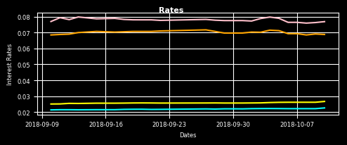
 |  |  |  |  |  |  |  | a
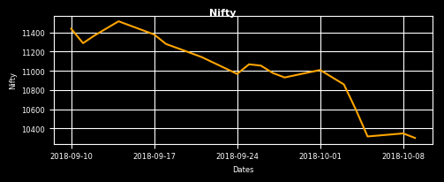
 | 2018-10-09 | 2018-09-28 | 2018-09-10 |  | 2018-10-10 | 2018-10-04 | 2018-09-10
NIFTY | 10301.05 | 10930.45 | 11438.10 | INR 3M | 6.880% | 7.150% | 6.850%
Δ NIFTY | -0.454% | -5.758% | -9.941% | INR 1Y | 7.687% | 7.974% | 7.694%
 |  |  |  |  | 2018-10-10 | 2018-10-04 | 2018-09-10
 |  |  |  | USD 3M | 2.264% | 2.225% | 2.140%
 |  |  |  | USD 1Y | 2.671% | 2.602% | 2.510%
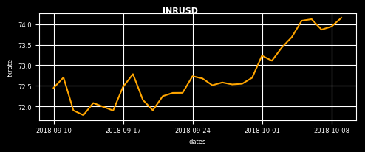
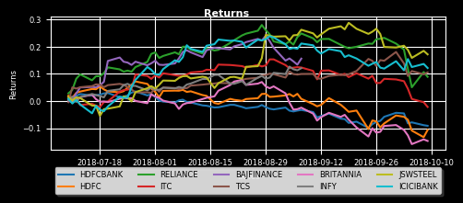
 | 2018-10-09 | 2018-10-03 | 2018-09-10
INR/USD | 74.16 | 73.44 | 72.45 |  | Top MF Holdings | Returns(An)
Δ INR/USD | 0.288% | 0.983% | 2.359% |  | HDFC Bank | -9.11%
 |  |  |  |  | HDFC | -10.63%
 |  |  |  |  | Reliance Industries | 8.91%
 |  |  |  |  | ITC | -2.17%
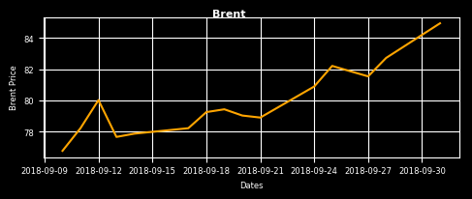
 |  |  |  |  | Bajaj Finance | 15.59%
 | 2018-10-01 | 2018-09-21 | 2018-09-10 |  | Tata Consultancy Services | 10.52%
CRUDE ($) | 84.94 | 78.90 | 76.77 |  | Britannia Inds. | -14.68%
Δ CRUDE | 2.684% | 7.655% | 10.642% |  | Infosys | 12.08%
 |  |  |  |  | JSW Steel | 17.17%
 |  |  |  |  | ICICI Bank | 12.15%

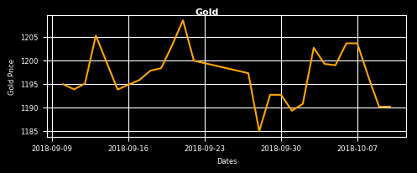
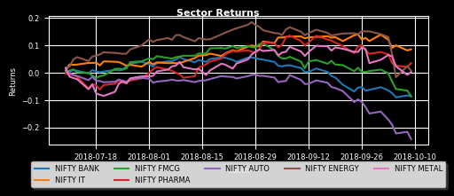
 | 2018-10-10 | 2018-10-04 | 2018-09-10
GOLD ($) | 1190.10 | 1199.20 | 1194.85
Δ GOLD | 0.000% | -0.759% | -0.398% |  | Sectors | Returns(An) |  |  | IndexError: index -1 is out of bounds for axis 0 with size 0 return getitem(key) File "C:\Users\Santosh Bag\Anaconda3\lib\site-packages\pandas\indexes\base.py", line 1423, in __getitem__ period = (stk.daily_logreturns.index[-1] - stk.daily_logreturns.index[0]).days/360 File "f:\mrig analytics\development\mriganalytics\interface\dashboard.py", line 349, in mrigxl_nifty_sectors ret = func(*args) File "C:\Users\Santosh Bag\Anaconda3\lib\site-packages\xlwings\udfs.py", line 250, in call_udf res = call_udf(script, fname, args, this_workbook, FromVariant(caller)) File "C:\Users\Santosh Bag\Anaconda3\lib\site-packages\xlwings\server.py", line 190, in CallUDF return func(*args) File "C:\Users\Santosh Bag\Anaconda3\lib\site-packages\win32com\server\policy.py", line 586, in _invokeex_ return S_OK, -1, self._invokeex_(dispid, lcid, wFlags, args, None, None) File "C:\Users\Santosh Bag\Anaconda3\lib\site-packages\win32com\server\policy.py", line 283, in _invoke_ return self._invoke_(dispid, lcid, wFlags, args) File "C:\Users\Santosh Bag\Anaconda3\lib\site-packages\win32com\server\policy.py", line 278, in _Invoke_
 |  |  |  |  | NIFTY BANK | -8.69%
 |  |  |  |  | NIFTY IT | 8.56%
 |  |  |  |  | NIFTY FMCG | -8.60%
 |  |  |  |  | NIFTY PHARMA | 3.50%
 |  |  |  |  | NIFTY AUTO | -24.31%
 |  |  |  |  | NIFTY ENERGY | 0.69%
 |  |  |  |  | NIFTY METAL | 0.22%

a

Sectors
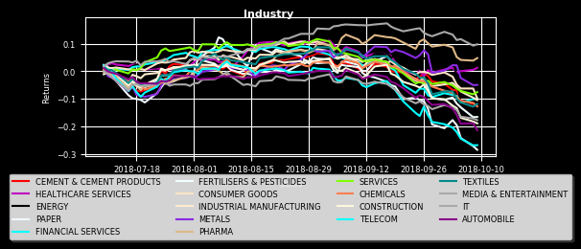
Industry | Returns(An)
CEMENT & CEMENT PRODUCTS | -12.36%
HEALTHCARE SERVICES | 1.26%
ENERGY | -12.28%
PAPER | -28.54%
FINANCIAL SERVICES | -9.95%
FERTILISERS & PESTICIDES | -16.61%
CONSUMER GOODS | -9.82%
INDUSTRIAL MANUFACTURING | -10.47%
METALS | -4.96%
PHARMA | 4.79%
SERVICES | -7.56%
CHEMICALS | -12.77%
CONSTRUCTION | -18.93%
TELECOM | -26.87%
TEXTILES | -11.88%
MEDIA & ENTERTAINMENT | -17.76%
IT | 9.78%
AUTOMOBILE | -21.44%

Strategies
Big M Holdings | 24 Week Return | 12 Week Return | 4 Week Return
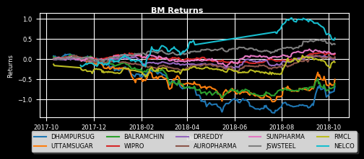
UTTAMSUGAR | 17.15% | 44.53% | 23.28%
BALRAMCHIN | 20.64% | 26.83% | 10.93%
WIPRO | 11.42% | 12.48% | -0.71%
DRREDDY | 13.22% | 17.25% | -2.82%
AUROPHARMA | 18.70% | 27.30% | -3.03%
SUNPHARMA | 16.35% | 10.56% | -3.33%
JSWSTEEL | 13.42% | 18.91% | -6.21%
RMCL | 13.08% | 24.43% | -8.45%
NELCO | 16.46% | 16.46% | -39.66%

 |  |  |  | TypeError: str() argument 2 must be str, not float primary.plot(dates,cum_return_series,str(float(color/20),float(color/25),float(color/30)),label=sym) File "f:\mrig analytics\development\mriganalytics\interface\dashboard.py", line 447, in mrigxl_sector_returns ret = func(*args) File "C:\Users\Santosh Bag\Anaconda3\lib\site-packages\xlwings\udfs.py", line 250, in call_udf res = call_udf(script, fname, args, this_workbook, FromVariant(caller)) File "C:\Users\Santosh Bag\Anaconda3\lib\site-packages\xlwings\server.py", line 190, in CallUDF return func(*args) File "C:\Users\Santosh Bag\Anaconda3\lib\site-packages\win32com\server\policy.py", line 586, in _invokeex_ return S_OK, -1, self._invokeex_(dispid, lcid, wFlags, args, None, None) File "C:\Users\Santosh Bag\Anaconda3\lib\site-packages\win32com\server\policy.py", line 283, in _invoke_ return self._invoke_(dispid, lcid, wFlags, args) File "C:\Users\Santosh Bag\Anaconda3\lib\site-packages\win32com\server\policy.py", line 278, in _Invoke_

