Macro
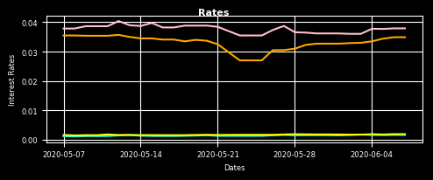
 |  |  |  |  |  |  |  | a
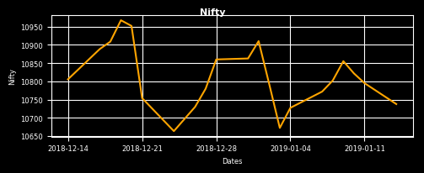
 | Moved Permanently The last 30x error message was: urllib.error.HTTPError: HTTP Error 301: The HTTP server returned a redirect error that would lead to an infinite loop. self.inf_msg + msg, headers, fp) File "C:\Users\Santosh Bag\Anaconda3\lib\urllib\request.py", line 746, in http_error_302 result = func(*args) File "C:\Users\Santosh Bag\Anaconda3\lib\urllib\request.py", line 504, in _call_chain result = self._call_chain(*args) File "C:\Users\Santosh Bag\Anaconda3\lib\urllib\request.py", line 564, in error 'http', request, response, code, msg, hdrs) File "C:\Users\Santosh Bag\Anaconda3\lib\urllib\request.py", line 642, in http_response response = meth(req, response) File "C:\Users\Santosh Bag\Anaconda3\lib\urllib\request.py", line 532, in open return self.parent.open(new, timeout=req.timeout) File "C:\Users\Santosh Bag\Anaconda3\lib\urllib\request.py", line 756, in http_error_302 result = func(*args) File "C:\Users\Santosh Bag\Anaconda3\lib\urllib\request.py", line 504, in _call_chain result = self._call_chain(*args) File "C:\Users\Santosh Bag\Anaconda3\lib\urllib\request.py", line 564, in error 'http', request, response, code, msg, hdrs) File "C:\Users\Santosh Bag\Anaconda3\lib\urllib\request.py", line 642, in http_response response = meth(req, response) File "C:\Users\Santosh Bag\Anaconda3\lib\urllib\request.py", line 532, in open return self.parent.open(new, timeout=req.timeout) File "C:\Users\Santosh Bag\Anaconda3\lib\urllib\request.py", line 756, in http_error_302 result = func(*args) File "C:\Users\Santosh Bag\Anaconda3\lib\urllib\request.py", line 504, in _call_chain result = self._call_chain(*args) File "C:\Users\Santosh Bag\Anaconda3\lib\urllib\request.py", line 564, in error 'http', request, response, code, msg, hdrs) File "C:\Users\Santosh Bag\Anaconda3\lib\urllib\request.py", line 642, in http_response response = meth(req, response) Fi | 2019-01-04 | 2018-12-14 |  | 2020-06-07 | 2019-01-07 | 2018-12-14 |  | ValueError: x and y must not be None raise ValueError("x and y must not be None") File "C:\Users\Santosh Bag\Anaconda3\lib\site-packages\matplotlib\axes\_base.py", line 368, in _plot_args for seg in self._plot_args(remaining, kwargs): File "C:\Users\Santosh Bag\Anaconda3\lib\site-packages\matplotlib\axes\_base.py", line 407, in _grab_next_args for line in self._get_lines(*args, **kwargs): File "C:\Users\Santosh Bag\Anaconda3\lib\site-packages\matplotlib\axes\_axes.py", line 1406, in plot return func(ax, *args, **kwargs) File "C:\Users\Santosh Bag\Anaconda3\lib\site-packages\matplotlib\__init__.py", line 1891, in inner primary.plot(dates.insert(0,today),niftyrates.insert(0,todaynifty),"orange",label="Nifty") File "f:\mrig analytics\development\mriganalytics\interface\dashboard.py", line 150, in mrigxl_db_nifty ret = func(*args) File "C:\Users\Santosh Bag\Anaconda3\lib\site-packages\xlwings\udfs.py", line 250, in call_udf res = call_udf(script, fname, args, this_workbook, FromVariant(caller)) File "C:\Users\Santosh Bag\Anaconda3\lib\site-packages\xlwings\server.py", line 190, in CallUDF return func(*args) File "C:\Users\Santosh Bag\Anaconda3\lib\site-packages\win32com\server\policy.py", line 586, in _invokeex_ return S_OK, -1, self._invokeex_(dispid, lcid, wFlags, args, None, None) File "C:\Users\Santosh Bag\Anaconda3\lib\site-packages\win32com\server\policy.py", line 283, in _invoke_ return self._invoke_(dispid, lcid, wFlags, args) File "C:\Users\Santosh Bag\Anaconda3\lib\site-packages\win32com\server\policy.py", line 278, in _Invoke_
NIFTY | 10737.60 | 10727.35 | 10805.45 | INR 3M | 6.630% | 6.610% | 6.700%
Δ NIFTY | 0.000% | 0.096% | -0.628% | INR 1Y | 6.835% | 6.841% | 6.978%
 |  |  |  |  | 2019-01-14 | 2019-01-07 | 2018-12-14
 |  |  |  | USD 3M | 2.422% | 2.424% | 2.428%
 |  |  |  | USD 1Y | 2.580% | 2.573% | 2.688%
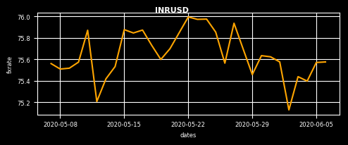
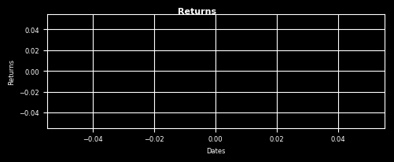
 | 2020-06-06 | 2019-01-06 | 2018-12-14 | Tenor | 3M
INR/USD | 70.38 | 69.43 | 71.92 |  | Top MF Holdings | Returns(An)
Δ INR/USD | 0.059% | 1.372% | -2.140% |  | HDFC Bank | 1.63%
 |  |  |  |  | ICICI Bank | 8.59%
 |  |  |  |  | Tata Consultancy Services | -4.29%
 |  |  |  |  | Reliance Industries | -7.49%
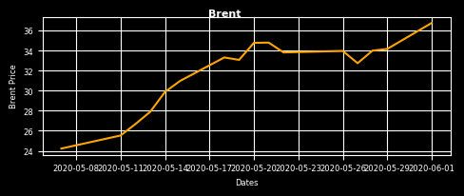
 |  |  |  |  | Britannia Inds. | -71.83%
 | 2020-06-01 | 2018-12-26 | 2018-12-14 |  | Bajaj Finance | -0.08%
CRUDE ($) | 57.10 | 51.93 | 58.56 |  | Infosys | -0.59%
Δ CRUDE | 2.624% | 9.956% | -2.493% |  | HDFC | -0.79%
 |  |  |  |  | ITC | -9.39%
 |  |  |  |  | Larsen & Toubro | 4.36%

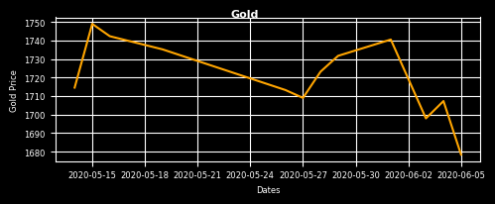
 | 2020-06-05 | 2018-11-22 | 2018-11-21
GOLD ($) | 1252.75 | 1228.65 | 1223.20 | Tenor | 3M
Δ GOLD | 0.818% | 1.962% | 2.416% |  | Sectors | Returns(An)
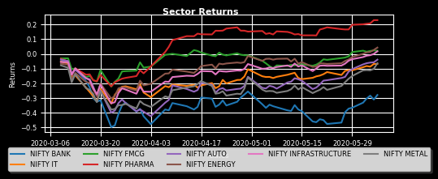
 |  |  |  |  | NIFTY BANK | -32.73%
 |  |  |  |  | NIFTY IT | -21.54%
 |  |  |  |  | NIFTY FMCG | 0.40%
 |  |  |  |  | NIFTY PHARMA | 16.47%
 |  |  |  |  | NIFTY AUTO | -23.66%
 |  |  |  |  | NIFTY ENERGY | -16.10%
 |  |  |  |  | NIFTY INFRASTRUCTURE | 12.21%
 |  |  |  |  | NIFTY METAL | -0.23712723666

a

Sectors
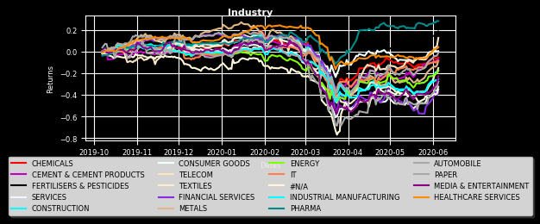
 | Returns 3M | Returns 6M | Returns 12M | Tenor(An)
PHARMA | 17.094% | 30.263% | 18.301% | 30.203%
CONSUMER GOODS | -5.253% | -5.474% | 6.551% | 7.198%
HEALTHCARE SERVICES | -22.670% | -7.579% | -13.949% | -12.335%
IT | -25.566% | -27.666% | -35.638% | -26.399%
FERTILISERS & PESTICIDES | -25.700% | -5.177% | -17.119% | 4.790%
CHEMICALS | -26.775% | -15.099% | -46.333% | -32.711%
TELECOM | -26.815% | -14.083% | -64.390% | -25.711%
ENERGY | -28.415% | -29.435% | -28.506% | -18.753%
CEMENT & CEMENT PRODUCTS | -28.519% | -14.495% | -32.088% | -25.854%
INDUSTRIAL MANUFACTURING | -33.891% | -35.002% | -32.597% | -24.925%
#N/A | -39.452% | -40.318% | -40.976% | -40.976%
AUTOMOBILE | -39.596% | -27.317% | -48.541% | -21.754%
MEDIA & ENTERTAINMENT | -47.622% | -39.859% | -77.487% | -48.914%
TEXTILES | -48.645% | -34.493% | -66.927% | -41.568%
CONSTRUCTION | -49.331% | -37.581% | -40.304% | -29.625%
SERVICES | -51.803% | -48.066% | -56.813% | -37.150%
METALS | -53.812% | -30.566% | -73.556% | -42.255%
FINANCIAL SERVICES | -58.724% | -45.706% | -52.560% | -49.314%
PAPER | -0.61574162763 | -0.55317683849 | -1.4503440227 | -0.66567348482

Strategies
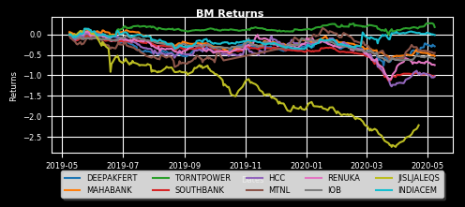
Automation error | 24 Week Return | 12 Week Return | 4 Week Return
DEEPAKFERT | 1.92% | -0.05% | 19.38%
MAHABANK | -10.75% | -6.67% | 9.58%
TORNTPOWER | 7.16% | -6.34% | 2.52%
SOUTHBANK | -8.99% | 0.00% | 0.00%
HCC | 13.90% | 0.00% | 0.00%
MTNL | 7.51% | 0.00% | 0.00%
RENUKA | 0.00% | 0.00% | 0.00%
IOB | -3.23% | 0.00% | 0.00%
JISLJALEQS | -8.26% | 0.00% | 0.00%
INDIACEM | 22.00% | 27.82% | -4.68%

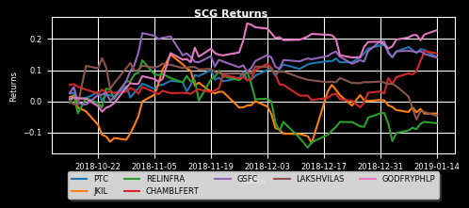
STRATEGY : SMALL CAP GROWTH
Automation error | Returns(An) | EPS Growth | P/E | P/Sales
PTC | 14.18% | 9.66% | 8.29 | 0.12 | TypeError: str() argument 2 must be str, not float primary.plot(dates,cum_return_series,str(float(color/20),float(color/25),float(color/30)),label=sym) File "f:\mrig analytics\development\mriganalytics\interface\dashboard.py", line 447, in mrigxl_sector_returns ret = func(*args) File "C:\Users\Santosh Bag\Anaconda3\lib\site-packages\xlwings\udfs.py", line 250, in call_udf res = call_udf(script, fname, args, this_workbook, FromVariant(caller)) File "C:\Users\Santosh Bag\Anaconda3\lib\site-packages\xlwings\server.py", line 190, in CallUDF return func(*args) File "C:\Users\Santosh Bag\Anaconda3\lib\site-packages\win32com\server\policy.py", line 586, in _invokeex_ return S_OK, -1, self._invokeex_(dispid, lcid, wFlags, args, None, None) File "C:\Users\Santosh Bag\Anaconda3\lib\site-packages\win32com\server\policy.py", line 283, in _invoke_ return self._invoke_(dispid, lcid, wFlags, args) File "C:\Users\Santosh Bag\Anaconda3\lib\site-packages\win32com\server\policy.py", line 278, in _Invoke_
JKIL | -3.94% | 29.48% | 7.05 | 0.26
RELINFRA | -7.09% | 29.19% | 4.84 | 0.37
CHAMBLFERT | 15.41% | 12.92% | 14.52 | 0.37
GSFC | 14.04% | 13.39% | 9.24 | 0.39
LAKSHVILAS | -4.70% | 40.00% | 5.55 | 0.54
GODFRYPHLP | 22.80% | 17.93% | 29.76 | 0.56

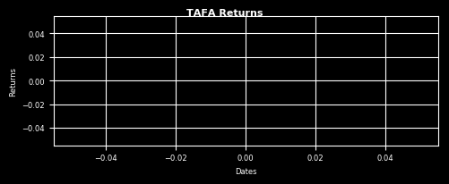
STRATEGY : TA FA
Automation error | Returns(An) | EPS Growth | P/E | P/Sales | Automation error
ASTRAZEN | 11.06% | 6.03% | 154.74445516 | 1.7528540121
GUJALKALI | -4.34% | 73.66% | 7.1159917639 | 0.38376146443

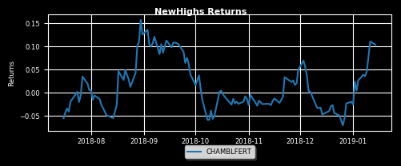
Automation error | Returns(An) | 12 Week Return | 4 Week Return | EPS Growth
CHAMBLFERT | 10.38% | 11.66% | 15.04% | 12.92%

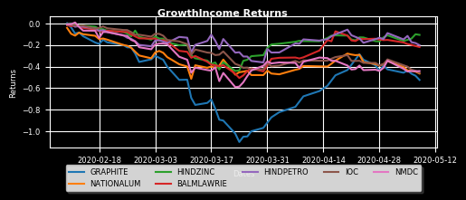
STRATEGY : GROWTH INCOME
Automation error | Returns(An) | Return on Equity | P/E | Beta | Automation error
GRAPHITE | -52.33% | 60.29 | 3.07 | 0.36
NATIONALUM | -46.43% | 16.52 | 6.03 | 0.79
HINDZINC | -10.68% | 23.67 | 14.76 | 0.09
BALMLAWRIE | -21.88% | 14.49 | 11.24 | 0.16
HINDPETRO | -20.21% | 21.39 | 6.89 | (0.17)
IOC | -45.77% | 15.54 | 8.93 | 0.63
NMDC | -44.15% | 17.88 | 7.08 | 0.80

Stock
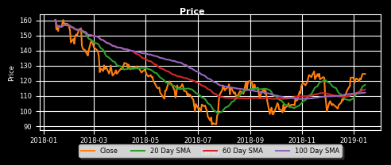
 |  | PRICES |  |  |  |  |  |  |  |  |  |  |  |  |  |  |  |  |  |  |  |  |  |  |  |  |  |  |  |  |  |  | z
 | RECLTD | Last Price | Open | Previous Close | Day High | Day Low | 52 Week High | 52 Week Low | Tenor | 1Y | OPTION CHAIN |  |  |  |  | C A L L S |  |  |  |  |  |  |  |  |  |  |  | P U T S
 |  | 126.00 | 125.00 | 124.55 | 126.50 | 124.65 | 162.70 | 89.00 |  |  | Expiry | CALL_OI | CALL_Chng_in_OI | CALL_Volume | CALL_IV | CALL_LTP | CALL_Net_Chng | CALL_BidQty | CALL_BidPrice | CALL_AskPrice | CALL_AskQty | Strike_Price | PUT_BidQty | PUT_BidPrice | PUT_AskPrice | PUT_AskQty | PUT_Net_Chng | PUT_LTP | PUT_IV | PUT_Volume | PUT_Chng_in_OI | PUT_OI
 |  |  |  |  |  |  |  |  |  |  | 31-Jan-19 | - | - | - | - | - | - | - | - | - | - | 75 | - | - | 0.45 | 6000 | - | - | - | - | - | -
 |  |  |  |  |  |  |  |  |  |  | 31-Jan-19 | - | - | - | - | - | - | - | - | - | - | 77.5 | - | - | 0.45 | 6000 | - | - | - | - | - | -
 |  |  |  |  |  |  |  |  |  |  | 31-Jan-19 | - | - | - | - | - | - | - | - | - | - | 80 | - | - | 0.1 | 6000 | - | 0.2 | - | - | - | 6000
 |  | PERIOD RETURNS |  |  |  |  |  |  |  |  | 31-Jan-19 | - | - | - | - | - | - | - | - | - | - | 82.5 | - | - | 0.45 | 6000 | - | - | - | - | - | -
 |  | 1W | 4W | 12W | 24W | 1Y | 3Y |  |  |  | 31-Jan-19 | - | - | - | - | - | - | - | - | - | - | 85 | - | - | 0.05 | 6000 | - | 0.15 | - | - | - | 6000
 |  | 3.80% | 16.46% | 16.95% | 8.00% | -26.53% | 5.97% |  |  |  | 31-Jan-19 | - | - | - | - | - | - | - | - | - | - | 87.5 | - | - | 0.3 | 6000 | - | - | - | - | - | -
 |  |  |  |  |  |  |  |  |  |  | 31-Jan-19 | 6000 | - | - | - | 19.25 | - | - | - | - | - | 90 | - | - | 0.1 | 18000 | - | 0.05 | - | - | - | 42000
 |  |  |  |  |  |  |  |  |  |  | 31-Jan-19 | 6000 | - | - | - | 21.9 | - | - | - | - | - | 92.5 | 12000 | 0.05 | 0.1 | 12000 | - | 0.05 | - | - | - | 12000
 |  |  |  |  |  |  |  |  |  |  | 31-Jan-19 | - | - | - | - | - | - | - | - | - | - | 95 | - | - | 0.05 | 12000 | - | 0.15 | - | - | - | 72000
 |  | RISK |  |  |  |  |  |  |  |  | 31-Jan-19 | - | - | - | - | - | - | - | - | - | - | 97.5 | - | - | 0.1 | 6000 | - | 0.25 | - | - | - | 12000
 |  | Beta | SD | VaR(95) | Sharpe | Sortino | Treynor |  |  |  | 31-Jan-19 | 108000 | -6000 | 2 | - | 26 | 1 | 42000 | 25.35 | 26.65 | 42000 | 100 | 210000 | 0.05 | 0.1 | 18000 | - | 0.1 | 55.27 | 3 | - | 570000
 |  | 1.35 | 42.24% | 4.41% | -0.86 | -21.49 | -0.27 |  |  |  | 31-Jan-19 | - | - | - | - | - | - | 30000 | 16.4 | 36.2 | 6000 | 102.5 | 90000 | 0.05 | 0.1 | 30000 | - | 0.15 | - | - | - | 72000
 |  |  |  |  |  |  |  |  |  |  | 31-Jan-19 | 12000 | - | - | - | 18 | - | 30000 | 17.1 | 33.55 | 6000 | 105 | 18000 | 0.1 | 0.15 | 48000 | - | 0.15 | 48.46 | 7 | -42000 | 294000
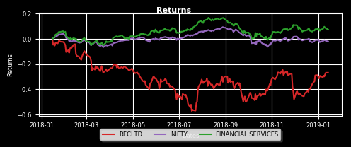
 |  | FUNDAMENTAL |  |  |  |  |  |  |  |  | 31-Jan-19 | 54000 | - | - | - | 6.3 | - | 24000 | 17.85 | 19.35 | 66000 | 107.5 | 6000 | 0.15 | 0.25 | 36000 | - | 0.3 | - | - | - | 78000
 |  |  |  |  |  |  |  |  |  |  | 31-Jan-19 | 204000 | -18000 | 3 | 27.93 | 16.5 | 1.4 | 12000 | 15.85 | 16.65 | 30000 | 110 | 558000 | 0.15 | 0.25 | 120000 | -0.1 | 0.2 | 40.35 | 55 | 66000 | 846000
 |  |  | 2018-03-30 | 2017-03-30 | 2016-03-30 | 2015-03-30 | 2014-03-30 |  |  |  | 31-Jan-19 | 48000 | 6000 | 1 | - | 13.15 | 2.7 | 30000 | 13.2 | 25.45 | 6000 | 112.5 | 126000 | 0.2 | 0.3 | 60000 | -0.25 | 0.3 | 38.3 | 8 | 6000 | 168000
 |  | BASIC EPS | 23.53 | 31.63 | 56.99 | 53.27 | 47.43 |  |  |  | 31-Jan-19 | 258000 | -36000 | 10 | - | 11.4 | 1.4 | 6000 | 11.05 | 11.7 | 6000 | 115 | 204000 | 0.35 | 0.45 | 78000 | -0.3 | 0.4 | 35.11 | 53 | 6000 | 1068000
 |  | BOOK VALUE PER SHARE EXCL REVAL | 179.71 | 168.74 | 289.81 | 251.73 | 209.32 |  |  |  | 31-Jan-19 | 126000 | - | - | - | 7.5 | - | 6000 | 8.85 | 9.6 | 30000 | 117.5 | 60000 | 0.6 | 0.7 | 42000 | -0.45 | 0.6 | 32.91 | 33 | -54000 | 288000
 |  | BOOK VALUE PER SHARE INCL REVAL | 179.71 | 168.74 | 289.81 | 251.73 | 209.32 |  |  |  | 31-Jan-19 | 1674000 | -42000 | 54 | 25.1 | 7.05 | 1.05 | 6000 | 7.05 | 7.3 | 18000 | 120 | 30000 | 1.05 | 1.15 | 78000 | -0.55 | 1.1 | 33.34 | 162 | 228000 | 1602000
 |  | CASH EARNINGS RETENTION RATIO | - | 77.89 | 70.03 | 79.94 | 79.99 |  |  |  | 31-Jan-19 | 186000 | -6000 | 6 | 28.53 | 5.2 | 0.75 | 6000 | 5.1 | 5.65 | 54000 | 122.5 | 24000 | 1.65 | 1.75 | 12000 | -0.8 | 1.7 | 31.69 | 35 | -12000 | 360000
 |  | CASH EPS | 23.56 | 31.65 | 57.05 | 53.34 | 47.47 |  |  |  | 31-Jan-19 | 1554000 | -246000 | 313 | 26.86 | 3.7 | 0.55 | 18000 | 3.6 | 3.65 | 18000 | 125 | 18000 | 2.45 | 2.6 | 6000 | -1.15 | 2.45 | 31.71 | 144 | 156000 | 534000
 |  | CURRENT RATIO | 0.73 | 1.17 | 1.22 | 0.68 | 0.71 |  |  |  | 31-Jan-19 | 276000 | -12000 | 60 | 28.38 | 2.55 | 0.4 | 12000 | 2.45 | 2.6 | 12000 | 127.5 | 48000 | 3.6 | 3.95 | 12000 | -1.7 | 4.05 | 33.7 | 6 | 18000 | 36000
 |  | DILUTED EPS | 23.53 | 31.63 | 56.99 | 53.27 | 47.43 |  |  |  | 31-Jan-19 | 2022000 | 186000 | 265 | 28.74 | 1.65 | 0.25 | 30000 | 1.6 | 1.7 | 84000 | 130 | 6000 | 5.2 | 5.65 | 6000 | -0.9 | 5.65 | 34.53 | 9 | 24000 | 54000
 |  | DIVIDEND PAYOUT RATIO NP | - | 22.13 | 30.00 | 20.08 | 20.02 |  |  |  | 31-Jan-19 | 198000 | 36000 | 45 | 28.18 | 0.95 | 0.05 | 48000 | 0.95 | 1.05 | 36000 | 132.5 | 54000 | 6.8 | 7.85 | 102000 | - | 15.25 | - | - | - | 12000
 |  | DIVIDEND PAYOUT RATIO CP | - | 22.11 | 29.97 | 20.06 | 20.01 |  |  |  | 31-Jan-19 | 900000 | 6000 | 109 | 29.3 | 0.6 | - | 48000 | 0.6 | 0.65 | 42000 | 135 | 6000 | 9.1 | 9.65 | 18000 | -3 | 9.4 | 35.01 | 4 | - | 48000
 |  | DIVIDEND PER SHARE | 9.15 | 9.65 | 17.10 | 10.70 | 9.50 |  |  |  | 31-Jan-19 | 24000 | - | 1 | 29.8 | 0.35 | - | 60000 | 0.2 | 0.55 | 84000 | 137.5 | 30000 | 10.85 | 12.2 | 42000 | - | - | - | - | - | -
 |  | EARNINGS RETENTION RATIO | - | 77.87 | 70.00 | 79.92 | 79.98 |  |  |  | 31-Jan-19 | 564000 | 24000 | 28 | 31.83 | 0.25 | - | 204000 | 0.15 | 0.25 | 114000 | 140 | 30000 | 13.15 | 14.6 | 132000 | - | 18 | - | - | - | 18000
 |  | EARNINGS YIELD | 0.19 | 0.17 | 0.34 | 0.16 | 0.21 |  |  |  | 31-Jan-19 | 6000 | - | - | - | 0.25 | - | 18000 | 0.05 | 0.2 | 6000 | 142.5 | 72000 | 5.2 | 30.7 | 72000 | - | - | - | - | - | -
 |  | EV TO EBITDA | 9.16 | 7.98 | 7.16 | 8.52 | 8.09 |  |  |  | 31-Jan-19 | 96000 | - | 4 | 30.4 | 0.05 | -0.05 | 24000 | 0.05 | 0.1 | 18000 | 145 | 66000 | 18.15 | 19.45 | 24000 | - | 21.2 | - | - | - | 180000
 |  | EV TO NET OPERATING REVENUE | 8.47 | 7.74 | 6.76 | 8.12 | 7.88 |  |  |  | 31-Jan-19 | - | - | - | - | - | - | - | - | 0.6 | 6000 | 147.5 | 30000 | 9.3 | 36 | 30000 | - | - | - | - | - | -
 |  | MARKETCAP TO NET OPERATING REVENUE | 1.10 | 1.53 | 0.69 | 1.62 | 1.33 |  |  |  | 31-Jan-19 | 78000 | - | - | - | 0.05 | - | - | - | 0.1 | 18000 | 150 | 6000 | 20 | - | - | - | 32.8 | - | - | - | 66000
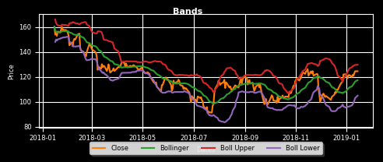
 |  | NET PROFIT MARGIN | 20.78 | 26.74 | 23.80 | 26.00 | 27.52 |  |  |  | 28-Feb-19 | - | - | - | - | - | - | 72000 | 38.2 | 40.2 | 72000 | 85 | - | - | - | - | - | - | - | - | - | -
 |  | NET PROFIT PER SHARE | 23.53 | 31.63 | 56.99 | 53.27 | 47.43 |  |  |  | 28-Feb-19 | - | - | - | - | - | - | 72000 | 35.75 | 37.75 | 72000 | 87.5 | - | - | 0.8 | 12000 | - | - | - | - | - | -
 |  | PBDIT MARGIN | 92.52 | 96.95 | 94.48 | 95.29 | 97.38 |  |  |  | 28-Feb-19 | - | - | - | - | - | - | 72000 | 33.25 | 35.3 | 72000 | 90 | 12000 | 0.1 | 0.8 | 12000 | - | - | - | - | - | -
 |  | PBDIT PER SHARE | 104.75 | 114.63 | 226.17 | 195.23 | 167.84 |  |  |  | 28-Feb-19 | - | - | - | - | - | - | 12000 | 30.95 | 32.8 | 72000 | 92.5 | - | - | 0.85 | 36000 | - | - | - | - | - | -
 |  | PBIT MARGIN | 92.49 | 96.93 | 94.45 | 95.26 | 97.36 |  |  |  | 28-Feb-19 | 6000 | - | - | - | - | - | 36000 | 28.5 | 30.35 | 72000 | 95 | - | - | 0.9 | 36000 | - | - | - | - | - | -
 |  | PBIT PER SHARE | 104.72 | 114.61 | 226.12 | 195.16 | 167.80 |  |  |  | 28-Feb-19 | - | - | - | - | - | - | 24000 | 26.15 | 27.85 | 72000 | 97.5 | - | - | 0.8 | 36000 | - | - | - | - | - | -
 |  | PBT MARGIN | 30.64 | 37.93 | 34.03 | 36.71 | 38.37 |  |  |  | 28-Feb-19 | - | - | - | - | - | - | 66000 | 23.75 | 25.5 | 72000 | 100 | 12000 | 0.05 | 0.95 | 36000 | - | - | - | - | - | -
 |  | PBT PER SHARE | 34.69 | 44.86 | 81.47 | 75.21 | 66.14 |  |  |  | 28-Feb-19 | - | - | - | - | - | - | 60000 | 21.3 | 23.15 | 72000 | 102.5 | 36000 | 0.1 | 1.1 | 48000 | - | - | - | - | - | -
 |  | PRICE TO BV | 0.70 | 1.07 | 0.57 | 1.32 | 1.09 |  |  |  | 28-Feb-19 | - | - | - | - | - | - | 12000 | 19.2 | 20.9 | 72000 | 105 | 54000 | 0.2 | 1.3 | 60000 | - | - | - | - | - | -
 |  | PRICE TO NET OPERATING REVENUE | 1.10 | 1.53 | 0.69 | 1.62 | 1.33 |  |  |  | 28-Feb-19 | - | - | - | - | - | - | 24000 | 16.95 | 18.6 | 84000 | 107.5 | 30000 | 0.5 | 1.5 | 72000 | - | - | - | - | - | -
 |  | QUICK RATIO | 0.73 | 1.17 | 1.22 | 0.68 | 0.71 |  |  |  | 28-Feb-19 | - | - | - | - | - | - | 78000 | 14.65 | 16.4 | 72000 | 110 | 42000 | 0.8 | 1.7 | 60000 | - | - | - | - | - | 60000
 |  | RETENTION RATIOS | - | 77.86 | 69.99 | 79.91 | 79.97 |  |  |  | 28-Feb-19 | - | - | - | - | - | - | 66000 | 12.65 | 14.35 | 84000 | 112.5 | 36000 | 1.15 | 2.1 | 48000 | - | - | - | - | - | -
 |  | RETURN ON ASSETS | 1.88 | 2.98 | 2.72 | 2.87 | 3.06 |  |  |  | 28-Feb-19 | 12000 | - | - | - | - | - | 12000 | 11.15 | 12.4 | 84000 | 115 | 6000 | 1.85 | 2.65 | 48000 | -0.4 | 2.6 | 43.24 | 8 | 42000 | 66000
 |  | RETURN ON CAPITAL EMPLOYED | 2.30 | 3.38 | 3.33 | 3.34 | 3.56 |  |  |  | 28-Feb-19 | - | - | - | - | - | - | 36000 | 9 | 10.55 | 84000 | 117.5 | 84000 | 2.25 | 3.3 | 36000 | - | - | - | - | - | -
 |  | RETURN ON EQUITY | 13.09 | 18.74 | 19.66 | 21.16 | 22.66 |  |  |  | 28-Feb-19 | 42000 | - | - | - | - | - | 36000 | 7.55 | 8.9 | 84000 | 120 | 6000 | 3.5 | 4.15 | 24000 | - | - | - | - | - | 48000
 |  | REVENUE FROM OPERATIONS PER SHARE | 113.21 | 118.24 | 239.39 | 204.86 | 172.34 |  |  |  | 28-Feb-19 | - | - | - | - | - | - | 60000 | 6.1 | 7.45 | 84000 | 122.5 | 72000 | 4.15 | 5.4 | 84000 | - | - | - | - | - | -
 |  | DEBT TO EQUITY | 4.69 | 4.49 | 5.07 | 5.31 | 5.45 |  |  |  | 28-Feb-19 | 6000 | - | - | - | - | - | 84000 | 4.8 | 6.2 | 84000 | 125 | 12000 | 5.55 | 6.55 | 36000 | - | - | - | - | - | 36000
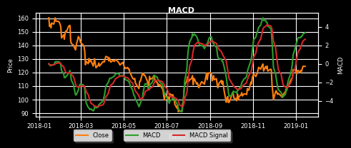
 |  |  |  |  |  |  |  |  |  |  | 28-Feb-19 | - | - | - | - | - | - | 24000 | 3.9 | 5.1 | 84000 | 127.5 | 84000 | 6.65 | 7.95 | 12000 | - | - | - | - | - | -
 |  |  |  |  |  |  |  |  |  |  | 28-Feb-19 | 48000 | - | 1 | 26.09 | 3.5 | -0.4 | 36000 | 3.05 | 4 | 30000 | 130 | 84000 | 8.25 | 9.7 | 72000 | - | - | - | - | - | 18000
 |  |  |  |  |  |  |  |  |  |  | 28-Feb-19 | - | - | - | - | - | - | 60000 | 2.3 | 3.55 | 84000 | 132.5 | 60000 | 10 | 11.45 | 72000 | - | - | - | - | - | -
 |  |  |  |  |  |  |  |  |  |  | 28-Feb-19 | 12000 | - | 1 | 29.38 | 2.4 | 0.9 | 48000 | 1.75 | 2.4 | 6000 | 135 | 114000 | 11.75 | 13.2 | 12000 | -6.15 | 12.65 | 47.29 | 2 | 12000 | 30000
 |  |  |  |  |  |  |  |  |  |  | 28-Feb-19 | - | - | - | - | - | - | 72000 | 1.2 | 2.4 | 84000 | 137.5 | 60000 | 13.8 | 15.35 | 48000 | - | - | - | - | - | -
 |  |  |  |  |  |  |  |  |  |  | 28-Feb-19 | 6000 | - | 1 | 31.59 | 1.6 | 0.2 | 6000 | 1.1 | 1.4 | 12000 | 140 | 84000 | 15.75 | 17.55 | 84000 | - | - | - | - | - | 12000
 |  |  |  |  |  |  |  |  |  |  | 28-Feb-19 | - | - | - | - | - | - | 60000 | 0.65 | 1.65 | 60000 | 142.5 | 48000 | 18.15 | 19.65 | 12000 | - | - | - | - | - | -
 |  |  |  |  |  |  |  |  |  |  | 28-Feb-19 | - | - | - | - | - | - | 60000 | 0.45 | 1.4 | 60000 | 145 | 90000 | 20.3 | 21.95 | 36000 | - | - | - | - | - | -
 |  |  |  |  |  |  |  |  |  |  | 28-Feb-19 | - | - | - | - | - | - | 60000 | 0.1 | 1.4 | 60000 | 147.5 | 60000 | 22.6 | 24.3 | 48000 | - | - | - | - | - | -
 |  |  |  |  |  |  |  |  |  |  | 28-Feb-19 | - | - | - | - | - | - | 60000 | 0.1 | 0.8 | 6000 | 150 | 72000 | 24.75 | 26.55 | 18000 | - | - | - | - | - | -
 |  |  |  |  |  |  |  |  |  |  | 28-Mar-19 | - | - | - | - | - | - | - | - | - | - | 120 | - | - | - | - | - | - | - | - | - | -
 |  |  |  |  |  |  |  |  |  |  | 28-Mar-19 | - | - | - | - | - | - | - | - | - | - | 125 | - | - | - | - | - | - | - | - | - | -
 |  |  |  |  |  |  |  |  |  |  | 28-Mar-19 | - | - | - | - | - | - | - | - | - | - | 130 | - | - | - | - | - | - | - | - | - | -

z

