DeviceConfig-Optimize
 | OLD

DeviceConfigLoader
DEviceConfigurationSErvice
 |  | Device.csv

DeviceInterfaceConfigLoader
CsvrEADER{ Load() /Save() etc}
 |  | DeviceInterface.csv

CameraConfigLoader

 |  | CameraInetrface.csv

PLCTagConfigurationService
TagConfigLoader
 |  | PLCTag.csv

Update date - 24-04-2026

DeviceConfigLoader
DeviceInterfaceConfigLoader
CameraConfigLoader
TagConfigLoader
CsvManager{ Load() /Save() etc}
DEviceConfigurationSErvice
PLCTagConfigurationService
IFileHandler{Load() ,/Save()}
 |  | Device.csv

 |  | DeviceInterface.csv

 |  | CameraInetrface.csv

 |  | PLCTag.csv

Update date- 27-04-2026 (Factory Method)
GetHeader() ,GetVersion(),Write(),EScape()
DeviceConfigLoader
DeviceInterfaceConfigLoader
CameraConfigLoader
TagConfigLoader
 |  |  | Device.csv
DEviceConfigurationSErvice
ConfigLoaderService
CsvManager{ Load() /Save() etc}
All Methods Transfered
IFileHandler{Load() ,/Save()}
 |  |  | DeviceInterface.csv

 |  |  | CameraInetrface.csv

Added New Class-27-04-26

 |  |  | PLCTag.csv

PLCTagConfigurationService

Deleted-28-04-26

TraceLog CallRef
TRACE LOG FILE -CALL REF | Last Update -27-04-26
Class {}

New Method()
LogManagerService
CsvManager :IFileHandler
OldMethod()
ResolveLogFile()
 |  |  | Methods() | Resposibility
 |  |  | WriteCsv() | To Write values in dedicated csv file

WriteCsv()
DeviceConfigurationService
Return FilePath for TrcaLog

Return _tags from GetAllTagsAsync()
 |  |  | ResolveLogFile() | It determines the target log file path by formatting date-stamped filenames

AlgorithmAnalysisService
AppLoggerService

Logic to Filter EnableTrace tags
 |  | Contructor Calling
WriteToFileSafe(LogEntry)

Apply(plcno ,value)
LogTrace(message)

 |  | To Append All Text in FilePath
DashboardInitializer

StartAsync()

ErrorLogging-Struct
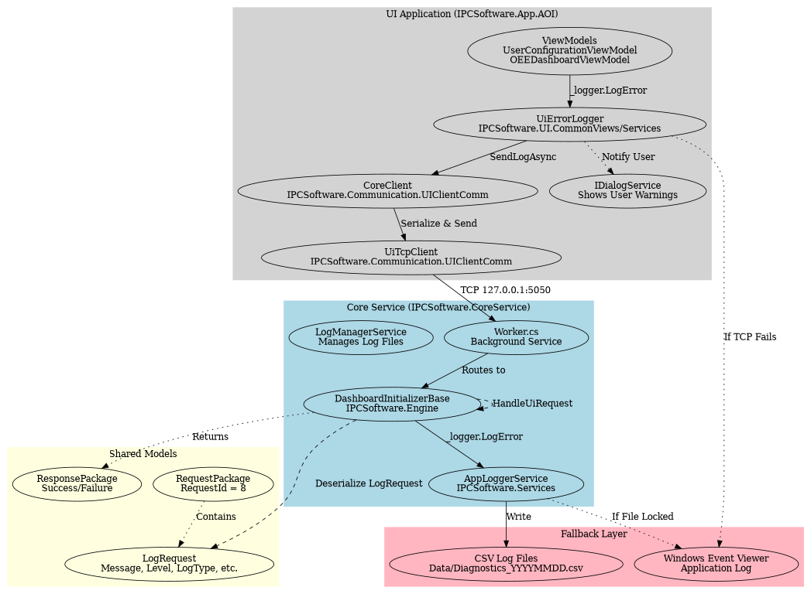

Data Flow Sequence Diagram

