Sheet1
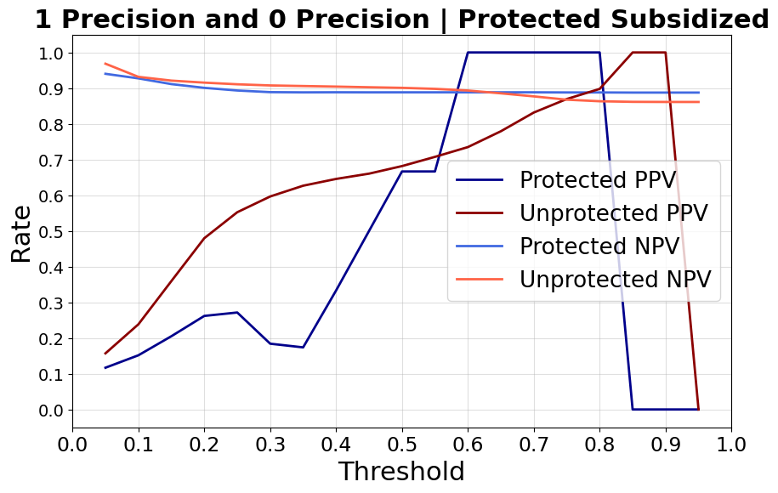
threshold | protected_ppv | unprotected_ppv | protected_npv | unprotected_npv
1.00% | 11.46% | 14.00% | 100.00% | 99.47%
2.00% | 11.46% | 14.22% | 100.00% | 99.57%
3.00% | 11.48% | 14.53% | 98.25% | 99.00%
4.00% | 11.44% | 15.03% | 93.55% | 98.01%
5.00% | 11.70% | 15.72% | 94.02% | 96.85%
6.00% | 12.06% | 16.66% | 94.12% | 95.58%
7.00% | 12.39% | 17.80% | 93.22% | 94.55%
8.00% | 12.60% | 19.40% | 91.97% | 93.82%
9.00% | 13.60% | 21.38% | 92.34% | 93.39%
10.00% | 15.18% | 23.86% | 92.74% | 93.17%
11.00% | 16.18% | 26.49% | 92.26% | 92.93%
12.00% | 17.74% | 29.04% | 92.09% | 92.75%
13.00% | 19.40% | 31.40% | 92.09% | 92.49%
14.00% | 20.04% | 33.75% | 91.56% | 92.29%
15.00% | 20.51% | 35.96% | 91.14% | 92.12%
16.00% | 21.46% | 39.00% | 90.89% | 92.09%
17.00% | 22.50% | 41.07% | 90.59% | 91.90%
18.00% | 24.14% | 43.75% | 90.42% | 91.79%
19.00% | 25.93% | 45.94% | 90.29% | 91.63%
20.00% | 26.20% | 47.97% | 90.09% | 91.55%
21.00% | 27.39% | 49.79% | 89.95% | 91.45%
22.00% | 29.63% | 51.46% | 89.91% | 91.34%
23.00% | 28.21% | 52.87% | 89.67% | 91.23%
24.00% | 28.87% | 54.15% | 89.54% | 91.14%
25.00% | 27.16% | 55.25% | 89.35% | 91.09%
26.00% | 25.71% | 56.68% | 89.22% | 91.02%
27.00% | 22.95% | 57.58% | 89.08% | 90.93%
28.00% | 18.87% | 58.33% | 88.94% | 90.86%
29.00% | 19.15% | 59.25% | 88.93% | 90.83%
30.00% | 18.42% | 59.66% | 88.88% | 90.76%
31.00% | 16.67% | 60.19% | 88.83% | 90.73%
32.00% | 17.86% | 60.74% | 88.84% | 90.68%
33.00% | 15.38% | 61.61% | 88.81% | 90.66%
34.00% | 17.39% | 62.24% | 88.83% | 90.62%
35.00% | 17.39% | 62.68% | 88.83% | 90.60%
36.00% | 19.05% | 62.98% | 88.84% | 90.57%
37.00% | 21.05% | 63.44% | 88.84% | 90.53%
38.00% | 26.67% | 64.02% | 88.86% | 90.50%
39.00% | 23.08% | 64.34% | 88.83% | 90.46%
40.00% | 33.33% | 64.58% | 88.85% | 90.44%
41.00% | 28.57% | 64.97% | 88.82% | 90.42%
42.00% | 33.33% | 65.25% | 88.82% | 90.36%
43.00% | 50.00% | 65.33% | 88.83% | 90.32%
44.00% | 50.00% | 65.60% | 88.83% | 90.29%
45.00% | 50.00% | 66.05% | 88.83% | 90.26%
46.00% | 50.00% | 66.42% | 88.83% | 90.23%
47.00% | 50.00% | 66.94% | 88.83% | 90.21%
48.00% | 50.00% | 67.35% | 88.83% | 90.19%
49.00% | 50.00% | 68.02% | 88.83% | 90.17%
50.00% | 66.67% | 68.17% | 88.84% | 90.09%
51.00% | 66.67% | 68.83% | 88.84% | 90.05%
52.00% | 66.67% | 69.49% | 88.84% | 90.04%
53.00% | 66.67% | 69.86% | 88.84% | 89.94%
54.00% | 66.67% | 70.53% | 88.84% | 89.90%
55.00% | 66.67% | 70.76% | 88.84% | 89.81%
56.00% | 100.00% | 71.08% | 88.84% | 89.75%
57.00% | 100.00% | 71.90% | 88.84% | 89.67%
58.00% | 100.00% | 72.70% | 88.84% | 89.60%
59.00% | 100.00% | 72.89% | 88.84% | 89.48%
60.00% | 100.00% | 73.50% | 88.84% | 89.34%
61.00% | 100.00% | 74.02% | 88.84% | 89.18%
62.00% | 100.00% | 75.06% | 88.84% | 89.04%
63.00% | 100.00% | 76.25% | 88.84% | 88.88%
64.00% | 100.00% | 77.39% | 88.84% | 88.70%
65.00% | 100.00% | 77.93% | 88.84% | 88.55%
66.00% | 100.00% | 78.54% | 88.84% | 88.40%
67.00% | 100.00% | 79.96% | 88.84% | 88.21%
68.00% | 100.00% | 82.32% | 88.84% | 88.06%
69.00% | 100.00% | 82.60% | 88.84% | 87.86%
70.00% | 100.00% | 83.17% | 88.84% | 87.70%
71.00% | 100.00% | 83.81% | 88.84% | 87.49%
72.00% | 100.00% | 85.28% | 88.80% | 87.30%
73.00% | 100.00% | 86.33% | 88.80% | 87.15%
74.00% | 100.00% | 87.00% | 88.80% | 86.93%
75.00% | 100.00% | 86.96% | 88.80% | 86.77%
76.00% | 100.00% | 85.04% | 88.80% | 86.62%
77.00% | 100.00% | 86.67% | 88.80% | 86.55%
78.00% | 100.00% | 86.05% | 88.80% | 86.47%
79.00% | 100.00% | 89.39% | 88.80% | 86.40%
80.00% | 100.00% | 89.80% | 88.80% | 86.33%
81.00% | 100.00% | 91.18% | 88.80% | 86.27%
82.00% | 100.00% | 95.24% | 88.80% | 86.22%
83.00% | 0.00% | 100.00% | 88.76% | 86.20%
84.00% | 0.00% | 100.00% | 88.76% | 86.18%
85.00% | 0.00% | 100.00% | 88.76% | 86.17%
86.00% | 0.00% | 100.00% | 88.76% | 86.16%
87.00% | 0.00% | 100.00% | 88.76% | 86.16%
88.00% | 0.00% | 100.00% | 88.76% | 86.15%
89.00% | 0.00% | 100.00% | 88.76% | 86.14%
90.00% | 0.00% | 100.00% | 88.76% | 86.14%
91.00% | 0.00% | 0.00% | 88.76% | 86.13%
92.00% | 0.00% | 0.00% | 88.76% | 86.13%
93.00% | 0.00% | 0.00% | 88.76% | 86.13%
94.00% | 0.00% | 0.00% | 88.76% | 86.13%
95.00% | 0.00% | 0.00% | 88.76% | 86.13%
96.00% | 0.00% | 0.00% | 88.76% | 86.13%
97.00% | 0.00% | 0.00% | 88.76% | 86.13%
98.00% | 0.00% | 0.00% | 88.76% | 86.13%
99.00% | 0.00% | 0.00% | 88.76% | 86.13%

