Sheet1
 | SMILES | Formula | Total Molecular Weight | Number of Atoms | Number of Aromatic Atoms | Fraction csp3 | Rotatable Bonds | NumHAcceptors | NumHDonors | Total Molar Refractivity | tPSA | LogP | Hetro Atoms | Number of Rings | Total Carbon | Lipinski Check | Ghose Check Prefer | Ghose Drug Likeness check | Egan Druglikeness | Mueggie Druglikeness Check | Veber Druglikeness Check | Brenk | PAINS | Synthetic Accessibility | 2D Image
1 | CC1C(C)C(C(CC#N)C=C)C1C | C12H19N | 177.15174961 | 13 | 0 | 0.75 | 3 | 1 | 0 | 54.899 | 23.79 | 3.24038 | 1 | 1 | 12 | 0 | 0 | 1 | 0 | 1 | 0 | 1 | 0 | 4.6683974756 | 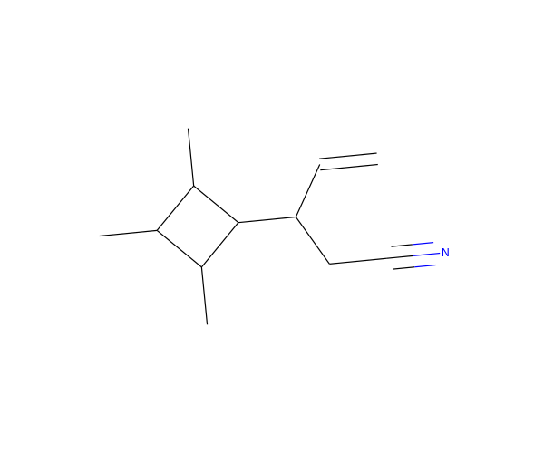
2 | CCCN(N=C)C(C)C(=O)NO | C7H15N3O2 | 173.11642672 | 12 | 0 | 0.71428571429 | 5 | 4 | 2 | 45.9372 | 64.93 | 0.2079 | 5 | 0 | 7 | 0 | 0 | 1 | 0 | 1 | 0 | 1 | 0 | 3.9809776348 | 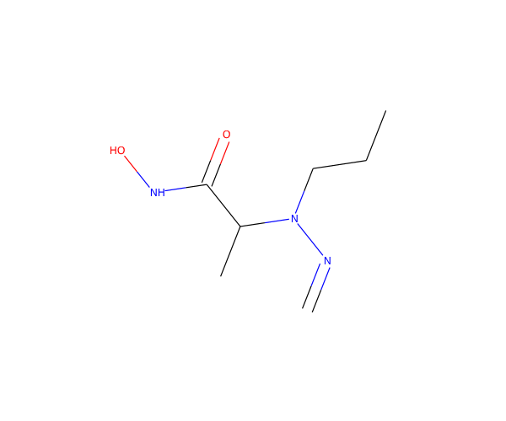
3 | CC(C=NN)C1CCC1C(O)=O | C8H14N2O2 | 170.10552769 | 12 | 0 | 0.75 | 3 | 3 | 2 | 45.6932 | 75.68 | 0.6778 | 4 | 1 | 8 | 0 | 0 | 1 | 0 | 1 | 0 | 1 | 0 | 4.345460684 | 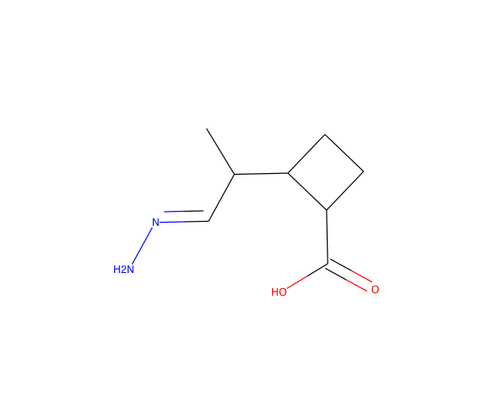
4 | CC=CC(N1CC1C)=C1CNN=C1 | C10H15N3 | 177.12659748 | 13 | 0 | 0.5 | 2 | 3 | 1 | 54.5027 | 27.4 | 1.1097 | 3 | 2 | 10 | 0 | 0 | 1 | 0 | 1 | 0 | 1 | 1 | 4.9956768719 | 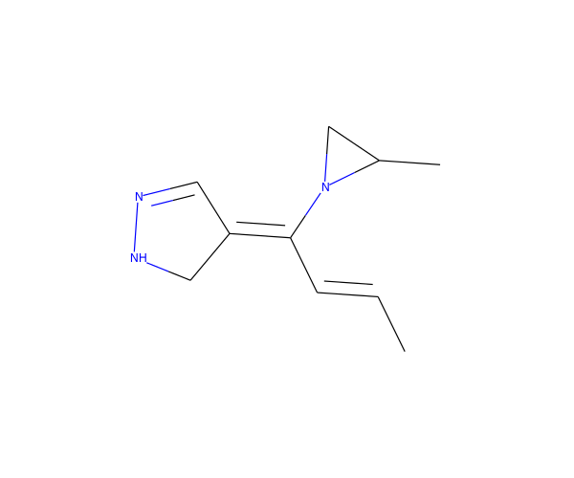
5 | NC(=O)CC(NC(=S)N1CC1)C#C | C8H11N3OS | 197.06228297 | 13 | 0 | 0.5 | 3 | 2 | 2 | 53.7391 | 58.13 | -0.9463 | 5 | 1 | 8 | 0 | 0 | 1 | 0 | 1 | 0 | 1 | 0 | 3.5240201965 | 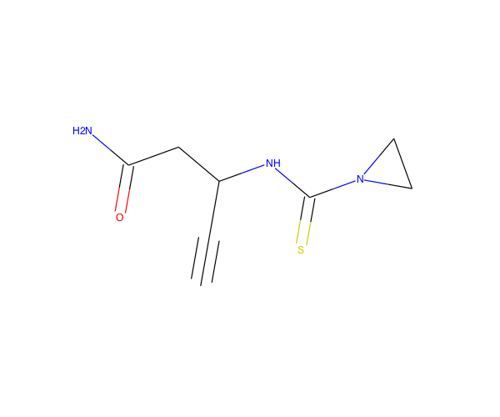
6 | CC1CCC2=C1N=C(O2)C(N)=N | C8H11N3O | 165.09021197 | 12 | 5 | 0.5 | 1 | 3 | 2 | 44.2551 | 75.9 | 1.00837 | 4 | 2 | 8 | 0 | 0 | 1 | 0 | 1 | 0 | 1 | 0 | 4.0402390379 | 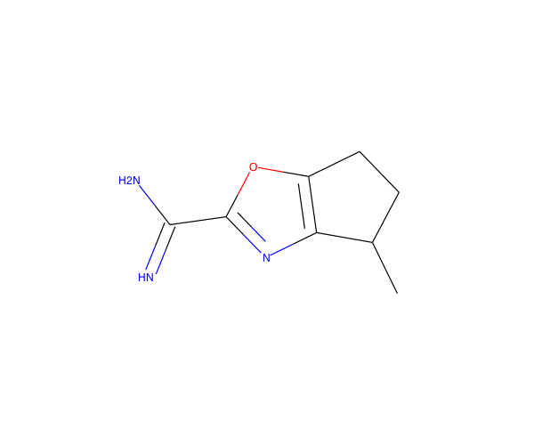
7 | NC(CC=O)=C1CON=C1N | C6H9N3O2 | 155.06947653 | 11 | 0 | 0.33333333333 | 2 | 5 | 2 | 39.4688 | 90.7 | -0.9094 | 5 | 1 | 6 | 0 | 0 | 1 | 0 | 1 | 0 | 1 | 0 | 4.4390711055 | 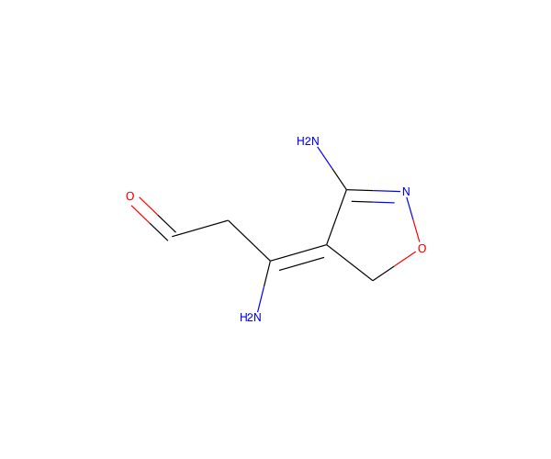
8 | CC1C2C(NN=CC1(C)C2=O)C#C | C10H12N2O | 176.094963 | 13 | 0 | 0.6 | 0 | 3 | 1 | 50.0167 | 41.46 | 0.4185 | 3 | 3 | 10 | 0 | 0 | 1 | 0 | 1 | 0 | 1 | 0 | 6.2161116032 | 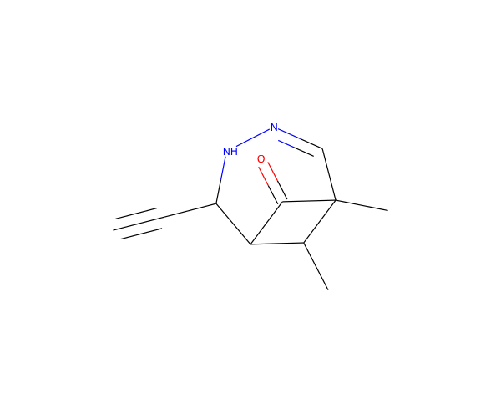
9 | CC1NC1C12NC1C1CCOC2O1 | C9H14N2O2 | 182.10552769 | 13 | 0 | 1 | 1 | 4 | 2 | 45.2704 | 62.34 | -0.7975 | 4 | 4 | 9 | 0 | 0 | 1 | 0 | 1 | 0 | 1 | 0 | 6.2181275885 | 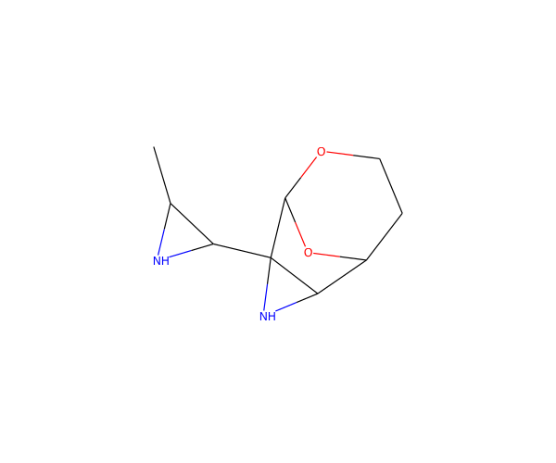
10 | C1CN1C1C2OC2CCN2CC12 | C9H14N2O | 166.11061307 | 12 | 0 | 1 | 1 | 3 | 0 | 44 | 18.55 | -0.4741 | 3 | 4 | 9 | 0 | 0 | 1 | 0 | 1 | 0 | 1 | 0 | 4.3306736224 | 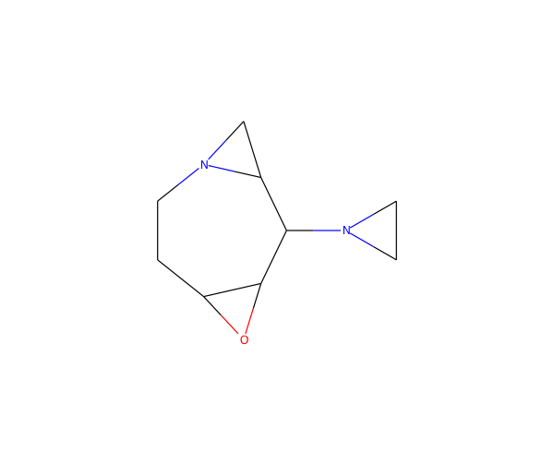
11 | CC1C2OC3C(CC13N)C(O)C2N | C9H16N2O2 | 184.12117775 | 13 | 0 | 1 | 0 | 4 | 3 | 46.8326 | 81.5 | -1.1909 | 4 | 3 | 9 | 0 | 0 | 1 | 0 | 1 | 0 | 0 | 0 | 6.1039775133 | 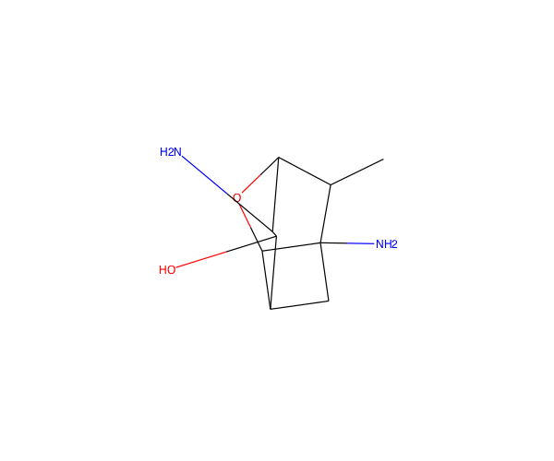
12 | CC(NCC#CC#C)=C(C)C(O)=O | C10H11NO2 | 177.07897859 | 13 | 0 | 0.3 | 3 | 2 | 2 | 50.6215 | 49.33 | 0.5911 | 3 | 0 | 10 | 0 | 0 | 1 | 0 | 1 | 0 | 1 | 0 | 3.6964773066 | 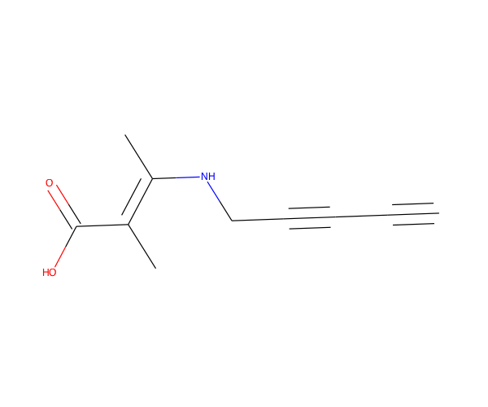
13 | C1CC(=NO1)N1C2CCC3OC3C12 | C9H12N2O2 | 180.08987762 | 13 | 0 | 0.88888888889 | 0 | 4 | 0 | 45.314 | 37.13 | 0.3342 | 4 | 4 | 9 | 0 | 0 | 1 | 0 | 1 | 0 | 1 | 0 | 5.164990002 | 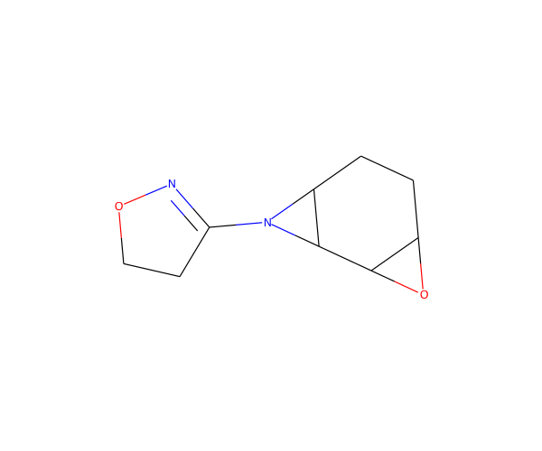
14 | CC12OC3C4CC1(NC=N)C4NC23 | C9H13N3O | 179.10586204 | 13 | 0 | 0.88888888889 | 2 | 3 | 3 | 46.7471 | 57.14 | -0.54673 | 4 | 4 | 9 | 0 | 0 | 1 | 0 | 1 | 0 | 1 | 0 | 6.9774768608 | 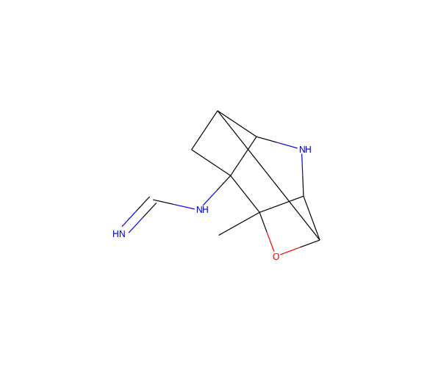
15 | CCNC1C2CC(O)C(O)CNC12 | C9H18N2O2 | 186.13682782 | 13 | 0 | 1 | 2 | 4 | 4 | 49.376 | 64.52 | -1.322 | 4 | 2 | 9 | 0 | 0 | 1 | 0 | 1 | 0 | 0 | 0 | 4.6641222505 | 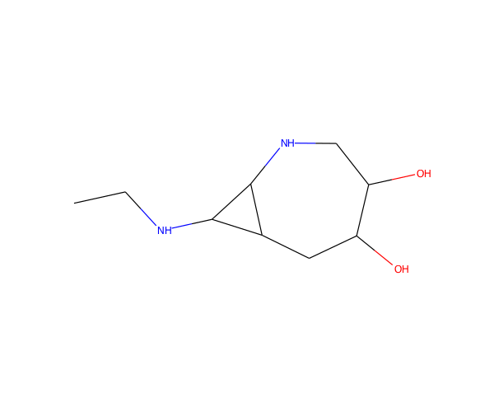
16 | CNC1C2C3CC4(O)CC(C23)C1C4 | C11H17NO | 179.13101416 | 13 | 0 | 1 | 1 | 2 | 2 | 49.0985 | 32.26 | 0.6112 | 2 | 4 | 11 | 0 | 0 | 1 | 0 | 1 | 0 | 0 | 0 | 5.8881401387 | 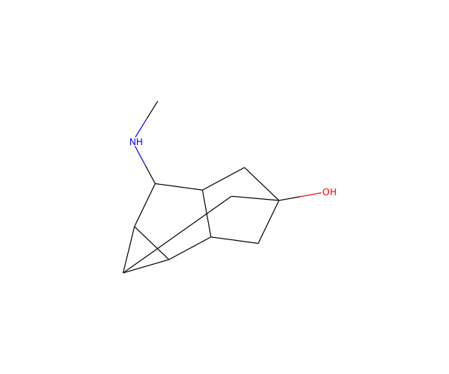
17 | CCC(C(C)O)C1=NNN(C)C1=N | C8H16N4O | 184.13241113 | 13 | 5 | 0.75 | 3 | 4 | 3 | 48.1262 | 77.69 | 0.10207 | 5 | 1 | 8 | 0 | 0 | 1 | 0 | 1 | 0 | 0 | 0 | 4.4690691796 | 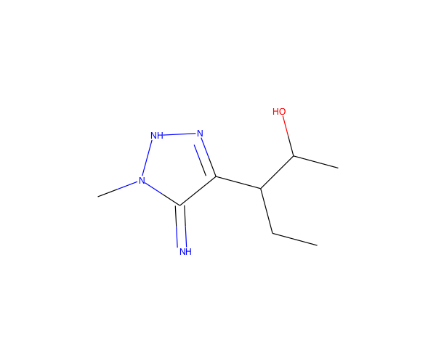
18 | CC=CC1=CC(O)C2=C1N=NO2 | C8H8N2O2 | 164.0585775 | 12 | 5 | 0.25 | 1 | 4 | 1 | 42.0488 | 59.15 | 1.0761 | 4 | 2 | 8 | 0 | 0 | 1 | 0 | 1 | 0 | 0 | 0 | 4.7233002884 | 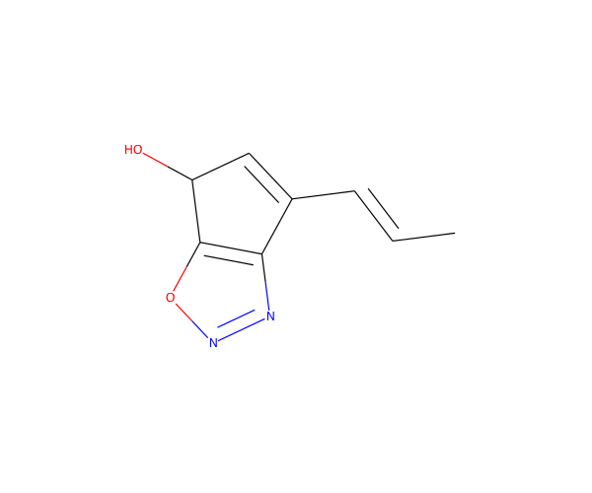
19 | CCC12CN1C(=N)CCC2(C)C#N | C10H15N3 | 177.12659748 | 13 | 0 | 0.8 | 1 | 2 | 1 | 50.4087 | 50.65 | 1.75175 | 3 | 2 | 10 | 0 | 0 | 1 | 0 | 1 | 0 | 1 | 0 | 5.2079258918 | 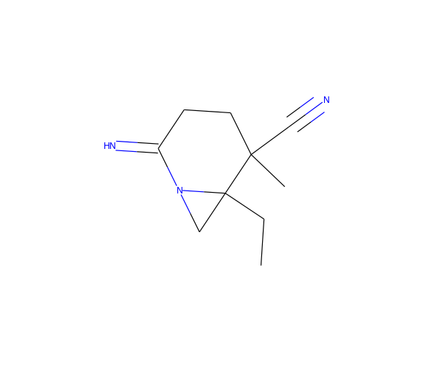
20 | CC1=NC=C2N(N1)C(=N)C=C2C#C | C9H8N4 | 172.07489626 | 13 | 9 | 0.11111111111 | 0 | 3 | 2 | 47.6274 | 57.46 | 0.40739 | 4 | 2 | 9 | 0 | 0 | 1 | 0 | 1 | 0 | 1 | 0 | 3.9972743654 | 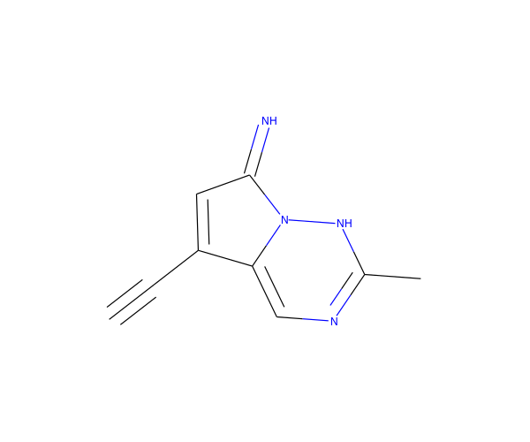
21 | CCC(O)CC=C(CC)C=NNC | C10H20N2O | 184.15756326 | 13 | 0 | 0.7 | 6 | 3 | 2 | 56.8405 | 44.62 | 1.689 | 3 | 0 | 10 | 0 | 0 | 1 | 0 | 1 | 0 | 1 | 0 | 4.0564856781 | 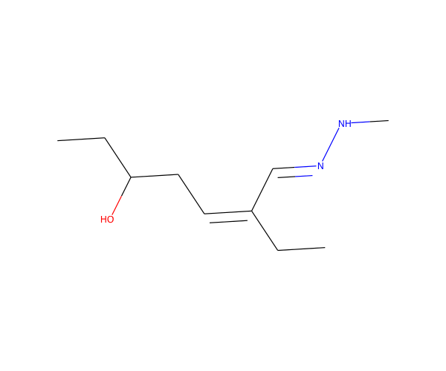
22 | C1ON=C2NOC(C=CC=C1)=N2 | C7H7N3O2 | 165.05382646 | 12 | 0 | 0.14285714286 | 0 | 5 | 1 | 43.3227 | 55.21 | 0.3333 | 5 | 2 | 7 | 0 | 0 | 1 | 0 | 1 | 0 | 0 | 0 | 5.9486932927 | 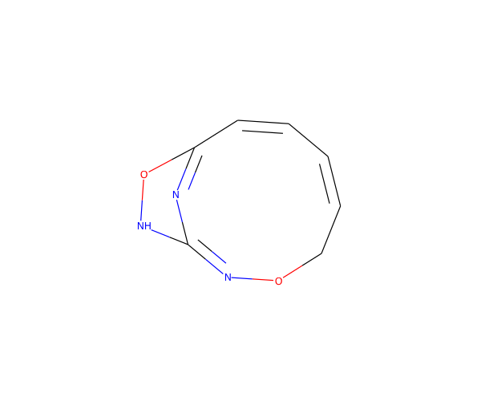
23 | CC1CC2CN=C(NO)C12CCN | C9H17N3O | 183.13716216 | 13 | 0 | 0.88888888889 | 2 | 4 | 3 | 50.5996 | 70.64 | 0.3685 | 4 | 2 | 9 | 0 | 0 | 1 | 0 | 1 | 0 | 1 | 0 | 5.0776574303 | 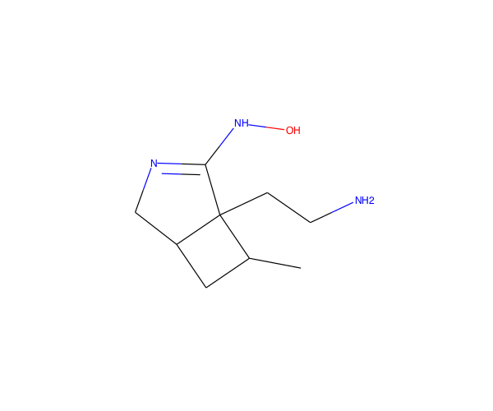
24 | CC1C2CCC2(C#C)C(=C)N1C=N | C11H14N2 | 174.11569845 | 13 | 0 | 0.54545454545 | 1 | 1 | 1 | 53.2147 | 27.09 | 1.84087 | 2 | 2 | 11 | 0 | 0 | 1 | 0 | 1 | 0 | 1 | 0 | 5.4392634743 | 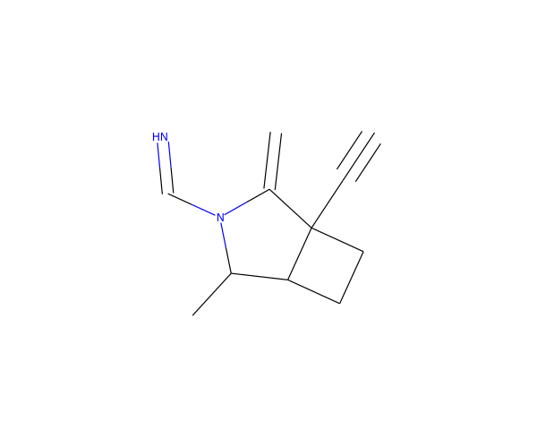
25 | CC(C)C(O)CC=CCCC(N)=O | C10H19NO2 | 185.14157885 | 13 | 0 | 0.7 | 6 | 2 | 2 | 53.0302 | 63.32 | 1.2151 | 3 | 0 | 10 | 0 | 0 | 1 | 0 | 1 | 0 | 1 | 0 | 3.1603998345 | 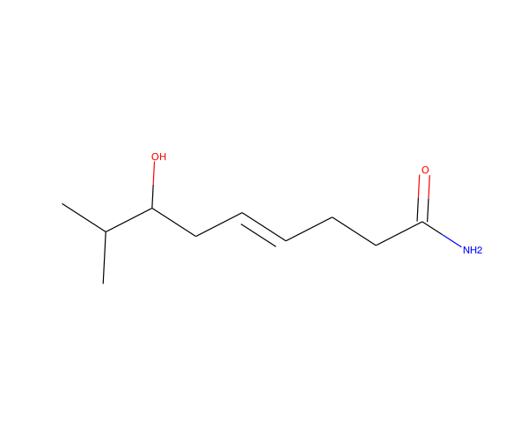
26 | CC1CC2(O)CC(CON=C)(C2)C1 | C10H17NO2 | 183.12592878 | 13 | 0 | 0.9 | 3 | 3 | 1 | 50.5158 | 41.82 | 1.5598 | 3 | 3 | 10 | 0 | 0 | 1 | 0 | 1 | 0 | 1 | 0 | 5.0696935692 | 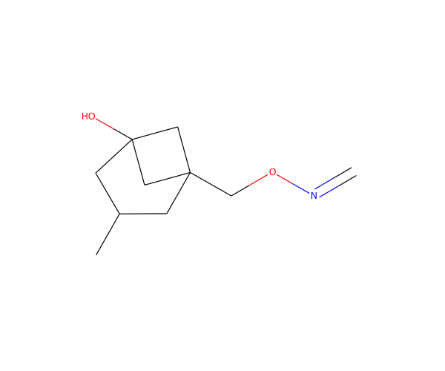
27 | CN1NC(=O)CC1C(NN=C)C#C | C8H12N4O | 180.101111 | 13 | 0 | 0.5 | 3 | 4 | 2 | 49.6164 | 56.73 | -1.0713 | 5 | 1 | 8 | 0 | 0 | 1 | 0 | 1 | 0 | 1 | 0 | 5.2571368719 | 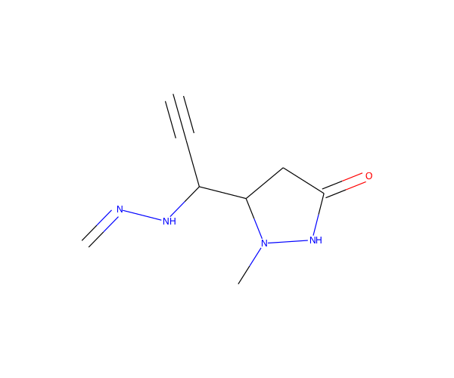
28 | CN(C)C1C(=C)CCCNNC1=N | C9H18N4 | 182.15314658 | 13 | 0 | 0.66666666667 | 1 | 3 | 3 | 54.7141 | 51.15 | 0.33807 | 4 | 1 | 9 | 0 | 0 | 1 | 0 | 1 | 0 | 1 | 0 | 4.4975964473 | 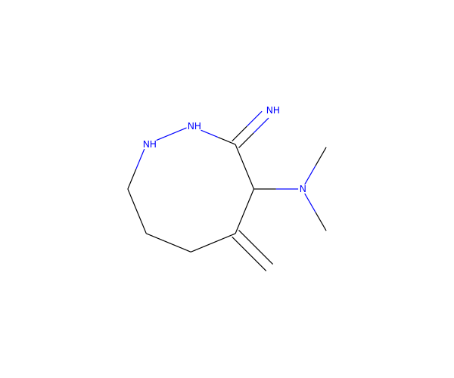
29 | CC12OCC1(O)C(C)(C)N(O)C2=O | C8H13NO4 | 187.0844579 | 13 | 0 | 0.875 | 0 | 4 | 2 | 42.0183 | 70 | -0.4836 | 5 | 2 | 8 | 0 | 0 | 1 | 0 | 1 | 0 | 1 | 0 | 4.6368174314 | 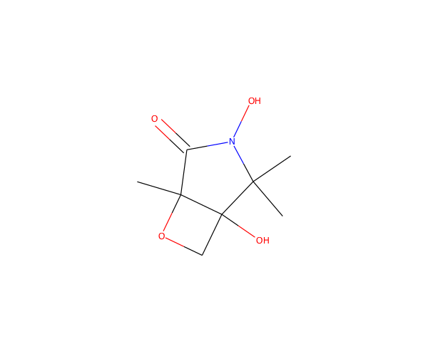
30 | CC1=NC2=C(S1)C=CC2(N)CN | C8H11N3S | 181.06736835 | 12 | 5 | 0.375 | 1 | 4 | 2 | 50.8048 | 64.93 | 0.59102 | 4 | 2 | 8 | 0 | 0 | 1 | 0 | 1 | 0 | 0 | 0 | 4.580322954 | 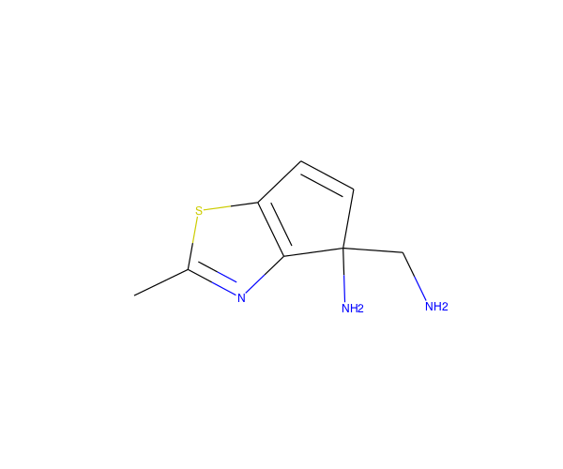
31 | CCC1C2CCC11ON=CC1OC2 | C10H15NO2 | 181.11027872 | 13 | 0 | 0.9 | 1 | 3 | 0 | 48.553 | 30.82 | 1.5762 | 3 | 3 | 10 | 0 | 0 | 1 | 0 | 1 | 0 | 0 | 0 | 6.3233898274 | 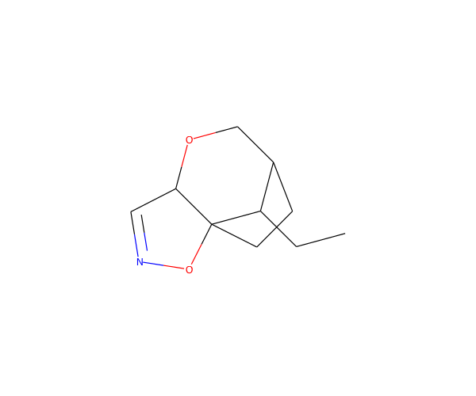
32 | CN1C(=O)C=CC(=O)C(=N)NC1=S | C7H7N3O2S | 197.02589746 | 13 | 8 | 0.14285714286 | 0 | 5 | 2 | 48.9924 | 78.71 | -0.71744 | 6 | 1 | 7 | 0 | 0 | 1 | 0 | 1 | 0 | 1 | 0 | 3.3329506097 | 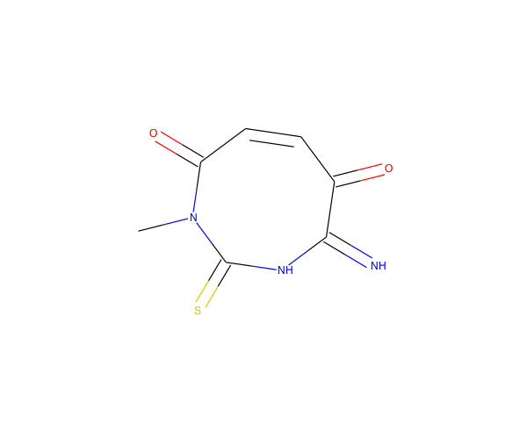
33 | CC1(N)C2C3CC2C2C1C3OC2=C | C11H15NO | 177.1153641 | 13 | 0 | 0.81818181818 | 0 | 2 | 1 | 48.6724 | 35.25 | 1.1282 | 2 | 4 | 11 | 0 | 0 | 1 | 0 | 1 | 0 | 0 | 0 | 6.058993777 | 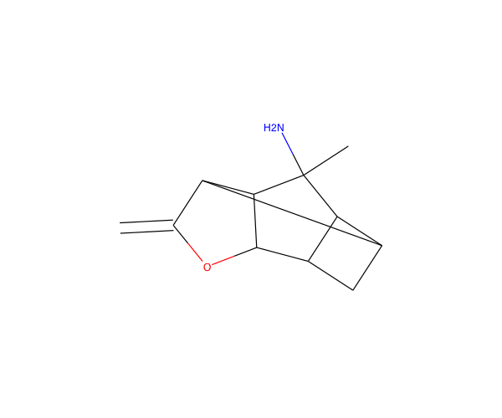
34 | CC1OC(C#C)C2(N)CCC1C=C2 | C11H15NO | 177.1153641 | 13 | 0 | 0.63636363636 | 0 | 2 | 1 | 51.9504 | 35.25 | 1.0706 | 2 | 3 | 11 | 0 | 0 | 1 | 0 | 1 | 0 | 1 | 0 | 5.9935161087 | 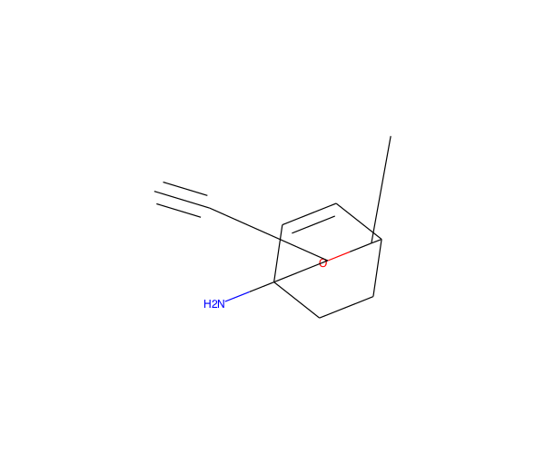
35 | CC1(N)C2C3CN4CC(N)(CC24)C13 | C10H17N3 | 179.14224754 | 13 | 0 | 1 | 0 | 3 | 2 | 49.9588 | 55.28 | -0.635 | 3 | 6 | 10 | 0 | 0 | 1 | 0 | 1 | 0 | 0 | 0 | 6.682349707 | 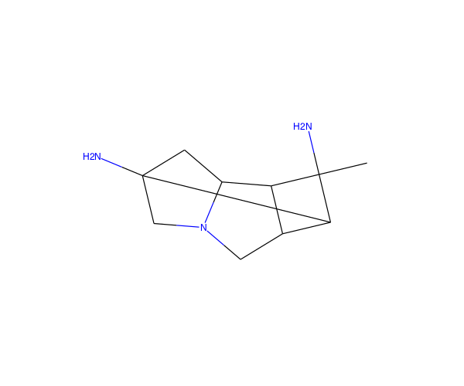
36 | CC1NC2C3OC3C1(O)C2N | C7H12N2O2 | 156.08987762 | 11 | 0 | 1 | 0 | 4 | 3 | 37.9719 | 70.81 | -1.8139 | 4 | 3 | 7 | 0 | 0 | 1 | 0 | 1 | 0 | 1 | 0 | 6.2830824367 | 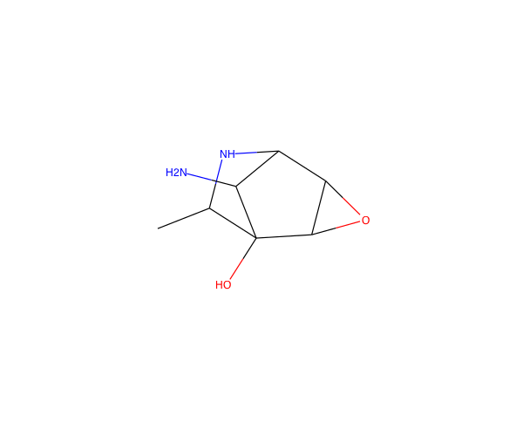
37 | CNCC(C)NCCNC=CC#N | C9H18N4 | 182.15314658 | 13 | 0 | 0.66666666667 | 7 | 4 | 3 | 54.1471 | 59.88 | -0.18922 | 4 | 0 | 9 | 0 | 0 | 1 | 0 | 1 | 0 | 1 | 0 | 3.7918735902 | 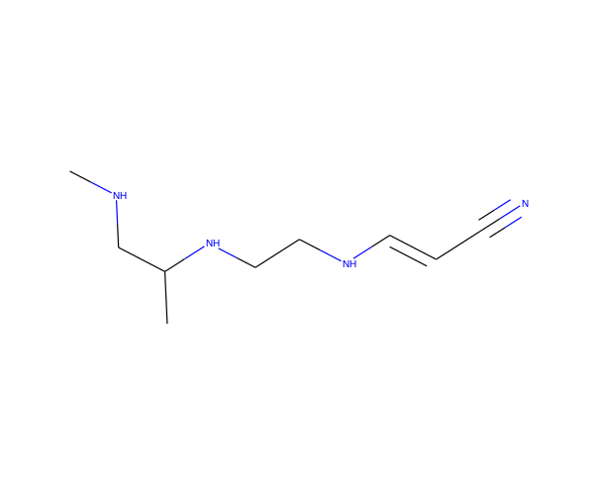
38 | CC1=CC(NN=CC2CO2)C(=O)C1 | C9H12N2O2 | 180.08987762 | 13 | 0 | 0.55555555556 | 3 | 4 | 1 | 48.5367 | 53.99 | 0.2483 | 4 | 2 | 9 | 0 | 0 | 1 | 0 | 1 | 0 | 1 | 0 | 4.9768499489 | 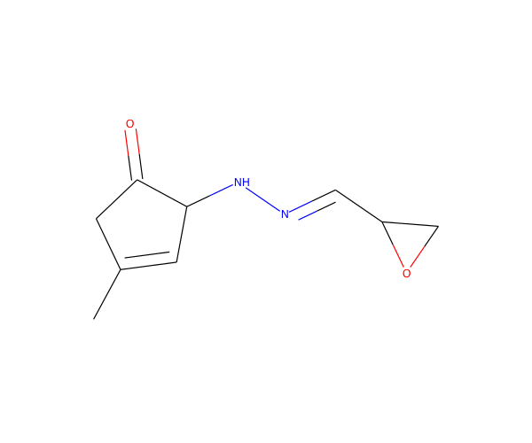
39 | CC1NC2C3C(N)C3OC3C1C23O | C9H14N2O2 | 182.10552769 | 13 | 0 | 1 | 0 | 4 | 3 | 44.9519 | 67.51 | -1.5679 | 4 | 4 | 9 | 0 | 0 | 1 | 0 | 1 | 0 | 0 | 0 | 5.85986784 | 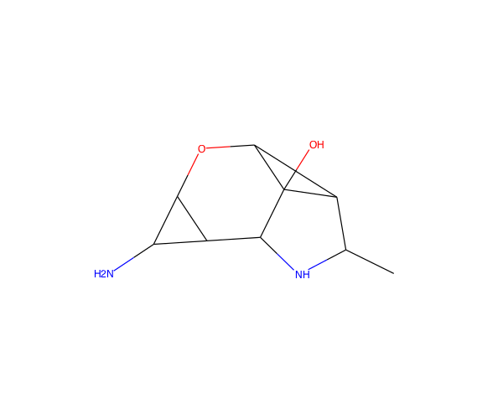
40 | CCN1C2C(CO)C2C(C)C1C | C10H19NO | 169.14666423 | 12 | 0 | 1 | 2 | 2 | 1 | 48.8598 | 23.47 | 0.9534 | 2 | 2 | 10 | 0 | 0 | 1 | 0 | 1 | 0 | 0 | 0 | 4.7367408889 | 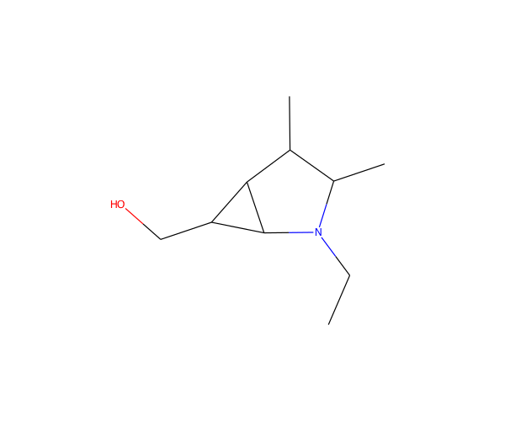
41 | CC1CC(=C)C(N)=C(C1)C(O)=O | C9H13NO2 | 167.09462866 | 12 | 0 | 0.44444444444 | 1 | 2 | 2 | 46.3872 | 63.32 | 1.2699 | 3 | 1 | 9 | 0 | 0 | 1 | 0 | 1 | 0 | 0 | 0 | 3.8848808606 | 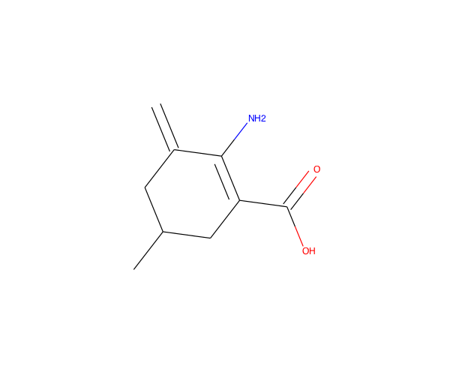
42 | CCC1C(C)C2CN1C2C1CN1 | C10H18N2 | 166.14699858 | 12 | 0 | 1 | 2 | 2 | 1 | 49.0177 | 25.18 | 0.6869 | 2 | 4 | 10 | 0 | 0 | 1 | 0 | 1 | 0 | 1 | 0 | 5.5851468482 | 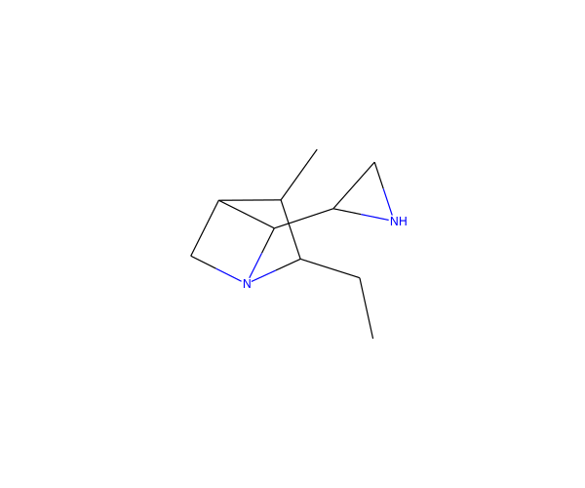
43 | CNCCC=CCC1CCC2NC12 | C11H20N2 | 180.16264864 | 13 | 0 | 0.81818181818 | 5 | 2 | 2 | 55.7364 | 33.97 | 1.2926 | 2 | 2 | 11 | 0 | 0 | 1 | 0 | 1 | 0 | 1 | 0 | 4.3496742319 | 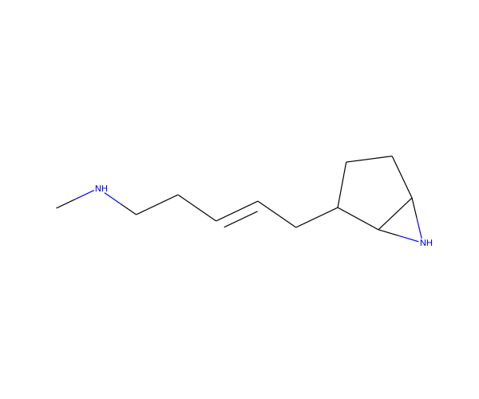
44 | CC(CC1(N)CCCOC1)C1CN1 | C10H20N2O | 184.15756326 | 13 | 0 | 1 | 3 | 3 | 2 | 52.5431 | 57.19 | 0.4923 | 3 | 2 | 10 | 0 | 0 | 1 | 0 | 1 | 0 | 1 | 0 | 4.3354651226 | 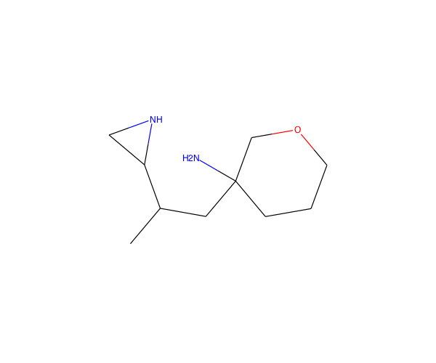
45 | CCC1OC(=C)C2CC1(CN)N2 | C9H16N2O | 168.12626313 | 12 | 0 | 0.77777777778 | 2 | 3 | 2 | 47.6301 | 47.28 | 0.3683 | 3 | 3 | 9 | 0 | 0 | 1 | 0 | 1 | 0 | 0 | 0 | 5.7046848252 | 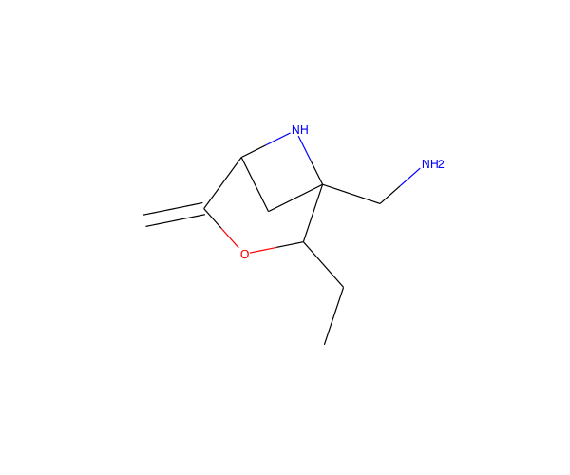
46 | N#CC1CN2C(C1)=CN1N=NC=C21 | C8H7N5 | 173.07014522 | 13 | 8 | 0.375 | 0 | 5 | 0 | 43.784 | 58.91 | 0.22668 | 5 | 3 | 8 | 0 | 0 | 1 | 0 | 1 | 0 | 0 | 0 | 4.7033290557 | 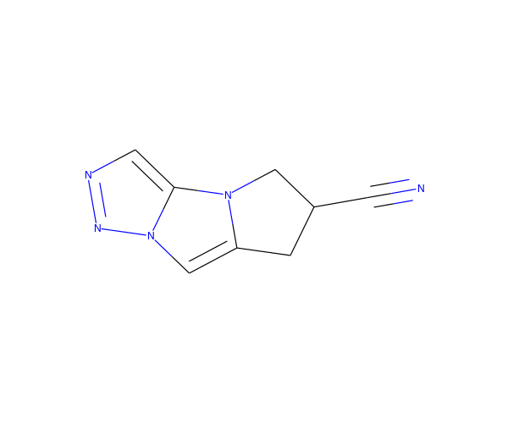
47 | CC1C2NC3COC(OC=C2)C13C | C10H15NO2 | 181.11027872 | 13 | 0 | 0.8 | 0 | 3 | 1 | 47.9477 | 30.49 | 0.8694 | 3 | 3 | 10 | 0 | 0 | 1 | 0 | 1 | 0 | 0 | 0 | 6.1757796427 | 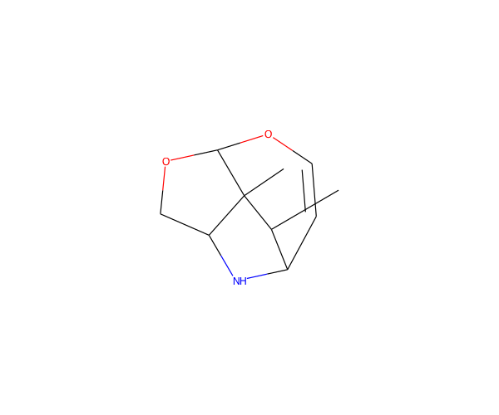
48 | C#CC(CC#N)=C(C#N)C1CCO1 | C10H8N2O | 172.06366288 | 13 | 0 | 0.4 | 2 | 3 | 0 | 46.059 | 56.81 | 1.14236 | 3 | 1 | 10 | 0 | 0 | 1 | 0 | 1 | 0 | 1 | 0 | 4.4268069968 | 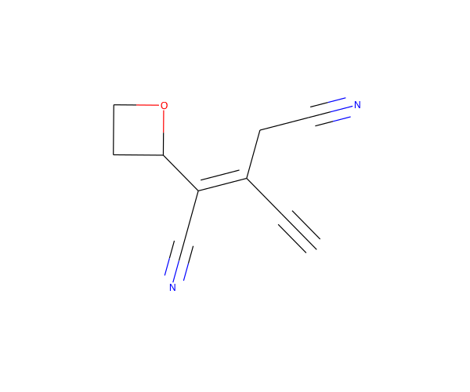
49 | CC12CNC3CC3C(C1)C=CCN2 | C11H18N2 | 178.14699858 | 13 | 0 | 0.81818181818 | 0 | 2 | 2 | 53.5524 | 24.06 | 0.9025 | 2 | 3 | 11 | 0 | 0 | 1 | 0 | 1 | 0 | 1 | 0 | 5.991022384 | 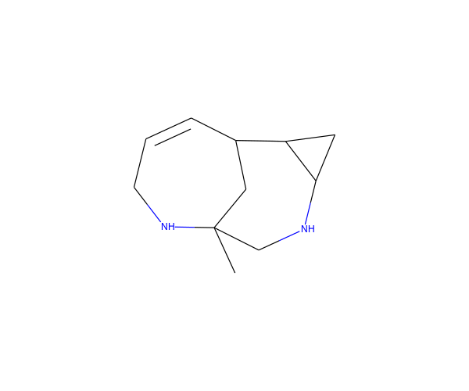
50 | CC1(N)CNN(C=O)C1C1CC1 | C8H15N3O | 169.1215121 | 12 | 0 | 0.875 | 2 | 3 | 2 | 45.0101 | 58.36 | -0.541 | 4 | 2 | 8 | 0 | 0 | 1 | 0 | 1 | 0 | 1 | 0 | 4.7700036833 | 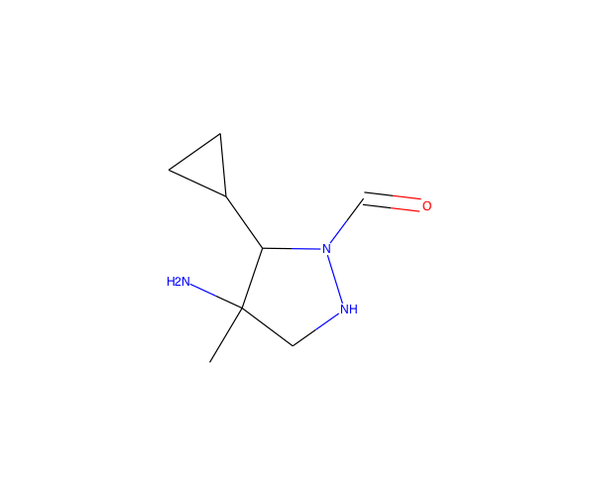
51 | CCC=NN=CC=C(NC)C#N | C8H12N4 | 164.10619638 | 12 | 0 | 0.375 | 4 | 4 | 1 | 50.0307 | 60.54 | 1.07988 | 4 | 0 | 8 | 0 | 0 | 1 | 0 | 1 | 0 | 1 | 0 | 4.2887107922 | 
52 | CC(C)C=NN(C)C1COC1CN | C9H19N3O | 185.15281223 | 13 | 0 | 0.88888888889 | 4 | 4 | 1 | 53.6754 | 50.85 | 0.2861 | 4 | 1 | 9 | 0 | 0 | 1 | 0 | 1 | 0 | 1 | 0 | 4.4687289598 | 
53 | CCC12CC1NC(C)C2CCNC | C11H22N2 | 182.1782987 | 13 | 0 | 1 | 4 | 2 | 2 | 55.7604 | 24.06 | 1.3725 | 2 | 2 | 11 | 0 | 0 | 1 | 0 | 1 | 0 | 0 | 0 | 4.8917289868 | 
54 | CC1=CC2C3NCCC(C2=O)C13C | C11H15NO | 177.1153641 | 13 | 0 | 0.72727272727 | 0 | 2 | 1 | 50.2587 | 29.1 | 1.1296 | 2 | 3 | 11 | 0 | 0 | 1 | 0 | 1 | 0 | 1 | 0 | 5.9212836082 | 
55 | C1OC=C2C3CNCCN3N=C12 | C8H11N3O | 165.09021197 | 12 | 0 | 0.625 | 0 | 4 | 1 | 44.8337 | 36.86 | -0.4561 | 4 | 3 | 8 | 0 | 0 | 1 | 0 | 1 | 0 | 0 | 0 | 4.5968792477 | 
56 | CN1C(C#N)C2C1C(=O)ON=C2C | C8H9N3O2 | 179.06947653 | 13 | 0 | 0.625 | 0 | 5 | 0 | 43.643 | 65.69 | -0.25852 | 5 | 2 | 8 | 0 | 0 | 1 | 0 | 1 | 0 | 1 | 0 | 4.820672705 | 
57 | CCC(CN)C1CN1C(C)=N | C8H17N3 | 155.14224754 | 11 | 0 | 0.875 | 3 | 2 | 2 | 46.7301 | 52.88 | 0.65267 | 3 | 1 | 8 | 0 | 0 | 1 | 0 | 1 | 0 | 1 | 0 | 4.4985767699 | 
58 | CCC(C(=O)NO)C(=O)NC=N | C6H11N3O3 | 173.08004121 | 12 | 0 | 0.5 | 4 | 4 | 4 | 40.6366 | 102.28 | -0.75873 | 6 | 0 | 6 | 0 | 0 | 1 | 0 | 1 | 0 | 1 | 0 | 4.0113543097 | 
59 | CN1N2C(CC1=O)=NC(C)=CC2=O | C8H9N3O2 | 179.06947653 | 13 | 6 | 0.375 | 0 | 4 | 0 | 46.086 | 55.2 | -0.79778 | 5 | 2 | 8 | 0 | 0 | 1 | 0 | 1 | 0 | 0 | 0 | 3.2649663434 | 
60 | CN1CC(N)=C(C=C)C1=O | C7H10N2O | 138.07931294 | 10 | 0 | 0.28571428571 | 1 | 2 | 1 | 39.0474 | 46.33 | -0.1428 | 3 | 1 | 7 | 0 | 0 | 1 | 0 | 1 | 0 | 0 | 0 | 3.6085906685 | 
61 | CC1(C)C2NC3CCCNC3C12 | C10H18N2 | 166.14699858 | 12 | 0 | 1 | 0 | 2 | 2 | 49.0074 | 24.06 | 0.7348 | 2 | 3 | 10 | 0 | 0 | 1 | 0 | 1 | 0 | 0 | 0 | 4.6867122461 | 
62 | NC1CC2(CC2)CCNN=C1 | C8H15N3 | 153.12659748 | 11 | 0 | 0.875 | 0 | 3 | 2 | 45.3711 | 50.41 | 0.4631 | 3 | 2 | 8 | 0 | 0 | 1 | 0 | 1 | 0 | 0 | 0 | 4.9772481655 | 
63 | CC1C2N1C=C(C(=N)NN)C21CC1 | C9H14N4 | 178.12184645 | 13 | 0 | 0.66666666667 | 1 | 3 | 3 | 49.8888 | 64.91 | 0.17737 | 4 | 3 | 9 | 0 | 0 | 1 | 0 | 1 | 0 | 1 | 0 | 5.6919261056 | 
64 | CN1CC2(C)C=CCC2C1=NN | C9H15N3 | 165.12659748 | 12 | 0 | 0.66666666667 | 0 | 2 | 1 | 49.6064 | 41.62 | 0.7864 | 3 | 2 | 9 | 0 | 0 | 1 | 0 | 1 | 0 | 1 | 0 | 4.8941276344 | 
65 | CNC(=S)N1C2CC3CC(N3)C12 | C8H13N3S | 183.08301842 | 12 | 0 | 0.875 | 0 | 2 | 2 | 51.0184 | 27.07 | -0.3223 | 4 | 4 | 8 | 0 | 0 | 1 | 0 | 1 | 0 | 1 | 0 | 5.8301944006 | 
66 | CC1C(=O)NN(C)C11CC1(O)C=C | C9H14N2O2 | 182.10552769 | 13 | 0 | 0.66666666667 | 1 | 3 | 2 | 47.5645 | 52.57 | -0.3413 | 4 | 2 | 9 | 0 | 0 | 1 | 0 | 1 | 0 | 1 | 0 | 5.4965937591 | 
67 | CC12C(O)C3C4CN5CC(C5C14)N23 | C10H14N2O | 178.11061307 | 13 | 0 | 1 | 0 | 3 | 1 | 46.1678 | 26.71 | -0.8838 | 3 | 5 | 10 | 0 | 0 | 1 | 0 | 1 | 0 | 0 | 0 | 6.6300022328 | 
68 | CCCC1=CSC2=NOC(=N)NN12 | C7H10N4OS | 198.05753194 | 13 | 0 | 0.42857142857 | 2 | 5 | 2 | 51.8034 | 60.71 | 1.41727 | 6 | 2 | 7 | 0 | 0 | 1 | 0 | 1 | 0 | 1 | 0 | 4.3184048228 | 
69 | CCC1=C(CC#N)C(=O)OC(C)=N1 | C9H10N2O2 | 178.07422756 | 13 | 6 | 0.44444444444 | 2 | 4 | 0 | 46.205 | 66.89 | 0.9717 | 4 | 1 | 9 | 0 | 0 | 1 | 0 | 1 | 0 | 0 | 0 | 2.8706001896 | 
70 | CC1CC2C1C1NC1C1=C2CNC1 | C11H16N2 | 176.13134851 | 13 | 0 | 0.81818181818 | 0 | 2 | 2 | 51.3684 | 33.97 | 0.5124 | 2 | 4 | 11 | 0 | 0 | 1 | 0 | 1 | 0 | 1 | 0 | 5.3059285258 | 
71 | CNC(C)C(=O)CC1NC1C(C)=C | C10H18N2O | 182.1419132 | 13 | 0 | 0.7 | 5 | 3 | 2 | 53.6714 | 51.04 | 0.47 | 3 | 1 | 10 | 0 | 0 | 1 | 0 | 1 | 0 | 1 | 0 | 4.4744087878 | 
72 | CCOC(C=C)=C(C)OCC1CN1 | C10H17NO2 | 183.12592878 | 13 | 0 | 0.6 | 6 | 3 | 1 | 52.2657 | 40.4 | 1.4288 | 3 | 1 | 10 | 0 | 0 | 1 | 0 | 1 | 0 | 1 | 0 | 4.0238008429 | 
73 | O=C1C2CC3=C4OC(O3)C1C24 | C8H6O3 | 150.03169405 | 11 | 0 | 0.625 | 0 | 3 | 0 | 33.078 | 35.53 | 0.4195 | 3 | 4 | 8 | 0 | 0 | 1 | 0 | 1 | 0 | 0 | 0 | 5.9833488104 | 
74 | CNC1COC2=COC3CC3C2C1 | C10H15NO2 | 181.11027872 | 13 | 0 | 0.8 | 1 | 3 | 1 | 47.9697 | 30.49 | 0.871 | 3 | 3 | 10 | 0 | 0 | 1 | 0 | 1 | 0 | 0 | 0 | 5.0273334402 | 
75 | CC1(N)C(N)C11CC2CC3CC2N13 | C10H17N3 | 179.14224754 | 13 | 0 | 1 | 0 | 3 | 2 | 50.0548 | 55.28 | -0.35 | 3 | 5 | 10 | 0 | 0 | 1 | 0 | 1 | 0 | 0 | 0 | 6.8047447285 | 
76 | CC12CN1CC1(C2)N(N)C=NC1=O | C8H12N4O | 180.101111 | 13 | 0 | 0.75 | 0 | 4 | 1 | 46.8514 | 61.7 | -1.0526 | 5 | 3 | 8 | 0 | 0 | 1 | 0 | 1 | 0 | 1 | 0 | 5.7658181935 | 
77 | CC1C2C3CC3(NC=N)C1C2O | C9H14N2O | 166.11061307 | 12 | 0 | 0.88888888889 | 2 | 2 | 3 | 44.9082 | 56.11 | 0.19837 | 3 | 4 | 9 | 0 | 0 | 1 | 0 | 1 | 0 | 1 | 0 | 6.5550759695 | 
78 | CC1(N)CC2(C)COC1CC2CO | C10H19NO2 | 185.14157885 | 13 | 0 | 1 | 1 | 3 | 2 | 50.2492 | 55.48 | 0.5112 | 3 | 3 | 10 | 0 | 0 | 1 | 0 | 1 | 0 | 0 | 0 | 5.5464720428 | 
79 | COC1=C(CO)SN=C1C(N)C#C | C8H10N2O2S | 198.04629856 | 13 | 5 | 0.375 | 3 | 5 | 2 | 50.3502 | 68.37 | 0.277 | 5 | 1 | 8 | 0 | 0 | 1 | 0 | 1 | 0 | 1 | 0 | 4.2139243594 | 
80 | CC=CC(C#N)C(O)(C=O)C=CC | C10H13NO2 | 179.09462866 | 13 | 0 | 0.4 | 4 | 3 | 1 | 49.7448 | 61.09 | 1.20838 | 3 | 0 | 10 | 0 | 0 | 1 | 0 | 1 | 0 | 1 | 0 | 5.0637859217 | 
81 | CC(=CC#CC=NO)C(=O)C1CN1 | C9H10N2O2 | 178.07422756 | 13 | 0 | 0.33333333333 | 2 | 4 | 2 | 48.6092 | 71.6 | -0.063 | 4 | 1 | 9 | 0 | 0 | 1 | 0 | 1 | 0 | 1 | 0 | 4.7602738099 | 
82 | CN1CC1C1=C(C)C(=O)N=C1 | C8H10N2O | 150.07931294 | 11 | 0 | 0.5 | 1 | 2 | 0 | 42.617 | 32.44 | 0.2279 | 3 | 2 | 8 | 0 | 0 | 1 | 0 | 1 | 0 | 1 | 0 | 4.153114116 | 
83 | CCC1CC2C1C(=O)N=C(C)N2O | C9H14N2O2 | 182.10552769 | 13 | 0 | 0.77777777778 | 1 | 3 | 1 | 47.4175 | 52.9 | 1.0509 | 4 | 2 | 9 | 0 | 0 | 1 | 0 | 1 | 0 | 0 | 0 | 4.4963760017 | 
84 | CC(CN)C(=C)C1CC1C(O)CO | C10H19NO2 | 185.14157885 | 13 | 0 | 0.8 | 5 | 3 | 3 | 52.048 | 66.48 | 0.1267 | 3 | 1 | 10 | 0 | 0 | 1 | 0 | 1 | 0 | 1 | 0 | 4.5539443714 | 
85 | CC1(CC1C1CN1)ON=CCCN | C9H17N3O | 183.13716216 | 13 | 0 | 0.88888888889 | 5 | 4 | 2 | 51.5511 | 69.55 | 0.088 | 4 | 2 | 9 | 0 | 0 | 1 | 0 | 1 | 0 | 1 | 0 | 4.9966920457 | 
86 | CC1=CC23CN4CC2C4C(CC1)N3 | C11H16N2 | 176.13134851 | 13 | 0 | 0.81818181818 | 0 | 2 | 1 | 51.4967 | 15.27 | 0.7511 | 2 | 5 | 11 | 0 | 0 | 1 | 0 | 1 | 0 | 1 | 0 | 6.7624637485 | 
87 | CC1NC(=O)CC2(CN2C=O)C1N | C8H13N3O2 | 183.10077666 | 13 | 0 | 0.75 | 1 | 3 | 2 | 45.6981 | 75.2 | -1.5671 | 5 | 2 | 8 | 0 | 0 | 1 | 0 | 1 | 0 | 1 | 0 | 5.5376859039 | 
88 | CN1CC2OC3C1C3C2(O)C(C)=O | C9H13NO3 | 183.08954328 | 13 | 0 | 0.88888888889 | 1 | 4 | 1 | 44.1998 | 49.77 | -0.9823 | 4 | 4 | 9 | 0 | 0 | 1 | 0 | 1 | 0 | 0 | 0 | 5.9543658829 | 
89 | CC#CC(=CC(N)=N)C(=C)CCO | C10H14N2O | 178.11061307 | 13 | 0 | 0.3 | 4 | 2 | 3 | 54.2899 | 70.1 | 0.81067 | 3 | 0 | 10 | 0 | 0 | 1 | 0 | 1 | 0 | 1 | 0 | 4.1374487998 | 
90 | CC(C)=CC1CN=CNC1CN | C9H17N3 | 167.14224754 | 12 | 0 | 0.66666666667 | 2 | 3 | 2 | 52.2581 | 50.41 | 0.5276 | 3 | 1 | 9 | 0 | 0 | 1 | 0 | 1 | 0 | 1 | 0 | 4.7299751868 | 
91 | CNCC1=CC(C)=NOC(=N)N1 | C7H12N4O | 168.101111 | 12 | 0 | 0.42857142857 | 2 | 4 | 3 | 47.0661 | 69.5 | 0.02017 | 5 | 1 | 7 | 0 | 0 | 1 | 0 | 1 | 0 | 1 | 0 | 4.3371723306 | 
92 | CC1=C2N=CC=CC2=CC(=O)C=C1 | C11H9NO | 171.06841391 | 13 | 11 | 0.090909090909 | 0 | 2 | 0 | 52.75 | 29.96 | 1.90342 | 2 | 2 | 11 | 0 | 0 | 1 | 0 | 1 | 0 | 0 | 0 | 2.0685769641 | 
93 | NC1C=CC2N3C4CCC(C34)C12N | C10H15N3 | 177.12659748 | 13 | 0 | 0.8 | 0 | 3 | 2 | 49.9608 | 55.05 | -0.574 | 3 | 4 | 10 | 0 | 0 | 1 | 0 | 1 | 0 | 1 | 0 | 5.5915710002 | 
94 | CC1CC(=CC=C)C(CN)(O1)C#C | C11H15NO | 177.1153641 | 13 | 0 | 0.45454545455 | 2 | 2 | 1 | 54.0624 | 35.25 | 1.2383 | 2 | 1 | 11 | 0 | 0 | 1 | 0 | 1 | 0 | 1 | 0 | 5.103962806 | 
95 | NC12CC1CN=C(C=C)N1CC21 | C9H13N3 | 163.11094742 | 12 | 0 | 0.66666666667 | 1 | 3 | 1 | 48.0184 | 41.39 | -0.0139 | 3 | 3 | 9 | 0 | 0 | 1 | 0 | 1 | 0 | 1 | 0 | 5.5934113412 | 
96 | CC1=NC2=C(O1)C1=CN(O)N=C1N2 | C7H6N4O2 | 178.04907543 | 13 | 11 | 0.14285714286 | 0 | 5 | 2 | 43.5722 | 79.87 | 1.05132 | 6 | 3 | 7 | 0 | 0 | 1 | 0 | 1 | 0 | 1 | 0 | 3.9203952594 | 
97 | CNC1C(C)N(CC11CC1O)C=O | C9H16N2O2 | 184.12117775 | 13 | 0 | 0.88888888889 | 2 | 3 | 2 | 48.1365 | 52.57 | -0.8141 | 4 | 2 | 9 | 0 | 0 | 1 | 0 | 1 | 0 | 1 | 0 | 5.3269922387 | 
98 | CC1(C(N)=N)C(=C)OC=C1NC=N | C8H12N4O | 180.101111 | 13 | 0 | 0.25 | 3 | 3 | 4 | 50.2485 | 94.98 | 0.51064 | 5 | 1 | 8 | 0 | 0 | 1 | 0 | 1 | 0 | 1 | 0 | 5.3181437259 | 
99 | CC(C)(CN(C=O)C(=C)C=O)C#N | C9H12N2O2 | 180.08987762 | 13 | 0 | 0.44444444444 | 5 | 3 | 0 | 47.368 | 61.17 | 0.70718 | 4 | 0 | 9 | 0 | 0 | 1 | 0 | 1 | 0 | 1 | 0 | 4.0357935962 | 
100 | CCC1(C)C2NCC3(N)CCOC123 | C10H18N2O | 182.1419132 | 13 | 0 | 1 | 1 | 3 | 2 | 50.4071 | 47.28 | 0.2447 | 3 | 3 | 10 | 0 | 0 | 1 | 0 | 1 | 0 | 0 | 0 | 5.8168820577 | 

