Xplorer Mini
WRONG TEXT: | RIGHT TEXT:
Xplorer Mini Home page
 | 13-megapixel HD camera｜4 brushless motors｜GPS/GLONASS Dual-satellite Positioning｜Indoor Visual Positioning｜1400mAh intelligent flight battery (Remove last marked sentence)

 | Designed for you Drones are no longer just cold hardware. They represents one’s attitude to life and an opportunity for new ways of entertainment. This era of personalization fits the Xplorer Mini perfectly. With our interchangeable casing design and customized patterns make the Xplorer Mini a unique drone you can express your unique personality.

 | Unleash your creativity Thanks to XIRO's powerful flight control technology you can select various intelligent flight and shooting recording modes to help you make your own blockbuster. (Remove first marked sentence)

 | Get inspired and express yourself The operation of all main control functions has been simplified to make flying as easy as possible for you. You can 'Take off – Shoot Record - Land - Share' with few simple clicks. No difficult procedures or memorizing button combinations are required. Start your motors, launch the app and shine under the spotlight. | * Instead of first marked sentence

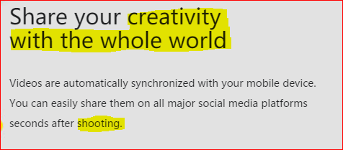
 | Share your best creations Videos are automatically synchronized with your mobile device. You can easily share them on all major social media platforms seconds after recording.

APP
 | Get inspired and express yourself The operation of all main control functions has been simplified to make flying as easy as possible for you. You can 'Take off - Record - Land - Share' with few simple clicks. No difficult procedures or memorizing button combinations are required. Start your motors, launch the app and shine under the spotlight.

Specifications
 | XIRO Xplore App

Gimbal Handheld
WRONG TEXT: | RIGHT TEXT:
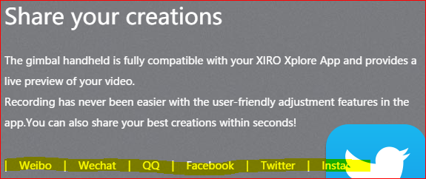
 | Share your creations The gimbal handheld is fully compatible with your XIRO Xplore App and provides a live preview of your video. Recording has never been easier with the user-friendly adjustment features in the app. You can also share your best creations within seconds! Facebook │ Twitter │ Instagram │ Youtube │ Weibo │ WeChat │ QQ │

 |  | *First international Social Media

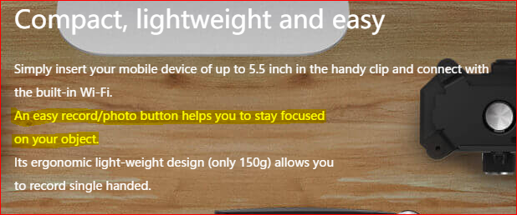
 | Compact, lightweight and easy Simply insert your mobile device of up to 5.5 inch in the handy clip and connect with the built-in Wi-Fi. Its ergonomic light-weight design (only 150g) allows you to record single handed. (remove marked sentence)

About Page
WRONG TEXT: | RIGHT TEXT:

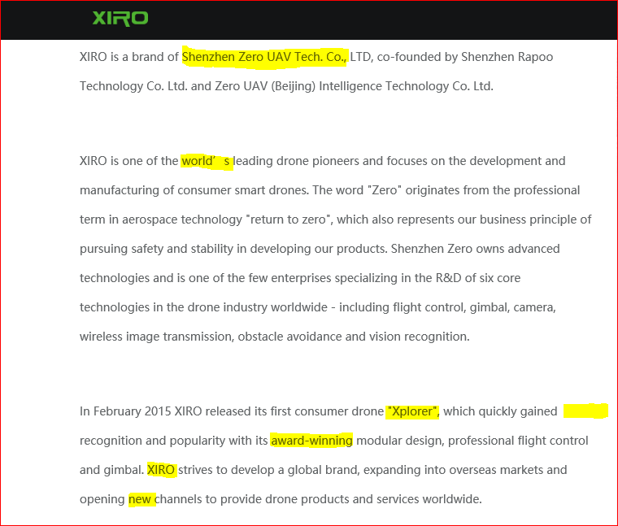
 | XIRO is a brand of Shenzhen Zero Technologies Limited, co-founded by Shenzen Rapoo Technology Co. Ltd. And Zero UAV (Beijing) Intellegence Technology Co. Ltd.

 | XIRO is one of the world's leading drone pioneers and focuses on te development and manufacturing of consumer smart drones. The word "Zero" originates from the professional term in aerospace technology "return to zero", which also represents our business principle of pursuing safety and stability in developing our products. Shenzhen Zero owns advanced technologies and is one of the few enterprises specializing in the R&D of six core technologies in the drone industry worldwide - including flight control, gimbal, camera, wireless image transmission, obstacle avoidance and vision recognition.

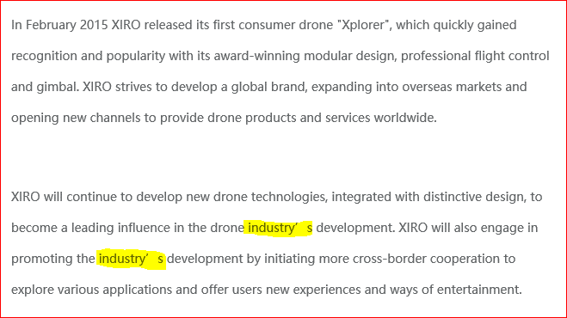

 | XIRO will continue to develop new drone technologies, integrated with distinctive design, to become a leading influence in the drone industry's development. XIRO will also engage in promoting the industry's development by initiating more cross-border cooperation to explore various applications and offer users new experiences and ways of entertainment.

Contact Page
WRONG TEXT: | RIGHT TEXT:

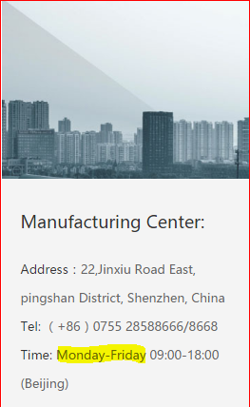
 | Manufacturing Center: Adress: 22, Jinxiu Road East, pingshan District, Shenzhen, China Tel: (+86) 0755 28588666/8668 Time: Monday to Friday 09:00 - 18:00 (Beijing time)


 | Corporate Headquarters: Adress: Hall A 15th Floor, No.9 Global Digital Building, High-Tech Third Central Road, Technology Park, Nanshan, Shenzhen, China Tel: (+86) 0755 28588899/8898 Time: Monday to Friday 09:00 - 18:00 (Beijing time) E-mail: marketing@xirodrone.com (Remove last marked sentence)

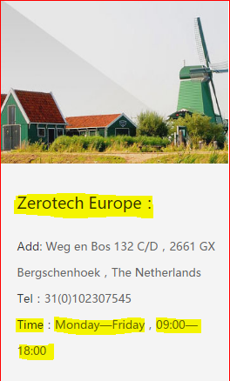
 | Zerotech Europe Headquarters: Address: Weg en Bos 132 C/D, 2661 GX Bergschenhoek, The Netherlands Operating hours: Monday to Friday, 09:00 - 17:30 (CET) Tel: +31(0)102307545

