Overview
HANDOVER CHECKLIST
HANDOVER STATUS MEETING
NON - ABAP ASSEMBLY SERVICES (NAAS)

Document Classification: INTERNAL
Document Version: 1.07

The purpose of this checklist is to provide transparency about the compliance to NAAS requirements and to track the handover status for build handovers of new product / component releases. If a development team uses a non-central build, the team has to clarify that the development can be handed over to non-ABAP Final Assembly Services for validation and delivery. Departments, which are accepted by NAAS as central build teams are: Development System Services, Technology Development Production. The Development Environment Product Standard contains requirements relevant for the assembly handover. Deviations might cause handover rejection by Non-ABAP Assembly! Non-ABAP Assembly should be consulted as soon as deviations are known, e.g. if the standard is yellow or red in P2D Q-Gate due to deviations in Non-ABAP components. The "General Requirements"* tab contains all criteria, which need to be fulfilled for the handover to NAAS. Additional component, technology or product specific requirements and information should be added within the tab "Product Specific Requirements".

Links:
Assembly Handover Process from Development to NAAS Presentation
Guideline for Build Processes for non-ABAP Development at SAP

Process Overview
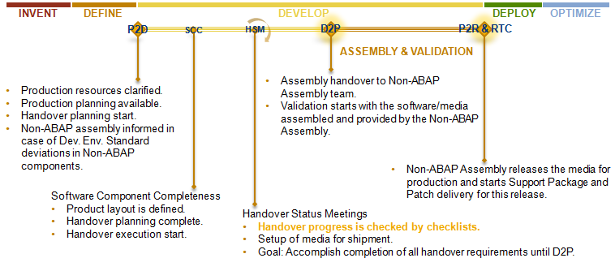

* Please store this checklist and all collected handover documents and meeting minutes in the cRoom.
Read the info file how the cRoom is structured before!
©SAP AG 2010

