Sheet1
Description | Path

Server Log | /opt/app/sapbusinessobjects/dataservices/log/JobServer_1/ins-dev-gw-db1.dev.ins.aws.aaa-acg.net_oragwsbd_sapbods_lr_dv14_8_1/
Dail_Path | /data/DataManagement/COMMON/log
Repo Path | /data/DataManagement/COMMON
Pass file path | /opt/app/sapbusinessobjects/dataservices/Pass
Import, Export,Path file | /opt/app/sapbusinessobjects/dataservices/Scripts/
Deployment path | /data/deployment/SAPBODS_Import/BOUND/QA14/ATL/
Deployment path | /data/deployment/SAPBODS_Import/QUOTE/QA14/ATL/
Backup path | /data/deployment/SAPBODS_Export/BOUND/QA14/ATL/
Backup path | /data/deployment/SAPBODS_Export/BOUND/QA14/ATL/
Import log | /log/Import
Export Log | /log/Export
Config | /data/DataManagement/COMMON/config
Dbconfig | /data/DataManagement/COMMON/dbconfig
Archive,ATL,DATAIN,DATASPECS,errors,extracts,Shellscripts,scripts | /data/DataManagement/DV14/Bound
QA14 -Archive,ATL,DATAIN,DATASPECS,errors,extracts,Shellscripts,scripts | /data/DataManagement/DV14/Quote

DIAL_PASSWORD_PATH | /data/DataManagement/COMMON/dbConfig/SAPBODS_LR_QA14(SAPBODS_LR_QTE_QA14)
EXT_FILE_PATH | /data/DataManagement/QA14/Bound/DATAIN
EXT_ERROR_FILE_PATH | /data/DataManagement/QA14/Bound/ERRORS
DATAIN_FILE_PATH | /data/DataManagement/QA14/Bound
ARC_FILE_PATH | /data/DataManagement/QA14/Bound/ARCHIVE
SHELL_FILE_PATH | /data/DataManagement/QA14/Bound/SHELLSCRIPTS

Servername - | sapbods-qa14.qa.ins.aws.aaa-acg.net
DSMC Console | http://sapbods-qa14.qa.ins.aws.aaa-acg.net:8080/DataServices/launch/logon.action
COMMON Dir Path | /data/DataManagement/COMMON
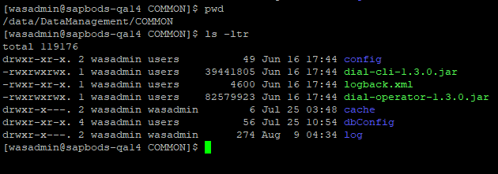

QA14 Bound Path | /data/DataManagement/QA14/Bound

QA14 Quote Path | /data/DataManagement/QA14/Quote

