Sheet2
Paul Oakenfold, Shifty Shellshock | 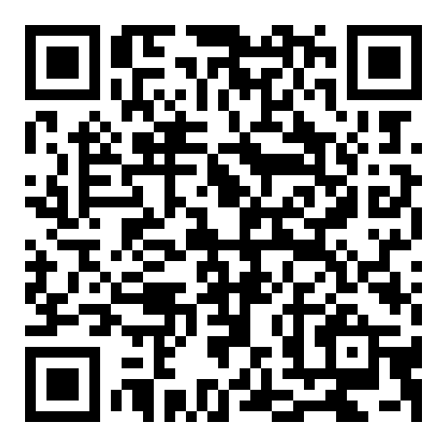
2002
Starry Eyed Surprise
Duran Duran | 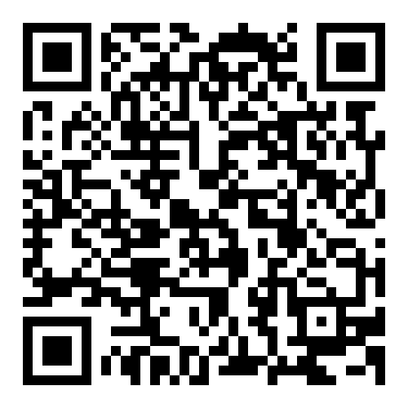
1982
The Chauffeur
Stetasonic | 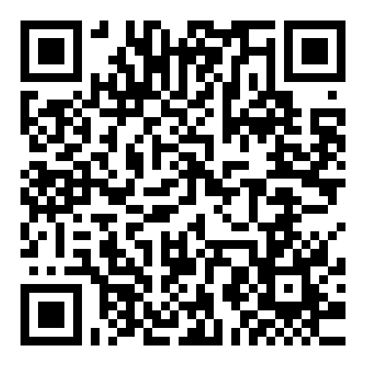
1988
Talkin' All That Jazz
Sneaker Pimps | 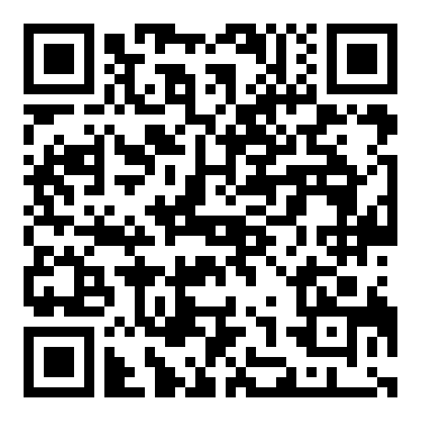
1996
6 Underground
Psy | 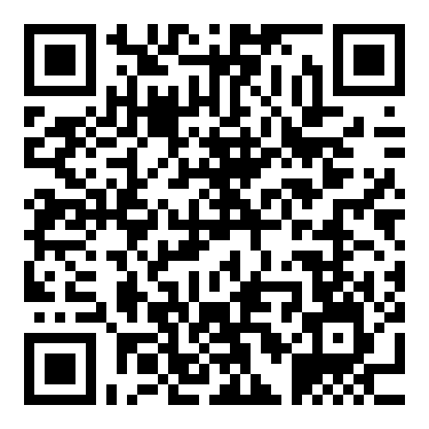
2012
Gangnam Style
Rihanna | 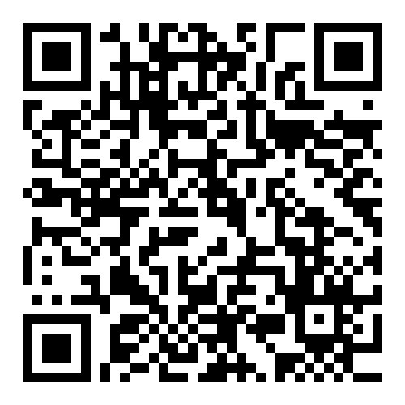
2015
Bitch Better Have My Money

