Log
 |  |  |  | log base 10 |  |  | log base 2

 |  |  | Ten | 10 | 1 |  | 10 | 3.3219280949
 |  |  | Hundred | 100 | 2 |  | 100 | 6.6438561898
 |  |  | Thousand | 1,000 | 3 |  | 1,000 | 9.9657842847
 |  |  | Ten thousand | 10,000 | 4 |  | 10,000 | 13.28771238
 |  |  | Hundred Thousand | 100,000 | 5 |  | 100,000 | 16.609640474 |  |  | Total Nodes | 8
 |  |  | Million | 1,000,000 | 6 |  | 1,000,000 | 19.931568569
 |  |  | Ten Million | 10,000,000 | 7 |  | 10,000,000 | 23.253496664
 |  |  | Hundered Million | 100,000,000 | 8 |  | 100,000,000 | 26.575424759 |  |  | i | Tree size
 |  |  | One Billion | 1,000,000,000 | 9 |  | 1,000,000,000 | 29.897352854 |  | Start | 0 | 1
 | no of nodes | depth |  |  |  |  |  |  |  |  | 1 | 2
 | 1 | 0 |  |  |  |  |  |  |  |  | 2 | 4
 | 2 | 1 |  |  |  |  |  |  | 2 | 4 | 3 | 8
 | 3 | 1.5849625007 |  |  | 5.5 | 6.5 | 7.5 |  |  |  | 4 | 16
 | 4 | 2 |  |  |  |  |  |  |  |  | . | .
 | 5 | 2.3219280949 |  |  |  |  |  |  |  |  | . | .
 | 6 | 2.5849625007 |  |  |  |  |  |  |  |  | . | .
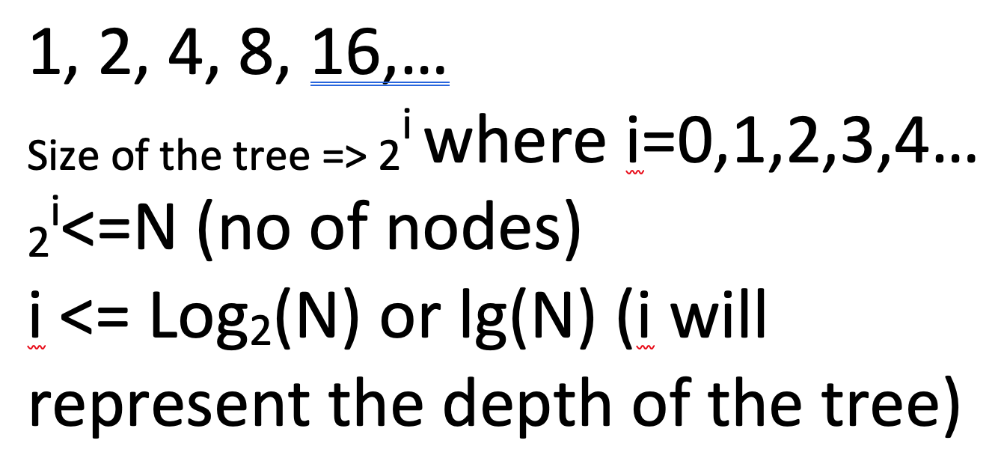
 | 7 | 2.8073549221 |  |  | 1 |  |  |  |  |  | i
 | 8 | 3 |  | After 12 months | 100% | 2
 | 9 | 3.1699250014 |  |  |  |  | 2
 | 10 | 3.3219280949
 | 100 | 6.6438561898 |  | After 6months | 1 +0.5 | 1.5
 | 1,000 | 9.9657842847 |  |  | 1.5 + (0.5+.25) | 2.25
 | 10,000 | 13.28771238
 | 100,000 | 16.609640474
 | 1,000,000 | 19.931568569 |  |  |  | 2.7
 | 10,000,000 | 23.253496664
 | 100,000,000 | 26.575424759
One Billion | 1,000,000,000 | 29.897352854 | <30

 |  |  | 11 | 3.4594316186

Line
Problem Size (N) | Running Time
250 | 0
500 | 0
1000 | 0.1
2000 | 0.8
4000 | 6.4
8000 | 51.1
16000

 | Running Time
Problem Size (N)
 | -3.3219280949
 | -0.32192809489
 | 2.6780719051
 | 5.6752513861

Problem Size (N) | Running Time |  | Problem Size (N) | Running Time
250 | 0 |  | 7.9657842847
500 | 0 |  | 8.9657842847
1000 | 0.1 |  | 9.9657842847 | -3.3219280949
2000 | 0.8 |  | 10.965784285 | -0.32192809489
4000 | 6.4 |  | 11.965784285 | 2.6780719051
8000 | 51.1 |  | 12.965784285 | 5.6752513861
16000 | 409.6 | Predecited | 13.965784285

Slope of line | 3.000
y Intercept | -33.219280949
a | 1E-10

Problem Size (N) | Running Time | Ratio | log ratio
250 | 0
500 | 0
1000 | 0.1 | 4.8 | 2.2630344058
2000 | 0.8 | 6.9 | 2.7865963619
4000 | 6.4 | 7.7 | 2.9448584458
8000 | 51.1 | 8 | 3

Suppose that you make the following observations of the running time T(n)T(n)T(n) (in seconds) of a program as a function of the input size nnn. Which of the following functions best models the running time T(n)T(n)T(n)?

Problem Size | Running Time | Log | Log
1000 | 0 | 9.9657842847
2000 | 0 | 10.965784285
4000 | 0.1 | 11.965784285 | -3.3219280949
8000 | 0.3 | 12.965784285 | -1.7369655942
16000 | 1.3 | 13.965784285 | 0.37851162325
32000 | 5.1 | 14.965784285 | 2.3504972471
64000 | 20.5 | 15.965784285 | 4.3575520046

Slope | 1.9719856238
a | 5.0048828125E-09

