Q3
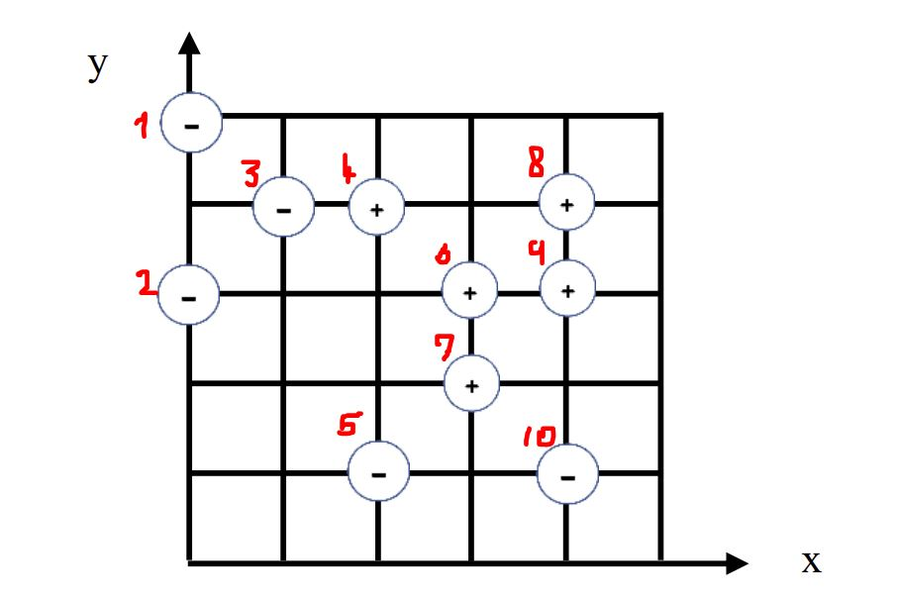
# | x | y | Class | Distance to 10 | # | x | y | Class | Distance to 5
1 | 0 | 3 | - | 4.47 | 1 | 0 | 3 | - | 2.83
2 | 0 | 5 | - | 5.66 | 2 | 0 | 5 | - | 4.47
3 | 1 | 4 | - | 4.24 | 3 | 1 | 4 | - | 3.16
4 | 2 | 4 | + | 3.61 | 4 | 2 | 4 | + | 3
5 | 2 | 1 | - | 2 | 5 | 2 | 1 | - | 0
6 | 3 | 3 | + | 2.24 | 6 | 3 | 3 | + | 2.24
7 | 3 | 2 | + | 1.41 | 7 | 3 | 2 | + | 1.41
8 | 4 | 4 | + | 3 | 8 | 4 | 4 | + | 3.61
9 | 4 | 3 | + | 2 | 9 | 4 | 3 | + | 2.83
10 | 4 | 1 | - | 0 | 10 | 4 | 1 | - | 2

d)
Error rate = $\frac{\# of wrong predictions}{total number of predictions}$
# | x | y | Class | Distance to 9 | # | x | y | Class | Distance to 4
1 | 0 | 3 | - | 4 | 1 | 0 | 3 | - | 2.24
2 | 0 | 5 | - | 4.47 | 2 | 0 | 5 | - | 2.24
3 | 1 | 4 | - | 3.16 | 3 | 1 | 4 | - | 1
4 | 2 | 4 | + | 2.24 | 4 | 2 | 4 | + | 0
5 | 2 | 1 | - | 2.83 | 5 | 2 | 1 | - | 3
6 | 3 | 3 | + | 1 | 6 | 3 | 3 | + | 1.41
a) Error rate 1NN = $\frac{4}{10}$ = 0.4 = 40%
7 | 3 | 2 | + | 1.41 | 7 | 3 | 2 | + | 2.24
8 | 4 | 4 | + | 1 | 8 | 4 | 4 | + | 2
9 | 4 | 3 | + | 0 | 9 | 4 | 3 | + | 2.24
10 | 4 | 1 | - | 2 | 10 | 4 | 1 | - | 3.61

b) Error rate 3NN = $\frac{2}{10}$= 0.20 = 20%
# | x | y | Class | Distance to 8 | # | x | y | Class | Distance to 3
1 | 0 | 3 | - | 4.12 | 1 | 0 | 3 | - | 1.41
2 | 0 | 5 | - | 4.12 | 2 | 0 | 5 | - | 1.41
3 | 1 | 4 | - | 3 | 3 | 1 | 4 | - | 0
4 | 2 | 4 | + | 2 | 4 | 2 | 4 | + | 1
5 | 2 | 1 | - | 3.61 | 5 | 2 | 1 | - | 3.16
6 | 3 | 3 | + | 1.41 | 6 | 3 | 3 | + | 2.24
7 | 3 | 2 | + | 2.24 | 7 | 3 | 2 | + | 2.83
8 | 4 | 4 | + | 0 | 8 | 4 | 4 | + | 3
9 | 4 | 3 | + | 1 | 9 | 4 | 3 | + | 3.16
c) Error rate 9NN = $\frac{10}{10}$= 1 = 100%
10 | 4 | 1 | - | 3 | 10 | 4 | 1 | - | 4.24

# | x | y | Class | Distance to 7 | # | x | y | Class | Distance to 2
1 | 0 | 3 | - | 3.16 | 1 | 0 | 3 | - | 2
2 | 0 | 5 | - | 4.24 | 2 | 0 | 5 | - | 0
3 | 1 | 4 | - | 2.83 | 3 | 1 | 4 | - | 1.41
4 | 2 | 4 | + | 2.24 | 4 | 2 | 4 | + | 2.24
All the distances were calculated using excel formula bar.
For example:
In the first table, distance from point 1 to 10:
=SQRT((B2-B11)^2 + (C2-C11)^2)
5 | 2 | 1 | - | 1.41 | 5 | 2 | 1 | - | 4.47
6 | 3 | 3 | + | 1 | 6 | 3 | 3 | + | 3.61
7 | 3 | 2 | + | 0 | 7 | 3 | 2 | + | 4.24
8 | 4 | 4 | + | 2.24 | 8 | 4 | 4 | + | 4.12
9 | 4 | 3 | + | 1.41 | 9 | 4 | 3 | + | 4.47
10 | 4 | 1 | - | 1.41 | 10 | 4 | 1 | - | 5.66

# | x | y | Class | Distance to 6 | # | x | y | Class | Distance to 1
1 | 0 | 3 | - | 3 | 1 | 0 | 3 | - | 0
2 | 0 | 5 | - | 3.61 | 2 | 0 | 5 | - | 2
3 | 1 | 4 | - | 2.24 | 3 | 1 | 4 | - | 1.41
4 | 2 | 4 | + | 1.41 | 4 | 2 | 4 | + | 2.24
5 | 2 | 1 | - | 2.24 | 5 | 2 | 1 | - | 2.83
6 | 3 | 3 | + | 0 | 6 | 3 | 3 | + | 3 | Refrence:
7 | 3 | 2 | + | 1 | 7 | 3 | 2 | + | 3.16 | 1NN
8 | 4 | 4 | + | 1.41 | 8 | 4 | 4 | + | 4.12 | 3NN
9 | 4 | 3 | + | 1 | 9 | 4 | 3 | + | 4 | 9NN
10 | 4 | 1 | - | 2.24 | 10 | 4 | 1 | - | 4.47

