6.Star Schema
Star Schema

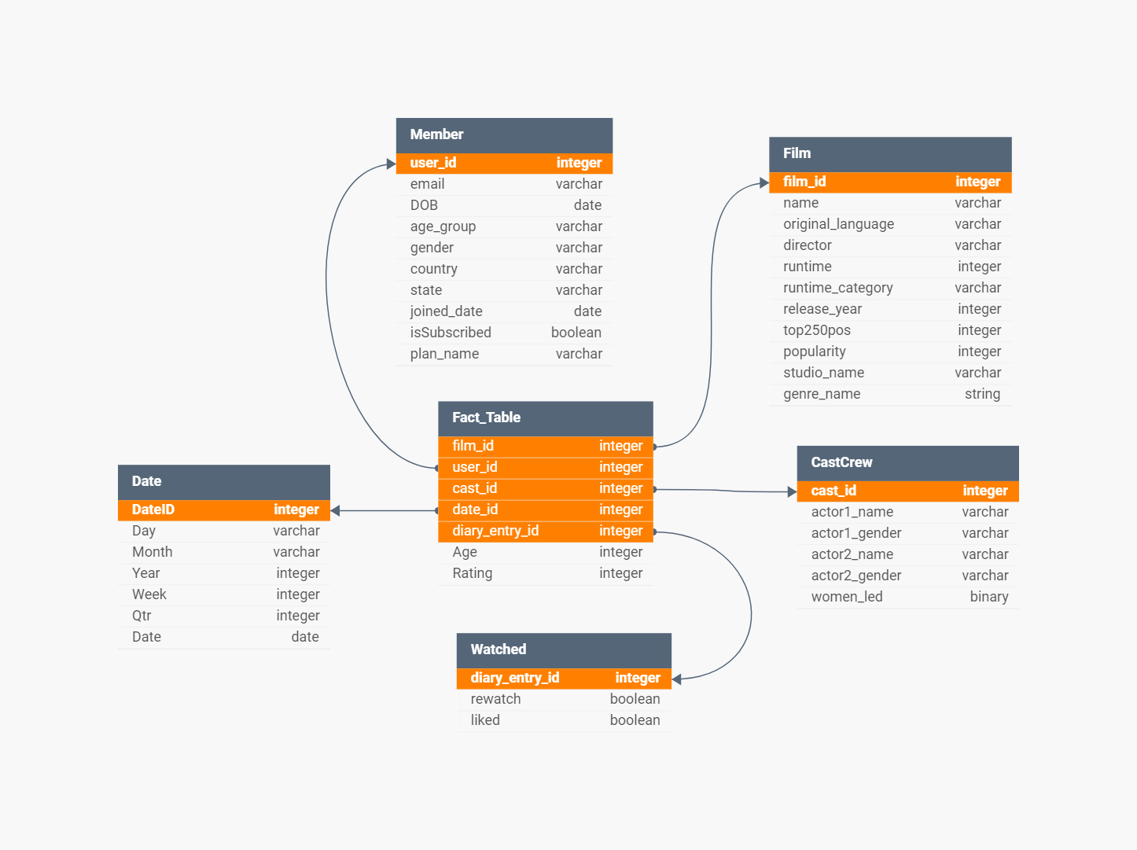
Star Schema Image | Possible Star Schema Queries
 | Sno | Business Question Addressed | SQL query
 | 1 | Genres preferred by users | SELECT genre_name, COUNT(*) AS film_count FROM public. "DimFilm", unnest (genre_name) AS genre GROUP BY genre_name ORDER BY film_count DESC;
 | 2 | Top 5 studios | SELECT studio_name, COUNT(*) AS film_count FROM public. "DimFilm" GROUP BY studio_name ORDER BY film_count DESC LIMIT 5;
 | 3 | Age and gender demographics | SELECT gender, AVG (DATE_PART ('year', AGE("DOB"))) AS avg_age FROM public.DimMember GROUP BY gender;
 | 4 | Age group distribution by state of user base | SELECT age_group, state, COUNT (* AS member_count FROM public.DimMember GROUP BY age_group, state ORDER BY member_count DESC;
 | 5 | top actors | SELECT actor_name, COUNT (*) AS film_count FROM ( SELECT actori_name AS actor_name FROM public. "DimCastCrew" UNION ALL SELECT actor2_name AS actor_name FROM public. "DimCastCrew" ) AS actors GROUP BY actor_name ORDER BY film_count DESC;
 | 6 | Most popular runtime category | SELECT runtime_category, AVG(popularity) AS avg_popularity FROM public. "DimFilm" GROUP BY runtime_category;

