Game
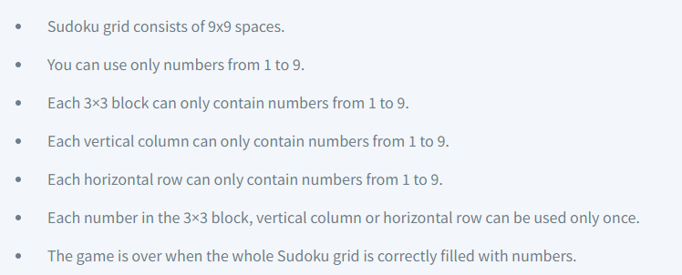
Sudoku Final Project
How to play?
 |  | 6 |  | 1 | 4 |  | 5
 |  |  | 8 | 3 | 5 | 6
 | 2 |  |  |  |  |  |  | 1
 | 8 |  |  | 4 | 7 |  |  | 6
 |  |  | 6 |  |  | 3
 | 7 |  |  | 9 | 1 |  |  | 4
 | 5 |  |  |  |  |  |  | 2
 |  |  | 7 | 2 | 6 | 9
 |  | 4 |  | 5 | 8 |  | 7

Solution
