TS01
#Step | Step Description | Expected Result | Actual result
Step 1 | Log in to Salesforce as an Admin User | User is logged in successfully | User is logged in successfully
Step 2 | Click on the 'App Launcher' icon | App Launcher' displays successfully | App Launcher' displays successfully
Step 3 | Enter 'License Management App' in the search box | License Management App' app is displayed under the Apps list successfully | License Management App' app is displayed under the Apps list successfully
Step 4 | Click on the 'License Management App' app | The License Management App opens and the Leads' tab is visible to the user | The License Management App opens and the Leads' tab is visible to the user
Step 5 | Click on the 'Leads' tab | The 'Recently Viewed' list view opens | The 'Recently Viewed' list view opens
Step 6 | Click on the button labeled 'New' | New Lead' page layout opens and displays successfully | 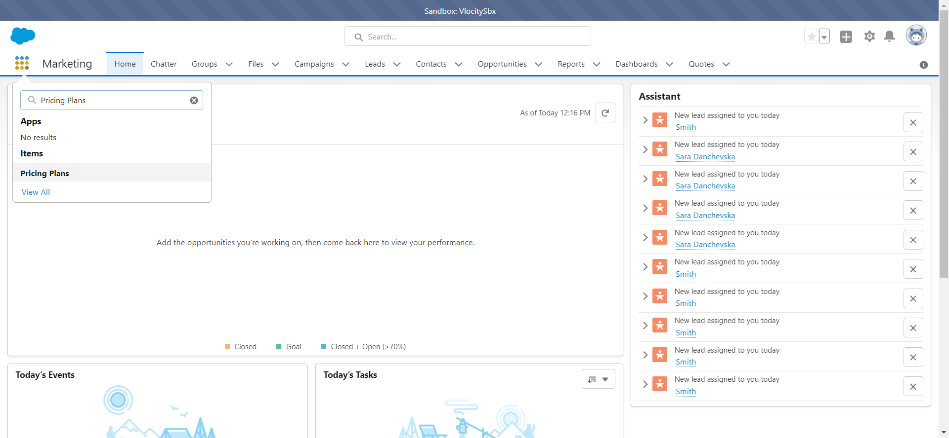 New Lead' page layout opens and displays successfully
Step 7 | Populate the following fields: Name Package Name Package ID Release Date and click 'Save' | The Package is created and green message for successfully created is displayed on screen | The Package is created and green message for successfully created is displayed on screen
Step 8 | Verify that all the field are populated with the correct values. | All the fields populated in Step 7 have correct values | All the fields populated in Step 7 have correct values

TS02
#Step | Step Description | Expected Result | Actual result
Step 1 | Log in to Salesforce as an Admin User | User is logged in successfully | User is logged in successfully
Step 2 | Click on the 'App Launcher' icon | 'App Launcher' displays successfully | 'App Launcher' displays successfully
Step 3 | Enter 'Pricing Plans' in the search box | Pricing Plans' item is displayed under the items successfully | Pricing Plans' item is displayed under the items successfully
Step 4 | Click on the 'Pricing Plans' item | The Pricing Plans item opens successfully with the 'Recently Viewed' list view | The Pricing Plans item opens successfully with the 'Recently Viewed' list view
Step 5 | Click on the button labeled 'New' | New Pricing Plan' page layout opens successfully | New Pricing Plan' page layout opens successfully
Pricing Plan Name: Plan Example
Code: 5789652
Step 6 | Populate the following fields: Pricing Plan Name Code and click 'Save' | The Plan is created and green message for successfully created is displayed on screen | The Plan is created and green message for successfully created is displayed on screen
Step 7 | Verify that all the field are populated with the correct values. | All the fields populated in Step 6 have correct values | All the fields populated in Step 6 have correct values

TS03
#Step | Step Description | Expected Result | Actual result
Step 1 | Log in to Salesforce as an Admin User | User is logged in successfully | User is logged in successfully
Step 2 | Click on the 'App Launcher' icon | 'App Launcher' displays successfully | 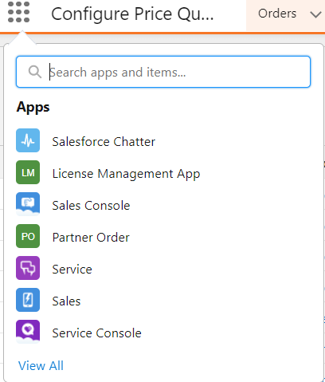 'App Launcher' displays successfully
Step 3 | Enter 'Work Orders' in the search box | Work Orders' app is displayed under the items list successfully | Work Orders' app is displayed under the items list successfully
Step 4 | Click on the 'Work Orders' item | The Work Orders item opens successfully with the 'Recently Viewed' list view | The Work Orders item opens successfully with the 'Recently Viewed' list view
Step 5 | Click on the button labeled 'New' | New Work Order' page layout opens successfully | New Work Order' page layout opens successfully
Step 6 | Populate the following fields: Notes Account and click 'Save' | The Work Order is created successfully | The Work Order is created successfully
Step 7 | Verify that all the field are populated with the correct values. | All the fields populated in Step 6 have correct values | All the fields populated in Step 6 have correct values

