DEPGenotypesSusceptibilityClust
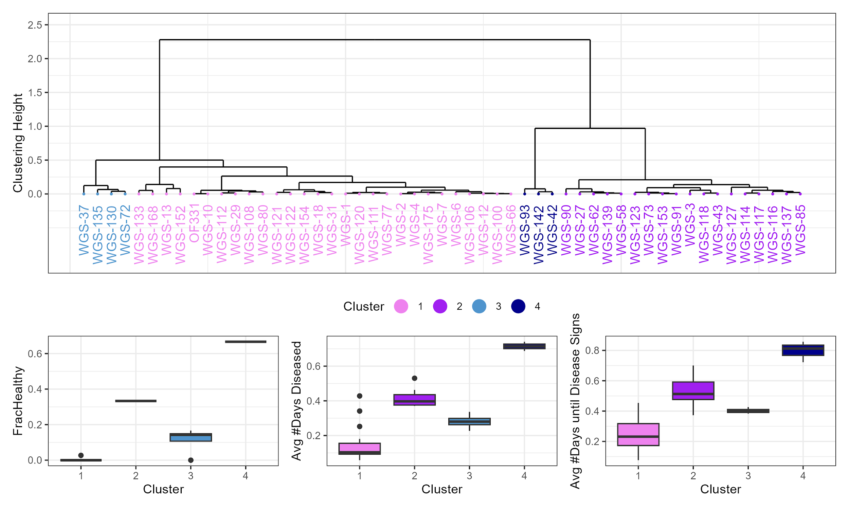
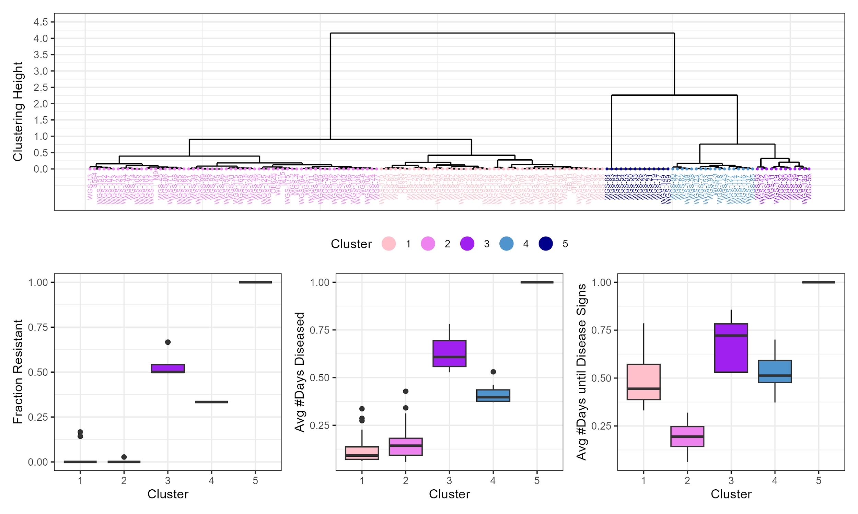
DEP.Genotype | Healthy | Removed | Exposed | avgDaysDiseased.std | avgFracExpHealthy | FracDiseased | FracHealthy | RGroup.allclustered | RGroup.2ormorereps | RGroup.3ormorereps | RGroup all genotypes but 5 clusters
OF626 | 0 | 1 | 1 | 0.14285714 | 0.14285714 | 1 | 0 | Highly Susceptible | NA | NA | Highly Susceptible
OF685 | 0 | 1 | 1 | 0.07142857 | 0.35714286 | 1 | 0 | Susceptible | NA | NA | Susceptible
S564 | 0 | 1 | 1 | 0.28571429 | 0.07142857 | 1 | 0 | Highly Susceptible | NA | NA | Highly Susceptible
WGS-102 | 0 | 1 | 1 | 0.07142857 | 0.35714286 | 1 | 0 | Susceptible | NA | NA | Susceptible
WGS-103 | 0 | 1 | 1 | 0.21428571 | 0.21428571 | 1 | 0 | Highly Susceptible | NA | NA | Highly Susceptible
WGS-104 | 0 | 1 | 1 | 0.07142857 | 0.21428571 | 1 | 0 | Highly Susceptible | NA | NA | Highly Susceptible
WGS-105 | 0 | 1 | 1 | 0.18181818 | 0.09090909 | 1 | 0 | Highly Susceptible | NA | NA | Highly Susceptible
WGS-109 | 0 | 1 | 1 | 0.0625 | 0.4375 | 1 | 0 | Susceptible | NA | NA | Susceptible
WGS-125 | 0 | 1 | 1 | 0.0625 | 0.125 | 1 | 0 | Highly Susceptible | NA | NA | Highly Susceptible
WGS-126 | 0 | 1 | 1 | 0.18181818 | 0.27272727 | 1 | 0 | Highly Susceptible | NA | NA | Highly Susceptible
WGS-132 | 0 | 1 | 1 | 0.18181818 | 0.09090909 | 1 | 0 | Highly Susceptible | NA | NA | Highly Susceptible
WGS-138 | 0 | 1 | 1 | 0.0625 | 0.1875 | 1 | 0 | Highly Susceptible | NA | NA | Highly Susceptible
WGS-14 | 0 | 1 | 1 | 0.18181818 | 0.09090909 | 1 | 0 | Highly Susceptible | NA | NA | Highly Susceptible
WGS-143 | 0 | 1 | 1 | 0.07142857 | 0.64285714 | 1 | 0 | Susceptible | NA | NA | Susceptible
WGS-145 | 0 | 1 | 1 | 0.14285714 | 0.21428571 | 1 | 0 | Highly Susceptible | NA | NA | Highly Susceptible
WGS-146 | 0 | 1 | 1 | 0.07142857 | 0.64285714 | 1 | 0 | Susceptible | NA | NA | Susceptible
WGS-147 | 0 | 1 | 1 | 0.28571429 | 0.21428571 | 1 | 0 | Highly Susceptible | NA | NA | Highly Susceptible
WGS-148 | 0 | 1 | 1 | 0.07142857 | 0.42857143 | 1 | 0 | Susceptible | NA | NA | Susceptible
WGS-149 | 1 | 0 | 1 | 1 | 1 | 0 | 1 | Resistant | NA | NA | 1/1 Resistant
WGS-150 | 0 | 1 | 1 | 0.07142857 | 0.78571429 | 1 | 0 | Susceptible | NA | NA | Susceptible
WGS-151 | 0 | 1 | 1 | 0.28571429 | 0.07142857 | 1 | 0 | Highly Susceptible | NA | NA | Highly Susceptible
WGS-156 | 0 | 1 | 1 | 0.07142857 | 0.57142857 | 1 | 0 | Susceptible | NA | NA | Susceptible
WGS-158 | 0 | 1 | 1 | 0.125 | 0.375 | 1 | 0 | Susceptible | NA | NA | Susceptible
WGS-159 | 1 | 0 | 1 | 1 | 1 | 0 | 1 | Resistant | NA | NA | 1/1 Resistant
WGS-169 | 0 | 1 | 1 | 0.14285714 | 0.28571429 | 1 | 0 | Highly Susceptible | NA | NA | Highly Susceptible
WGS-17 | 1 | 0 | 1 | 1 | 1 | 0 | 1 | Resistant | NA | NA | 1/1 Resistant
WGS-171 | 0 | 1 | 1 | 0.21428571 | 0.14285714 | 1 | 0 | Highly Susceptible | NA | NA | Highly Susceptible
WGS-173 | 0 | 1 | 1 | 0.3125 | 0.125 | 1 | 0 | Highly Susceptible | NA | NA | Highly Susceptible
WGS-19 | 1 | 0 | 1 | 1 | 1 | 0 | 1 | Resistant | NA | NA | 1/1 Resistant
WGS-20 | 0 | 1 | 1 | 0.07142857 | 0.71428571 | 1 | 0 | Susceptible | NA | NA | Susceptible
WGS-21 | 1 | 0 | 1 | 1 | 1 | 0 | 1 | Resistant | NA | NA | 1/1 Resistant
WGS-22 | 0 | 1 | 1 | 0.07142857 | 0.57142857 | 1 | 0 | Susceptible | NA | NA | Susceptible
WGS-23 | 1 | 0 | 1 | 1 | 1 | 0 | 1 | Resistant | NA | NA | 1/1 Resistant
WGS-25 | 0 | 1 | 1 | 0.07142857 | 0.5 | 1 | 0 | Susceptible | NA | NA | Susceptible
WGS-26 | 1 | 0 | 1 | 1 | 1 | 0 | 1 | Resistant | NA | NA | 1/1 Resistant
WGS-28 | 0 | 1 | 1 | 0.14285714 | 0.57142857 | 1 | 0 | Susceptible | NA | NA | Susceptible
WGS-33 | 1 | 0 | 1 | 1 | 1 | 0 | 1 | Resistant | NA | NA | 1/1 Resistant
WGS-35 | 0 | 1 | 1 | 0.09090909 | 0.36363636 | 1 | 0 | Susceptible | NA | NA | Susceptible
WGS-36 | 0 | 1 | 1 | 0.09090909 | 0.36363636 | 1 | 0 | Susceptible | NA | NA | Susceptible
WGS-38 | 0 | 1 | 1 | 0.09090909 | 0.27272727 | 1 | 0 | Highly Susceptible | NA | NA | Highly Susceptible
WGS-45 | 0 | 1 | 1 | 0.18181818 | 0.18181818 | 1 | 0 | Highly Susceptible | NA | NA | Highly Susceptible
WGS-48 | 0 | 1 | 1 | 0.14285714 | 0.64285714 | 1 | 0 | Susceptible | NA | NA | Susceptible
WGS-50 | 1 | 0 | 1 | 1 | 1 | 0 | 1 | Resistant | NA | NA | 1/1 Resistant
WGS-52 | 0 | 1 | 1 | 0.07142857 | 0.57142857 | 1 | 0 | Susceptible | NA | NA | Susceptible
WGS-53 | 1 | 0 | 1 | 1 | 1 | 0 | 1 | Resistant | NA | NA | 1/1 Resistant
WGS-54 | 1 | 0 | 1 | 1 | 1 | 0 | 1 | Resistant | NA | NA | 1/1 Resistant
WGS-57 | 0 | 1 | 1 | 0.07142857 | 0.57142857 | 1 | 0 | Susceptible | NA | NA | Susceptible
WGS-59 | 0 | 1 | 1 | 0.14285714 | 0.64285714 | 1 | 0 | Susceptible | NA | NA | Susceptible
WGS-60 | 0 | 1 | 1 | 0.07142857 | 0.5 | 1 | 0 | Susceptible | NA | NA | Susceptible
WGS-63 | 0 | 1 | 1 | 0.09090909 | 0.63636364 | 1 | 0 | Susceptible | NA | NA | Susceptible
WGS-64 | 1 | 0 | 1 | 1 | 1 | 0 | 1 | Resistant | NA | NA | 1/1 Resistant
WGS-67 | 0 | 1 | 1 | 0.1875 | 0.0625 | 1 | 0 | Highly Susceptible | NA | NA | Highly Susceptible
WGS-76 | 0 | 1 | 1 | 0.09090909 | 0.27272727 | 1 | 0 | Highly Susceptible | NA | NA | Highly Susceptible
WGS-79 | 0 | 1 | 1 | 0.18181818 | 0.54545455 | 1 | 0 | Susceptible | NA | NA | Susceptible
WGS-83 | 1 | 0 | 1 | 1 | 1 | 0 | 1 | Resistant | NA | NA | 1/1 Resistant
WGS-84 | 1 | 0 | 1 | 1 | 1 | 0 | 1 | Resistant | NA | NA | 1/1 Resistant
WGS-86 | 0 | 1 | 1 | 0.18181818 | 0.18181818 | 1 | 0 | Highly Susceptible | NA | NA | Highly Susceptible
WGS-92 | 0 | 1 | 1 | 0.09090909 | 0.36363636 | 1 | 0 | Susceptible | NA | NA | Susceptible
WGS-94 | 0 | 1 | 1 | 0.18181818 | 0.54545455 | 1 | 0 | Susceptible | NA | NA | Susceptible
WGS-95 | 0 | 1 | 1 | 0.09090909 | 0.54545455 | 1 | 0 | Susceptible | NA | NA | Susceptible
WGS-96 | 0 | 1 | 1 | 0.14285714 | 0.21428571 | 1 | 0 | Highly Susceptible | NA | NA | Highly Susceptible
WGS-97 | 0 | 1 | 1 | 0.14285714 | 0.21428571 | 1 | 0 | Highly Susceptible | NA | NA | Highly Susceptible
WGS-98 | 0 | 1 | 1 | 0.14285714 | 0.21428571 | 1 | 0 | Highly Susceptible | NA | NA | Highly Susceptible
WGS-99 | 0 | 1 | 1 | 0.14285714 | 0.21428571 | 1 | 0 | Highly Susceptible | NA | NA | Highly Susceptible
GB 11 | 0 | 2 | 2 | 0.07670455 | 0.33806818 | 1 | 0 | Susceptible | Susceptible | NA | Susceptible
M15 | 0 | 2 | 2 | 0.12152778 | 0.17361111 | 1 | 0 | Highly Susceptible | Highly Susceptible | NA | Highly Susceptible
M9 | 0 | 2 | 2 | 0.18055556 | 0.14930556 | 1 | 0 | Highly Susceptible | Highly Susceptible | NA | Highly Susceptible
OF655 | 0 | 2 | 2 | 0.08116883 | 0.46753247 | 1 | 0 | Susceptible | Susceptible | NA | Susceptible
WGS-101 | 0 | 2 | 2 | 0.08116883 | 0.40584416 | 1 | 0 | Susceptible | Susceptible | NA | Susceptible
WGS-107 | 0 | 2 | 2 | 0.28977273 | 0.12215909 | 1 | 0 | Highly Susceptible | Highly Susceptible | NA | Highly Susceptible
WGS-11 | 1 | 1 | 2 | 0.52777778 | 0.72222222 | 0.5 | 0.5 | Intermediate | Resistant | NA | Resistant
WGS-110 | 0 | 2 | 2 | 0.05902778 | 0.17708333 | 1 | 0 | Highly Susceptible | Highly Susceptible | NA | Highly Susceptible
WGS-113 | 0 | 2 | 2 | 0.07670455 | 0.40056818 | 1 | 0 | Susceptible | Susceptible | NA | Susceptible
WGS-115 | 0 | 2 | 2 | 0.12878788 | 0.29292929 | 1 | 0 | Highly Susceptible | Susceptible | NA | Highly Susceptible
WGS-119 | 1 | 1 | 2 | 0.53125 | 0.625 | 0.5 | 0.5 | Intermediate | Resistant | NA | Resistant
WGS-124 | 0 | 2 | 2 | 0.19805195 | 0.11688312 | 1 | 0 | Highly Susceptible | Highly Susceptible | NA | Highly Susceptible
WGS-134 | 0 | 2 | 2 | 0.07670455 | 0.41477273 | 1 | 0 | Susceptible | Susceptible | NA | Susceptible
WGS-136 | 1 | 1 | 2 | 0.5625 | 0.53125 | 0.5 | 0.5 | Intermediate | Resistant | NA | Resistant
WGS-15 | 0 | 2 | 2 | 0.12662338 | 0.73701299 | 1 | 0 | Susceptible | Susceptible | NA | Susceptible
WGS-155 | 0 | 2 | 2 | 0.25892857 | 0.16964286 | 1 | 0 | Highly Susceptible | Highly Susceptible | NA | Highly Susceptible
WGS-164 | 0 | 2 | 2 | 0.05902778 | 0.28819444 | 1 | 0 | Highly Susceptible | Highly Susceptible | NA | Highly Susceptible
WGS-167 | 0 | 2 | 2 | 0.21212121 | 0.36868687 | 1 | 0 | Susceptible | Susceptible | NA | Susceptible
WGS-170 | 0 | 2 | 2 | 0.09090909 | 0.5 | 1 | 0 | Susceptible | Susceptible | NA | Susceptible
WGS-174 | 0 | 2 | 2 | 0.05902778 | 0.12152778 | 1 | 0 | Highly Susceptible | Highly Susceptible | NA | Highly Susceptible
WGS-24 | 0 | 2 | 2 | 0.21753247 | 0.49350649 | 1 | 0 | Susceptible | Susceptible | NA | Susceptible
WGS-30 | 1 | 1 | 2 | 0.63636364 | 0.72727273 | 0.5 | 0.5 | Intermediate | Resistant | NA | Resistant
WGS-32 | 1 | 1 | 2 | 0.54545455 | 0.81818182 | 0.5 | 0.5 | Intermediate | Resistant | NA | Resistant
WGS-34 | 0 | 2 | 2 | 0.1525974 | 0.25324675 | 1 | 0 | Highly Susceptible | Susceptible | NA | Highly Susceptible
WGS-39 | 1 | 1 | 2 | 0.78125 | 0.53125 | 0.5 | 0.5 | Intermediate | Resistant | NA | Resistant
WGS-46 | 0 | 2 | 2 | 0.17207792 | 0.29545455 | 1 | 0 | Highly Susceptible | Susceptible | NA | Highly Susceptible
WGS-47 | 0 | 2 | 2 | 0.1010101 | 0.37878788 | 1 | 0 | Susceptible | Susceptible | NA | Susceptible
WGS-49 | 1 | 1 | 2 | 0.59090909 | 0.77272727 | 0.5 | 0.5 | Intermediate | Resistant | NA | Resistant
WGS-51 | 0 | 2 | 2 | 0.19805195 | 0.33116883 | 1 | 0 | Susceptible | Susceptible | NA | Susceptible
WGS-56 | 1 | 1 | 2 | 0.5625 | 0.53125 | 0.5 | 0.5 | Intermediate | Resistant | NA | Resistant
WGS-61 | 0 | 2 | 2 | 0.12662338 | 0.48376623 | 1 | 0 | Susceptible | Susceptible | NA | Susceptible
WGS-68 | 0 | 2 | 2 | 0.22569444 | 0.14930556 | 1 | 0 | Highly Susceptible | Highly Susceptible | NA | Highly Susceptible
WGS-69 | 0 | 2 | 2 | 0.08680556 | 0.29861111 | 1 | 0 | Highly Susceptible | Highly Susceptible | NA | Highly Susceptible
WGS-70 | 0 | 2 | 2 | 0.05902778 | 0.14236111 | 1 | 0 | Highly Susceptible | Highly Susceptible | NA | Highly Susceptible
WGS-71 | 1 | 1 | 2 | 0.625 | 0.53125 | 0.5 | 0.5 | Intermediate | Resistant | NA | Resistant
WGS-74 | 0 | 2 | 2 | 0.05902778 | 0.23263889 | 1 | 0 | Highly Susceptible | Highly Susceptible | NA | Highly Susceptible
WGS-89 | 0 | 2 | 2 | 0.08116883 | 0.41558442 | 1 | 0 | Susceptible | Susceptible | NA | Susceptible
WGS-1 | 0 | 3 | 3 | 0.0719697 | 0.26704545 | 1 | 0 | Highly Susceptible | Highly Susceptible | Highly Susceptible | Highly Susceptible
WGS-10 | 0 | 3 | 3 | 0.09577922 | 0.45156926 | 1 | 0 | Susceptible | Susceptible | Highly Susceptible | Susceptible
WGS-100 | 0 | 3 | 3 | 0.10524892 | 0.21834416 | 1 | 0 | Highly Susceptible | Highly Susceptible | Highly Susceptible | Highly Susceptible
WGS-106 | 0 | 3 | 3 | 0.1043771 | 0.2020202 | 1 | 0 | Highly Susceptible | Highly Susceptible | Highly Susceptible | Highly Susceptible
WGS-108 | 0 | 3 | 3 | 0.09995791 | 0.35942761 | 1 | 0 | Susceptible | Susceptible | Highly Susceptible | Susceptible
WGS-111 | 0 | 3 | 3 | 0.05787037 | 0.25462963 | 1 | 0 | Highly Susceptible | Highly Susceptible | Highly Susceptible | Highly Susceptible
WGS-112 | 0 | 3 | 3 | 0.06965488 | 0.42003367 | 1 | 0 | Susceptible | Susceptible | Highly Susceptible | Susceptible
WGS-114 | 1 | 2 | 3 | 0.45887446 | 0.50865801 | 0.66666667 | 0.33333333 | Intermediate | Intermediate | Intermediate | Intermediate
WGS-116 | 1 | 2 | 3 | 0.42592593 | 0.59259259 | 0.66666667 | 0.33333333 | Intermediate | Intermediate | Intermediate | Intermediate
WGS-117 | 1 | 2 | 3 | 0.46296296 | 0.53703704 | 0.66666667 | 0.33333333 | Intermediate | Intermediate | Intermediate | Intermediate
WGS-118 | 1 | 2 | 3 | 0.43560606 | 0.42613636 | 0.66666667 | 0.33333333 | Intermediate | Intermediate | Intermediate | Intermediate
WGS-120 | 0 | 3 | 3 | 0.09280303 | 0.26515152 | 1 | 0 | Highly Susceptible | Highly Susceptible | Highly Susceptible | Highly Susceptible
WGS-121 | 0 | 3 | 3 | 0.14042208 | 0.25027056 | 1 | 0 | Highly Susceptible | Susceptible | Highly Susceptible | Highly Susceptible
WGS-122 | 0 | 3 | 3 | 0.16720779 | 0.22646104 | 1 | 0 | Highly Susceptible | Susceptible | Highly Susceptible | Highly Susceptible
WGS-123 | 1 | 2 | 3 | 0.37268519 | 0.45138889 | 0.66666667 | 0.33333333 | Intermediate | Intermediate | Intermediate | Intermediate
WGS-127 | 1 | 2 | 3 | 0.53030303 | 0.47306397 | 0.66666667 | 0.33333333 | Intermediate | Intermediate | Intermediate | Intermediate
WGS-13 | 0 | 3 | 3 | 0.42824074 | 0.07638889 | 1 | 0 | Highly Susceptible | Highly Susceptible | Highly Susceptible | Highly Susceptible
WGS-133 | 0 | 3 | 3 | 0.16203704 | 0.11574074 | 1 | 0 | Highly Susceptible | Highly Susceptible | Highly Susceptible | Highly Susceptible
WGS-137 | 1 | 2 | 3 | 0.4006734 | 0.55218855 | 0.66666667 | 0.33333333 | Intermediate | Intermediate | Intermediate | Intermediate
WGS-139 | 1 | 2 | 3 | 0.37037037 | 0.61111111 | 0.66666667 | 0.33333333 | Intermediate | Intermediate | Intermediate | Intermediate
WGS-142 | 2 | 1 | 3 | 0.71428571 | 0.85714286 | 0.33333333 | 0.66666667 | Intermediate | Resistant | Resistant | Resistant
WGS-152 | 0 | 3 | 3 | 0.34117965 | 0.1642316 | 1 | 0 | Highly Susceptible | Highly Susceptible | Highly Susceptible | Highly Susceptible
WGS-153 | 1 | 2 | 3 | 0.37268519 | 0.49768519 | 0.66666667 | 0.33333333 | Intermediate | Intermediate | Intermediate | Intermediate
WGS-168 | 0 | 3 | 3 | 0.25231481 | 0.13425926 | 1 | 0 | Highly Susceptible | Highly Susceptible | Highly Susceptible | Highly Susceptible
WGS-175 | 0 | 3 | 3 | 0.12037037 | 0.17592593 | 1 | 0 | Highly Susceptible | Highly Susceptible | Highly Susceptible | Highly Susceptible
WGS-18 | 0 | 3 | 3 | 0.15286797 | 0.28436147 | 1 | 0 | Highly Susceptible | Susceptible | Highly Susceptible | Highly Susceptible
WGS-2 | 0 | 3 | 3 | 0.09280303 | 0.16287879 | 1 | 0 | Highly Susceptible | Highly Susceptible | Highly Susceptible | Highly Susceptible
WGS-27 | 1 | 2 | 3 | 0.3844697 | 0.66287879 | 0.66666667 | 0.33333333 | Intermediate | Intermediate | Intermediate | Intermediate
WGS-29 | 0 | 3 | 3 | 0.07494589 | 0.38906926 | 1 | 0 | Susceptible | Susceptible | Highly Susceptible | Susceptible
WGS-3 | 1 | 2 | 3 | 0.37268519 | 0.37268519 | 0.66666667 | 0.33333333 | Intermediate | Intermediate | Intermediate | Intermediate
WGS-31 | 0 | 3 | 3 | 0.16257816 | 0.31962482 | 1 | 0 | Highly Susceptible | Susceptible | Highly Susceptible | Highly Susceptible
WGS-37 | 0 | 3 | 3 | 0.28625541 | 0.38365801 | 1 | 0 | Susceptible | Susceptible | Susceptible | Susceptible
WGS-4 | 0 | 3 | 3 | 0.10227273 | 0.16287879 | 1 | 0 | Highly Susceptible | Highly Susceptible | Highly Susceptible | Highly Susceptible
WGS-42 | 2 | 1 | 3 | 0.6875 | 0.8125 | 0.33333333 | 0.66666667 | Intermediate | Resistant | Resistant | Resistant
WGS-43 | 1 | 2 | 3 | 0.4375 | 0.39583333 | 0.66666667 | 0.33333333 | Intermediate | Intermediate | Intermediate | Intermediate
WGS-58 | 1 | 2 | 3 | 0.3844697 | 0.62121212 | 0.66666667 | 0.33333333 | Intermediate | Intermediate | Intermediate | Intermediate
WGS-6 | 0 | 3 | 3 | 0.06965488 | 0.18539562 | 1 | 0 | Highly Susceptible | Highly Susceptible | Highly Susceptible | Highly Susceptible
WGS-62 | 1 | 2 | 3 | 0.3844697 | 0.58901515 | 0.66666667 | 0.33333333 | Intermediate | Intermediate | Intermediate | Intermediate
WGS-66 | 0 | 3 | 3 | 0.09722222 | 0.21990741 | 1 | 0 | Highly Susceptible | Highly Susceptible | Highly Susceptible | Highly Susceptible
WGS-7 | 0 | 3 | 3 | 0.13026094 | 0.14604377 | 1 | 0 | Highly Susceptible | Highly Susceptible | Highly Susceptible | Highly Susceptible
WGS-73 | 1 | 2 | 3 | 0.39351852 | 0.48611111 | 0.66666667 | 0.33333333 | Intermediate | Intermediate | Intermediate | Intermediate
WGS-77 | 0 | 3 | 3 | 0.0719697 | 0.23674242 | 1 | 0 | Highly Susceptible | Highly Susceptible | Highly Susceptible | Highly Susceptible
WGS-80 | 0 | 3 | 3 | 0.1344697 | 0.39015152 | 1 | 0 | Susceptible | Susceptible | Highly Susceptible | Susceptible
WGS-85 | 1 | 2 | 3 | 0.41477273 | 0.51704545 | 0.66666667 | 0.33333333 | Intermediate | Intermediate | Intermediate | Intermediate
WGS-90 | 1 | 2 | 3 | 0.43560606 | 0.70075758 | 0.66666667 | 0.33333333 | Intermediate | Intermediate | Intermediate | Intermediate
WGS-91 | 1 | 2 | 3 | 0.37268519 | 0.48611111 | 0.66666667 | 0.33333333 | Intermediate | Intermediate | Intermediate | Intermediate
WGS-93 | 2 | 1 | 3 | 0.74074074 | 0.72222222 | 0.33333333 | 0.66666667 | Intermediate | Resistant | Resistant | Resistant
OF331 | 0 | 4 | 4 | 0.10166396 | 0.45393669 | 1 | 0 | Susceptible | Susceptible | Highly Susceptible | Susceptible
WGS-12 | 0 | 6 | 6 | 0.09406566 | 0.21275253 | 1 | 0 | Highly Susceptible | Highly Susceptible | Highly Susceptible | Highly Susceptible
WGS-135 | 1 | 5 | 6 | 0.22706229 | 0.39330808 | 0.83333333 | 0.16666667 | Susceptible | Susceptible | Susceptible | Susceptible
WGS-130 | 1 | 6 | 7 | 0.33667027 | 0.40512266 | 0.85714286 | 0.14285714 | Susceptible | Susceptible | Susceptible | Susceptible
WGS-72 | 1 | 6 | 7 | 0.27395125 | 0.42616213 | 0.85714286 | 0.14285714 | Susceptible | Susceptible | Susceptible | Susceptible
WGS-154 | 1 | 36 | 37 | 0.18052631 | 0.3164975 | 0.97297297 | 0.02702703 | Highly Susceptible | Susceptible | Highly Susceptible | Highly Susceptible

