Charts
Precipitation (m.) | Horton
1.751 | 0.60583812088
1.407 | 0.68084097924
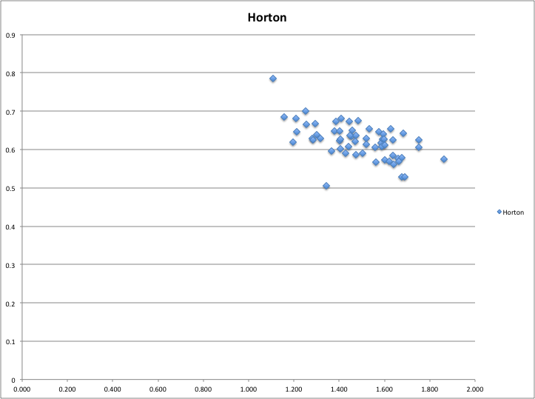
1.583 | 0.61722206871
1.484 | 0.67443763508
1.558 | 0.60525277503
1.453 | 0.63530512013
1.531 | 0.65479699264
1.475 | 0.6369660426
1.380 | 0.64853881641
1.108 | 0.78519335354
1.280 | 0.62816606095
1.284 | 0.62429976666
1.300 | 0.63929611002
1.365 | 0.59561921918
1.344 | 0.50550912509
1.561 | 0.56684729225
1.676 | 0.52766235985
1.659 | 0.57590838638
1.641 | 0.561038241
1.318 | 0.62825104974
1.253 | 0.66574177997
1.405 | 0.60151420593
1.637 | 0.5844516925
1.473 | 0.58722581441
1.441 | 0.60841047502
1.677 | 0.57840336265
1.502 | 0.58933218275
1.589 | 0.60717446966
1.521 | 0.61389110087
1.752 | 0.6256238739
1.403 | 0.62316998715
1.210 | 0.68185006041
1.456 | 0.65077937275
1.602 | 0.57229421864
1.637 | 0.62563245004
1.252 | 0.70127494848
1.293 | 0.6676350165
1.683 | 0.6415960574
1.387 | 0.67238407356
1.519 | 0.62885665015
1.863 | 0.57543754921
1.663 | 0.5699012829
1.403 | 0.64821706796
1.157 | 0.68518600234
1.211 | 0.64637806411
1.443 | 0.67235125904
1.429 | 0.58961406344
1.689 | 0.52904072929
1.620 | 0.56806671201
1.197 | 0.61850343322
1.600 | 0.61181588617
1.575 | 0.64715712065
1.591 | 0.62603497087
1.404 | 0.62745763076
1.447 | 0.63729688521
1.595 | 0.64048972494
1.471 | 0.62202497524
1.626 | 0.65347348254
1.598 | 0.62662482556

