Schema
Schema

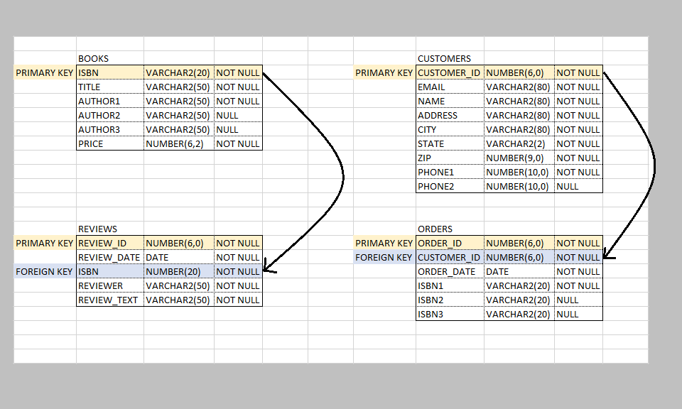
 |  | BOOKS |  |  |  | CUSTOMERS
 | PRIMARY KEY | ISBN | VARCHAR2(20) | NOT NULL | PRIMARY KEY | CUSTOMER_ID | NUMBER(6,0) | NOT NULL
 |  | TITLE | VARCHAR2(50) | NOT NULL |  | EMAIL | VARCHAR2(80) | NOT NULL
 |  | AUTHOR1 | VARCHAR2(50) | NOT NULL |  | NAME | VARCHAR2(80) | NOT NULL
 |  | AUTHOR2 | VARCHAR2(50) | NULL |  | ADDRESS | VARCHAR2(80) | NOT NULL
 |  | AUTHOR3 | VARCHAR2(50) | NULL |  | CITY | VARCHAR2(80) | NOT NULL
 |  | PRICE | NUMBER(6,2) | NOT NULL |  | STATE | VARCHAR2(2) | NOT NULL
 |  |  |  |  |  | ZIP | NUMBER(9,0) | NOT NULL
 |  |  |  |  |  | PHONE1 | NUMBER(10,0) | NOT NULL
 |  |  |  |  |  | PHONE2 | NUMBER(10,0) | NULL

 |  | REVIEWS |  |  |  | ORDERS
 | PRIMARY KEY | REVIEW_ID | NUMBER(6,0) | NOT NULL | PRIMARY KEY | ORDER_ID | NUMBER(6,0) | NOT NULL
 |  | REVIEW_DATE | DATE | NOT NULL | FOREIGN KEY | CUSTOMER_ID | NUMBER(6,0) | NOT NULL
 | FOREIGN KEY | ISBN | NUMBER(20) | NOT NULL |  | ORDER_DATE | DATE | NOT NULL
 |  | REVIEWER | VARCHAR2(50) | NOT NULL |  | ISBN1 | VARCHAR2(20) | NOT NULL
 |  | REVIEW_TEXT | VARCHAR2(50) | NOT NULL |  | ISBN2 | VARCHAR2(20) | NULL
 |  |  |  |  |  | ISBN3 | VARCHAR2(20) | NULL

