Program Variable
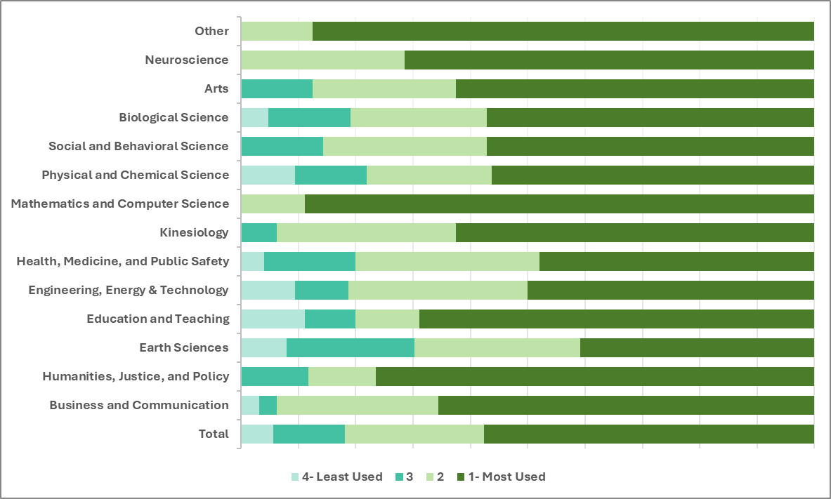
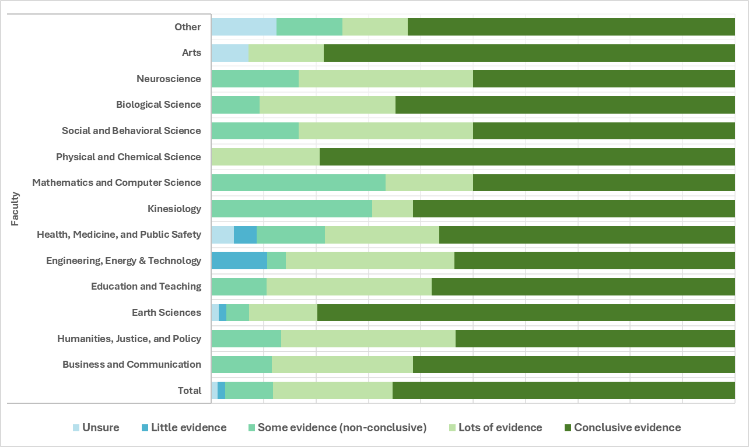
Variable 1 (Ind or dep) | Variable 2 (Ind or dep) | combo of specific variables | strength of signficance (^more than ; v less than) | Chi-squared p-value | ANOVA p-value | Comments |  |  |  | Human CC
Program (ind) | Human CC (dep) | Earth Sci - conclusive | ^^ | 0.027272866866 | N/A
 |  | Earth Sci - Lots of evidence | v
 |  | Kines - some evidence | ^^
 |  | Math & comp - some evidence | ^ |  |  |  |  | Peers
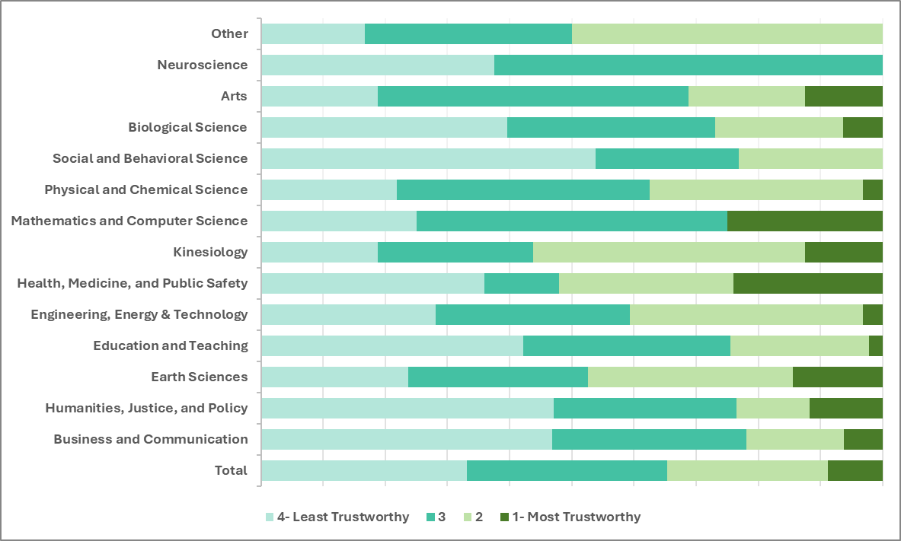
Program (ind) | Trust -Peers (dep) | Health/Med - Most trusted | ^^ | 0.027550800302 | 0.014
 |  | Health/Med - Rank 5/6 | v
 |  | Earth Sci - Most trusted | ^
Program (ind) | Trust - Social Media | Math & comp - Most trustworthy | ^^^ | 0.0054459522537 | 0.009
 |  | Math & comp - least trustwrothy | v
 |  | Earth Sci - Most trustworthy | v
 |  | Business - least trustworthy | vv |  |  |  |  |  |  |  | Social Media
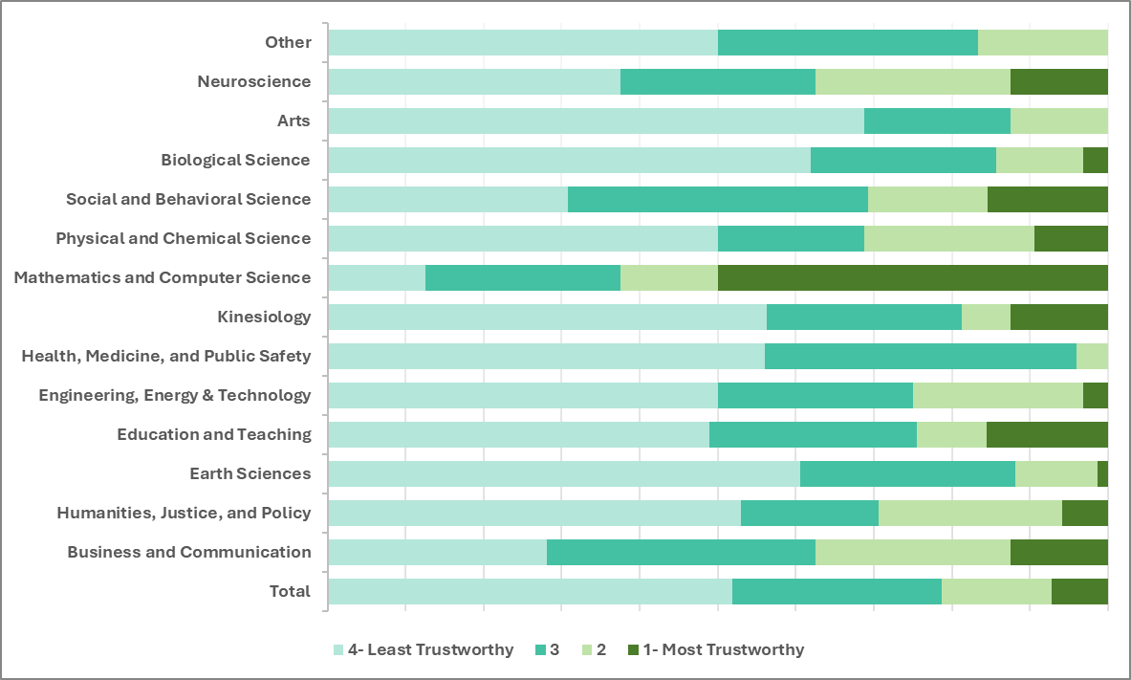
 |  | Education - most trustworthy | ^
Program (ind) | Trust - Teachers | Earth Sci - Most Trustworthy | ^^^ | 0.00059423595551 | 0 (ranked) |  | Teachers
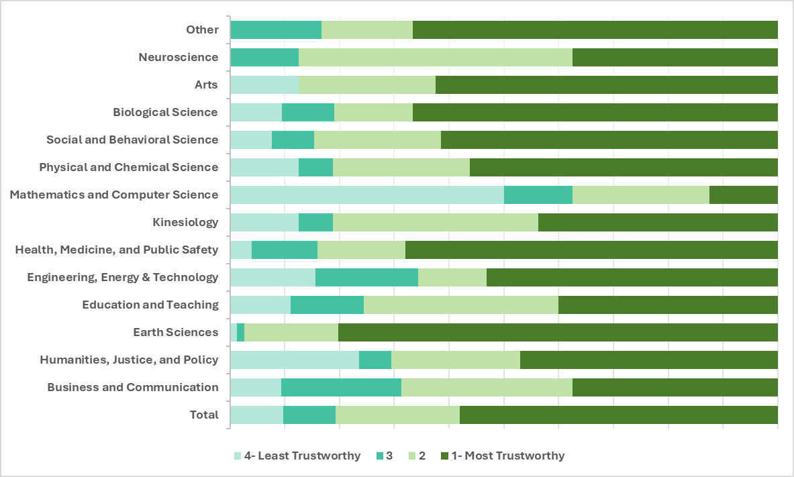
 |  | Earth Sci - Rank 5/6 | vv
 |  | Earth Sci - Least Trustworthy | vv
 |  | Education - Most Trustworthy | vv
 |  | Education - Rank 3/4 | ^
 |  | Math & comp - Most trustworthy | vv
 |  | Math & comp - least trustworthy | ^^^
 |  | Business - Most Trustworthy | v
 |  | Business - Rank 5/6 | ^
Program (ind) | Used - Internet | Kines - Ranked 5/6 | ^^^ | 0.32317801058 | 0.0471 | At least one group from (Categories) Faculty tends to have higher values for (Numbers) Internet than another group |  |  | Internet
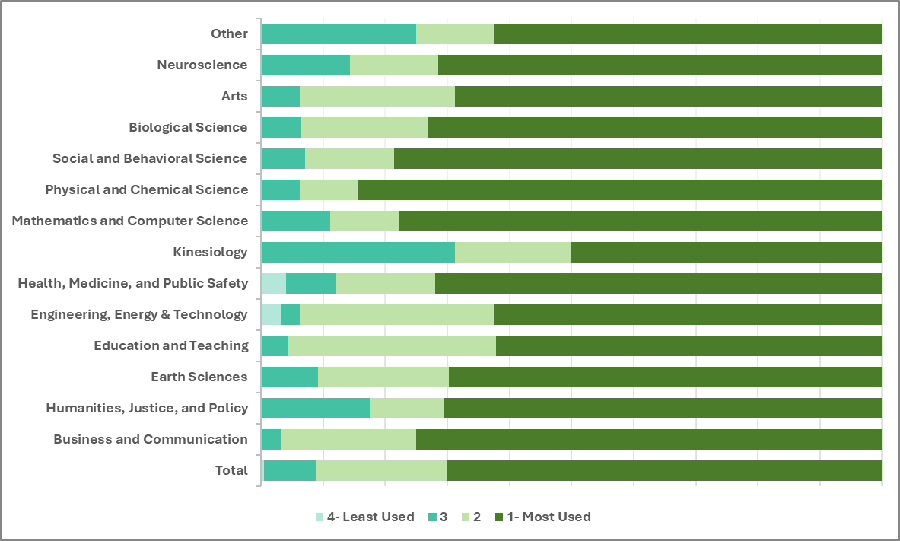
 |  | Education - ranked 3/4 | ^
 | Used - Newspaper | neuroscience - least used | ^^ | 0.43916269151 | 0
Program (ind) | Used - Teachers | Earth Sci - Most used | ^^^ | 0.00019804263591 | 0
 |  | Earth Sci - Rank 5/6 | vv
 |  | Earth Sci - Least used | vv
 |  | Kines - Ranked 5/6 | ^
 | Used- Social Media | Earth Sci - Most used | vvv | 0.37737890945 | 0.001
 |  | Earth Sci - Rank 5/6 | ^^
 |  |  |  |  |  |  |  |  | Teachers
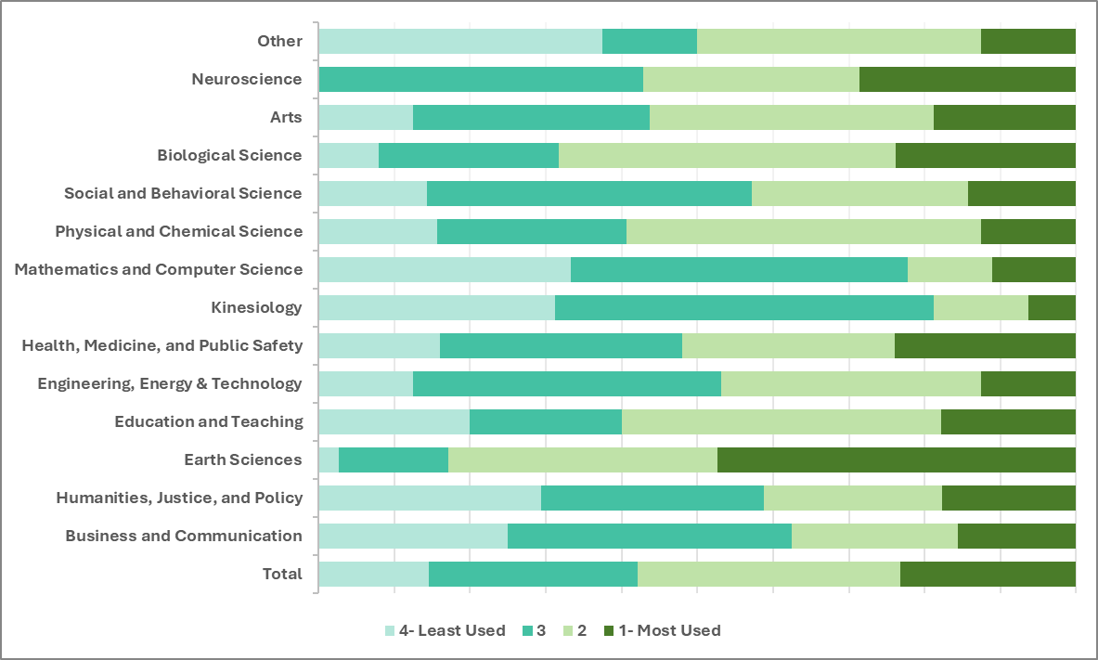

 |  |  |  |  |  |  |  |  | Social Media

Political_Ideology
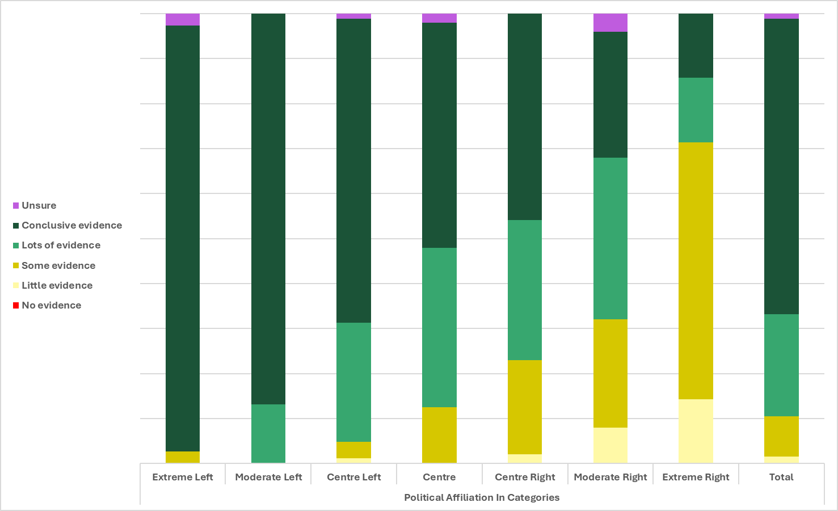
Variable 1 (Ind or dep) | Variable 2 (Ind or dep) | combo of specific variables | strength of signficance (^more then ; v less then) | Chi-squared p-value | ANOVA p-value | Comments
 | Human Contributions to CC (dep) | Extreme Right - Little evidence | ^^^ | 9.6942404158E-13 | N/A
 |  | Extreme Right - conclusive evidence | vv
 |  | Moderate Right - not conclusive (SOME) | ^^
 |  | Moderate Right - conclusive evidence | vvv
 |  | Center Right - not conclusive | ^^
 |  | Center Right - Conclusive | vv
 |  | Center - lots of evidence | ^
 |  | Center - conclusive | v
 |  | Center left - not conclusive | v
 |  | moderate left - not conclusive | vvv
 |  | Moderate left - lots of evidence | v
 |  | Moderate left - conclusive | ^^^
 |  | Extreme Left - lots of evidence | vvv
 |  | Extreme left - Conclusive evidence | ^^ |  |  |  | Teachers and profs
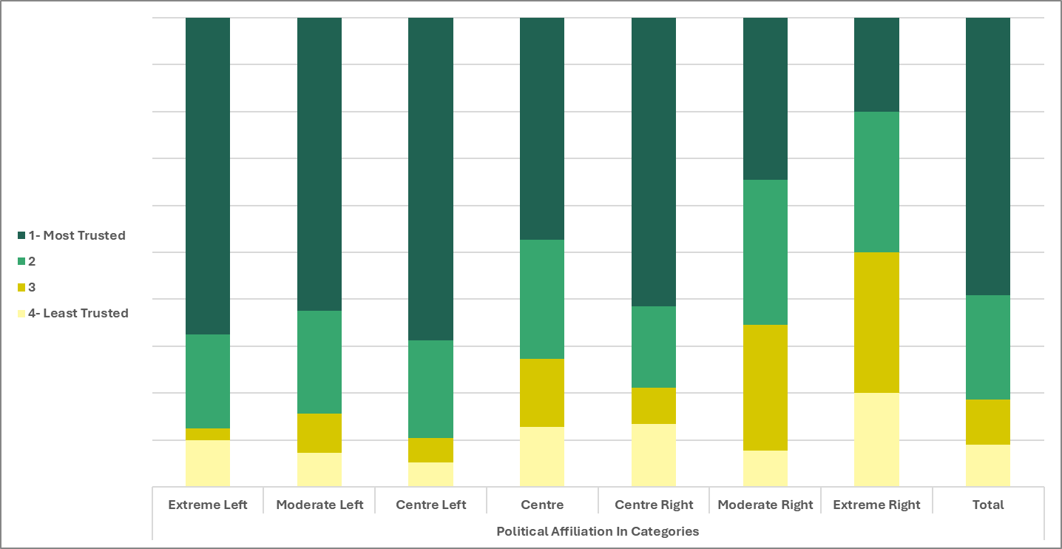
 | Trust - Teachers | Extreme Right - Most trustworthy | v | 0.011340005698 | 0.003
 |  | Extreme Right - Rank 5/6 | ^
 |  | Moderate Right - Most Trustworthy | vv
 |  | Moderate Right - Rank 5/6 | ^^
 |  | Center Left - Most trustworthy | ^ |  |  |  | Friends and family
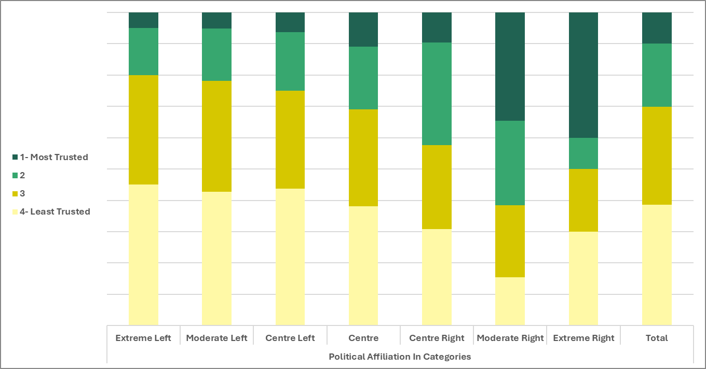
 | Trust - Friends & Family | Extreme right - Most Trustworthy | ^^ | 0.00053883070538 | 0.001
 |  | Moderate Right - Most Trustworthy | ^^^
 |  | Moderate Right - Least Trustworthy | v
 |  | Center Right - Rank 3/4 | ^
 | Used - TV | Extreme Right - Most Used | ^^ | 0.015772542743 | 0.045
 |  | Extreme Right - Rank 5/6 | v |  |  | Used- | TV
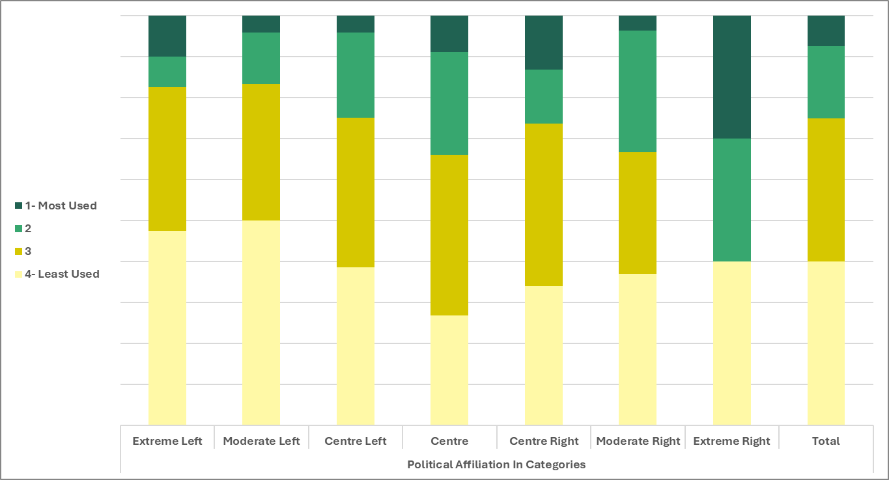
 |  | Center - least Used | v
 |  | Moderate Left - least used | ^

Trust_HumanCC
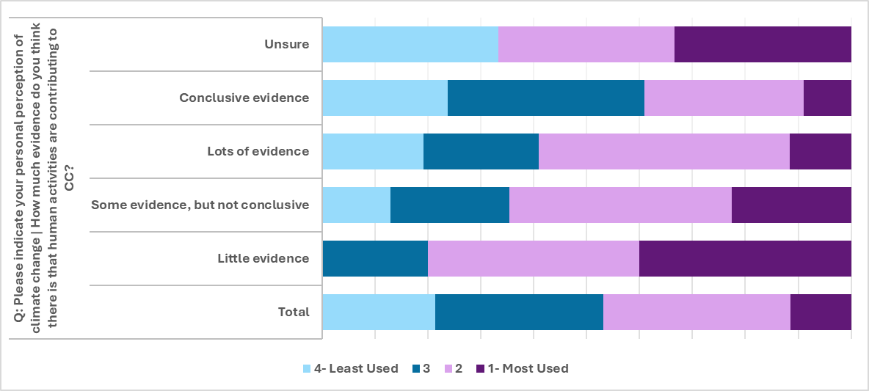
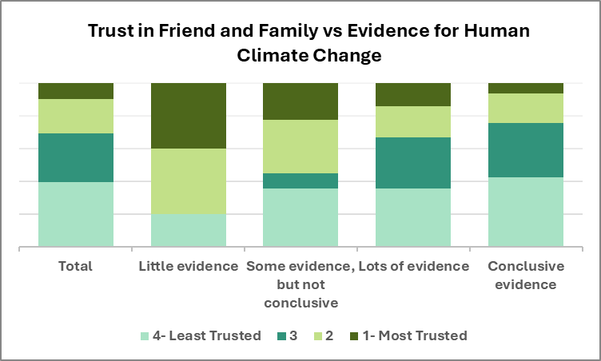
Variable 1 (Ind or dep) | Variable 2 (Ind or dep) | combo of specific variables | strength of signficance (^more then ; v less then) | Chi-squared p-value | ANOVA p-value | Comments
Trust - Friends & Family (ind) | Human contribution to CC (dep) | Most trustworthy - some evidence | ^ | 0.00020968576987 | 0
 |  | Most trustworthy - Conclusive evidence | vv
 |  | Ranked 5/6 - Some evidence | v
Trust - Teachers (ind) | Human contribution to CC (dep) | Most trustworthy - some evidence | vv | 0.0047530114626 | 0.013
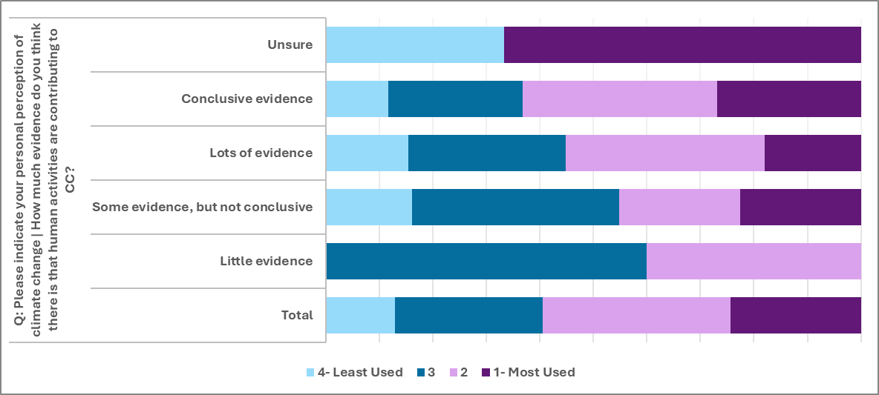
 |  | Most trustworthy - Conclusive evidence | ^^^
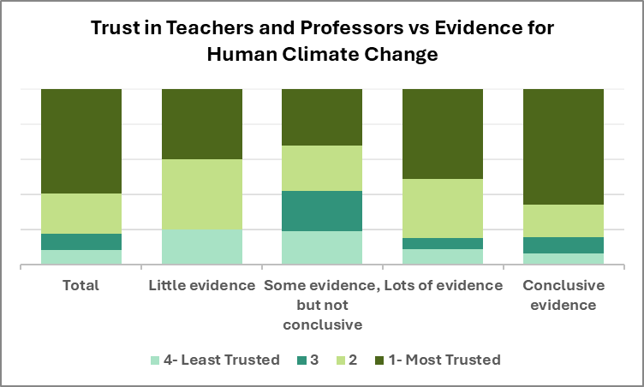
 |  | Rank 3/4 - Lots of evidence | ^
 |  | Rank 3/4 - conclusive evidence | vv
 |  | Rank 5/6 - some evidence | ^
 |  | Least Trustworthy - some evidence | ^

Parent_Education
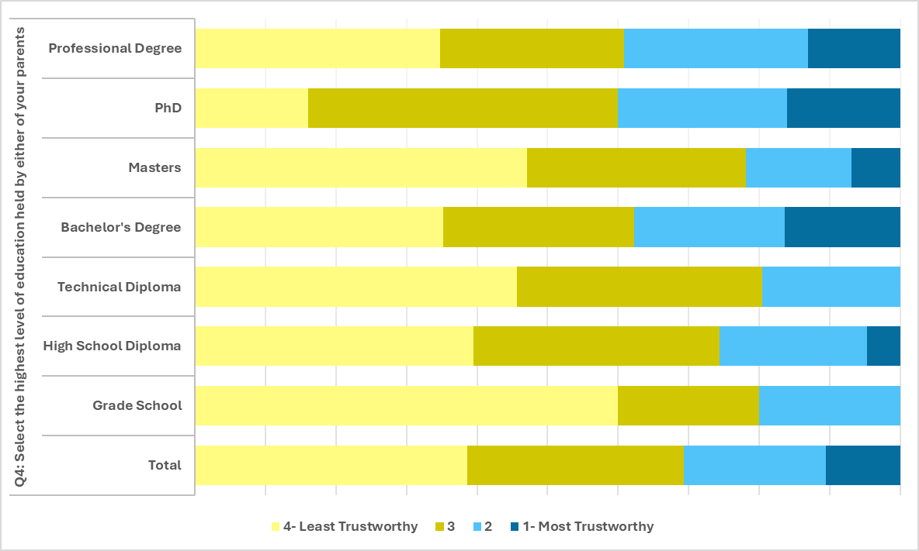
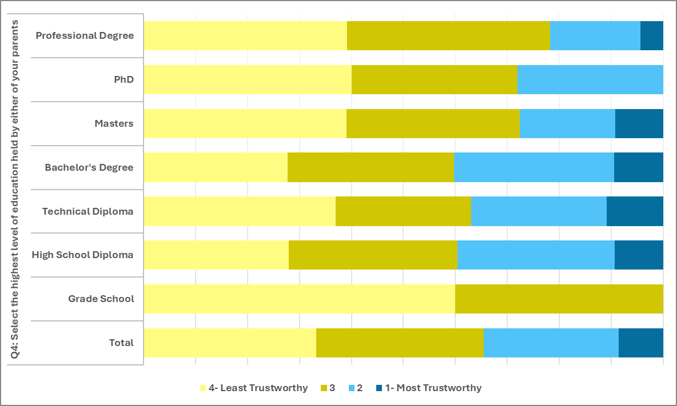
Variable 1 (Ind or dep) | Variable 2 (Ind or dep) | combo of specific variables | strength of signficance (^more then ; v less then) | Chi-squared p-value | ANOVA p-value | Comments
Parent Education (ind) | Trust - Peers |  |  | 0.67521630243 | 0.009 |  | Peers
 | Trust - Friends & Family | Technical Degree - Most Trustworthy | v | 0.11529968215 | 0.021
 |  | Bachelor's Degree - Most trustworthy | ^^
 |  | PhD - Least Trustworthy | v

 |  |  |  |  |  |  | Family and Friends

Broad_Field_Study
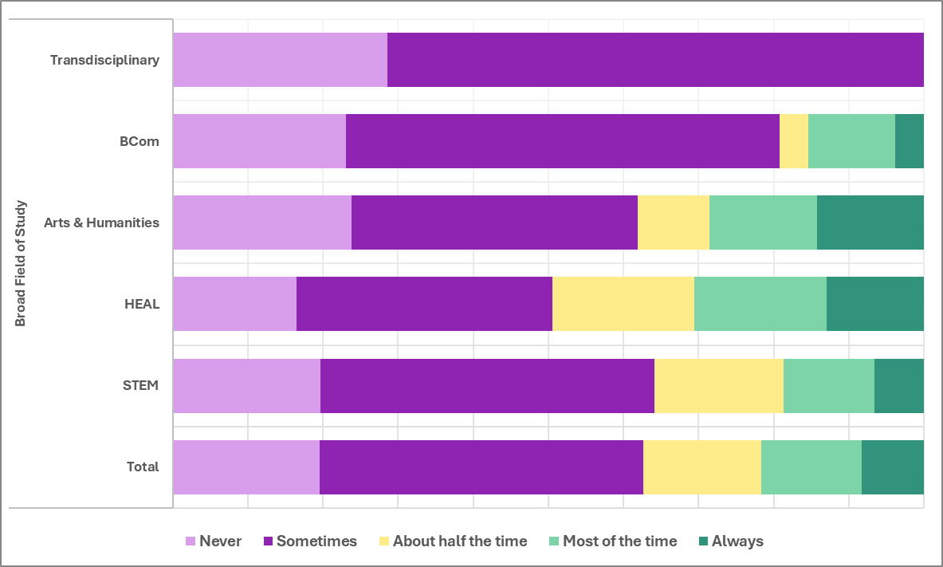
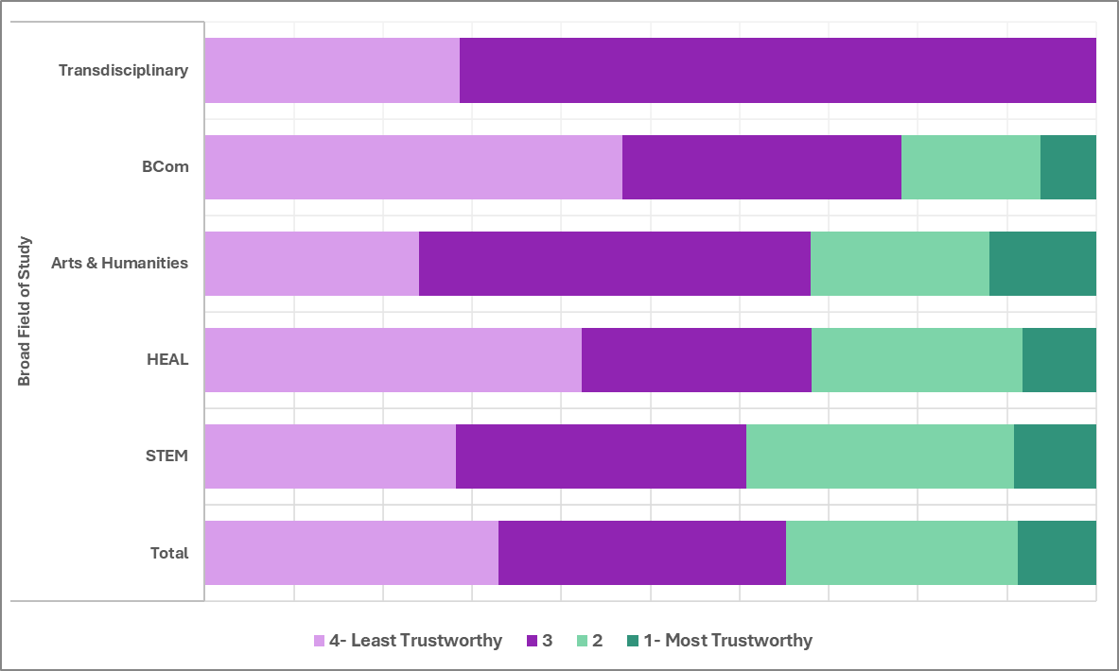
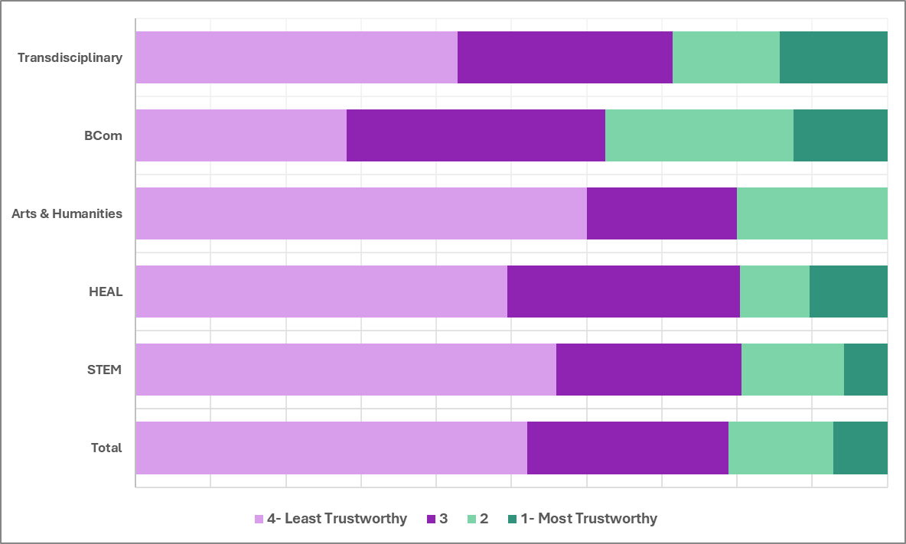
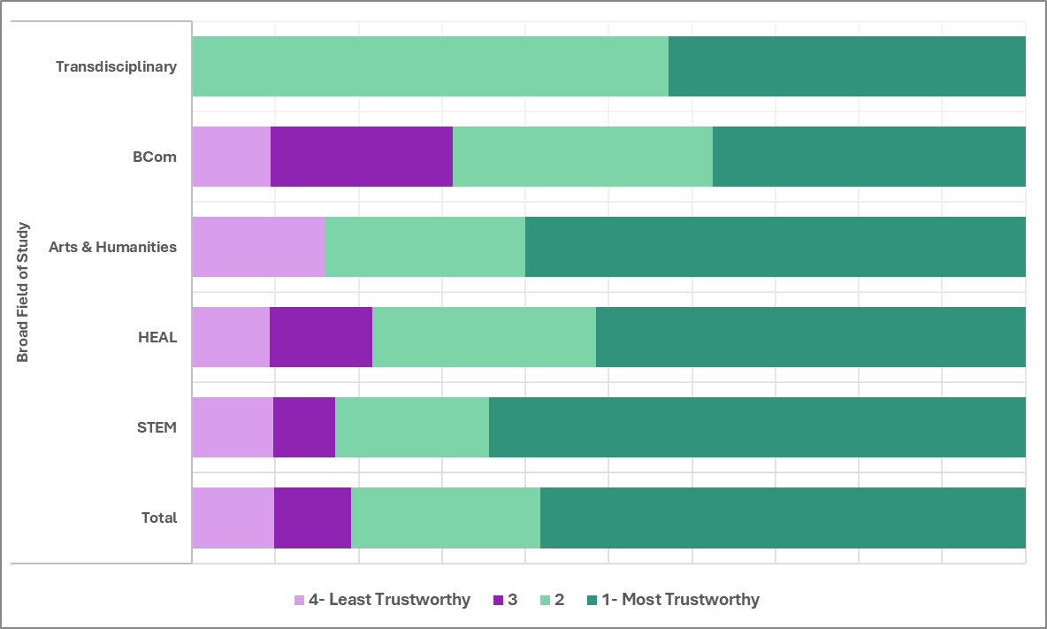
Variable 1 (Ind or dep) | Variable 2 (Ind or dep) | combo of specific variables | strength of signficance (^more then ; v less then) | Chi-squared p-value | ANOVA p-value | Comments | Peers |  | Social Media | Teachers and Profs
Broad Field of Study (ind) | Trust - Peers | STEM - ranl 3/4 | ^ | 0.098477212916 | 0.022
 |  | STEM - Least trustworthy | v
 |  | HEAL - Least trustworthy | ^
 |  | Transdisciplinary - rank 5/6 | ^
 | Trust - Social Media | BCom - Least Trustworthy | vv | 0.1366708583 | 0.105 | At least one group from (Buckets) Broad Field of Study tends to have higher values for (Numbers) Social Media than another group
 | Trust - Teachers | STEM - Most Trustworthy | ^^ | 0.020533942564 | 0.168 | At least one group from (Buckets) Broad Field of Study tends to have higher values for (Numbers) Teachers/Instructors/Professors than another group
 |  | STEM - Rank 3/4 | v
 |  | BCom- Most Trustworthy | v
 |  | BCom - rank 5/6 | ^
 |  | Transdisciplinary - Rank 3/4 | ^
 | Verification - Teachers |  |  | 0.34642866642 | 0.012 (ranked) |  |  | Teachers and Profs

Time_On_Social_Media
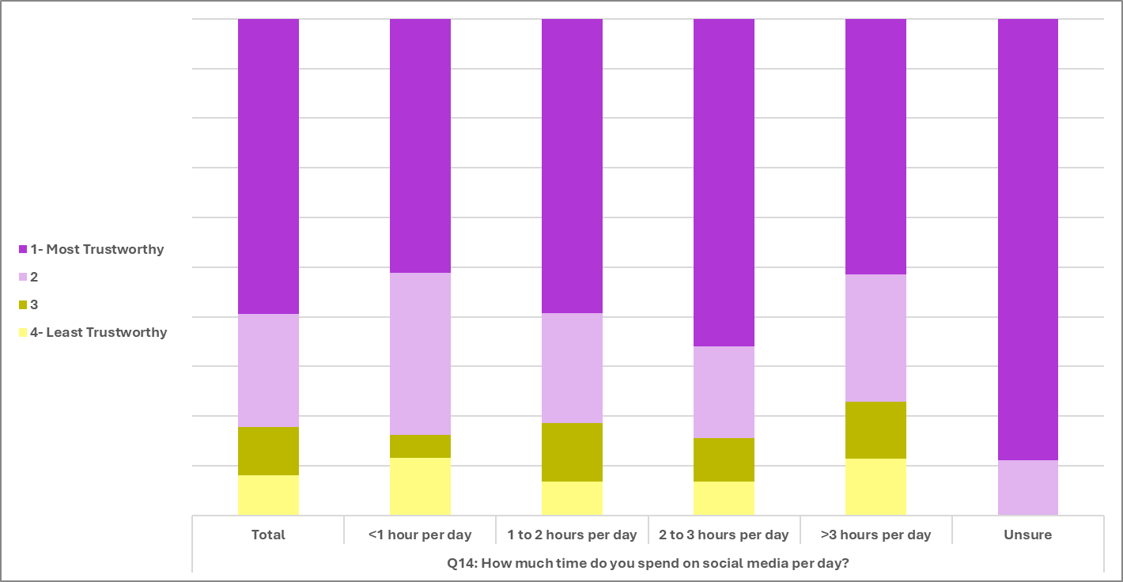
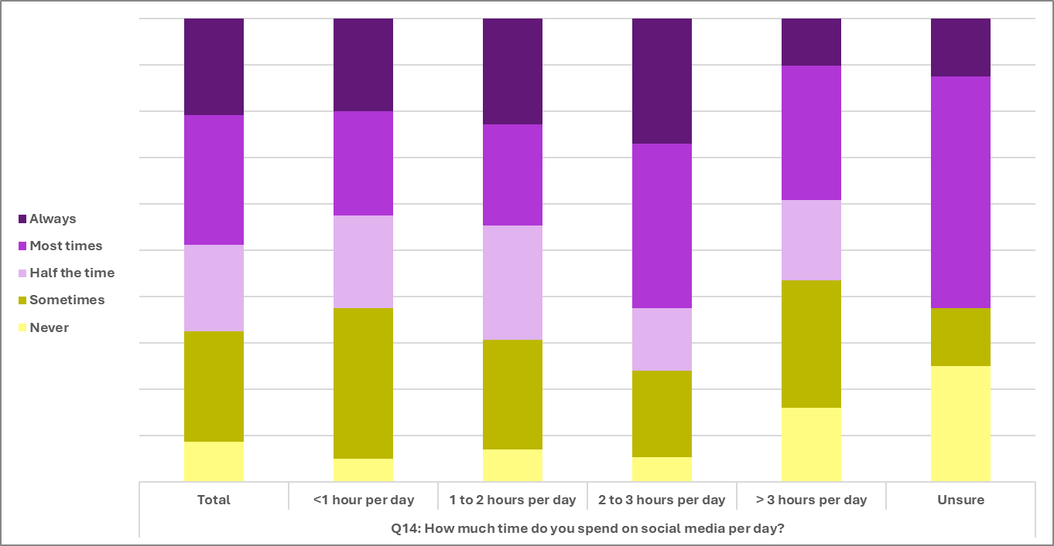
Variable 1 (Ind or dep) | Variable 2 (Ind or dep) | combo of specific variables | strength of signficance (^more then ; v less then) | Chi-squared p-value | ANOVA p-value | Comments | Friends and family
 | Verify Information - Friends & Family | 1-2 hours - about half the time | ^ | 0.027031228826 | 0.022
 |  | More than 3 - Never | ^
 |  | More than 3 - Always | v
 | Verify information - Internet | More than 3 - Never | ^ | 0.10644593951 | 0.054 | At least one group from (Buckets) How much time do you spend on social media per day? tends to have higher values for (Numbers) I verify CC information presented by the Internet than another group
 |  | More than 3 - Sometimes | ^
 |  | 2-3 hours - Most of the time | ^ |  |  |  | Internet
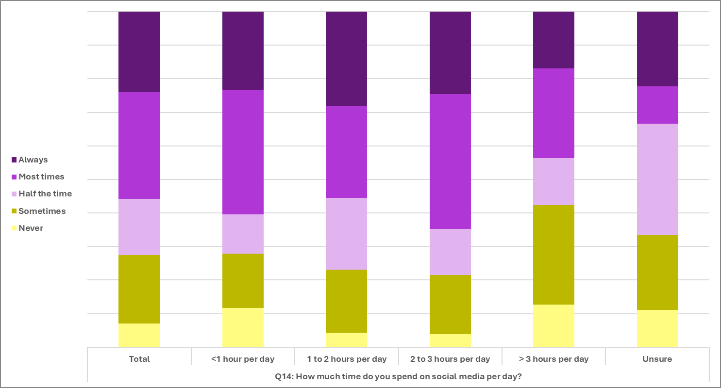
 | Verify Information - Social Media | More than 3 - Never | ^^^ | 0.0029509884313 | N/A
 |  | More than 3 - Sometimes | ^
 |  | More than 3 - Always | v
 |  | 2-3 hours - Never | v
 |  | Unsure - About 1/2 the time | ^^
 |  | Unsure - Most of the time | v
 | Verify Information - Traditional Media | More than 3 - Never | ^^ | 0.10017469328 | 0.001 |  | Traditional Meida
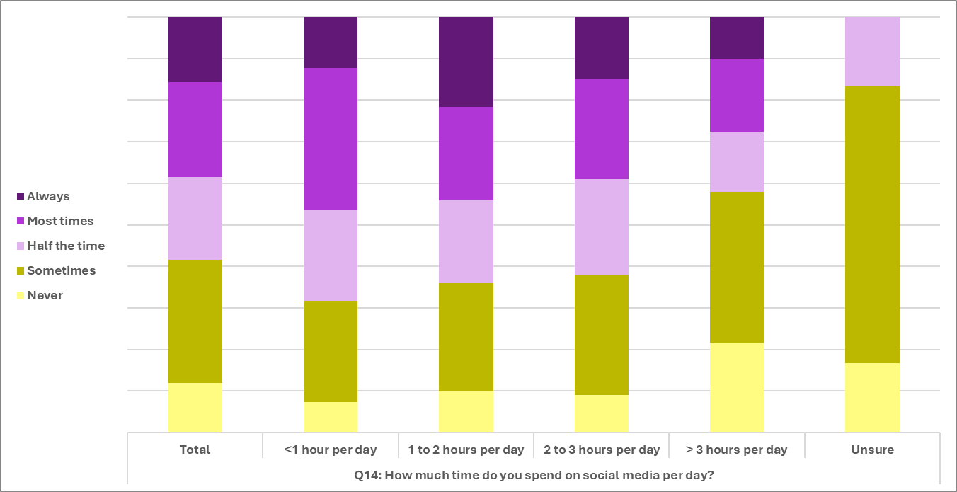
 |  | Unsure - Sometimes | ^
 |  | 1-2 hours - Always | ^
 | Trust - Friends & Family | Less than 1 hour - Most Trustworthy | ^^^ | 0.0015411667347 | 0.002
 |  | Less than 1 hour - Least Trustworthy | v
 |  | 2-3 hours - Most trustworthy | v
 |  | 2-3 hours - Least trustworthy | ^ |  |  |  | Social Media
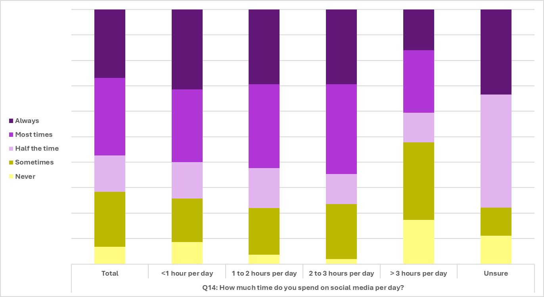
 | Trust - Teachers |  |  | 0.40593423961 | 0.025

 | Friends and Family
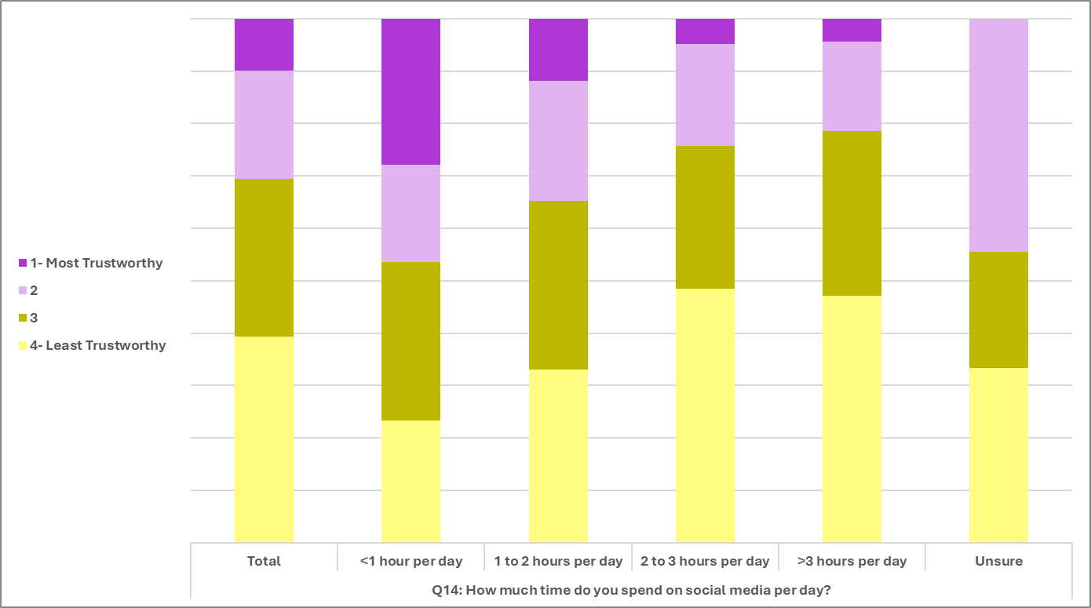

 | Teachers and Profs

