75_1035
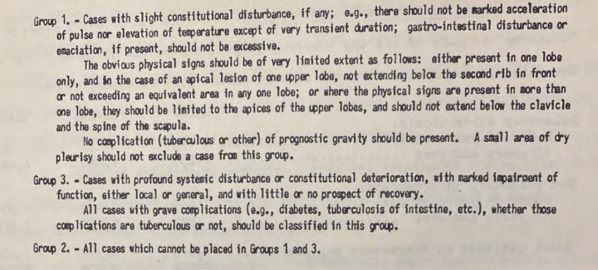
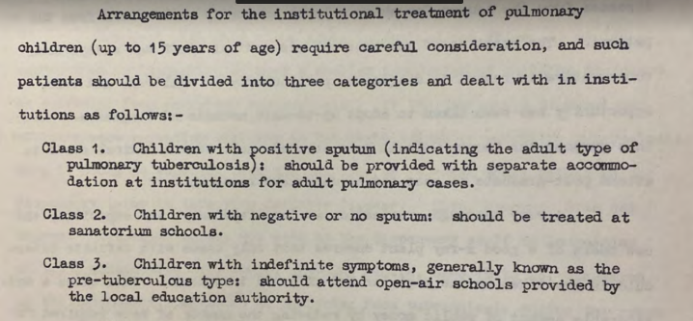
study_id | paper_id | cohort_id | severity | start_type | sanatorium | interval_l | interval_r | n | c1a | c1b | c1a_plus_b | c2 | c3 | c2_plus_c3 | l
75_1035 | 75_1035 | 75_1035_1 | None | Entry | Yes | 0 | 0.083 | 242 | 60 | 0 |  | 30 | 152 |  | 0
75_1035 | 75_1035 | 75_1035_2 | None | Entry | Yes | 0.083 | 0.25 | 340 | 77 | 0 |  | 38 | 225 |  | 0
75_1035 | 75_1035 | 75_1035_3 | None | Entry | Yes | 0.25 | 0.5 | 416 | 50 | 0 |  | 78 | 288 |  | 0
75_1035 | 75_1035 | 75_1035_4 | None | Entry | Yes | 0.5 | 1 | 411 | 48 | 0 |  | 103 | 260 |  | 0
75_1035 | 75_1035 | 75_1035_5 | TB plus I (early) | Entry | Yes | 0 | 0.083 | 8 | 2 | 0 |  | 0 | 6 |  | 0
75_1035 | 75_1035 | 75_1035_6 | TB plus I (early) | Entry | Yes | 0.083 | 0.25 | 26 | 2 | 0 |  | 1 | 23 |  | 0
75_1035 | 75_1035 | 75_1035_7 | TB plus I (early) | Entry | Yes | 0.25 | 0.5 | 25 | 1 | 0 |  | 4 | 20 |  | 0
75_1035 | 75_1035 | 75_1035_8 | TB plus I (early) | Entry | Yes | 0.5 | 1 | 44 | 3 | 0 |  | 14 | 27 |  | 0
75_1035 | 75_1035 | 75_1035_9 | TB plus II (intermediate) | Entry | Yes | 0 | 0.083 | 57 | 28 | 0 |  | 3 | 26 |  | 0
75_1035 | 75_1035 | 75_1035_10 | TB plus II (intermediate) | Entry | Yes | 0.083 | 0.25 | 128 | 44 | 0 |  | 1 | 83 |  | 0
75_1035 | 75_1035 | 75_1035_11 | TB plus II (intermediate) | Entry | Yes | 0.25 | 0.5 | 179 | 27 | 0 |  | 11 | 141 |  | 0
75_1035 | 75_1035 | 75_1035_12 | TB plus II (intermediate) | Entry | Yes | 0.5 | 1 | 209 | 27 | 0 |  | 16 | 166 |  | 0
75_1035 | 75_1035 | 75_1035_13 | TB plus III (advanced) | Entry | Yes | 0 | 0.083 | 31 | 17 | 0 |  | 2 | 12 |  | 0
75_1035 | 75_1035 | 75_1035_14 | TB plus III (advanced) | Entry | Yes | 0.083 | 0.25 | 34 | 12 | 0 |  | 0 | 22 |  | 0
75_1035 | 75_1035 | 75_1035_15 | TB plus III (advanced) | Entry | Yes | 0.25 | 0.5 | 52 | 16 | 0 |  | 2 | 34 |  | 0
75_1035 | 75_1035 | 75_1035_16 | TB plus III (advanced) | Entry | Yes | 0.5 | 1 | 29 | 8 | 0 |  | 4 | 17 |  | 0

