normaldistr-womensbasket
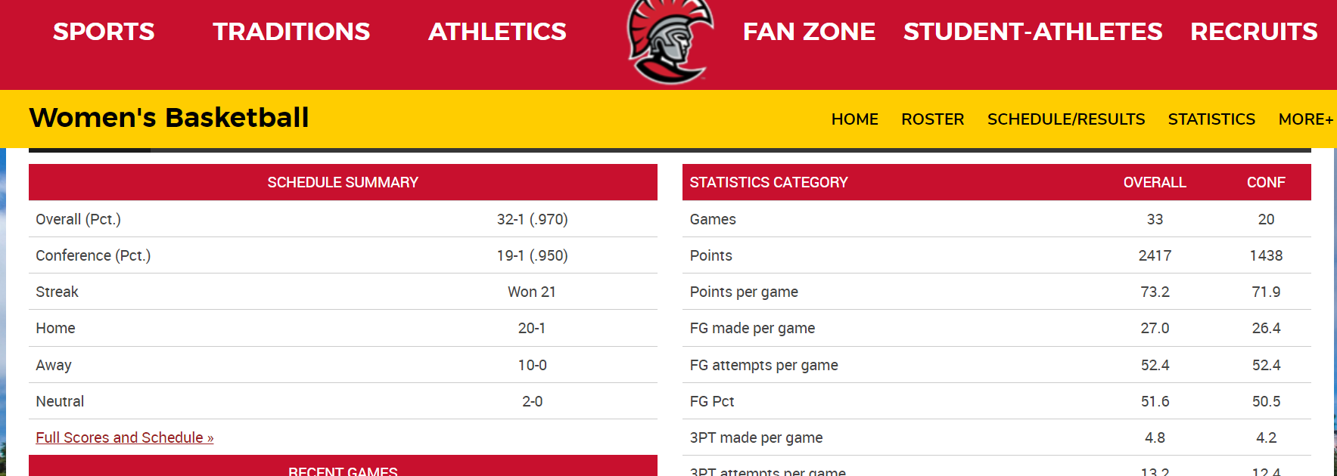
 |  |  |  |  |  |  |  | One Normal Distr and One Norm.Inv
Using Normal Distribution, what is the probability the team will score more than 70 points in a game?

x | 70.00
mean | 73.24
stdev | 7.87
cum | TRUE

Probability 70 or less | 0.34
Probability 70 or more | 0.66

If I were to bet on a game score, what score could I have a 90% probability of guessing correct?

prob | 0.90
mean | 73.24
stdev | 7.87

90% Prob of Guessing the Score | 83.33 | or less points will be scored in the game

Attendance
DATE | OPPONENT | SCORE | FG | PCT | 3PT | PCT | FT | PCT | OFF | DEF | REB | AST | TO | STL | BLK | PF | PTS
45241.00 | Spring Hill | W, 77-47 | 30-61 | 49.20 | 45160.00 | 36.40 | 45181.00 | 75.00 | 3.00 | 26.00 | 29.00 | 22.00 | 17.00 | 9.00 | 7.00 | 13.00 | 77.00
45242.00 | West Georgia | W, 69-55 | 21-44 | 47.70 | 45064.00 | 27.80 | 22-25 | 88.00 | 5.00 | 29.00 | 34.00 | 13.00 | 13.00 | 3.00 | 2.00 | 13.00 | 69.00
45246.00 | Fort Valley State | W, 71-44 | 26-53 | 49.10 | 45227.00 | 35.70 | 45178.00 | 100.00 | 10.00 | 28.00 | 38.00 | 22.00 | 18.00 | 4.00 | 3.00 | 15.00 | 71.00
45250.00 | Barry | W, 75-69 | 24-51 | 47.10 | 45097.00 | 30.00 | 21-27 | 77.80 | 3.00 | 28.00 | 31.00 | 16.00 | 19.00 | 11.00 | 1.00 | 8.00 | 75.00
45254.00 | vs. Mary | W, 88-65 | 35-57 | 61.40 | 45027.00 | 36.40 | 14-18 | 77.80 | 5.00 | 29.00 | 34.00 | 20.00 | 12.00 | 4.00 | 3.00 | 13.00 | 88.00
45255.00 | vs. St. Edward's | W, 68-50 | 23-51 | 45.10 | 45028.00 | 33.30 | 18-21 | 85.70 | 5.00 | 25.00 | 30.00 | 15.00 | 11.00 | 10.00 | 2.00 | 16.00 | 68.00
45260.00 | at Florida Tech | W, 83-75 | 27-49 | 55.10 | 45056.00 | 50.00 | 24-32 | 75.00 | 7.00 | 33.00 | 40.00 | 24.00 | 16.00 | 3.00 | 2.00 | 21.00 | 83.00
45263.00 | Embry-Riddle (Fla.) | W, 70-55 | 26-53 | 49.10 | 45125.00 | 38.90 | 45243.00 | 84.60 | 6.00 | 29.00 | 35.00 | 18.00 | 11.00 | 4.00 | 5.00 | 3.00 | 70.00
45276.00 | Clayton State | W, 78-69 | 25-39 | 64.10 | 45057.00 | 45.50 | 23-32 | 71.90 | 7.00 | 31.00 | 38.00 | 17.00 | 18.00 | 1.00 | 2.00 | 17.00 | 78.00
45278.00 | Notre Dame (Ohio) | W, 87-58 | 33-52 | 63.50 | 45154.00 | 50.00 | 13-18 | 72.20 | 8.00 | 38.00 | 46.00 | 22.00 | 16.00 | 2.00 | 3.00 | 5.00 | 87.00
45279.00 | #7 West Texas A&M | W, 67-51 | 28-64 | 43.80 | 45086.00 | 66.70 | 45054.00 | 62.50 | 6.00 | 33.00 | 39.00 | 15.00 | 8.00 | 7.00 | 3.00 | 6.00 | 67.00
45289.00 | Palm Beach Atlantic | L, 79-76 | 28-69 | 40.60 | 45032.00 | 25.00 | 16-22 | 72.70 | 13.00 | 33.00 | 46.00 | 19.00 | 16.00 | 11.00 | 2.00 | 16.00 | 76.00
44927.00 | at Lynn | W, 74-68 | 24-47 | 51.10 | 45027.00 | 36.40 | 22-30 | 73.30 | 6.00 | 29.00 | 35.00 | 20.00 | 14.00 | 4.00 | 4.00 | 17.00 | 74.00
44930.00 | at Saint Leo | W, 68-59 | 24-45 | 53.30 | 45088.00 | 54.50 | 14-23 | 60.90 | 8.00 | 35.00 | 43.00 | 19.00 | 19.00 | 4.00 | 7.00 | 9.00 | 68.00
44933.00 | Rollins | W, 71-44 | 31-61 | 50.80 | 44933.00 | 14.30 | 45146.00 | 100.00 | 7.00 | 40.00 | 47.00 | 13.00 | 6.00 | 1.00 | 4.00 | 6.00 | 71.00
44937.00 | at Nova Southeastern | W, 78-77 | 32-56 | 57.10 | 44929.00 | 33.30 | 13-14 | 92.90 | 6.00 | 23.00 | 29.00 | 15.00 | 13.00 | 5.00 | 2.00 | 11.00 | 78.00
44940.00 | #8 Eckerd | W, 56-54 | 22-50 | 44.00 | 44937.00 | 9.10 | 45243.00 | 84.60 | 4.00 | 28.00 | 32.00 | 6.00 | 10.00 | 3.00 | 4.00 | 12.00 | 56.00
44944.00 | at Florida Southern | W, 81-72 | 27-48 | 56.30 | 45126.00 | 36.80 | 20-26 | 76.90 | 2.00 | 26.00 | 28.00 | 23.00 | 11.00 | 4.00 | 5.00 | 8.00 | 81.00
44947.00 | at Embry-Riddle (Fla.) | W, 72-53 | 29-51 | 56.90 | 44998.00 | 23.10 | 45243.00 | 84.60 | 8.00 | 26.00 | 34.00 | 11.00 | 17.00 | 10.00 | 3.00 | 14.00 | 72.00
44954.00 | Lynn | W, 58-53 | 21-47 | 44.70 | 44992.00 | 42.90 | 13-18 | 72.20 | 4.00 | 29.00 | 33.00 | 9.00 | 12.00 | 3.00 | 6.00 | 8.00 | 58.00
44958.00 | at Rollins | W, 71-63 | 25-52 | 48.10 | 45027.00 | 36.40 | 17-22 | 77.30 | 4.00 | 35.00 | 39.00 | 8.00 | 10.00 | 1.00 | 0.00 | 10.00 | 71.00
44961.00 | at Palm Beach Atlantic | W, 60-44 | 25-52 | 48.10 | 45056.00 | 50.00 | 45054.00 | 62.50 | 5.00 | 28.00 | 33.00 | 20.00 | 11.00 | 7.00 | 6.00 | 13.00 | 60.00
44965.00 | Saint Leo | W, 78-62 | 26-46 | 56.50 | 45056.00 | 50.00 | 21-25 | 84.00 | 4.00 | 32.00 | 36.00 | 17.00 | 19.00 | 8.00 | 1.00 | 13.00 | 78.00
44968.00 | Florida Southern | W, 65-44 | 25-51 | 49.00 | 44992.00 | 42.90 | 45279.00 | 63.20 | 7.00 | 31.00 | 38.00 | 12.00 | 17.00 | 7.00 | 4.00 | 13.00 | 65.00
44972.00 | at #7 Eckerd | W, 84-79 | 30-54 | 55.60 | 45158.00 | 40.00 | 16-23 | 69.60 | 3.00 | 28.00 | 31.00 | 19.00 | 16.00 | 3.00 | 2.00 | 10.00 | 84.00
44975.00 | Nova Southeastern | W, 80-53 | 30-54 | 55.60 | 44970.00 | 15.40 | 18-19 | 94.70 | 4.00 | 34.00 | 38.00 | 17.00 | 15.00 | 5.00 | 1.00 | 16.00 | 80.00
44979.00 | at Barry | W, 74-46 | 29-54 | 53.70 | 44963.00 | 33.30 | 14-20 | 70.00 | 9.00 | 30.00 | 39.00 | 19.00 | 10.00 | 8.00 | 1.00 | 10.00 | 74.00
44982.00 | Florida Tech | W, 64-41 | 24-58 | 41.40 | 45133.00 | 26.90 | 45184.00 | 60.00 | 10.00 | 27.00 | 37.00 | 22.00 | 8.00 | 5.00 | 6.00 | 8.00 | 64.00
44985.00 | Saint Leo | W, 79-61 | 28-53 | 52.80 | 44995.00 | 30.00 | 20-27 | 74.10 | 8.00 | 26.00 | 34.00 | 19.00 | 13.00 | 6.00 | 4.00 | 11.00 | 79.00
44987.00 | Florida Southern | W, 77-61 | 30-56 | 53.60 | 45090.00 | 46.20 | 45244.00 | 78.60 | 5.00 | 26.00 | 31.00 | 24.00 | 6.00 | 2.00 | 2.00 | 8.00 | 77.00
44990.00 | Lynn | W, 63-43 | 24-46 | 52.20 | 44963.00 | 33.30 | 13-20 | 65.00 | 5.00 | 33.00 | 38.00 | 14.00 | 20.00 | 5.00 | 4.00 | 12.00 | 63.00
44995.00 | Tuskegee | W, 82-64 | 31-53 | 58.50 | 45187.00 | 50.00 | 45242.00 | 91.70 | 6.00 | 28.00 | 34.00 | 22.00 | 18.00 | 6.00 | 1.00 | 10.00 | 82.00
44996.00 | Lee | W, 73-51 | 28-51 | 54.90 | 45091.00 | 42.90 | 45243.00 | 84.60 | 6.00 | 25.00 | 31.00 | 13.00 | 10.00 | 7.00 | 3.00 | 7.00 | 73.00
44998.00 | Eckerd |  | - | - | - | - | - | - | - | - | - | - | - | - | - | - | -
45005.00 | vs. NCAA Quarterfinals |  | - | - | - | - | - | - | - | - | - | - | - | - | - | - | -
45007.00 | vs. NCAA Semifinals |  | - | - | - | - | - | - | - | - | - | - | - | - | - | - | -
45017.00 | vs. NCAA Championship |  | - | - | - | - | - | - | - | - | - | - | - | - | - | - | -
Facebook

Twitter

Email

Print

Addthis
University of Tampa
NCAA Division II
Sunshine State Conference
Presto Sports

mensbaseball-exponential
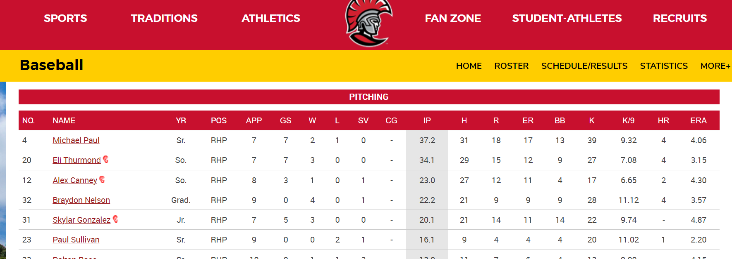
ERA is earned run average of earned runs a pitcher allows in a 9 inning game. Using Exponential Distribution, given Michael Paul's ERA of 4.06, what is the probability he will allow a run in the next inning?

x | 1.00
lambda | 0.45
cum | TRUE

Probability allow a run in the next inning? | 0.36

womensswimming-proportion
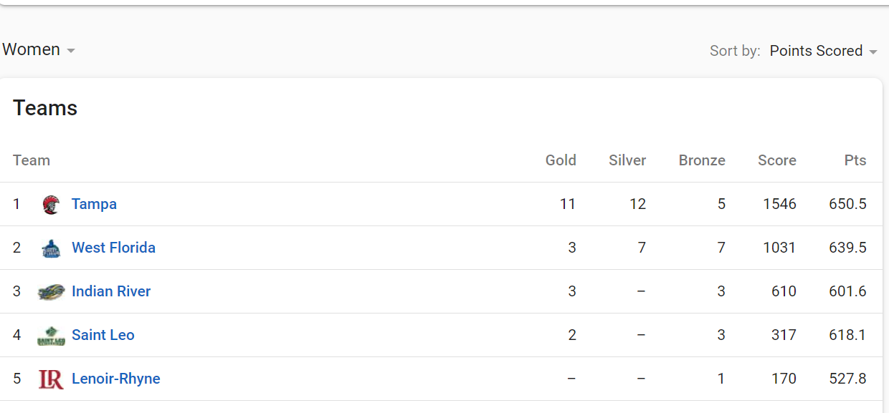

Out of 19 events, the women's swimming team at the Spartan Invitational won 11 Gold Medals, if we randomly selected 5 events, what is the probability that that at least 4 out of the 5 selected were a gold medal event for the women's swimming team? |  |  |  |  |  |  |  | 15.8%

Standard Error of Proportion
 | sqrt | p(1-p) | 0.2438
 |  | n | 5.0000 | 0.0488 | 0.2208

p | 0.5789
n | 5.0000

Zscore for proportions: | z= | pbar | minus | p
 |  | 0.8000 |  | 0.5789 | 0.2211
 | standard error of proportion |  |  |  |  | z-score | 1.001
 |  |  |  |  | 0.2208 |  | 0.8416 | 0.1584

 |  |  |  |  |  |  |  | s

