1. Title page
[Title Page]

Project Name: Instacart Basket Analysis
Date: Jan-24
Analyst Name: Sarah Tischer

Contents: | Citations:
2. Population flow | 1. “The Instacart Online Grocery Shopping Dataset 2017”, Accessed from www.instacart.com/datasets/grocery-shopping-2017 via Kaggle on 18-02-2024.
3. Consistency checks | 2. Data on customers and the "prices" column in the 'products' dataset were fabricated for the purpose of this analysis.
4. Wrangling steps
5. Column derivations
6. Visualizations
7. Recommendations

2. Population flow
[Title Page]

orders Total: 3421083
customers Total: 206209
orders_products_customers_merged Total: 32404859
orders_products_merged Total: 32404859
products Total: 49672
customers Total: 206209
products Total : 49693
orders_products_prior Total: 32434489
orders_products_prior Total: 32434489
orders_products_combined Total: 32434489
orders Total: 3421083
Exclusion flag
Condition: max_order < 5
Obervations to be removed: 1440295
Final total count of dataframe_filtered: 30964564
Original data
After consistency checks
Combined data sets
Final data set
Population flow

3. Consistency checks
[Title Page]

Consistency checks

Dataset | Missing values | Missing values treatment | Duplicates
orders | 206,209 apparently missing values in 'days_since_prior_order' | No treatmeant needed since they are no true NaNs. In fact, they correlate with order_number = 1, which means that this is the user's first order, and therefore there has been no prior order and no time since. | No duplicates
products | 16 null values in 'product_name' | Create subset without missing observations. The null values only account for 0.03% of the whole dataset which makes them insignificant. However, observations without 'product_name' might affect analysis. | 5 duplicates deleted
orders_products_prior | No missing values | No missing values | No duplicates
customers | 11259 null values in 'first_name' | No treatmeant needed since the missing data would contain PII that shouldn't be used in the analysis anyway | No duplicates

4. Wrangling steps
[Title Page]

Wrangling steps

Data set | Columns dropped | Columns renamed | Columns' type changed | Comment/Reason
orders | eval_set |  |  | not needed in analysis
orders |  | order_dow > orders_day_of_week |  | unclear naming
orders |  |  | order_id from int to str | reduze size
orders |  |  | user_id from int to str | reduze size
products |  |  | product_name | mixed type
orders_products_combined | _merge |  |  | redundant
orders_products_merged(3) | _merge |  |  | redundant
orders_products_merged(3) | aisle_id |  |  | not needed in analysis
orders_products_merged(3) |  |  | product_id from int64 to int32 | reduze size
orders_products_merged(3) |  |  | department_id from int64 to int8 | reduze size
orders_products_merged(3) |  |  | prices from float64 to float32 | reduze size
orders_products_merged(3) |  |  | order_id from int64 to int32 | reduze size
orders_products_merged(3) |  |  | user_id from int64 to str | reduze size
orders_products_merged(3) |  |  | order_number from int64 to int8 | reduze size
orders_products_merged(3) |  |  | orders_day_of_week from int64 to int8 | reduze size
orders_products_merged(3) |  |  | order_hour_of_day from int64 to int8 | reduze size
orders_products_merged(3) |  |  | days_since_prior_order from float64 to float32 | reduze size
orders_products_merged(3) |  |  | add_to_cart_order from int64 to int16 | reduze size
orders_products_merged(3) |  |  | reordered from int64 to int8 | reduze size
orders_products_merged(3) |  |  | max_order from int64 to int8 | reduze size
orders_products_merged(3) |  |  | avg_price from float64 to float16 | reduze size
orders_products_merged(3) |  |  | median_frequency from float64 to float16 | reduze size
customers |  | First Name > first_name |  | inconsistent naming
customers |  | Surnam > last_name |  | typo
customers |  | Gender > gender |  | inconsistent naming
customers |  | STATE > state |  | inconsistent naming
customers |  | Age > age |  | inconsistent naming
customers |  | n_dependants > dependants |  | unclear naming
customers |  | fam_status > family_status |  | unclear naming
customers |  |  | first_name from mixed to str | mixed type
customers |  |  | user_id from int to str | reduze size
customers |  |  | age from int64 to int8 | reduze size
customers |  |  | dependants from int64 to int8 | reduze size
customers |  |  | income from int64 to int32 | reduze size
orders_products_customers_merged | _merge |  |  | redundant
orders_products_customers_merged | first_name |  |  | contains PII
orders_products_customers_merged | last_name |  |  | contains PII

5. Column derivations
[Title Page]

Column derivations & aggregations

Dataset | New column | Column/s it was derived from | Conditions | Frequency output
orders_products_merged | price_range | prices | df_ords_prods_merged.loc[df_ords_prods_merged['prices'] <= 5, 'price_range'] = 'Low-range product' df_ords_prods_merged.loc[(df_ords_prods_merged['prices'] <= 15) & (df_ords_prods_merged['prices'] > 5), 'price_range'] = 'Mid-range product' df_ords_prods_merged.loc[df_ords_prods_merged['prices'] > 15, 'price_range'] = 'High-range product' | price_range Mid-range product 21860860 Low-range product 10126321 High-range product 417678 Name: count, dtype: int64
orders_products_merged | busiest_days | order_day_of_week | for value in df_ords_prods_merged['order_day_of_week']: if value in (0, 1): result_2.append('Busiest day') elif value in (3, 4): result_2.append('Least busy') else: result_2.append('Regularly busy') | busiest_days Regularly busy 12916111 Busiest day 11864412 Least busy 7624336 Name: count, dtype: int64
orders_products_merged | busiest_period_of_day | order_hour_of_day | for value in df_ords_prods_merged['order_hour_of_day']: if value in most_orders: result_3.append('Most orders') elif value in fewest_orders: result_3.append('Fewest orders') else: result_3.append('Average orders') | busiest_period_of_day Most orders 21118071 Average orders 9997651 Fewest orders 1289137 Name: count, dtype: int64
orders_products_merged(2) | loyalty_flag | max_order | df_ords_prods_merged.loc[df_ords_prods_merged['max_order'] > 40, 'loyalty_flag'] = 'Loyal customer' df_ords_prods_merged.loc[(df_ords_prods_merged['max_order'] <= 40) & (df_ords_prods_merged['max_order'] > 10), 'loyalty_flag'] = 'Regular customer' df_ords_prods_merged.loc[df_ords_prods_merged['max_order'] <= 10, 'loyalty_flag'] = 'New customer' | loyalty_flag Regular customer 15876776 Loyal customer 10284093 New customer 6243990 Name: count, dtype: int64
orders_products_merged(2) | spending_flag | avg_price | df_ords_prods_merged.loc[df_ords_prods_merged['avg_price'] >= 10, 'spending_flag'] = 'High spender' df_ords_prods_merged.loc[df_ords_prods_merged['avg_price'] < 10, 'spending_flag'] = 'Low spender' | spending_flag Low spender 31770614 High spender 634245 Name: count, dtype: int64
orders_products_merged(2) | frequency_flag | median_frequency | df_ords_prods_merged.loc[df_ords_prods_merged['median_frequency'] > 20, 'frequency_flag'] = 'Non-frequent customer' df_ords_prods_merged.loc[(df_ords_prods_merged['median_frequency'] <= 20) & (df_ords_prods_merged['median_frequency'] > 10), 'frequency_flag'] = 'Regular customer' df_ords_prods_merged.loc[df_ords_prods_merged['median_frequency'] <= 10, 'frequency_flag'] = 'Frequent customer' | frequency_flag Frequent customer 21559853 Regular customer 7208564 Non-frequent customer 3636437 nan 5 Name: count, dtype: int64
orders_products_customers_merged | region | state | northeast = ['Maine', 'New Hampshire', 'Vermont', 'Massachusetts', 'Rhode Island', 'Connecticut', 'New York', 'Pennsylvania', 'New Jersey'] midwest = ['Wisconsin', 'Michigan', 'Illinois', 'Indiana', 'Ohio', 'North Dakota', 'South Dakota', 'Nebraska', 'Kansas', 'Minnesota', 'Iowa', 'Missouri'] south = ['Delaware', 'Maryland', 'District of Columbia', 'Virginia', 'West Virginia', 'North Carolina', 'South Carolina', 'Georgia', 'Florida', 'Kentucky', 'Tennessee', 'Mississippi', 'Alabama', 'Oklahoma', 'Texas', 'Arkansas', 'Louisiana'] west = ['Idaho', 'Montana', 'Wyoming', 'Nevada', 'Utah', 'Colorado', 'Arizona', 'New Mexico', 'Alaska', 'Washington', 'Oregon', 'California', 'Hawaii'] | region South 10791885 West 8292913 Midwest 7597325 Northeast 5722736 Name: count, dtype: int64
orders_products_customers_merged | exclusion_flag | max_order | df_no_pii['exclusion_flag'] = df_no_pii['max_order'] < 5 | exclusion_flag False 30964564 True 1440295 Name: count, dtype: int64
orders_products_customers_merged | demographic_profile | dependants, age, family_status | user_data_agg = df_filtered.groupby('user_id').agg({ 'age': 'first', 'dependants': 'first', 'family_status': 'first', }).reset_index() def get_family_profile(dependants, age, family_status): if dependants == 0: if age < 30: return 'YoungCouple' if family_status == 'married' else 'YoungSingle' elif 30 <= age < 60: return 'AdultCouple' if family_status == 'married' else 'ChildlessAdult' elif age >= 60: return 'SeniorCouple' if family_status == 'married' else 'ChildlessSenior' else: if age < 30: return 'YoungFamily' if family_status == 'married' else 'YoungParent' elif 30 <= age < 60: return 'AverageFamily' if family_status == 'married' else 'SingleParent' elif age >= 60: return 'SeniorFamily' if family_status == 'married' else 'SingleSenior' | demographic_profile AverageFamily 10925665 SeniorFamily 7929233 ChildlessAdult 3646792 YoungFamily 2888813 ChildlessSenior 2645271 YoungParent 1481172 YoungSingle 1447618 Name: count, dtype: int64
orders_products_customers_merged | income_profile | income | df_filtered.loc[df_filtered['income'] <= 50000, 'income_profile'] = 'LowIncome' df_filtered.loc[(df_filtered['income'] > 50000) & (df_filtered['income'] <= 200000), 'income_profile'] = 'MiddleIncome' df_filtered.loc[df_filtered['income'] > 200000, 'income_profile'] = 'HighIncome' | income_profile MiddleIncome 27347868 LowIncome 3362554 HighIncome 254142 Name: count, dtype: int64
orders_products_customers_merged | time_profile | orders_day_of_week, order_hour_of_day | user_data_agg = df_filtered.groupby('user_id').agg({ 'orders_day_of_week': lambda x: x.mode().iloc[0], # Most common day of the week 'order_hour_of_day': lambda x: x.mode().iloc[0], # Most common hour of the day }).reset_index() user_data_agg.loc[user_data_agg['orders_day_of_week'].isin([0, 1]), 'day_group'] = 'Weekend' user_data_agg.loc[~user_data_agg['orders_day_of_week'].isin([0, 1]), 'day_group'] = 'Weekday' user_data_agg.loc[(6 <= user_data_agg['order_hour_of_day']) & (user_data_agg['order_hour_of_day'] <= 12), 'hour_group'] = 'Morning' user_data_agg.loc[(13 <= user_data_agg['order_hour_of_day']) & (user_data_agg['order_hour_of_day'] <= 20), 'hour_group'] = 'Afternoon' user_data_agg.loc[(user_data_agg['order_hour_of_day'] < 6) | (user_data_agg['order_hour_of_day'] > 20), 'hour_group'] = 'LateNight' | time_profile Weekday_Afternoon_Shopper 8000578 Weekday_Morning_Shopper 7262602 Weekend_Afternoon_Shopper 7196405 Weekend_Morning_Shopper 6998107 Weekday_LateNight_Shopper 860265 Weekend_LateNight_Shopper 646607 Name: count, dtype: int64
orders_products_customers_merged | special_goods | department | def assign_profile(departments): profile = '' if 'babies' in departments: profile += 'HasBaby' + '_' if 'pets' in departments: profile += 'PetOwner' + '_' if all(department not in departments for department in ['meat seafood', 'dairy eggs']): profile += 'VeganVegetarian' + '_' return profile[:-1] if profile else 'None' | special_goods None 18568819 HasBaby 8643509 PetOwner 2290512 HasBaby_PetOwner 1151728 VeganVegetarian 286871 HasBaby_VeganVegetarian 14014 PetOwner_VeganVegetarian 8109 HasBaby_PetOwner_VeganVegetarian 1002 Name: count, dtype: int64

6. Visualizations
[Title Page]

Visualizations

1. The sales team needs to know what the busiest days of the week and hours of the day are (i.e., the days and times with the most orders) in order to schedule ads at times when there are fewer orders.

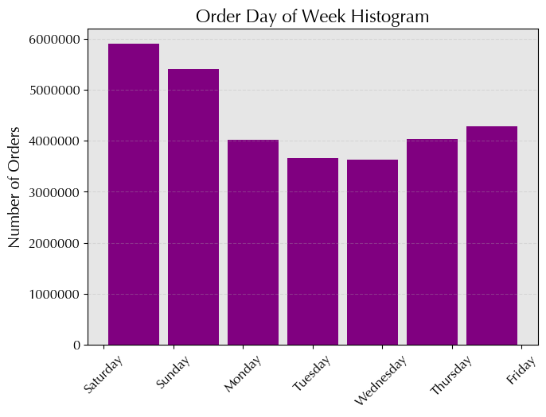
Insights
* Weekends, especially Sunday and Saturday, see the most orders, likely due to customers having more free time.
* Fridays and Thursdays have high order frequencies during the week, suggesting increased shopping activity towards the end of the week.
* Wednesdays tend to have the lowest order frequency among weekdays.

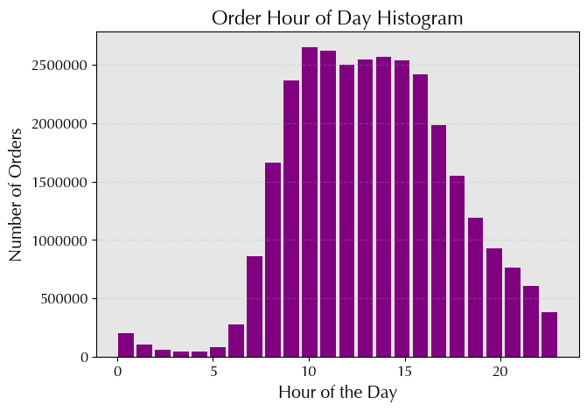
Insights
* Peak order times are from 10 am to 4 pm, indicating high demand during these hours.
* Early mornings (e.g., 12:00 am - 6:00 am) and late nights (e.g., 9:00 pm - 11:00 pm) have lower order counts, indicating decreased activity during those periods.

2. They also want to know whether there are particular times of the day when people spend the most money, as this might inform the type of products they advertise at these times.

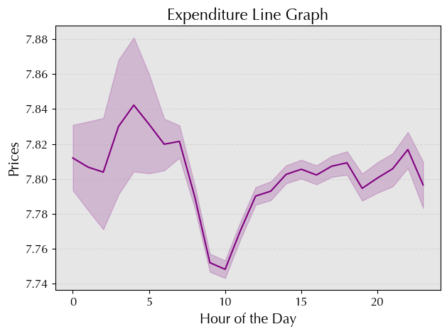
Insights
Rising prices from 1 a.m. to 5 a.m.:
* Possible factors: Increased demand, limited availability, convenience premium.
* Suppliers adjust prices based on real-time data and demand patterns.
Decreasing prices after 5 a.m. with a low point around 10 a.m.:
* Factors: Initial demand surge tapering off, increased competition, more products available.
* Sellers adjust prices downward to stimulate further sales.
Price difference between morning and evening hours:
* Driven by shifts in consumer behavior and market dynamics.
* Consumers may pay higher prices for convenience in the early morning.
Overall pricing trend:
* Prices increase in early morning, peak before breakfast, drop significantly before 10 a.m., gradually increase again in the afternoon and evening.
* Reflects supply and demand dynamics, consumer preferences, and operational considerations.

3. Instacart has a lot of products with different price tags. Marketing and sales want to use simpler price range groupings to help direct their efforts.

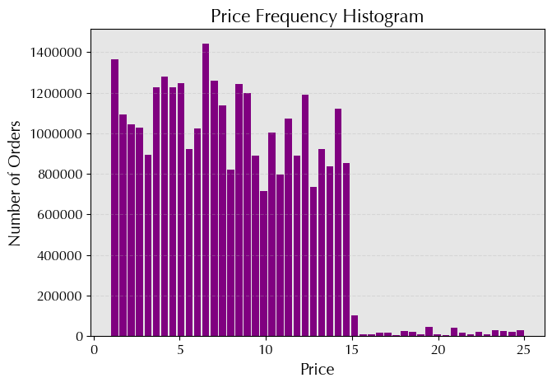
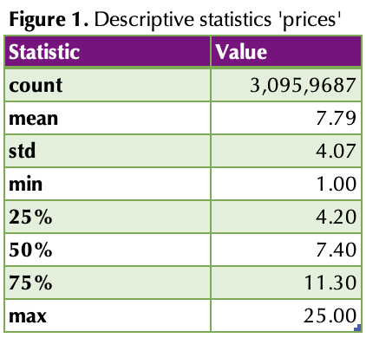
Insights
Price distribution:
* Wide variety of products with different price tags.
* Relatively large standard deviation of $4.07 indicates significant price variability.
Central tendency:
* Close proximity suggests symmetric or slightly skewed price distribution.
Price Range:
* Range from $1.00 to $25.00 reflects diverse product costs offered by Instacart.
To simplify efforts:
* Consider using 'Low Price,' 'Medium Price,' and 'High Price' groupings.
* Define based on quartiles or other meaningful divisions in price distribution.

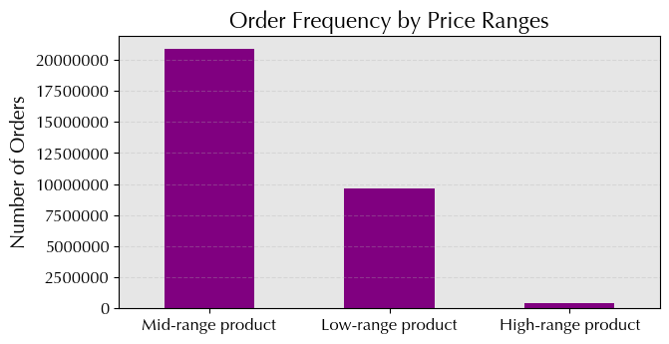
Insights
Mid-range products:
* Majority of products fall into mid-range category (approx. 20,891,771 products).
* Indicates mid-range is most common among Instacart's offerings.
Low-range products:
* Significant number of products categorized as low priced (approx. 9,674,840 products).
* While not as prevalent as mid-range, low-range products still make up a substantial portion.
High-range products:
* Smallest category with approximately 397,953 products.
* Indicates fewer high-priced items compared to mid- and low-priced items on Instacart.
Overall distribution:
* Skewed toward mid- and low-priced products.
* Fewer high-priced items available on the platform.

4. Are there certain types of products that are more popular than others? The marketing and sales teams want to know which departments have the highest frequency of product orders.

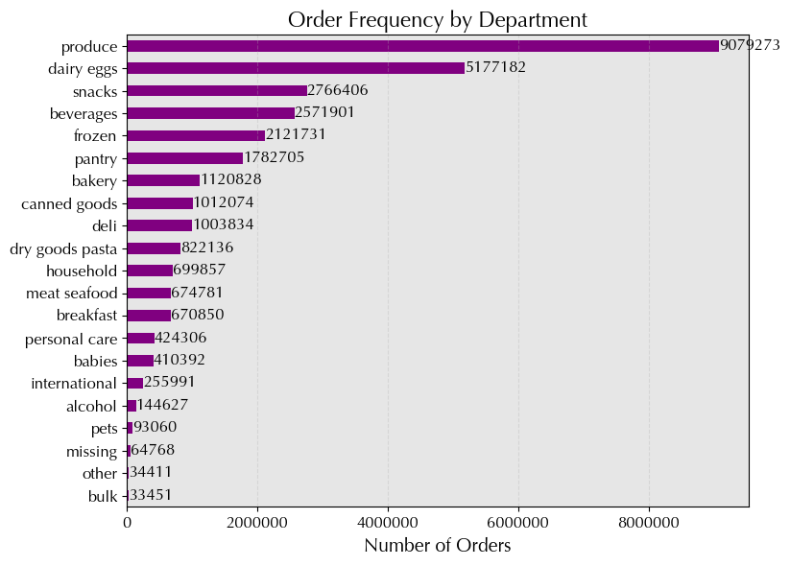
Insights
* 'Produce' and 'Dairy Eggs' most popular, with significantly higher order frequencies.
* Perishable departments like 'Produce', 'Dairy Eggs', and 'Frozen' among top, indicating high demand for fresh and refrigerated products.
* 'Snacks', 'Beverages', and 'Pantry' also have high order frequencies, showing demand for convenience and everyday essentials.
* 'Personal Care', 'Baby', and 'Household' have relatively low order frequencies compared to food-related departments, but still show significant demand.
* 'Missing', 'Other', and 'Bulk' have the lowest order frequencies, indicating less popular or specialized categories.

5a. What's the distribution among users in regards to their brand loyalty (i.e., how often do they return to Instacart)?

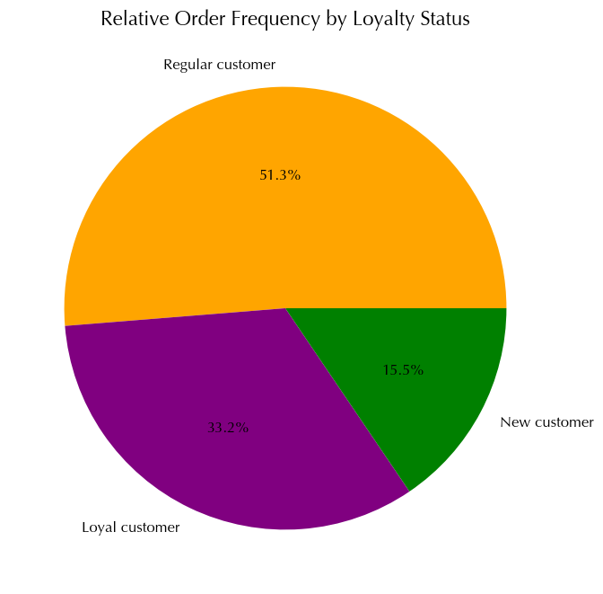
Insights
Regular customers:
* Most common group, almost 16,000,000 (>50%).
* Place between 10 and 40 orders, indicating frequent but less loyal buyers.
Loyal customers:
* Second most common group, > 10,000,000 (~30%).
* Placed more than 40 orders, showing high brand loyalty and likely repeat customers.
New customers:
* Least common group, ~6,000,000 (~15%).
* Placed ≤ 10 orders, indicating they're new to the service and may not have established loyalty yet.

5b. Are there differences in ordering habits based on a customer’s loyalty status?

Insights
Loyal customers:
* High order frequency (99.96% fall into frequent category).
* Reflects strong brand loyalty and consistent purchasing behavior.
Regular customers:
* Majority of customers (15,876,776 orders).
* Majority of orders (60.66%) from this group, significant proportion of loyal and new customers.
New customers:
* Lowest order frequency, primarily in non-frequent category (41.29%).
* Indicates lower engagement compared to regular and loyal customers.
Overall implications:
* Regular customers drive highest order frequency.
* Loyal customers demonstrate highest frequency.
* New customers show potential for future engagement.

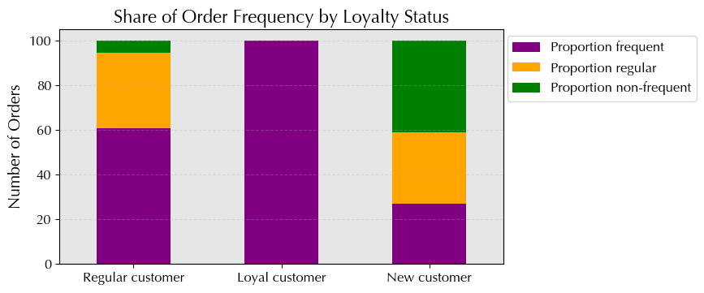

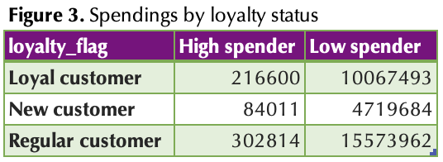
Insights
High spenders:
* Regular customers have highest number of high spenders (302,814), followed by loyal customers (216,600), and new customers (84,011).
* Loyal customers have highest percentage of high spenders (2.11%).
Low spenders:
* Regular customers also have highest number of low spenders (15,573,962), followed by loyal customers (10,067,493), and new customers (4,719,684).
* New customers have highest percentage of low spenders (98.25%).
Overall implications:
* Regular customers largest segment in both high and low spenders.
* Loyal customers have higher proportion of high spenders.
* New customers have higher proportion of low spenders, possibly due to unfamiliarity or cautious spending.

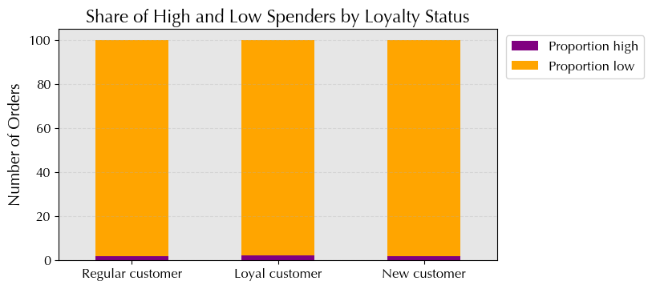

5c. Are there differences in ordering habits based on a customer’s region?

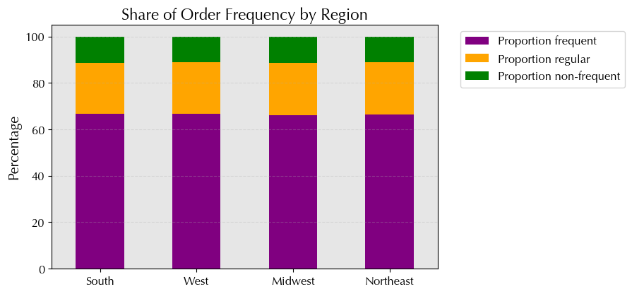
Insights
Total orders:
* South region has highest total orders, followed by West, Midwest, and Northeast.
Frequency distribution:
* Majority classified as 'Frequent Customers' in all regions.
* Highest percentage in South (66.65%), lowest in Midwest (66.05%).
Non-frequent customers:
* Percentage of infrequent customers consistent across regions (11.01% to 11.36%).
Regular customers:
* Share of regular customers consistent across regions (21.95% to 22.59%).
Overall implications:
* Majority in all regions are frequent buyers, followed by regular customers and non-frequent customers.

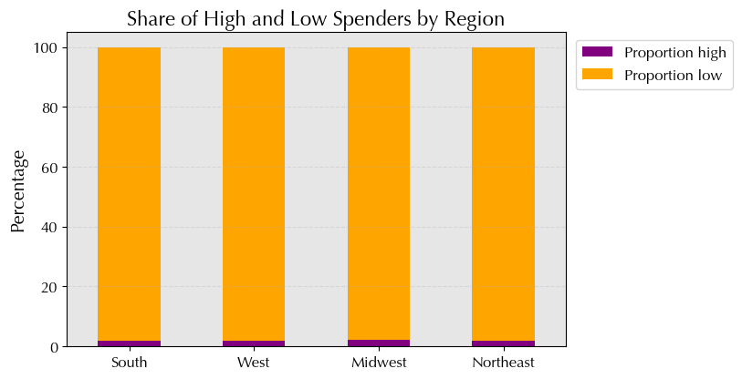
Insights
* South has highest total number of customers, Northeast lowest.
* Differences in absolute numbers of high spenders, relatively small compared to total customers.
* Negligible differences in proportions of high and low spenders by region.
* Majority of customers in all regions tend to be low spenders.
Overall implications:
* Differences in absolute numbers of high spenders; majority are low spenders across regions.

5d. Is there a connection between age and family status in terms of ordering habits?
Insights
Divorced/widowed individuals:
* Seniors in this category placed orders, indicating older individuals in this family status are more likely to order.
Living with parents and siblings:
* Young adults in this category placed orders, suggesting they rely on ordering habits, possibly due to shared living arrangements.
Married individuals:
* Orders from adults, seniors, and young adults in this category.
* Married adults showed highest ordering frequency, possibly due to household responsibilities.
Single individuals:
* Orders from adults, young adults; none from seniors.
* Single adults showed higher ordering frequency compared to young adults.
Overall implications:
* Ordering frequency varies across age groups within each family status.
* Influence of both age and family dynamics on ordering behaviors.
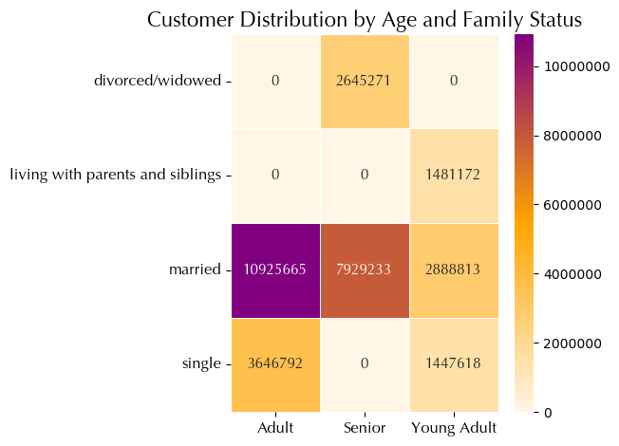

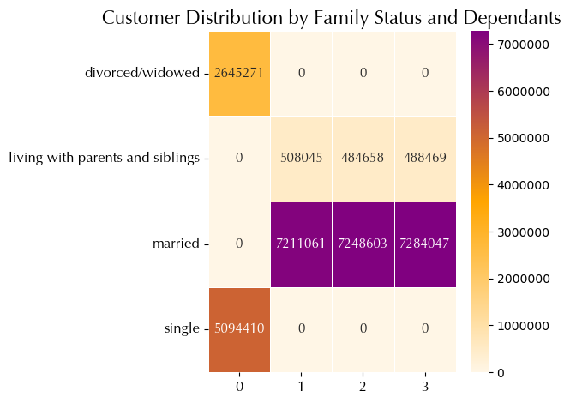
Insights
Heatmap 'family_status vs. age':
* Most adults and young adults are married.
* Seniors are mostly divorced/widowed or married.
* No adults or seniors living with parents and siblings.
* Significant number of adults and young adults are single.
Heatmap 'family_status vs. dependants':
* Most individuals living with parents and siblings have 1 or more dependants.
* Married individuals have relatively equal distribution of 1, 2, and 3 dependants.
* Divorced/widowed or single individuals typically have no dependants.
Overall implications:
* Married individuals tend to have more dependants.
* Majority of individuals living with parents and siblings have 1 or 2 dependants.

5e. What different classifications does the demographic information suggest? Age? Income? Certain types of goods? Family status?

demographic_profile

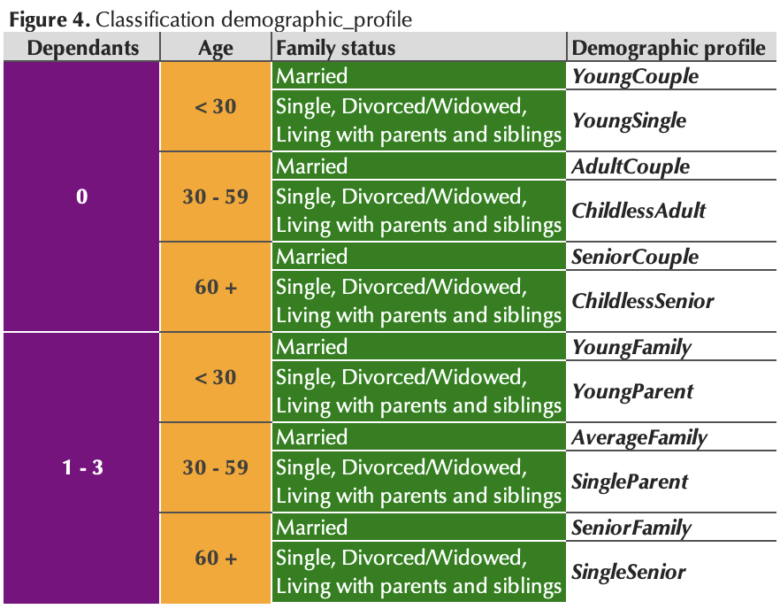
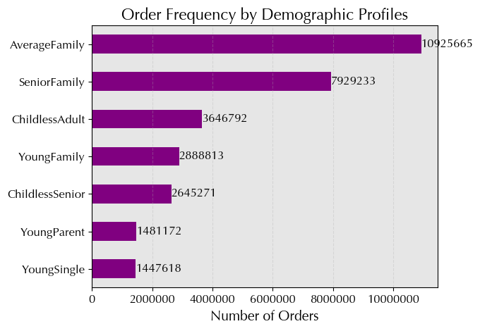
Insights
Single and parent profiles:
* Profiles with dependants (AverageFamily, SeniorFamily) have higher overall frequency, indicating majority of customers have children.
Diversity of family profiles:
* Among profiles with dependants, 'married' families are more common.
* Profiles without dependants (ChildlessAdult, ChildlessSenior) are less common but still significant.
Relationship between age, family status, and dependants:
* Strong correlation between age, family status, and number of dependants.

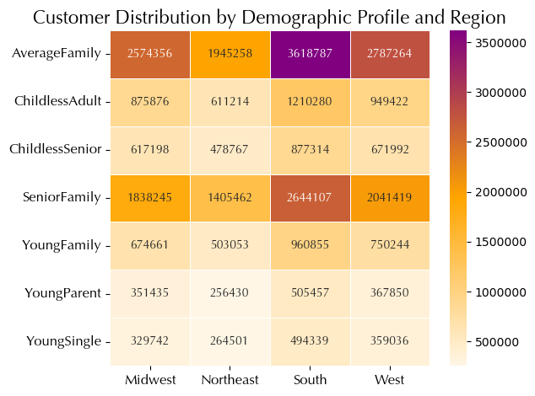
Insights
Family profiles (AverageFamily, SeniorFamily, YoungFamily):
* South region has highest representation, followed by Midwest and West.
* Northeast region has lowest frequency in these family profiles.
Single profiles (ChildlessAdult, ChildlessSenior, YoungSingle):
* Consistent distribution across regions, slightly higher in South and Midwest.
* Northeast has lowest frequency in single profiles.
Parent profiles (YoungParent):
* Distribution mirrors family profiles, with South having highest representation.
* Northeast has fewest customers in this profile.
Overall implications:
* South region tends to have higher frequencies in various demographic profiles.
* Northeast region typically has lower frequencies in most profiles.

income_profile

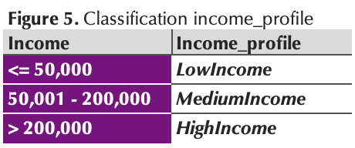
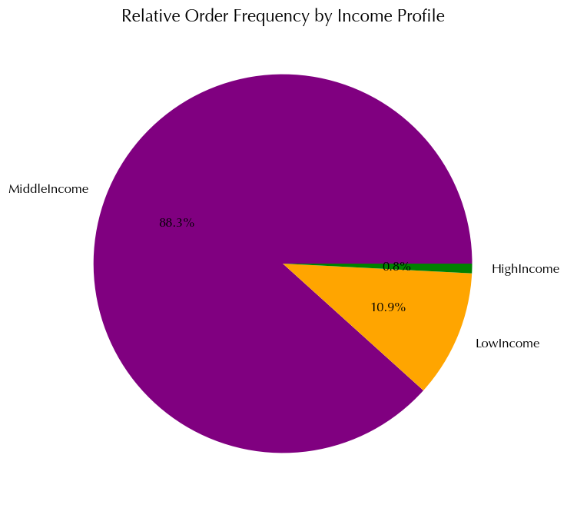
Insights
HighIncome:
* Lowest order frequency (0.8% of total orders).
* Indicates smaller proportion of orders from higher income customers.
MiddleIncome:
* Highest order frequency (88% of total orders).
* Signifies significant portion of orders from middle income customers.
LowIncome:
* Lower order frequency than 'Middle Income' (10% of total orders).
* Indicates fewer orders from lower income customers.
Overall:
* Clear trend of decreasing order frequency with increasing income level.
* 'Middle Income' customers contribute most to total orders.

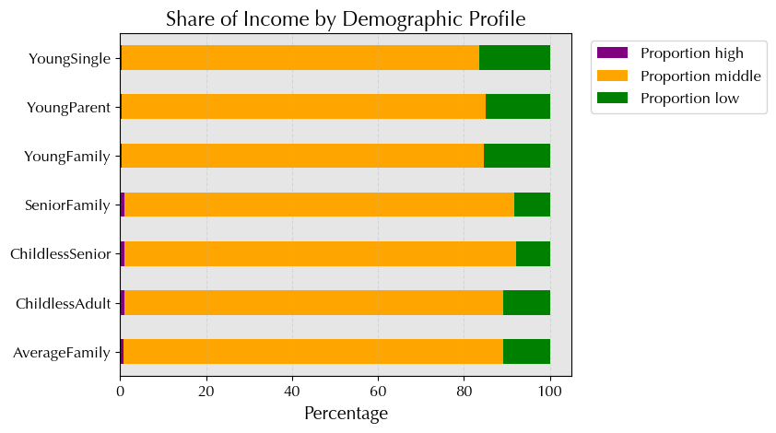
Insights
AverageFamily, SeniorFamily, ChildlessAdult, ChildlessSenior:
* Predominantly middle-income earners, indicating stability in financial status.
YoungFamily, YoungParent, YoungSingle:
* Higher proportion of low-income earners, possibly due to early career stage or financial challenges.
SeniorFamily:
* High proportion of middle-income earners, relatively high proportion of high-income earners.
* Likely retirees or individuals with significant savings.
YoungSingle:
* Lower proportion of high-income earners, possibly due to younger age and lower earning potential.
Overall implications:
* Insights into income distribution across demographic profiles.
* Understanding financial status and circumstances of different age and family groups.

time_profile

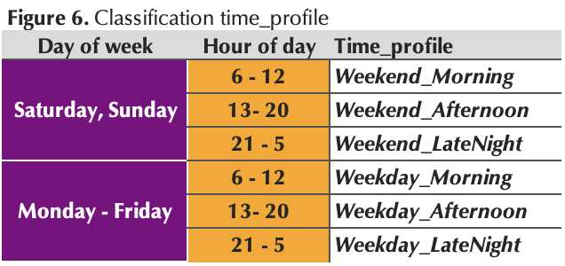
Insights
Weekday afternoon shoppers:
* Highest order frequency, indicating popularity of weekday afternoons for shopping.
Weekday morning shoppers:
* Significant order frequency, suggesting busy weekday mornings for shopping.
Weekend afternoon shoppers:
* Significant order frequency, indicating popularity of weekend afternoons for shopping.
Weekend morning shoppers:
* Similar to weekday mornings, significant order frequency, suggesting mornings are preferred time to shop.
Weekday/Weekend late night shoppers:
* Lower order frequency compared to other times, indicating less popularity for late night shopping.
Overall implications:
* Clear trends in order frequency across different time profiles.
* Weekday afternoons and mornings busiest times for shopping, followed by weekends.

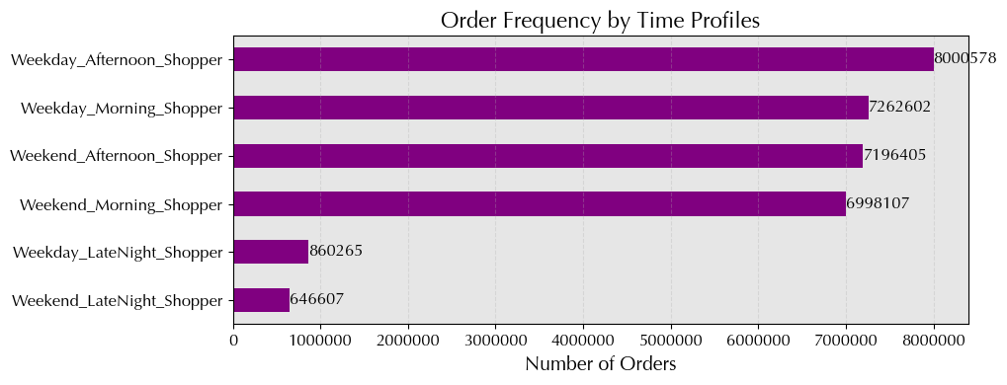

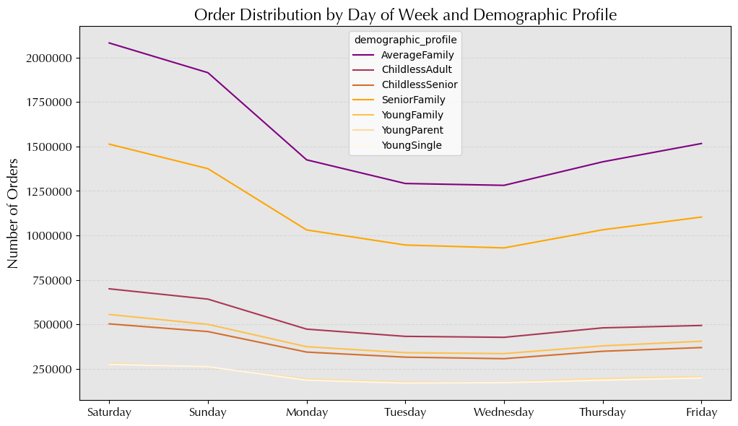
Insights
Weekend vs. weekday:
* Noticeable increase in order volume on weekends across all demographic profiles.
* Preference for weekend shopping widespread regardless of demographic.
Consistent patterns:
* Overall pattern of higher order volumes on weekends consistent across profiles.
Variations by profile:
* Some profiles show slightly different order patterns throughout week.
* 'AverageFamily' and 'SeniorFamily' profiles tend to have higher order volumes during week.
Relative order volumes:
* 'Average Family' profile consistently has highest order volumes across all days.
Overall implications:
* Differences in order patterns for demographic profiles.
* Insight into timing of peak order volumes during week and weekends.

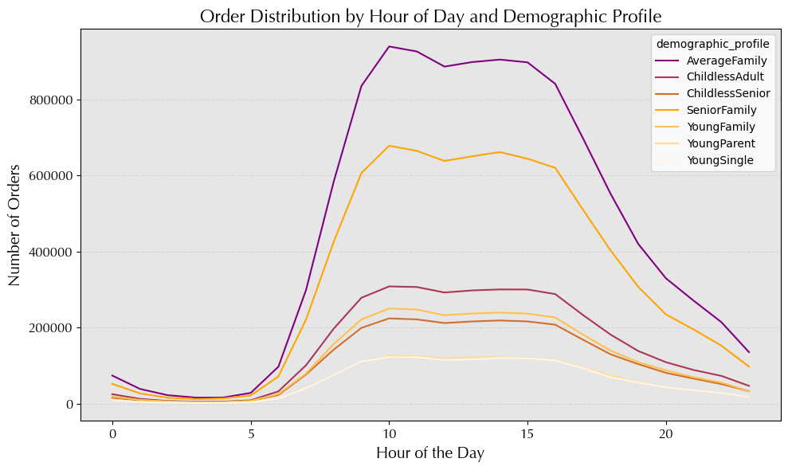
Insights
Peak ordering hours:
* Peak ordering hours between 8am and 10am, with gradual increase starting at 6am and peaking at 9am.
* Many customers prefer to place orders during morning hours.
Variations by profile:
* Slight variations in ordering patterns among different profiles.
* Some profiles show higher order volumes during morning hours compared to others.
Late-night ordering:
* Overall order volume decreases during late night hours, but still noticeable, especially for 'YoungParent' and 'YoungSingle' profiles.
Ordering behavior throughout day:
* Distribution of orders fluctuates throughout day among profiles.
* Some profiles show consistent order volumes throughout day, while others have pronounced peaks and valleys.
Overall implications:
* Differences in ordering habits across demographic profiles.
* Insight into timing of peak order volumes throughout day.

special_goods

Insights
* Orders without special goods aremost common.
* Orders containing items for babies are relatively more frequent compared to other special goods combinations.

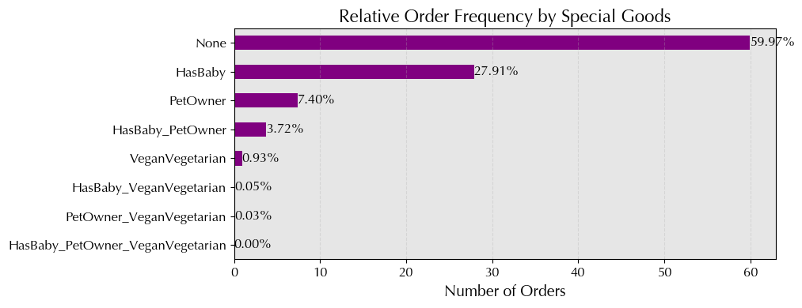

5f. What differences can you find in ordering habits of different customer profiles? Consider the price of orders, the frequency of orders, the products customers are ordering, and anything else you can think of.

Descriptive statistics

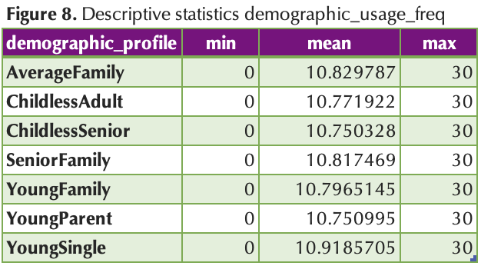
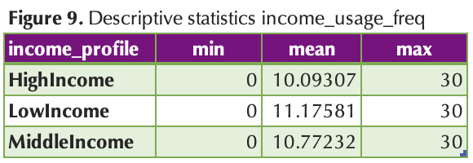
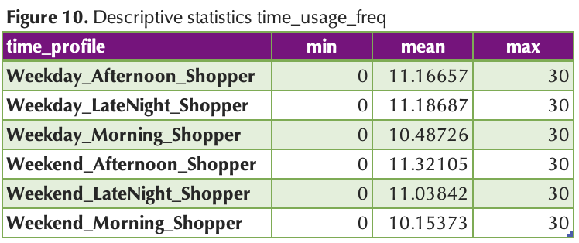
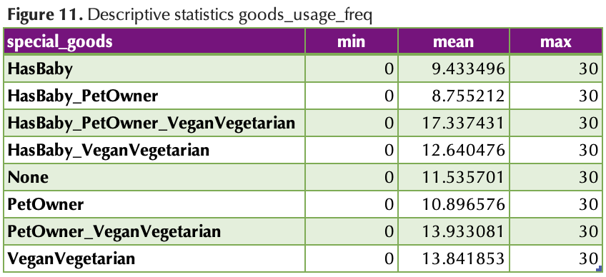

Insights
* All profiles exhibit an average usage frequency of 10 to 11 days.
* 'YoungSingle' customers shop less frequently, around 10.92 days on average.
* Low-income customers shop less often, about 11.18 days on average.
* Weekday and weekend afternoon shoppers tend to shop less frequently, averaging around 11.17 to 11.32 days.
* Profiles with 'HasBaby' or 'HasBaby_PetOwner' characteristics shop less frequently than those without.

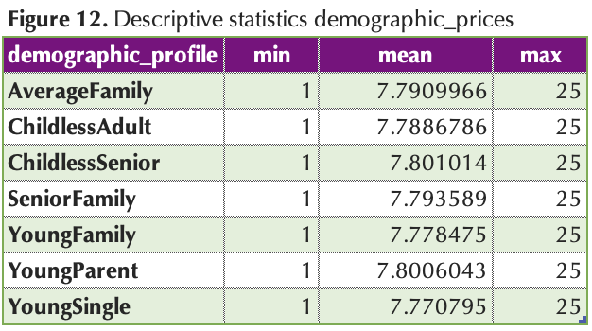
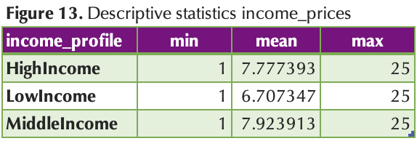
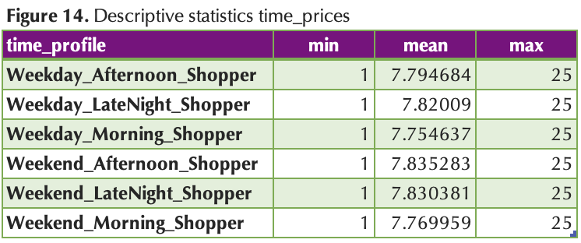


Insights
* Average prices range from $6.71 to $7.78 across income levels.
* Late night shoppers, both weekday and weekend, tend to have slightly higher average prices.
* Profiles like 'PetOwner_VeganVegetarian' and 'VeganVegetarian' have relatively lower average prices, while 'HasBaby' profiles tend to purchase slightly pricier items.

Top 5 departments

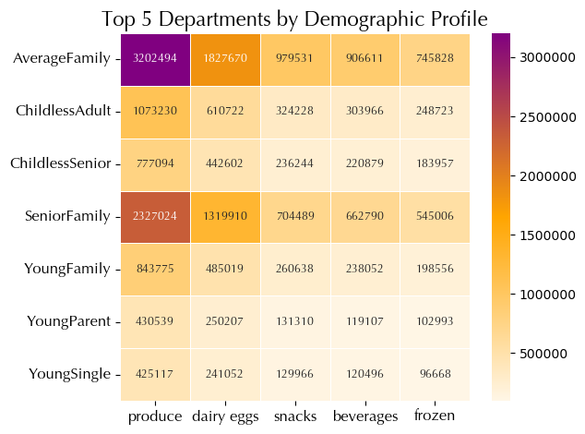
Insights
* Produce' consistently tops department preferences across all profiles.
* 'Dairy eggs' and 'Snacks' maintain high orders, while 'Beverages' and 'Frozen' are slightly less popular.

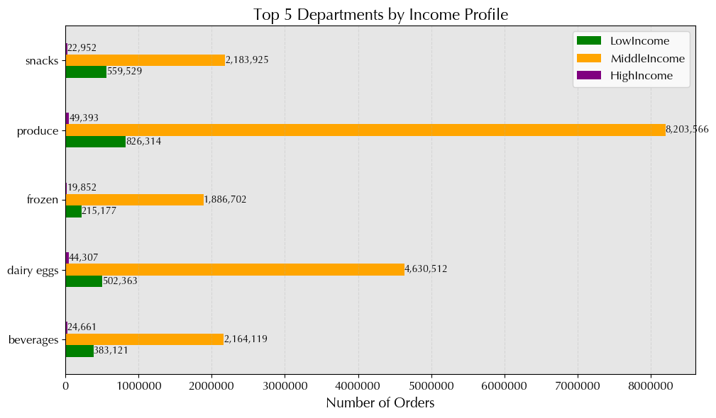
Insights
* Top departments—beverages, dairy eggs, frozen, produce, and snacks—are consistent across all income profiles.
* These categories are frequently ordered regardless of income level.

Ordering habits: Usage frequency

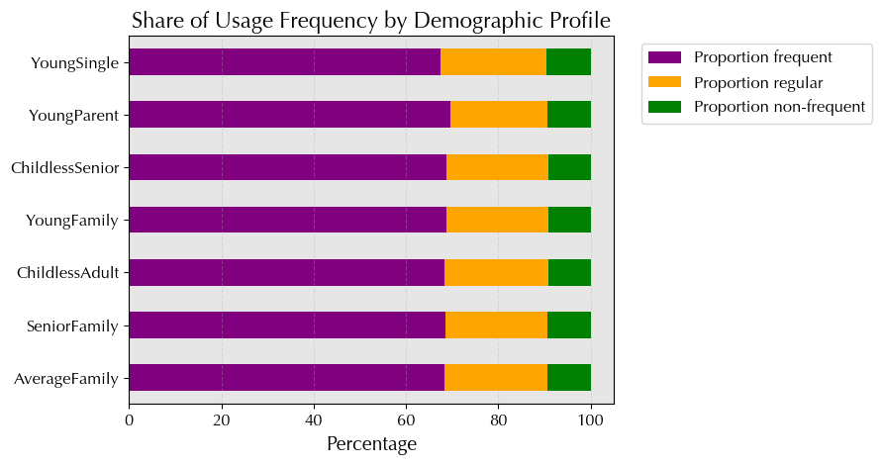
Insights
* A significant majority of customers in all profiles shop frequently, ranging from 67.48% to 69.57%.
* The proportions of infrequent and regular customers vary slightly but remain relatively low compared to frequent customers.

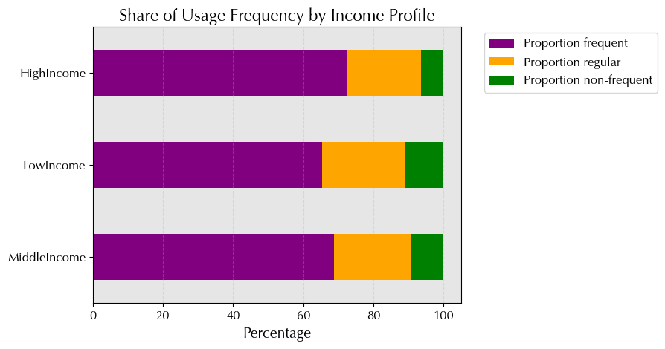
Insights
* High-income customers have the highest proportion of frequent orders (72.47%), followed by middle-income (68.82%) and low-income (65.40%) customers.
* Across all income profiles, the majority of orders come from frequent customers, indicating a correlation between income and order frequency.

Spending habits: Expenditure

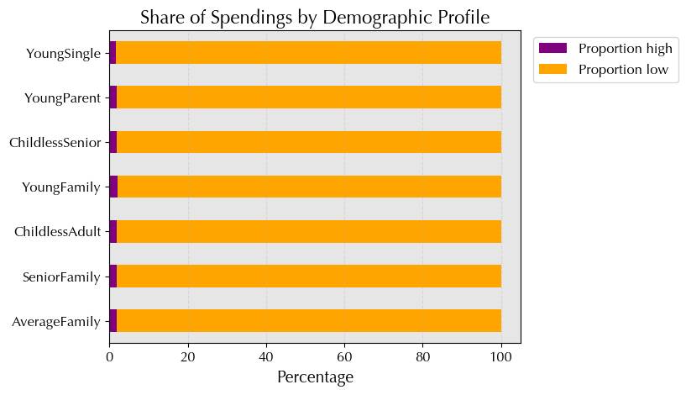
Insights
* Majority of customers across all profiles tend to be low spenders, ranging from 98.01% to 98.39%.
* Proportion of high spenders is consistently low, ranging from 1.61% to 1.99% across profiles.

When comparing the proportions of price ranges by income profile and customer spending patterns, the following relationships can be observed: * High-income customers have the highest share of high-priced products (2.36%) and are exclusively high spenders.
* Middle-income customers exhibit a mix of high and low spending, with a moderate share of high-priced products (1.37%).
* Low-income customers show the smallest share of high-priced products (0.53%) and are predominantly low spenders.
These observations underscore the correlation between income profiles, spending behavior, and product preferences, highlighting distinct spending patterns across different income levels.
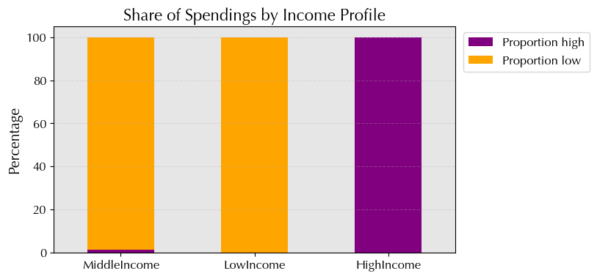
Insights
* High-income individuals are all high spenders, while middle-income and low-income individuals are mostly low spenders.
* High-income customers show a clear preference for high spending, with no low spenders in this category.

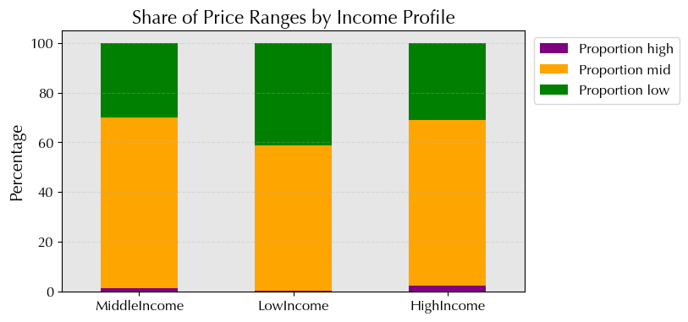
Insights
* High-income customers allocate a significant portion of spending to mid-range products (66.60%), indicating a preference for quality without excessive cost.
* Middle-income customers prioritize mid-range products (68.63%) for a balance between quality and affordability.
* Low-income customers also focus on mid-range products (58.11%) to maintain quality without stretching their budget.

7. Recommendations
[Title Page]

Recommendations

Question: The sales team needs to know what the busiest days of the week and hours of the day are (i.e., the days and times with the most orders) in order to schedule ads at times when there are fewer orders.

Recommendations
Targeted marketing:
* Focus on weekends, especially Sunday and Saturday.
Ad scheduling:
* Schedule ads during peak order times, 10 a.m. to 4 p.m.
Weekday promotions:
* Offer deals on slower weekdays like Fridays and Thursdays.
Customer engagement:
* Engage customers with personalized recommendations during off-peak times.

Question: They also want to know whether there are particular times of the day when people spend the most money, as this might inform the type of products they advertise at these times.

Recommendations
Early morning promotions:
* Offer discounts from 1 a.m. to 5 a.m.
Mid-morning specials:
* Launch flash sales at 10 a.m.
Price-based recommendations:
* Customize suggestions based on price sensitivity.
Dynamic pricing:
* Implement real-time price adjustments.
Data-driven insights:
* Analyze shopping behavior for timing strategies.

Question: Instacart has a lot of products with different price tags. Marketing and sales want to use simpler price range groupings to help direct their efforts.

Recommendations
Simplified price groupings:
* Use "low," "medium," and "high" price categories for product classification.
Quartile-based categories:
* Define price ranges based on quartiles.
Focus on mid-range:
* Concentrate marketing efforts on mid-priced products.
Target low-price segment:
* Run promotions on low-priced items to boost sales.
Highlight high-priced items:
* Present premium offerings for specific customer segments.

Question: Are there certain types of products that are more popular than others? The marketing and sales teams want to know which departments have the highest frequency of product orders.

Recommendations
Focus on popular departments:
* Allocate marketing resources to high-order frequency departments like produce and dairy.
Highlight perishable items:
* Emphasize 'Produce', 'Dairy Eggs', and 'Frozen' for fresh and refrigerated products.
Promote convenience:
* Highlight 'Snacks', 'Beverages', and 'Pantry' for everyday essentials.
Target niche departments:
* Market 'Personal Care', 'Baby', and 'Household' with specialized campaigns despite lower order frequencies.
Consider specialized categories:
* Assess 'Missing', 'Other', and 'Bulk' for niche customer segments in tailored marketing.

Question: What's the distribution among users in regards to their brand loyalty (i.e., how often do they return to Instacart)?

Recommendations
Target regulars:
* Retain 50%+ with rewards and personalized offers.
Retain loyalty:
* Maintain 30%+ with premium services and tailored promotions.
Attract new customers:
* Capture 15%+ with incentives and effective onboarding.
Segmented campaigns:
* Maximize engagement with tailored marketing.
Continuous monitoring:
* Ensure ongoing relevance and effectiveness.

Question: Are there differences in ordering habits based on a customer’s loyalty status?

Recommendations
Targeted marketing:
* Loyal customers: Offer exclusive rewards and early access.
* Regular Customers: Provide personalized discounts.
* New customers: Focus on onboarding incentives and educational content.
Retention strategies:
* Loyal customers: Reward with VIP treatment and personalized support.
* Regular Customers: Implement retention campaigns and incentives.
* New customers: Build trust with exceptional service.
Product recommendations:
* Loyal customers: Highlight premium items and personalized recommendations.
* Regular Customers: Showcase value products and bundle offers.
* New Customers: Feature popular essentials and starter kits.
Spending insights:
* High spenders: Offer customized promotions and exclusive benefits.
* Low spenders: Implement strategies to increase average order value.

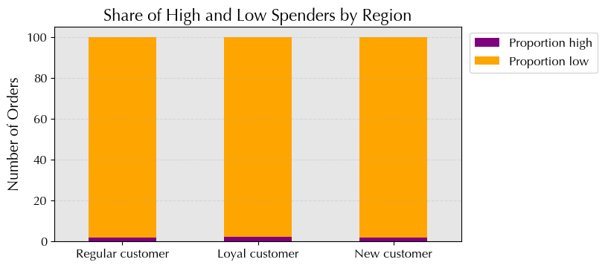

Question: Are there differences in ordering habits based on a customer’s region?

Recommendations
Localized marketing:
* Tailor campaigns to regional preferences.
Regional promotions:
* Offer region-specific discounts for loyalty building.
Market segmentation:
* Segment customers by region for targeted offers.
Customer insights:
* Analyze regional purchasing patterns for strategy refinement.
Customer engagement:
* Enhance regional loyalty programs to boost retention.

Question: Is there a connection between age and family status in terms of ordering habits?

Recommendations
Targeted campaigns:
* Divorced/Widowed: Tailor promotions to seniors.
* Living with parents and siblings: Offer incentives to young adults.
* Married: Focus marketing efforts on adults.
* Single: Engage single adults with targeted promotions.
Product recommendations:
* Married with dependents: Highlight family-friendly products.
* Living with parents and siblings: Include shareable options.
* Single without dependents: Offer convenience items.
Communication strategy:
* Married individuals: Emphasize convenience.
* Living with parents and siblings: Highlight affordability and variety.
* Single individuals: Showcase flexibility and customization.

Question: What different classifications does the demographic information suggest? Age? Income? Certain types of goods? Family status?

demographic_profile

Recommendations
Targeted marketing:
* Family profiles: Focus on regions with high family profiles.
* Single profiles: Tailor promotions to areas with more singles.
* Parent profiles: Highlight family-oriented offers in regions with young parents.
Product assortment:
* Family-friendly products: Offer variety and discounts where families are prevalent.
* Single-serve options: Offer convenient choices in regions with more singles.
Customer engagement:
* Personalized recommendations: Customize suggestions based on demographics.
* Localized campaigns: Tailor marketing based on regional demographic trends.

income_profile

Recommendations
Target marketing by income:
* Middle income: Focus on increasing order frequency.
* Low income: Incentivize purchases with targeted promotions.
* High-income: Offer premium products or personalized services.
Product assortment:
* Middle income: Offer diverse options with a focus on quality.
* Low income: Provide budget-friendly options and discounts on staples.
* High income: Feature premium, luxury items emphasizing exclusivity.
Customer engagement:
* Tailored promotions: Customize marketing based on income levels.
* Personalized recommendations: Use data for tailored offers.

time_profile

Recommendations
Targeted marketing by shopping time:
* Weekday afternoons and mornings: Focus on targeted promotions during these busy times.
* Weekend shoppers: Implement weekend marketing efforts, especially in the afternoon.
* Late night shoppers: Offer special promotions to boost late night sales.
Product recommendations and assortment:
* Weekday convenience: Highlight convenient products in the morning and afternoon.
* Weekend indulgence: Offer indulgent products on weekend afternoons.
* Late night essentials: Promote late-night essentials and snacks.
Engagement Strategies:
* Personalized offers: Customize promotions based on preferred shopping times.
* Convenience messaging: Emphasize shopping convenience in marketing communications.

special_goods

Recommendations
Targeted marketing:
* Highlight baby products based on their popularity.
* Customize campaigns for different demographics.
Product recommendations:
* Identify preferences for specific merchandise.
* Tailor recommendations accordingly.
Engagement strategies:
* Personalize marketing for different customer segments.
* Leverage segmentation for targeted messaging.

Question: What differences can you find in ordering habits of different customer profiles? Consider the price of orders, the frequency of orders, the products customers are ordering, and anything else you can think of.

Usage frequency & expenditure

Recommendations
Segmented promotions:
* Customize discounts for low-frequency users to boost purchases.
Time-specific offers:
* Introduce promotions during off-peak hours to encourage spending.
Personalized bundles:
* Create tailored product bundles to increase order value.
Income-based pricing:
* Tailor pricing to different income levels, offering discounts and highlighting premium products.
Loyalty programs:
* Implement programs targeting infrequent shoppers to drive repeat orders.
Specialty product campaigns:
* Create targeted marketing for specialty profiles to address unique preferences.

Recommendations
Focus on frequent customers:
* Prioritize engagement across all income profiles.
* Implement personalized promotions for retention.
Segment-specific campaigns:
* Tailor marketing based on income segments.
* Offer premium deals to high-income customers.
Feedback and rewards:
* Collect feedback from frequent shoppers.
* Reward high-spenders for loyalty.

Popular products

Recommendations
Universal appeal:
* Focus on popular departments like 'Produce', 'Dairy eggs', and 'Snacks'.
Segment-specific offers:
* Customize promotions based on department preferences within demographics.
Consistent focus:
* Emphasize top categories across all income profiles.
Value proposition:
* Highlight product quality and value.
Personalized recommendations:
* Provide customized suggestions within popular categories.

