Classifications
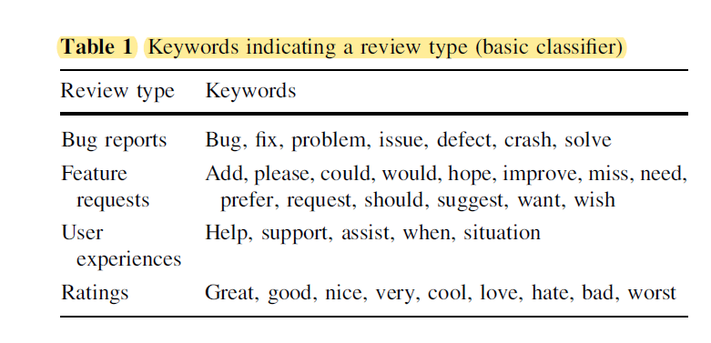
Keywords indicating a review type (basic classifier)
Review Type | Keywords
bug report | fail,low-quality,problem,spam, delay, accident, wrong
feature request | could,improve,would, add, low
user experience | when, help, work
ratings | great, awesome,fun,love,best,bad, annoy, stupid

