Sheet1
Networks | Toy reprogramming | Synthetic_random_diff | Bonesis_tutorial | Heurault_hematopoiesis

 | 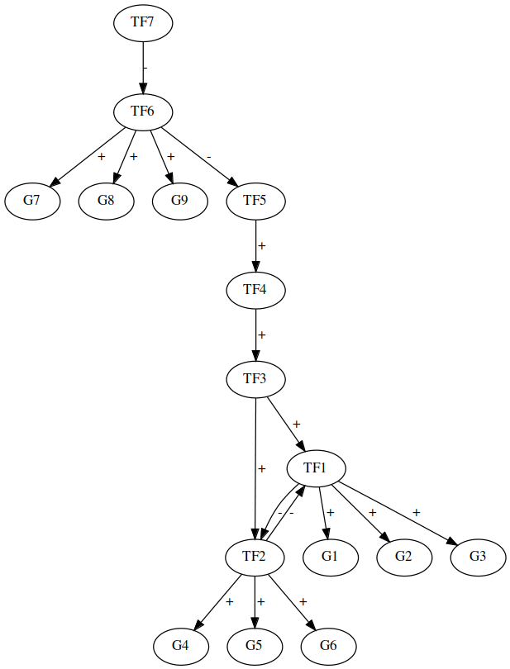 | 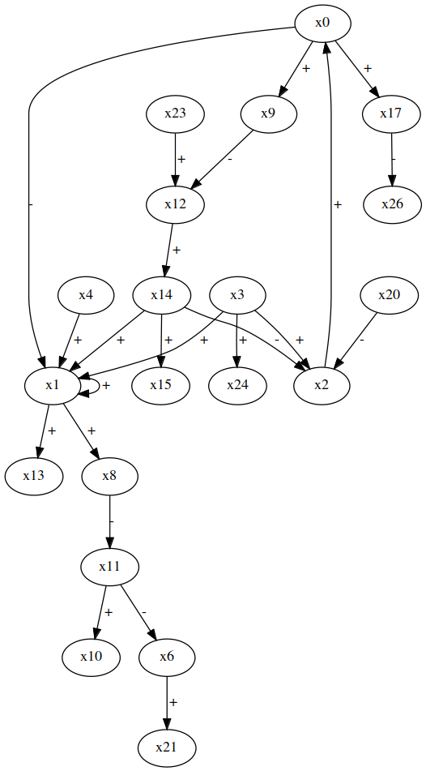 | 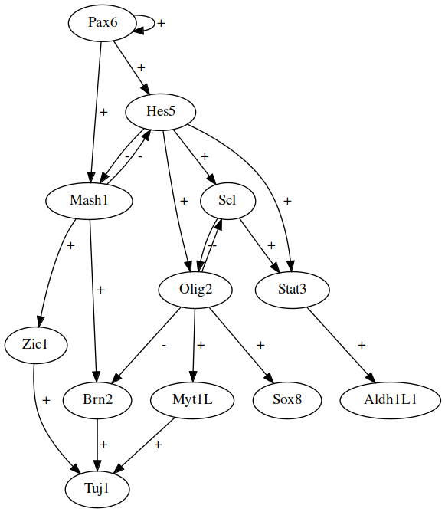 | 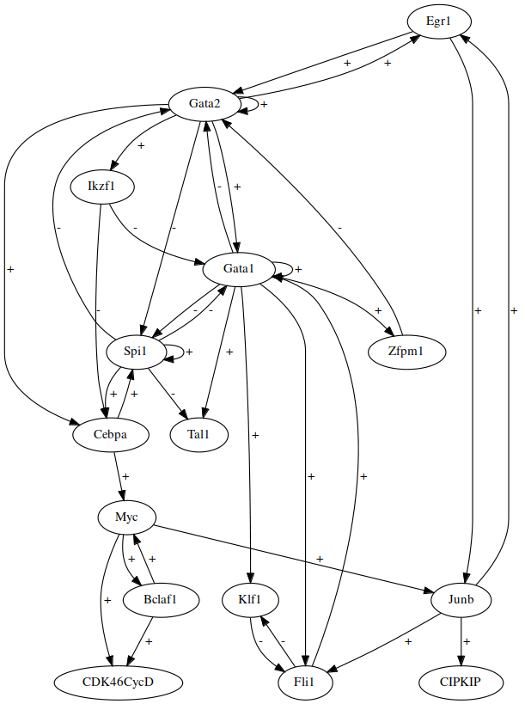

Bonesis Constraints | None | Init → Steady state1 Init → Bifurcation → Steady state 2 Init → Bifurcation → Steady state 3 | Init → Steady state1 Init → Bifurcation → Steady state 2 Init → Bifurcation → Steady state 3 | *Check literature again
Number of Generated models | 8 | 1000* | 88 | 616
Attractors | 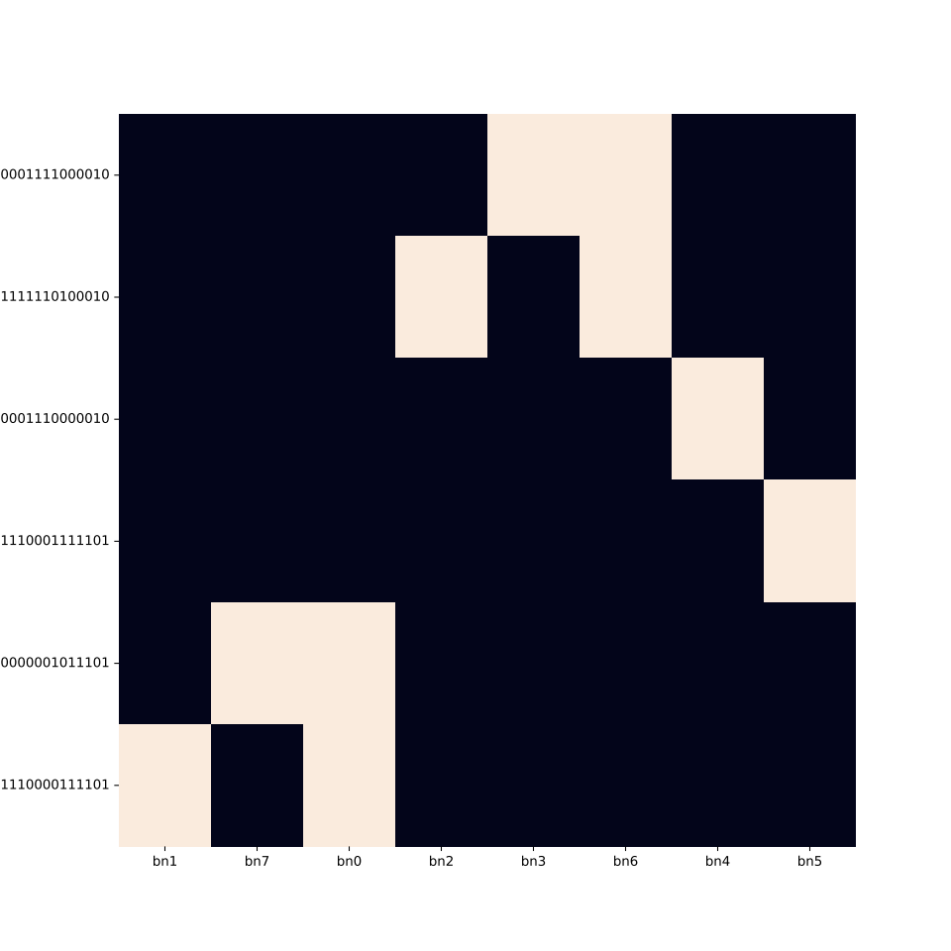 | 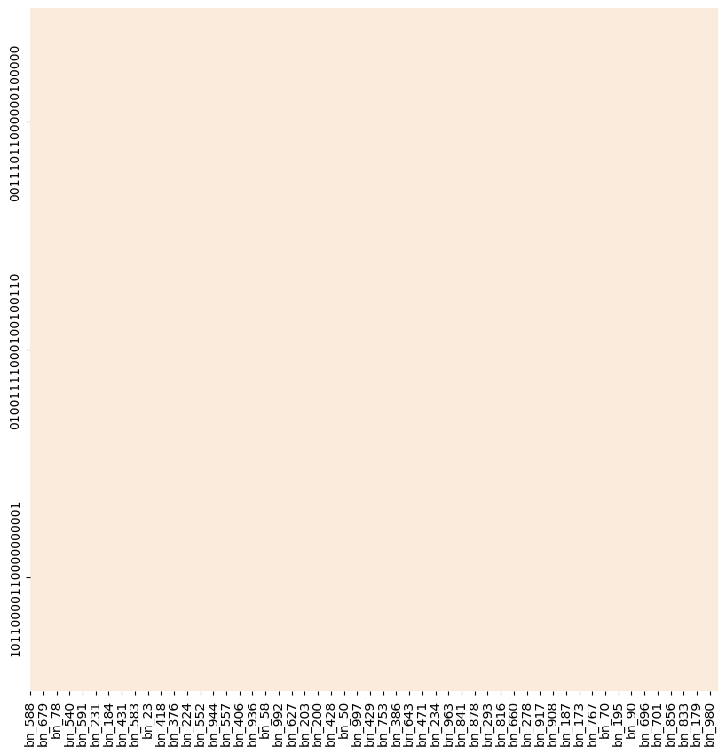 | 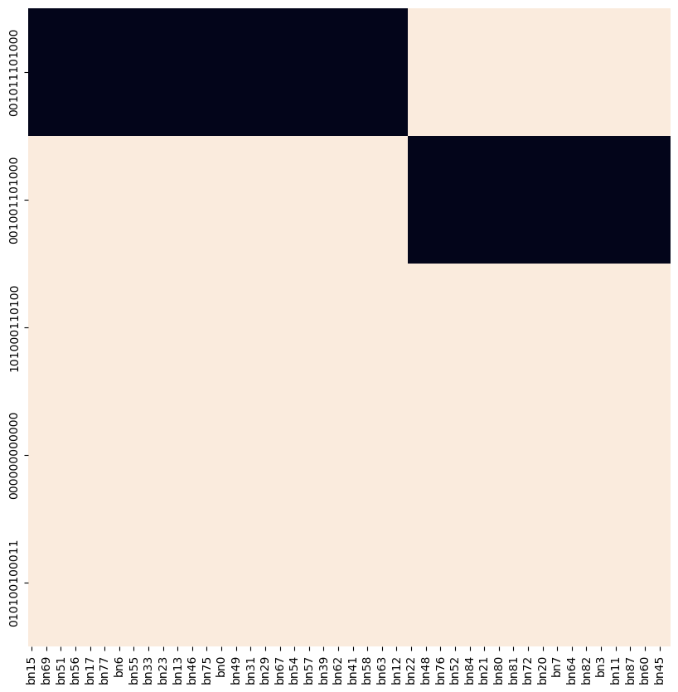 | 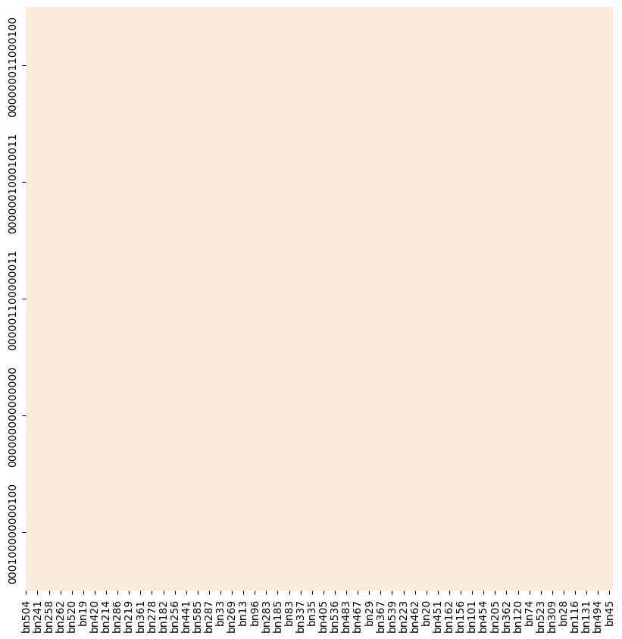
Time series Simulations | 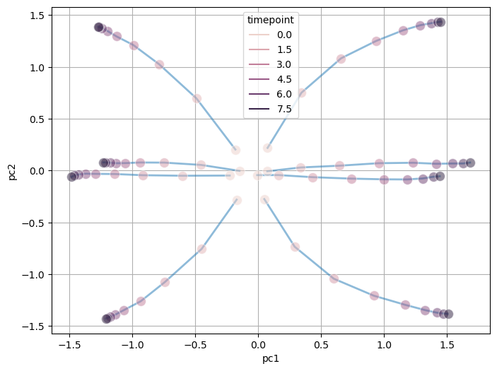 | 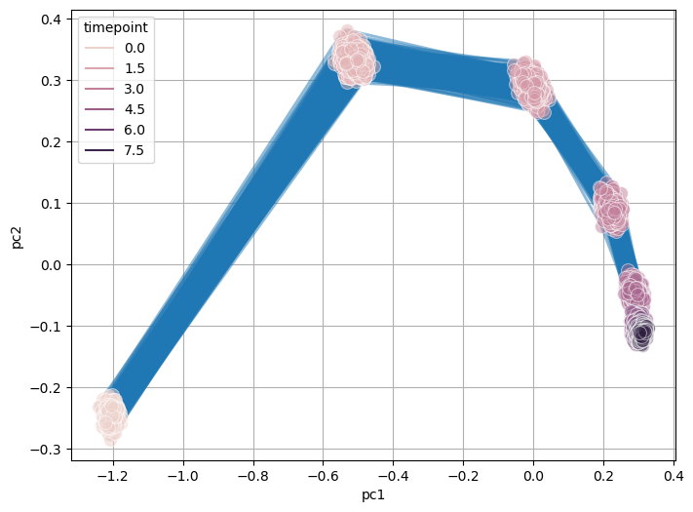 | 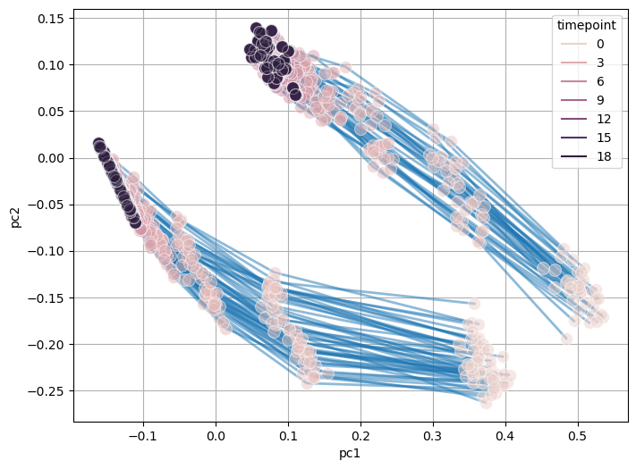 | 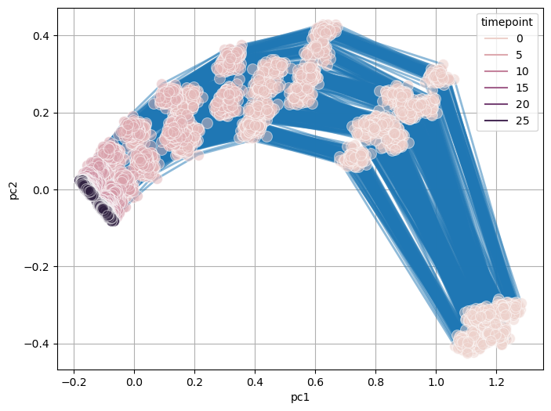
Logic Clusters | 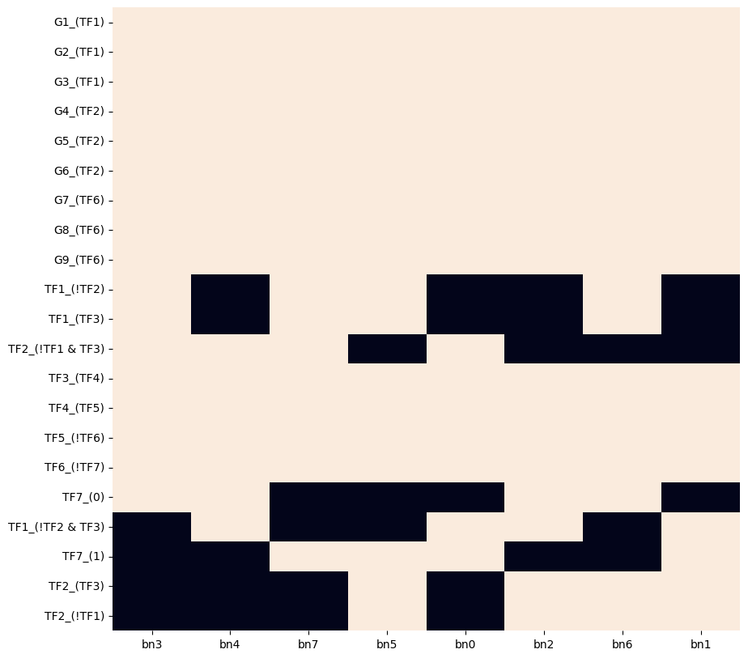 | 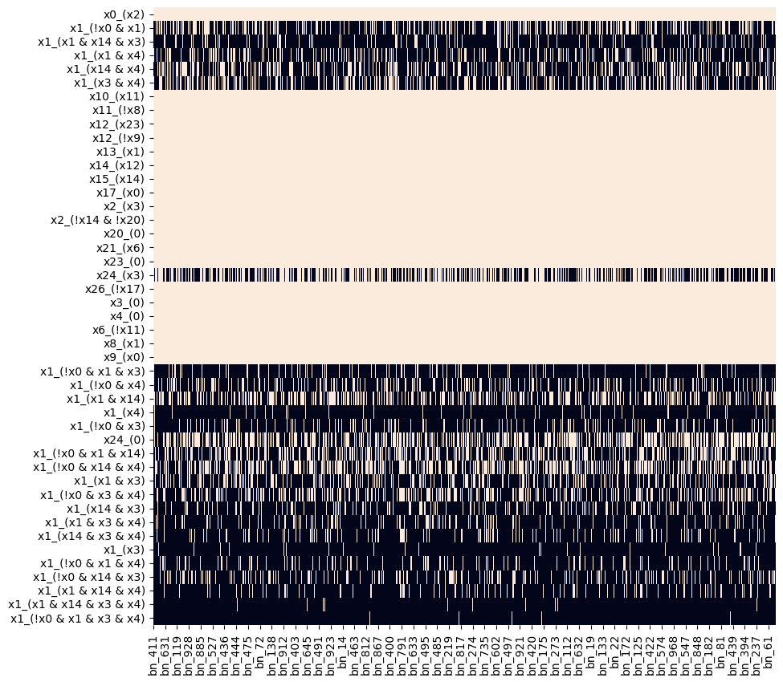 | 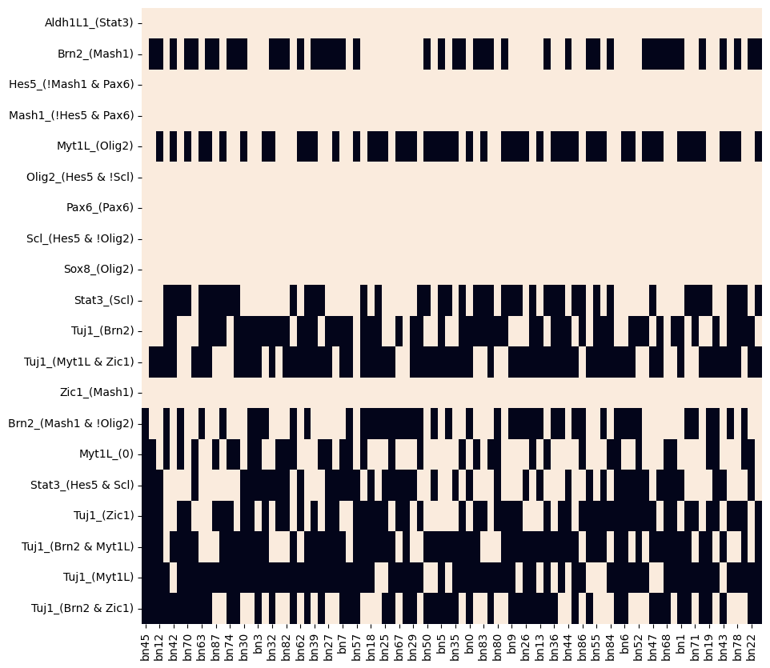 | 