Use Case
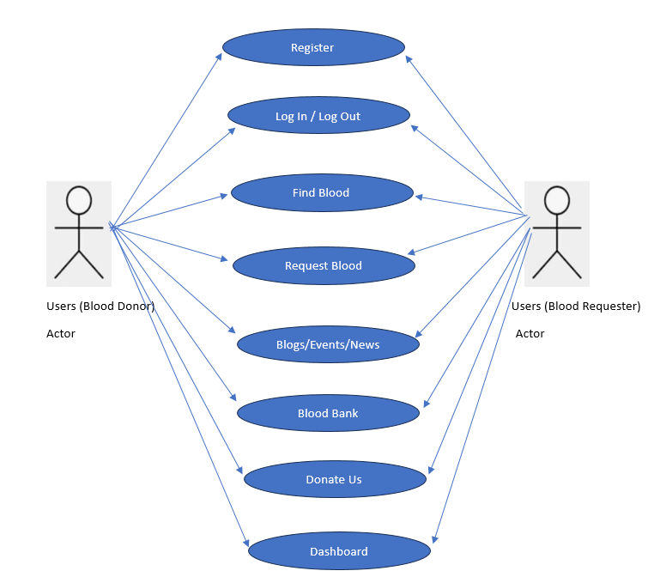
Use Case Diagram >> BloodBankToday

