Use Case
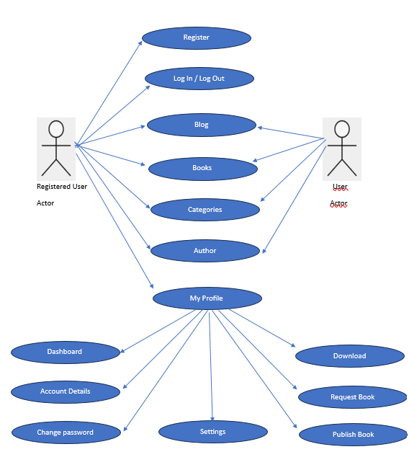
Use Case Diagram >> JunkyBooks

